Ark1
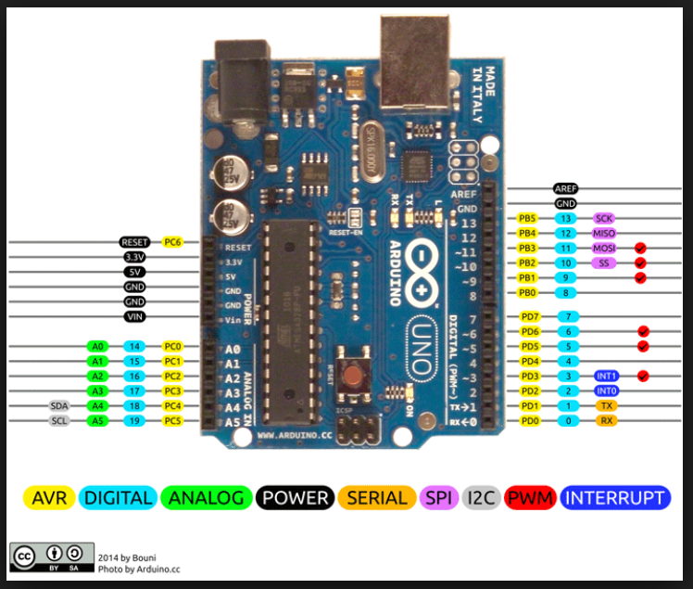
Motory napedowe
int ENAPin=9; //motor A enable
int ENBPin=10; //motor B enable
int IN1Pin=4; //motor A
int IN2Pin=5; //motor A
int IN3Pin=6; //motor B
int IN4Pin=7; //motor B

Motor noza

Bumper

Wyswietlacz
i2c- 0x27
GND | GND
VCC | 5V
SDA | A4
SCL | A5

Start/stop

