Startscreen
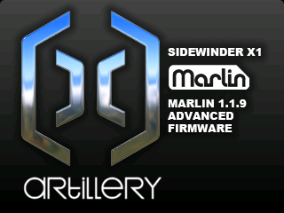
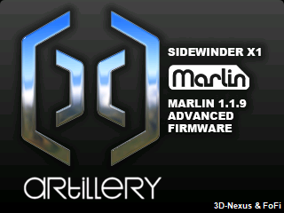

3DN - Bootscreen | 3DN-FoFi - Bootscreen | FoFi - Bootscreen

3DN - Startscreen | 3DN-FoFi - Startscreen | FoFi - Startscreen

