1. Title Page
Basket Analysis

Project Name: Instacart Basket Analysis
Date: 06/2025 - 08/2025
Analyst Name: Bodhi Smith

Contents:
Population Flow
Consistency checks
Wrangling steps
Column derivations
Visualizations
Recommendations

2. Population Flow
Title page

Population flow

Exclusion flag
Condition: max_order <
Obervations to be removed:
Final total count of order_products_all:

Orders_products_combined
Orders_products_merged
Orders_products_all

Total: 32404858
Total: 32434488
Total: 32404858

1.) The grey boxes in the first row of the population flow represent the original data sets as they were when you downloaded them. In the Total fields you need to add the count of the rows when you imported the data set into Jupyter.
2.) The second row of boxes (coloured) represents the data sets after you manipulated them, e.g., removed missing values and duplicates. In the Total fields you need to add the count of the rows after conducting these operations. This offers a visual oveview of how the data flows throughout the data consistency checks.
3.) The third row, where also the arrows are coloured, represents the merges you performed between the datasets. In the Total fields you need to add the count of the rows in the merged datasets, so that you end up with the final dataset (in the red box). Keep in mind the final dataset should be without exclusions (based on the exclusion flag).

3. Consistency checks
 |  |  |  | Title page
Consistency checks

Dataset | Missing values | Missing values treatment | Duplicates
orders
products | 16 | drop rows with missing values
orders_products_prior
customers

4. Wrangling steps
 |  |  |  | Title page
Wrangling steps

Columns dropped | Columns renamed | Columns' type changed | Comment/Reason
eval_set |  |  | not needed
 | order_dow' to 'order_day_of_week' |  | simplified
 |  | order_id' to string | shouldn’t be treated as a numeric value
 |  | user_id' to string | shouldn’t be treated as a numeric value

5. Column derivations
 |  |  |  | Title page

Column derivations and aggregations

In this tab you should add tables below that the frequences of flags/label variables that you produced after deriving them. NB: don't do this for continuous variables, only for flags.
Dataset | New column | Column/s it was derived from | Conditions
ords_prods_merge | price range | prices | 15+ = high range product
 |  |  | 5-15= mid range product
 |  |  | <=5 = low range product
ords_prods_merge | bussiest day | order_dow | 0, 1= busiest day
 |  |  | 4, 3= least busy
 |  |  | else = regularly busy
ords_prods_merge | order frequency | order_hour_of_day | 10, 11, 14 = most orders
 |  |  | 2, 3 ,4 = fewest orders
 |  |  | else = average orders

6. Visualizations
 |  |  | Title page

Visualisations

In this tab you should include all the visualtions from Exercises 4.9 and 4.10, alongside the questions from the project brief that they answer. Include any commentary on the relationship between different variables.

● The sales team needs to know what the busiest days of the week and hours of the day are (i.e., the days and times with the most orders) in order to schedule ads at times when there are fewer orders |  |  |  | . ● They also want to know whether there are particular times of the day when people spend the most money, as this might inform the type of products they advertise at these times. |  | ● Instacart has a lot of products with different price tags. Marketing and sales want to use simpler price range groupings to help direct their efforts. | ● Are there certain types of products that are more popular than others? The marketing and sales teams want to know which departments have the highest frequency of product orders. |  | ● The marketing and sales teams are particularly interested in the different types of customers in their system and how their ordering behaviors differ.

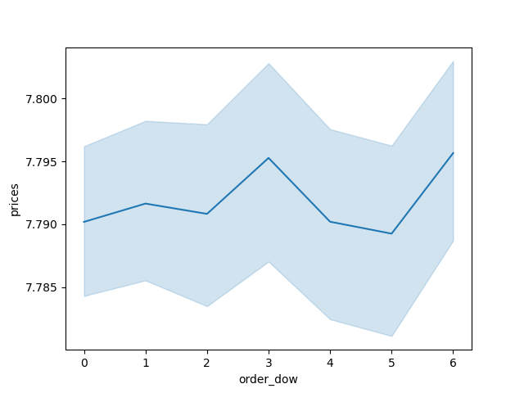
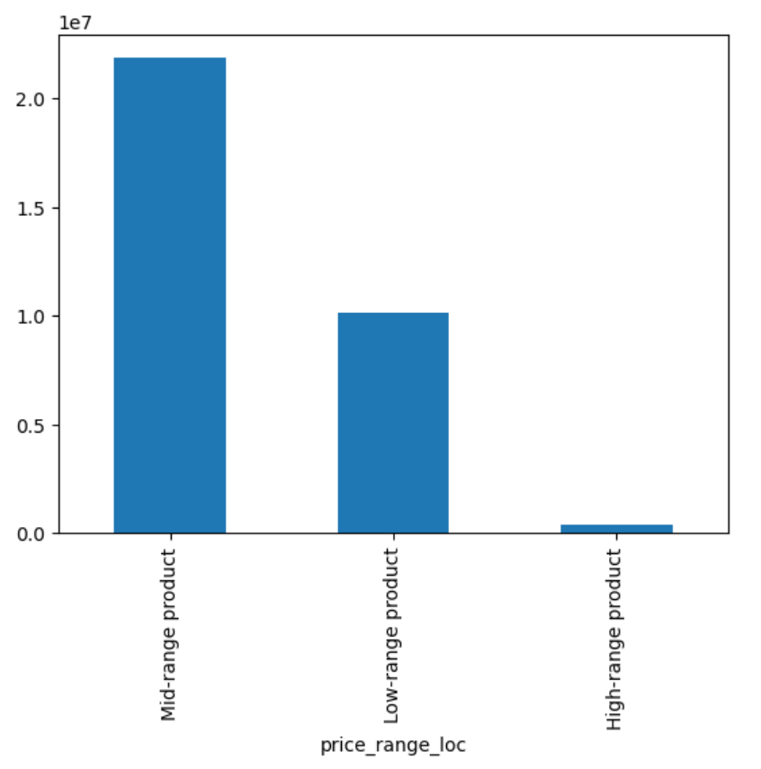
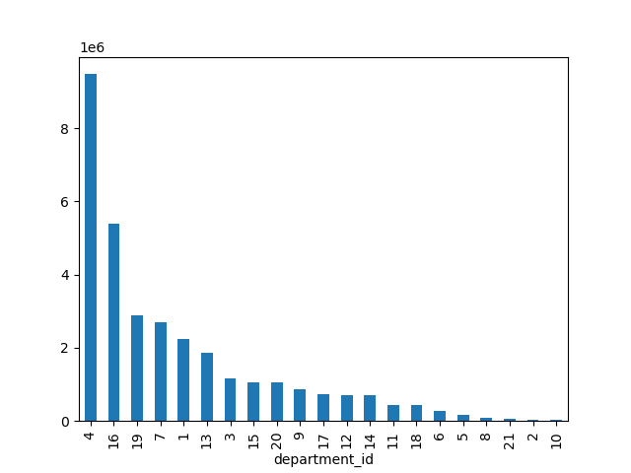
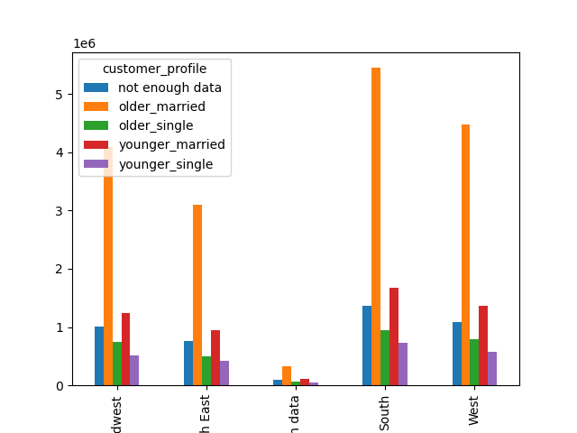
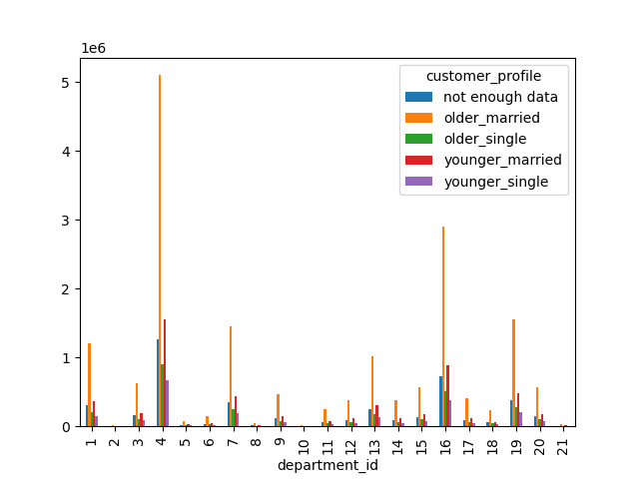

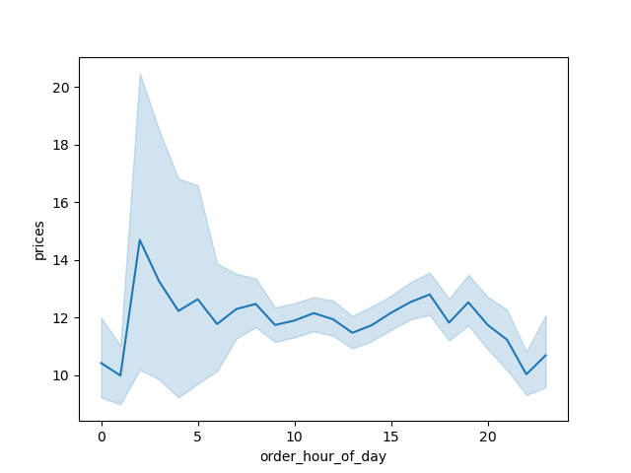

 |  | order hour of day
 |  |  |  |  |  |  |  | this shows us that department 4 has significantly more orders then any other department, and 16 is also pretty high comared to the others
 |  |  |  |  | these graphs show us when most money is spent in a day and in a week |  |  |  |  | by sepearting the customers into these classifications, I wasn’t able to find any interesting patterns or trends. Everything seems to look really normal
 | 0 = Saturday . 1 = Sunday . 2 = Monday . 3 = Tuesday · 4 = Wednesday . 5 = Thursday . 6 = Friday
 | as we can see, the weekends are when most orders are made, and most orders are made from 9-4

 |  |  |  |  |  | I created an aggregate column that separates products into low-range, mid-range, and high-range

7. Recommendations
 |  |  |  |  |  | Title page

Recommendations

In this tab you should include any recommendations you would made to Instcart in terms of their marketing strategy based on the questions posed in the brief. Every key question has been covered in the Tasks of the Exercises - here you need to add an item - a visualisation or table/crosstable that is showing the answer in the data, acompanied by a comment from you. Please, list the questions below and add the answer underneath.

Question |  | Answer
Key Question 1
The sales team needs to know what the busiest days of the week and hours of the day are (i.e., the days and times with the most orders) in order to schedule ads at times when there are fewer orders.

 |  |  | order_hour_of_day

 |  |  |  |  | 0 = Saturday . 1 = Sunday . 2 = Monday . 3 = Tuesday · 4 = Wednesday . 5 = Thursday . 6 = Friday
 | Tuesday and Wednesday are the days that I would recommend pushing more ads, I wouldn’t suggest pushing more during the low hours though, because that is when everyone is asleep, so its to be expected. You could potentially push more ads in the late afternoon.

Key Question 2
They also want to know whether there are particular times of the day when people spend the most money, as this might inform the type of products they advertise at these times.

 |  |  |  |  | 0 = Saturday . 1 = Sunday . 2 = Monday . 3 = Tuesday · 4 = Wednesday . 5 = Thursday . 6 = Friday

 | the most money is spent on tuesdays and fridays, meaning you could advertise the high range products on these days, because the people with more money are probably shopping during them.

Key Question 3
Instacart has a lot of products with different price tags. Marketing and sales want to use simpler price range groupings to help direct their efforts.

by splitting the products into high, mid, and low range products, the marketing and sales teams should find it easier to do their jobs

Key Question 4
Are there certain types of products that are more popular than others? The marketing and sales teams want to know which departments have the highest frequency of product orders.

 |  |  |  | we can now see which departments have the highest sales in descending order

Key Question 5
The marketing and sales teams are particularly interested in the different types of customers in their system and how their ordering behaviors differ.

by sepearting the customers into these classifications, I wasn’t able to find any interesting patterns or trends. Everything seems to look really normal

