Sheet1
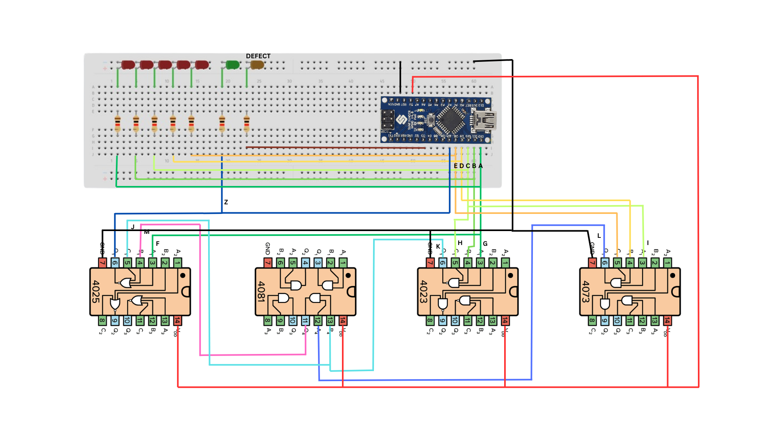
A | B | C | D | E | Z | A0 | A1 | B0 | B1 | C0 | C1 | D0 | D1 | E0 | E1 | F0 | F1 | G0 | G1 | H0 | H1 | I0 | I1 | J0 | J1 | K0 | K1 | L0 | L1 | M0 | M1 | Z0 | Z1
0 | 0 | 0 | 0 | 0 | 0 | 0 | 0 | 0 | 0 | 0 | 0 | 0 | 0 | 0 | 0 | 0 | 0 | 0 | 0 | 0 | 0 | 0 | 0 | 1 | 0 | 0 | 0 | 0 | 0 | 0 | 0 | 0 | 1
0 | 0 | 0 | 0 | 1 | 0 | 0 | 0 | 0 | 0 | 0 | 0 | 0 | 0 | 0 | 0 | 0 | 0 | 0 | 0 | 0 | 0 | 0 | 0 | 1 | 0 | 0 | 0 | 0 | 0 | 0 | 0 | 0 | 1
0 | 0 | 0 | 1 | 0 | 0 | 0 | 0 | 0 | 0 | 0 | 0 | 0 | 0 | 0 | 0 | 0 | 0 | 0 | 0 | 0 | 0 | 0 | 0 | 1 | 0 | 0 | 0 | 0 | 0 | 0 | 0 | 0 | 1
0 | 0 | 0 | 1 | 1 | 0 | 0 | 0 | 0 | 0 | 0 | 0 | 0 | 0 | 0 | 0 | 0 | 0 | 0 | 0 | 0 | 0 | 0 | 0 | 1 | 0 | 0 | 0 | 0 | 0 | 0 | 0 | 0 | 1
0 | 0 | 1 | 0 | 0 | 0 | 0 | 0 | 0 | 0 | 0 | 0 | 0 | 0 | 0 | 0 | 0 | 0 | 0 | 0 | 0 | 0 | 0 | 0 | 1 | 0 | 0 | 0 | 0 | 0 | 0 | 0 | 0 | 1
0 | 0 | 1 | 0 | 1 | 0 | 0 | 0 | 0 | 0 | 0 | 0 | 0 | 0 | 0 | 0 | 0 | 0 | 0 | 0 | 0 | 0 | 0 | 0 | 1 | 0 | 0 | 0 | 0 | 0 | 0 | 0 | 0 | 1
0 | 0 | 1 | 1 | 0 | 0 | 0 | 0 | 0 | 0 | 0 | 0 | 0 | 0 | 0 | 0 | 0 | 0 | 0 | 0 | 0 | 0 | 0 | 0 | 1 | 0 | 0 | 0 | 0 | 0 | 0 | 0 | 0 | 1
0 | 0 | 1 | 1 | 1 | 0 | 0 | 0 | 0 | 0 | 0 | 0 | 0 | 0 | 0 | 0 | 0 | 0 | 0 | 0 | 0 | 0 | 0 | 0 | 0 | 0 | 0 | 0 | 0 | 0 | 0 | 0 | 0 | 1
0 | 1 | 0 | 0 | 0 | 0 | 0 | 0 | 0 | 0 | 0 | 0 | 0 | 0 | 0 | 0 | 0 | 0 | 0 | 0 | 0 | 0 | 0 | 0 | 1 | 0 | 0 | 0 | 0 | 0 | 0 | 0 | 0 | 1
0 | 1 | 0 | 0 | 1 | 0 | 0 | 0 | 0 | 0 | 0 | 0 | 0 | 0 | 0 | 0 | 0 | 0 | 0 | 0 | 0 | 0 | 0 | 0 | 1 | 0 | 0 | 0 | 0 | 0 | 0 | 0 | 0 | 1
0 | 1 | 0 | 1 | 0 | 0 | 0 | 0 | 0 | 0 | 0 | 0 | 0 | 0 | 0 | 0 | 0 | 0 | 0 | 0 | 0 | 0 | 0 | 0 | 1 | 0 | 0 | 0 | 0 | 0 | 0 | 0 | 0 | 1
0 | 1 | 0 | 1 | 1 | 0 | 0 | 0 | 0 | 0 | 0 | 0 | 0 | 0 | 0 | 0 | 0 | 0 | 0 | 0 | 0 | 0 | 0 | 0 | 1 | 0 | 0 | 0 | 0 | 0 | 0 | 0 | 0 | 1
0 | 1 | 1 | 0 | 0 | 0 | 0 | 0 | 0 | 0 | 0 | 0 | 0 | 0 | 0 | 0 | 0 | 0 | 0 | 1 | 0 | 0 | 0 | 0 | 1 | 0 | 0 | 0 | 0 | 0 | 0 | 0 | 0 | 1
0 | 1 | 1 | 0 | 1 | 0 | 0 | 0 | 0 | 0 | 0 | 0 | 0 | 0 | 0 | 0 | 0 | 0 | 0 | 1 | 0 | 0 | 0 | 0 | 1 | 0 | 0 | 0 | 0 | 0 | 0 | 0 | 0 | 1
0 | 1 | 1 | 1 | 0 | 0 | 0 | 0 | 0 | 0 | 0 | 0 | 0 | 0 | 0 | 0 | 0 | 0 | 0 | 1 | 0 | 0 | 0 | 0 | 1 | 0 | 0 | 0 | 0 | 0 | 0 | 0 | 0 | 1
0 | 1 | 1 | 1 | 1 | 0 | 0 | 0 | 0 | 0 | 0 | 0 | 0 | 0 | 0 | 0 | 0 | 0 | 0 | 1 | 0 | 0 | 0 | 0 | 0 | 0 | 0 | 0 | 0 | 0 | 0 | 0 | 0 | 1
1 | 0 | 0 | 0 | 0 | 0 | 0 | 0 | 0 | 0 | 0 | 0 | 0 | 0 | 0 | 0 | 0 | 0 | 0 | 0 | 0 | 0 | 0 | 0 | 0 | 0 | 0 | 0 | 0 | 0 | 0 | 0 | 0 | 1
1 | 0 | 0 | 0 | 1 | 0 | 0 | 0 | 0 | 0 | 0 | 0 | 0 | 0 | 0 | 0 | 0 | 0 | 0 | 0 | 0 | 0 | 0 | 0 | 0 | 0 | 0 | 0 | 0 | 0 | 0 | 0 | 0 | 1
1 | 0 | 0 | 1 | 0 | 0 | 0 | 0 | 0 | 0 | 0 | 0 | 0 | 0 | 0 | 0 | 0 | 0 | 0 | 0 | 0 | 0 | 0 | 0 | 0 | 0 | 0 | 0 | 0 | 0 | 0 | 0 | 0 | 1
1 | 0 | 0 | 1 | 1 | 0 | 0 | 0 | 0 | 0 | 0 | 0 | 0 | 0 | 0 | 0 | 0 | 0 | 0 | 0 | 0 | 0 | 0 | 0 | 0 | 0 | 0 | 0 | 0 | 0 | 0 | 0 | 0 | 1
1 | 0 | 1 | 0 | 0 | 0 | 0 | 0 | 0 | 0 | 0 | 0 | 0 | 0 | 0 | 0 | 0 | 0 | 0 | 0 | 0 | 0 | 0 | 0 | 0 | 0 | 0 | 0 | 0 | 0 | 0 | 0 | 0 | 1
1 | 0 | 1 | 0 | 1 | 0 | 0 | 0 | 0 | 0 | 0 | 0 | 0 | 0 | 0 | 0 | 0 | 0 | 0 | 0 | 0 | 0 | 0 | 0 | 0 | 0 | 0 | 0 | 0 | 0 | 0 | 0 | 0 | 1
1 | 0 | 1 | 1 | 0 | 0 | 0 | 0 | 0 | 0 | 0 | 0 | 0 | 0 | 0 | 0 | 0 | 0 | 0 | 0 | 0 | 0 | 0 | 0 | 0 | 0 | 0 | 0 | 0 | 0 | 0 | 0 | 0 | 1
1 | 0 | 1 | 1 | 1 | 0 | 0 | 0 | 0 | 0 | 0 | 0 | 0 | 0 | 0 | 0 | 0 | 0 | 0 | 0 | 0 | 0 | 0 | 0 | 0 | 0 | 0 | 0 | 0 | 0 | 0 | 0 | 0 | 1
1 | 1 | 0 | 0 | 0 | 0 | 0 | 0 | 0 | 0 | 0 | 0 | 0 | 0 | 0 | 0 | 0 | 0 | 0 | 0 | 0 | 0 | 0 | 0 | 0 | 0 | 0 | 0 | 0 | 0 | 0 | 0 | 0 | 1
1 | 1 | 0 | 0 | 1 | 0 | 0 | 0 | 0 | 0 | 0 | 0 | 0 | 0 | 0 | 0 | 0 | 0 | 0 | 0 | 0 | 0 | 0 | 0 | 0 | 0 | 0 | 0 | 0 | 0 | 0 | 0 | 0 | 1
1 | 1 | 0 | 1 | 0 | 0 | 0 | 0 | 0 | 0 | 0 | 0 | 0 | 0 | 0 | 0 | 0 | 0 | 0 | 0 | 0 | 0 | 0 | 0 | 0 | 0 | 0 | 0 | 0 | 0 | 0 | 0 | 0 | 1
1 | 1 | 0 | 1 | 1 | 0 | 0 | 0 | 0 | 0 | 0 | 0 | 0 | 0 | 0 | 0 | 0 | 0 | 0 | 0 | 0 | 0 | 0 | 0 | 0 | 0 | 0 | 0 | 0 | 0 | 0 | 0 | 0 | 1
1 | 1 | 1 | 0 | 0 | 0 | 0 | 0 | 0 | 0 | 0 | 0 | 0 | 0 | 0 | 0 | 1 | 0 | 0 | 0 | 0 | 0 | 0 | 0 | 0 | 0 | 0 | 0 | 0 | 0 | 0 | 0 | 0 | 1
1 | 1 | 1 | 0 | 1 | 0 | 0 | 0 | 0 | 0 | 0 | 0 | 0 | 0 | 0 | 0 | 1 | 0 | 0 | 0 | 0 | 0 | 0 | 0 | 0 | 0 | 0 | 0 | 0 | 0 | 0 | 0 | 0 | 1
1 | 1 | 1 | 1 | 0 | 0 | 0 | 0 | 0 | 0 | 0 | 0 | 0 | 0 | 0 | 0 | 1 | 0 | 0 | 0 | 0 | 0 | 0 | 0 | 0 | 0 | 0 | 0 | 0 | 0 | 0 | 0 | 0 | 1
1 | 1 | 1 | 1 | 1 | 0 | 0 | 0 | 0 | 0 | 0 | 0 | 0 | 0 | 0 | 0 | 1 | 0 | 0 | 0 | 0 | 0 | 0 | 0 | 0 | 0 | 0 | 0 | 0 | 0 | 0 | 0 | 0 | 1

A | B | C | D | E | Z | A0 | A1 | B0 | B1 | C0 | C1 | D0 | D1 | E0 | E1 | F0 | F1 | G0 | G1 | H0 | H1 | I0 | I1 | J0 | J1 | K0 | K1 | L0 | L1 | M0 | M1 | Z0 | Z1
0 | 0 | 0 | 0 | 0 | 0 | 0 | 0 | 0 | 0 | 0 | 0 | 0 | 0 | 0 | 0 | 0 | 0 | 0 | 0 | 0 | 0 | 0 | 0 | x | 0 | 0 | 0 | 0 | 0 | 0 | 0 | 0 | x
0 | 0 | 0 | 0 | 1 | 0 | 0 | 0 | 0 | 0 | 0 | 0 | 0 | 0 | 0 | 0 | 0 | 0 | 0 | 0 | 0 | 0 | 0 | 0 | x | 0 | 0 | 0 | 0 | 0 | 0 | 0 | 0 | x
0 | 0 | 0 | 1 | 0 | 0 | 0 | 0 | 0 | 0 | 0 | 0 | 0 | 0 | 0 | 0 | 0 | 0 | 0 | 0 | 0 | 0 | 0 | 0 | x | 0 | 0 | 0 | 0 | 0 | 0 | 0 | 0 | x
0 | 0 | 0 | 1 | 1 | 0 | 0 | 0 | 0 | 0 | 0 | 0 | 0 | 0 | 0 | 0 | 0 | 0 | 0 | 0 | 0 | 0 | 0 | 0 | x | 0 | 0 | 0 | 0 | 0 | 0 | 0 | 0 | x
0 | 0 | 1 | 0 | 0 | 0 | 0 | 0 | 0 | 0 | 0 | 0 | 0 | 0 | 0 | 0 | 0 | 0 | 0 | 0 | 0 | 0 | 0 | 0 | x | 0 | 0 | 0 | 0 | 0 | 0 | 0 | 0 | x
0 | 0 | 1 | 0 | 1 | 0 | 0 | 0 | 0 | 0 | 0 | 0 | 0 | 0 | 0 | 0 | 0 | 0 | 0 | 0 | 0 | 0 | 0 | 0 | x | 0 | 0 | 0 | 0 | 0 | 0 | 0 | 0 | x
0 | 0 | 1 | 1 | 0 | 0 | 0 | 0 | 0 | 0 | 0 | 0 | 0 | 0 | 0 | 0 | 0 | 0 | 0 | 0 | 0 | 0 | 0 | 0 | x | 0 | 0 | 0 | 0 | 0 | 0 | 0 | 0 | x
0 | 0 | 1 | 1 | 1 | 0 | 0 | 0 | 0 | 0 | 0 | 0 | 0 | 0 | 0 | 0 | 0 | 0 | 0 | 0 | 0 | 0 | 0 | 0 | 0 | 0 | 0 | 0 | 0 | 0 | 0 | 0 | 0 | x
0 | 1 | 0 | 0 | 0 | 0 | 0 | 0 | 0 | 0 | 0 | 0 | 0 | 0 | 0 | 0 | 0 | 0 | 0 | 0 | 0 | 0 | 0 | 0 | x | 0 | 0 | 0 | 0 | 0 | 0 | 0 | 0 | x
0 | 1 | 0 | 0 | 1 | 0 | 0 | 0 | 0 | 0 | 0 | 0 | 0 | 0 | 0 | 0 | 0 | 0 | 0 | 0 | 0 | 0 | 0 | 0 | x | 0 | 0 | 0 | 0 | 0 | 0 | 0 | 0 | x
0 | 1 | 0 | 1 | 0 | 0 | 0 | 0 | 0 | 0 | 0 | 0 | 0 | 0 | 0 | 0 | 0 | 0 | 0 | 0 | 0 | 0 | 0 | 0 | x | 0 | 0 | 0 | 0 | 0 | 0 | 0 | 0 | x
0 | 1 | 0 | 1 | 1 | 0 | 0 | 0 | 0 | 0 | 0 | 0 | 0 | 0 | 0 | 0 | 0 | 0 | 0 | 0 | 0 | 0 | 0 | 0 | x | 0 | 0 | 0 | 0 | 0 | 0 | 0 | 0 | x
0 | 1 | 1 | 0 | 0 | 0 | 0 | 0 | 0 | 0 | 0 | 0 | 0 | 0 | 0 | 0 | 0 | 0 | 0 | x | 0 | 0 | 0 | 0 | x | 0 | 0 | 0 | 0 | 0 | 0 | 0 | 0 | x
0 | 1 | 1 | 0 | 1 | 0 | 0 | 0 | 0 | 0 | 0 | 0 | 0 | 0 | 0 | 0 | 0 | 0 | 0 | x | 0 | 0 | 0 | 0 | x | 0 | 0 | 0 | 0 | 0 | 0 | 0 | 0 | x
0 | 1 | 1 | 1 | 0 | 0 | 0 | 0 | 0 | 0 | 0 | 0 | 0 | 0 | 0 | 0 | 0 | 0 | 0 | x | 0 | 0 | 0 | 0 | x | 0 | 0 | 0 | 0 | 0 | 0 | 0 | 0 | x
0 | 1 | 1 | 1 | 1 | 0 | 0 | 0 | 0 | 0 | 0 | 0 | 0 | 0 | 0 | 0 | 0 | 0 | 0 | x | 0 | 0 | 0 | 0 | 0 | 0 | 0 | 0 | 0 | 0 | 0 | 0 | 0 | x
1 | 0 | 0 | 0 | 0 | 0 | 0 | 0 | 0 | 0 | 0 | 0 | 0 | 0 | 0 | 0 | 0 | 0 | 0 | 0 | 0 | 0 | 0 | 0 | 0 | 0 | 0 | 0 | 0 | 0 | 0 | 0 | 0 | x
1 | 0 | 0 | 0 | 1 | 0 | 0 | 0 | 0 | 0 | 0 | 0 | 0 | 0 | 0 | 0 | 0 | 0 | 0 | 0 | 0 | 0 | 0 | 0 | 0 | 0 | 0 | 0 | 0 | 0 | 0 | 0 | 0 | x
1 | 0 | 0 | 1 | 0 | 0 | 0 | 0 | 0 | 0 | 0 | 0 | 0 | 0 | 0 | 0 | 0 | 0 | 0 | 0 | 0 | 0 | 0 | 0 | 0 | 0 | 0 | 0 | 0 | 0 | 0 | 0 | 0 | x
1 | 0 | 0 | 1 | 1 | 0 | 0 | 0 | 0 | 0 | 0 | 0 | 0 | 0 | 0 | 0 | 0 | 0 | 0 | 0 | 0 | 0 | 0 | 0 | 0 | 0 | 0 | 0 | 0 | 0 | 0 | 0 | 0 | x
1 | 0 | 1 | 0 | 0 | 0 | 0 | 0 | 0 | 0 | 0 | 0 | 0 | 0 | 0 | 0 | 0 | 0 | 0 | 0 | 0 | 0 | 0 | 0 | 0 | 0 | 0 | 0 | 0 | 0 | 0 | 0 | 0 | x
1 | 0 | 1 | 0 | 1 | 0 | 0 | 0 | 0 | 0 | 0 | 0 | 0 | 0 | 0 | 0 | 0 | 0 | 0 | 0 | 0 | 0 | 0 | 0 | 0 | 0 | 0 | 0 | 0 | 0 | 0 | 0 | 0 | x
1 | 0 | 1 | 1 | 0 | 0 | 0 | 0 | 0 | 0 | 0 | 0 | 0 | 0 | 0 | 0 | 0 | 0 | 0 | 0 | 0 | 0 | 0 | 0 | 0 | 0 | 0 | 0 | 0 | 0 | 0 | 0 | 0 | x
1 | 0 | 1 | 1 | 1 | 0 | 0 | 0 | 0 | 0 | 0 | 0 | 0 | 0 | 0 | 0 | 0 | 0 | 0 | 0 | 0 | 0 | 0 | 0 | 0 | 0 | 0 | 0 | 0 | 0 | 0 | 0 | 0 | x
1 | 1 | 0 | 0 | 0 | 0 | 0 | 0 | 0 | 0 | 0 | 0 | 0 | 0 | 0 | 0 | 0 | 0 | 0 | 0 | 0 | 0 | 0 | 0 | 0 | 0 | 0 | 0 | 0 | 0 | 0 | 0 | 0 | x
1 | 1 | 0 | 0 | 1 | 0 | 0 | 0 | 0 | 0 | 0 | 0 | 0 | 0 | 0 | 0 | 0 | 0 | 0 | 0 | 0 | 0 | 0 | 0 | 0 | 0 | 0 | 0 | 0 | 0 | 0 | 0 | 0 | x
1 | 1 | 0 | 1 | 0 | 0 | 0 | 0 | 0 | 0 | 0 | 0 | 0 | 0 | 0 | 0 | 0 | 0 | 0 | 0 | 0 | 0 | 0 | 0 | 0 | 0 | 0 | 0 | 0 | 0 | 0 | 0 | 0 | x
1 | 1 | 0 | 1 | 1 | 0 | 0 | 0 | 0 | 0 | 0 | 0 | 0 | 0 | 0 | 0 | 0 | 0 | 0 | 0 | 0 | 0 | 0 | 0 | 0 | 0 | 0 | 0 | 0 | 0 | 0 | 0 | 0 | x
1 | 1 | 1 | 0 | 0 | 0 | 0 | 0 | 0 | 0 | 0 | 0 | 0 | 0 | 0 | 0 | x | 0 | 0 | 0 | 0 | 0 | 0 | 0 | 0 | 0 | 0 | 0 | 0 | 0 | 0 | 0 | 0 | x
1 | 1 | 1 | 0 | 1 | 0 | 0 | 0 | 0 | 0 | 0 | 0 | 0 | 0 | 0 | 0 | x | 0 | 0 | 0 | 0 | 0 | 0 | 0 | 0 | 0 | 0 | 0 | 0 | 0 | 0 | 0 | 0 | x
1 | 1 | 1 | 1 | 0 | 0 | 0 | 0 | 0 | 0 | 0 | 0 | 0 | 0 | 0 | 0 | x | 0 | 0 | 0 | 0 | 0 | 0 | 0 | 0 | 0 | 0 | 0 | 0 | 0 | 0 | 0 | 0 | x
1 | 1 | 1 | 1 | 1 | 0 | 0 | 0 | 0 | 0 | 0 | 0 | 0 | 0 | 0 | 0 | x | 0 | 0 | 0 | 0 | 0 | 0 | 0 | 0 | 0 | 0 | 0 | 0 | 0 | 0 | 0 | 0 | x

 | Set de teste T = {00000, 00001, 00010, 00011, 00100, 00101, 00110,00111,01000,01001,01010,01011,01101,01110,01111,10000,100010,10010,10011,10100,10101,10110,10111,11000,11001,11010,11011,11100,11101,11110,11111}
 | Nu sunt teste esentiale.
 | Set minim de teste = { 01100 - G1,J0,Z1; 11100 - F0,Z1}

 | Circuit in logisim:
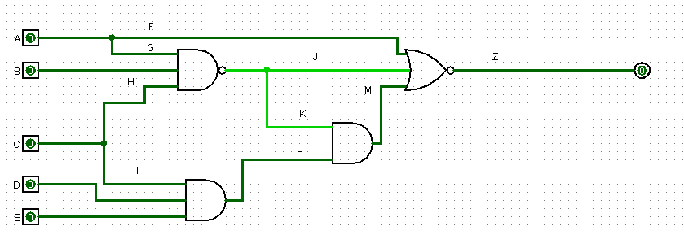
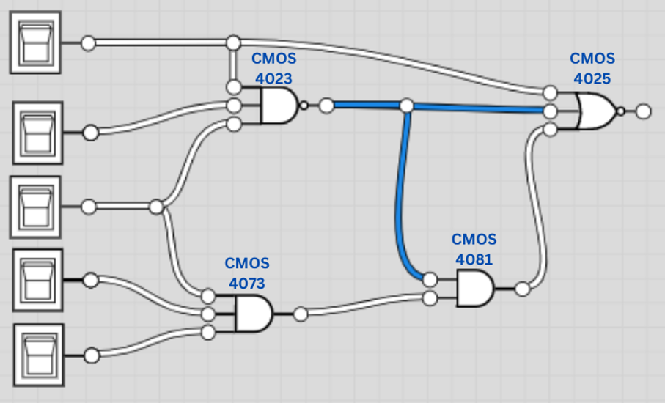

 | Diagrama:

