Аркуш1
ITEM NO. | Status | PART NUMBER | DESCRIPTION | QTY. | IMAGE | PRICE
1 | None | cnc-base |  | 1 | 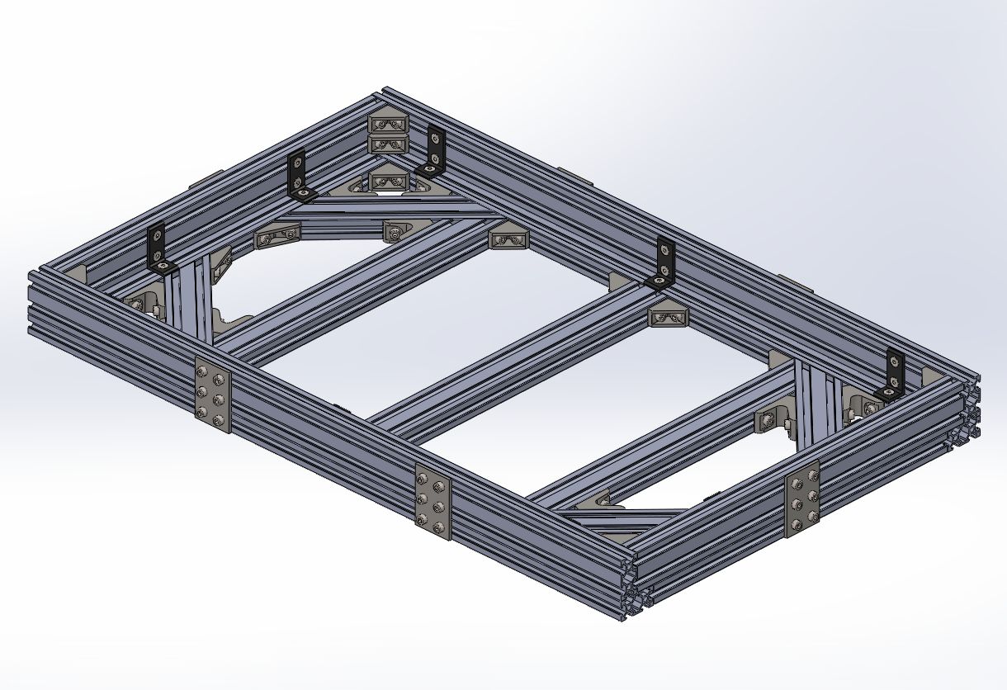
 | Owned | Profile Aluminium 2040 - 700 mm |  | 4 | 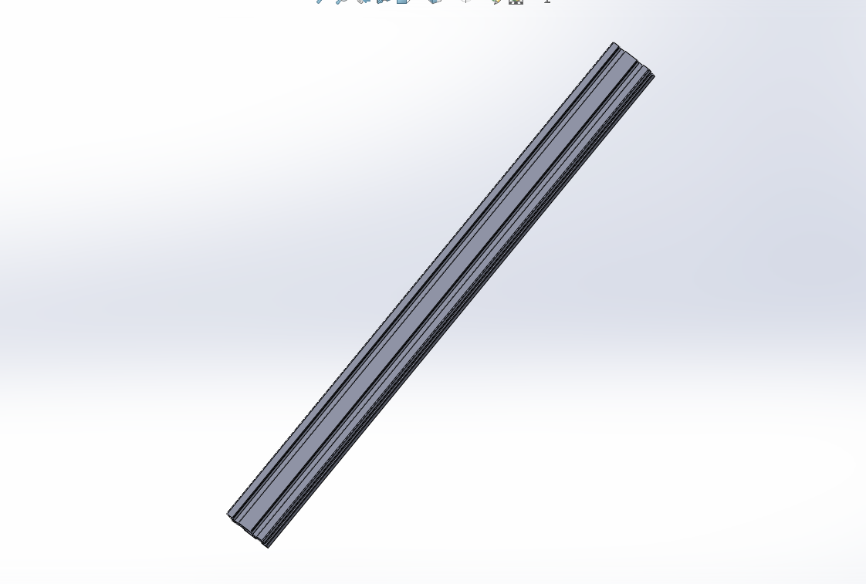 | 600.00 грн.
 | Owned | Profile Aluminium 2040 - 400 mm |  | 2 |  | 600.00 грн.
 | Owned | Profile Aluminium 2040 - 360 mm |  | 3 |  | 600.00 грн.
 | Owned | Profile Aluminium 2040 angled - 200 mm |  | 4 | 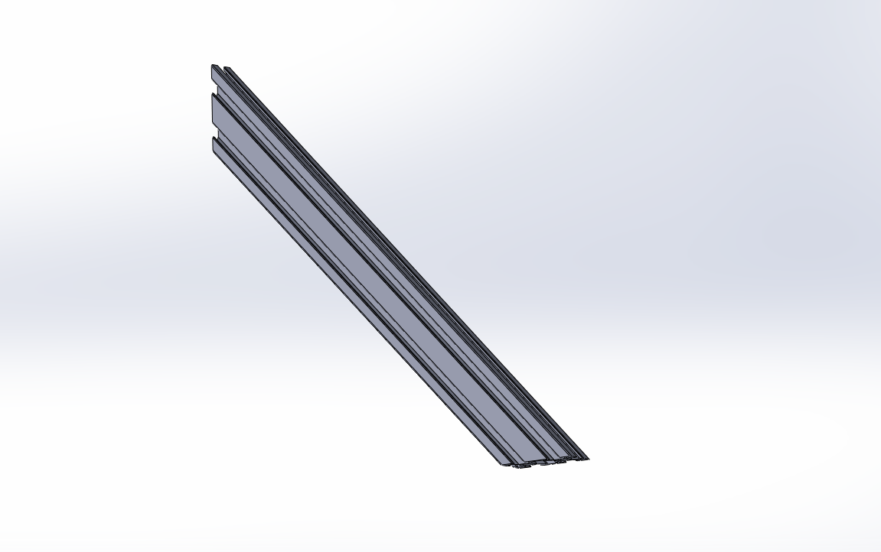 | 600.00 грн.
 | To print | 135 DEGREE ANGLE BRACKET |  | 4 | 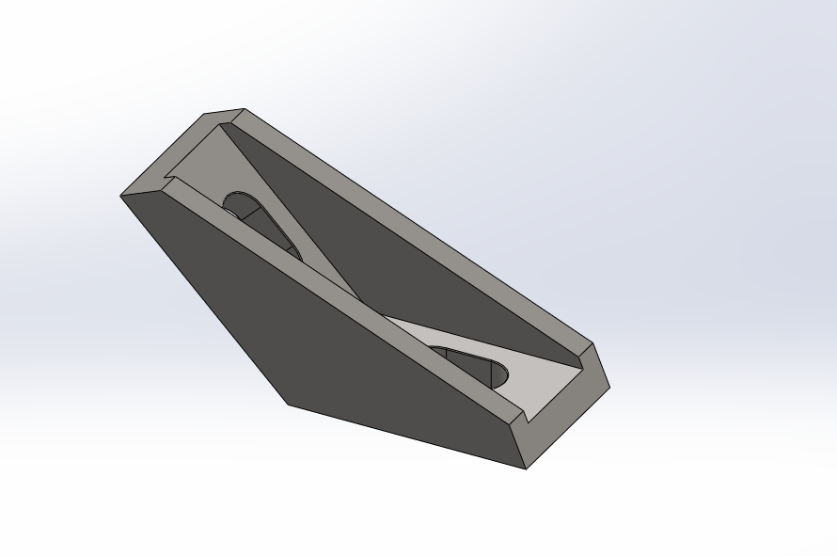
 | To print | 45 DEGREE ANGLE BRACKET |  | 12 | 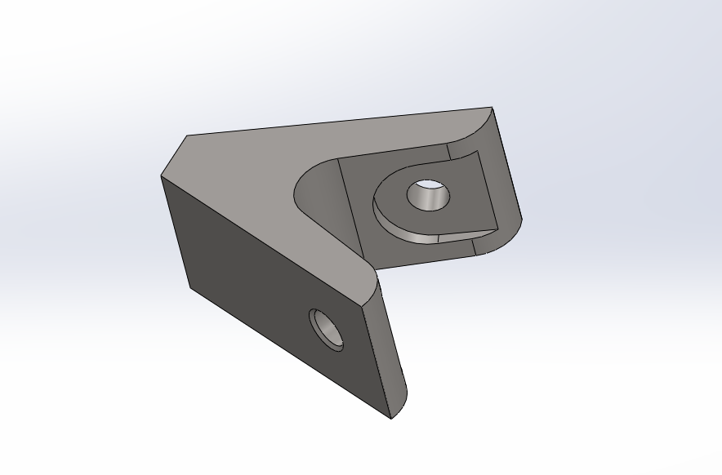
 | In cart | 90 DEGREE ANGLE BRACKET |  | 20/20 | 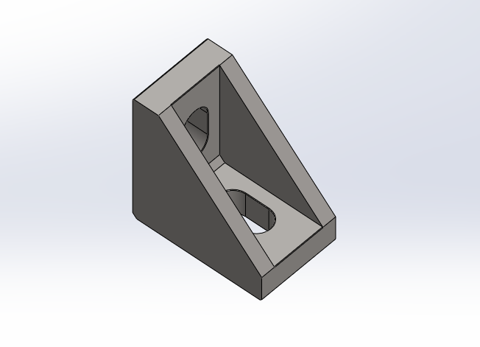 | 278.84 грн.
 | In cart | 8020-20-4176 BLACK |  | 2026-10-10 | 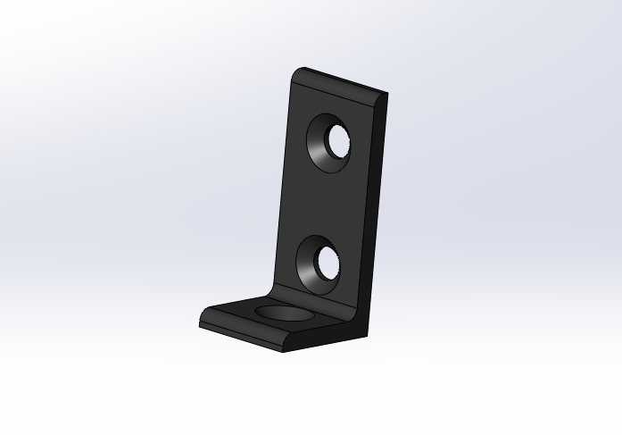 | 607.70 грн.
 | In cart | JOINING PLATE 8020-20-4166 |  | 2026-06-06 | 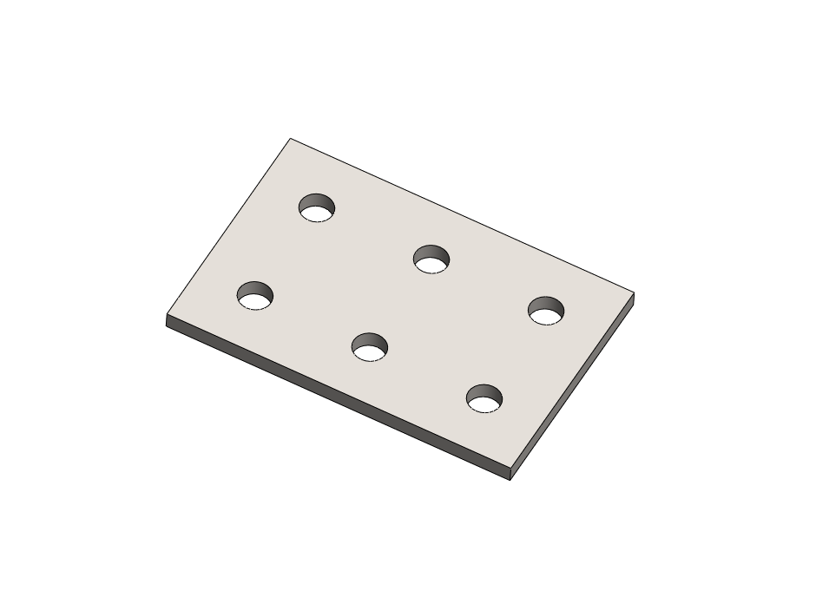 | 920.34 грн.
 | In cart | DIN 912 M5 x 8 |  | 150/108 | 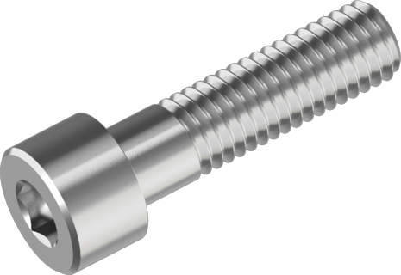 | 575.72 грн.
 | In cart | DIN 7991 - M5 x 8 |  | 50/30 | 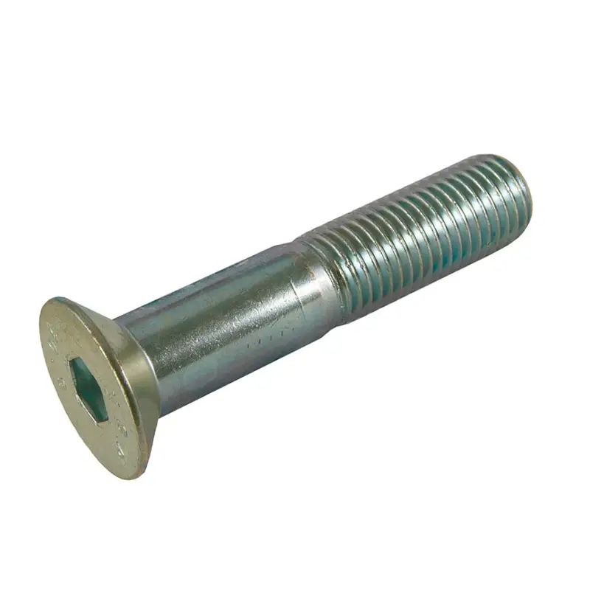 | 177.20 грн.
 | In cart | T nut 2020 profile M5 |  | 200/200 | 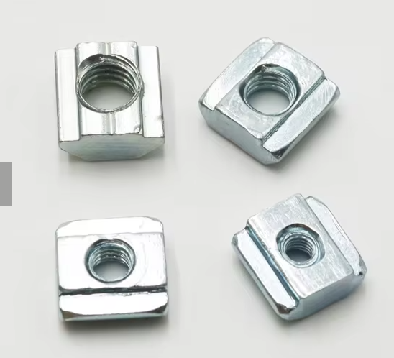 | 571.00 грн.
 | Owned | Profile Aluminium 2040 angled - 360 mm |  | 2 |  | 600.00 грн.
2 | None | cnc-table |  | 1 | 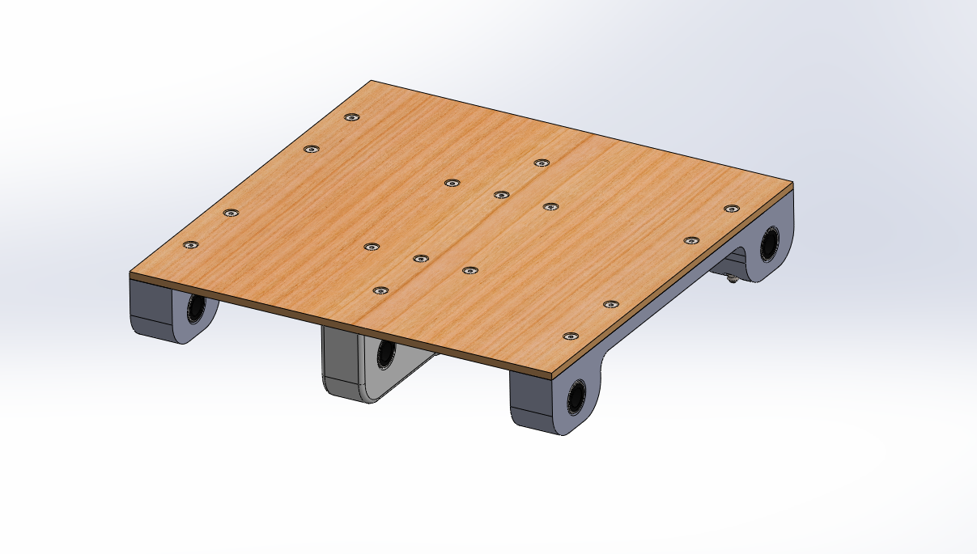
 | To print | table-plank-center |  | 1 | 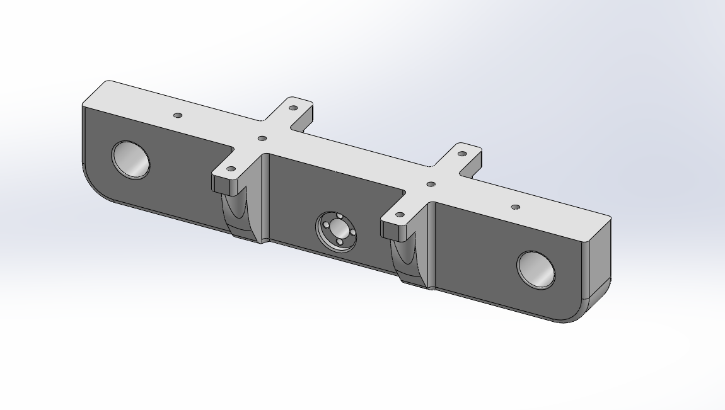
 | To print | table-plank-edge |  | 2 | 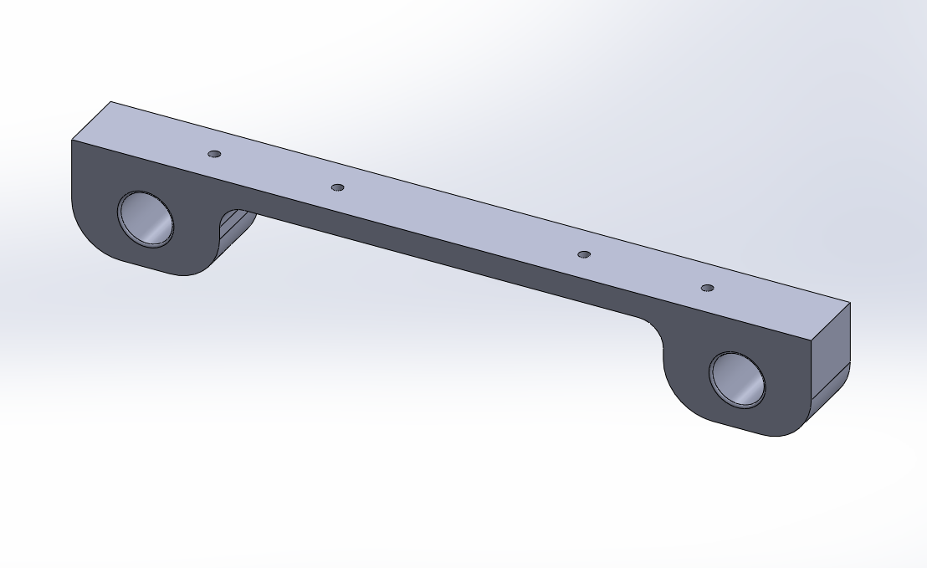
 | Owned | table-surface |  | 2026-01-03 | 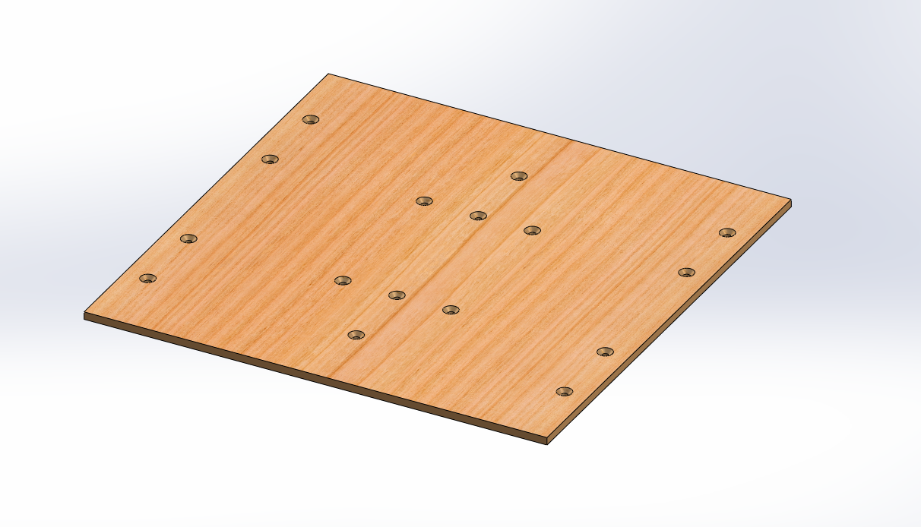 | 1,000.00 грн.
 | In cart | DIN 7991 - M4 x 50 |  | 2026-04-10 | 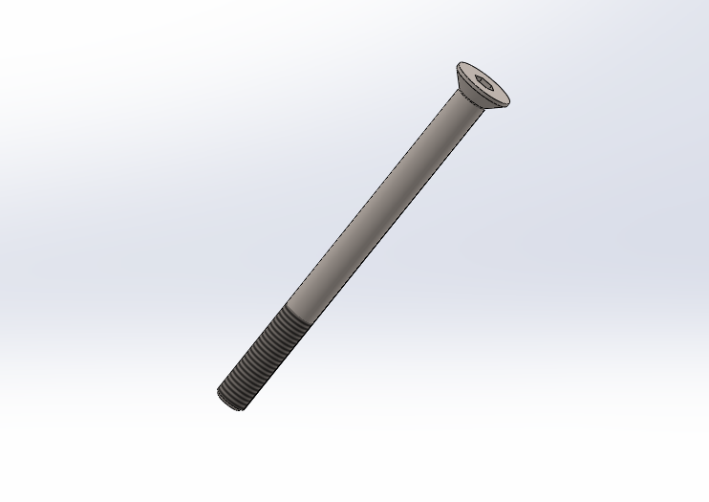 | 106.26 грн.
 | In cart | DIN 7991 - M4 x 60 |  | 2026-04-10 | 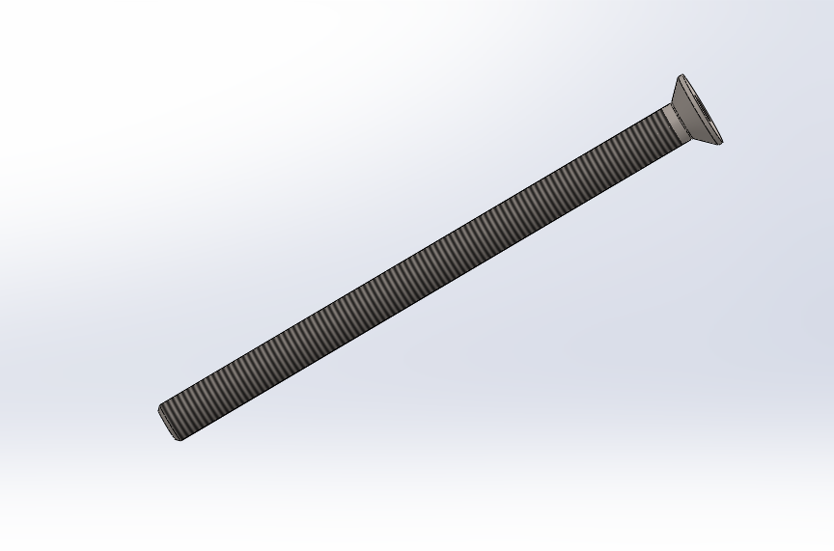 | 48.50 грн.
 | In cart | DIN 7991 - M4 x 20 |  | 2026-08-10 | 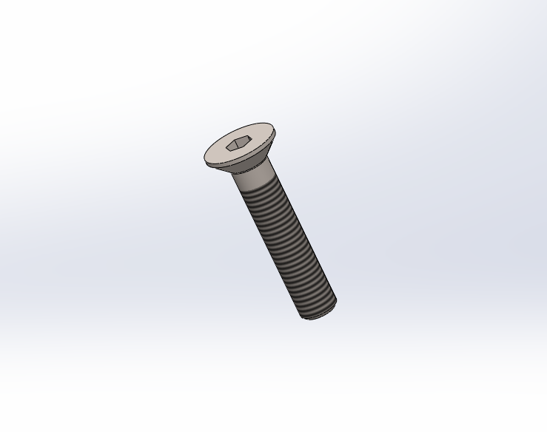 | 64.96 грн.
 | In cart | DIN 985 - M4 |  | 12 | 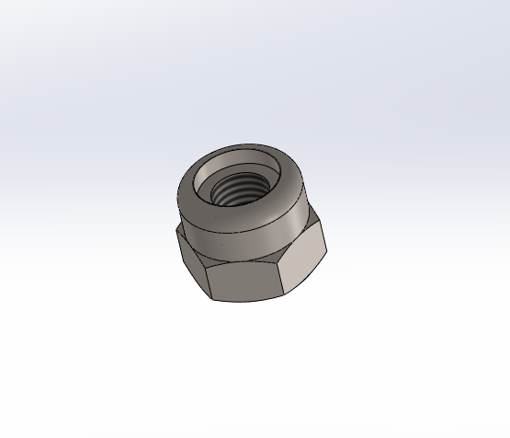
 | Owned | Anti Backlash Nut TR8 |  | 1 | 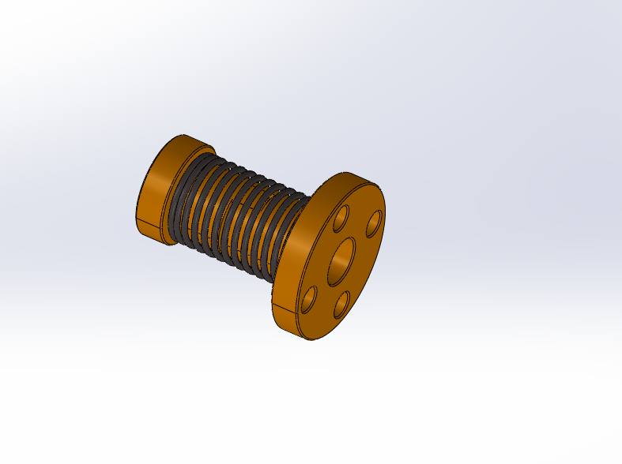 | 60.00 грн.
 | In cart | DIN 7991 - M3 x 25 |  | 2026-04-20 | 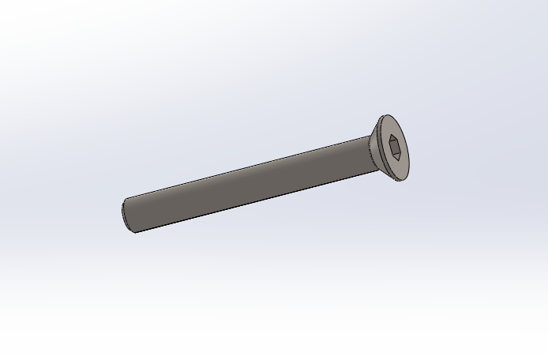 | 115.00 грн.
 | In cart | Hexagon Nut ISO 4032 - M3 |  | 4 | 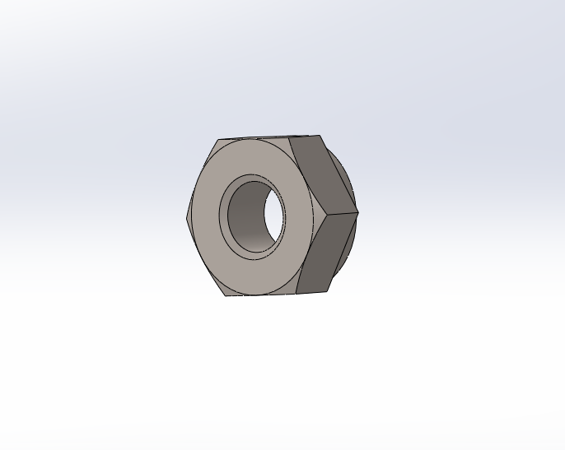
 | In cart | Hexagon Nut ISO 4032 - M4 |  | 4 | 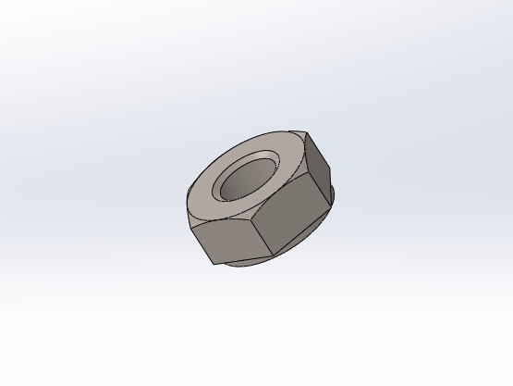
 | Owned | LM12UU |  | 6 | 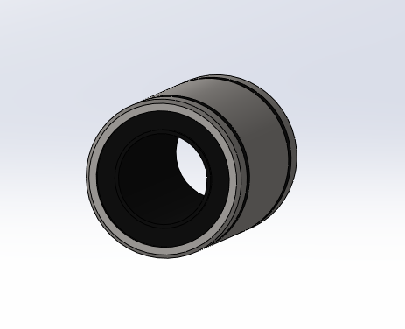 | 408.00 грн.
3 | None | SK12 |  | 4 | 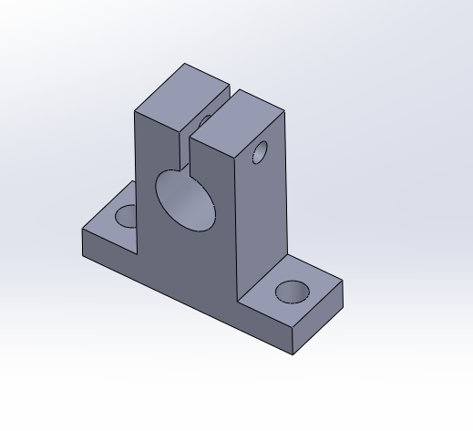
4 | Owned | linear-x-axis-shaft |  | 2026-02-02 | 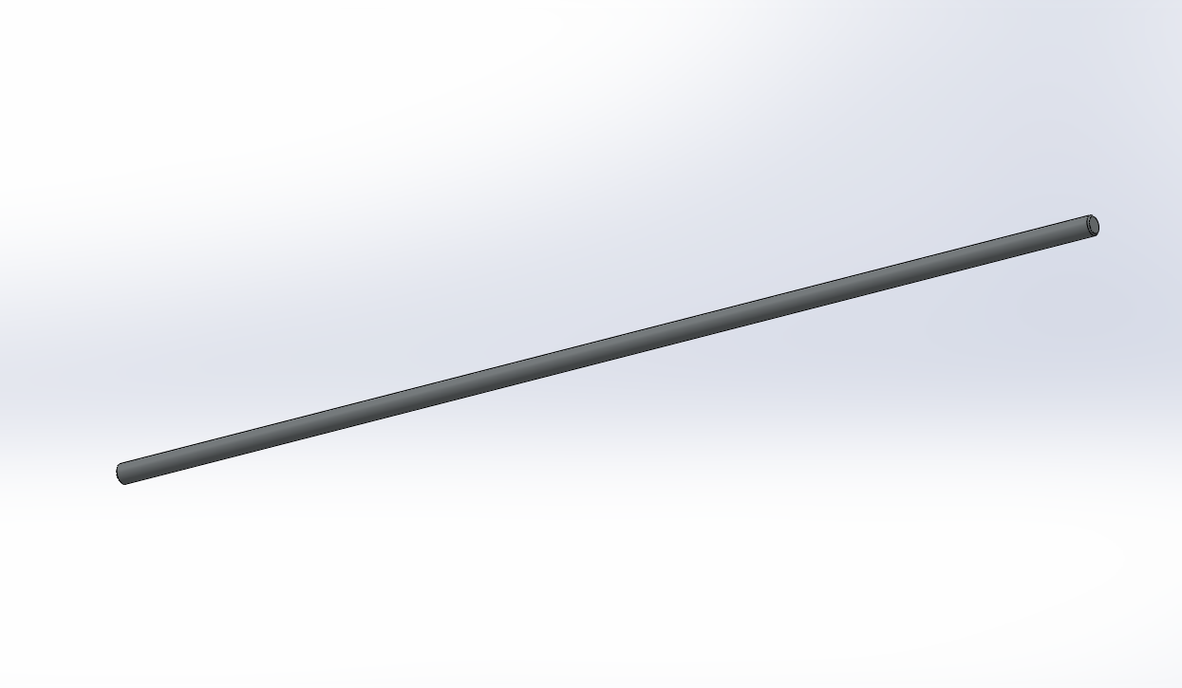 | 328.00 грн.
5 | To print | x-axis-shaft-support- spacer |  | 4 | 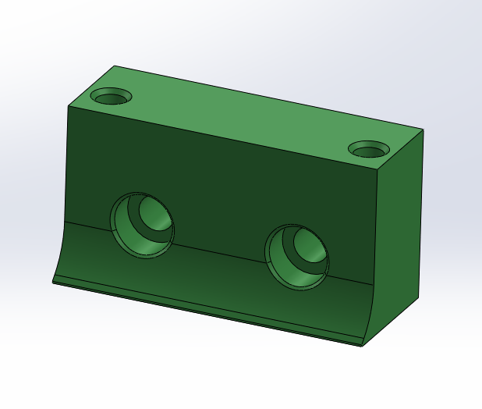
6 | None | DIN 912 M5 x 30 або 28 |  | 8 | 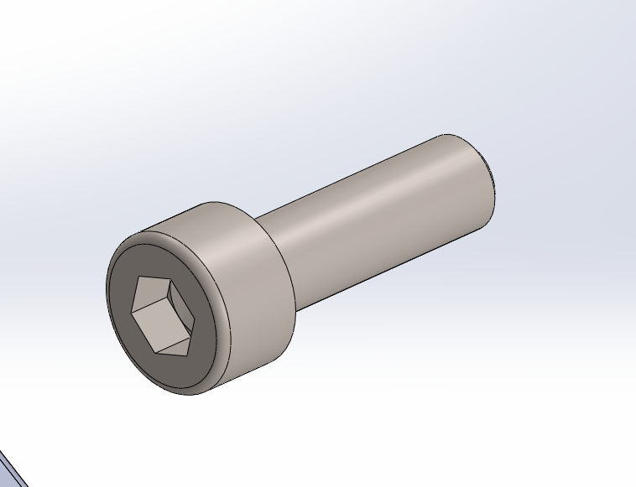
7 | None | DIN 912 M5 x 16 |  | 6
8 | Owned | x-axis-lead-screw |  | 1 | 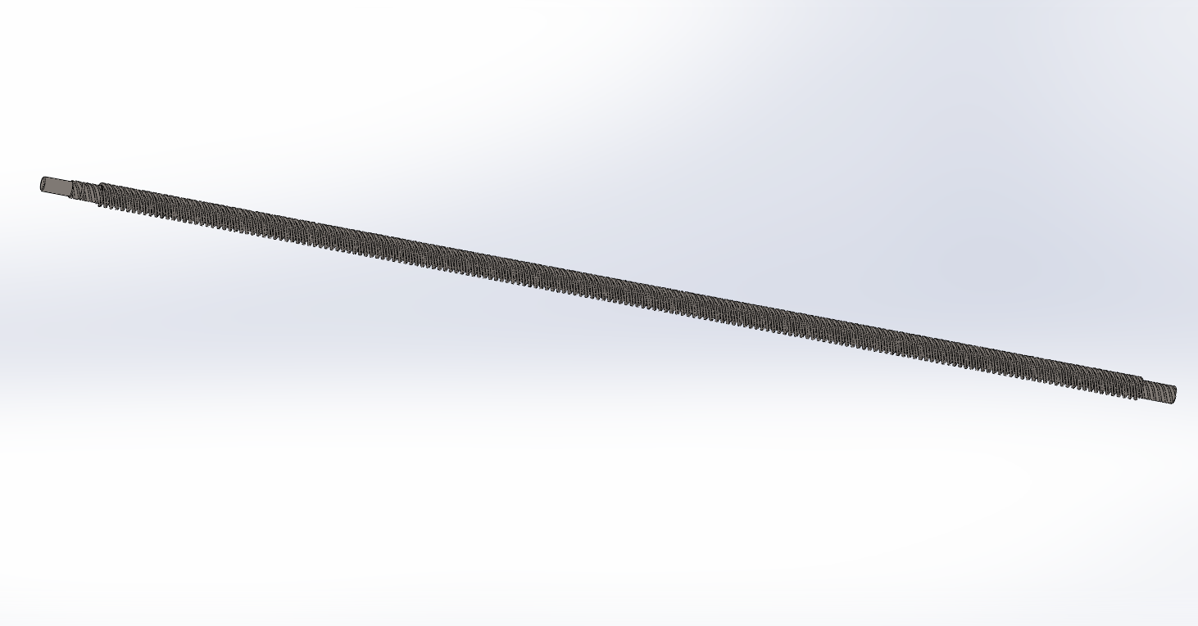 | 170.00 грн.
9 | None | x-axis-lead-screw- support-spacer |  | 1 | 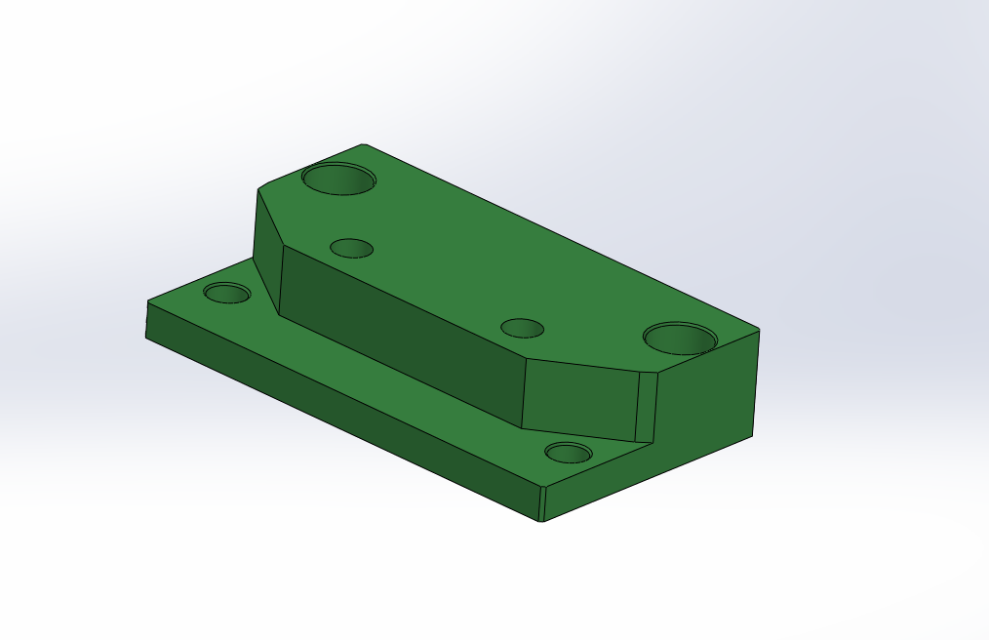
10 | None | DIN 912 M5 x 35 |  | 2 | 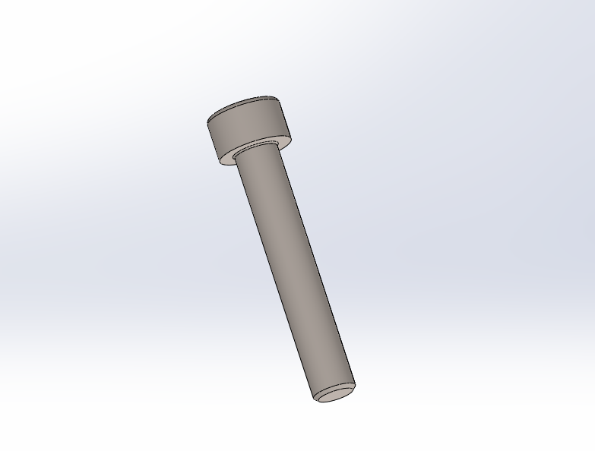
11 | None | DIN 912 M5 x 10 |  | 2 | 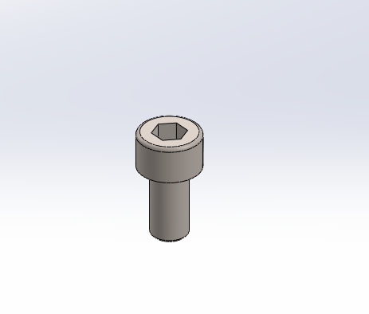
12 | Owned | EF6 |  | 2026-02-02 | 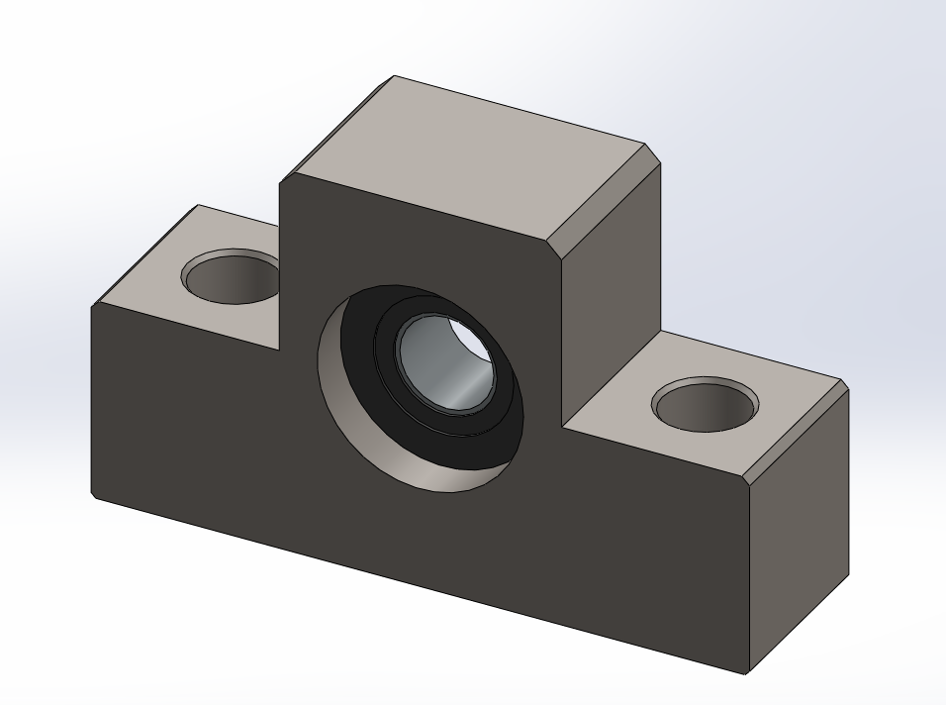 | 662.00 грн.
13 | None | Hexagon Nut ISO 4032 - M5 |  | 2 | 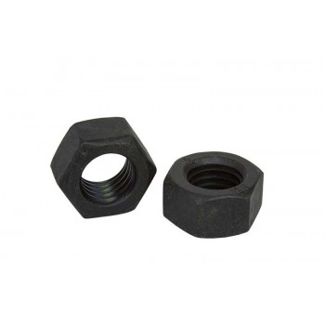
14 | Owned | Circlip DIN 471 - 6 x 0.7 |  | 2026-01-02 | 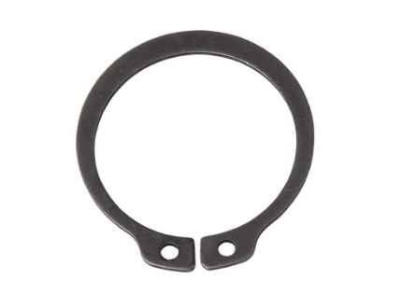 | 0.00 грн.
15 | None | cnc-x-axis-driver- node |  | 1 | 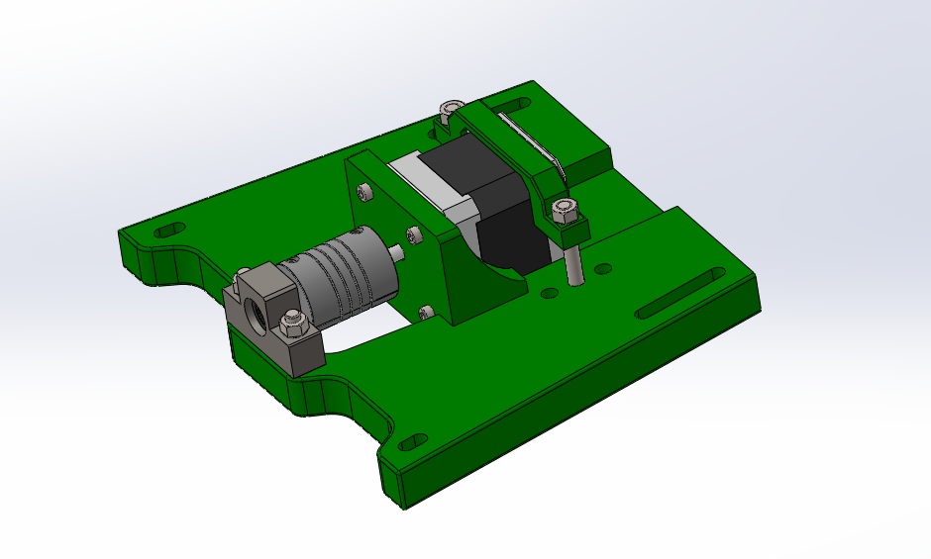
 | None | x-axis-rotor-platform |  | 1 | 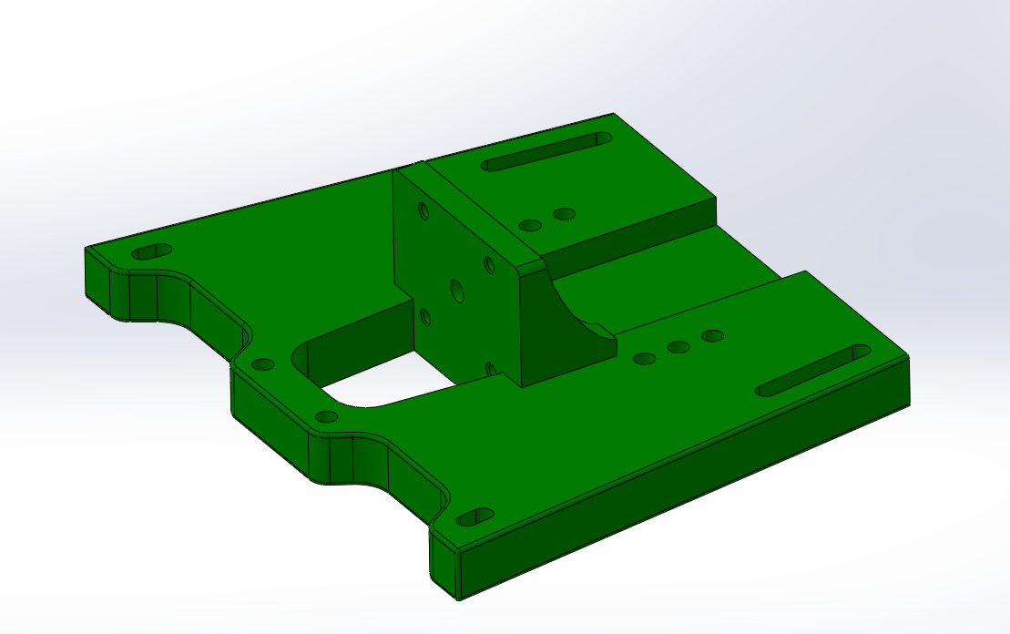
 | Owned | NEMA 17 |  | 1 | 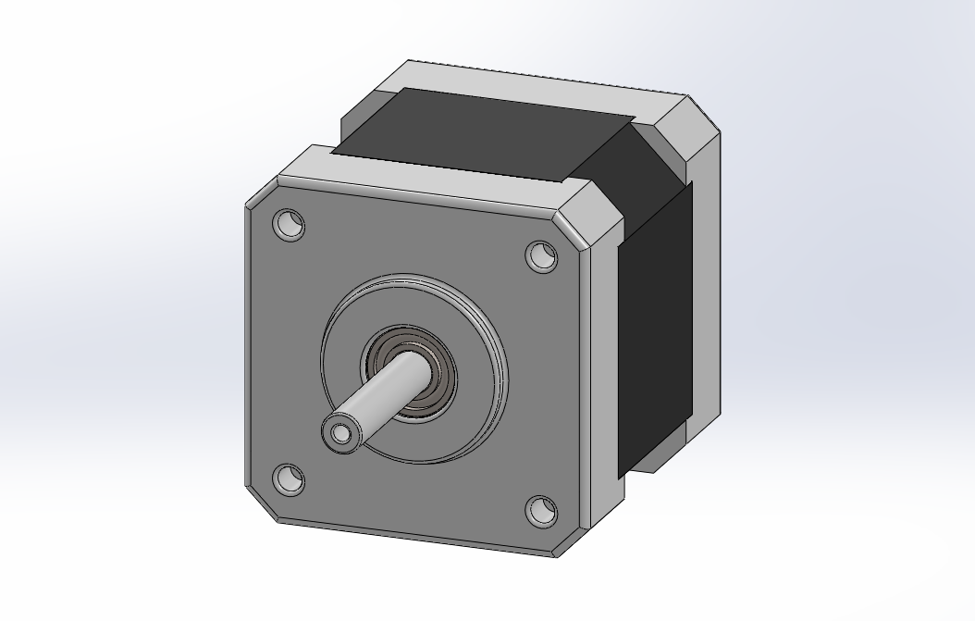 | 432.00 грн.
 | Owned | Flexible-coupling- 5x5x25mm |  | 1 | 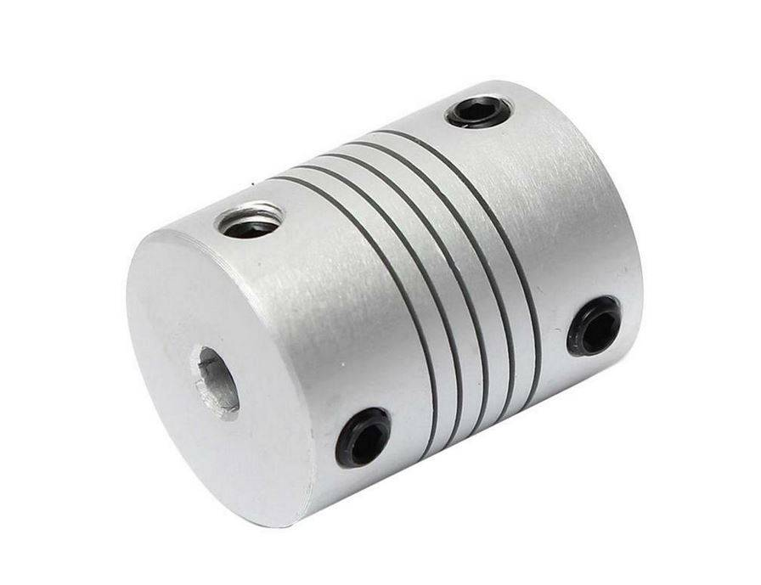 | 46.00 грн.
 | None | DIN 912 M5 x 35 |  | 2 | 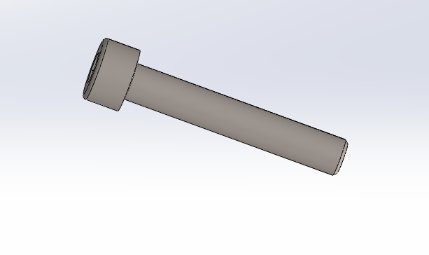
 | None | Hexagon Nut ISO 4032 - M5 |  | 4 | 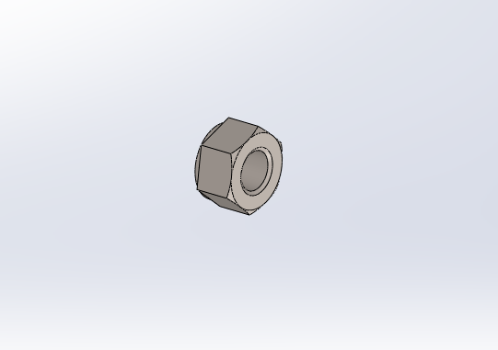
 | None | DIN 912 M3 x 12 |  | 4 | 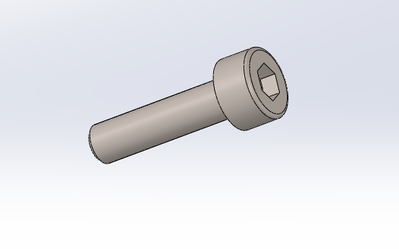
 | To print | rotor-static- coupling |  | 1 | 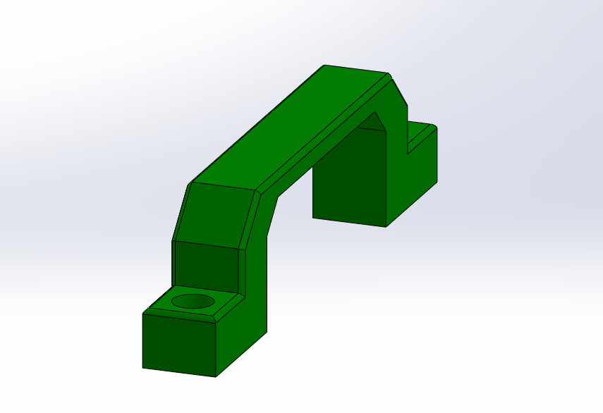
 | None | DIN 912 M5 x 40 |  | 2 | 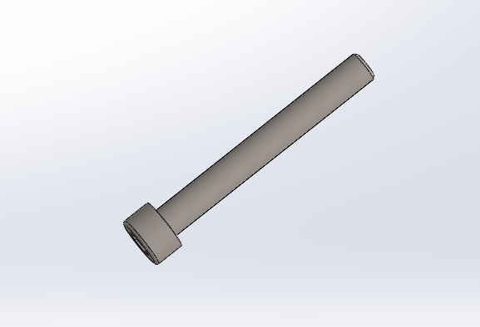
16 | None | DIN 912 M5 x 20 |  | 6 | 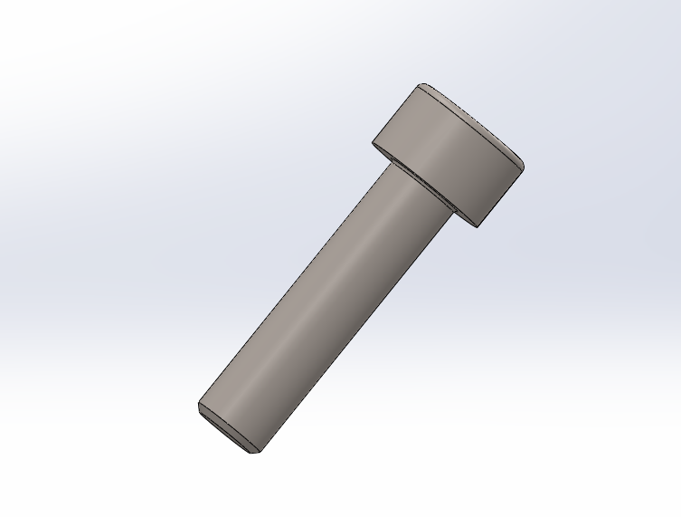
 |  |  |  |  |  | 9,571.52 грн.

