Sheet1
Category | Label | Value1 | Value2 | Value3
Bug ID | ID number | 1 | 2 | 3
 | Name | Order is made with fake data | Opens birds page when clicked on main manu central picture | Order more items than in stock. Case: 100.000 more.
 | Reporter | Djordje Obradovic | Djordje Obradovic | Djordje Obradovic
 | Submit Date | 12/23/2019 | 12/23/2019 | 12/23/2019
Bug overview | Relates to |  |  | Help page; Stock
 | Screenshot | 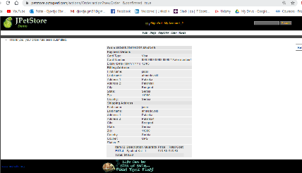 | 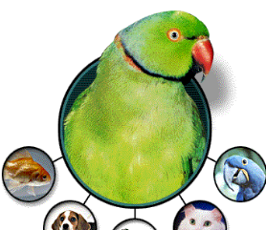 | 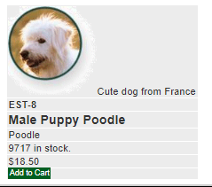 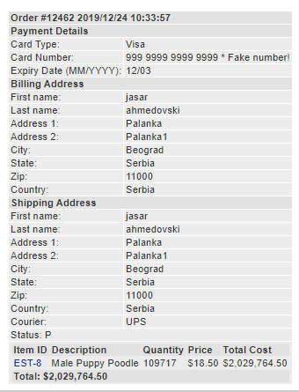
Environment | Platform
 | Operating System | Windows 10 | Windows 10 | Windows 10
 | Browser | Chrome | Chrome | Chrome
Bug details | Steps to reproduce | 1.Open Chrome browser; 2.input and click on URL https://petstore.octoperf.com/; 3. Click "Enter the Store"; 4. Click on Fish in top page menu; 5. Click on "FI-FW-01" clickable text left of the Koi fish name; 6. Click on "Add to Cart" for the fist item; 7. Click on "Add to Cart" for the fist item; 8. Click on "Proceed to Checkout" button; 9. Click on Continue button; 10.Click on Confirm button. | 1.Open Chrome browser; 2.input and click on URL https://petstore.octoperf.com/; 3. Click "Enter the Store"; 4. Click on central main picture of a bird. | 1.Open Chrome browser; 2.input and click on URL https://petstore.octoperf.com/; 3. Click "Enter the Store"; 4. Click on Dogs in top page menu; 5. Click on "K9-RT-01" clickable text left of the Golden Retriever; 6. Click on "Add to Cart" for the fist item; 7. Click on "Add to Cart" for the fist item; 8. Input 109.717 in Quantity field; 9. Click on Update cart button; 10.Click on clickable text under Item ID; 11.Observe quantity in stock; 12.Navigate back to Shopping Cart; 13.Click on Proceed to Checkout button; 14.Click Continue button; 15.Click Confirm button
 | Expected result | Order is not made because of the fake info, asking user to input valid data | Manu page is reopened. | Show "backordered" under "In Stock?" if the Quantity is higher, but completely unable the order to be submitted if the quantity is higher than JPetStore is able to manage.
 | Actual result | Orders page is opened showing text " Thank you, your order | Birds page is opened | "In Stock?" on Shopping Cart page doesn't show "backordered" if the Quanity is higher. Order is submitted for iregular quantities, which can not be managed.
 | Description | Registered user is able to make an order by just clicking on "Confirm" button, with prefilled and fake data. | When clicked on the central main picture of manu page, birds page is opened instead of reopening manu page. | It is posible to submit order for Quantities abnormally higher than in Stock. Under "In Stock?" on Shopping Cart page, it doesn't show "backordered" if Quanitity is higher than in stock.
Bug tracking | Severity | Critical | low | High
 | Assigned to | dev team | dev team | dev team
 | Priority | Medium | low | Medium
Notes | Notes |  | a)Conclusion is drawn from the fact that when clicked on site logo in top left corner, the manu page is opened. b)On the other note, if the flagship item in PetStore are birds, than this might not be a bug, but an intentional. | Contact client and ask for the manageable order qantity.

