Sheet1
Category | Label | Value1
Bug ID | ID number | 1
 | Name | "This page isn't working" message upon when "Forgot password?" is clicked
 | Reporter | Djordje Obradovic
 | Submit Date | 05/18/2020
Bug overview | Relates to
 | Screenshot | 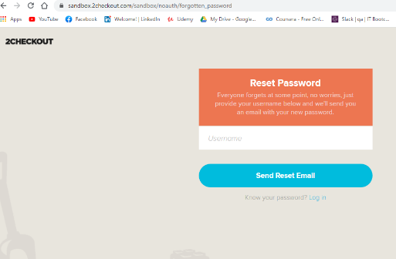 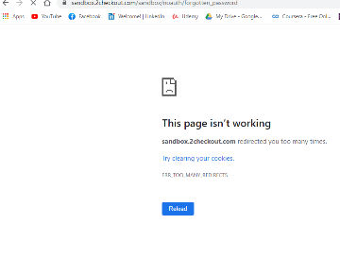
Environment | Platform
 | Operating System | Windows 10
 | Browser | Chrome
Bug details | Precondition steps
 | Steps to reproduce | 1.Open Chrome browser; 2.input URL https://sandbox.2checkout.com/sandbox and click Enter key; 3. Click "Forgot password?"; 4. Observe "This page isn't working" message URL: https://sandbox.2checkout.com/sandbox/noauth/forgotten_password 5. Observe Reset Password page URL: https://sandbox.2checkout.com/sandbox/noauth/forgotten_password
 | Expected result | Reset Password page is displayed URL: https://sandbox.2checkout.com/sandbox/noauth/forgotten_password
 | Actual result | When on the Log in Page and "Forgot password?" linked text is clicked, first "This page isn't working" message with URL: https://sandbox.2checkout.com/sandbox/noauth/forgotten_password is displayed and then Reset Password Page with URL: https://sandbox.2checkout.com/sandbox/noauth/forgotten_password is displayed.
 | Description | "This page isn't working" message upon when "Forgot password?" is clicked
Bug tracking | Severity | low
 | Assigned to | dev team
 | Priority | low
Notes | Notes | Testware risk: Could cause false positives

