GO_AuditLogSearch
Audit Log Search
- in the page of Audit Log Search, the drop down menu of the audit action is dynamically change upon target

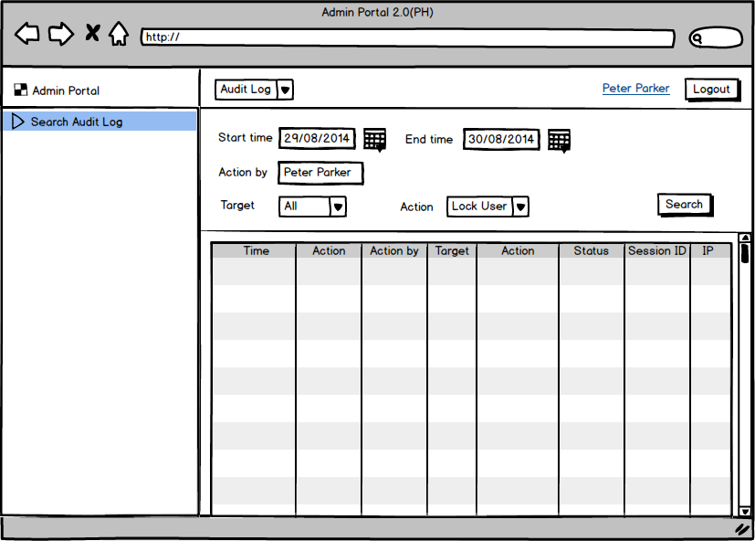
Target | Action
All | All
System User | Lock
 | Unlock
 | Edit role
Maintenance | Create
 | Cancel
 | Complete
 | Extend
 | Reschedule
 | Expire
Propagation | resume

