Configuration
Configuration

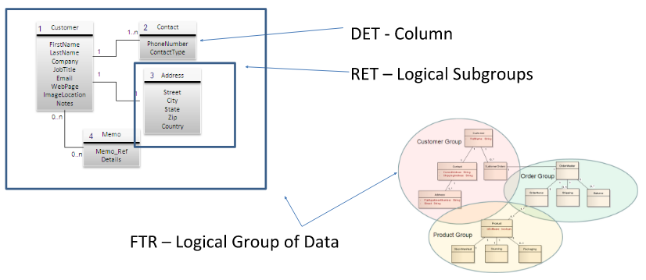

FTR | Logische Gruppe von Daten
RET | Logische Subgruppen
DET | Date Element Types

ILF and EIF Complexity Matrix |  |  |  |  | EI Complexity Matrix |  |  |  |  | EO and EQ* Complexity Matrix
 | DET |  |  |  |  | DET |  |  |  |  | DET
RETs | 1-19 | 20-50 | 51+ |  | FTRs | 1-4 | 5-15 | 16+ |  | FTRs | 1-5 | 6-19 | 20+
1 | Low | Low | Average |  | 0-1 | Low | Low | Average |  | 0-1 | Low | Low | Average
2-5 | Low | Average | High |  | 2 | Low | Average | High |  | 2 | Low | Average | High
6+ | Avg | High | High |  | 3+ | Avg | High | High |  | 3+ | Avg | High | High

https://specialties.bayt.com/en/specialties/q/88841/explain-the-different-elements-of-function-points-ftr-ilf-eif-ei-eo-eq-and-gsc/
ILF | Internal Logical Files | EIF | External Interface Files | EI | External Inputs | EO | External Outputs | EQ | External Inquery
a user identifiable group of logically related data that resides entirely within the applications boundary and is maintained through external inputs. |  | a user identifiable group of logically related data that is used for reference purposes only. The data resides entirely outside the application and is maintained by another application. The external interface file is an internal logical file for another application. |  | is an elementary process in which data crosses the boundary from outside to inside. This data may come from a data input screen or another application. The data may be used to maintain one or more internal logical files. The data can be either control information or business information. If the data is control information it does not have to update an internal logical file. The graphic represents a simple EI that updates2 ILF's (FTR's). |  | an elementary process in which derived data passes across the boundary from inside to outside. Additionally, an EO may update an ILF. The data creates reports or output files sent to other applications. These reports and files are created from one or more internal logical files and external interface file. The following graphic represents on EO with2 FTR's there is derived information (green) that has been derived from the ILF's |  | an elementary process with both input and output components that result in data retrieval from one or more internal logical files and external interface files. The input process does not update any Internal Logical Files, and the output side does not contain derived data. The graphic below represents an EQ with two ILF's and no derived data.

 |  |  |  |  |  | 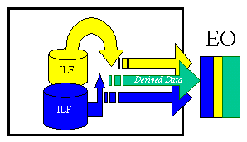 |  | 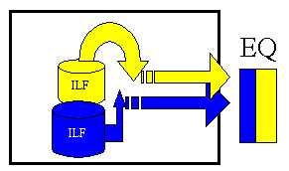

Use Case Semester 1.
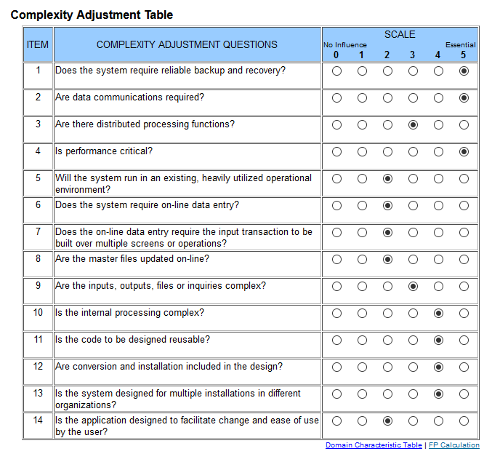
1. Semester | Definitions | UC 1 | Create a Class |  |  |  |  |  |  |  | Tiny Tools
 |  |  | DET | Count | RET | Count | FTR | Count | Resulting Complexity
 | EI | Number of User Input | Klassenname, Klassenpasswort, Lehrer, Raum | 4 | Klasse, Lehrer, Raum | 3 | Klasse, Lehrer, Raum | 3 | Average | Klick me for Table!
 | EO | Number of User Outputs | Rückmeldung | 1 | Rückmeldung | 1 | Messages | 1 | Low | Klick me for Table!
 | EQ | Number of User Inquiries | - | 0 | - | 0 | - | 0 | Low | Klick me for Table!
 | ILF | Number of Files | - | 0 | - | 0 | - | 0 | Low | Klick me for Table!
 | EIF | Number of External Interfaces | - | 0 | - | 0 | - | 0 | Low | Klick me for Table!
 | Functional Score |  |  |  |  |  |  |  | 22.4

 | Definitions | UC 2 | Read a Class
 |  |  | DET | Count | RET | Count | FTR | Count | Resulting Complexity
 | EI | Number of User Input | - | 0 | - | 0 | - | 0 | Low | Klick me for Table!
 | EO | Number of User Outputs | Klassenname, Klassenpasswort, Lehrer, Raum | 4 | Klasse, Lehrer, Raum | 3 | Klasse, Lehrer, Raum | 3 | Average | Klick me for Table!
 | EQ | Number of User Inquiries | - | 0 | - | 0 | - | 0 | Low | Klick me for Table!
 | ILF | Number of Files | - | 0 | - | 0 | - | 0 | Low | Klick me for Table!
 | EIF | Number of External Interfaces | - | 0 | - | 0 | - | 0 | Low | Klick me for Table!
 | Functional Score |  |  |  |  |  |  |  | 22.4

 | Definitions | UC 3 | Update a Class
 |  |  | DET | Count | RET | Count | FTR | Count | Resulting Complexity
 | EI | Number of User Input | - | 0 | - | 0 | - | 0 | Low | Klick me for Table!
 | EO | Number of User Outputs | Rückmeldung | 1 | Rückmeldung | 1 | Messages | 1 | Low | Klick me for Table!
 | EQ | Number of User Inquiries | Klassenname, Klassenpasswort, Lehrer, Raum | 4 | Klasse, Lehrer, Raum | 3 | Klasse, Lehrer, Raum | 3 | Average | Klick me for Table!
 | ILF | Number of Files | - | 0 | - | 0 | - | 0 | Low | Klick me for Table!
 | EIF | Number of External Interfaces | - | 0 | - | 0 | - | 0 | Low | Klick me for Table!
 | Functional Score |  |  |  |  |  |  |  | 22.4

 | Definitions | UC 4 | Delete a Class
 |  |  | DET | Count | RET | Count | FTR | Count | Resulting Complexity
 | EI | Number of User Input | Klassenpasswort | 1 | Klasse | 1 | Klasse | 1 | Low | Klick me for Table!
 | EO | Number of User Outputs | Rückmeldung | 1 | Rückmeldung | 1 | Messages | 1 | Low | Klick me for Table!
 | EQ | Number of User Inquiries | - | 0 | - | 0 | - | 0 | Low | Klick me for Table!
 | ILF | Number of Files | - | 0 | - | 0 | - | 0 | Low | Klick me for Table!
 | EIF | Number of External Interfaces | - | 0 | - | 0 | - | 0 | Low | Klick me for Table!
 | Functional Score |  |  |  |  |  |  |  | 7.8

 | Definitions | UC 5 | Create a Solution
 |  |  | DET | Count | RET | Count | FTR | Count | Resulting Complexity
 | EI | Number of User Input | Solutiontext,Klasse,Aufgabe,Gruppe | 5 | Solution,Klasse,Aufgabe,Gruppe | 4 | Solution,Klasse,Aufgabe,Gruppe | 4 | Average | Klick me for Table!
 | EO | Number of User Outputs | Rückmeldung | 1 | Rückmeldung | 1 | Messages | 1 | Low | Klick me for Table!
 | EQ | Number of User Inquiries | - | 0 | - | 0 | - | 0 | Low | Klick me for Table!
 | ILF | Number of Files | - | 0 | - | 0 | - | 0 | Low | Klick me for Table!
 | EIF | Number of External Interfaces | - | 0 | - | 0 | - | 0 | Low | Klick me for Table!
 | Functional Score |  |  |  |  |  |  |  | 26.8

Tabelle1
Time per UC
 | Erstes Semester |  | Zweites Semester
22.4 | 5 | 22.4 | 1
22.4 | 0.75 | 7.8 | 1.25
22.4 | 1.25 | 7.8 | 2
7.8 | 1.75 | 0
26.8 | 4.5 | 0
Congregation
Use Case | Function Points |  | Time Spent
Use Case 1 | 22.4 | 0 | 5
Use Case 2 | 22.4 | 0 | 0.75
Use Case 3 | 22.4 | 0 | 1.25
Use Case 4 | 7.8 | 0 | 1.75
Use Case 5 | 26.8 | 0 | 4.5
Use Case 6 | 22.4 | 0 | 1
Use Case 7 | 7.8 | 0 | 1.25
Use Case 8 | 7.8 | 0 | 2
Use Case 9 | 0 | 0
Use Case 10 | 0 | 0

