components
WaterSensor Hi |  |  | D2
WaterSensor Med |  |  | D3
WaterSensor Lo |  |  | D4

Waterflow sensor |  |  | D8 | interrupt pin

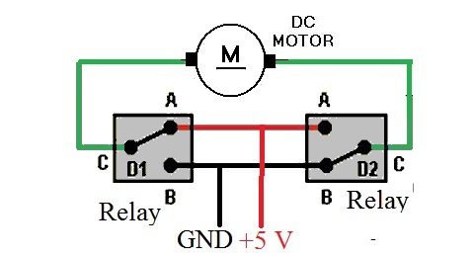
Relay 1 |  | Motor 1 | D5
Relay 2 |  |  | D6
Relay 3 |  | Motor 2 | D7
Relay 4 |  |  | D9

DHT22 |  |  | D10

Contact sensor for door |  |  | D11

 |  |  | 10

D0 | 16 | no int | relay H2_2
D1 | 5 |  | Wsens 1
D2 | 4 |  | Wsens 2
D3 | 0 | low at start | Wflow |  | Wsen не получается, всегда 1; relay - на старте всегда Low. Как его использовать?!
D4 | 2 | led
D5 | 14 |  | relay H2_1
D6 | 12 |  | relay H1_2
D7 | 13 |  | relay H1_1
D8 | 15 | занят при загрузке | Wsens 3

 |  |  | relay H3_2
 |  |  | relay H3_1

Схема
3V
SIG
GND
na

3V
SIG
GND
na

3V
SIG
GND
na

D0
D1
D2
D3
D4
D5
D6
D7
D8
 |  | VCC
 |  | in4
 |  | in3
 |  | in2
 |  | in1
 |  | GND

5V | red
digital pin | yellow
GND | black

3.3V

5V

GND

GND

Двигатель подключ
Open Vent |  |  |  |  |  |  |  |  | 12V

 |  |  |  |  |  |  |  |  | GND

 |  | NC | NO |  | C | C | NO | NC
 |  | closed |  |  |  | opened

 |  |  |  |  |  |  |  |  |  |  | \

 |  |  |  |  |  |  |  |  |  |  |  |  |  |  |  |  | 12V |  | GND

 |  |  |  |  |  |  |  |  | R1 | 62 |  | R2 | 20

 |  |  | R1 | 62
 |  |  |  |  |  |  |  |  |  |  | Vout

 | R2 | 20

Микроконтроллер
 |  |  |  |  |  |  |  |  |  |  |  |  |  |  |  |  |  | R2
 |  |  |  |  |  |  |  |  |  |  |  |  |  |  |  | Vout | = | R1+R2 |  | Vin
D1
3.3v
GND
D0
 |  |  |  |  |  |  |  |  |  |  |  |  |  |  |  | R2/(R1+R2) = Vout/Vin = 3/12 = 1/4

 |  |  |  |  |  |  |  |  |  |  |  |  |  |  |  | 4R2 = R1 + R2
 |  |  |  |  |  |  |  |  |  |  |  |  |  |  |  | 3R2 = R1 |  |  |  | 3

 |  |  |  |  |  |  |  |  |  |  |  |  |  | R1 | 62,000 | Ом
 |  |  |  |  |  |  |  |  |  |  |  |  |  | R2 | 20,000 | Ом
 |  |  |  |  |  |  |  |  |  |  |  |  |  | I | 0.15 | мА
 |  |  |  |  |  |  |  |  |  |  |  |  |  | P | 0.001756097561 | Вт
 |  |  |  |  |  |  |  |  |  |  |  |  |  | Vin | 12 | V

Двигатель-close (4)
Двигатель
 |  |  |  |  |  |  |  |  |  | H мост на реле
Closed Vent |  |  |  |  |  |  | GND

 |  |  |  |  |  |  | 12V

 | NC | NO | C | C | NO | NC
 | open |  |  | closed

 |  |  |  |  |  |  |  |  |  |  | 12V | GND

И здесь?
 |  |  |  |  |  |  | R1 |  | R2
 |  |  |  |  |  | Vin

Здесь добавить диод?
 |  |  |  |  |  |  |  | Vout

Микроконтроллер
D0
GND

3.3v

Двигатель-open
Open Vent |  |  |  |  |  |  |  | 12V

 |  |  |  |  |  |  |  | GND

 |  | NC | NO | C | C | NO | NC
 |  | closed |  |  | opened

 |  |  |  |  |  |  |  |  | \

 |  |  |  |  |  |  |  |  |  |  |  |  |  |  |  |  | 12V | GND

 | R2 |  | R1 |  |  |  |  | R1 |  | R2

 |  |  |  |  |  |  |  |  |  |  |  |  |  |  | R2
 |  |  | Vout |  |  |  |  |  | Vout |  |  |  | Vout | = | R1+R2 | Vin

 |  |  |  |  |  |  |  |  |  |  |  |  | R2/(R1+R2) = Vout/Vin = 3/12 = 1/4

D1
D0
 |  |  |  |  |  |  |  |  |  |  |  |  | 4R2 = R1 + R2
 |  |  |  |  |  |  |  |  |  |  |  |  | 3R2 = R1 |  |  | 3

 |  |  |  |  |  |  |  |  |  |  | R1 | 62,000 | Ом
 |  |  |  |  |  |  |  |  |  |  | R2 | 20,000 | Ом
 |  |  |  |  |  |  |  |  |  |  | I | 0.15 | мА
 |  |  |  |  |  |  |  |  |  |  | P | 0.001756097561 | Вт
 |  |  |  |  |  |  |  |  |  |  | Vin | 12 | V
 |  |  |  |  |  |  |  |  |  |  | Vout | 2.9268292683 | V
 |  |  |  |  |  |  |  |  |  |  |  | 1.65

Двигатель-close
Closed Vent |  |  |  |  |  |  |  | GND

 |  |  |  |  |  |  |  | 12V

 |  | NC | NO | C | C | NO | NC
 |  | open |  |  | closed

 |  |  |  |  |  |  |  |  |  |  |  |  |  |  |  |  | 12V | GND

 | R2 |  | R1 |  |  |  |  | R1 |  | R2

 |  |  |  |  |  |  |  |  |  |  |  |  |  |  | R2
 |  |  | Vout |  |  |  |  |  | Vout |  |  |  | Vout | = | R1+R2 | Vin

 |  |  |  |  |  |  |  |  |  |  |  |  | R2/(R1+R2) = Vout/Vin = 3/12 = 1/4

D1
D0
 |  |  |  |  |  |  |  |  |  |  |  |  | 4R2 = R1 + R2
 |  |  |  |  |  |  |  |  |  |  |  |  | 3R2 = R1 |  |  | 3

 |  |  |  |  |  |  |  |  |  |  | R1 | 62,000 | Ом
 |  |  |  |  |  |  |  |  |  |  | R2 | 20,000 | Ом
 |  |  |  |  |  |  |  |  |  |  | I | 0.15 | мА
 |  |  |  |  |  |  |  |  |  |  | P | 0.001756097561 | Вт
 |  |  |  |  |  |  |  |  |  |  | Vin | 12 | V
 |  |  |  |  |  |  |  |  |  |  | Vout | 2.9268292683 | V
 |  |  |  |  |  |  |  |  |  |  |  | 1.65

Двигатель-open (2)
Open Vent |  |  |  |  |  |  | 12V

 |  |  |  |  |  |  | GND

 | NC | NO | C | C | NO | NC
 | closed |  |  | opened

 |  |  |  |  |  |  |  |  |  | 12V | GND

 |  |  |  |  |  |  | R1 | 62

 |  |  |  |  | R2 | 20

Микроконтроллер
D1
3.3v
GND

 |  |  |  | Open |  | i | 0.04 |  | мА

 |  |  |  | Closed |  | i | 0.05 |  | мА

water sensor
Contactless water sensor

black | V(?) |  | фиол
blue | GND |  | серый
yellow | Digital |  | черный
brown | V |  | белый

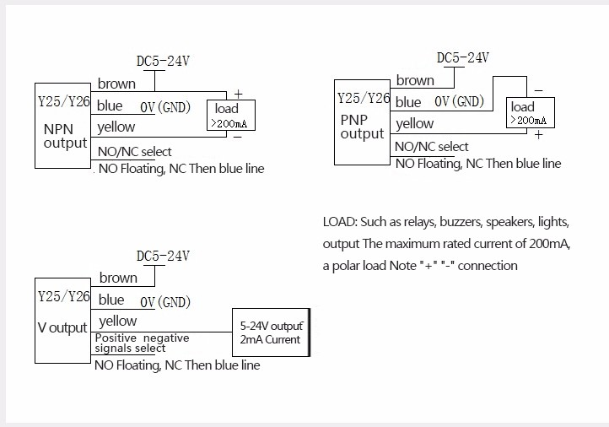

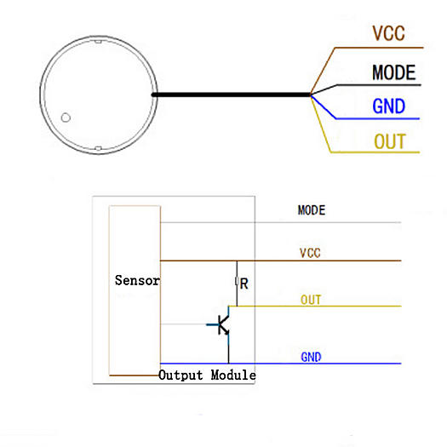

black | ? | фиол | не подключен
blue | GND | серый
yellow | Digital | черный
brown | 3V | белый

