Capacitive Rain
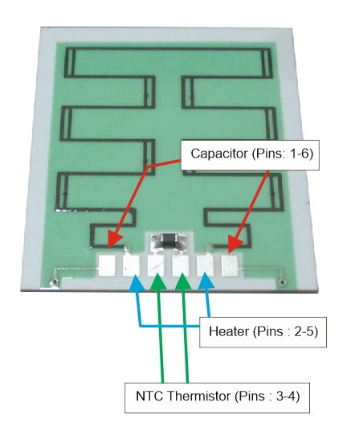
 |  |  |  |  |  | Electrical Parameters
 |  |  |  |  |  | Capacity Value |  |  | 100 pF 10%
 |  |  |  |  |  | R Value (heater) |  |  | 42 Ohm 10%
 |  |  |  |  |  | Thermistor NTC Value |  |  | 1KOhm 10% |  | NTC thermistors, resistance decreases as temperature rises.

 |  |  |  |  |  | Heater, V | 3.3 | 5 | 7 | 12
 |  |  |  |  |  | P, W | 0.3 | 0.6 | 1.2 | 3.4
 |  |  |  |  |  | I, mA | 79 | 119 | 167 | 286

Table 1 - Capacitive change characteristic |  |  |  | Table 2 - NTC Characteristic |  |  |  |  |  | Table 3 - Heater Time
Sensitivity |  | Capacitance | Ratio | Temperature °C | R nominal (Ohm) |  |  |  |  | Time (sec) | Temperature Sensor (°C)
% DRY | % WATER | pF | % | -5 | 3572 |  |  |  |  | 0 | 27
100 | 0 | 100 | 0 | 0 | 2844 |  |  |  |  | 15 | 40
75 | 25 | 180 | 80 | 5 | 2280 |  |  |  |  | 30 | 50
60 | 40 | 280 | 170 | 10 | 1839 |  |  |  |  | 45 | 60
50 | 50 | 390 | 250 | 15 | 1492 |  |  |  |  | 60 | 70
0 | 100 | >550 | >370 | 20 | 1218 |  |  |  |  | 75 | 75
 |  |  |  | 25 | 1000 |  |  |  |  | 90 | 77
 |  |  |  | 30 | 825 |  |  |  |  | 105 | 78
 |  |  |  | 35 | 685 |  |  |  |  | 120 | 81
 |  |  |  | 40 | 571 |  |  |  |  | 135 | 83
 |  |  |  | 45 | 479 |  |  |  |  | 150 | 85
 |  |  |  | 50 | 403
 |  |  |  | 55 | 341
 |  |  |  | 60 | 290
 |  |  |  | 65 | 247
 |  |  |  | 70 | 212
 |  |  |  | 75 | 182
 |  |  |  | 80 | 157
 |  |  |  | 85 | 136

mlx
