components
WaterSensor Hi |  | D2
WaterSensor Med |  | D3
WaterSensor Lo |  | D4

Waterflow sensor |  | D8 | interrupt pin

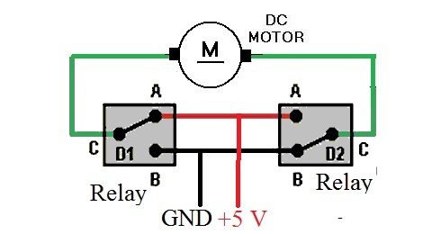
Relay 1 | Motor 1 | D5
Relay 2 |  | D6
Relay 3 | Motor 2 | D7
Relay 4 |  | D9

DHT22 |  | D10

Contact sensor for door |  | D11

 |  | 10

water sensor
Contactless water sensor

black | V(?) | фиол
blue | GND | серый
yellow | Digital | черный
brown | V | белый

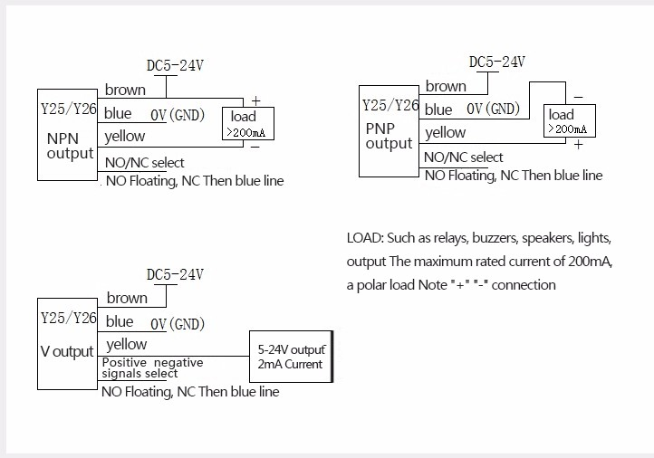

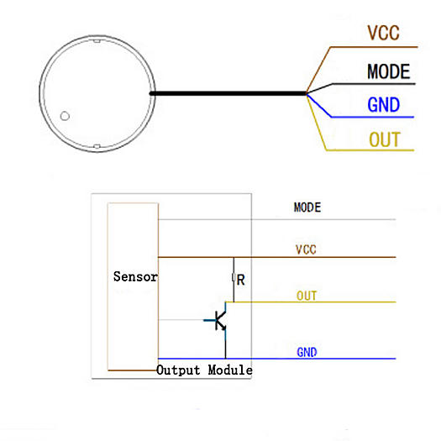

black | ? | фиол | не подключен
blue | GND | серый
yellow | Digital | черный
brown | 3V | белый

