List1
Артикул/Фото | Цена (руб.) | Артикул/Фото | Цена (руб.) | Артикул/Фото | Цена (руб.)
ЛЮСТРЫ БУШЕ G-4
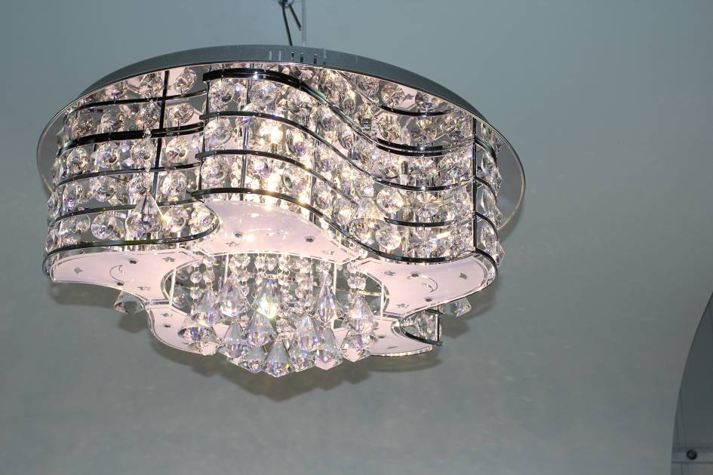 108C/28 CR (1) | 5,500р. | 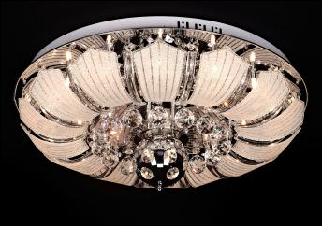 85090/19 CR (1) | 4,900р. | 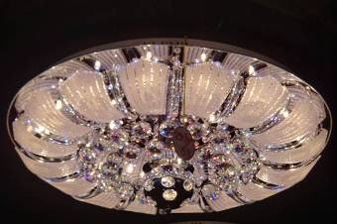 85090/22 CR (1) | 6,950р.
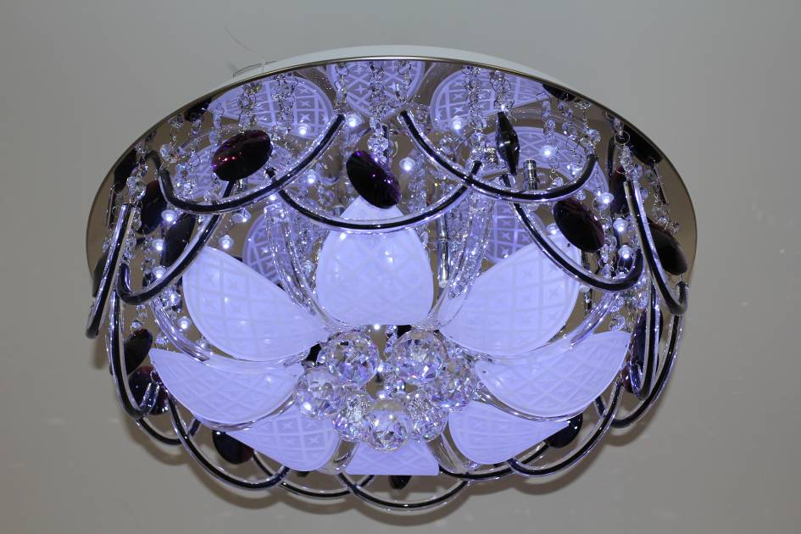 3563/12 CR (1) | 5,100р. | 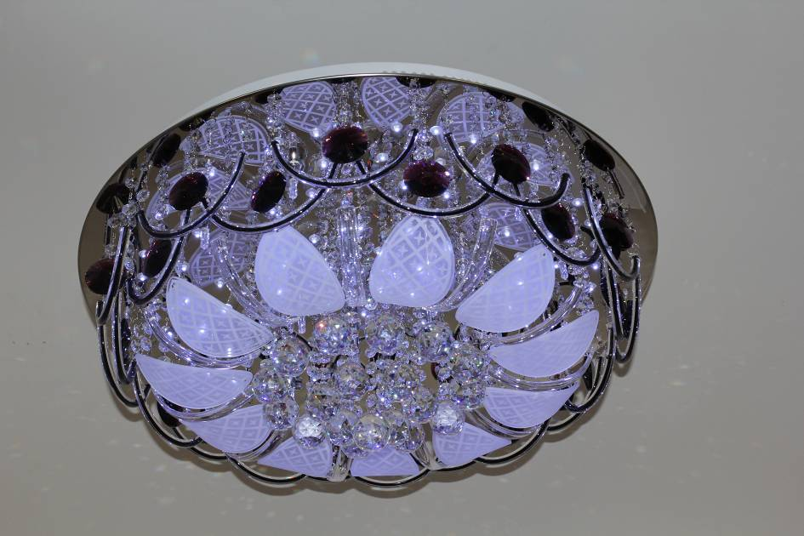 3563/16 CR (1) | 7,100р. | 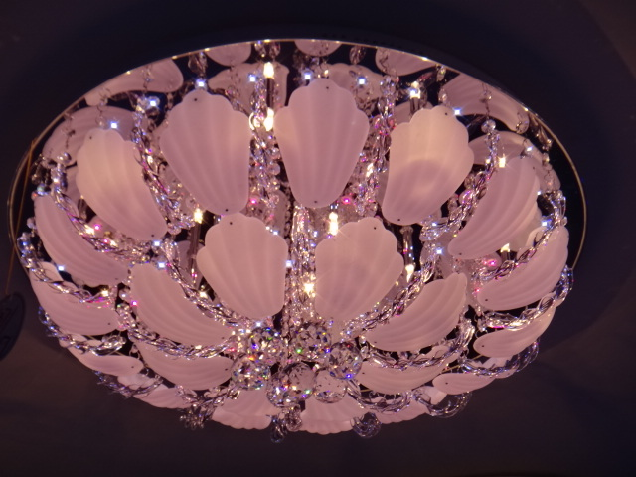 3637/17 CR (1) | 6,400р.
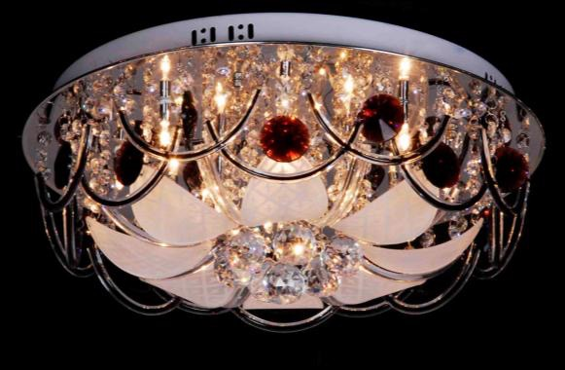 3563/12 CR WT+RBP (1) | 5,300 | 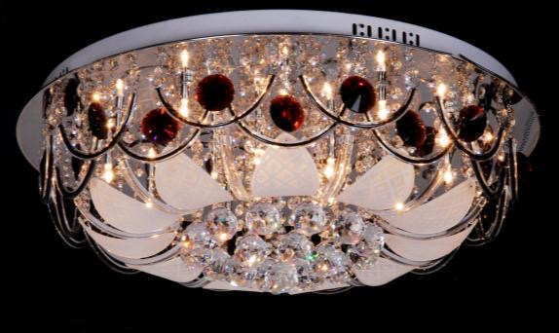 3563/16 CR WT+RBP (1) | 7,450р. | 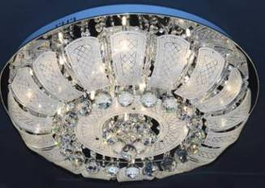 9643/36 CR (1) | 8,500р.
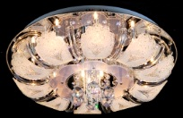 8990/13 CR (1) | 4,500р. | 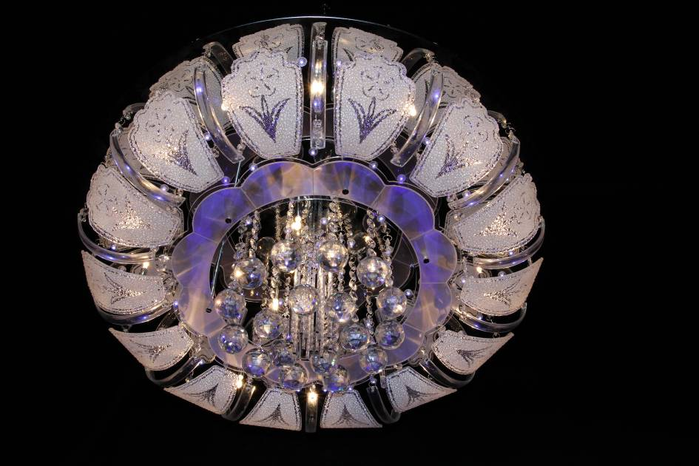 8990/20 CR (1) | 6,700р. | 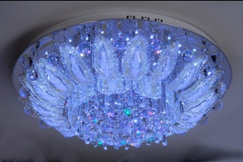 8988/18 CR (1) | 5,250р.
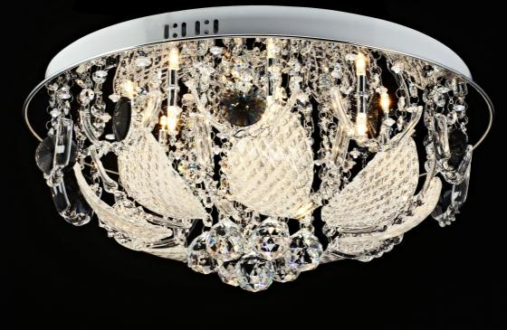 9652/10 CR (1) | 4,700 | 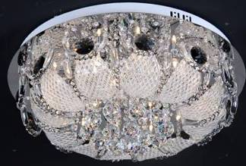 9652/15 CR (1) | 6,400р. |  9652/30 CR (1) | 12,000р.
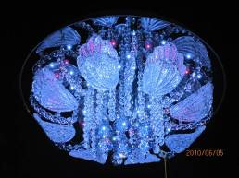 9691/10 CR (1) | 4,300 | 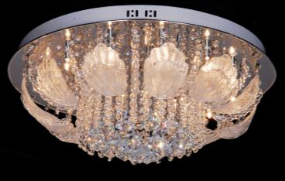 9691/16 CR (1) | 6,500р. | 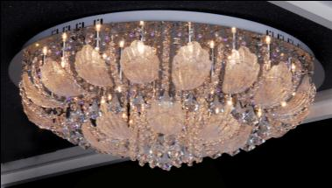 9691/28 CR (1) | 9,000р.
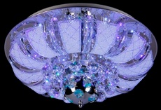 8993/9+2 CR (1) | 4,400р. | 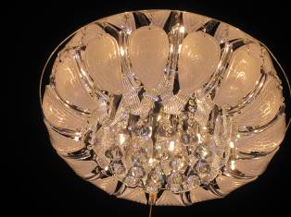 9901/18 CR (1) | 4,850р. | 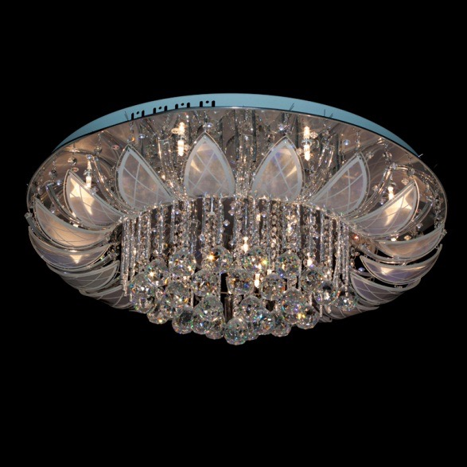 8916/18 CR (1) | 6,750р.
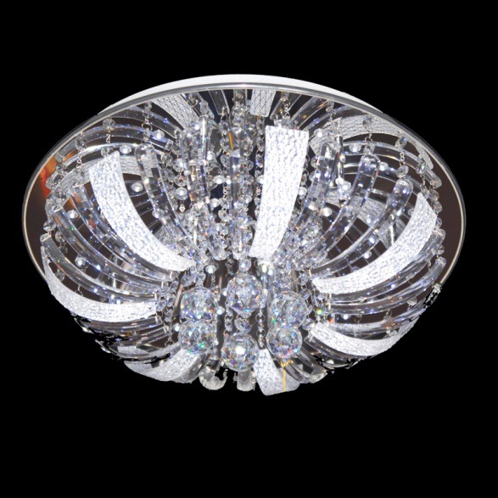 9616/10 CR (1) | 4,500 | 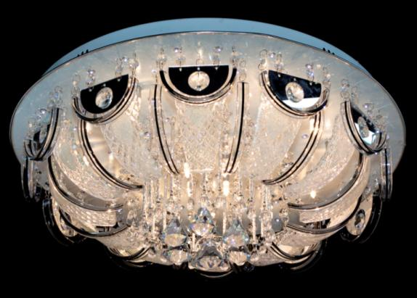 9699/16 CR (1) | 4,500р. | 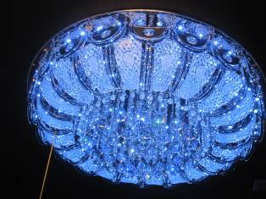 9699/28 CR (1) | 7,700р.
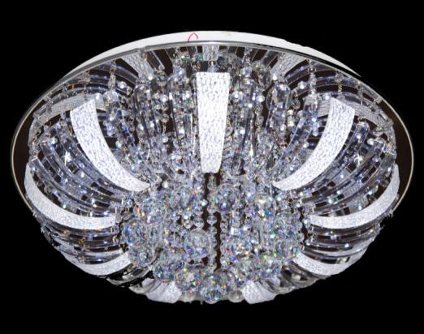 9616/15 CR (1) | 6,500р. | 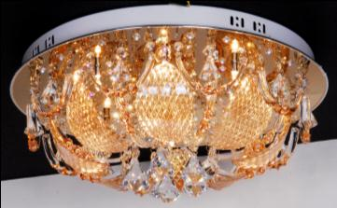 9695/10 (CR; GD) (1) | 4,500 | 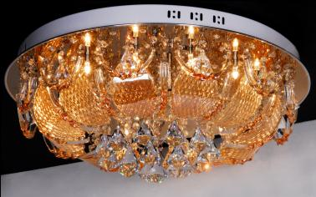 9695/15 (CR; GD) (1) | 5,900р.
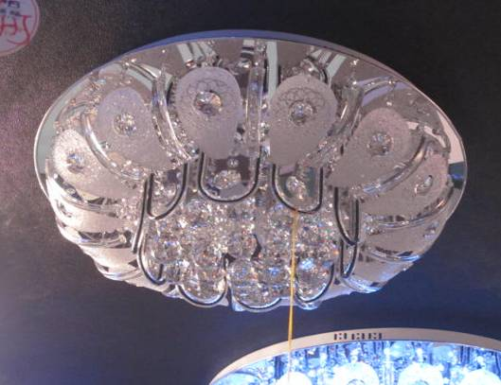 9916/30 CR (1) | 7,990р. | 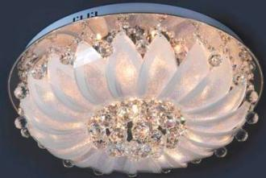 9621/10 CR (1) | 3,500 | 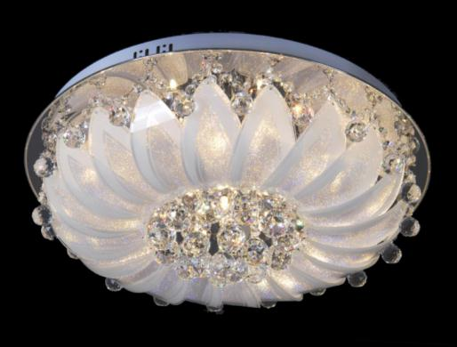 9621/16 CR (1) | 5,900р.
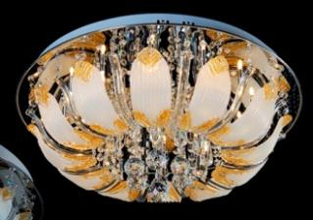 901A/16 CR (1) | 5,200р. | 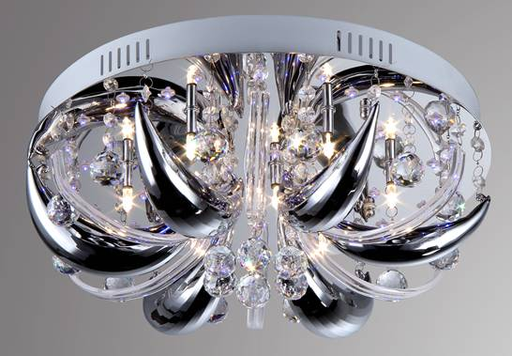 6305/7 CR (1) | 3,200 | 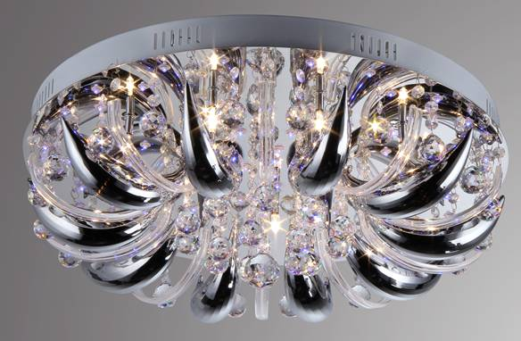 6305/13 CR (1) | 4,800р.
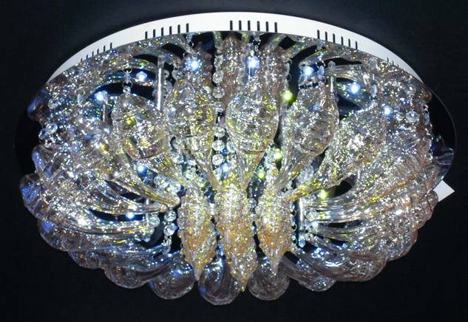 7260/13 CR (1) | 5,500р. | 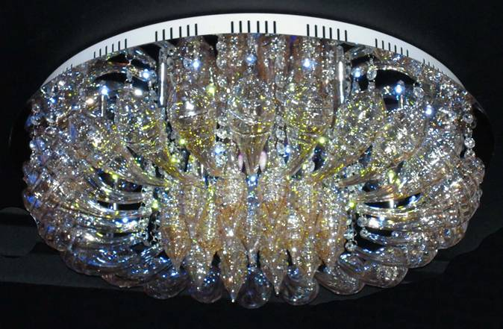 7260/15 CR (1) | 6,600 | 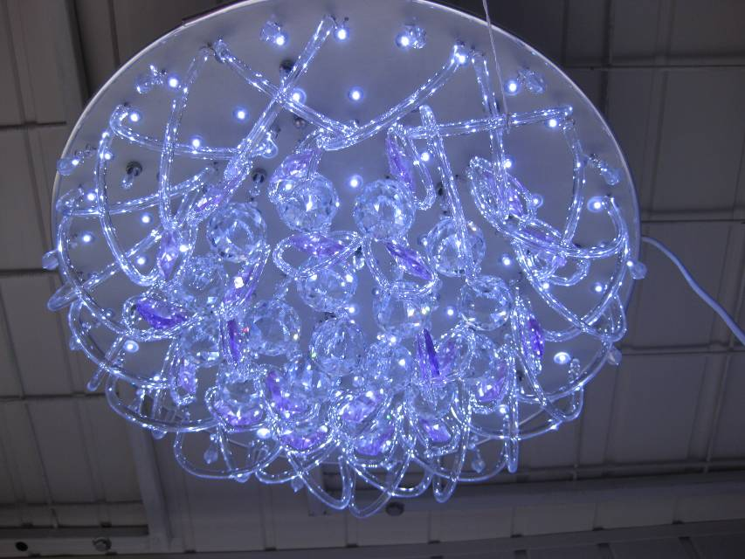 2118/20 CR (1) | 4,850р.
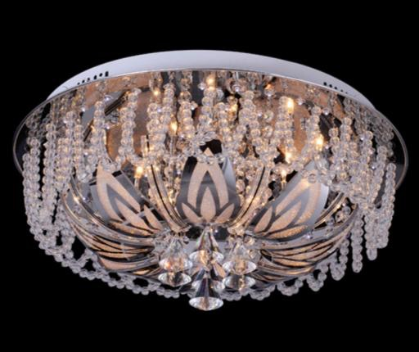 7902/11 CR (1) | 4,800р. | 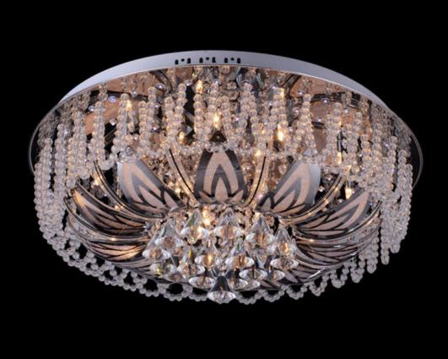 7902/15 CR (1) | 6,900р. | 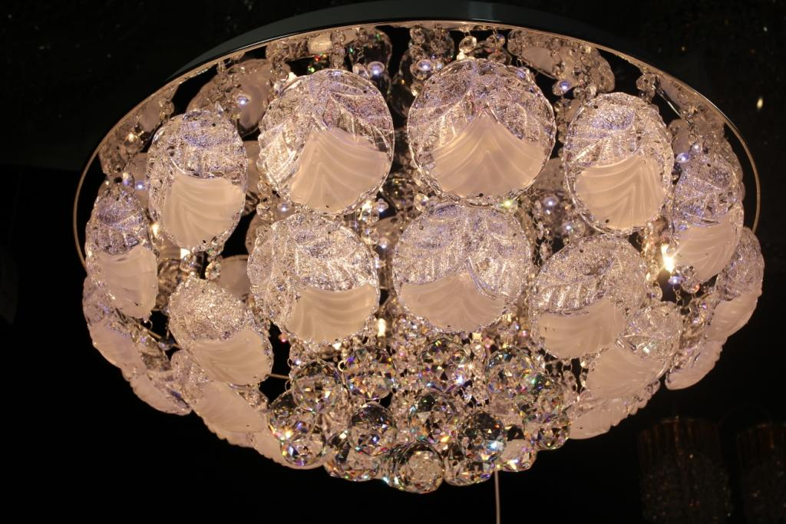 3586/16 CR (1) | 6,000р.
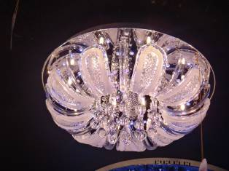 7921/12 CR (1) | 4,300р. | 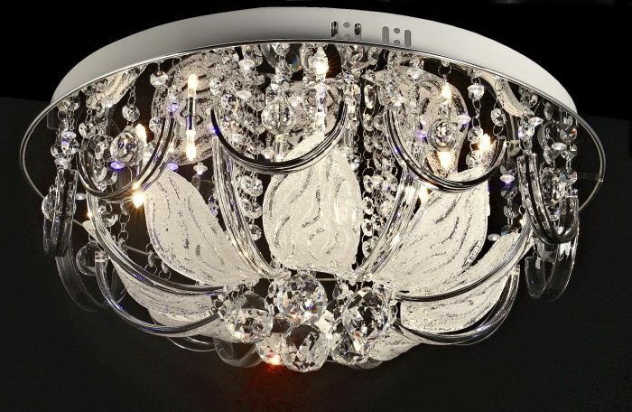 9631/10 CR (1) | 4,500р. | 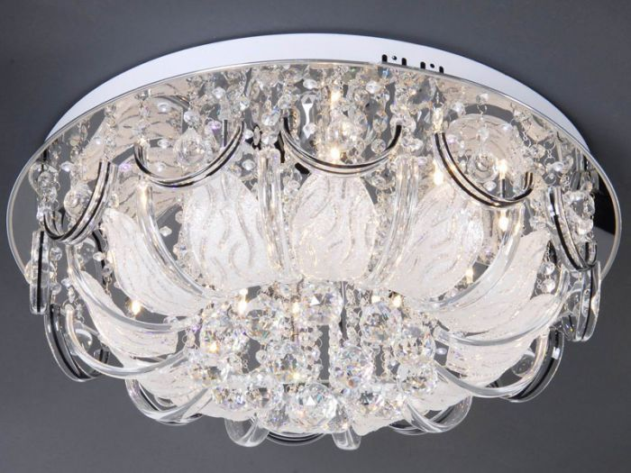 9631/15 CR (1) | 6,500р.
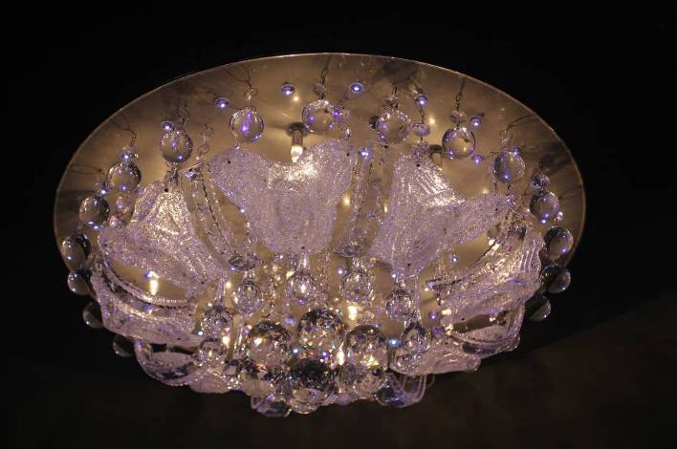 9919/10 CR (1) | 4,700р. | 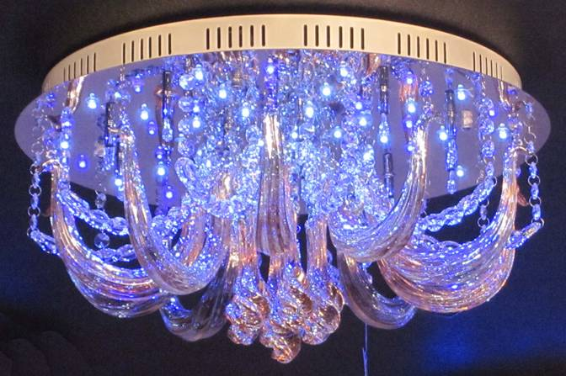 6814/15 CR (1) | 5,100р. | 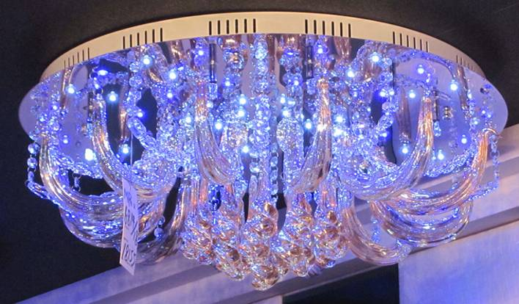 6814/18 CR (1) | 6,200
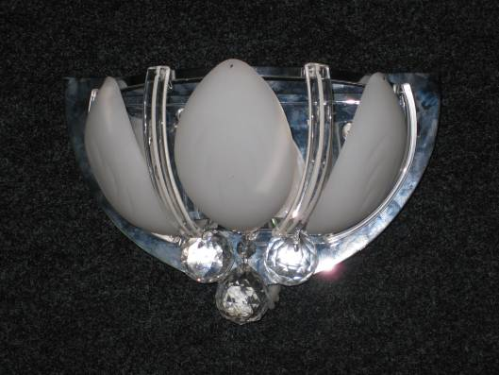 B9701/3W CR (1/10) | 820р. | 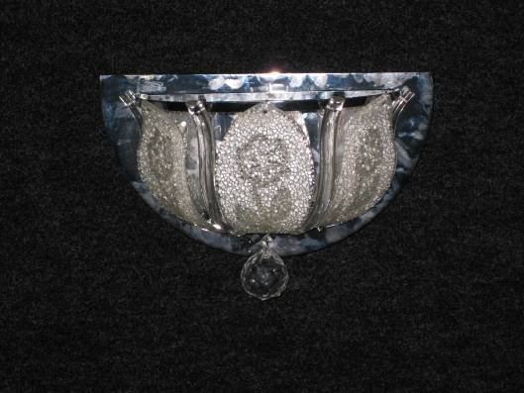 B9676/3W CR (1/10) | 820р. | 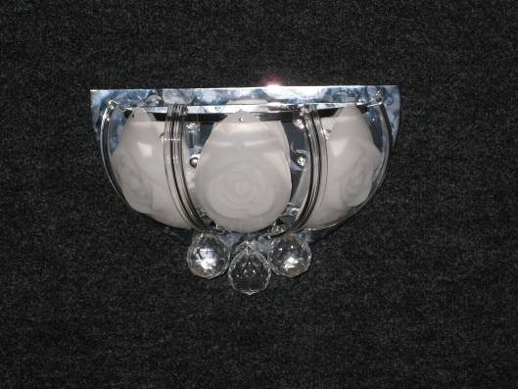 B9911/3W CR (1/10) | 820р.
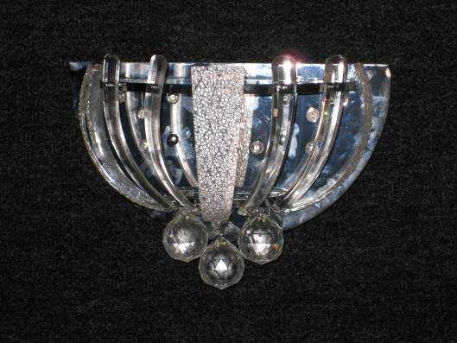 B9616/3W CR (1/10) | 820р. | 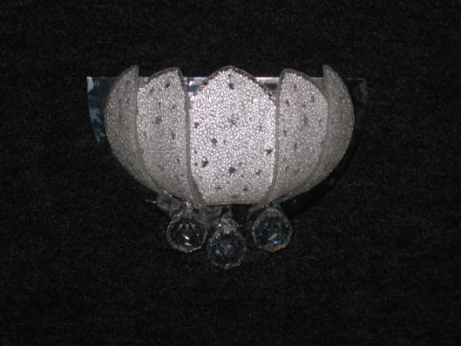 B9677/3W CR (1/10) | 820р. | 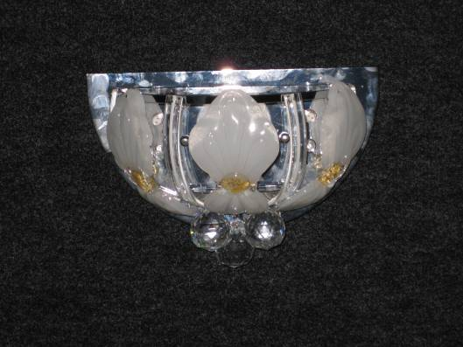 B9620/3W CR (1/10) | 820р.

