Sheet1
Main File Structure
 |  |  |  |  |  | word | count
MIDS_W205_E2 |  |  |  |  |  | ------+-------
 | extweetwordcount |  |  |  |  | the | 186 | the | 186
Count of Top Streamed Words
 |  | src |  |  |  | a | 179 | a | 179
 |  |  | bolts |  |  | to | 150 | to | 150
 |  |  |  | parse.py | Tweet parsing bolt to split incoming tweets into individual words. Filter out the hash tags, RT, @ and urls as well as all leading and lagging punctuations (\"?><,'.:;)!(&%). Converts all words to lowercase to ensure proper comparability. | i | 139 | i | 139
 |  |  |  | wordcount.py | Wordcount bolt to count individual words from parse bolt. | you | 105 | you | 105
 |  |  | spouts |  |  | and | 76 | and | 76
 |  |  |  | tweets.py | Spout (using tweepy) to collect individual tweets and send to parse bolt. Valid Twitter App credentials must be inserted into this file. | of | 74 | of | 74
 |  |  |  |  |  | for | 69 | for | 69
 |  | topologies |  |  |  | it | 59 | it | 59
 |  |  | tweetwordcount.clj |  | Storm topology linking tweets spout, parse bolt and wordcount bolt and utilizing streamparse | in | 55 | in | 55
 |  |  |  |  |  | on | 40 | on | 40
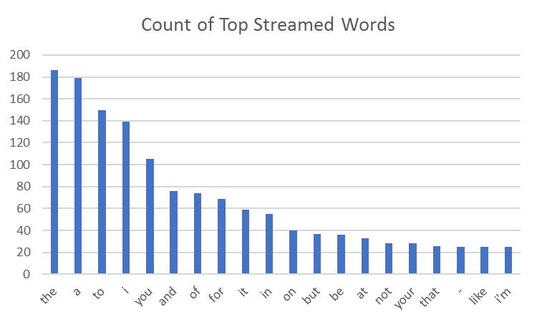
 |  |  |  |  |  | but | 37 | but | 37
 | finalresults.py |  |  |  | Serving Python script to query the tweetwordcount table in postgres. Provides the count of a single word if that word is provided as an argument at the command line, otherwise it will print out all words in alphebetical order with each words corresponding count at the time of query. | be | 36 | be | 36
 | histogram.py |  |  |  | Serving Python script to query the tweetwordcount table in postgres. Provides the word and word count of all words with a count within the bounds of two integers passed as arguments at the command line in the form [int1,int2]. Sorted by highest to lowest count. | at | 33 | at | 33
 | tweetwordcount_setup.py |  |  |  | This script must be run prior to running the extweetwordcount topology within Streamparse/Storm. It creates a postgres database called tcount and a table within tcount named tweetwordcount. | not | 28 | not | 28
 |  |  |  |  |  | your | 28 | your | 28
 |  |  |  |  |  | that | 26 | that | 26
 |  |  |  |  |  | - | 25 | - | 25
 |  |  |  |  |  | like | 25 | like | 25
 |  |  |  |  |  | i'm | 25 | i'm | 25

