Sheet1
Signal Layer | Reference Layer | Impedance Type | Trace Width（mil) | Trace Spacing（mil) | Impedance(ohm)±10% | Position
L1 | L2 | Differential Pair (Non coplanar) | 11.44 | 8 | 90 | 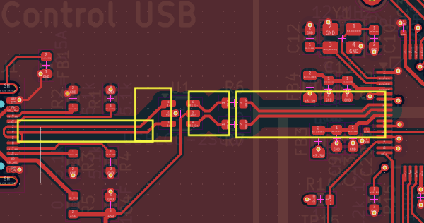
L1 | L2 | Differential Pair (Non coplanar) | 11.44 | 8 | 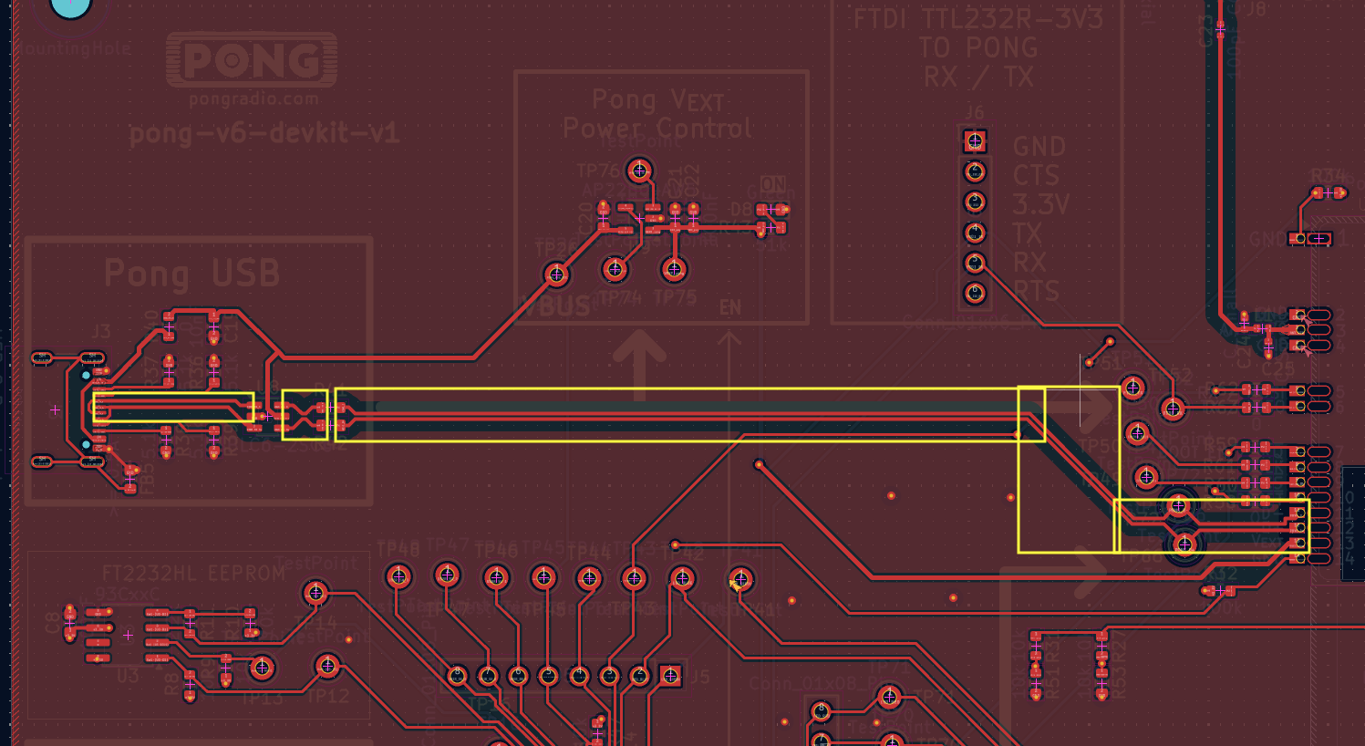 90
L1 | L2 | Single ended (Non coplanar) | 14.12 |  | 50 | 