e-News
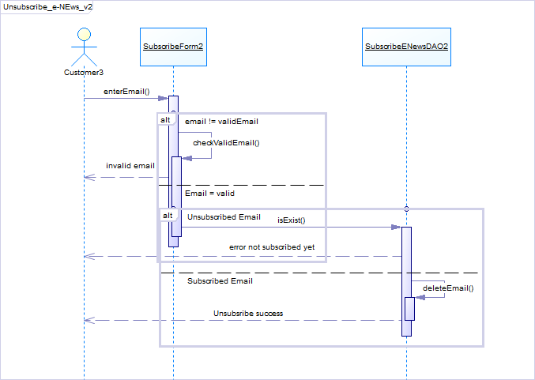
Group 03
Project: Set Portal
 |  | Sequence Diagram
 | UC_PRJ_005.1 List e-News

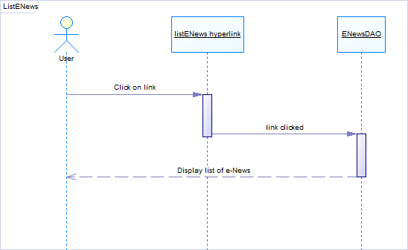

 | UC_PRJ_005.2 Subscribe e-News
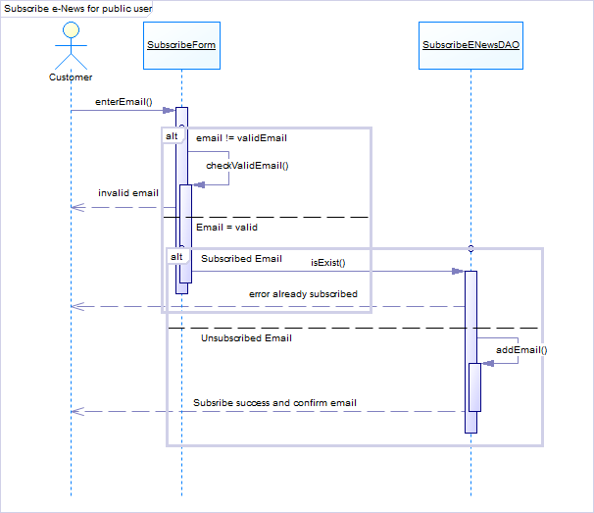

 | UC_PRJ_005.3 Unsubscribe e-News

User
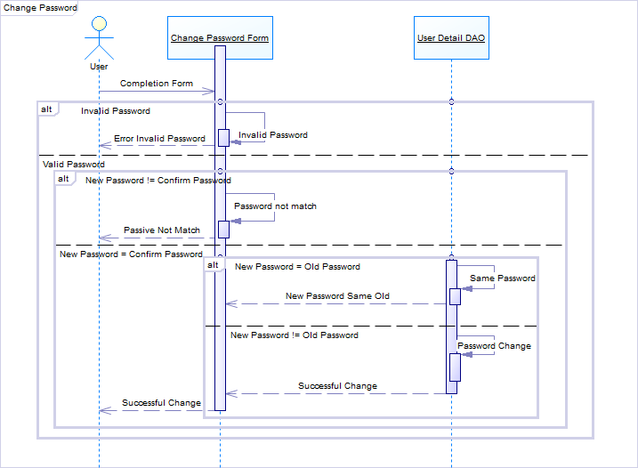
UC_PRJ_001 Login
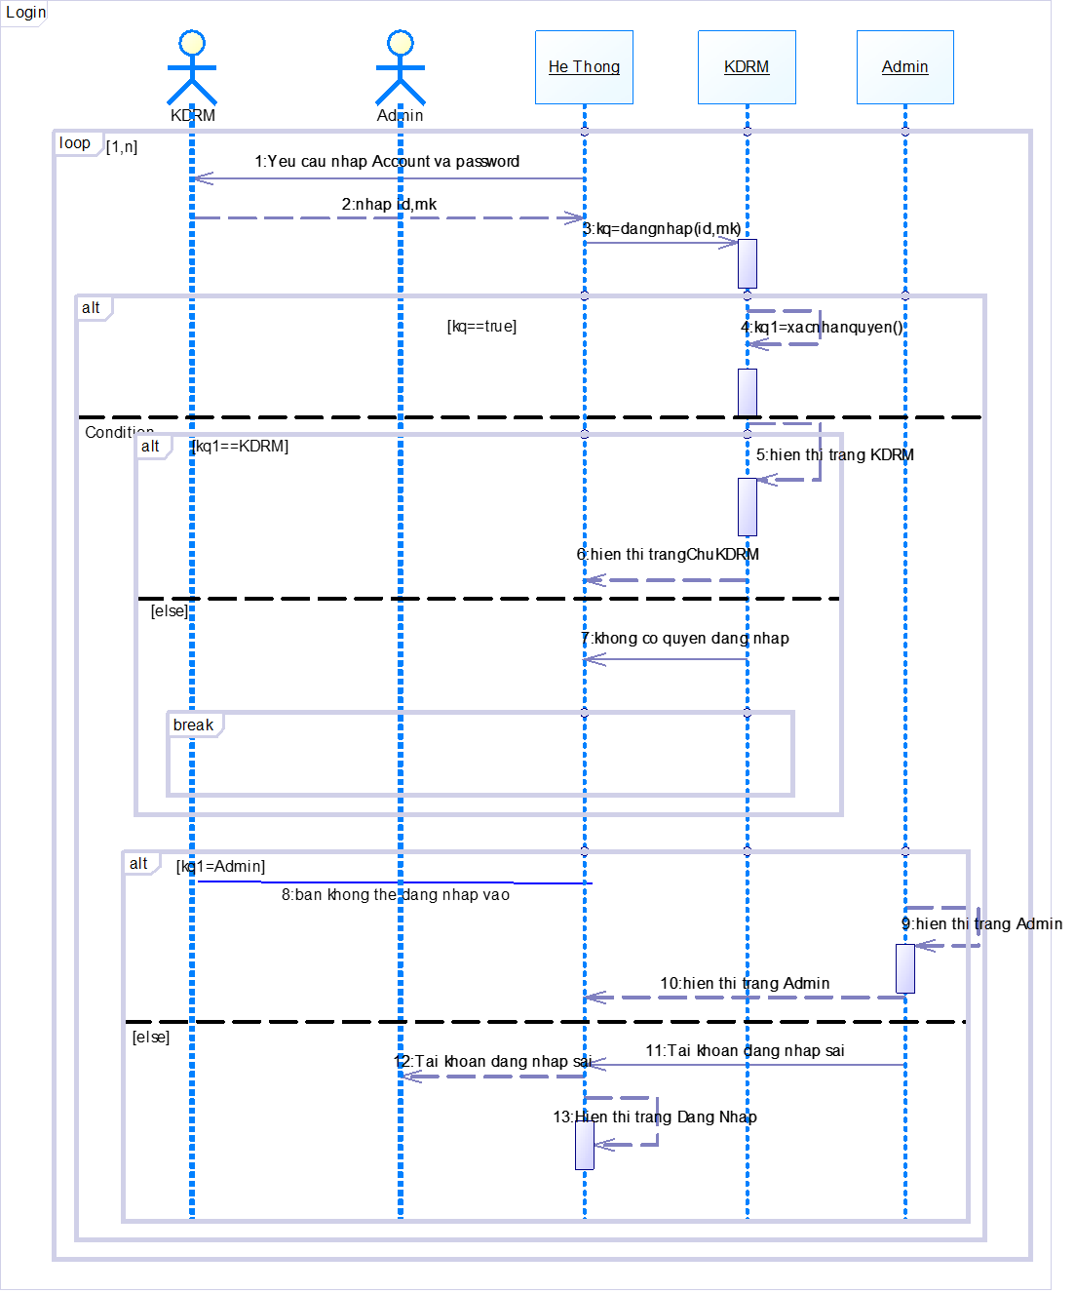

UC_PRJ_002 Change password

Admin
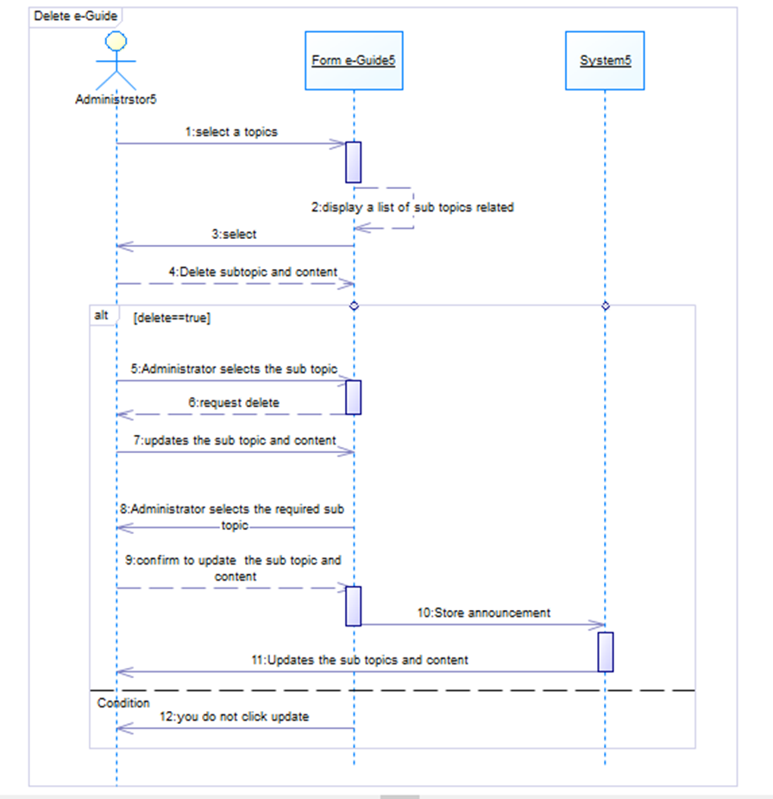
UC_PRJ_013 Portal admin module

 | Add e-News
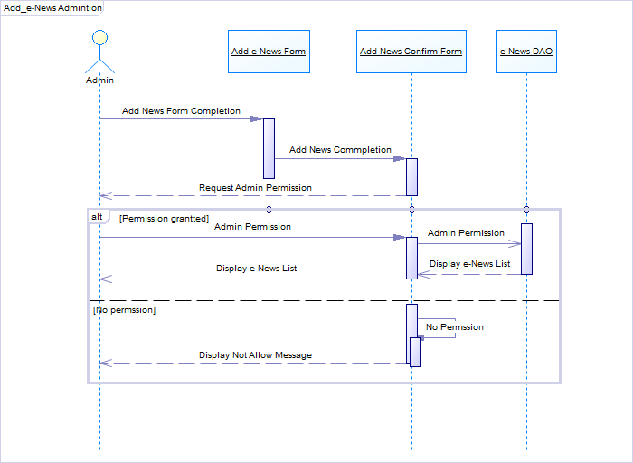

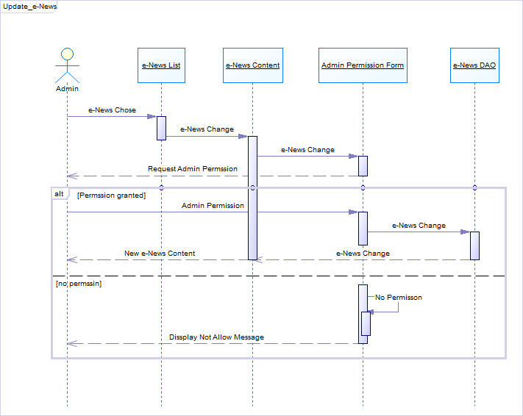
 | Update e-News

 | Delete e-News
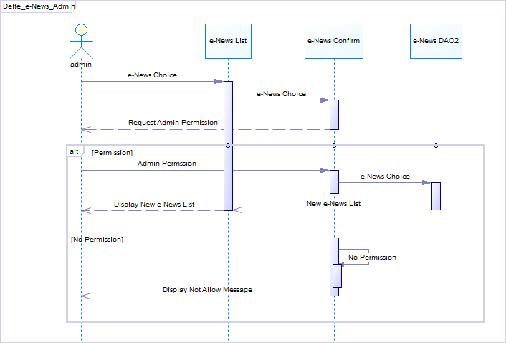

 | Add e-Guide
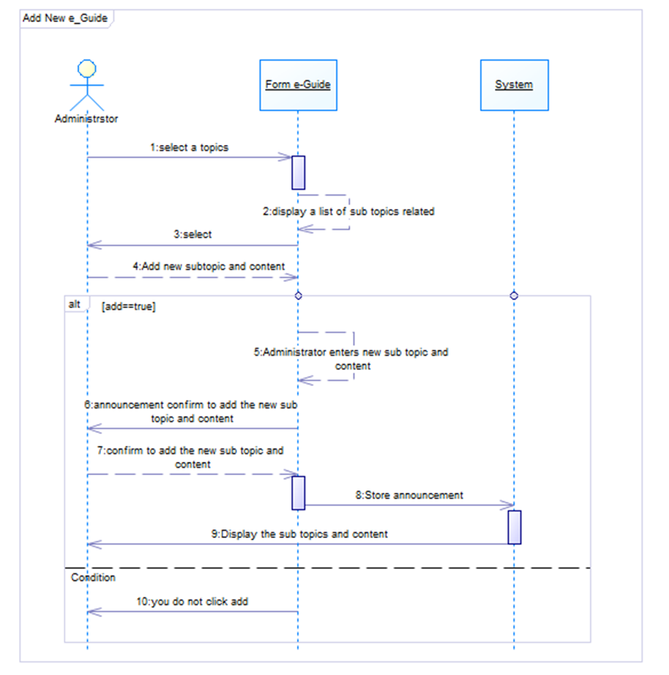

 | Update e-Guide
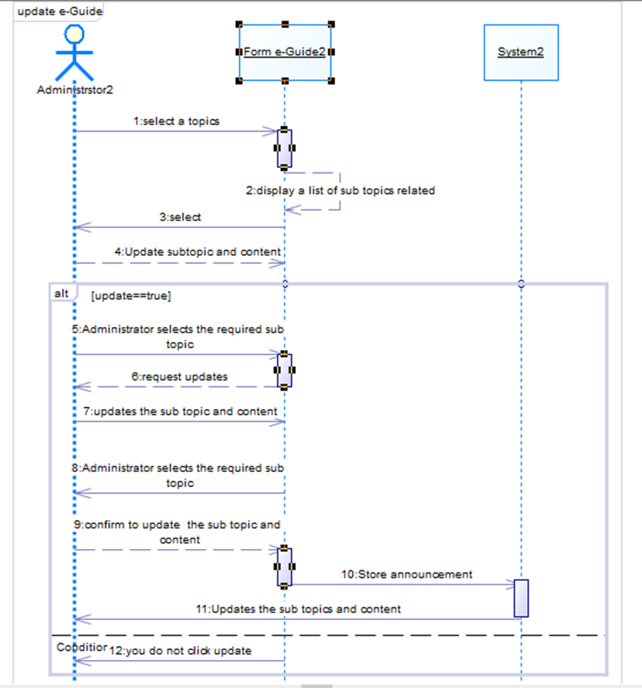

 | Delete e-Guide

