Species reference
FFCM-II | Species training reference |  |  |  |  |  | Validated: 96 / 96 elemental compositions match the mechanism; all 31 shared stage-I graphs match by graph isomorphism.
96 species • Source: self_improving/FFCMII.yaml • Includes all mechanism species and states
Explicit H atoms • Labels = element + zero-based node index • Parallel lines = bond order |  |  |  |  |  | Structures were curated from FFCM-2 species identities and thermochemistry, because the YAML contains compositions rather than molecular bonds. Five conflicting website entries are flagged in the notes.
One representative connectivity per species; diagrams are not molecular geometries. State / charge notes are preserved separately.
Base atoms precede appended H atoms. Hydrogen-count arrays follow the base-atom order. H and H2 use [] (H atoms are already base atoms).
Species key | Family | Structure (all atoms) | Base atom indices | Base bonds (u, v, order) | Attached H per base atom | Chemical name | State / representation notes | In stage-I JSON?
H | H / O chemistry |  | 0: H | [] | [] | Hydrogen atom | Neutral species; representative bond connectivity. | Yes
H2 | H / O chemistry | 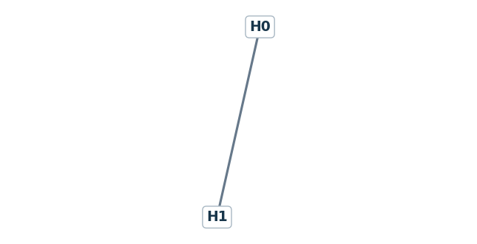 | 0: H 1: H | [[0,1,1]] | [] | Hydrogen | Neutral species; representative bond connectivity. | Yes
O | H / O chemistry |  | 0: O | [] | [0] | Oxygen atom | Neutral species; representative bond connectivity. | Yes
O2 | H / O chemistry | 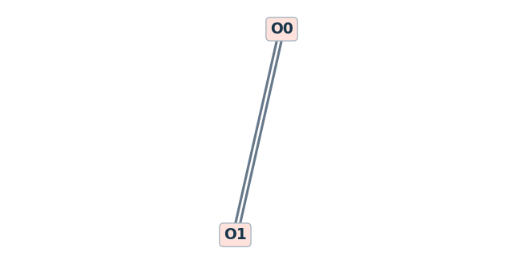 | 0: O 1: O | [[0,1,2]] | [0,0] | Oxygen | Triplet dioxygen; the O=O drawing alone does not encode its spin. | Yes
OH | H / O chemistry | 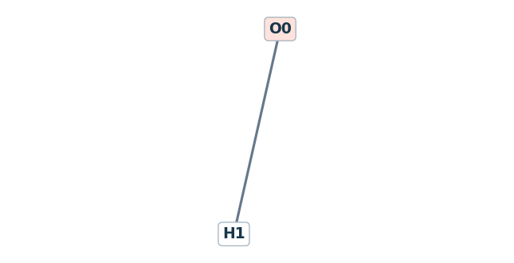 | 0: O | [] | [1] | Hydroxyl radical | Neutral species; representative bond connectivity. | Yes
H2O | H / O chemistry | 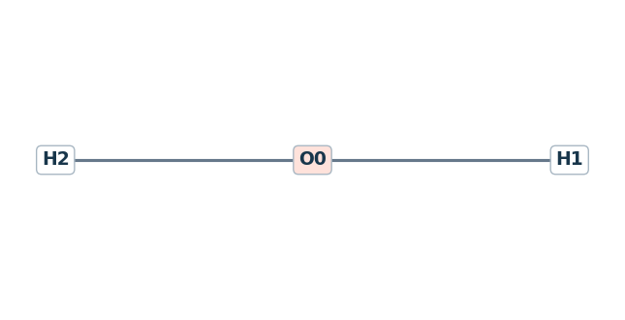 | 0: O | [] | [2] | Water | Neutral species; representative bond connectivity. | Yes
HO2 | H / O chemistry | 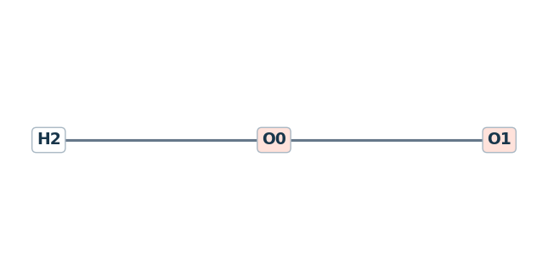 | 0: O 1: O | [[0,1,1]] | [1,0] | Hydroperoxy radical | Neutral species; representative bond connectivity. | Yes
H2O2 | H / O chemistry | 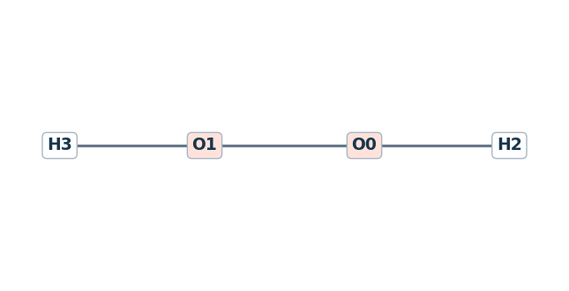 | 0: O 1: O | [[0,1,1]] | [1,1] | Hydrogen peroxide | Neutral species; representative bond connectivity. | Yes
HE | Inert / bath gas |  | 0: He | [] | [0] | Helium | Neutral species; representative bond connectivity. | No
AR | Inert / bath gas |  | 0: Ar | [] | [0] | Argon | Neutral species; representative bond connectivity. | No
N2 | Inert / bath gas | 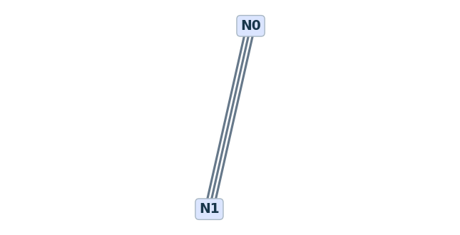 | 0: N 1: N | [[0,1,3]] | [0,0] | Nitrogen | Neutral species; representative bond connectivity. | No
C | C1 chemistry |  | 0: C | [] | [0] | Carbon atom | Neutral species; representative bond connectivity. | Yes
CH | C1 chemistry | 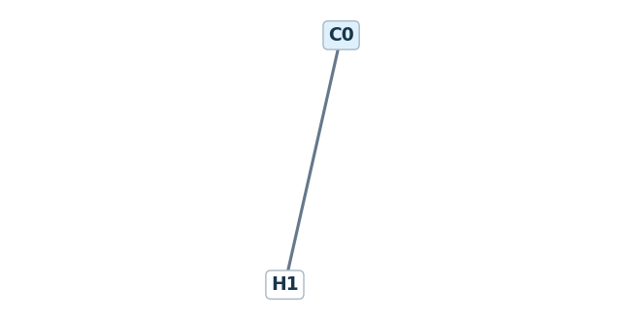 | 0: C | [] | [1] | Methylidyne | Neutral species; representative bond connectivity. | Yes
CH2 | C1 chemistry | 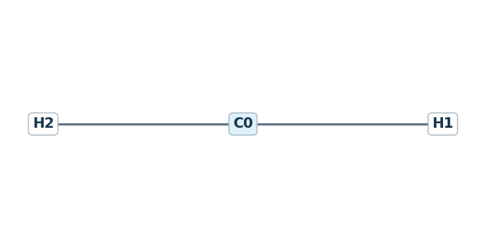 | 0: C | [] | [2] | Methylene radical triplet | Triplet methylene; distinct from singlet CH2(S). | Yes
CH2(S) | C1 chemistry |  | 0: C | [] | [2] | Methylene radical singlet | Singlet methylene; same connectivity as CH2, different electronic state. | No
CH3 | C1 chemistry | 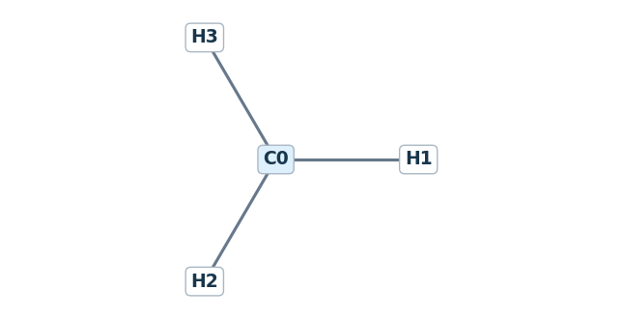 | 0: C | [] | [3] | Methyl radical | Neutral species; representative bond connectivity. | Yes
CH4 | C1 chemistry | 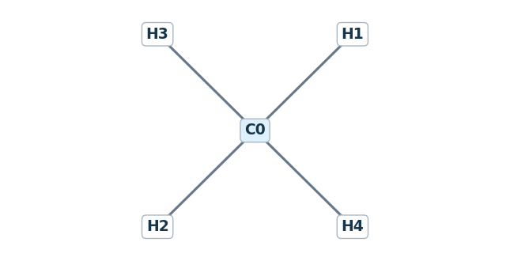 | 0: C | [] | [4] | Methane | Neutral species; representative bond connectivity. | Yes
CO | C1 chemistry | 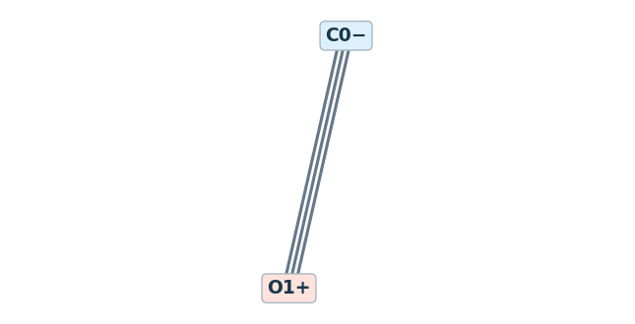 | 0: C 1: O | [[0,1,3]] | [0,0] | Carbon monoxide | Charge-separated Lewis structure: C(-1) triple bonded to O(+1); net charge 0. | No
CO2 | C1 chemistry | 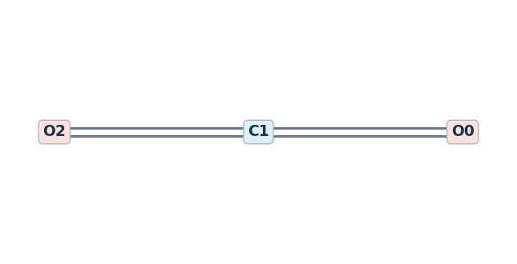 | 0: O 1: C 2: O | [[0,1,2],[1,2,2]] | [0,0,0] | Carbon dioxide | Neutral species; representative bond connectivity. | Yes
HCO | C1 chemistry | 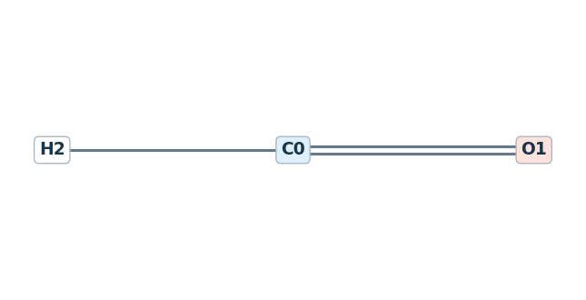 | 0: C 1: O | [[0,1,2]] | [1,0] | Formyl radical | Neutral species; representative bond connectivity. | Yes
CH2O | C1 chemistry | 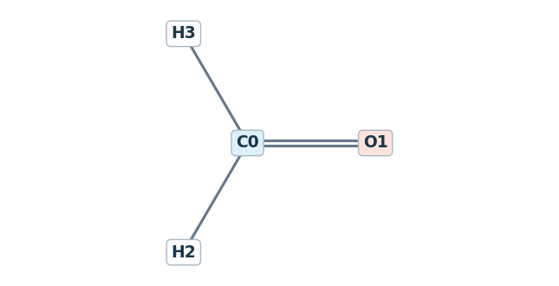 | 0: C 1: O | [[0,1,2]] | [2,0] | Formaldehyde | Neutral species; representative bond connectivity. | Yes
CH2OH | C1 chemistry | 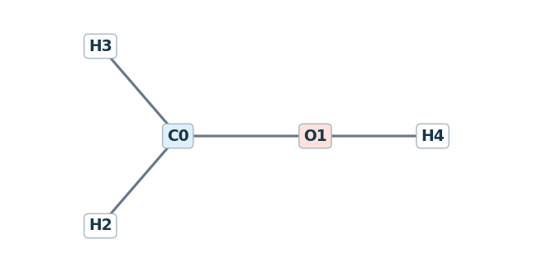 | 0: C 1: O | [[0,1,1]] | [2,1] | Hydroxymethyl radical | Neutral species; representative bond connectivity. | Yes
CH3O | C1 chemistry | 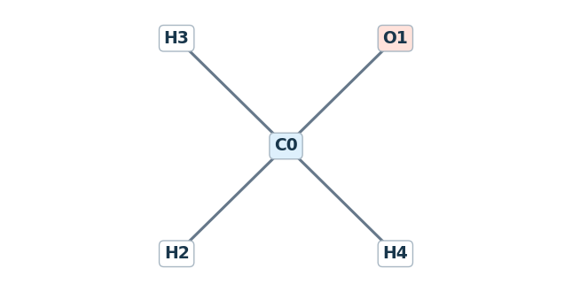 | 0: C 1: O | [[0,1,1]] | [3,0] | Methoxy radical | Neutral species; representative bond connectivity. | Yes
CH3OH | C1 chemistry | 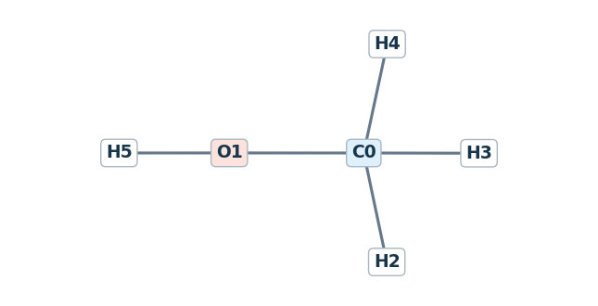 | 0: C 1: O | [[0,1,1]] | [3,1] | Methanol | Neutral species; representative bond connectivity. | Yes
C2H | C2 chemistry | 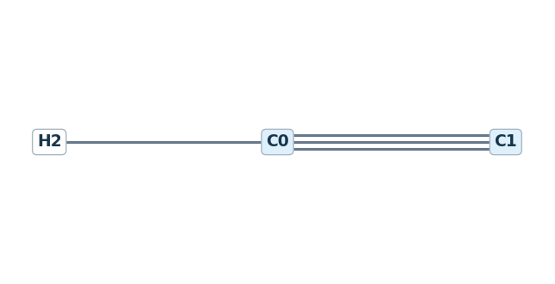 | 0: C 1: C | [[0,1,3]] | [1,0] | Ethynyl radical | Neutral species; representative bond connectivity. | Yes
C2H2 | C2 chemistry | 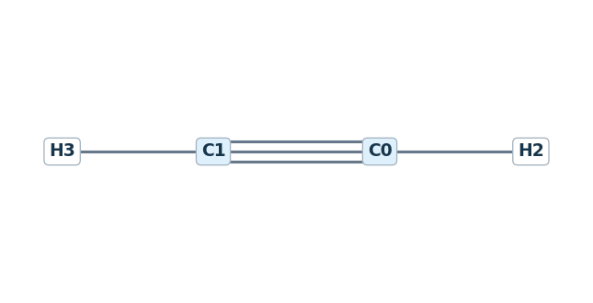 | 0: C 1: C | [[0,1,3]] | [1,1] | Acetylene | Neutral species; representative bond connectivity. | Yes
C2H3 | C2 chemistry | 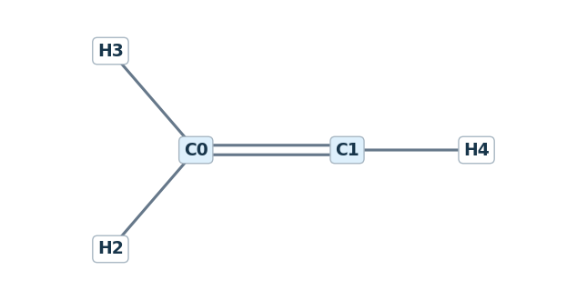 | 0: C 1: C | [[0,1,2]] | [2,1] | Vinyl radical | Neutral species; representative bond connectivity. | Yes
C2H4 | C2 chemistry | 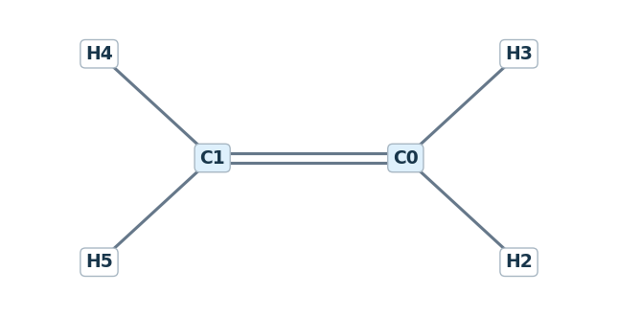 | 0: C 1: C | [[0,1,2]] | [2,2] | Ethylene | Neutral species; representative bond connectivity. | Yes
C2H5 | C2 chemistry | 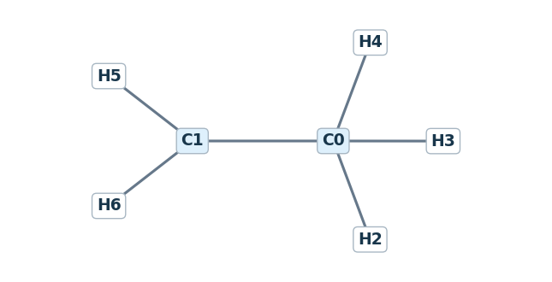 | 0: C 1: C | [[0,1,1]] | [3,2] | Ethyl radical | Neutral species; representative bond connectivity. | Yes
C2H6 | C2 chemistry | 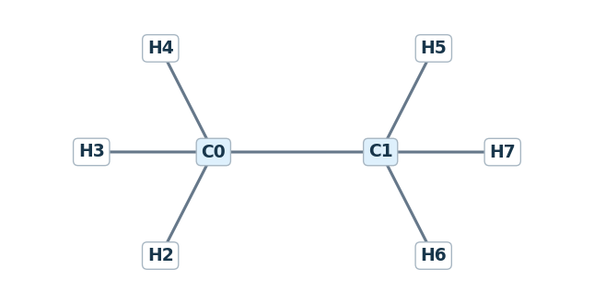 | 0: C 1: C | [[0,1,1]] | [3,3] | Ethane | Neutral species; representative bond connectivity. | Yes
HCCO | C2 chemistry | 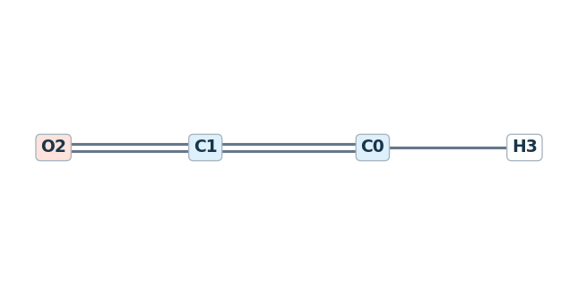 | 0: C 1: C 2: O | [[0,1,2],[1,2,2]] | [1,0,0] | Ketenyl radical | Neutral species; representative bond connectivity. | Yes
CH2CO | C2 chemistry | 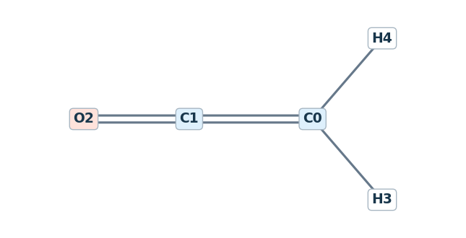 | 0: C 1: C 2: O | [[0,1,2],[1,2,2]] | [2,0,0] | Ketene | Neutral species; representative bond connectivity. | Yes
CH2CHO | C2 chemistry | 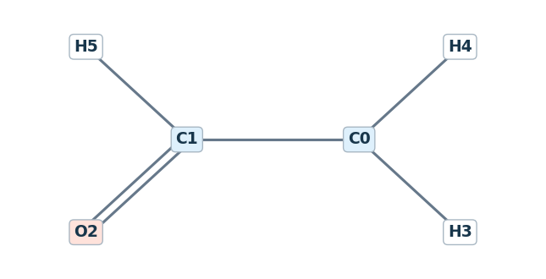 | 0: C 1: C 2: O | [[0,1,1],[1,2,2]] | [2,1,0] | Vinoxy radical | Neutral species; representative bond connectivity. | Yes
CH3CHO | C2 chemistry | 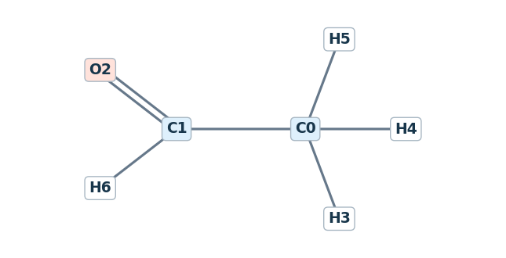 | 0: C 1: C 2: O | [[0,1,1],[1,2,2]] | [3,1,0] | Acetaldehyde | Neutral species; representative bond connectivity. | Yes
CH3CO | C2 chemistry | 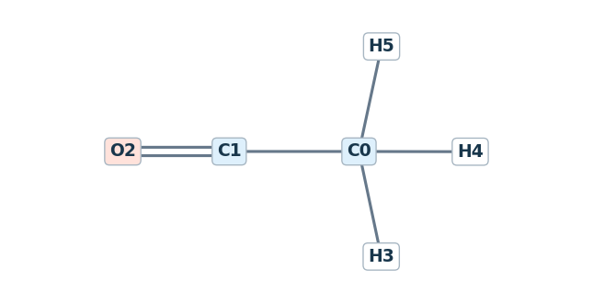 | 0: C 1: C 2: O | [[0,1,1],[1,2,2]] | [3,0,0] | Acetyl radical | Neutral species; representative bond connectivity. | Yes
H2CC | C2 chemistry | 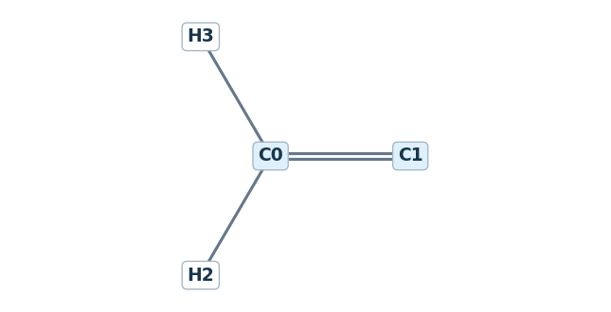 | 0: C 1: C | [[0,1,2]] | [2,0] | Vinylidene | Vinylidene carbene; connectivity alone does not encode its electronic state. | No
CH3O2 | C1 chemistry | 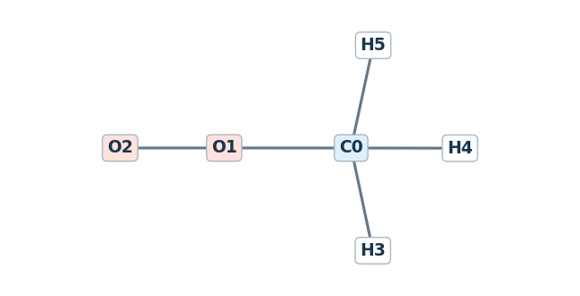 | 0: C 1: O 2: O | [[0,1,1],[1,2,1]] | [3,0,0] | Methyldioxy radical | Neutral species; representative bond connectivity. | Yes
CH3OOH | C1 chemistry | 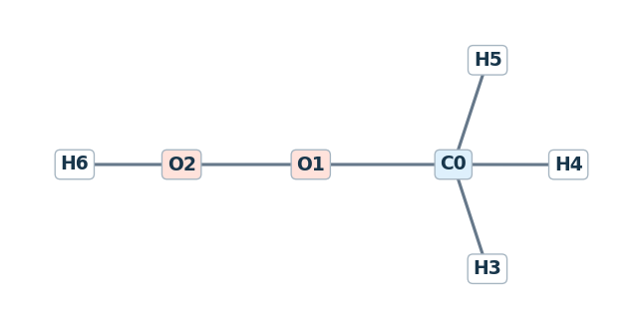 | 0: C 1: O 2: O | [[0,1,1],[1,2,1]] | [3,0,1] | Methyl hydroperoxide | Neutral species; representative bond connectivity. | No
C2H5O2 | C2 chemistry | 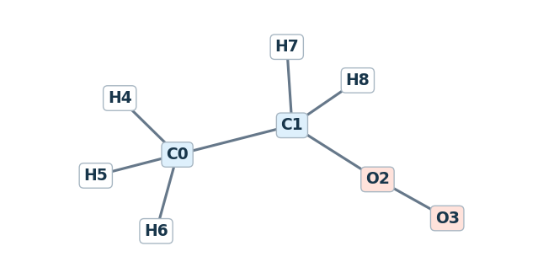 | 0: C 1: C 2: O 3: O | [[0,1,1],[1,2,1],[2,3,1]] | [3,2,0,0] | Ethyldioxy radical | Neutral species; representative bond connectivity. | No
C2H5OOH | C2 chemistry | 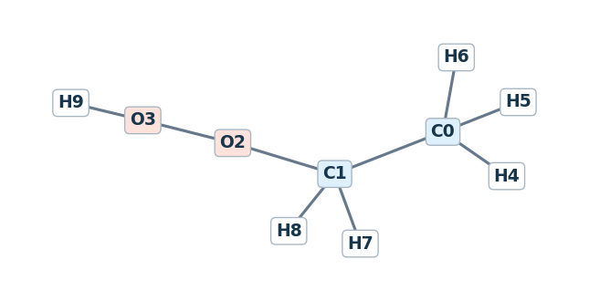 | 0: C 1: C 2: O 3: O | [[0,1,1],[1,2,1],[2,3,1]] | [3,2,0,1] | Ethyl hydroperoxide | Neutral species; representative bond connectivity. | No
C2H2OH | C2 chemistry | 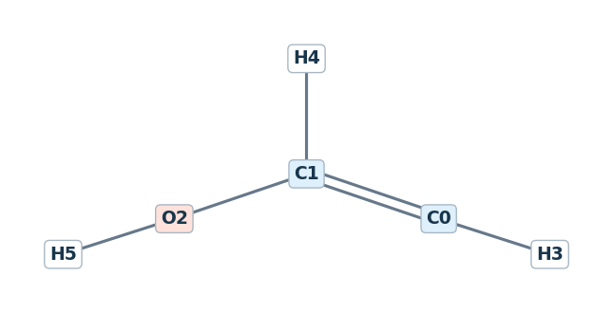 | 0: C 1: C 2: O | [[0,1,2],[1,2,1]] | [1,1,1] | 2-Hydroxyvinyl radical | Neutral species; representative bond connectivity. | No
C2H3OH | C2 chemistry | 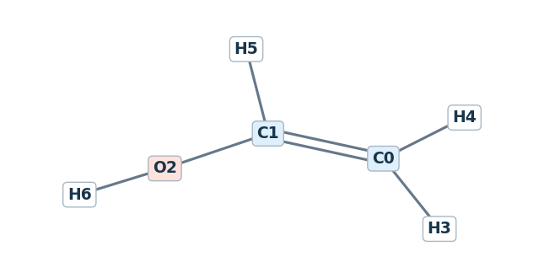 | 0: C 1: C 2: O | [[0,1,2],[1,2,1]] | [2,1,1] | Ethenol | Neutral species; representative bond connectivity. | No
C2H4O | C2 chemistry | 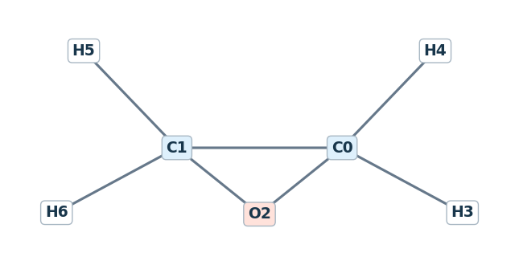 | 0: C 1: C 2: O | [[0,1,1],[1,2,1],[2,0,1]] | [2,2,0] | Oxirane (ethylene oxide) | Identity follows matching official thermochemistry; the website species table has a conflicting entry. | No
C2H5OH | C2 chemistry | 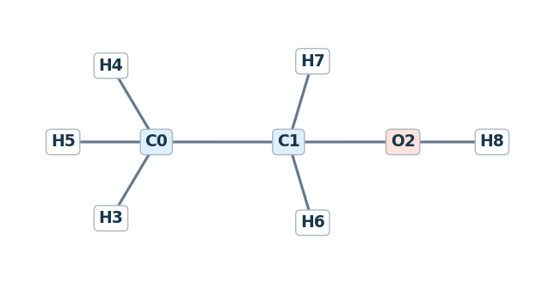 | 0: C 1: C 2: O | [[0,1,1],[1,2,1]] | [3,2,1] | Ethanol | Neutral species; representative bond connectivity. | No
C2H4OH | C2 chemistry | 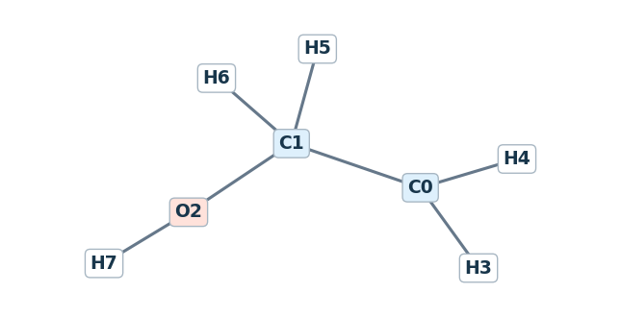 | 0: C 1: C 2: O | [[0,1,1],[1,2,1]] | [2,2,1] | CH2CH2OH | Neutral species; representative bond connectivity. | No
CH3CHOH | C2 chemistry | 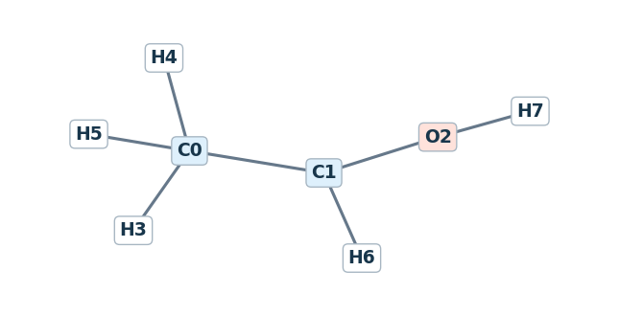 | 0: C 1: C 2: O | [[0,1,1],[1,2,1]] | [3,1,1] | 1-Hydroxyethyl radical | Neutral species; representative bond connectivity. | No
C3H8 | C3 chemistry | 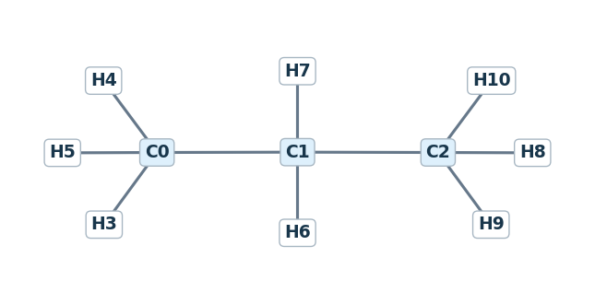 | 0: C 1: C 2: C | [[0,1,1],[1,2,1]] | [3,2,3] | Propane | Neutral species; representative bond connectivity. | No
NC3H7 | C3 chemistry | 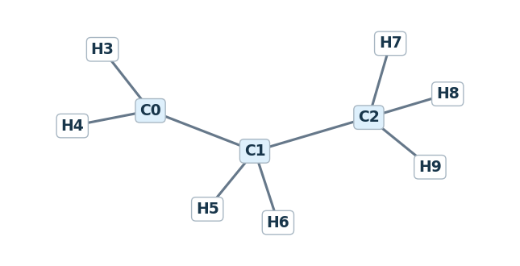 | 0: C 1: C 2: C | [[0,1,1],[1,2,1]] | [2,2,3] | Propyl radical | Neutral species; representative bond connectivity. | No
IC3H7 | C3 chemistry | 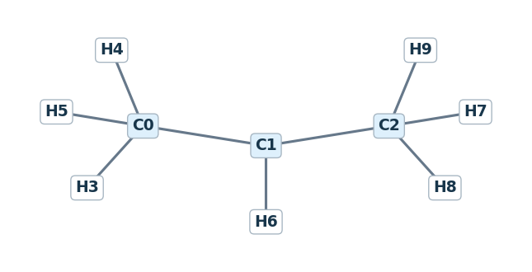 | 0: C 1: C 2: C | [[0,1,1],[1,2,1]] | [3,1,3] | Isopropyl radical | Neutral species; representative bond connectivity. | No
C3H6 | C3 chemistry | 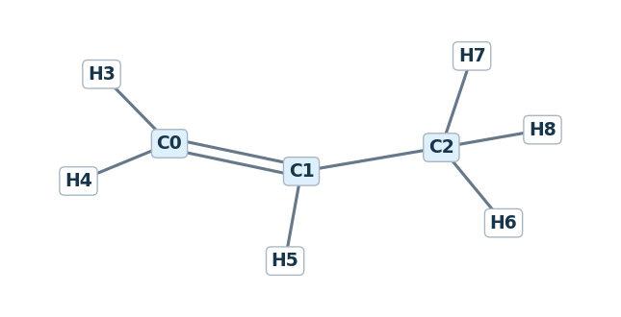 | 0: C 1: C 2: C | [[0,1,2],[1,2,1]] | [2,1,3] | Propene | Neutral species; representative bond connectivity. | No
C3H5 | C3 chemistry | 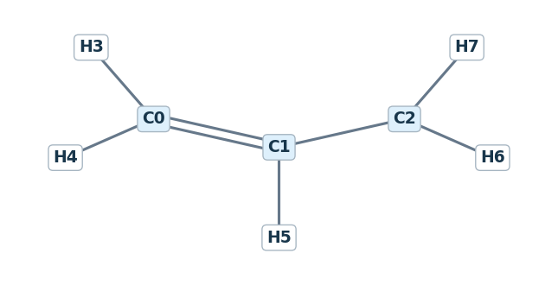 | 0: C 1: C 2: C | [[0,1,2],[1,2,1]] | [2,1,2] | Allyl radical | Neutral species; representative bond connectivity. | No
CH3CCH2 | C3 chemistry | 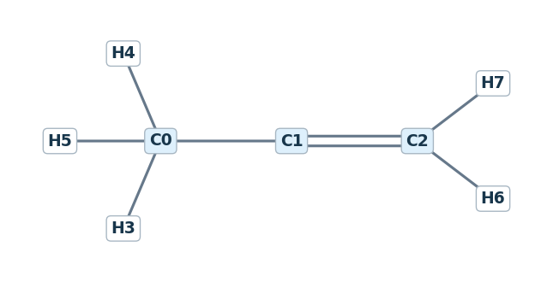 | 0: C 1: C 2: C | [[0,1,1],[1,2,2]] | [3,0,2] | Isopropenyl radical | Neutral species; representative bond connectivity. | No
AC3H4 | C3 chemistry | 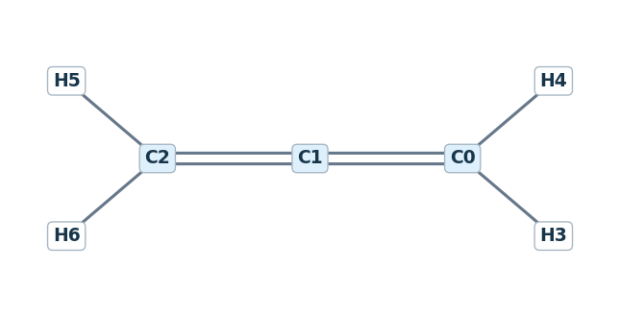 | 0: C 1: C 2: C | [[0,1,2],[1,2,2]] | [2,0,2] | Allene | Neutral species; representative bond connectivity. | No
PC3H4 | C3 chemistry | 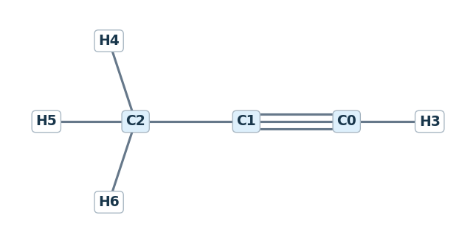 | 0: C 1: C 2: C | [[0,1,3],[1,2,1]] | [1,0,3] | Propyne | Neutral species; representative bond connectivity. | No
C3H3 | C3 chemistry | 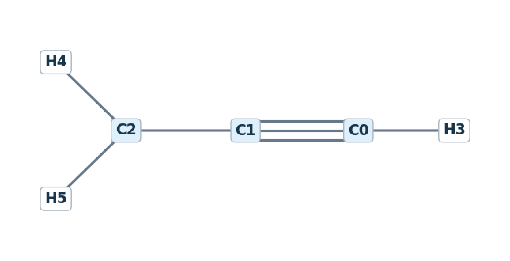 | 0: C 1: C 2: C | [[0,1,3],[1,2,1]] | [1,0,2] | Propargyl radical | Neutral species; representative bond connectivity. | No
C2H5CHO | C3 chemistry | 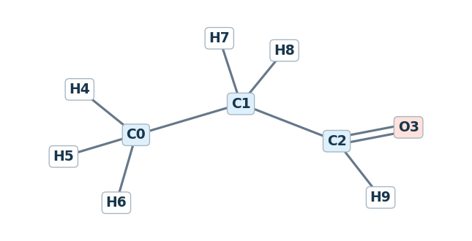 | 0: C 1: C 2: C 3: O | [[0,1,1],[1,2,1],[2,3,2]] | [3,2,1,0] | Propanal | Neutral species; representative bond connectivity. | No
CH3COCH3 | C3 chemistry |  | 0: C 1: C 2: C 3: O | [[0,1,1],[1,2,1],[1,3,2]] | [3,0,3,0] | Acetone | Neutral species; representative bond connectivity. | No
CH3COCH2 | C3 chemistry |  | 0: C 1: C 2: C 3: O | [[0,1,1],[1,2,1],[1,3,2]] | [3,0,2,0] | 2-Oxopropyl | Neutral species; representative bond connectivity. | No
C2H3CHO | C3 chemistry |  | 0: C 1: C 2: C 3: O | [[0,1,2],[1,2,1],[2,3,2]] | [2,1,1,0] | 2-Propenal | Neutral species; representative bond connectivity. | No
C3H5OH | C3 chemistry |  | 0: C 1: C 2: C 3: O | [[0,1,2],[1,2,1],[2,3,1]] | [2,1,2,1] | 2-Propen-1-ol | Neutral species; representative bond connectivity. | No
NC3H7O2 | C3 chemistry |  | 0: C 1: C 2: C 3: O 4: O | [[0,1,1],[1,2,1],[2,3,1],[3,4,1]] | [3,2,2,0,0] | Propyldioxy | Neutral species; representative bond connectivity. | No
NC3H7OOH | C3 chemistry |  | 0: C 1: C 2: C 3: O 4: O | [[0,1,1],[1,2,1],[2,3,1],[3,4,1]] | [3,2,2,0,1] | Propylhydroperoxide | Neutral species; representative bond connectivity. | No
IC3H7O2 | C3 chemistry |  | 0: C 1: C 2: C 3: O 4: O | [[0,1,1],[1,2,1],[1,3,1],[3,4,1]] | [3,1,3,0,0] | Isopropylperoxy | Neutral species; representative bond connectivity. | No
IC3H7OOH | C3 chemistry |  | 0: C 1: C 2: C 3: O 4: O | [[0,1,1],[1,2,1],[1,3,1],[3,4,1]] | [3,1,3,0,1] | 2-Hydroperoxypropane | Neutral species; representative bond connectivity. | No
C4H2 | C4 chemistry |  | 0: C 1: C 2: C 3: C | [[0,1,3],[1,2,1],[2,3,3]] | [1,0,0,1] | 1,3-Butadiyne | Neutral species; representative bond connectivity. | No
NC4H3 | C4 chemistry |  | 0: C 1: C 2: C 3: C | [[0,1,2],[1,2,1],[2,3,3]] | [1,1,0,1] | E-1-butene-3-yne-1-yl radical | Identity follows matching official thermochemistry; the website species table has a conflicting entry. | No
IC4H3 | C4 chemistry |  | 0: C 1: C 2: C 3: C | [[0,1,2],[1,2,1],[2,3,3]] | [2,0,0,1] | 1-butene-3-yne-2-yl radical | Identity follows matching official thermochemistry; the website species table has a conflicting entry. | No
C4H4 | C4 chemistry |  | 0: C 1: C 2: C 3: C | [[0,1,2],[1,2,1],[2,3,3]] | [2,1,0,1] | 1-Buten-3-yne | Neutral species; representative bond connectivity. | No
NC4H5 | C4 chemistry |  | 0: C 1: C 2: C 3: C | [[0,1,2],[1,2,1],[2,3,2]] | [1,1,1,2] | E-1,3-butadiene-1-yl radical | Identity follows matching official thermochemistry; the website species table has a conflicting entry. | No
IC4H5 | C4 chemistry |  | 0: C 1: C 2: C 3: C | [[0,1,2],[1,2,1],[2,3,2]] | [2,0,1,2] | 1,3-butadiene-2-yl radical | Identity follows matching official thermochemistry; the website species table has a conflicting entry. | No
C4H5-2 | C4 chemistry |  | 0: C 1: C 2: C 3: C | [[0,1,1],[1,2,3],[2,3,1]] | [2,0,0,3] | But-2-yn-1-yl radical | Neutral species; representative bond connectivity. | No
C4H6 | C4 chemistry |  | 0: C 1: C 2: C 3: C | [[0,1,2],[1,2,1],[2,3,2]] | [2,1,1,2] | 1,3-Butadiene | Neutral species; representative bond connectivity. | No
C4H612 | C4 chemistry |  | 0: C 1: C 2: C 3: C | [[0,1,2],[1,2,2],[2,3,1]] | [2,0,1,3] | 1,2-Butadiene | Neutral species; representative bond connectivity. | No
C4H6-2 | C4 chemistry |  | 0: C 1: C 2: C 3: C | [[0,1,1],[1,2,3],[2,3,1]] | [3,0,0,3] | 2-Butyne | Neutral species; representative bond connectivity. | No
C4H7 | C4 chemistry |  | 0: C 1: C 2: C 3: C | [[0,1,2],[1,2,1],[2,3,1]] | [2,1,1,3] | 2-Butenyl radical | Chosen resonance form: CH2=CH–CH radical–CH3 (1-methylallyl). | No
IC4H7 | C4 chemistry |  | 0: C 1: C 2: C 3: C | [[0,1,2],[1,2,1],[1,3,1]] | [2,0,3,2] | 2-Methylallyl radical | Neutral species; representative bond connectivity. | No
IC4H7-1 | C4 chemistry |  | 0: C 1: C 2: C 3: C | [[0,1,2],[1,2,1],[1,3,1]] | [1,0,3,3] | iso-Butyl vinylic radical | Neutral species; representative bond connectivity. | No
C4H81 | C4 chemistry |  | 0: C 1: C 2: C 3: C | [[0,1,2],[1,2,1],[2,3,1]] | [2,1,2,3] | 1-Butene | Neutral species; representative bond connectivity. | No
C4H82 | C4 chemistry |  | 0: C 1: C 2: C 3: C | [[0,1,1],[1,2,2],[2,3,1]] | [3,1,1,3] | 2-Butene | 2-butene; cis/trans-averaged entry in the official species table. Stereochemistry is not encoded. | No
IC4H8 | C4 chemistry |  | 0: C 1: C 2: C 3: C | [[0,1,2],[1,2,1],[1,3,1]] | [2,0,3,3] | iso-Butene | Neutral species; representative bond connectivity. | No
NC4H9 | C4 chemistry |  | 0: C 1: C 2: C 3: C | [[0,1,1],[1,2,1],[2,3,1]] | [2,2,2,3] | 1-Butyl radical | Neutral species; representative bond connectivity. | No
SC4H9 | C4 chemistry |  | 0: C 1: C 2: C 3: C | [[0,1,1],[1,2,1],[2,3,1]] | [3,1,2,3] | 2-Butyl radical | Neutral species; representative bond connectivity. | No
IC4H9 | C4 chemistry |  | 0: C 1: C 2: C 3: C | [[0,1,1],[1,2,1],[1,3,1]] | [2,1,3,3] | iso-Butyl radical | Neutral species; representative bond connectivity. | No
TC4H9 | C4 chemistry |  | 0: C 1: C 2: C 3: C | [[0,1,1],[1,2,1],[1,3,1]] | [3,0,3,3] | tert-Butyl radical | Neutral species; representative bond connectivity. | No
C4H10 | C4 chemistry |  | 0: C 1: C 2: C 3: C | [[0,1,1],[1,2,1],[2,3,1]] | [3,2,2,3] | Butane | Neutral species; representative bond connectivity. | No
IC4H10 | C4 chemistry |  | 0: C 1: C 2: C 3: C | [[0,1,1],[1,2,1],[1,3,1]] | [3,1,3,3] | iso-Butane | Neutral species; representative bond connectivity. | No
H2C4O | C4 chemistry |  | 0: C 1: C 2: C 3: C 4: O | [[0,1,2],[1,2,2],[2,3,2],[3,4,2]] | [2,0,0,0,0] | Butatrienone | Neutral species; representative bond connectivity. | No
CH2CHCHCHO | C4 chemistry |  | 0: C 1: C 2: C 3: C 4: O | [[0,1,1],[1,2,2],[2,3,1],[3,4,2]] | [2,1,1,1,0] | Conjugated C4H5O radical | Chosen resonance form: CH2 radical–CH=CH–CHO. | No
CH3CHCHCO | C4 chemistry |  | 0: C 1: C 2: C 3: C 4: O | [[0,1,1],[1,2,1],[2,3,2],[3,4,2]] | [3,1,1,0,0] | 1-Methyl-3-oxoallyl radical | Chosen resonance form: CH3–CH radical–CH=C=O (ketene radical). | No
CH3CHCHCHO | C4 chemistry |  | 0: C 1: C 2: C 3: C 4: O | [[0,1,1],[1,2,2],[2,3,1],[3,4,2]] | [3,1,1,1,0] | 2-Butenal | Crotonaldehyde; thermochemistry identifies trans. Stereochemistry is not encoded. | No
C3H7CHO | C4 chemistry |  | 0: C 1: C 2: C 3: C 4: O | [[0,1,1],[1,2,1],[2,3,1],[3,4,2]] | [3,2,2,1,0] | Butanal | Neutral species; representative bond connectivity. | No
IC3H7CHO | C4 chemistry |  | 0: C 1: C 2: C 3: C 4: O | [[0,1,1],[1,2,1],[1,3,1],[3,4,2]] | [3,1,3,1,0] | 2-Methylpropanal | Neutral species; representative bond connectivity. | No
C2H5COCH3 | C4 chemistry |  | 0: C 1: C 2: C 3: C 4: O | [[0,1,1],[1,2,1],[2,3,1],[2,4,2]] | [3,2,0,3,0] | Ethyl methyl ketone | Neutral species; representative bond connectivity. | No
C2H3COCH3 | C4 chemistry |  | 0: C 1: C 2: C 3: C 4: O | [[0,1,2],[1,2,1],[2,3,1],[2,4,2]] | [2,1,0,3,0] | Methyl vinyl ketone | Neutral species; representative bond connectivity. | No
OH* | H / O chemistry |  | 0: O | [] | [1] | Excited hydroxyl radical | Electronically excited OH (A 2Sigma+); distinct from OH. | No
CH* | C1 chemistry |  | 0: C | [] | [1] | Excited methylidyne radical | Electronically excited CH (A 2Delta); distinct from CH. | No

