Species reference
FFCM2 CHO species reference |  |  |  |  |  | Source CSV: FFCM2_InChI.csv
93 species containing only C, H and/or O; HE, AR and N2 excluded. |  |  |  |  |  | Structure source: supplied CSV only
Explicit H atoms; labels = element + zero-based node index; parallel lines = bond order. |  |  |  |  |  | RDKit version: 2026.03.6
SMILES and RDKit radical counts do not encode the source electronic state or spin multiplicity.
Base atoms precede appended H. Attached-H counts follow base order; H and H2 use [].
Species key | Family | Structure (all atoms) | Base atom indices | Base bonds (u, v, order) | Attached H per base atom | Chemical name | State / representation notes
H | H / O chemistry |  | 0: H | [] | [] | Hydrogen atom | CSV InChI connectivity; electronic state is not inferred.
H2 | H / O chemistry | 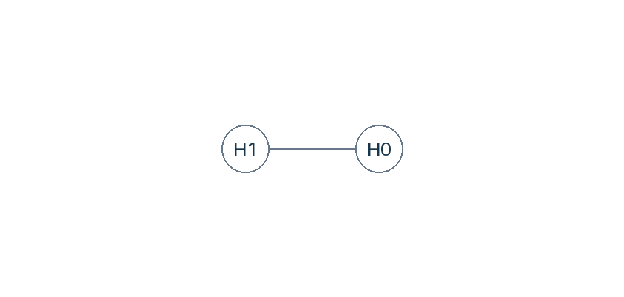 | 0: H 1: H | [[0,1,1]] | [] | Hydrogen | CSV InChI connectivity; electronic state is not inferred.
O | H / O chemistry | 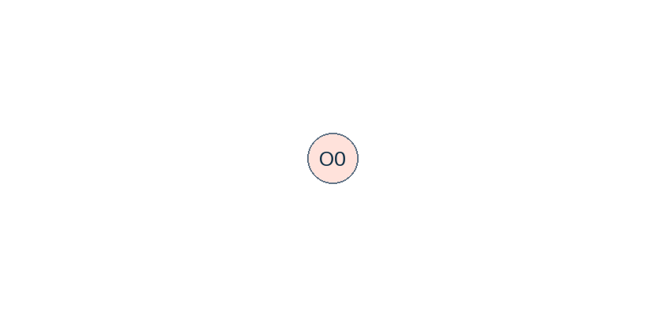 | 0: O | [] | [0] | Oxygen atom | CSV InChI connectivity; electronic state is not inferred.
O2 | H / O chemistry | 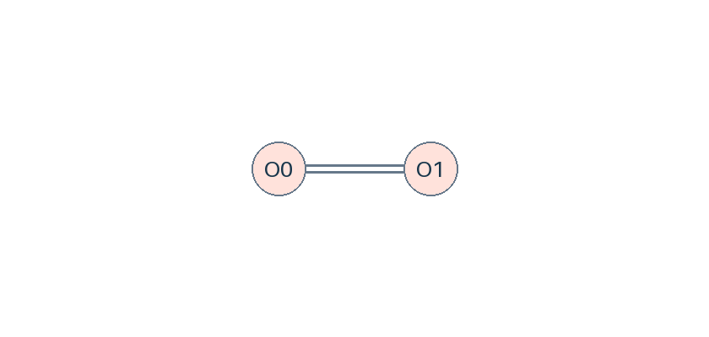 | 0: O 1: O | [[0,1,2]] | [0,0] | Oxygen | CSV InChI connectivity; electronic state is not inferred.
OH | H / O chemistry | 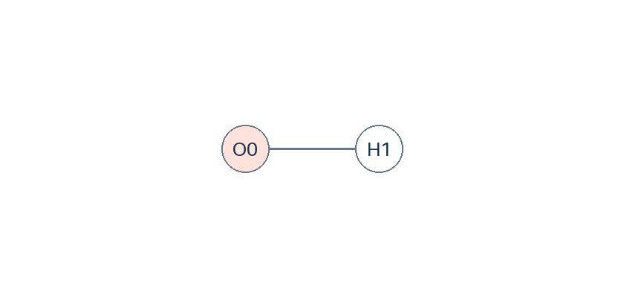 | 0: O | [] | [1] | Hydroxyl radical | CSV InChI connectivity; electronic state is not inferred.
H2O | H / O chemistry | 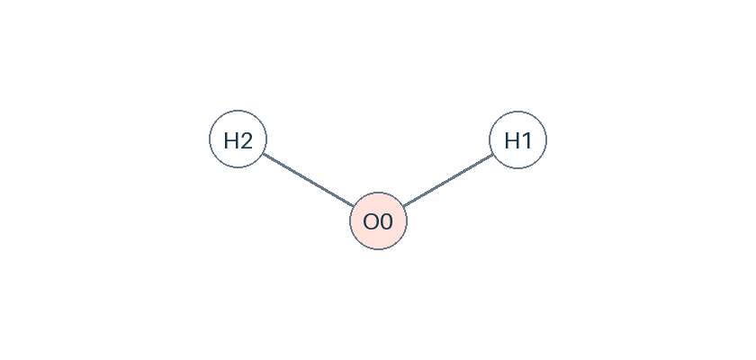 | 0: O | [] | [2] | Water | CSV InChI connectivity; electronic state is not inferred.
HO2 | H / O chemistry | 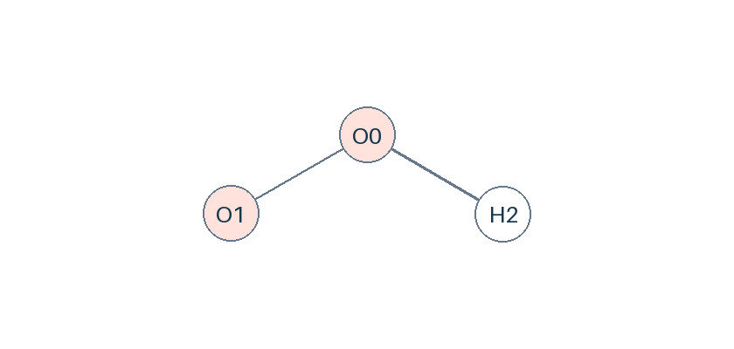 | 0: O 1: O | [[0,1,1]] | [1,0] | Hydroperoxy radical | CSV InChI connectivity; electronic state is not inferred.
H2O2 | H / O chemistry | 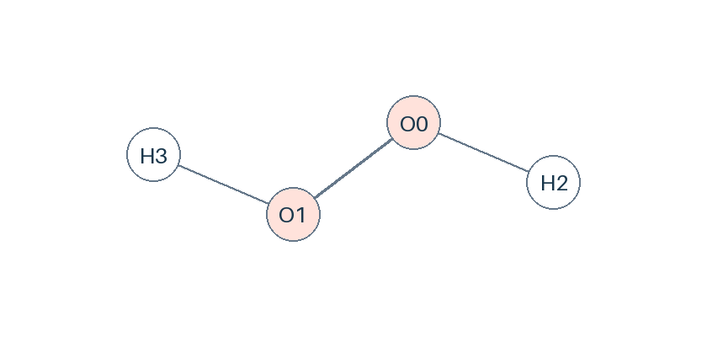 | 0: O 1: O | [[0,1,1]] | [1,1] | Hydrogen peroxide | CSV InChI connectivity; electronic state is not inferred.
C | C1 chemistry | 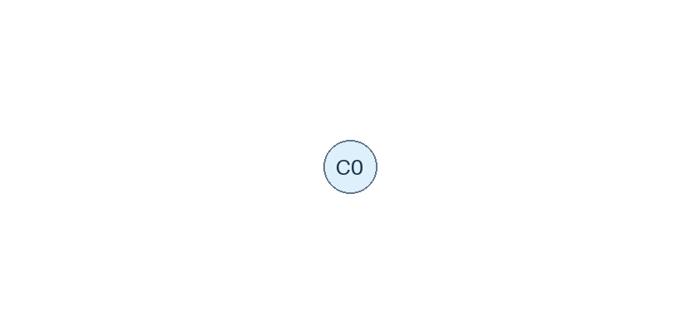 | 0: C | [] | [0] | Carbon atom | CSV InChI connectivity; electronic state is not inferred.
CH | C1 chemistry | 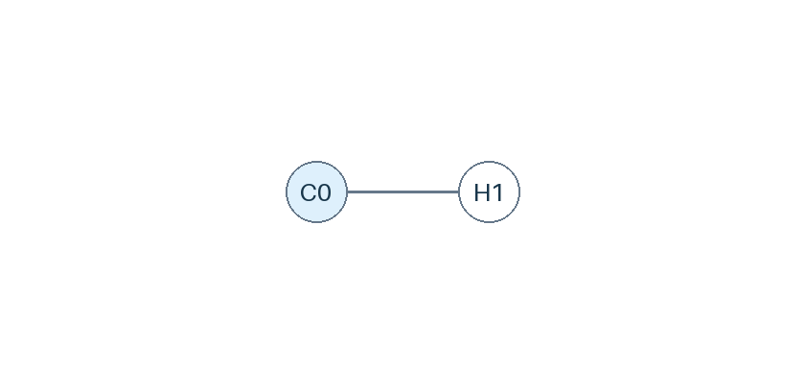 | 0: C | [] | [1] | Methylidyne | CSV InChI connectivity; electronic state is not inferred.
CH2 | C1 chemistry | 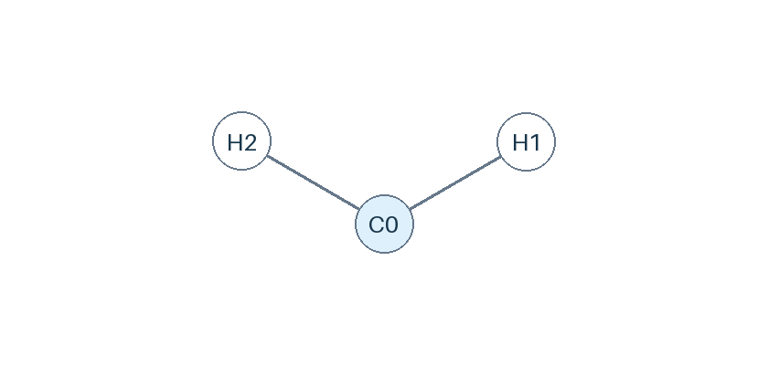 | 0: C | [] | [2] | Methylene radical triplet | CSV InChI connectivity; electronic state is not inferred.
CH2(S) | C1 chemistry |  | 0: C | [] | [2] | Methylene radical singlet | Singlet. SMILES does not encode this state.
CH3 | C1 chemistry | 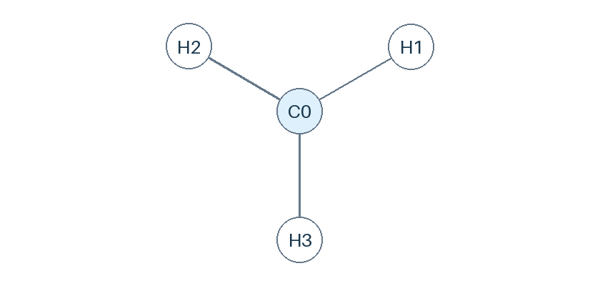 | 0: C | [] | [3] | Methyl radical | CSV InChI connectivity; electronic state is not inferred.
CH4 | C1 chemistry | 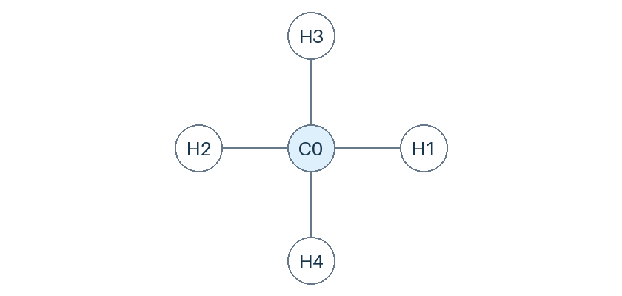 | 0: C | [] | [4] | Methane | CSV InChI connectivity; electronic state is not inferred.
CO | C1 chemistry | 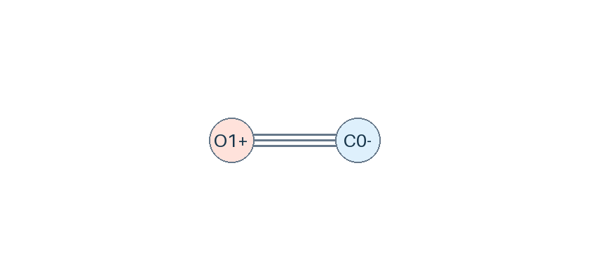 | 0: C 1: O | [[0,1,3]] | [0,0] | Carbon monoxide | CSV InChI connectivity; electronic state is not inferred.
CO2 | C1 chemistry | 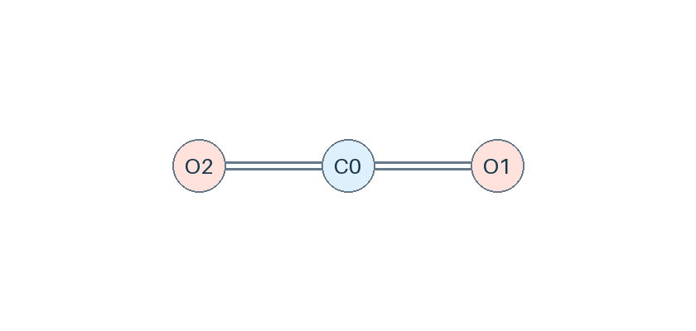 | 0: C 1: O 2: O | [[0,1,2],[0,2,2]] | [0,0,0] | Carbon dioxide | CSV InChI connectivity; electronic state is not inferred.
HCO | C1 chemistry | 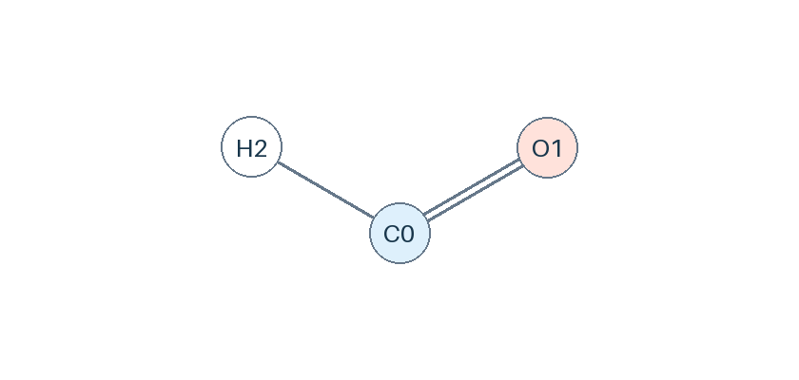 | 0: C 1: O | [[0,1,2]] | [1,0] | Formyl radical | CSV InChI connectivity; electronic state is not inferred.
CH2O | C1 chemistry | 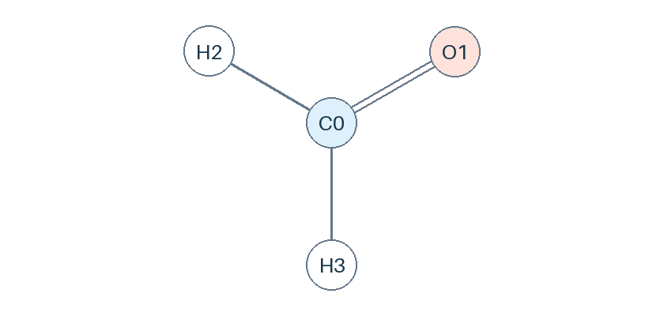 | 0: C 1: O | [[0,1,2]] | [2,0] | Formaldehyde | CSV InChI connectivity; electronic state is not inferred.
CH2OH | C1 chemistry | 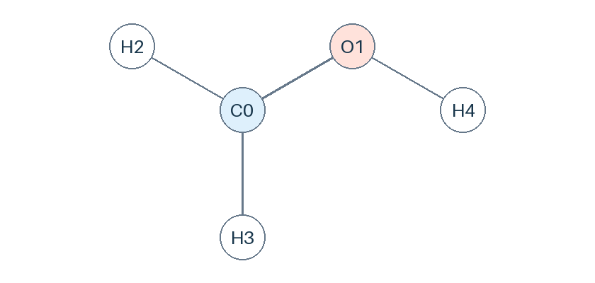 | 0: C 1: O | [[0,1,1]] | [2,1] | Hydroxymethyl radical | CSV InChI connectivity; electronic state is not inferred.
CH3O | C1 chemistry | 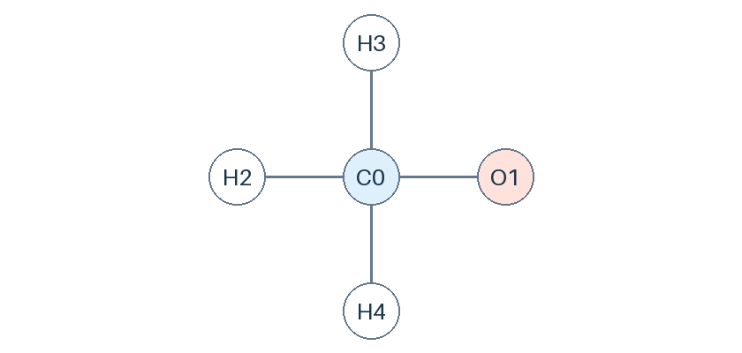 | 0: C 1: O | [[0,1,1]] | [3,0] | Methoxy radical | CSV InChI connectivity; electronic state is not inferred.
CH3OH | C1 chemistry | 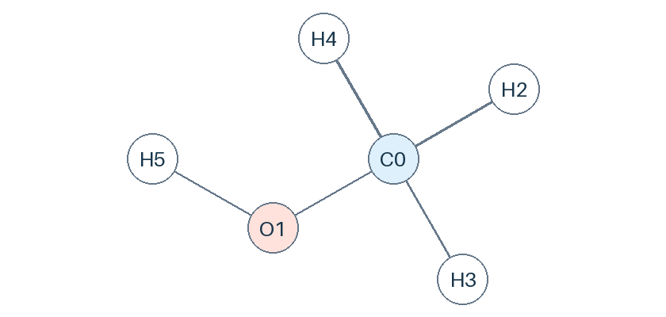 | 0: C 1: O | [[0,1,1]] | [3,1] | Methanol | CSV InChI connectivity; electronic state is not inferred.
C2H | C2 chemistry | 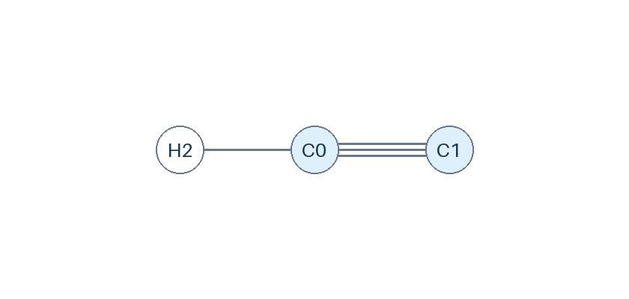 | 0: C 1: C | [[0,1,3]] | [1,0] | Ethynyl radical | CSV InChI connectivity; electronic state is not inferred.
C2H2 | C2 chemistry | 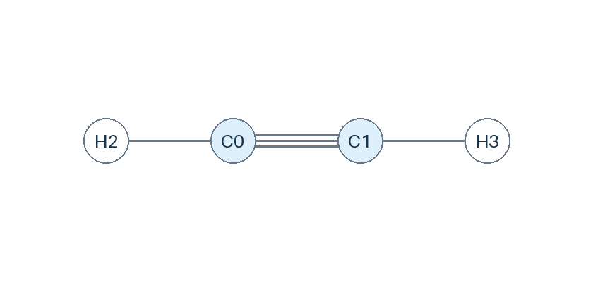 | 0: C 1: C | [[0,1,3]] | [1,1] | Acetylene | CSV InChI connectivity; electronic state is not inferred.
C2H3 | C2 chemistry | 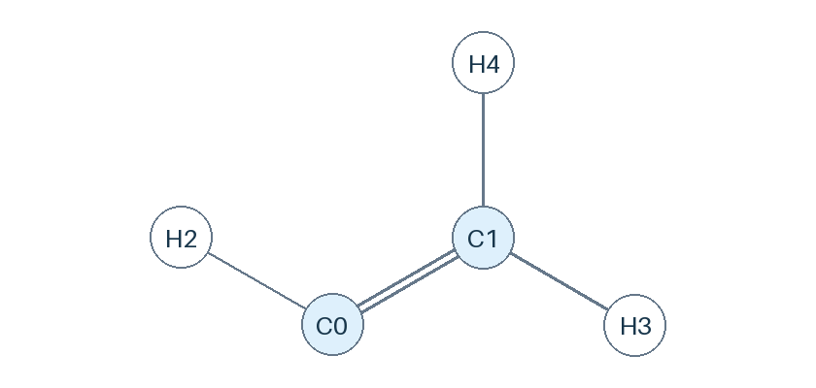 | 0: C 1: C | [[0,1,2]] | [1,2] | Vinyl radical | CSV InChI connectivity; electronic state is not inferred.
C2H4 | C2 chemistry | 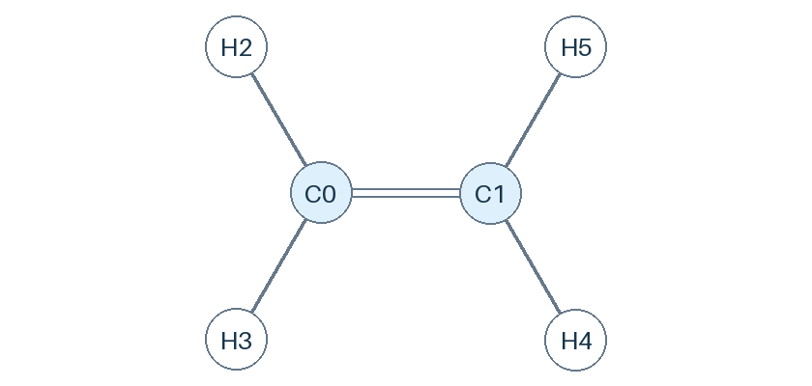 | 0: C 1: C | [[0,1,2]] | [2,2] | Ethylene | CSV InChI connectivity; electronic state is not inferred.
C2H5 | C2 chemistry | 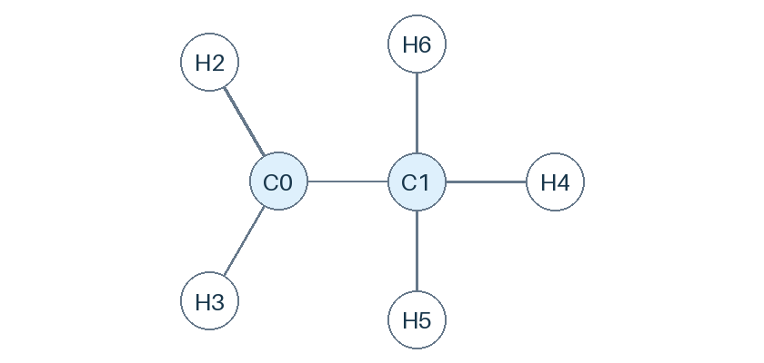 | 0: C 1: C | [[0,1,1]] | [2,3] | Ethyl radical | CSV InChI connectivity; electronic state is not inferred.
C2H6 | C2 chemistry | 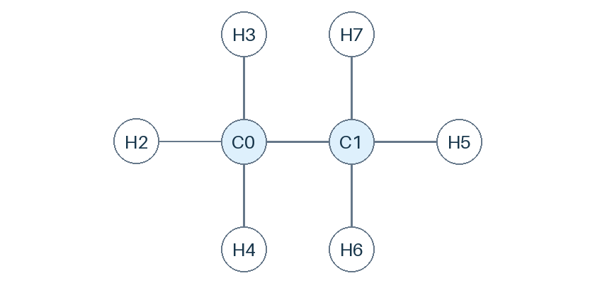 | 0: C 1: C | [[0,1,1]] | [3,3] | Ethane | CSV InChI connectivity; electronic state is not inferred.
HCCO | C2 chemistry | 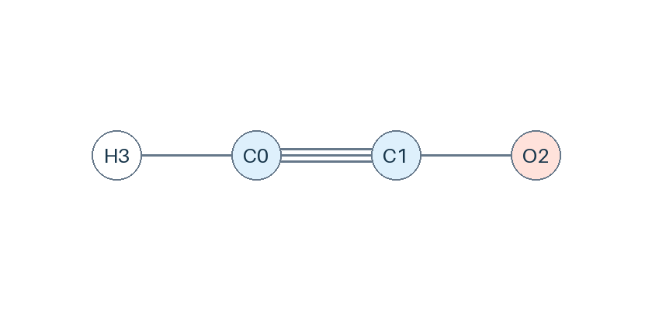 | 0: C 1: C 2: O | [[0,1,3],[1,2,1]] | [1,0,0] | Ketenyl radical | CSV InChI connectivity; electronic state is not inferred.
CH2CO | C2 chemistry | 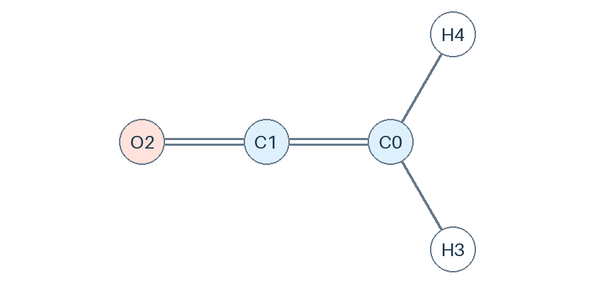 | 0: C 1: C 2: O | [[0,1,2],[1,2,2]] | [2,0,0] | Ketene | CSV InChI connectivity; electronic state is not inferred.
CH2CHO | C2 chemistry | 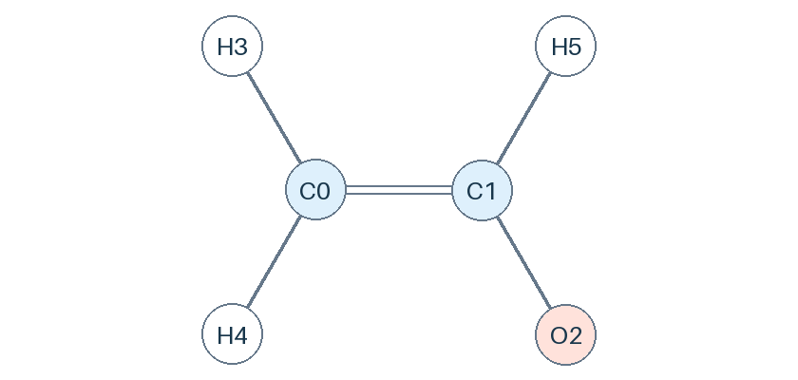 | 0: C 1: C 2: O | [[0,1,2],[1,2,1]] | [2,1,0] | Vinoxy radical | CSV InChI connectivity; electronic state is not inferred.
CH3CHO | C2 chemistry | 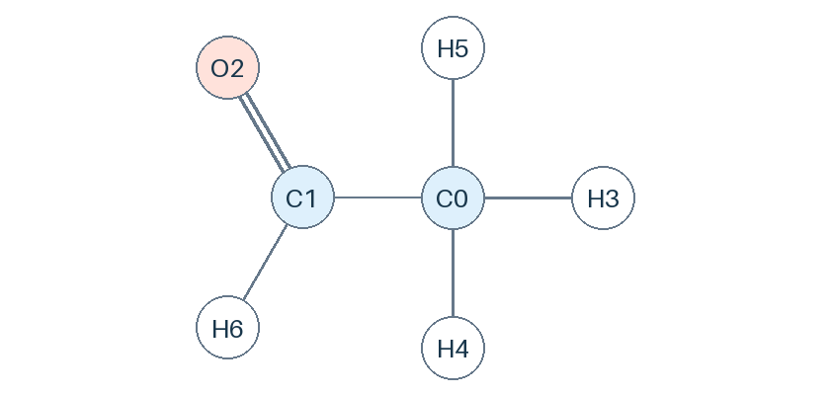 | 0: C 1: C 2: O | [[0,1,1],[1,2,2]] | [3,1,0] | Acetaldehyde | CSV InChI connectivity; electronic state is not inferred.
CH3CO | C2 chemistry | 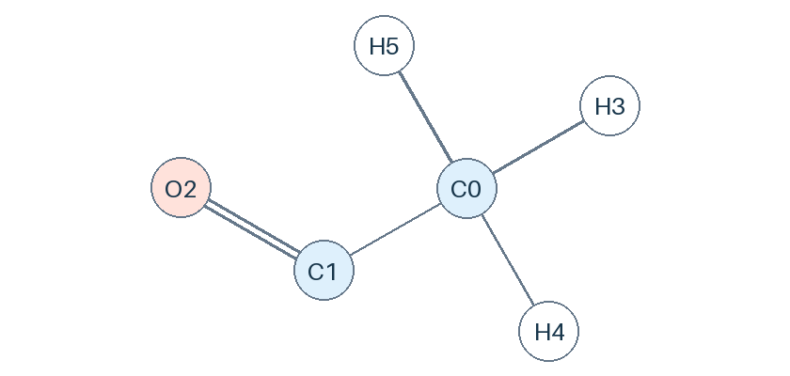 | 0: C 1: C 2: O | [[0,1,1],[1,2,2]] | [3,0,0] | Acetyl radical | CSV InChI connectivity; electronic state is not inferred.
H2CC | C2 chemistry | 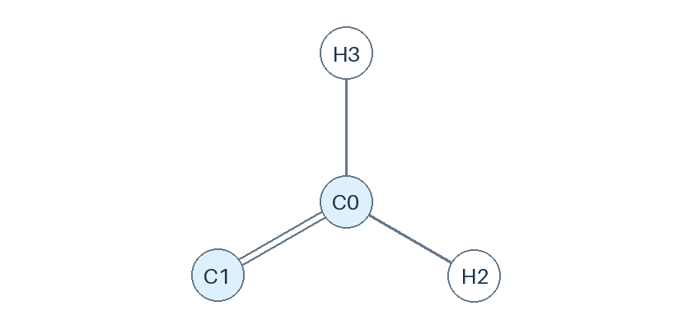 | 0: C 1: C | [[0,1,2]] | [2,0] | Vinylidene | CSV InChI connectivity; electronic state is not inferred.
CH3O2 | C1 chemistry | 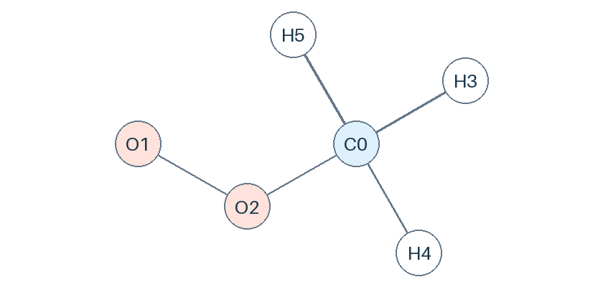 | 0: C 1: O 2: O | [[0,2,1],[1,2,1]] | [3,0,0] | Methyldioxy radical | CSV InChI connectivity; electronic state is not inferred.
CH3OOH | C1 chemistry | 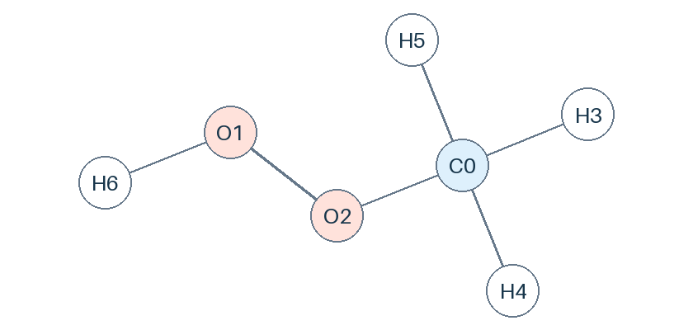 | 0: C 1: O 2: O | [[0,2,1],[1,2,1]] | [3,1,0] | Methyl hydroperoxide | CSV InChI connectivity; electronic state is not inferred.
C2H5O2 | C2 chemistry | 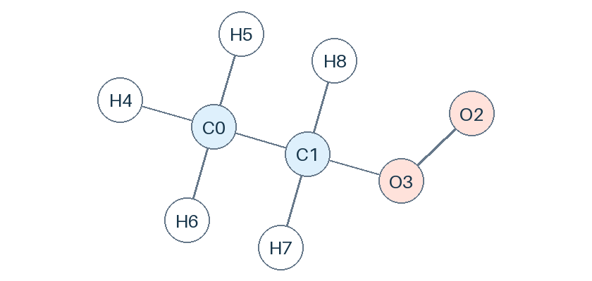 | 0: C 1: C 2: O 3: O | [[0,1,1],[1,3,1],[2,3,1]] | [3,2,0,0] | Ethyldioxy radical | CSV InChI connectivity; electronic state is not inferred.
C2H5OOH | C2 chemistry | 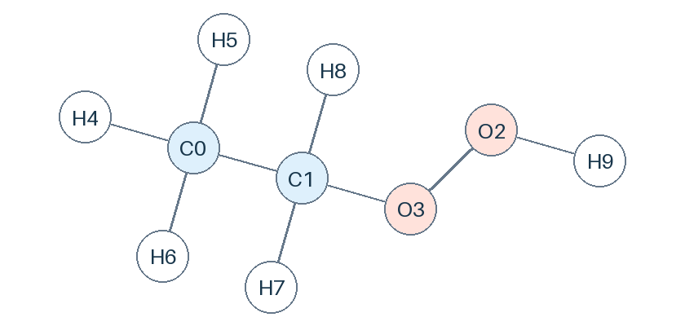 | 0: C 1: C 2: O 3: O | [[0,1,1],[1,3,1],[2,3,1]] | [3,2,1,0] | Ethyl hydroperoxide | CSV InChI connectivity; electronic state is not inferred.
C2H2OH | C2 chemistry | 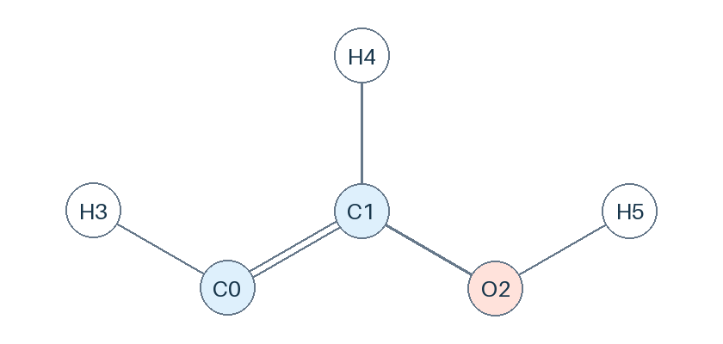 | 0: C 1: C 2: O | [[0,1,2],[1,2,1]] | [1,1,1] | 2-Hydroxyvinyl radical | CSV InChI connectivity; electronic state is not inferred.
C2H3OH | C2 chemistry | 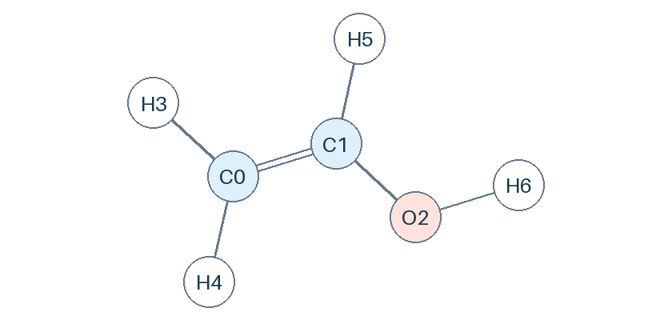 | 0: C 1: C 2: O | [[0,1,2],[1,2,1]] | [2,1,1] | Ethenol | CSV InChI connectivity; electronic state is not inferred.
C2H4O | C2 chemistry |  | 0: C 1: C 2: O | [[0,1,1],[1,2,2]] | [3,1,0] | Acetaldehyde | CSV InChI connectivity; electronic state is not inferred.
C2H5OH | C2 chemistry | 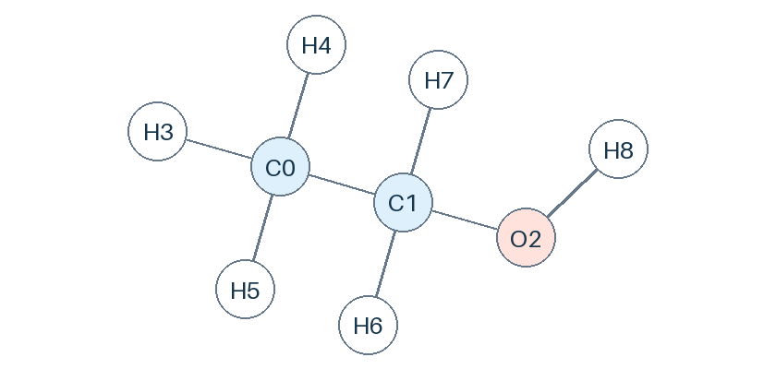 | 0: C 1: C 2: O | [[0,1,1],[1,2,1]] | [3,2,1] | Ethanol | CSV InChI connectivity; electronic state is not inferred.
C2H4OH | C2 chemistry | 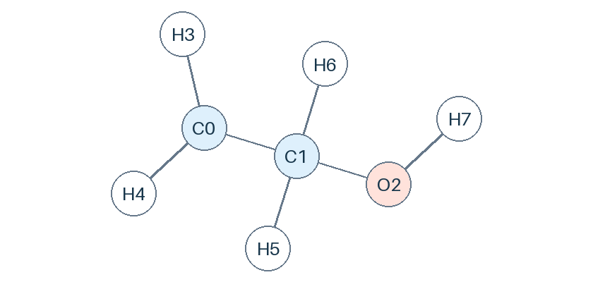 | 0: C 1: C 2: O | [[0,1,1],[1,2,1]] | [2,2,1] | CH2CH2OH | CSV InChI connectivity; electronic state is not inferred.
CH3CHOH | C2 chemistry | 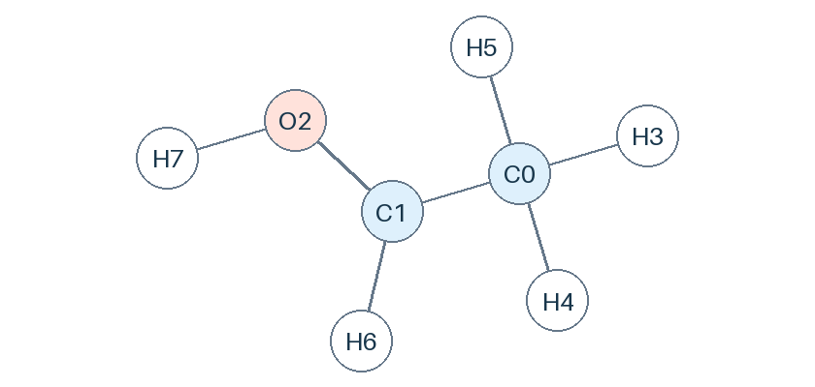 | 0: C 1: C 2: O | [[0,1,1],[1,2,1]] | [3,1,1] | 1-Hydroxyethyl radical | CSV InChI connectivity; electronic state is not inferred.
C3H8 | C3 chemistry | 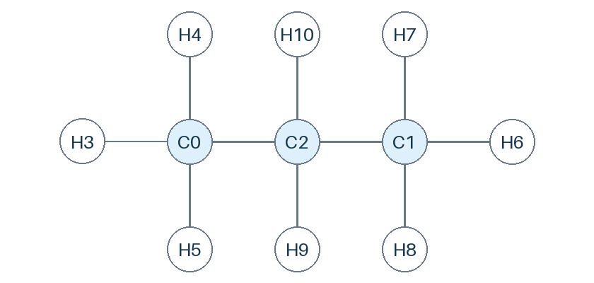 | 0: C 1: C 2: C | [[0,2,1],[1,2,1]] | [3,3,2] | Propane | CSV InChI connectivity; electronic state is not inferred.
NC3H7 | C3 chemistry | 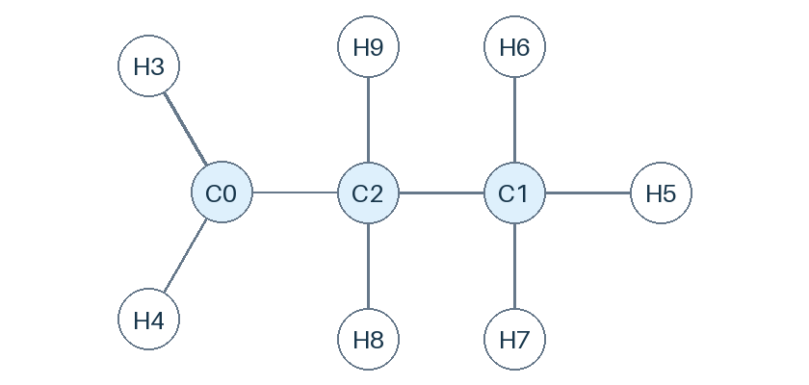 | 0: C 1: C 2: C | [[0,2,1],[1,2,1]] | [2,3,2] | Propyl radical | CSV InChI connectivity; electronic state is not inferred.
IC3H7 | C3 chemistry | 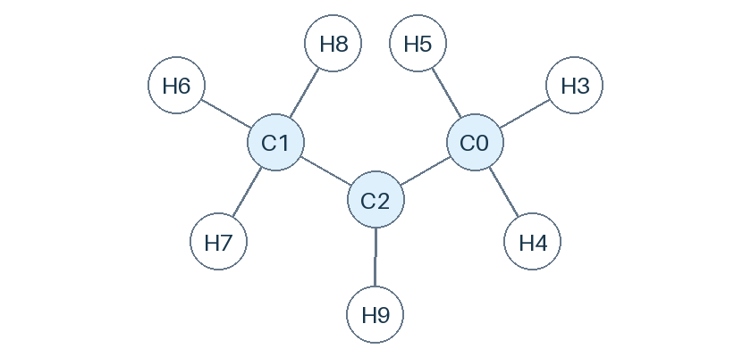 | 0: C 1: C 2: C | [[0,2,1],[1,2,1]] | [3,3,1] | Isopropyl radical | CSV InChI connectivity; electronic state is not inferred.
C3H6 | C3 chemistry | 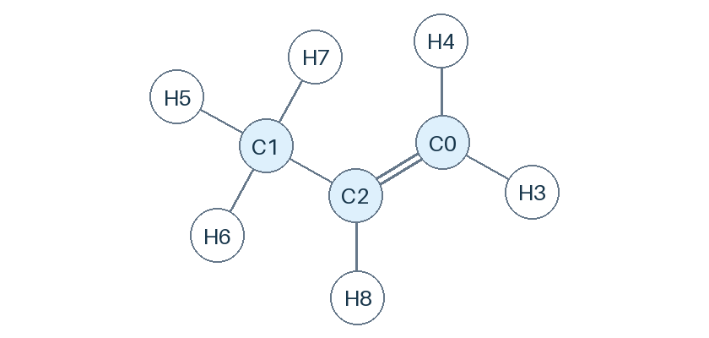 | 0: C 1: C 2: C | [[0,2,2],[1,2,1]] | [2,3,1] | Propene | CSV InChI connectivity; electronic state is not inferred.
C3H5 | C3 chemistry | 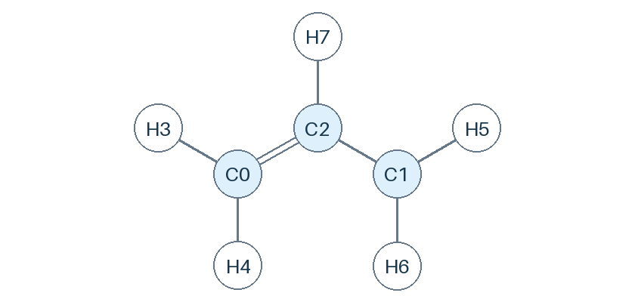 | 0: C 1: C 2: C | [[0,2,2],[1,2,1]] | [2,2,1] | Allyl radical | CSV InChI connectivity; electronic state is not inferred.
CH3CCH2 | C3 chemistry | 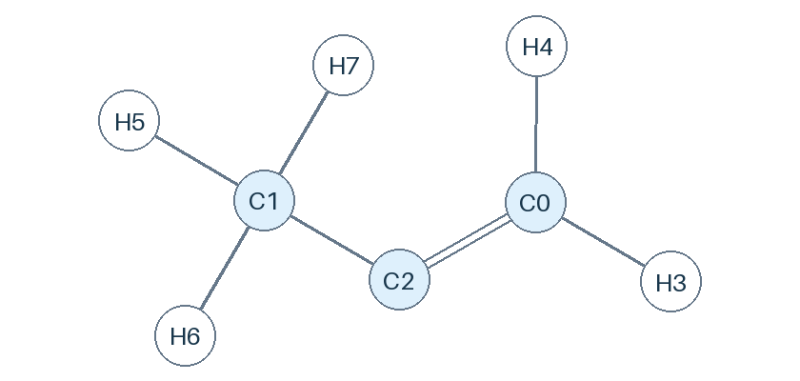 | 0: C 1: C 2: C | [[0,2,2],[1,2,1]] | [2,3,0] | Isopropenyl radical | CSV InChI connectivity; electronic state is not inferred.
AC3H4 | C3 chemistry | 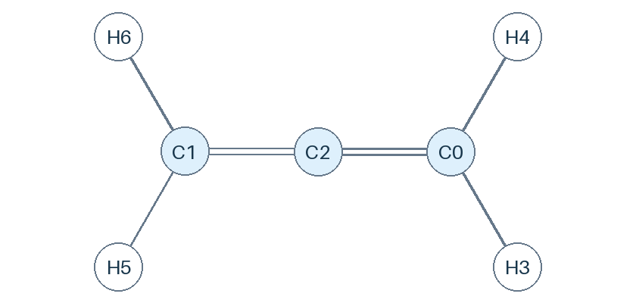 | 0: C 1: C 2: C | [[0,2,2],[1,2,2]] | [2,2,0] | Allene | CSV InChI connectivity; electronic state is not inferred.
PC3H4 | C3 chemistry | 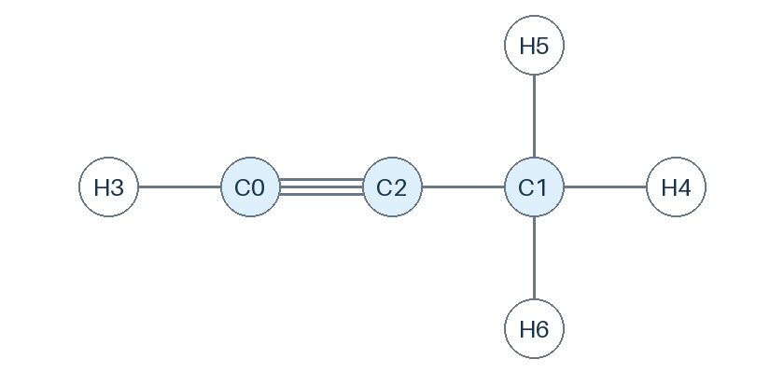 | 0: C 1: C 2: C | [[0,2,3],[1,2,1]] | [1,3,0] | Propyne | CSV InChI connectivity; electronic state is not inferred.
C3H3 | C3 chemistry | 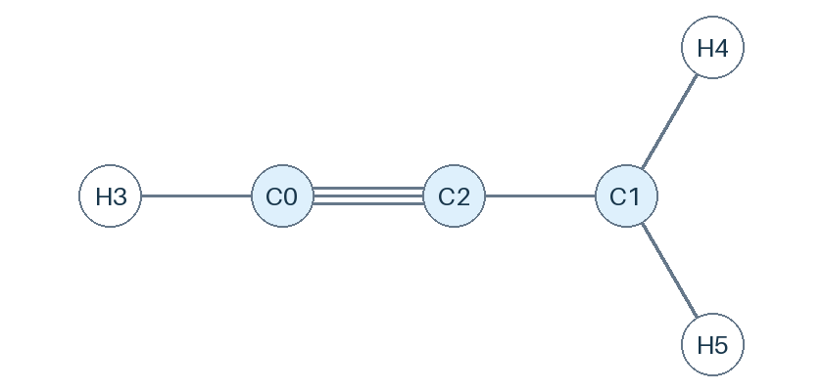 | 0: C 1: C 2: C | [[0,2,3],[1,2,1]] | [1,2,0] | Propargyl radical | CSV InChI connectivity; electronic state is not inferred.
C2H5CHO | C3 chemistry | 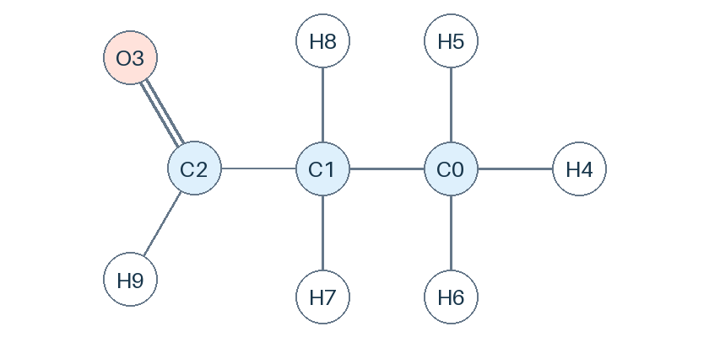 | 0: C 1: C 2: C 3: O | [[0,1,1],[1,2,1],[2,3,2]] | [3,2,1,0] | Propanal | CSV InChI connectivity; electronic state is not inferred.
CH3COCH3 | C3 chemistry |  | 0: C 1: C 2: C 3: O | [[0,2,1],[1,2,1],[2,3,2]] | [3,3,0,0] | Acetone | CSV InChI connectivity; electronic state is not inferred.
CH3COCH2 | C3 chemistry |  | 0: C 1: C 2: C 3: O | [[0,2,2],[1,2,1],[2,3,1]] | [2,3,0,0] | 2-Oxopropyl | CSV InChI connectivity; electronic state is not inferred.
C2H3CHO | C3 chemistry |  | 0: C 1: C 2: C 3: O | [[0,1,2],[1,2,1],[2,3,2]] | [2,1,1,0] | 2-Propenal | CSV InChI connectivity; electronic state is not inferred.
C3H5OH | C3 chemistry |  | 0: C 1: C 2: C 3: O | [[0,1,2],[1,2,1],[2,3,1]] | [2,1,2,1] | 2-Propen-1-ol | CSV InChI connectivity; electronic state is not inferred.
NC3H7O2 | C3 chemistry |  | 0: C 1: C 2: C 3: O 4: O | [[0,1,1],[1,2,1],[2,4,1],[3,4,1]] | [3,2,2,0,0] | Propyldioxy | CSV InChI connectivity; electronic state is not inferred.
NC3H7OOH | C3 chemistry |  | 0: C 1: C 2: C 3: O 4: O | [[0,1,1],[1,2,1],[2,4,1],[3,4,1]] | [3,2,2,1,0] | Propylhydroperoxide | CSV InChI connectivity; electronic state is not inferred.
IC3H7O2 | C3 chemistry |  | 0: C 1: C 2: C 3: O 4: O | [[0,2,1],[1,2,1],[2,4,1],[3,4,1]] | [3,3,1,0,0] | Isopropylperoxy | CSV InChI connectivity; electronic state is not inferred.
IC3H7OOH | C3 chemistry |  | 0: C 1: C 2: C 3: O 4: O | [[0,2,1],[1,2,1],[2,4,1],[3,4,1]] | [3,3,1,1,0] | 2-Hydroperoxypropane | CSV InChI connectivity; electronic state is not inferred.
C4H2 | C4 chemistry |  | 0: C 1: C 2: C 3: C | [[0,2,3],[1,3,3],[2,3,1]] | [1,1,0,0] | 1,3-Butadiyne | CSV InChI connectivity; electronic state is not inferred.
NC4H3 | C4 chemistry |  | 0: C 1: C 2: C 3: C | [[0,2,2],[1,3,3],[2,3,1]] | [2,0,1,0] | 1-Butene-3-yne-4-yl radical | CSV InChI connectivity; electronic state is not inferred.
IC4H3 | C4 chemistry |  | 0: C 1: C 2: C 3: C | [[0,2,3],[1,3,2],[2,3,1]] | [1,2,0,0] | Butatrienyl radical | CSV InChI connectivity; electronic state is not inferred.
C4H4 | C4 chemistry |  | 0: C 1: C 2: C 3: C | [[0,2,3],[1,3,2],[2,3,1]] | [1,2,0,1] | 1-Buten-3-yne | CSV InChI connectivity; electronic state is not inferred.
NC4H5 | C4 chemistry |  | 0: C 1: C 2: C 3: C | [[0,2,1],[1,3,3],[2,3,1]] | [3,0,2,0] | 1-Butynylradical | CSV InChI connectivity; electronic state is not inferred.
IC4H5 | C4 chemistry |  | 0: C 1: C 2: C 3: C | [[0,2,3],[1,3,1],[2,3,1]] | [1,3,0,1] | 1-Butyn-3-yl radical | CSV InChI connectivity; electronic state is not inferred.
C4H5-2 | C4 chemistry |  | 0: C 1: C 2: C 3: C | [[0,2,2],[1,3,1],[2,3,2]] | [2,3,0,0] | But-2-yn-1-yl radical | CSV InChI connectivity; electronic state is not inferred.
C4H6 | C4 chemistry |  | 0: C 1: C 2: C 3: C | [[0,2,2],[1,3,2],[2,3,1]] | [2,2,1,1] | 1,3-Butadiene | CSV InChI connectivity; electronic state is not inferred.
C4H612 | C4 chemistry |  | 0: C 1: C 2: C 3: C | [[0,2,2],[1,3,1],[2,3,2]] | [2,3,0,1] | 1,2-Butadiene | CSV InChI connectivity; electronic state is not inferred.
C4H6-2 | C4 chemistry |  | 0: C 1: C 2: C 3: C | [[0,2,1],[1,3,1],[2,3,3]] | [3,3,0,0] | 2-Butyne | CSV InChI connectivity; electronic state is not inferred.
C4H7 | C4 chemistry |  | 0: C 1: C 2: C 3: C | [[0,2,2],[1,3,1],[2,3,1]] | [2,3,1,1] | 2-Butenyl radical | CSV InChI connectivity; electronic state is not inferred.
IC4H7 | C4 chemistry |  | 0: C 1: C 2: C 3: C | [[0,3,2],[1,3,1],[2,3,1]] | [2,2,3,0] | 2-Methylallyl radical | CSV InChI connectivity; electronic state is not inferred.
IC4H7-1 | C4 chemistry |  | 0: C 1: C 2: C 3: C | [[0,3,2],[1,3,1],[2,3,1]] | [1,3,3,0] | iso-Butyl vinylic radical | CSV InChI connectivity; electronic state is not inferred.
C4H81 | C4 chemistry |  | 0: C 1: C 2: C 3: C | [[0,2,2],[1,3,1],[2,3,1]] | [2,3,1,2] | 1-Butene | CSV InChI connectivity; electronic state is not inferred.
C4H82 | C4 chemistry |  | 0: C 1: C 2: C 3: C | [[0,2,1],[1,3,1],[2,3,2]] | [3,3,1,1] | 2-Butene | CSV InChI connectivity; electronic state is not inferred.
IC4H8 | C4 chemistry |  | 0: C 1: C 2: C 3: C | [[0,3,2],[1,3,1],[2,3,1]] | [2,3,3,0] | iso-Butene | CSV InChI connectivity; electronic state is not inferred.
NC4H9 | C4 chemistry |  | 0: C 1: C 2: C 3: C | [[0,2,1],[1,3,1],[2,3,1]] | [2,3,2,2] | 1-Butyl radical | CSV InChI connectivity; electronic state is not inferred.
SC4H9 | C4 chemistry |  | 0: C 1: C 2: C 3: C | [[0,2,1],[1,3,1],[2,3,1]] | [3,3,1,2] | 2-Butyl radical | CSV InChI connectivity; electronic state is not inferred.
IC4H9 | C4 chemistry |  | 0: C 1: C 2: C 3: C | [[0,3,1],[1,3,1],[2,3,1]] | [2,3,3,1] | iso-Butyl radical | CSV InChI connectivity; electronic state is not inferred.
TC4H9 | C4 chemistry |  | 0: C 1: C 2: C 3: C | [[0,3,1],[1,3,1],[2,3,1]] | [3,3,3,0] | tert-Butyl radical | CSV InChI connectivity; electronic state is not inferred.
C4H10 | C4 chemistry |  | 0: C 1: C 2: C 3: C | [[0,2,1],[1,3,1],[2,3,1]] | [3,3,2,2] | Butane | CSV InChI connectivity; electronic state is not inferred.
IC4H10 | C4 chemistry |  | 0: C 1: C 2: C 3: C | [[0,3,1],[1,3,1],[2,3,1]] | [3,3,3,1] | iso-Butane | CSV InChI connectivity; electronic state is not inferred.
H2C4O | C4 chemistry |  | 0: C 1: C 2: C 3: C 4: O | [[0,1,2],[1,2,2],[2,3,2],[3,4,2]] | [2,0,0,0,0] | Butatrienone | CSV InChI connectivity; electronic state is not inferred.
CH2CHCHCHO | C4 chemistry |  | 0: C 1: C 2: C 3: C 4: O | [[0,1,2],[1,2,1],[2,3,2],[3,4,1]] | [2,1,1,1,0] | N/A | CSV InChI connectivity; electronic state is not inferred.
CH3CHCHCO | C4 chemistry |  | 0: C 1: C 2: C 3: C 4: O | [[0,1,1],[1,2,2],[2,3,1],[3,4,2]] | [3,1,1,0,0] | 1-Methyl-3-oxoallyl radical | CSV InChI connectivity; electronic state is not inferred.
CH3CHCHCHO | C4 chemistry |  | 0: C 1: C 2: C 3: C 4: O | [[0,1,1],[1,2,2],[2,3,1],[3,4,2]] | [3,1,1,1,0] | 2-Butenal | CSV InChI connectivity; electronic state is not inferred.
C3H7CHO | C4 chemistry |  | 0: C 1: C 2: C 3: C 4: O | [[0,1,1],[1,2,1],[2,3,1],[3,4,2]] | [3,2,2,1,0] | Butanal | CSV InChI connectivity; electronic state is not inferred.
IC3H7CHO | C4 chemistry |  | 0: C 1: C 2: C 3: C 4: O | [[0,3,1],[1,3,1],[2,3,1],[2,4,2]] | [3,3,1,1,0] | 2-Methylpropanal | CSV InChI connectivity; electronic state is not inferred.
C2H5COCH3 | C4 chemistry |  | 0: C 1: C 2: C 3: C 4: O | [[0,2,1],[1,3,1],[2,3,1],[3,4,2]] | [3,3,2,0,0] | Ethyl methyl ketone | CSV InChI connectivity; electronic state is not inferred.
C2H3COCH3 | C4 chemistry |  | 0: C 1: C 2: C 3: C 4: O | [[0,2,2],[1,3,1],[2,3,1],[3,4,2]] | [2,3,1,0,0] | Methyl vinyl ketone | CSV InChI connectivity; electronic state is not inferred.
OH* | H / O chemistry |  | 0: O | [] | [1] | Hydroxyl radical excited (${\rm A}^2\Sigma^+$) | Excited; see source chemical name. SMILES does not encode this state.
CH* | C1 chemistry |  | 0: C | [] | [1] | Methylidyne excited (${\rm A}^2\Delta$) | Excited; see source chemical name. SMILES does not encode this state.

