ODO
ID | Type | Assigned To | Description | Status | Priority | Risk | Author
1. Introduction.
ODO_REQ_1 | Heading/Info |  | The odometer provides an opportunity to display the total distance traveled from the production of the product to the current moment, and a user-resettable trip-mileage. | New |  |  | Semiha Karaibrahimova
ODO_REQ_2 | Heading/Info |  | Total distance and mileage can be displayed in miles and kilometers. The change of units is done by pressing a button once and the zeroing of the trip-mileage is done by holding the button for 2 seconds. | New |  |  | Semiha Karaibrahimova
2. System description.
ODO_REQ_3 | Heading/Info |  | 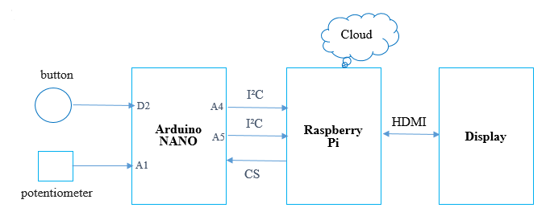 System architecture: | New |  |  | Bozhidara Atanasova
ODO_REQ_4 | Heading/Info |  | 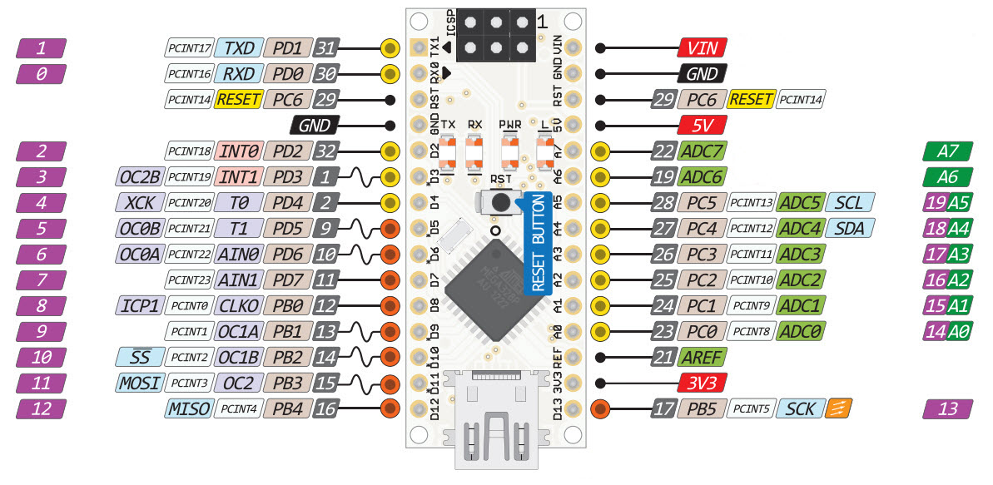 Arduino Nano: | New |  |  | Semiha Karaibrahimova
ODO_REQ_5 | Heading/Info |  | 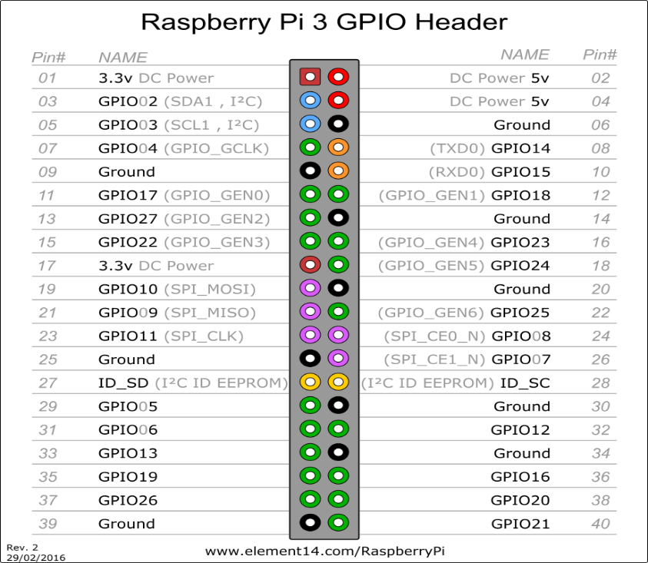 Raspberry Pi | New |  |  | Semiha Karaibrahimova
ODO_REQ_6 | Heading/Info |  | The dimensions of the tyres are 205/55 R16. | New |  |  | Bozhidara Atanasova
ODO_REQ_7 | Entry | Hardware | The tires movement shall be simulated with impulse generator (potentiometer), which is connected to the Arduino port A1. | New | High | High | Semiha Karaibrahimova
ODO_REQ_8 | Entry | Hardware | The unit-changing button, which has the functionality to zero the trip-mileage, shall be connected to the Arduino's D2 digital input the following way: | New | High | High | Semiha Karaibrahimova
ODO_REQ_9 | Entry | Hardware | The input voltage, applied to the button shall be 5V DC. | New | High | Medium | Semiha Karaibrahimova
3. Inputs. ButtonPressed - a signal, which is set by the Arduino and describes the button state. Button - parameter, where the back-end saves the decoded value of ButtonPressed. aliveCounterODO - a signal, set by the Arduino, to check if the Raspberry is responding.
4. Outputs. SPEED - the value of the speed. TotalDistance - the value of the total traveled distance, calculated by the back-end TripDistance - the value of the trip-mileage, calculated by the back-end. UNITS - parameter, which is set by the HMI and contains information about the current unit. TotalDistanceMiles - the value of the total distance, converted to miles by the HMI. TripDistanceMiles - the value of the trip-mileage, converted to miles by the HMI. ResetDistance - parameter, set with the value of TotalDistance by the back-end, when the trip-mileage is set to 0. ValueValidity - parameter, set by the HMI and containing information about the validity of the distance values.
5. Behaviour
5.1. Expected behaviour:
ODO_REQ_10 | Entry | Hardware | Arduino shall get the value of the speed directly from the potentiometer. | New | High | High | Bozhidara Atanasova
ODO_REQ_11 | Entry | Hardware | The values of the speed and ButtonPressed, which contains data about the button state, shall be collected in a 3-byte package payLoad, where the values are presented binary. payLoad[0] = (speed&0xFF) payLoad[1] = (speed&0x0300) >> 8 payLoad[2]|=(btn&0x03)<<2 | New |  |  | Semiha Karaibrahimova
ODO_REQ_12 | Entry | Hardware | The Arduino shall send the package payLoad to the Raspberry every 100ms. | New | High | High | Bozhidara Atanasova
ODO_REQ_13 | Entry | Back-end | The back-end shall decode the data, received from the package payLoad. | New | High | High | Bozhidara Atanasova
ODO_REQ_14 | Entry | Back-end | The back-end shall save the values of the speed and the button state in SPEED and Button. | New | High | High | Semiha Karaibrahimova
ODO_REQ_15 | Entry | Back-end | On every 100 miliseconds the Distance (S) is calculated using the following formula: S = (SPEED * T * 10 ³) / 3600 Where: S is in meters SPEED - speed in km/h T - time (100 ms) | New | High | High | Semiha Karaibrahimova
ODO_REQ_16 | Entry | Back-end | The calculated distance is added to the current distance, the total distance and the trip distance are updated and the signals TotalDistance and TripDistance are sent to the front-end in km as strings. | New | High | High | Semiha Karaibrahimova
ODO_REQ_17 | Entry | HMI | The HMI shall save information about the current unit in UNITS, which equals 0b if the unit is km and 1b if the unit is miles. The default value of UNITS is 0b. | New | High | Medium | Bozhidara Atanasova
ODO_REQ_18 | Entry | Hardware | A button press will be detected from the Arduino on change of the logical state of the D2 input from 1 to 0. | New | High | High | Semiha Karaibrahimova
ODO-REQ_19 | Entry | Hardware | The default value of signal ButtonPressed is 0d. If the button is pressed once the hardware shall set signal ButtonPressed to 1d. | New | High | High | Bozhidara Atanasova
ODO_REQ_20 | Entry | HMI | If signal Button is 1d, the HMI shall convert the units of TotalDistance and TripDistance from km to miles if UNITS is 0b, using the formula: S [miles] = 1.609 * S[km]. The HMI shall save the converted values of TotalDistance in TotalDistanceMiles and the converted values of TripDistance in TripDistanceMiles. The HMI shall set UNITS to 1b. | New | High | Medium | Bozhidara Atanasova
ODO_REQ_21 | Entry | HMI | If signal Button is 1d, the HMI shall start displaying the values, received from signals TotalDistance and TripDistance, and the units in km if UNITS is 1b. The HMI shall set UNITS to 0b. | New | High | Medium | Bozhidara Atanasova
ODO_REQ_22 | Entry | Hardware | If the button is pressed for 3 seconds the Arduino shall set signal ButtonPressed to 3d and send it to the Raspberry. | New | High | Medium | Bozhidara Atanasova
ODO_REQ_23 | Entry | Back-end | The back-end shall save the current value of the trip-mileage in TripDistance. | New | High | High | Bozhidara Atanasova
ODO_REQ_24 | Entry | Back-end | If Button is 3d, the back-end shall save the value of TotalDistance in ResetDistance and shall set the TripDistance to 0. | New | High | Medium | Bozhidara Atanasova
ODO_REQ_25 | Entry | Back-end | The new value of TripDistance shall be calculated every 100m, using the formula: TripDistance = TotalDistance - ResetDistance. | New | High | Medium | Bozhidara Atanasova
ODO_REQ_26 | Entry | Back-end | The back-end shall send to the front-end signal TripDistance, which is the value of the trip-mileage, in km every 50ms as a string. | New | High | High | Bozhidara Atanasova
ODO_REQ_27 | Entry | HMI | The HMI shall check if the received values of signal TotalDistance are in the range 0-999 999, if signal UNITS is 0b. The result shall be saved in ValueValidity. The HMI shall set ValueValidity to 1b if the values are valid and to 0b if not. | New | High | Medium | Bozhidara Atanasova
ODO_REQ_28 | Entry | HMI | The HMI shall display the total distance, received from signal TotalDistance, and the units in km if signal UNITS is 0b and ValueValidity is 1b. | New | High | Medium | Bozhidara Atanasova
ODO_REQ_29 | Entry | HMI | The HMI shall display the value of TotalDistanceMiles and the units in miles if signal UNITS is 1b and ValueValidity is 1b. | New | High | Medium | Bozhidara Atanasova
ODO_REQ_30 | Entry | HMI | The HMI shall display the trip distance, received from signal TripDistance, and the units in km if signal UNITS is 0b and ValueValidity is 1b. | New | High | Medium | Bozhidara Atanasova
ODO_REQ_31 | Entry | HMI | The HMI shall display the value of TripDistanceMiles and the units in miles if signal UNITS is 1b and ValueValidity is 1b. | New | High | Medium | Bozhidara Atanasova
5.2. Exceptional behaviour
ODO_REQ_32 | Entry | Hardware | In order to be sure that the Raspberry is functioning, the Arduino shall send signal aliveCounterODO in the following format: bit0-bit3: aliveCounter | New | Medium | Medium | Bozhidara Atanasova
ODO_REQ_33 | Entry | Hardware | The aliveCounterODO should be incremented in the Arduino after every successful process. | New | Medium | Medium | Bozhidara Atanasova
ODO_REQ_34 | Entry | Back-end | The Raspberry shall answer with the same aliveCounterODO value right away. | new | Medium | Medium | Bozhidara Atanasova
ODO_REQ_35 | Entry | Hardware | If the Raspberry does not answer in 10ms or the received value does not correspond to the sent signal it means that the Raspberry is in error state. The value shall be sent again from the Arduino. | New | Medium | Medium | Bozhidara Atanasova
ODO_REQ_36 | Entry | Hardware | If the Raspberry doesn't respond for 100ms the value of TimeOutDTC is set to 1b and the Arduino shall sent the new values. | New | Medium | Medium | Bozhidara Atanasova
SM_REQ_37 | Entry | HMI | If ValueValidity is 0b the HMI shall send an error message to the back-end. | New | Medium | Medium | Bozhidara Atanasova
ODO_REQ_38 | Entry | Back-end | If ValueValidity is 0b an OdoApplicationDTC message with a replacement value should be sent to the HMI. | New | Medium | Medium | Bozhidara Atanasova

