Dashboard
Commande
 | Nombre de Order ID | Somme de Sales
01/05/2021 | 6 | 4108.37
02/05/2021 | 5 | 399.11
03/05/2021 | 9 | 1386.346
04/05/2021 | 11 | 1389.405
05/05/2021 | 6 | 185.123
06/05/2021 | 13 | 3183.3698
07/05/2021 | 6 | 2549.468
08/05/2021 | 5 | 3658.554
09/05/2021 | 7 | 1078.222
11/05/2021 | 9 | 449.469
12/05/2021 | 13 | 970.384
13/05/2021 | 9 | 3066.378
14/05/2021 | 21 | 4182.062
15/05/2021 | 8 | 421.264
16/05/2021 | 1 | 221.024
18/05/2021 | 17 | 1830.508
19/05/2021 | 20 | 4919.182
20/05/2021 | 12 | 2997.578
21/05/2021 | 2 | 538.02
22/05/2021 | 7 | 336.562
23/05/2021 | 5 | 241.436
25/05/2021 | 6 | 886.026
26/05/2021 | 4 | 270.24
27/05/2021 | 11 | 2084.908
28/05/2021 | 12 | 1480.103
29/05/2021 | 8 | 691.108
30/05/2021 | 9 | 736.8904
Chiffre d'affaires
4.9M
Bénéfice
4.9M
6%
Produits
420
6%

242
23
6%

Dashboard
# Commande par catégories
 | Total
Furniture | 2121
Office Supplies | 6026
Technology | 1847

Chiffre d’affaires par Région

Processing
Étiquettes de lignes | Nombre de Order ID
Furniture | 2121
Office Supplies | 6026
Technology | 1847
Total général | 9994

Étiquettes de lignes | Nombre de Order ID
jan | 79
fév | 46
mar | 157
avr | 135
mai | 122
jui | 135
juil | 143
août | 153 |  | Étiquettes de lignes | Nombre de Order ID
sept | 268 |  | 2018 | 1993
oct | 159 |  | 2019 | 2102
nov | 318 |  | 2020 | 2587
déc | 278 |  | 2021 | 3312
Total général | 1993 |  | Total général | 9994

Last Month |  | current Month
Étiquettes de lignes | Nombre de Order ID | Étiquettes de lignes | Nombre de Order ID | Somme de Sales
2020-05-01 | 6 | 2021-05-01 | 6 | 4108.37
2020-05-02 | 12 | 2021-05-02 | 5 | 399.11
2020-05-03 | 9 | 2021-05-03 | 9 | 1386.346
2020-05-05 | 12 | 2021-05-04 | 11 | 1389.405
2020-05-06 | 7 | 2021-05-05 | 6 | 185.123
2020-05-07 | 6 | 2021-05-06 | 13 | 3183.3698
2020-05-08 | 7 | 2021-05-07 | 6 | 2549.468
2020-05-09 | 12 | 2021-05-08 | 5 | 3658.554
2020-05-10 | 3 | 2021-05-09 | 7 | 1078.222
2020-05-11 | 1 | 2021-05-11 | 9 | 449.469
2020-05-12 | 7 | 2021-05-12 | 13 | 970.384
2020-05-14 | 9 | 2021-05-13 | 9 | 3066.378
2020-05-15 | 6 | 2021-05-14 | 21 | 4182.062
2020-05-16 | 4 | 2021-05-15 | 8 | 421.264
2020-05-17 | 9 | 2021-05-16 | 1 | 221.024
2020-05-18 | 2 | 2021-05-18 | 17 | 1830.508
2020-05-19 | 9 | 2021-05-19 | 20 | 4919.182
2020-05-20 | 5 | 2021-05-20 | 12 | 2997.578
2020-05-21 | 7 | 2021-05-21 | 2 | 538.02
2020-05-22 | 8 | 2021-05-22 | 7 | 336.562
2020-05-23 | 7 | 2021-05-23 | 5 | 241.436
2020-05-24 | 3 | 2021-05-25 | 6 | 886.026
2020-05-25 | 3 | 2021-05-26 | 4 | 270.24
2020-05-26 | 18 | 2021-05-27 | 11 | 2084.908
2020-05-27 | 7 | 2021-05-28 | 12 | 1480.103
2020-05-28 | 10 | 2021-05-29 | 8 | 691.108
2020-05-29 | 5 | 2021-05-30 | 9 | 736.8904
2020-05-30 | 25 | Total général | 242 | 44261.1102
Total général | 219

Feuil2
2022-05-26

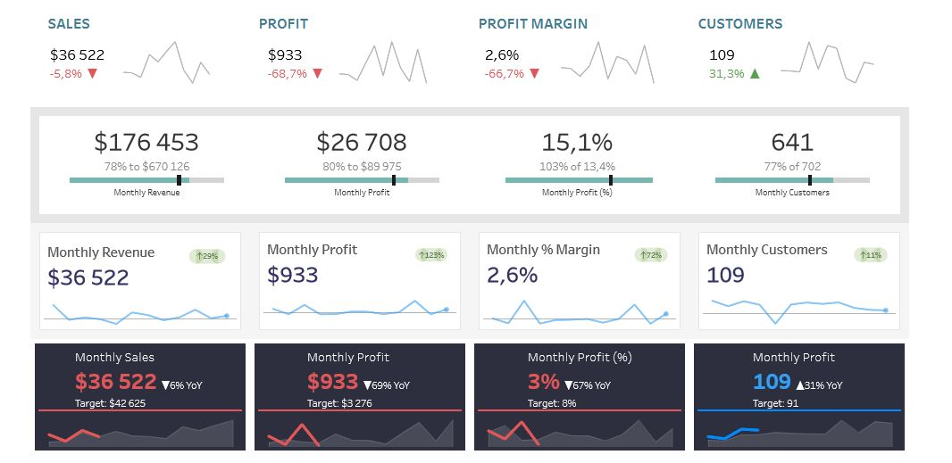

 | country | taxe
 | France | 10
 | usa | 20
 | canada | 30

