all in one
All In One Heat Pump Water Heater （Top Blow) (Stanrdard Specification)
Model | UNP-WSVT-150AA1 | UNP-WSVT-200AA1 | UNP-WSVT-300AA1
美元出厂价 EXW Factory In USD | USD 618 | USD 699 | USD 788
人民币不含税出厂价 EXW Factory In RMB（No VAT) | CNY 4258 | CNY 4815 | CNY 5429
Loading Qty/sets （20GP/40GP/40HQ） | 27/54/54 | 27/54/54 | 21/48/48
Pictures | 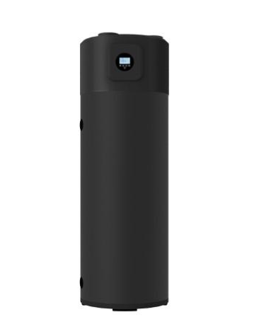
Product Dimensions | φ510*1625 | φ570*1770 | φ640*2000
Power supply | 120V 60HZ
Tank volume | 150 L | 200 L | 300 L
Heating capacity | 1500 W
Rated input power | 350 W | 470 W | 623W
Maximum input power(include electrical heating) | 2685 W | 2685 W | 2890 W
Maximum current | 12.2 A | 12.2 A | 13.4 A
COP | 3.82 | 3.82 | 3.88
Refrigerant | R134a
Compressor | GMCC | GMCC | Panasonic
Four-way valve | SHF-4
Throttling device | Electronic expansion valve
Evaporator | Hydrophilic aluminum foil and copper pipe
Fan Motor | YDK25/32
Fan | φ150
Wire controller | Digital screen, touch buttons
High/low pressure switch | 2.8~2.4/0.05-0.15 Mpa
Power cord specifications | 3m X 1.5mm² | 3m X 1.5mm² | 3m X2.5mm²
Heating rate | 39 L/h | 39 L/h | 52L/h
Max outlet water temperature（heat pump mode) | 70 ℃
Rated outlet water temp | 55 ℃
Ambient temperature | ﹣15～46 ℃
Waterproof level |  | IPX4 | IPX4
Noise | ≤52 dB(A) | ≤52 dB(A) | ≤53 dB(A)
Housing Material | Powder coated galvanized steel
Water tank | Tank with enamel interior
Water connection size | G1/2" | G1/2" | G3/4"
Heat exchanger type | Microchannel heat exchanger
Built-in pressure protection | 0.8MPa
Auxiliary electric heating | 2000 W | 2000 W | 2000 W
Accessory Bag | one G1/2 relief valve、one pipe adapter、Manual | one G1/2 relief valve、one pipe adapter、Manual | one G3/4 relief valve、Manual
Packing Dimensions(L x W x H) （carton and pallet）mm | 645*645*1700 | 645*645*1970 | 740*740*2200
Net Weight | 85 kg | 98 Kg | 132 Kg
Notice:1.The specification are based on the following conditions: DB/WB 20℃/15℃, Water temperature from 15℃ to 55℃, Applicable ambient temperature -7~45ºC. 2.The data above is for reference only. The specific parameters are subject to product nameplate.

splt-HP
R410A SPLIT HEAT PUMP (Stanrdard Specification)

Model No. | UNP-004TA1/R410AF | UNP-006TA1/R410AF | UNP-008TA1/R410AF
美元出厂价 EXW Factory In USD | USD 470 | USD 525 | USD 616
人民币不含税出厂价 EXW Factory In RMB（No VAT) | CNY 3238 | CNY 3617 | CNY 4244
Loading Qty/sets （20GP/40GP/40HQ） | 72/156/156 | 72/156/156 | 44/96/144
Photos | 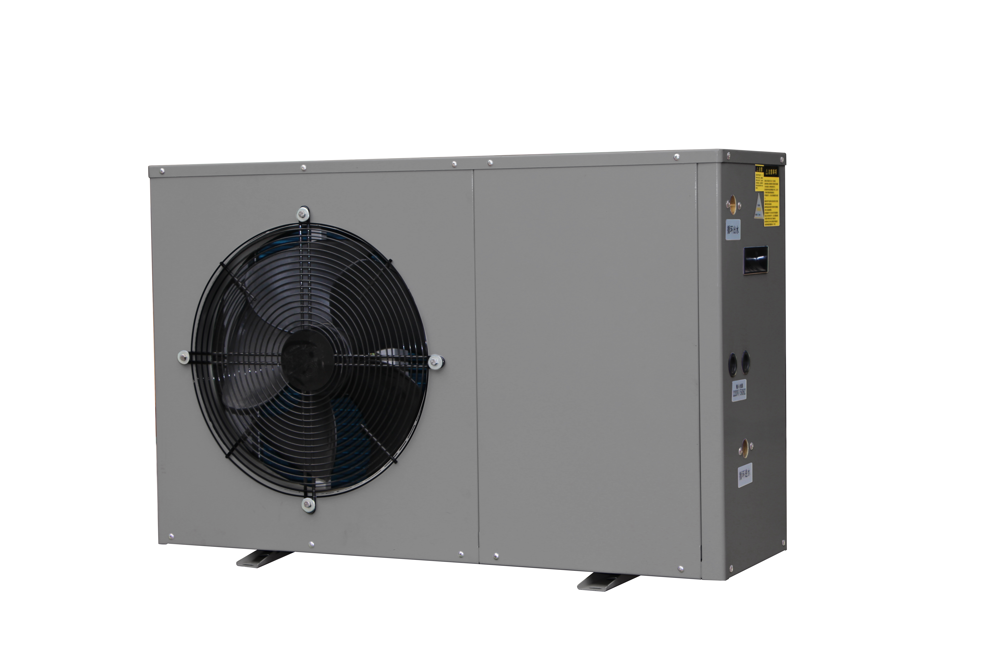
Power Supply | 110V or 220V/1/50Hz | 220V/1/50Hz | 220V/1/50Hz
Heating capacity at Air 20℃/15℃，Water temperature from 15℃ to 55℃
Heating capacity (kw) | 3.6 | 5.4 | 7.6
Power input（W） | 860 | 1.26 | 1.81
COP | 4.18 | 4.29 | 4.2
Max power input(kw) | 1.45 | 2.01 | 2.75
Max Current(A) | 6.5 | 9 | 12
Rated Hot water(L/H) | 80 | 120 | 165
Refrigerant | R410A | R32 | R32
Air flow Direction | Horizontal | Horizontal | Horizontal
Water pump inide (WILO) | Build-in | Build-in | Build-in
Water pressure Drop (Kpa) | 35 | 35 | 40
Net Dimensions(L*W*H)mm | 936X385X550 | 936X385X550 | 1011X420X614
Package Dimensions(L*W*H)mm | 1050X460X590 | 1050X460X590 | 1115X490X670
working temperature range(℃) | From-15 to 43 | From-15 to 43 | From-15 to 43
Noise (db) | 47 | 49 | 52
Net weight (kg) | 50 | 54 | 68
water connection (mm) | 20 | 20 | 20
Tank inner 304 out color steel | 150L | 200L | 300L

DWH-G
Indirect Water Heater (heat pump,DHW tank,Solar Collector)
Model | UNP-DWH-40G | UNP-DWH-50G | UNP-DWH-80G
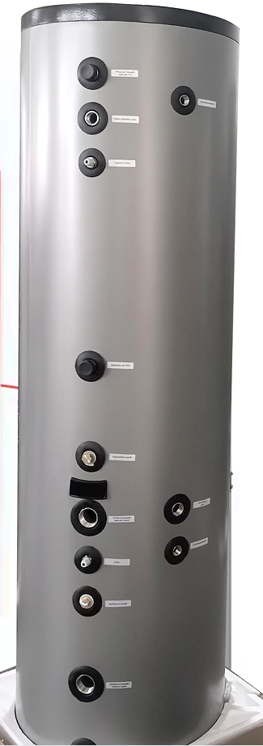
EXW Factory Haining | USD 275 | USD 357 | USD 495
EXW Factory Haining(no VAT) | CNY 1894 | CNY 2459 | CNY 3409
Configuration details | 1.tank:1set 2.Electric heating element: 1 set 3.Pressure & Temperature (P&T) valve: 1 pc
Loading Qty/sets （20GP/40GP/40HQ） | 48/105/122 | 32/80/88 | 16/64/77
Water tank volume | 150L | 200L | 300L
Nominal Liters Rated Capacity | 150 | 200 | 300
Nominal Gallon Rated Capacity | 40 | 50 | 80
Liters Rated Storage Capacity | 142.5 | 190.0 | 285.0
Gallon Rated Storage Capacity | 38.0 | 47.5 | 76.0
Ineer/Outer Diameter | Ф370/Ф470 | Ф370/Ф470 | Ф500/Ф600
Inner Tank Material | Stainless Steel 304 1.2mm
Outer Tank Material | grey Galvanized Steel 0.45mm
Insulation Thickness | 50mm
Connection Size | 3/4'' NPT
Electric Heater | 3000W*1
Net Dimensions(mm) | 470*470*1395 | 470*470*1870 | 600*600*1620
Packing Dimensions(mm) | 470*470*1465 | 470*470*1940 | 680*680*1700
Net Weight(Kg) | 50 | 70 | 94
Gross Weight (Kg) | 54 | 75 | 100
Circulation coil | 15m | 20m | 30m
Type A Heat Exchanger | Stainless Steel 316L Coil ( Build-in )
Type B Heat Exchanger | Aluminum Coil (Optional)

DWH
Duplex Stainless steel Buffer Tank (Standard Specification)
Model | UNP-DWH-B30G | UNP-DWH-B50G | UNP-DWH-B80G
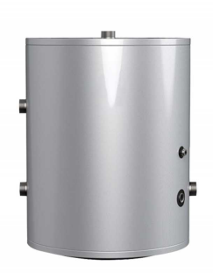 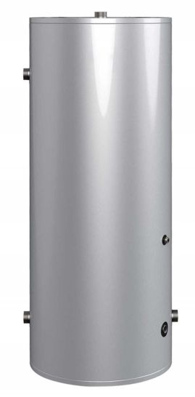   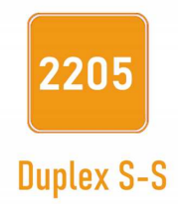
美元出厂价 EXW Factory In USD | USD 113 | USD 196 | USD 258
人民币不含税出厂价 EXW Factory In RMB（No VAT) | CNY 779 | CNY 1351 | CNY 1778
Loading Qty/sets （20GP/40GP/40HQ） | 80/142/160 | 32/80/88 | 35/73/87
Water tank volume | 100L | 200L | 300L
Nominal Liters Rated Capacity | 150 | 200 | 300
Nominal Gallon Rated Capacity | 30 | 50 | 80
Liters Rated Storage Capacity | 142.5 | 190.0 | 285.0
Gallon Rated Storage Capacity | 28.5 | 47.5 | 76.0
Ineer/Outer Diameter | Ф370/Ф470 | Ф370/Ф470 | Ф500/Ф600
Inner Tank Material | Stainless Steel 304 1.2mm
Outer Tank Material | grey Galvanized Steel 0.4mm
Insulation Thickness | 50mm
Connection Size | 3/4'' NPT
Net Dimensions(mm) | 470*470*930 | 470*470*1870 | 600*600*1620
Packing Dimensions(mm) | 470*470*1000 | 470*470*1940 | 680*680*1700
Net Weight(Kg) | 35 | 48 | 59
Gross Weight (Kg) | 39 | 53 | 65

