INE
Indoor Low-Pressure Electric Water Heater INE
Model | UNP-INE-40 | UNP-INE-50 | UNP-INE-80
Photos | 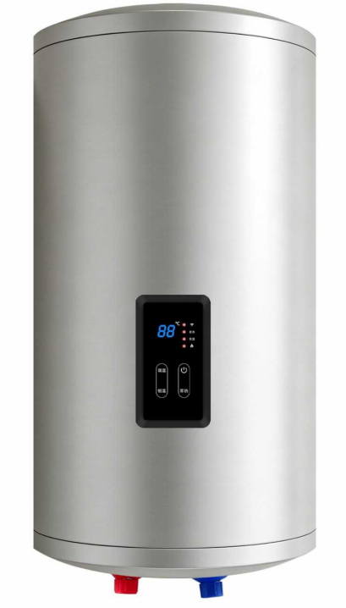
美元出厂价 EXW Factory In USD | USD 45.54 | USD 47.40 | USD 52.80
人民币不含税出厂价 EXW Factory In RMB（No VAT) | CNY 305 | CNY 318 | CNY 354
Loading Qty/sets （20GP/40GP/40HQ） | 385/799/950 | 322/667/794 | 181/375/446
Tank Capacity | 40L | 50L | 80L
Installation Type | Vertical
Inner Tank Material | Stainless Steel 316L
Outer Casing | Galvanized Steel
Tank Insulation | High-density Polyurethane Foam
Differential Temperature Control | 5°C
Heating Element | Stainless Steel 310
Rated Heating Power | 1500 W (110V / 220V optional)
Maximum Working Pressure | 0.23 bar (3.34 psi)
Control Method | Smart Control + WiFi
Product Dimensions (H×W×D mm) | 560 × 360 × 360 | 670 × 360 × 360 | 730 × 460 × 460
Net Weight | 14.5kg | 17kg | 20kg
Installation Requirement | Proper grounding required. Do not use movable sockets.

IHE
Indoor High-Pressure Electric Water Heater IHE
Model | UNP-IHE-40 | UNP-IHE-50 | UNP-IHE-80
Photos | 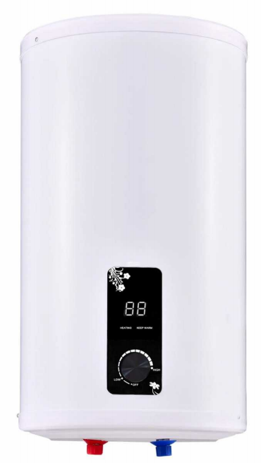
美元出厂价 EXW Factory In USD | USD 50.59 | USD 57.34 | USD 72.5
人民币不含税出厂价 EXW Factory In RMB（No VAT) | CNY 339 | CNY 385 | CNY 486
Loading Qty/sets （20GP/40GP/40HQ） | 310/643/765 | 251/520/619 | 170/352/419
Tank Capacity | 40L | 50L | 80L
Installation Type | Vertical
Inner Tank Material | Porcelain enamel coating
Outer Casing | ABS
Tank Insulation | High-density Polyurethane Foam
Differential Temperature Control | 5°C
Heating Element | Stainless Steel 310
Rated Heating Power | 1500 W (110V / 220V optional)
Maximum Working Pressure | 150 psi (≈10 bar)
Control Method | Mechanical thermostat
Product Dimensions (H×W×D mm) | 780 × 340 × 340 | 780 × 340 × 420 | 780 × 340 × 620
Net Weight | 18kg | 21kg | 31kg
Installation Requirement | Proper grounding required. Do not use movable sockets.

