ACDC空调冷热款-铜管
Solar Air Conditioner Data Sheet - ACDC Hybrid
Model |  |  | UNP-ACDC9K WIFI | UNP-ACDC12K WIFI | UNP-ACDC18K WIFI | UNP-ACDC24K WIFI
Unit | Capacity |  | 9000BTU/0.75Ton/1HP | 12000BTU/1Ton/1.5HP | 18000BTU/1.5Ton/2HP | 24000BTU/2Ton/3HP
 | Model |  | KFR-26GW/ACDCB5 | KFR-35GW/ACDCB3 | KFR-50GW/ACDCB3 | KFR-70GW/ACDCB3
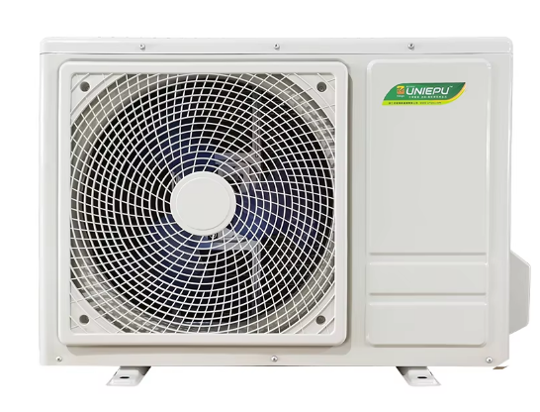 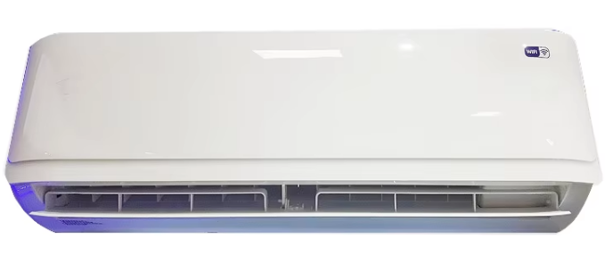 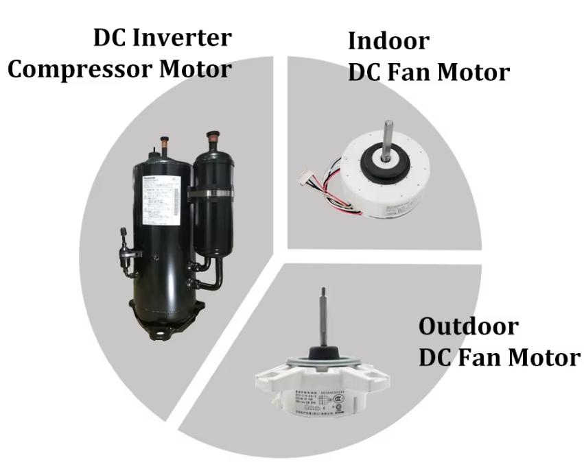
美元出厂价（内外机） EXW Factory In USD |  |  | USD 387 | USD 433 | USD 569 | USD 691
人民币不含税出厂价（内外机） EXW Factory In RMB（No VAT) |  |  | CNY 2836 | CNY 3170 | CNY 4171 | CNY 5061
Climate Type | Tropical</= 56℃ |  | apply | apply | apply | apply
Application area |  | m2 | 10-20 | 15-25 | 20-35 | 30-45
Power Supply | AC Power | Ph-V-Hz | 208-230V/50-60Hz | 208-230V/50-60Hz | 208-230V/50-60Hz | 208-230V/50-60Hz
 | DC Power | V | 100-380V | 100-380V | 100-380V | 100-380V
 | Solar Power Current | A | ≤12 | ≤12 | ≤12 | ≤12
Adviced Solar Panel |  | Pcs | (3-4)ˣ400w | (3-4)ˣ550w | (4-5)ˣ550w | (5-7)ˣ550w
Rated Cooling | Capacity | W | 2600 | 3520 | 5200 | 7050
 |  | BTU | 9000(1700 ～11000) | 12000(2300～13200) | 18000(6500~19200) | 24000(6500~25200)
 | Power input | W | 635(130 ～1000) | 1000(260～1550) | 1650(560~1900) | 1860(680～2600)
Rated Heating | Capacity | W | 2650 | 3550 | 5120 | 7120
 |  | BTU | 9000 | 12000 | 18000 | 24000
 | Power input | W | 640(130 ～1050) | 960(260～1550) | 1350(400～1900) | 2050(680～2600)
EER (W/W)/ (BTU/W) |  | / | 4.17/14.17 | 3.52/12.0 | 3.1/11.0 | 3.79/12.9
COP (W/W)/ (BTU/W) |  | / | 4.14/14.06 | 3.70/12.5 | 3.79/13.33 | 3.47/11.70
Dehumidification capacity |  | L/h | 1.1 | 1.3 | 1.9 | 2.3
Compressor | Model | / | GSX073NKQF6JT9 | KSK103D33UEZ3 | KSN140D21UFZ | KTM240D43UMT
 | Type | / | ROTARY | ROTARY | ROTARY | ROTARY
 | Brand | / | HIGHLY | GMCC | GMCC | GMCC
Indoor fan motor | Model |  | DC310V | ZKFP-13-8-115 | ZKFP-30-8-125 | ZKFP-58-8-5
 | Speed (Hi/Mi/Lo) | r/min | 1130/1060/900 | 1130/1060/900 | 1200/1100/900 | 1350/1200/900
Indoor air flow (Hi/Mi/Lo) |  | m3/h | 620/570/510 | 650/595/536 | 1200/970/630 | 1300/1150/650
Indoor noise level |  | dB(A) | ≤40 | ≤43 | ≤49 | ≤50
Indoor unit | Dimension(W×H×D) | mm | 801*210*298 | 900ˣ290ˣ195 | 1080ˣ327ˣ227 | 1080ˣ327ˣ227
 | Packing (W×H×D) | mm | 872*284*372 | 971ˣ364ˣ281 | 1150ˣ405ˣ310 | 1150ˣ405ˣ310
 | Net weight/Gross weight | Kg | 2026-10-12 | 2026-10-13 | 13/16 | 13/16
Outdoor fan motor | Model | / | SW-ZL-D-30-8 | ZKFP-20-10-7 | ZKFN-56-8-1 | ZKFN-80-8-3
Outdoor noise level |  | dB(A) | ≤51 | ≤50 | ≤57 | ≤59
Outdoor unit | Dimension(W×H×D) | mm | 758*336*500 | 780ˣ255ˣ540 | 820ˣ300ˣ600 | 900ˣ360ˣ640
 | Packing (W×H×D) | mm | 806*361*545 | 885ˣ355ˣ615 | 925ˣ410ˣ650 | 1045ˣ455ˣ700
 | Net/Gross weight | Kg | 22/25 | 29/32.5 | 37/41 | 48/53
Refrigerant type |  | / | R32 | R32 | R32 | R32
Refrigerant Charged |  | g | 550 | 1100 | 1250 | 1400
Max Design pressure |  | MPa | 4.30/2.5 | 4.30/1.15 | 4.30/1.15 | 4.30/1.15
Refrigerant copper pipe | Gas side/Liquid side | mm | 9.52 / 6.35 | 9.52 / 6.35 | 12.70 / 6.35 | 15.88 / 6.35
Drain pipe size ( Ø ˣ Length ) |  | mm | 16.9ˣ2000 | 16.9ˣ2000 | 16.9ˣ2000 | 16.9ˣ2000
Refrigerant conenction copper pipe length |  | m | 3 | 3 | 3.5 | 4
Connection wire length |  | m | 4 | 4 | 4.5 | 5
Container Loading 20GP/40GP/40HQ |  | Sets | 113/233/254 | 82/179/207 | 60/120/132 | 48/104/114
Note: 1.The above data is for reference only, please refer to the product nameplate; 2.The Company reserves the right to interpret the above data.

ACDC空调-铝管
Split Solar Air Conditoner Hybrid ACDC |  |  |  |  |  | UNP-2026A/12K ACDC | UNP-2026A/18K ACDC
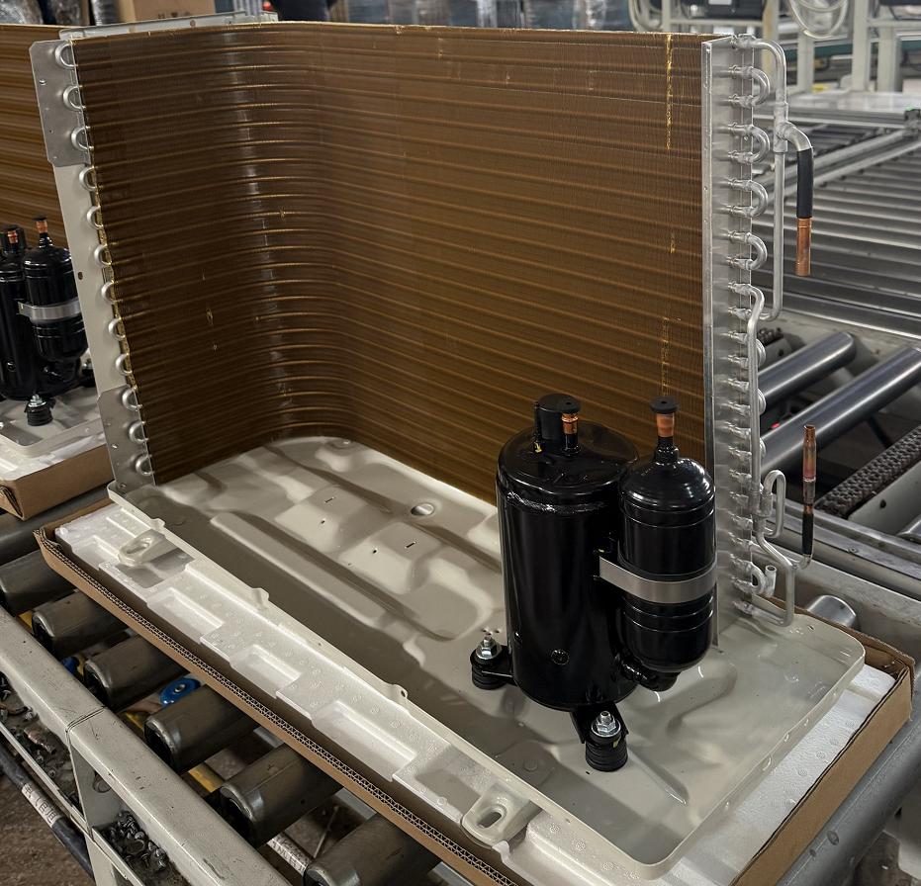 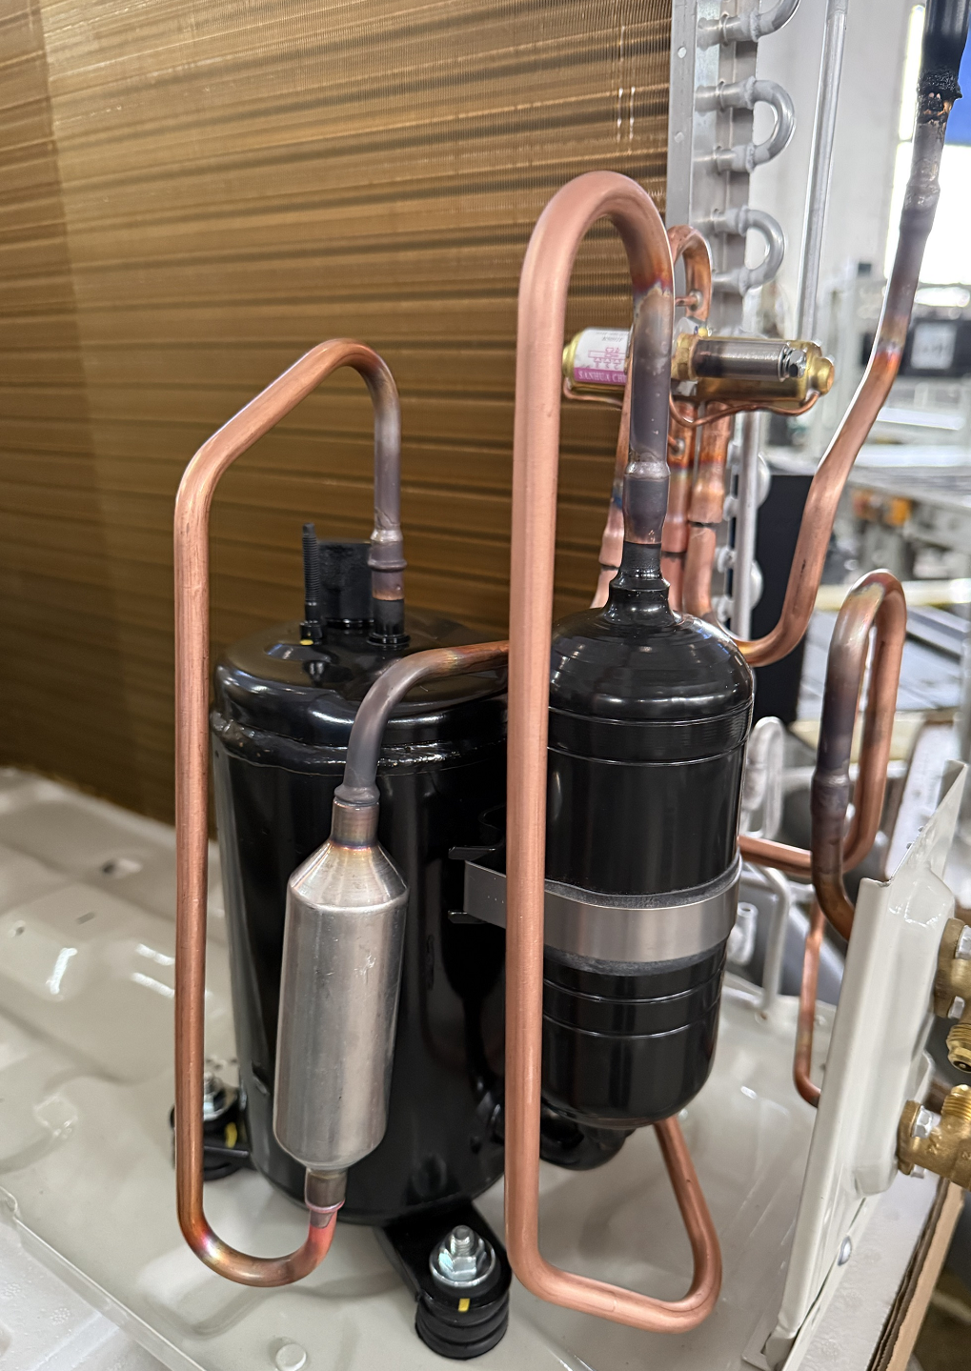 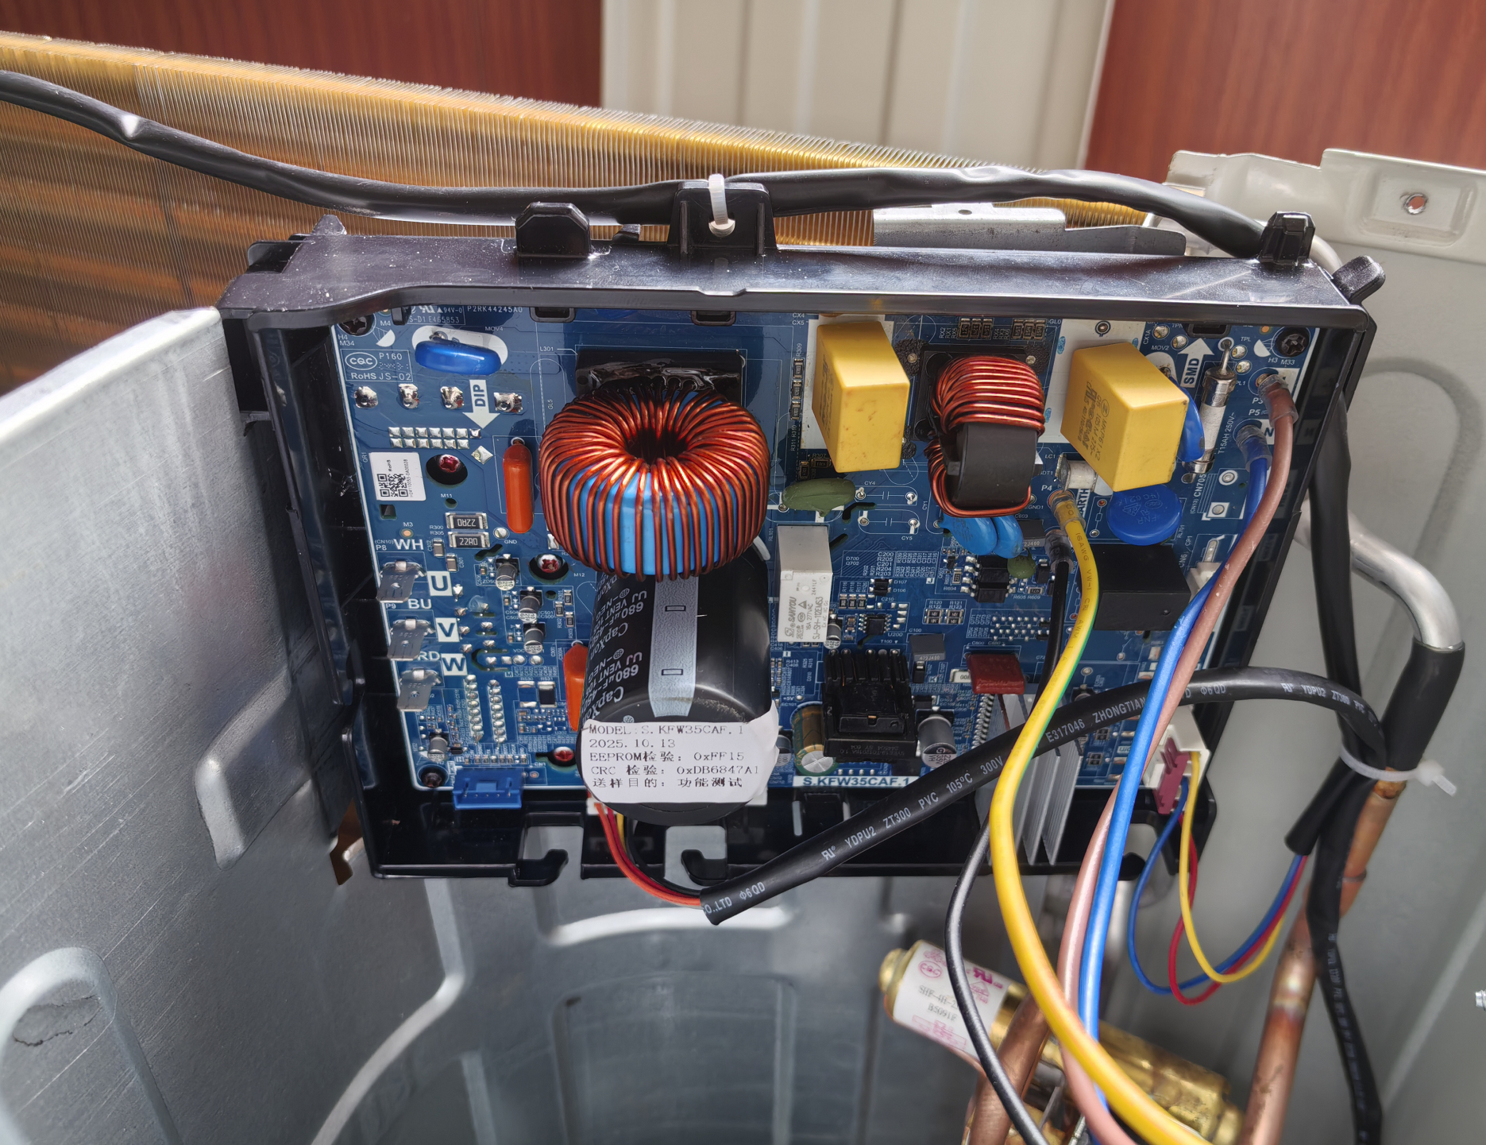
美元出厂价 |  |  |  |  |  | USD 296 | USD 375
Split Room Air Conditioner ( Room Areas) |  |  |  |  |  | 15-25m2 | 20-32m2
Nameplate Parameter | Rated Capacity |  | Cooling |  | W | 3580 | 5250
 |  |  | Cooling |  | BTU | 12000 | 18000
 |  |  | Heating |  | W | 3630 | 5350
 | Rated Power Consumption |  | Cooling |  | W | 980 | 1500
 |  |  | Heating |  | W | 970 | 1520
 | Rated Running Current |  | Cooling |  | A | 4.44 | 6.79
 |  |  | Heating |  | A | 4.39 | 6.87
 | Electricheating power Power |  |  |  | W | / | /
 | Max. Input Power |  |  |  | W | 1600 | 2100
 | Max. Input Current |  |  |  | A | 8.5 | 10
 | EER Cooling |  |  |  | W/W | 3.65 | 3.50
 | COP Heating |  |  |  | W/W | 3.74 | 3.52
 | Power supply source |  |  |  | V/Ph/Hz | 200-240V～/1Ph/50-60Hz
 | Refrigerant |  |  |  |  | R32 | R32
 | Refrigerant Charged |  |  |  | g | 430 | 590
 | Max. Discharge Pressure |  |  |  | Mpa | 4.3 | 4.3
 | Max. Suction Pressure |  |  |  | Mpa | 1.18 | 1.18
 | Air Flow Volume |  |  |  | m3/h | 680 | 750
 | Noise level |  |  |  | dB（A) | 42 | 45.5
 | Noise level |  |  |  | dB（A) | 51 | 57
 | Indoor unit weight （Net/Gross Weight） |  |  |  | Kg | 9.5/11 | 13.5/16
 | Outdoor unit weight (Net/Gross Weight） |  |  |  | Kg | 26/29 | 35/38
 | Dehumidification |  |  |  | L/h | 1.3L/h | 1.9L/h
Indoor unit configuration | evaporator | Multi-bend |  |  | Pcs | 4 | 4
 |  | Rows |  |  | Row | 1 | 2
 |  | tube pitch |  |  | mm | 21 | 21
 |  | row pich |  |  | mm | 13.3 | 25.4
 |  | Inlet and Outlet distributor |  |  | Pcs | 1 Inlet, 2 outlet | 3 Inlet,3 outlet
 |  | Tube | Material: (SWAAT : 200hours） |  |  | Aluminum 3003 | Aluminum 3003
 |  |  | Length |  | mm | 653 | 653
 |  |  | Diameter |  | mm | 7 | 7
 |  |  | Thickness |  | mm | 0.24*0.12 | 0.24*0.12
 |  |  | Quantity |  | Pcs | 8 | 15
 |  | Fin | Material |  |  | 8011 H24 AL | 8011 H24 AL
 |  |  | Fin Type |  |  | Window opening fins | Window opening fins
 |  |  | Thickness |  | mm | 0.095 | 0.095
 |  |  | Fin spaceing |  | mm | 1.35 | 1.35
 |  |  | Fins per inch |  | Pcs | 19 | 19
 |  | Face Area |  |  | ㎡ | 0.653*0.336 | 0.653*0.336
 | Fan system | Fan | Type |  |  | Cross-flow fan | Cross-flow fan
 |  |  | Material |  |  | AS | AS
 |  |  | Diameter |  | mm | Φ90.4 | Φ94
 |  |  | Length |  | mm | 657 | 657
 |  | Fan motor | Model |  |  | DC5010HA-MC37A002 | DC5010HA-MC37A002
 |  |  | insulation grade |  |  | B | B
 |  |  | Capacitor |  | μF | / | /
 |  |  | Motor speed (H/M/L) |  | rpm | 1350/1200/950 | 1450/1300/1000
 |  |  | Rated Current |  | A | 0.06 | 0.06
 |  |  | Rated Input Power |  | W | 24.5 | 24.5
 |  |  | Rated Output Power |  | W | 20 | 20
 |  | Air circulation (H/M/L) |  |  | m3/h | 680/580/450 | 750/620/500
 | Dimension | Packing Type（6 face/4 face） |  |  |  | 6 face | 6 face
 |  | Net Dimension (Width xDepth xHeight) |  |  | mm | 850*190*283 | 850*190*283
 |  | Packing Dimension (WidthxDepthxHeight) |  |  | mm | 956*266*349 | 956*266*349
 | Condensate Drainage Pipe (O.D) |  |  |  | mm | 16.9 | 16.9
 | Condensate Drainage Pipe ( L) |  |  |  | mm | 2000 | 2000
Connection | Connect pipe |  |  | Material |  | TP2/M | TP2/M
 |  |  |  | Length | m | 3 | 3.5
 |  |  |  | Thickness | mm | 0.5 | 0.5
 |  |  |  | Liquid tube Diameter | mm | 6 | 6
 |  |  |  | Thickness | mm | 0.6 | 0.6
 |  |  |  | Gas tube Diameter | mm | 9 | 12
 | Stop Valve |  |  | Liquid Valve |  | Dg4 | Dg4
 |  |  |  | Gas Valve |  | Dg8 | Dg10
 | Connected wires |  |  | Length | m | 4m | 4.5m
 |  |  |  | Core 1# |  | 4 | 4
 |  |  |  | Cable 1# | mm | 1.0 | 1.5
 |  |  |  | Core 2# |  | / | /
 |  |  |  | Cable 2# | mm | / | /
 |  |  |  | Signal Cord | m | / | /
Outdoor unit configuration | Compressor Model |  |  |  |  | GSD098CKNF6JV5B | GSD113CKQA6JV8B
 | Compressor Parameter | type |  |  |  | Hermetic Rotary DC Inverter
 |  | Brand |  |  |  | HIGHLY | HIGHLY
 |  | Capacity |  |  | W | 3490 | 4060
 |  | Input |  |  | W | 822 | 906
 |  | Rated current(RLA) |  |  | A | 3.8 | 4.3
 |  | Locked rotor Amp(LRA) |  |  | A | 30 | 21
 |  | Thermal protector |  |  |  | / | /
 |  | Capacitor |  |  | uF | / | /
 |  | Refrigerant oil |  |  | ml | ACS-68R 280±20 | ACS-68R 320±20
 |  | Other optional compressors |  |  |  | / | /
 | Fan system | Fan | Type |  |  | Axial flow fan | Axial flow fan
 |  |  | Vane Number |  | Pcs | 3 | 3
 |  |  | Blade Material |  |  | AS | AS
 |  |  | Diameter |  | mm | Φ429 | Φ429
 |  | Fan motor | Model |  |  | DC5010HA-MF54A002 | DC5010HA-MF54A002
 |  |  | Quantity |  | Pcs | 1 | 1
 |  |  | insulation grade |  |  | B | B
 |  |  | Capacitor |  | μF | / | /
 |  |  | Motor speed (H/M/L) |  | rpm | / | /
 |  |  | Rated Current |  | A | 0.15 | 0.15
 |  |  | Rated Input Power |  | W | 41.6 | 41.6
 |  |  | Rated Output Power |  | W | 33 | 33
 |  | Air circulation |  |  | m3/h | / | /
 | Condenser | Rows |  |  | Row | 1 | 2
 |  | tube pitch |  |  | mm | 21 | 21
 |  | row pich |  |  | mm | 13.3 | 25.4
 |  | Inlet and Outlet distributor |  |  | Pcs | 2Inlet, 1Outlet | 4Inlet, 1Outlet
 |  | Bended or Flat |  |  |  | Bended | Bended
 |  | Tube | Material: (SWAAT 200hours） |  |  | Aluminum 3003 | Aluminum 3003
 |  |  | Length |  | mm | 820 | 820
 |  |  | Diameter |  | mm | 7 | 7
 |  |  | Thickness |  | mm | 0.24*0.12 | 0.24*0.12
 |  |  | Quantity |  | Pcs | 12 | 24
 |  | Fin | Material |  |  | 8011 H24 AL | 8011 H24 AL
 |  |  | Fin Type |  |  | Window opening fins | Window opening fins
 |  |  | Thickness |  | mm | 0.095 | 0.095
 |  |  | Fin spaceing |  | mm | 1.4 | 1.4
 |  |  | Fins per inch |  | Pcs | 18 | 18
 |  | Face Area |  |  | ㎡ | 0.820*0.504 | 0.820*0.504
 | Intercept device | Intercept device type |  |  |  | Electronic expansion valve | Electronic expansion valve
 |  | Capillary A | Material |  |  | / | /
 |  |  | Capillary Specification for Cooling |  | mm | / | /
 |  |  | Capillary Specification for Heating |  | mm | / | /
 | Casing | Material |  |  |  | DC51D+Z | DC51D+Z
 |  | Thickness | Bottom Pan |  | mm | 1.0 | 1.0
 |  |  | Cabinet |  | mm | 0.6 | 0.6
 |  |  | Right Side Cover |  | mm | 0.6 | 0.6
 |  |  | Top Cover |  | mm | 0.6 | 0.6
 |  | Finish |  |  |  | Y | Y
 | Dimension | Packing Type (Carton boxes, not Pallet) |  |  |  | N | N
 |  | Net Dimension |  |  | mm | 790*285*545 | 790*285*545
 |  | Packing Dimension |  |  | mm | 855*340*590 | 855*340*590
Warranty | Complete Unit |  |  |  | years | 1 | 1
 | Indoor Unit |  |  |  | years | 2 | 2
 | Outdoor Unit |  |  |  | years | 3 | 3
 | Compressor |  |  |  | years | 5 | 5
Container Loading 20/40/40HC |  |  |  |  | Sets
Warranty Terms:
1. Warranty is valid only under normal environmental conditions. If the installation site is within 5 km from the coastline or located in a chemical/industrial area, a corrosion-resistant model must be used; otherwise, the warranty shall be void. 2.Damages caused by lightning, abnormal voltage, improper installation, insect infestation, flooding, or earthquakes are not covered by this warranty. 3.Remote controllers, batteries, filters, outdoor brackets, copper pipes, and decorative parts are considered consumables and are excluded from warranty coverage. 4.The user shall perform professional maintenance every 6 months.Failures or performance degradation caused by lack of maintenance are not covered under warranty. 5.Warranty applies only to products with valid and matching serial numbers and proof of purchase.If the serial number is removed, altered, or missing, the warranty becomes invalid.
Cooling Testing Condition:
1. T1 Condition: The outdoor unit ambient dry-bulb temperature is 35 °C, and the indoor unit return air temperature is 27 °C. Power capacity: Normal (rated condition). 2. T2 Condition: The outdoor unit ambient dry-bulb temperature is 27 °C, and the indoor unit return air temperature is 27 °C. Power capacity: ≥ 80% of rated capacity. 3. T3 Condition:The outdoor unit ambient dry-bulb temperature is 48 °C, and the indoor unit return air temperature is approximately 27 °C. Power capacity: ≥ 65% of rated capacity. 4. T4 Condition:The outdoor unit ambient dry-bulb temperature is 54 °C, and the indoor unit return air temperature is approximately 27 °C. Performance: Function remains normal.

 |  |  |  |  |  |  |  |  | 28 | 58 | 69
 |  |  |  |  |  |  |  | #REF! | #REF! | #REF! | #REF!
 |  |  |  |  |  |  |  | #REF! | #REF! | #REF! | #REF!

电空调-铝管
Split Solar Air Conditoner Hybrid ACDC |  |  |  |  |  | UNP-2026A/12K | UNP-2026A/18K | UNP-2026A/24K | UNP-2026A/30K

美元出厂价 |  |  |  |  |  | USD 167 | USD 197 | USD 281 | USD 312
人民币不含税出厂价 |  |  |  |  |  | CNY 1226 | CNY 1449 | CNY 2066 | CNY 2297
Split Room Air Conditioner ( Room Areas) |  |  |  |  |  | 15-25m2 | 20-32m2 | 35-45m2 | 40-50m2
Nameplate Parameter | Rated Capacity |  | Cooling |  | W | 3580 | 5250 | 6580 | 8260
 |  |  | Cooling |  | BTU | 12000 | 18000 | 22500 | 28200
 |  |  | Heating |  | W | 3630 | 5350 | 6850 | 8700
 | Rated Power Consumption |  | Cooling |  | W | 980 | 1500 | 1935 | 2500
 |  |  | Heating |  | W | 970 | 1520 | 2050 | 2700
 | Rated Running Current |  | Cooling |  | A | 4.44 | 6.79 | 8.97 | 11.60
 |  |  | Heating |  | A | 4.39 | 6.87 | 9.51 | 12.52
 | Electricheating power Power |  |  |  | W | / | / | / | /
 | Max. Input Power |  |  |  | W | 1600 | 2100 | 2800 | 3500
 | Max. Input Current |  |  |  | A | 8.5 | 10 | 14 | 18.5
 | EER Cooling |  |  |  | W/W | 3.65 | 3.50 | 3.40 | 3.30
 | COP Heating |  |  |  | W/W | 3.74 | 3.52 | 3.34 | 3.22
 | Power supply source |  |  |  | V/Ph/Hz | 200-240V～/1Ph/50-60Hz
 | Refrigerant |  |  |  |  | R32 | R32 | R32 | R32
 | Refrigerant Charged |  |  |  | g | 430 | 590 | 760 | 980
 | Max. Discharge Pressure |  |  |  | Mpa | 4.3 | 4.3 | 4.5 | 4.5
 | Max. Suction Pressure |  |  |  | Mpa | 1.18 | 1.18 | 1.3 | 1.3
 | Air Flow Volume |  |  |  | m3/h | 680 | 750 | 1100 | 1100
 | Noise level |  |  |  | dB（A) | 42 | 45.5 | 48 | 48
 | Noise level |  |  |  | dB（A) | 51 | 57 | 58 | 58
 | Indoor unit weight （Net/Gross Weight） |  |  |  | Kg | 9.5/11 | 13.5/16 | 14/16.5 | 15.3/18.9
 | Outdoor unit weight (Net/Gross Weight） |  |  |  | Kg | 26/29 | 35/38 | 47/52 | 56/63
 | Dehumidification |  |  |  | L/h | 1.3L/h | 1.9L/h | 2.3L/h | 2.7L/h
Indoor unit configuration | evaporator | Multi-bend |  |  | Pcs | 4 | 4 | 3 | 3
 |  | Rows |  |  | Row | 1 | 2 | 2 | 3
 |  | tube pitch |  |  | mm | 21 | 21 | 21 | 21
 |  | row pich |  |  | mm | 13.3 | 25.4 | 25.4 | 25.4
 |  | Inlet and Outlet distributor |  |  | Pcs | 1 Inlet, 2 outlet | 3 Inlet,3 outlet | 4 Inlet,4 outlet | 4 Inlet,4 outlet
 |  | Tube | Material: (SWAAT : 200hours） |  |  | Aluminum 3003 | Aluminum 3003 | Aluminum 3003 | Aluminum 3003
 |  |  | Length |  | mm | 653 | 653 | 890 | 890
 |  |  | Diameter |  | mm | 7 | 7 | 7 | 7
 |  |  | Thickness |  | mm | 0.24*0.12 | 0.24*0.12 | 0.24*0.12 | 0.24*0.12
 |  |  | Quantity |  | Pcs | 8 | 15 | 15 | 15
 |  | Fin | Material |  |  | 8011 H24 AL | 8011 H24 AL | 8011 H24 AL | 8011 H24 AL
 |  |  | Fin Type |  |  | Window opening fins | Window opening fins | Window opening fins | Window opening fins
 |  |  | Thickness |  | mm | 0.095 | 0.095 | 0.095 | 0.095
 |  |  | Fin spaceing |  | mm | 1.35 | 1.35 | 1.5 | 1.5
 |  |  | Fins per inch |  | Pcs | 19 | 19 | 17 | 17
 |  | Face Area |  |  | ㎡ | 0.653*0.336 | 0.653*0.336 | 0.870*0.336 | 0.870*0.336
 | Fan system | Fan | Type |  |  | Cross-flow fan | Cross-flow fan | Cross-flow fan | Cross-flow fan
 |  |  | Material |  |  | AS | AS | AS | AS
 |  |  | Diameter |  | mm | Φ90.4 | Φ94 | Φ110 | Φ110
 |  |  | Length |  | mm | 657 | 657 | 870 | 870
 |  | Fan motor | Model |  |  | DC5010HA-MC37A002 | DC5010HA-MC37A002 | DC5010HA-MC37A002 | DC5010HA-MC37A002
 |  |  | insulation grade |  |  | B | B | B | B
 |  |  | Capacitor |  | μF | / | / | / | /
 |  |  | Motor speed (H/M/L) |  | rpm | 1350/1200/950 | 1450/1300/1000 | 1450/1300/1000 | 1450/1300/1000
 |  |  | Rated Current |  | A | 0.06 | 0.06 | 0.06 | 0.06
 |  |  | Rated Input Power |  | W | 24.5 | 24.5 | 24.5 | 24.5
 |  |  | Rated Output Power |  | W | 20 | 20 | 20 | 20
 |  | Air circulation (H/M/L) |  |  | m3/h | 680/580/450 | 750/620/500 | 820/700/550 | 900/750/600
 | Dimension | Packing Type（6 face/4 face） |  |  |  | 6 face | 6 face | 6 face | 6 face
 |  | Net Dimension (Width xDepth xHeight) |  |  | mm | 850*190*283 | 850*190*283 | 1120*325*250 | 1120*325*250
 |  | Packing Dimension (WidthxDepthxHeight) |  |  | mm | 956*266*349 | 956*266*349 | 1180*390*290 | 1180*390*290
 | Condensate Drainage Pipe (O.D) |  |  |  | mm | 16.9 | 16.9 | 16.9 | 16.9
 | Condensate Drainage Pipe ( L) |  |  |  | mm | 2000 | 2000 | 2000 | 2000
Connection | Connect pipe |  |  | Material |  | TP2/M | TP2/M | TP2/M | TP2/M
 |  |  |  | Length | m | 3 | 3.5 | 4 | 4
 |  |  |  | Thickness | mm | 0.5 | 0.5 | 0.5 | 0.5
 |  |  |  | Liquid tube Diameter | mm | 6 | 6 | 6 | 6
 |  |  |  | Thickness | mm | 0.6 | 0.6 | 0.6 | 0.6
 |  |  |  | Gas tube Diameter | mm | 9 | 12 | 15.88 | 15.88
 | Stop Valve |  |  | Liquid Valve |  | Dg4 | Dg4 | Dg4 | Dg4
 |  |  |  | Gas Valve |  | Dg8 | Dg10 | Dg13 | Dg13
 | Connected wires |  |  | Length | m | 4m | 4.5m | 5m | 5m
 |  |  |  | Core 1# |  | 4 | 4 | 4 | 4
 |  |  |  | Cable 1# | mm | 1.0 | 1.5 | 2.5 | 2.5
 |  |  |  | Core 2# |  | / | / | / | /
 |  |  |  | Cable 2# | mm | / | / | / | /
 |  |  |  | Signal Cord | m | / | / | / | /
Outdoor unit configuration | Compressor Model |  |  |  |  | GSD098CKNF6JV5B | GSD113CKQA6JV8B | GSD145RKRA7JV8 | GSD145RKRA7JV8
 | Compressor Parameter | type |  |  |  | Hermetic Rotary DC Inverter
 |  | Brand |  |  |  | HIGHLY | HIGHLY | HIGHLY | HIGHLY
 |  | Capacity |  |  | W | 3490 | 4060 | 5290 | 5290
 |  | Input |  |  | W | 822 | 906 | 1163 | 1163
 |  | Rated current(RLA) |  |  | A | 3.8 | 4.3 | 5 | 5
 |  | Locked rotor Amp(LRA) |  |  | A | 30 | 21 | 28 | 28
 |  | Thermal protector |  |  |  | / | / | / | /
 |  | Capacitor |  |  | uF | / | / | / | /
 |  | Refrigerant oil |  |  | ml | ACS-68R 280±20 | ACS-68R 320±20 | ACS-68R 400±20 | ACS-68R 400±20
 |  | Other optional compressors |  |  |  | / | / | / | /
 | Fan system | Fan | Type |  |  | Axial flow fan | Axial flow fan | Axial flow fan | Axial flow fan
 |  |  | Vane Number |  | Pcs | 3 | 3 | 3 | 3
 |  |  | Blade Material |  |  | AS | AS | AS | AS
 |  |  | Diameter |  | mm | Φ429 | Φ429 | Φ434 | Φ434
 |  | Fan motor | Model |  |  | DC5010HA-MF54A002 | DC5010HA-MF54A002
 |  |  | Quantity |  | Pcs | 1 | 1 | 1 | 1
 |  |  | insulation grade |  |  | B | B | B | B
 |  |  | Capacitor |  | μF | / | / | / | /
 |  |  | Motor speed (H/M/L) |  | rpm | / | / | / | /
 |  |  | Rated Current |  | A | 0.15 | 0.15 | 0.15 | 0.15
 |  |  | Rated Input Power |  | W | 41.6 | 41.6 | 41.6 | 41.6
 |  |  | Rated Output Power |  | W | 33 | 33 | 33 | 33
 |  | Air circulation |  |  | m3/h | / | / | / | /
 | Condenser | Rows |  |  | Row | 1 | 2 | 1.7 | 2
 |  | tube pitch |  |  | mm | 21 | 21 | 21 | 21
 |  | row pich |  |  | mm | 13.3 | 25.4 | 25.4 | 25.4
 |  | Inlet and Outlet distributor |  |  | Pcs | 2Inlet, 1Outlet | 4Inlet, 1Outlet | 4Inlet, 1Outlet | 4Inlet, 1Outlet
 |  | Bended or Flat |  |  |  | Bended | Bended | Bended | Bended
 |  | Tube | Material: (SWAAT 200hours） |  |  | Aluminum 3003 | Aluminum 3003 | Aluminum 3003 | Aluminum 3003
 |  |  | Length |  | mm | 820 | 820 | 820 | 820
 |  |  | Diameter |  | mm | 7 | 7 | 7 | 7
 |  |  | Thickness |  | mm | 0.24*0.12 | 0.24*0.12 | 0.24*0.12 | 0.24*0.12
 |  |  | Quantity |  | Pcs | 12 | 24 | 26 | 26
 |  | Fin | Material |  |  | 8011 H24 AL | 8011 H24 AL | 8011 H24 AL | 8011 H24 AL
 |  |  | Fin Type |  |  | Window opening fins | Window opening fins | Window opening fins | Window opening fins
 |  |  | Thickness |  | mm | 0.095 | 0.095 | 0.095 | 0.095
 |  |  | Fin spaceing |  | mm | 1.4 | 1.4 | 1.4 | 1.4
 |  |  | Fins per inch |  | Pcs | 18 | 18 | 18 | 18
 |  | Face Area |  |  | ㎡ | 0.820*0.504 | 0.820*0.504 | 0.820*0.556 | 0.820*0.556
 | Intercept device | Intercept device type |  |  |  | Electronic expansion valve | Electronic expansion valve | Electronic expansion valve | Electronic expansion valve
 |  | Capillary A | Material |  |  | / | / | / | /
 |  |  | Capillary Specification for Cooling |  | mm | / | / | / | /
 |  |  | Capillary Specification for Heating |  | mm | / | / | / | /
 | Casing | Material |  |  |  | DC51D+Z | DC51D+Z | DC51D+Z | DC51D+Z
 |  | Thickness | Bottom Pan |  | mm | 1.0 | 1.0 | 1.2 | 1.2
 |  |  | Cabinet |  | mm | 0.6 | 0.6 | 0.6 | 0.6
 |  |  | Right Side Cover |  | mm | 0.6 | 0.6 | 0.6 | 0.6
 |  |  | Top Cover |  | mm | 0.6 | 0.6 | 0.6 | 0.6
 |  | Finish |  |  |  | Y | Y | Y | Y
 | Dimension | Packing Type (Carton boxes, not Pallet) |  |  |  | N | N | N | N
 |  | Net Dimension |  |  | mm | 790*285*545 | 790*285*545 | 820*300*600 | 820*300*600
 |  | Packing Dimension |  |  | mm | 855*340*590 | 855*340*590 | 910*360*640 | 910*360*640
Warranty | Complete Unit |  |  |  | years | 1 | 1 | 1 | 1
 | Indoor Unit |  |  |  | years | 2 | 2 | 2 | 2
 | Outdoor Unit |  |  |  | years | 3 | 3 | 3 | 3
 | Compressor |  |  |  | years | 5 | 5 | 5 | 5
Container Loading 20/40/40HC |  |  |  |  | Sets
Warranty Terms:
1. Warranty is valid only under normal environmental conditions. If the installation site is within 5 km from the coastline or located in a chemical/industrial area, a corrosion-resistant model must be used; otherwise, the warranty shall be void. 2.Damages caused by lightning, abnormal voltage, improper installation, insect infestation, flooding, or earthquakes are not covered by this warranty. 3.Remote controllers, batteries, filters, outdoor brackets, copper pipes, and decorative parts are considered consumables and are excluded from warranty coverage. 4.The user shall perform professional maintenance every 6 months.Failures or performance degradation caused by lack of maintenance are not covered under warranty. 5.Warranty applies only to products with valid and matching serial numbers and proof of purchase.If the serial number is removed, altered, or missing, the warranty becomes invalid.
Cooling Testing Condition:
1. T1 Condition: The outdoor unit ambient dry-bulb temperature is 35 °C, and the indoor unit return air temperature is 27 °C. Power capacity: Normal (rated condition). 2. T2 Condition: The outdoor unit ambient dry-bulb temperature is 27 °C, and the indoor unit return air temperature is 27 °C. Power capacity: ≥ 80% of rated capacity. 3. T3 Condition:The outdoor unit ambient dry-bulb temperature is 48 °C, and the indoor unit return air temperature is approximately 27 °C. Power capacity: ≥ 65% of rated capacity. 4. T4 Condition:The outdoor unit ambient dry-bulb temperature is 54 °C, and the indoor unit return air temperature is approximately 27 °C. Performance: Function remains normal.

