E01
Low Pressure solar collector E01 (Standard Specification)
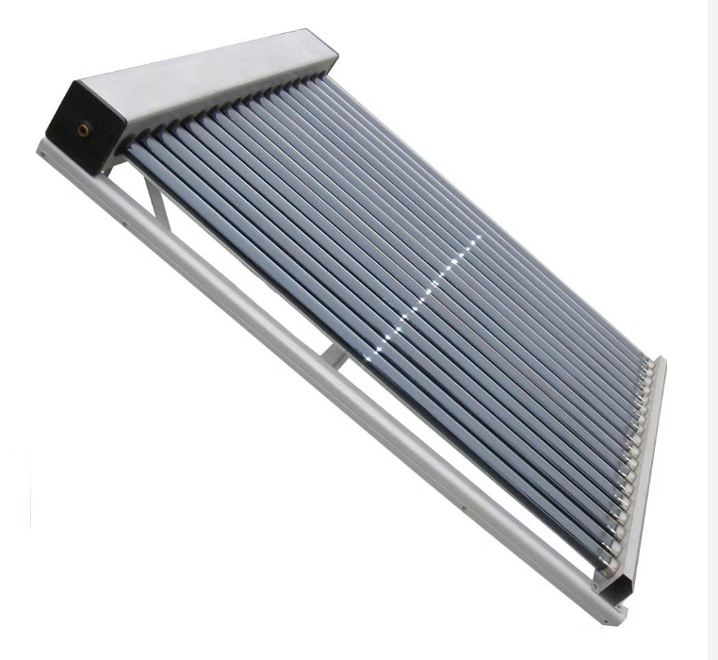 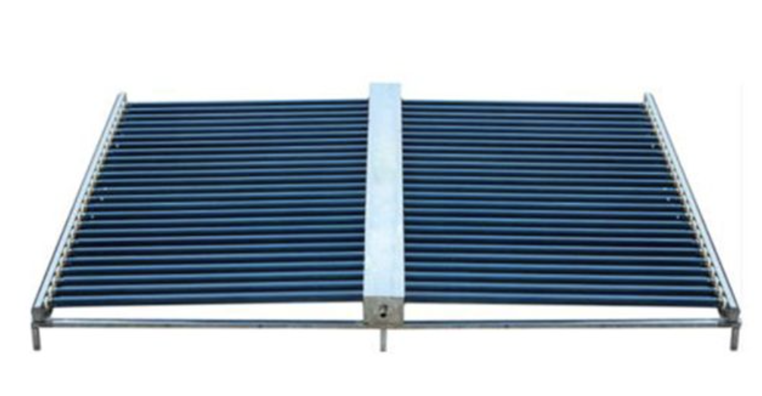
Model No. | Solar Vacuum Tube |  |  | Absorber Area (m2) | Daily Output ( 50-90 oC ) | Quanties in Container |  |  | FOB Shanghai (USD)
 | pcs | size / mm | coating |  |  | 20 GP | 40 GP | 40 HQ
UNP-E01-12 | 12 | Φ58 X 1800 | ALN/ALN-SS/CU Vacuum Tube | 0.96 | 100-120L | 130 | 210 | 240 | US$68
UNP-E01-15 | 15 | Φ58 X 1800 |  | 1.2 | 120-150L | 115 | 253 | 285 | US$84
UNP-E01-18 | 18 | Φ58 X 1800 |  | 1.44 | 150-175L | 78 | 185 | 201 | US$102
UNP-E01-20 | 20 | Φ58 X 1800 |  | 1.6 | 160-200L | 75 | 170 | 189 | US$113
UNP-E01-24 | 24 | Φ58 X 1800 |  | 1.92 | 200-250L | 70 | 157 | 175 | US$132
UNP-E01-25 | 25 | Φ58 X 1800 |  | 2.35 | 200-250L | 72 | 160 | 177 | US$132
UNP-E01-30 | 30 | Φ58 X 1800 |  | 2.4 | 240-280L | 59 | 128 | 143 | US$165
UNP-E01-36 | 36 | Φ58 X 1800 |  | 2.78 | 250-320L | 49 | 98 | 122 | US$195
UNP-E02-40 | 40 | Φ58 X 1800 |  | 3.78 | 350-400L | 82 | 170 | 200 | US$213
UNP-E02-50 | 50 | Φ58 X 1800 |  | 3.89 | 400-550L | 82 | 170 | 200 | US$266
UNP-E02-60 | 60 | Φ58 X 1800 |  | 4.85 | 500-700L | 66 | 138 | 161 | US$319
Low Pressure Solar Collector General Specifications
Manifold Casing Material | Stainless Steel 304
Frame Material | Stainless Steel 201
Insulation | Compressed Glass Wool - K = 0.041W/mK
Rubber Seals and Rings | HTV grade silicone rubber
Optimal installation angle | 20-70° Vertical, -5° to +5° Horizontal
Maximum Operating Pressure | 0.1 Bar
Inlet outlet | 3/4" or 1” or 1/2“ optional
Performance Data | Conversion Factor: h° = 0.70
 | Loss Coefficients: a1 = 1.52, a2 = 0.0085

HP01
Heat pipe solar collector HP01 (Standard Specification)
Model |  | UNP-HP01-12 | UNP-HP01-15 | UNP-HP01-18 | UNP-HP01-20 | UNP-HP01-24 | UNP-HP01-30
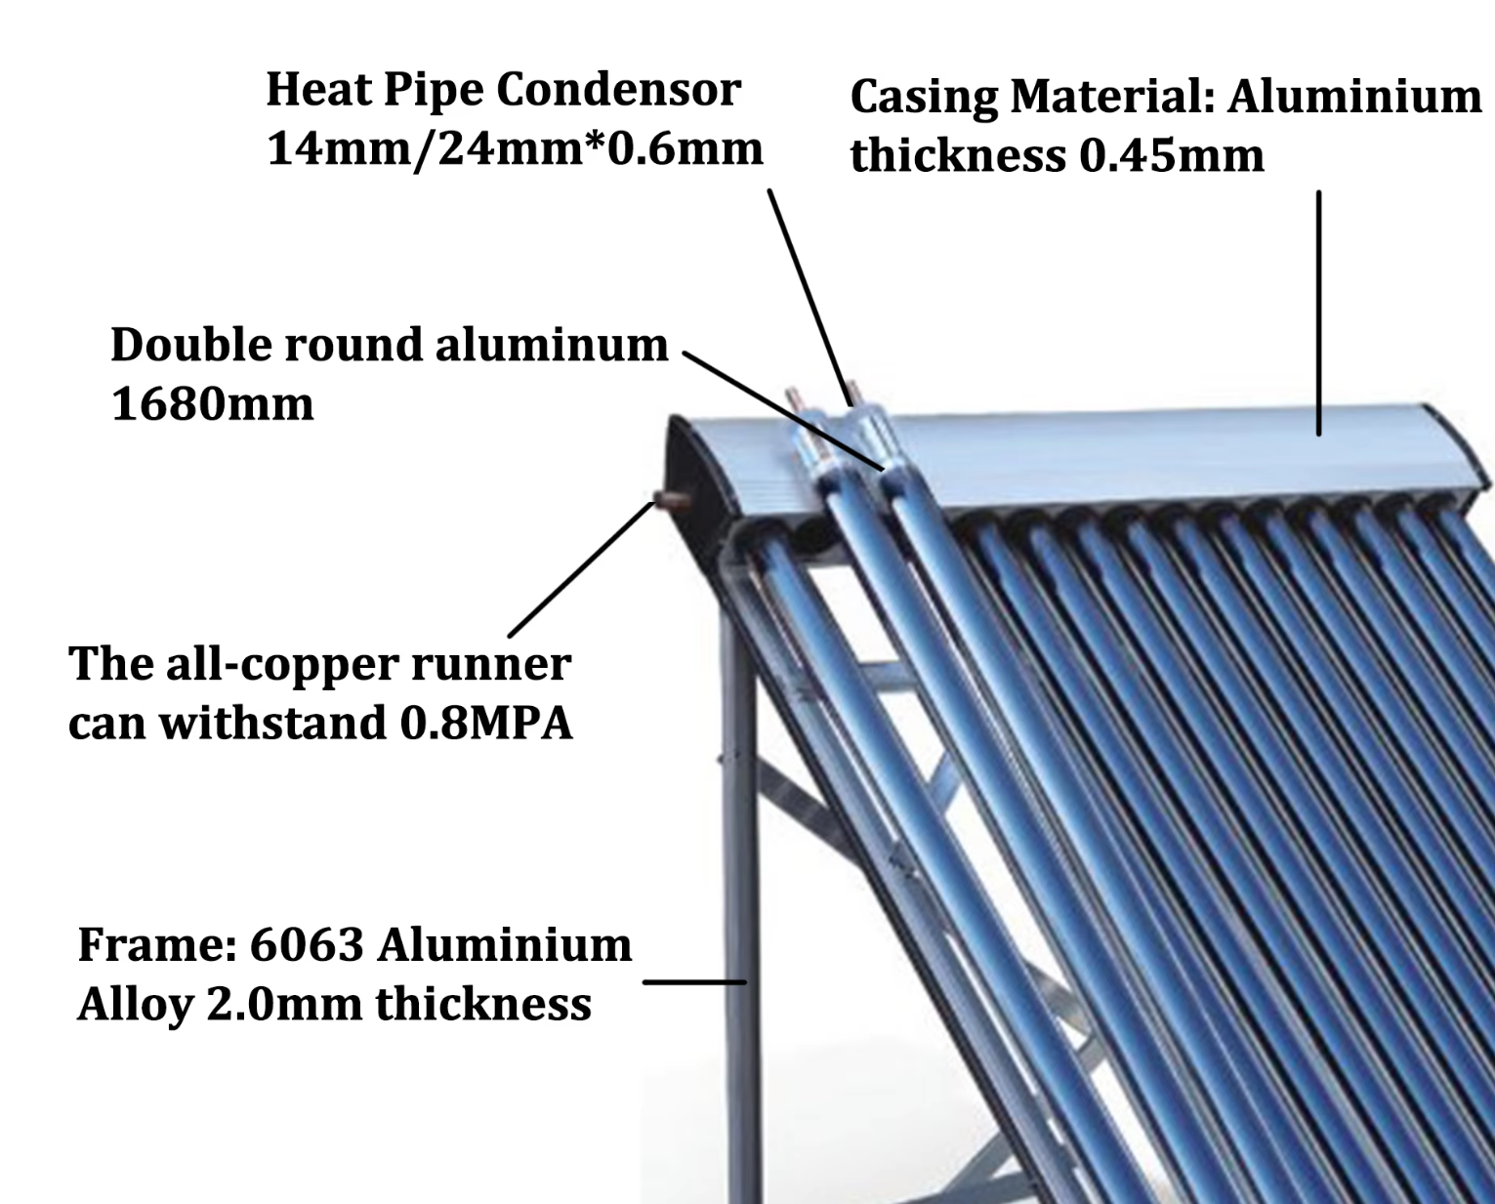 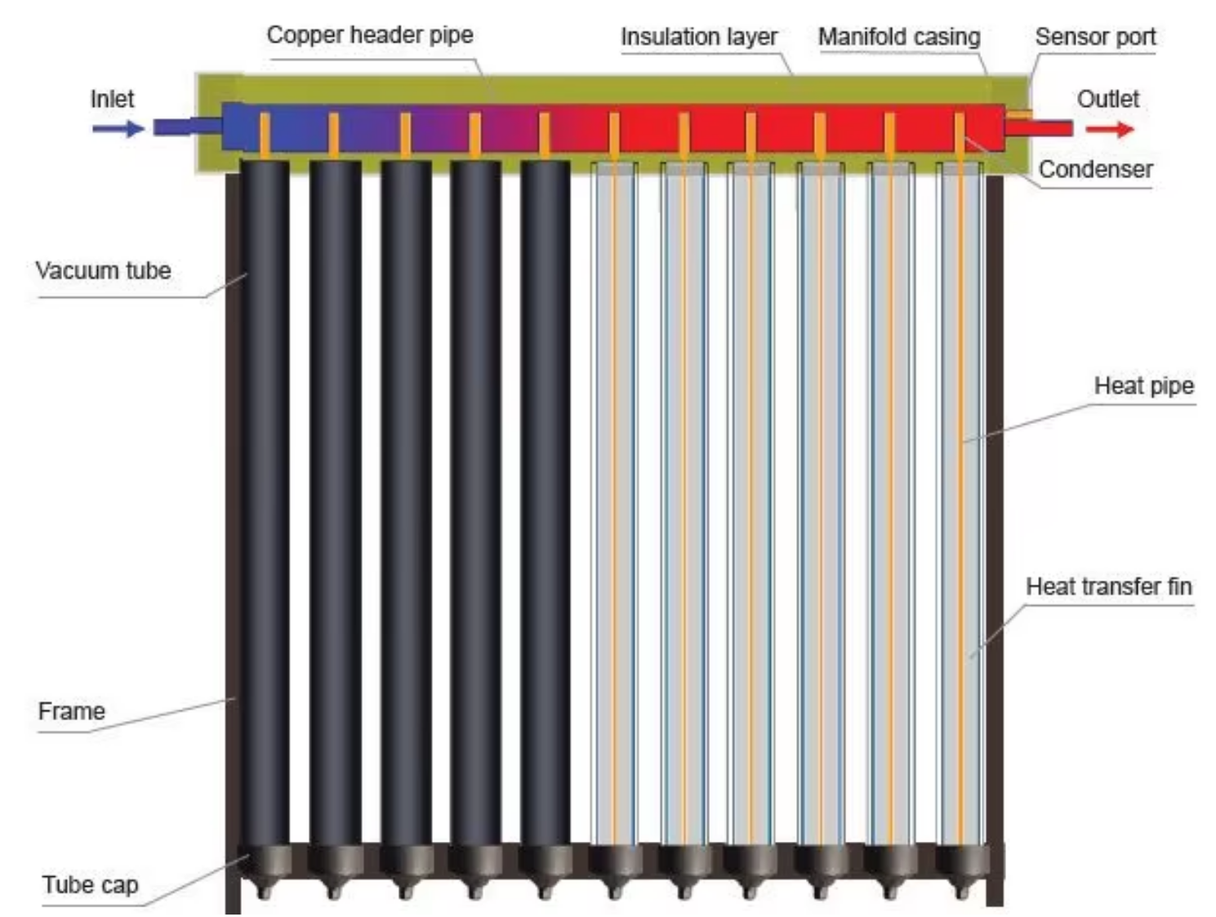 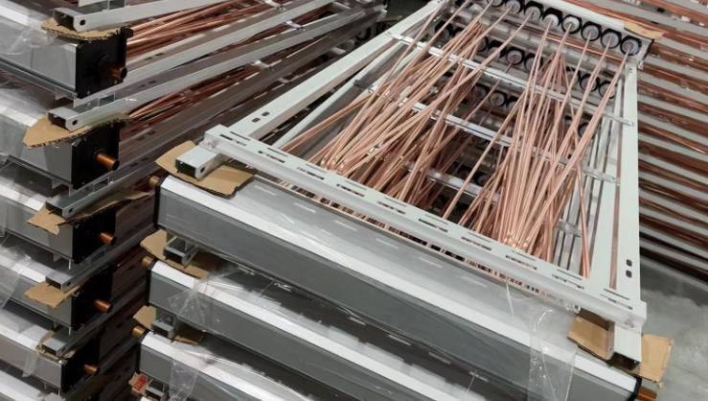
美元出厂价 EXW Factory In USD |  | USD 141 | USD 176 | USD 210 | USD 233 | USD 278 | USD 345
人民币不含税出厂价 EXW Factory In RMB（No VAT) |  | CNY 972 | CNY 1213 | CNY 1447 | CNY 1605 | CNY 1915 | CNY 2377
Loading Qty/sets （20GP/40GP/40HQ） |  | 155/322/383 | 128/266/317 | 105/217/259 | 96/199/236 | 80/166/197 | 66/136/162
Tank | Tank Capacity | 120L | 150L | 180L | 200L | 240L | 300L
 | Insulation | High-density rockwool
 | Inner | Copper channel*0.75mm
 | Outer | Aluminum alloy 1.8mm
 | Hole to hole Distance | 75mm
Frame | Type | 7*7
 | Degree | 38°
 | Thickness | Aluminum alloy 1.8mm
Collector | No.s of Tube | 12 | 15 | 18 | 20 | 24 | 30
 | Thickness of Tubes | Inner tube 1.6mm,outer tube 1.6mm，2.02KGS
 | Absor area | 0.96㎡ | 1.2㎡ | 1.44㎡ | 1.6㎡ | 1.92㎡ | 2.4㎡
 | Tube | Borosilicate glass 3.3
 | Heat pipe | Copper heat pipe 58*1700mm*0.4mm thickness, condenser head 70mm, diameter 14mm, port insulation layer 30mm
Working Temperature | –15°C to 45°C

PVT
PVT Hybrid Solar Panel (Standard Specification) |  |  |  |  | PVT Hybrid Solar Panel (Standard Specification)
Model Type |  | UNP-PVT-330W | UNP-PVT-450W | UNP-PVT-540W | Model Type |  | UNP-PVT-580W | UNP-PVT-700W
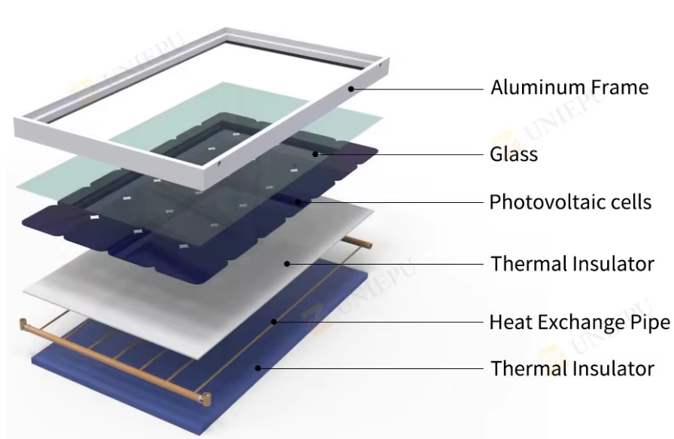 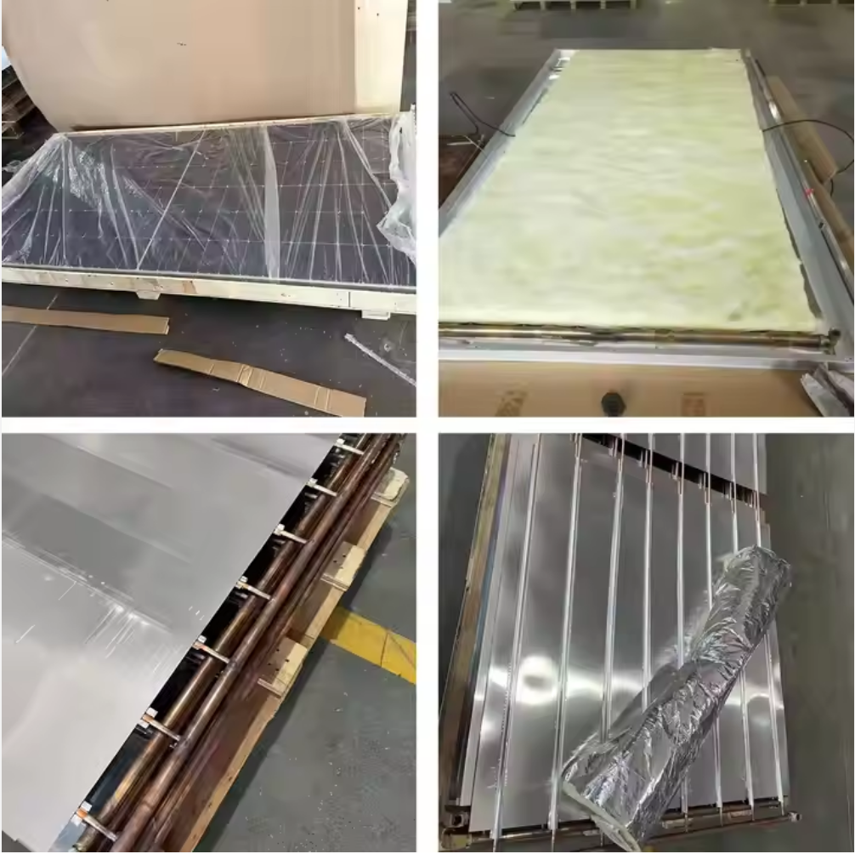 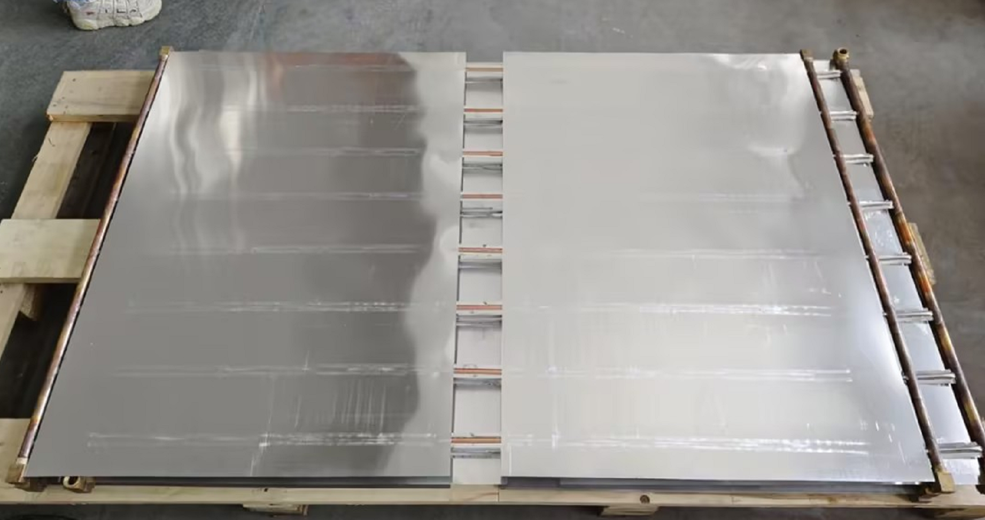
美元出厂价 EXW Factory In USD |  | USD | USD 211 | USD 222 | 美元出厂价 EXW Factory In USD |  | USD 243 | USD 279
人民币不含税出厂价 EXW Factory In RMB（No VAT) |  | CNY | CNY 1454 | CNY 11530 | 人民币不含税出厂价 EXW Factory In RMB（No VAT) |  | CNY 1790 | CNY 1922
Loading Qty/sets （20GP/40GP/40HQ） |  | 272/576/648 | 236/540/600 | 212/500/560 | Loading Qty/sets （20GP/40HQ） |  | 100/500 | 100/450
CHARACTRISRICS | Nominal power | 330W | 450W | 540W | CHARACTRISRICS | Nominal power | 580W | 700W
 | Output power tolerance | 0~+3W |  |  |  | Output power tolerance | 0~+4.99W
 | Rated voltage (Vmpp) | 37.26 | 41.5 | 41.76 |  | Voltage at maximum Power（Vmp/v） | 42.79 | 40.58
 | Rated current (Impp) | 8.86 | 10.85 | 12.93 |  | Current at Maximum Power（Imp/A） | 13.56 | 17.25
 | Open Circuit Voltage(Voc) | 45.64±3% | 49.3±3% | 49.7±3% |  | Open Circuit Voltage(Voc/V) | 51.15 | 48.28
 | Short Circuit Current(lsc) | 9.33±3% | 11.6±3% | 13.72±3% |  | Short Circuit Current(lsc/A) | 14.47 | 18.3
 | Module Efficiency(%) | 16.97 | 20.7 | 21.12 |  | Module Efficiency(%) | 22.5 | 22.5
 | Voltage temperature coefficient (μVoc) | -0.300%/°C | -0.270%/°C | -0.285%/°C |  | Voltage temperature coefficient (μVoc) | -0.250%/°C | -0.240%/°C
 | Current temperature coefficient (μlsc) | +0.060%/°C | +0.048%/°C | +0.045%/°C |  | Current temperature coefficient (μlsc) | +0.050%/°C | +0.042%/°C
 | Power temperature coefficient (μPmpp) | -0.400%/°C | -0.350%/°C | -0.350%/°C |  | Power temperature coefficient (μPmax) | -0.290%/°C | -0.290%/°C
 | NMOT | 45+/-2°C |  |  |  | NMOT | 45±2°C
 | Maximum System Voltage(V) | 1500/1000 | 1500 | 1500 |  | Maximum System Voltage(V) | 1500 | 1500
 | Maximum reverse current(A) | 20 | 20 | 25 |  | Maximum Series Fuse Rating(A) | 30 | 30
Mechanical characterisrtics | Cell Type | 156.75×156.75Poly |  |  | Mechanical characterisrtics | No. of Cells | 144(6x24) | 132(6x22)
 | No. of Cells | 72(6x12) |  |  |  | Dimensions | 2279*1134*41mm | 2384*1303*41mm
 | Dimensions | 1960*992*41 | 2094*1038*41 | 2279*1134*41 |  | Weight | 45kg | 51kg
 | Weight | 35kg | 38kg | 45kg |  | Front Glass | 3.2mm high transmission,low iron,tempered glass
 | Front Glass | 3.2mm high transmission,low iron,tempered glass |  |  |  | Frame | Anodized Aluminium Alloy
 | Frame | Anodized Aluminium Alloy |  |  |  | Output cables | 4m㎡ cable 30cm+mc4
 | Output cables | 4m㎡ cable 90cm+mc4 |  |  |  | MaxWind Load/Snow Load | 2400Pa/5400Pa
 | MaxWind Load/Snow Load | 2400Pa/5400Pa |  |  | Thermal | Thermal Output(W) | 319 | 385
Thermal | Thermal power(W) | 1085 | 1210 | 1397 |  | Panel area | 2.58m² | 3.11m²
 | Heat exchanger area | 1.90m² | 2.17m² | 2.54m² |  | Pipe count | 8 | 8
 | Heat exchanger volume | 0.9L | 1.0L | 1.1L |  | Pipe length | 1917mm | 2020mm
 | Max operating pressure | 0.8mpa |  |  |  | Flow rate | 1.1 L/min | 1.3 L/min
 | Flow rate | 0.4L/S |  |  |  | Hydraulic inlet/outlet | DN 15
 | Hydraulic inlet/outlet | DN 15 |  |  |  | Heating 100L(15-40°C) | 9.1hours | 7.6hours
 | Stagnation temperature | 70°C | 75.6°C | 75.6°C |  | Operation temperature | -40°C~+85°C
 | Optical efficiency aₒ | 58.90% | 58.20% | 58.20%
 | Coefficient a₁ | 16.0W/K/m² | 10.8W/K/m² | 10.8W/K/m²
 | Coefficient a₂ | 0W/(m².K²)
 | Operation temperature | -40°C~+85°C

