Proficiency Graphs
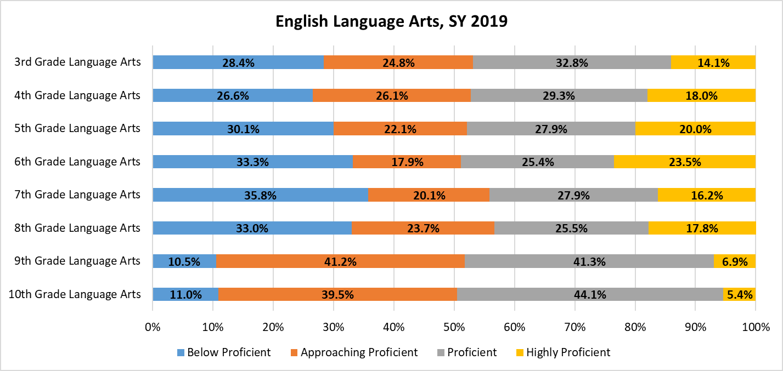
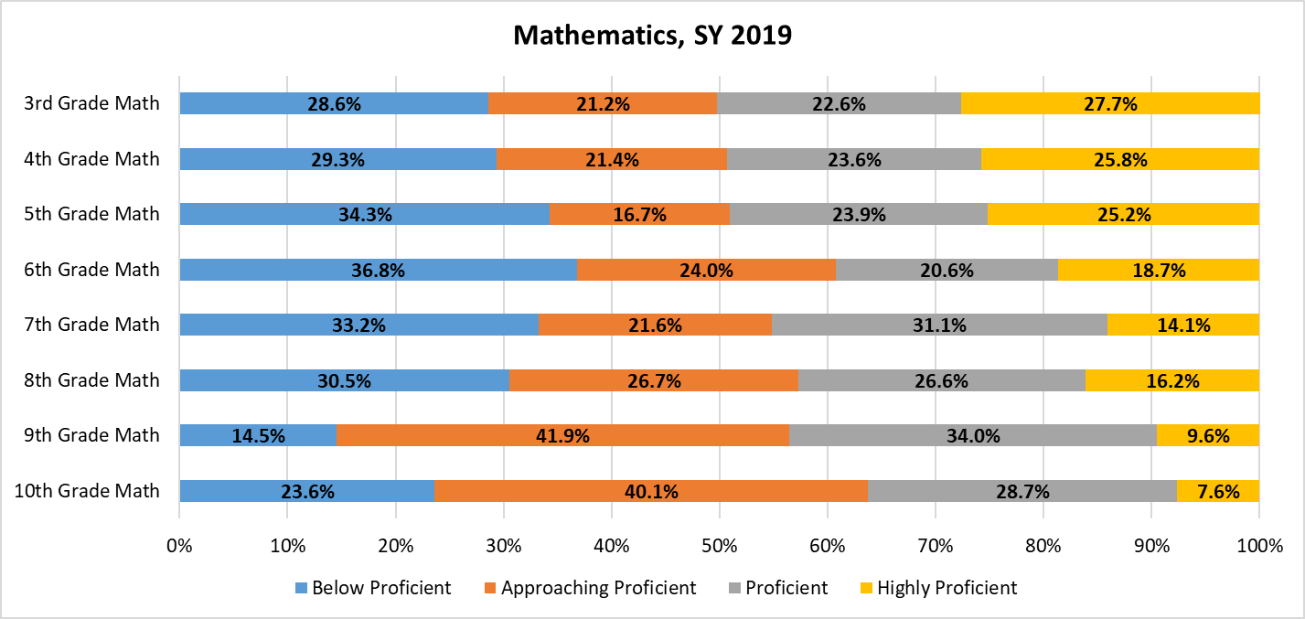
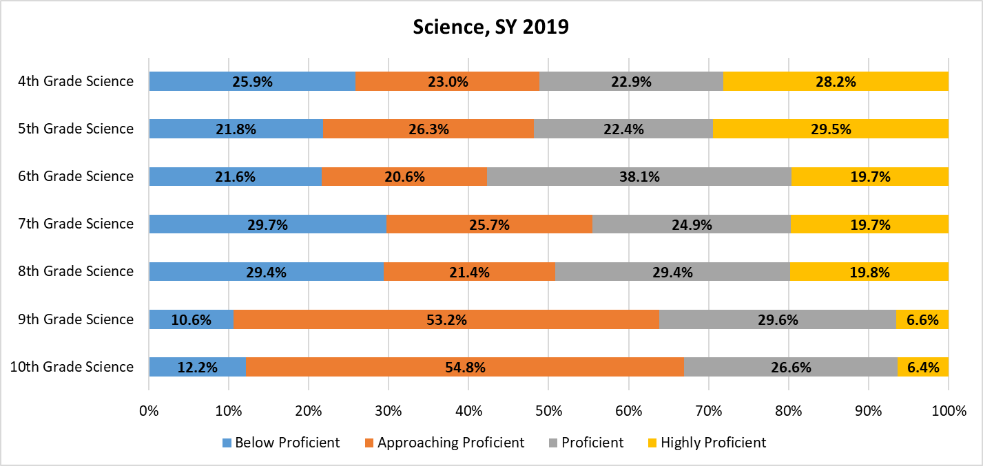
Utah RISE and Utah Aspire Plus Test Results by Proficiency Level, School Year 2018-19

