Sheet2
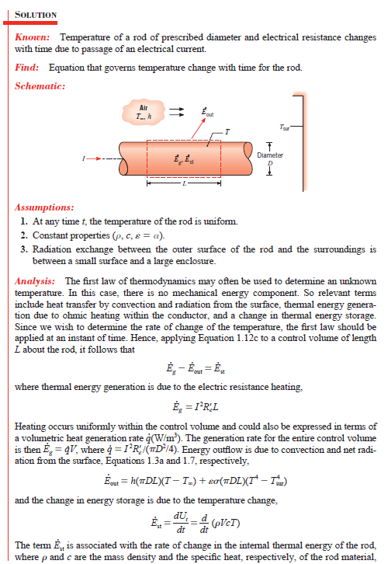
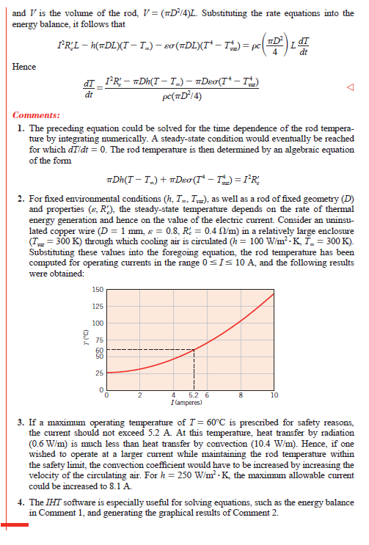
NEXANS (XLPE Insulated) |  |  |  | Spec Amb Temp | 45
Nom Area | Single Core | 2 Cores | 3/4 Cores | Spec Max Temp | 90
1.5 | 21 | 18 | 15 | Delta Spec | 45
2.5 | 28 | 24 | 20
4 | 38 | 32 | 27
6 | 49 | 42 | 34 | Operational Current | 20
10 | 68 | 57 | 47 | Amb Temp | 40
16 | 91 | 77 | 64 | Temperature | 41.25
25 | 120 | 102 | 84
35 | 148 | 126 | 104
50 | 184 | 156 | 129
70 | 228 | 194 | 160 | Thermal Time Constant | 0.00046296296296
95 | 276 | 235 | 193
120 | 319 | 271 | 223
150 | 367 | 312 | 257
185 | 418 | 355 | 293
240 | 492 | 418 | 344
300 | 565 | 480 | 396

 |  |  |  | 119.53121629

