DSZ
Genes_LOC_OS | Expression Variation log-2 | Description
02g14900 | 1.0756312046 | 1 3-beta-glucan synthase component domain containing protein expressed
06g26234 | 2.18087521 | 1 4-alpha-glucan-branching enzyme putative expressed
01g27230 | -3.3063786518 | 12-oxophytodienoate reductase putative expressed
08g37490 | -0.86875020206 | 14-3-3 protein putative expressed
01g11110 | 1.497490656 | 14-3-3 protein putative expressed
04g38770 | 3.9520565195 | 14-3-3 protein putative expressed
11g08380 | 1.385531267 | 1-aminocyclopropane-1-carboxylate oxidase putative expressed
03g63900 | -1.8476448301 | 1-aminocyclopropane-1-carboxylate oxidase 2 putative expressed
01g01710 | -2.217868482 | 1-deoxy-D-xylulose 5-phosphate reductoisomerase chloroplast precursor putative expressed
08g33200 | 0.74619582202 | 1-phosphatidylinositol-4-phosphate 5-kinase zinc ion binding protein putative expressed
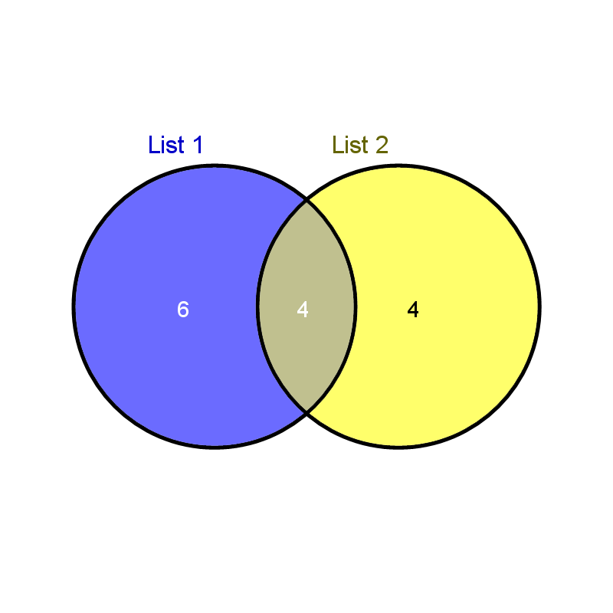
01g60190 | -0.76392963188 | 2 3-bisphosphoglycerate-independent phosphoglycerate mutase putative expressed
01g09030 | -2.6076392226 | 2-aminoethanethiol dioxygenase putative expressed
01g38620 | -1.1047747031 | 3-5 exonuclease nucleic acid binding protein putative expressed
02g17390 | -0.6487216959 | 3-hydroxyacyl-CoA dehydrogenase putative expressed
11g37900 | -2.6987776527 | 3-ketoacyl-CoA synthase putative expressed
05g49290 | -0.82280137333 | 3-ketoacyl-CoA synthase putative expressed
01g65680 | -2.6127280993 | 4 5-DOPA dioxygenase extradiol putative expressed
04g35010 | -1.1150576764 | 40S ribosomal protein S10 putative expressed
07g08660 | -0.97188127472 | 40S ribosomal protein S15 putative expressed
10g27190 | -1.5146430996 | 40S ribosomal protein S17 putative expressed
05g39960 | 1.2827018315 | 40S ribosomal protein S26 putative expressed
01g22490 | -1.4552630667 | 40S ribosomal protein S27a putative expressed
05g06770 | -1.1918732734 | 40S ribosomal protein S27a putative expressed
10g27174 | -0.83674800622 | 40S ribosomal protein S28 putative expressed
02g01560 | -0.77745780014 | 40S ribosomal protein S4 putative expressed
07g42950 | -0.78403971942 | 40S ribosomal protein S6 putative expressed
06g48780 | -1.5995198128 | 60S acidic ribosomal protein putative expressed
01g09510 | -1.0293278024 | 60S acidic ribosomal protein putative expressed
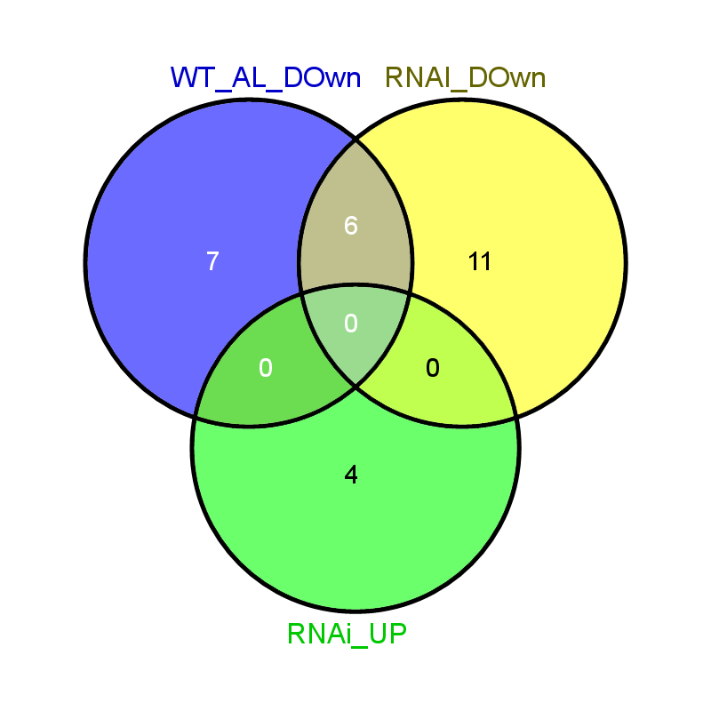
08g02340 | -0.97270771491 | 60S acidic ribosomal protein putative expressed
08g03640 | -1.0003714209 | 60S acidic ribosomal protein P0 putative expressed
07g42170 | -2.1527102179 | 60S ribosomal protein putative expressed
03g29460 | -1.9172802734 | 60S ribosomal protein putative expressed
03g54860 | 6.1715836071 | 60S ribosomal protein L13a-2 putative expressed
05g19370 | -1.5900928977 | 60S ribosomal protein L15 putative expressed
03g40180 | -1.4060539117 | 60S ribosomal protein L15 putative expressed
10g32820 | -1.2044479662 | 60S ribosomal protein L21-2 putative expressed
03g04750 | -0.88207773371 | 60S ribosomal protein L21-2 putative expressed
07g47710 | -1.0604128325 | 60S ribosomal protein L22-2 putative expressed
02g18380 | -1.5694130576 | 60S ribosomal protein L27-3 putative expressed
10g41470 | -1.5312218411 | 60S ribosomal protein L27-3 putative expressed
02g07890 | -1.2376148302 | 60S ribosomal protein L27a-3 putative expressed
06g21480 | 1.1428460408 | 60S ribosomal protein L31 putative expressed
09g32532 | 2.0634554443 | 60S ribosomal protein L32 putative expressed
05g48220 | 2.2995787958 | 60S ribosomal protein L35a-3 putative expressed
05g38520 | -0.73359029742 | 60S ribosomal protein L36-2 putative expressed
08g13690 | -0.79306620024 | 60S ribosomal protein L7 putative expressed
12g38000 | -0.54713975769 | 60S ribosomal protein L8 putative expressed
03g18310 | 1.8884913907 | 6PF-2-K Fru-2 6-P2ASE liver isozyme putative expressed
01g09570 | -1.0769356839 | 6-phosphofructokinase putative expressed
06g02144 | -1.0533627868 | 6-phosphogluconate dehydrogenase decarboxylating putative expressed
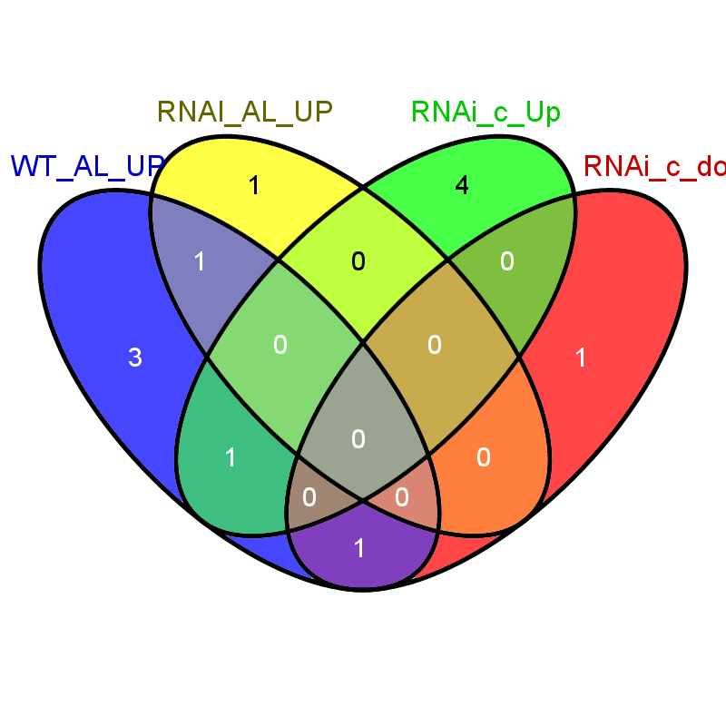
07g41280 | -1.1203519761 | 6-phosphogluconolactonase putative expressed
12g42280 | 3.1219815209 | 9-cis-epoxycarotenoid dioxygenase 1 chloroplast precursor putative expressed
05g50750 | 1.1424134208 | AAA family ATPase putative expressed
03g22420 | 0.85285484176 | AAA-type ATPase family protein putative expressed
01g47800 | 1.1677852105 | AAA-type ATPase family protein putative expressed
11g47970 | 2.7405524143 | AAA-type ATPase family protein putative expressed
06g48060 | -2.8414926031 | ABC transporter ATP-binding protein putative expressed
03g17180 | 0.78145530754 | ABC transporter ATP-binding protein putative expressed
06g38950 | 0.8669251725 | ABC transporter ATP-binding protein putative expressed
01g73530 | 0.91071572408 | ABC transporter ATP-binding protein putative expressed
08g30740 | 1.2716744537 | ABC transporter ATP-binding protein putative expressed
08g07010 | -1.4910916866 | ABC-2 type transporter domain containing protein expressed
03g23030 | 1.7005177525 | aberrant pollen transmission 1 putative expressed
11g06720 | -7.7149071373 | abscisic stress-ripening putative expressed
02g33820 | -4.8663690153 | abscisic stress-ripening putative expressed
01g72910 | -4.4742082352 | abscisic stress-ripening putative expressed
04g34500 | 34.04614705 | abscisic stress-ripening putative expressed
05g22940 | 0.8750154837 | acetyl-CoA carboxylase putative expressed
04g32110 | -2.3937183174 | ACT domain containing protein expressed
12g05650 | -1.6106245339 | ACT domain containing protein expressed
03g50885 | -0.50555236357 | actin putative expressed
04g09860 | 2.0912192671 | actin putative expressed
03g13950 | -1.1004109004 | actin-depolymerizing factor putative expressed
03g56790 | -0.95671872049 | actin-depolymerizing factor putative expressed
04g58550 | -2.1405404733 | acyl-CoA-binding domain-containing protein 6 putative expressed
06g24704 | -1.3048242783 | acyl-coenzyme A oxidase putative expressed
01g69080 | 1.4947082153 | acyl-desaturase chloroplast precursor putative expressed
03g59740 | -0.94079112777 | ADP-ribosylation factor putative expressed
11g13694 | 3.051592193 | AGAP007117-PA putative expressed
01g09200 | 0.95017923222 | AGC_AGC_other_NDRh_TRCd.1 - ACG kinases include homologs to PKA PKG and PKC expressed
08g33420 | 1.0398324796 | agenet domain containing protein expressed
10g41030 | 0.66011415116 | agenet domain containing protein putative expressed
02g40840 | -2.3168103317 | alcohol oxidase putative expressed
01g40870 | -1.3306207593 | aldehyde dehydrogenase putative expressed
11g08300 | -1.1795146741 | aldehyde dehydrogenase putative expressed
06g15990 | -1.0111465741 | aldehyde dehydrogenase putative expressed
08g34210 | 1.352594449 | aldehyde dehydrogenase putative expressed
03g31550 | 0.90307471383 | aldehyde oxidase putative expressed
02g55430 | 0.90432390868 | alginate regulatory protein AlgP putative expressed
03g32314 | -1.8470965895 | allene oxide cyclase 4 chloroplast precursor putative expressed
03g40270 | -1.0700824578 | alpha-1 4-glucan-protein synthase putative expressed
03g20420 | -0.96324631596 | alpha-N-arabinofuranosidase A putative expressed
12g03470 | -0.88846526653 | alpha-N-arabinofuranosidase A putative expressed
04g47930 | 1.7188573432 | aluminum-activated malate transporter putative expressed
04g57560 | -0.77891863686 | amine oxidase flavin-containing domain containing protein expressed
10g38850 | 0.95779288901 | amine oxidase putative expressed
04g20164 | -1.9289554443 | amine oxidase precursor putative expressed
12g39080 | -2.9441076696 | amino acid permease family protein putative expressed
04g35300 | -1.5533340291 | amino acid permease family protein putative expressed
03g37984 | -0.87463319391 | amino acid permease family protein putative expressed
10g26620 | 1.3807430803 | aminotransferase classes I and II domain containing protein expressed
11g35040 | 2.2854802532 | aminotransferase classes I and II domain containing protein expressed
01g18660 | -3.0539422212 | aminotransferase putative expressed
03g06200 | -2.0894201165 | aminotransferase putative expressed
05g01240 | 1.427394529 | AML1 putative expressed
02g40730 | -4.0267492583 | ammonium transporter protein putative expressed
04g58710 | -1.5178294568 | AMP-binding domain containing protein expressed
03g19250 | -1.2696577843 | AMP-binding enzyme putative expressed
05g02130 | -1.9716401132 | ankyrin repeat domain-containing protein 28 putative expressed
03g16780 | -3.3907589419 | ankyrin repeat family protein putative expressed
05g31750 | -4.128316897 | annexin putative expressed
02g51750 | -1.7573975111 | annexin putative expressed
06g11800 | -1.6659210385 | annexin putative expressed
09g23160 | -0.8792702753 | annexin putative expressed
06g07830 | 0.94548386554 | ANTH ENTH domain containing protein putative expressed
01g55530 | 1.8330038478 | AP003256-AK101847 - NBS LRR genes that are S-rich divergent TIR divergent NBS expressed
03g08460 | -3.4152368796 | AP2 domain containing protein expressed
09g11480 | -2.3070764487 | AP2 domain containing protein expressed
03g08500 | -1.9872245778 | AP2 domain containing protein expressed
03g08470 | -1.897264568 | AP2 domain containing protein expressed
09g26420 | -1.5438034596 | AP2 domain containing protein expressed
03g08490 | -1.4011677059 | AP2 domain containing protein expressed
06g09390 | -1.2811609669 | AP2 domain containing protein expressed
02g54160 | -1.163420698 | AP2 domain containing protein expressed
07g42510 | -1.1346415749 | AP2 domain containing protein expressed
05g03040 | -0.92744818835 | AP2 domain containing protein expressed
01g04020 | -0.87035677739 | AP2 domain containing protein expressed
01g58420 | 1.836579302 | AP2 domain containing protein expressed
01g65902 | 5.2739846144 | apocytochrome f precursor putative expressed

03g21830 | -33.326751287 | appr-1-p processing enzyme family protein putative expressed
05g14240 | -3.0776908239 | aquaporin protein putative expressed
06g12310 | -2.3099756668 | aquaporin protein putative expressed
10g36924 | -2.0247743161 | aquaporin protein putative expressed
04g16450 | -2.0141551671 | aquaporin protein putative expressed
06g22960 | -1.9478683453 | aquaporin protein putative expressed
03g05290 | -1.5107503194 | aquaporin protein putative expressed
02g51110 | -1.2753238088 | aquaporin protein putative expressed
07g26690 | -1.079239611 | aquaporin protein putative expressed
02g41860 | -0.65065579155 | aquaporin protein putative expressed
04g47220 | -0.63150408139 | aquaporin protein putative expressed
04g44060 | 0.98588139711 | aquaporin protein putative expressed
09g33800 | -1.7027499699 | arabinogalactan protein putative expressed
11g14190 | -2.1100396016 | ARGOS putative expressed
09g21120 | 2.5370190202 | armadillo beta-catenin repeat family protein putative expressed
11g41990 | -0.90592447566 | armadillo beta-catenin-like repeat family protein expressed
01g34080 | 1.6272168292 | armadillo beta-catenin-like repeat family protein expressed
11g31590 | -2.5662687882 | armadillo putative expressed
03g18130 | -5.1663078213 | asparagine synthetase putative expressed
09g28050 | -1.0175698315 | asparate aminotransferase putative expressed
10g39260 | -5.1407006215 | aspartic proteinase nepenthesin putative expressed
10g39300 | -4.4908869764 | aspartic proteinase nepenthesin putative expressed
07g34850 | -2.4264551038 | aspartic proteinase nepenthesin putative expressed
03g08790 | -2.1541428844 | aspartic proteinase nepenthesin precursor putative expressed
02g48900 | -0.9107307934 | aspartic proteinase nepenthesin-1 precursor putative expressed
02g48870 | -2.8423593469 | aspartic proteinase nepenthesin-2 precursor putative expressed
01g18630 | -1.3481765043 | aspartic proteinase oryzasin-1 precursor putative expressed
05g49200 | -0.72408388201 | aspartic proteinase oryzasin-1 precursor putative expressed
07g08710 | -1.8470307866 | AT hook-containing DNA-binding protein putative expressed
12g42200 | -2.3814595497 | ATCHX putative expressed
07g37750 | 0.63072593754 | ATMIN7 putative expressed
10g21230 | 4.18087521 | ATP synthase
12g23610 | 5.7681181369 | ATP synthase A subunit family protein putative expressed
01g58010 | 6.3529359557 | ATP synthase A subunit family protein putative expressed
05g47980 | -1.2703359019 | ATP synthase putative expressed
01g49190 | -0.80271753206 | ATP synthase putative expressed
10g38274 | 5.5370190202 | ATP synthase C chain putative expressed
10g21268 | 7.4439096158 | ATP synthase C chain putative expressed
07g31300 | -1.2086263297 | ATP synthase delta chain mitochondrial precursor putative expressed
12g34108 | 5.9580552601 | ATP synthase protein 9 mitochondrial putative expressed
12g14930 | 6.1875698625 | ATP synthase protein MI25 putative expressed
12g34018 | 7.7889373938 | ATP synthase protein YMF19 putative expressed
04g16740 | 5.0813395364 | ATP synthase subunit alpha putative expressed
12g28590 | 1.0982271676 | ATPase 2 putative expressed
12g24320 | -4.7085336861 | ATPase 3 putative expressed
08g15296 | 4.7069440216 | ATP-dependent Clp protease proteolytic subunit putative expressed
11g20554 | 1.7789918105 | ATP-dependent RNA helicase
11g23854 | -1.1671151815 | ATP-dependent RNA helicase putative expressed
05g03430 | 1.0106511734 | ATSIZ1 SIZ1 putative expressed
03g12250 | -1.6776239015 | atypical receptor-like kinase MARK putative expressed
01g25320 | 1.2206504506 | auxilin putative expressed
02g50960 | -1.5380143715 | auxin efflux carrier component putative expressed
01g70270 | 0.81559427691 | auxin response factor putative expressed
05g01570 | -3.3577987431 | auxin-induced protein 5NG4 putative expressed
08g44750 | -1.9441076696 | auxin-induced protein 5NG4 putative expressed
01g58910 | -1.8083257391 | auxin-induced protein 5NG4 putative expressed
09g26620 | -3.0140236723 | auxin-repressed protein putative expressed
11g44810 | -1.9942593747 | auxin-repressed protein putative expressed
06g13680 | -0.64154489953 | B12D protein putative expressed
01g04800 | -3.3537519101 | B3 DNA binding domain containing protein expressed
08g43270 | -2.4287652645 | BAG domain-containing protein putative expressed
01g34330 | 1.481877466 | BAH domain containing protein expressed
02g50840 | 0.82564513992 | BAH domain containing protein putative expressed
02g50850 | 0.82901104841 | BAH domain containing protein putative expressed
06g02210 | -5.2089353572 | bark storage protein A precursor putative expressed
05g33400 | -3.3818442171 | basic 7S globulin precursor putative expressed
01g06640 | -2.872371916 | basic helix-loop-helix putative expressed
01g11910 | -1.1076384443 | basic helix-loop-helix putative expressed
03g21970 | -2.8263857107 | basic helix-loop-helix domain containing protein expressed
06g49880 | -2.6127280993 | B-box zinc finger family protein putative expressed
02g39360 | 2.5210774763 | B-box zinc finger family protein putative expressed
01g04050 | -2.7938978579 | BBTI12 - Bowman-Birk type bran trypsin inhibitor precursor expressed
01g03330 | -34.135567166 | BBTI3 - Bowman-Birk type bran trypsin inhibitor precursor expressed
01g03340 | -4.3663871857 | BBTI4 - Bowman-Birk type bran trypsin inhibitor precursor expressed
01g03360 | -3.8716002149 | BBTI5 - Bowman-Birk type bran trypsin inhibitor precursor expressed
01g03390 | -3.0226767219 | BBTI7 - Bowman-Birk type bran trypsin inhibitor precursor expressed
01g03680 | -2.5542468228 | BBTI8 - Bowman-Birk type bran trypsin inhibitor precursor expressed
04g46894 | 1.5194249602 | beige BEACH domain containing protein expressed
07g35940 | 3.9520565195 | beta-amylase putative expressed
09g21210 | -1.0180900028 | beta-glucan-binding protein 4 putative expressed
02g47670 | 1.2763672657 | bg55 putative expressed
03g04310 | -2.0939558783 | BHLH transcription factor putative expressed
03g53230 | -1.3597117092 | bifunctional 3-phosphoadenosine 5-phosphosulfate synthetase putative expressed
09g07300 | 1.8833437694 | BIG putative expressed
03g20560 | -33.117937272 | biotin--protein ligase putative expressed
12g37840 | -1.0952491953 | boron transporter protein putative expressed
11g31540 | -3.2508835392 | BRASSINOSTEROID INSENSITIVE 1-associated receptor kinase 1 precursor putative expressed
01g59440 | -0.85318301359 | BRASSINOSTEROID INSENSITIVE 1-associated receptor kinase 1 precursor putative expressed
02g15220 | 0.91992389852 | bromodomain containing protein expressed
09g25330 | 1.2069858757 | BTBN19 - Bric-a-Brac Tramtrack Broad Complex BTB domain with non-phototropic hypocotyl 3 NPH3 domain expressed
12g02540 | 4.8463470783 | BTBN23 - Bric-a-Brac Tramtrack Broad Complex BTB domain with non-phototropic hypocotyl 3 NPH3 and coiled-coil domains expressed
11g37520 | 0.69311321027 | BTBT3 - Bric-a-Brac Tramtrack Broad Complex BTB domain with tetratricopeptide repeats expressed
01g68020 | -0.85693318468 | BTBZ2 - Bric-a-Brac Tramtrack and Broad Complex BTB domain with TAZ zinc finger and Calmodulin-binding domains expressed
02g52780 | 1.3722742578 | bZIP transcription factor putative expressed
06g48720 | 1.850518493 | cadmium zinc-transporting ATPase 4 putative expressed
06g19170 | 1.808321042 | cadmium tolerance factor putative expressed
08g34170 | -2.5636433188 | CAF1 family ribonuclease containing protein putative expressed
09g24990 | -1.2081205054 | CAF1 family ribonuclease containing protein putative expressed
06g06980 | -32.942087437 | caffeoyl-CoA O-methyltransferase putative expressed
08g38900 | -1.8004001564 | caffeoyl-CoA O-methyltransferase putative expressed
02g56310 | -1.872856774 | calcium-dependent protein kinase isoform AK1 putative expressed
06g03682 | -1.2330548858 | calcium-dependent protein kinase isoform AK1 putative expressed
11g44630 | 1.6301284246 | calmodulin binding protein putative expressed
02g47970 | 0.90874534819 | calpain putative expressed
02g03410 | 1.6083578019 | CAMK_CAMK_like.12 - CAMK includes calcium calmodulin depedent protein kinases expressed
03g03660 | 0.93367799015 | CAMK_CAMK_like.17 - CAMK includes calcium calmodulin depedent protein kinases expressed
07g42940 | 1.6639311327 | CAMK_CAMK_like.7 - CAMK includes calcium calmodulin depedent protein kinases expressed
03g03510 | 1.7146619348 | CAMK_KIN1 SNF1 Nim1_like.15 - CAMK includes calcium calmodulin depedent protein kinases expressed
03g22050 | -1.3637338893 | CAMK_KIN1 SNF1 Nim1_like.16 - CAMK includes calcium calmodulin depedent protein kinases expressed
07g05620 | -1.0401661299 | CAMK_KIN1 SNF1 Nim1_like.28 - CAMK includes calcium calmodulin depedent protein kinases expressed
07g48100 | -0.53214300432 | CAMK_KIN1 SNF1 Nim1_like.31 - CAMK includes calcium calmodulin depedent protein kinases expressed
12g41090 | -2.7536581407 | CAMK_KIN1 SNF1 Nim1_like.38 - CAMK includes calcium calmodulin depedent protein kinases expressed
11g02240 | -0.84773841128 | CAMK_KIN1 SNF1 Nim1_like.4 - CAMK includes calcium calmodulin depedent protein kinases expressed
02g15640 | -1.2979217335 | CAPIP1 putative expressed
12g44320 | -3.6675521241 | carbohydrate binding protein putative expressed
01g37000 | -1.4009771757 | carboxyl-terminal peptidase putative expressed
11g16970 | -3.7621889982 | carnitine racemase like protein putative expressed
07g31280 | -1.2370358927 | casein kinase II subunit beta-4 putative expressed
10g41520 | -1.2144170568 | casein kinase II subunit beta-4 putative expressed
02g02400 | -3.5781113539 | catalase isozyme A putative expressed
06g51150 | -0.77538630058 | catalase isozyme B putative expressed
05g03780 | -1.3308774438 | cation efflux family protein putative expressed
02g26700 | -1.1442193916 | cation transport regulator-like protein 1 putative expressed
03g52690 | -0.89068585803 | CBS domain containing membrane protein putative expressed
01g69090 | -1.9040807757 | CBS domain-containing protein putative expressed
01g20720 | 1.7497483442 | CC-NBS-LRR putative expressed
10g40780 | 1.5575803427 | CCR4-Not complex component Not1domain containing protein expressed
03g52594 | 1.3037053125 | CCR4-NOT transcription factor putative expressed
09g33550 | -3.2355704837 | CCT B-box zinc finger protein putative expressed
08g42440 | -1.0479434805 | CCT B-box zinc finger protein putative expressed
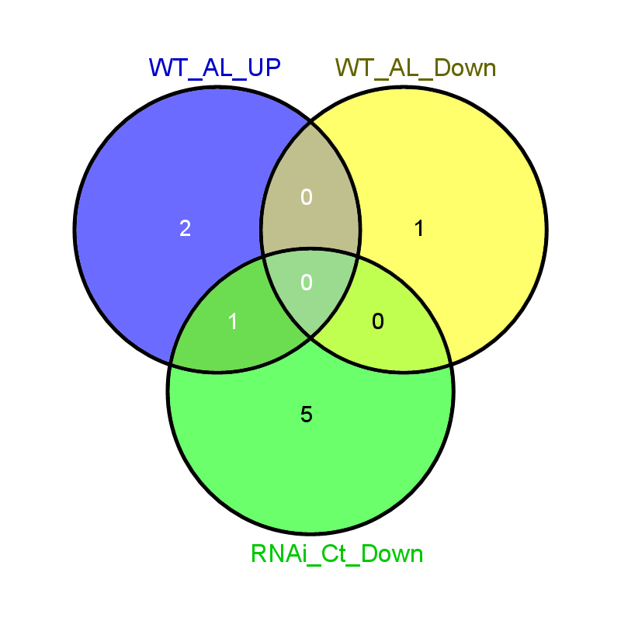
06g29650 | 2.6439342241 | CDP-diacylglycerol--inositol 3-phosphatidyltransferase 1 putative expressed
11g04350 | -2.295870994 | cell death associated protein putative expressed
04g01354 | 6.2374587383 | chalcone synthase putative expressed
01g37560 | -0.88337568926 | chaperone protein dnaJ 49 putative expressed
02g39330 | -33.694994575 | CHIT1 - Chitinase family protein precursor expressed
09g32080 | -2.1379756814 | CHIT13 - Chitinase family protein precursor expressed
10g39680 | -4.2044479662 | CHIT14 - Chitinase family protein precursor expressed
05g33130 | -2.8006028818 | CHIT17 - Chitinase family protein precursor expressed
06g51060 | -33.295724392 | CHIT8 - Chitinase family protein precursor expressed
10g28050 | -2.3389397159 | chitinase 2 putative expressed
07g36170 | 1.4374833466 | chitin-inducible gibberellin-responsive protein putative expressed
08g20570 | -1.7738900737 | chloride channel protein putative expressed
12g25200 | -1.4242114097 | chloride transporter chloride channel family putative expressed
10g21196 | 6.4245442909 | chloroplast 30S ribosomal protein S16 putative expressed
10g21236 | 5.1219815209 | chloroplast ATP synthase a chain precursor putative expressed
02g24598 | 4.7849465336 | chloroplast envelope membrane protein putative expressed
03g38950 | -33.295724392 | chloroplast post-illumination chlorophyll fluorescence increase protein putative expressed
12g01449 | 5.9964506388 | chloroplast unusual positioning protein putative expressed
07g31450 | 0.65607169183 | CHR4 MI-2-LIKE putative expressed
06g01320 | 1.149414751 | chromo domain containing protein expressed
04g39560 | 0.95205651946 | circumsporozoite protein putative expressed
01g35330 | 1.3911681537 | circumsporozoite protein precursor putative expressed
02g13840 | -0.92786702854 | citrate synthase putative expressed
04g38900 | -1.8340036242 | class I glutamine amidotransferase putative expressed
04g18010 | 1.1794670156 | cleavage and polyadenylation specificity factor subunit 1 putative expressed
05g12280 | -2.1442193916 | clumping factor A precursor putative expressed
03g04340 | -1.1737874135 | C-methyltransferase putative expressed
05g32110 | -0.96081088881 | COBRA putative expressed
01g54670 | 1.1377488368 | coiled-coil domain-containing protein 25 putative expressed
06g23114 | -1.3209619749 | copper methylamine oxidase precursor putative expressed
08g33100 | -4.468605529 | core histone H2A H2B H3 H4 putative expressed
07g36140 | -2.5974073 | core histone H2A H2B H3 H4 putative expressed
07g36500 | -33.106063172 | Core histone H2A H2B H3 H4 domain containing protein putative expressed
03g02780 | -2.5767231459 | Core histone H2A H2B H3 H4 domain containing protein putative expressed
03g17100 | -2.5073750992 | Core histone H2A H2B H3 H4 domain containing protein putative expressed
02g45940 | -2.4287652645 | Core histone H2A H2B H3 H4 domain containing protein putative expressed
10g39410 | -1.7266414195 | Core histone H2A H2B H3 H4 domain containing protein putative expressed
03g53190 | -1.3252198089 | Core histone H2A H2B H3 H4 domain containing protein putative expressed
09g38020 | -1.1946327741 | Core histone H2A H2B H3 H4 domain containing protein putative expressed
01g05900 | -0.99081337325 | Core histone H2A H2B H3 H4 domain containing protein putative expressed
05g38640 | -0.94679675708 | Core histone H2A H2B H3 H4 domain containing protein putative expressed
07g45320 | -1.0118355347 | COX VIIa putative expressed
09g13570 | -1.1619972198 | CPuORF2 - conserved peptide uORF-containing transcript expressed
06g02550 | -0.76337591315 | CPuORF21 - conserved peptide uORF-containing transcript expressed
02g21920 | -1.8310508563 | CPuORF24 - conserved peptide uORF-containing transcript expressed
08g32080 | -2.4385636148 | CPuORF27 - conserved peptide uORF-containing transcript expressed
01g43680 | -1.1301582438 | CPuORF29 - conserved peptide uORF-containing transcript expressed
09g28354 | 1.901783313 | CPuORF39 - conserved peptide uORF-containing transcript expressed
12g37410 | -0.79826745756 | CPuORF5 - conserved peptide uORF-containing transcript expressed
02g39790 | 1.7955520338 | CPuORF9 - conserved peptide uORF-containing transcript expressed
08g06380 | -1.2631043326 | CSLF6 - cellulose synthase-like family F 3B beta1 3 3B1 4 glucan synthase expressed
10g20090 | -1.5132482479 | CSLH1 - cellulose synthase-like family H expressed
05g49770 | 2.7069440216 | CTP synthase putative expressed
09g26900 | -33.069842984 | ctr copper transporter family protein putative expressed
01g56420 | -1.1622139266 | ctr copper transporter family protein putative expressed
02g32980 | -33.007378897 | Cupin domain containing protein expressed
08g08980 | -2.3394979264 | cupin domain containing protein expressed
01g18170 | -2.1889083025 | Cupin domain containing protein expressed
05g02520 | -1.3818442171 | cupin domain containing protein expressed
08g08970 | -1.3417205351 | Cupin domain containing protein expressed
07g47360 | 0.76724728094 | CW-type Zinc Finger putative expressed
03g18600 | -1.4991545924 | cyclase dehydrase family protein putative expressed
03g42070 | -3.6966006566 | cyclin putative expressed
02g39010 | 1.212906678 | cyclin-dependent kinase G-1 putative expressed
02g27030 | -1.3251843789 | cysteine proteinase 1 precursor putative expressed
09g21370 | -33.12971444 | cysteine proteinase EP-B 1 precursor putative expressed
04g28250 | -4.97077562 | cysteine proteinase inhibitor precursor putative expressed
05g41460 | -2.6853734012 | cysteine proteinase inhibitor precursor protein putative expressed
01g58890 | -1.4390551406 | cysteine proteinase inhibitor precursor protein putative expressed
04g25060 | -32.95538426 | cysteine-rich receptor-like protein kinase putative expressed
04g56430 | -4.5477893676 | cysteine-rich receptor-like protein kinase putative expressed
04g30030 | -33.357124936 | cysteine-rich receptor-like protein kinase 12 precursor putative expressed
05g34950 | -3.9943624403 | cysteine-rich receptor-like protein kinase 6 precursor putative expressed
03g16950 | -1.7229381821 | cysteine-rich repeat secretory protein 55 precursor putative expressed
01g51540 | -1.4038189073 | cytidine deoxycytidylate deaminase putative expressed
08g15322 | 5.18087521 | cytochrome b559 subunit alpha putative expressed
02g55060 | -2.1971694893 | cytochrome b5-like Heme Steroid binding domain containing protein expressed
10g35870 | -2.0469736015 | cytochrome b5-like Heme Steroid binding domain containing protein expressed
01g73990 | -0.92241259845 | cytochrome b5-like Heme Steroid binding domain containing protein expressed
08g14860 | 1.2718769514 | cytochrome b-c1 complex subunit 7 putative expressed
06g07969 | -1.4702343638 | cytochrome b-c1 complex subunit 8 putative expressed
04g32660 | -1.9807232626 | cytochrome b-c1 complex subunit Rieske mitochondrial precursor putative expressed
02g32120 | -0.91419209165 | cytochrome b-c1 complex subunit Rieske mitochondrial precursor putative expressed
06g46434 | 5.2374587383 | cytochrome c biogenesis protein ccsA putative expressed
12g34012 | 7.5370190202 | cytochrome c biosynthesis ccmC-like mitochondrial protein putative expressed
12g37419 | -1.49658451 | cytochrome c oxidase polypeptide Vc putative expressed
01g50490 | -34.187199935 | cytochrome P450 putative expressed
11g29290 | -33.801909779 | cytochrome P450 putative expressed
09g36070 | -32.994554857 | cytochrome P450 putative expressed
04g09920 | -3.7180095496 | cytochrome P450 putative expressed
06g37364 | -2.8322147895 | cytochrome P450 putative expressed
03g04190 | -2.4964039814 | cytochrome P450 putative expressed
10g34480 | -2.4258769852 | cytochrome P450 putative expressed
10g05020 | -2.0338486507 | cytochrome P450 putative expressed

02g01890 | -1.9628268669 | cytochrome P450 putative expressed
02g12690 | -1.931750463 | cytochrome P450 putative expressed
10g38090 | -1.6179865614 | cytochrome P450 putative expressed
05g35010 | -1.5668515776 | cytochrome P450 putative expressed
09g26960 | -1.2802106498 | cytochrome P450 putative expressed
02g09220 | -1.0046902826 | cytochrome P450 putative expressed
03g12660 | 1.0619341372 | cytochrome P450 putative expressed
07g45000 | 2.1322644942 | cytochrome P450 putative expressed
01g43844 | -2.1391731517 | cytochrome P450 72A1 putative expressed
07g33620 | -33.306141007 | cytochrome P450 domain containing protein expressed
08g34720 | -2.1932665087 | D-3-phosphoglycerate dehydrogenase chloroplast precursor putative expressed
06g02600 | 2.8506112559 | DAG protein chloroplast precursor putative expressed
05g48820 | 0.91164225102 | DDT putative expressed
06g22919 | 1.6153473809 | DEFL9 - Defensin and Defensin-like DEFL family expressed
02g44870 | 1.365924424 | dehydrin putative expressed
09g23540 | -32.873700462 | dehydrogenase putative expressed
11g40690 | -2.8948267668 | dehydrogenase putative expressed
09g23530 | -2.6248686622 | dehydrogenase putative expressed
08g43190 | -1.8650794234 | dehydrogenase putative expressed
10g07229 | -1.8036051684 | dehydrogenase putative expressed
02g57040 | -1.4882409322 | dehydrogenase putative expressed
02g09490 | -1.2649020158 | dehydrogenase putative expressed
11g10510 | -1.1627753412 | dehydrogenase putative expressed
01g46610 | -0.74176228278 | dehydrogenase putative expressed
02g50620 | -1.3303432112 | dehydrogenase E1 component domain containing protein expressed
09g16920 | -2.3996189188 | desaturase cytochrome b5 protein putative expressed
02g54650 | 1.8291997717 | diacylglycerol kinase putative expressed
04g43050 | 1.0495048596 | Dicer putative expressed
03g38740 | 1.1852556958 | Dicer putative expressed
01g22520 | -0.8839811573 | dihydrolipoyl dehydrogenase 1 mitochondrial precursor putative expressed
07g44280 | -33.961986994 | dirigent putative expressed
11g07770 | -3.5451300212 | dirigent putative expressed
07g42520 | -3.0378898159 | dirigent putative expressed
11g07830 | -2.2405885585 | dirigent putative expressed
07g01660 | -2.217868482 | dirigent putative expressed
03g43800 | 1.352594449 | DIRP family protein putative expressed
11g40780 | 4.0964464288 | disease resistance protein putative expressed
08g42930 | 2.0224458474 | disease resistance protein RGA1 putative expressed
06g47800 | -3.1817992273 | disease resistance protein RGA3 putative expressed
11g10770 | 2.5612665664 | disease resistance protein RGA3 putative expressed
01g71114 | 2.2546192895 | disease resistance protein RGA4 putative expressed
11g11960 | 0.62274889421 | disease resistance protein RPM1 putative expressed
08g32880 | 1.1978816353 | disease resistance protein RPM1 putative expressed
01g36640 | 1.5326800845 | disease resistance protein RPM1 putative expressed
08g07774 | 2.2315164732 | disease resistance protein RPM1 putative expressed
09g28180 | -2.1291063334 | D-mannose binding lectin family protein expressed
06g04540 | -2.4964039814 | DNA binding protein putative expressed
03g45730 | 1.7159891612 | DNA-binding protein-like putative expressed
05g22830 | 4.3443739422 | DNA-directed RNA polymerase subunit beta putative expressed
02g24614 | 4.64135568 | DNA-directed RNA polymerase subunit beta putative expressed
04g16830 | 4.6992904491 | DNA-directed RNA polymerase subunit beta putative expressed
04g16872 | 8.5814131395 | DNA-directed RNA polymerase subunit beta putative expressed
03g16860 | 0.76938628977 | DnaK family protein putative expressed
01g62290 | 1.1902162567 | DnaK family protein putative expressed
05g38530 | 3.4630184387 | DnaK family protein putative expressed
10g26910 | 34.04614705 | dof zinc finger domain containing protein putative expressed
05g41480 | -1.0837177571 | domain of unknown function DUF250 domain containing protein expressed
02g42600 | 1.0943091024 | double-stranded RNA binding motif containing protein expressed
01g40250 | 1.2544651636 | down-regulated in metastasis family protein expressed
05g48800 | -0.64355322546 | drought induced 19 protein putative expressed
04g15690 | -1.9516245197 | DSBA-like thioredoxin domain containing protein expressed
02g10190 | -1.1747997601 | DUF1680 domain containing protein putative expressed
03g15230 | -3.3084710308 | DUF292 domain containing protein expressed
10g37400 | -2.9969595518 | DUF538 domain containing protein putative expressed
12g02720 | 3.2150909253 | DUF567 domain containing protein putative expressed
06g50080 | -3.859585761 | DUF581 domain containing protein expressed
09g26370 | -2.4448336331 | DUF581 domain containing protein expressed
02g07820 | -1.9934956965 | DUF581 domain containing protein expressed
04g45834 | -1.8825198713 | DUF584 domain containing protein putative expressed
10g35770 | -1.1662178515 | E -related protein putative expressed
05g47780 | 1.4408037049 | E3 ubiquitin ligase putative expressed
07g46670 | -1.4594173015 | early response to dehydration 15 putative expressed
01g35050 | -0.74545278581 | early-responsive to dehydration protein-related putative expressed
03g29770 | -3.9031580414 | EF hand family protein expressed
01g56030 | -1.4955565834 | EF hand family protein putative expressed
06g51250 | 0.70182988993 | EF hand family protein putative expressed
04g42430 | 0.94500176193 | EF hand family protein putative expressed
12g33944 | 6.6094275157 | ELF protein expressed
07g46750 | -0.70346124106 | elongation factor protein putative expressed
04g41970 | -1.2518158139 | endoglucanase putative expressed
08g41270 | 1.6247949803 | endonuclease exonuclease phosphatase family domain containing protein expressed
10g13550 | 1.8489630265 | endonuclease exonuclease phosphatase family domain containing protein expressed
01g51890 | 2.1310266605 | endonuclease exonuclease phosphatase family domain containing protein expressed
03g14450 | -1.4729650684 | enolase putative expressed
10g08550 | -0.94701457169 | enolase putative expressed
01g70090 | -1.6779938708 | enoyl-CoA hydratase isomerase family protein putative expressed
03g19680 | -1.6541224672 | enoyl-CoA hydratase isomerase family protein putative expressed
04g09900 | -4.2344704493 | ent-kaurene synthase chloroplast precursor putative expressed
10g35500 | -2.119150431 | epoxide hydrolase putative expressed
11g26850 | -1.5453561022 | erythronate-4-phosphate dehydrogenase putative expressed
06g29180 | -1.6211698732 | erythronate-4-phosphate dehydrogenase domain containing protein expressed
01g70850 | -2.4264551038 | esterase putative expressed
04g41570 | 1.8498064612 | ethylene-responsive protein related putative expressed
02g45010 | 2.4590165082 | ethylene-responsive protein related putative expressed
04g46220 | -1.8780184791 | ethylene-responsive transcription factor putative expressed
09g20350 | -0.72171524822 | ethylene-responsive transcription factor putative expressed
03g09170 | 3.733416233 | ethylene-responsive transcription factor putative expressed
02g49800 | -1.1450616586 | eukaryotic aspartyl protease domain containing protein expressed
06g23440 | -1.4890432764 | eukaryotic translation initiation factor 1A putative expressed
07g03230 | 0.77114754957 | eukaryotic translation initiation factor 3 subunit C putative expressed
07g36940 | 0.73292885408 | eukaryotic translation initiation factor 4G putative expressed
07g40580 | -1.5569020539 | eukaryotic translation initiation factor 5A putative expressed
12g32240 | -1.1412186262 | eukaryotic translation initiation factor 5A putative expressed
03g01260 | -4.0175698315 | expansin precursor putative expressed
05g19600 | -3.2377680394 | expansin precursor putative expressed
10g40730 | -2.7799823936 | expansin precursor putative expressed
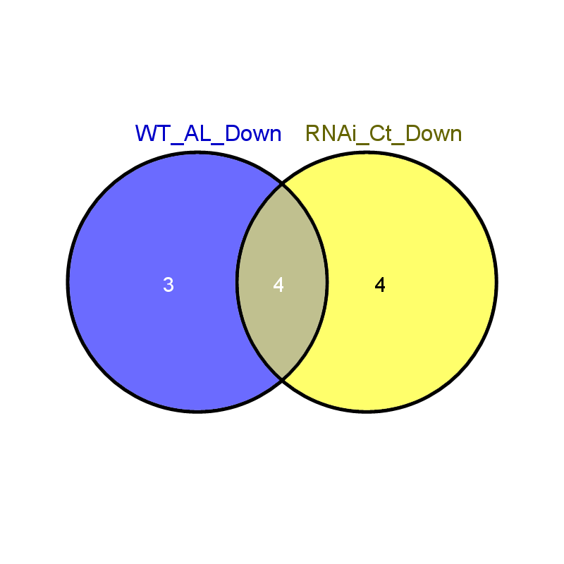
01g60770 | -2.7156464123 | expansin precursor putative expressed
05g19570 | -2.5991176678 | expansin precursor putative expressed
02g44108 | -2.4271155273 | expansin precursor putative expressed
10g40700 | -2.1578611726 | expansin precursor putative expressed
10g40720 | -1.7917627457 | expansin precursor putative expressed
03g42050 | 1.2191039878 | exportin-7-A putative expressed
04g35540 | -33.718581395 | expressed protein
12g17950 | -33.710761891 | expressed protein
11g30360 | -33.646631553 | expressed protein
01g45914 | -33.621828162 | expressed protein
02g13020 | -33.60505245 | expressed protein
12g09620 | -33.444587777 | expressed protein
02g31840 | -33.416018625 | expressed protein
11g23930 | -33.38687228 | expressed protein
03g57145 | -33.377024494 | expressed protein
07g42324 | -33.164479858 | expressed protein
08g28784 | -33.082017698 | expressed protein
11g47640 | -33.082017698 | expressed protein
03g53210 | -33.057564654 | expressed protein
07g34620 | -33.04518093 | expressed protein
10g34700 | -33.007378897 | expressed protein
10g31290 | -32.942087437 | expressed protein
02g35610 | -32.873700462 | expressed protein
09g17360 | -32.873700462 | expressed protein
08g36580 | -32.831056125 | expressed protein
02g37190 | -6.4927283232 | expressed protein
03g60509 | -5.3937183174 | expressed protein
03g05334 | -4.9668067178 | expressed protein
03g08580 | -4.9305865299 | expressed protein
04g33990 | -4.6748692744 | expressed protein
09g19350 | -4.276762171 | expressed protein
04g01500 | -4.2111738294 | expressed protein
05g09580 | -4.1354063218 | expressed protein
05g12630 | -3.9568364291 | expressed protein
06g41120 | -3.9224125985 | expressed protein
12g25090 | -3.8976092075 | expressed protein
01g49310 | -3.7899097558 | expressed protein
05g10414 | -3.6917996703 | expressed protein
02g11770 | -3.6528055387 | expressed protein
05g48740 | -3.5956949022 | expressed protein
04g57770 | -3.4797892675 | expressed protein
07g07670 | -3.459219061 | expressed protein
10g18340 | -3.4323121502 | expressed protein
07g45080 | -3.4244306742 | expressed protein
03g48110 | -3.3937183174 | expressed protein
05g07600 | -3.2660357644 | expressed protein
09g17329 | -3.2540508183 | expressed protein
06g05480 | -3.1976906 | expressed protein
04g48484 | -3.1954310929 | expressed protein
12g38720 | -3.0579275691 | expressed protein
09g22505 | -2.9786808181 | expressed protein
01g42520 | -2.9528289403 | expressed protein
07g35979 | -2.7874830184 | expressed protein
09g19720 | -2.7776775055 | expressed protein
04g55600 | -2.7728362424 | expressed protein
03g08250 | -2.7324416548 | expressed protein
03g61150 | -2.6988111193 | expressed protein
05g08554 | -2.6917996703 | expressed protein
05g02070 | -2.6467117808 | expressed protein
11g30620 | -2.6453753332 | expressed protein
09g31260 | -2.5888249128 | expressed protein
07g31490 | -2.4979764012 | expressed protein
10g08780 | -2.4779313213 | expressed protein
01g15270 | -2.4123818707 | expressed protein
02g52770 | -2.3996189188 | expressed protein
10g37860 | -2.3602214054 | expressed protein
08g32120 | -2.3456240292 | expressed protein
10g41060 | -2.2990313349 | expressed protein
02g50540 | -2.2831599422 | expressed protein
01g24420 | -2.2703359019 | expressed protein
02g13060 | -2.2617227716 | expressed protein
12g28015 | -2.2508835392 | expressed protein
05g05060 | -2.1909014344 | expressed protein
07g06644 | -2.1474791541 | expressed protein
02g36350 | -2.1363649232 | expressed protein
11g35350 | -2.1297375717 | expressed protein
04g41810 | -2.1104394063 | expressed protein
12g23780 | -2.0382933105 | expressed protein
02g33070 | -2.0347336233 | expressed protein
09g37020 | -1.9900235046 | expressed protein
07g33280 | -1.9676013722 | expressed protein
08g08190 | -1.9365514493 | expressed protein
03g03770 | -1.9360102019 | expressed protein
11g38790 | -1.8836430283 | expressed protein
03g01960 | -1.872371916 | expressed protein
02g32469 | -1.8702188179 | expressed protein
06g50230 | -1.8240474686 | expressed protein
10g10480 | -1.8205329844 | expressed protein
07g20164 | -1.8139201614 | expressed protein
06g05440 | -1.7981362339 | expressed protein
03g31490 | -1.790052378 | expressed protein
01g03110 | -1.78213199 | expressed protein
01g54730 | -1.766761728 | expressed protein
01g59740 | -1.7606615285 | expressed protein
07g42650 | -1.7529998267 | expressed protein
04g33110 | -1.7348683922 | expressed protein
02g41820 | -1.7329943057 | expressed protein
10g36260 | -1.6763282615 | expressed protein
10g39980 | -1.6468182881 | expressed protein
03g48626 | -1.6365445583 | expressed protein
01g12100 | -1.6264277708 | expressed protein
12g13340 | -1.6205222568 | expressed protein
12g13674 | -1.615434845 | expressed protein
05g07280 | -1.6039932893 | expressed protein
07g16600 | -1.5922639968 | expressed protein
05g35444 | -1.5738267485 | expressed protein
11g02080 | -1.5525638729 | expressed protein
05g04150 | -1.5276339382 | expressed protein
12g07140 | -1.4888490656 | expressed protein
01g69100 | -1.479092818 | expressed protein
01g57250 | -1.4537296083 | expressed protein
09g10274 | -1.4497711226 | expressed protein
04g48710 | -1.4486731431 | expressed protein
05g37830 | -1.4293725872 | expressed protein
06g03486 | -1.3698715754 | expressed protein
09g22440 | -1.3510477011 | expressed protein
10g42540 | -1.3403746782 | expressed protein
11g44870 | -1.297115233 | expressed protein
03g23010 | -1.2806042373 | expressed protein
10g25130 | -1.2685580889 | expressed protein
07g36410 | -1.2280642491 | expressed protein
03g40920 | -1.2160862766 | expressed protein
04g47310 | -1.2053465617 | expressed protein
03g27010 | -1.1840801685 | expressed protein
08g42420 | -1.1661924472 | expressed protein
12g38140 | -1.160744083 | expressed protein
05g43252 | -1.1339912211 | expressed protein
11g34790 | -1.083034145 | expressed protein
03g01700 | -1.0618330068 | expressed protein
06g48500 | -1.0404098079 | expressed protein
04g39320 | -1.0012777084 | expressed protein
05g02990 | -0.99135995217 | expressed protein
04g23140 | -0.97755415264 | expressed protein
04g11040 | -0.96210207661 | expressed protein
06g38210 | -0.93169960033 | expressed protein
07g45570 | -0.8955228802 | expressed protein
05g48500 | -0.86316052037 | expressed protein
11g14544 | -0.86275524905 | expressed protein
06g02370 | -0.8034346208 | expressed protein
10g35100 | -0.7936262918 | expressed protein
02g12480 | -0.75104114529 | expressed protein
03g42464 | 0.64024717959 | expressed protein
03g35340 | 0.69649723419 | expressed protein
02g32009 | 0.69899375805 | expressed protein
06g15700 | 0.72087384982 | expressed protein
02g38480 | 0.72810358414 | expressed protein
11g08090 | 0.73115834481 | expressed protein
08g33320 | 0.76127820267 | expressed protein
08g03579 | 0.77562995208 | expressed protein
10g42196 | 0.78253946233 | expressed protein
03g11460 | 0.82877224314 | expressed protein
03g44670 | 0.89800680264 | expressed protein
12g37890 | 0.94795212113 | expressed protein
05g31690 | 0.96802326787 | expressed protein
07g45400 | 0.98695833044 | expressed protein
02g58410 | 0.99062417572 | expressed protein
02g03840 | 1.0187651879 | expressed protein
01g29230 | 1.0325912311 | expressed protein
06g17840 | 1.0363254364 | expressed protein
05g38040 | 1.0484610034 | expressed protein
02g27110 | 1.0624805092 | expressed protein
06g50220 | 1.0737350761 | expressed protein
01g56300 | 1.0992824726 | expressed protein
08g02350 | 1.10198603 | expressed protein
12g13670 | 1.1289342815 | expressed protein
05g37500 | 1.1514526394 | expressed protein
12g15222 | 1.1523551699 | expressed protein
02g42020 | 1.1890957168 | expressed protein
01g08750 | 1.2131686132 | expressed protein
05g32970 | 1.2200743328 | expressed protein
01g59670 | 1.2214464203 | expressed protein
03g63870 | 1.2334694546 | expressed protein
01g40990 | 1.2494424301 | expressed protein
09g24440 | 1.2540850569 | expressed protein
06g44034 | 1.2604514587 | expressed protein
04g59460 | 1.2620119727 | expressed protein
07g23930 | 1.2778266806 | expressed protein
03g27019 | 1.281281205 | expressed protein
05g28300 | 1.2901320369 | expressed protein
04g56500 | 1.300951662 | expressed protein
01g31629 | 1.3072846235 | expressed protein
09g22500 | 1.3236153821 | expressed protein
02g10790 | 1.3386054618 | expressed protein
02g21190 | 1.406487457 | expressed protein
02g21269 | 1.4781253311 | expressed protein
12g04204 | 1.4890791886 | expressed protein
02g16490 | 1.4985448724 | expressed protein
09g20930 | 1.5146512072 | expressed protein
01g56790 | 1.5230605626 | expressed protein
04g53380 | 1.5278004902 | expressed protein
03g01350 | 1.5470031088 | expressed protein
03g06835 | 1.5776610047 | expressed protein
06g43870 | 1.6375458961 | expressed protein
03g58910 | 1.6762548176 | expressed protein
03g60419 | 1.6790380251 | expressed protein
05g22990 | 1.709855617 | expressed protein
07g48280 | 1.747698021 | expressed protein
05g47790 | 1.7504226583 | expressed protein
03g49960 | 1.7737192782 | expressed protein
09g26530 | 1.8276091485 | expressed protein
01g71100 | 1.836579302 | expressed protein
04g51410 | 1.8451413155 | expressed protein
08g10580 | 1.8770944618 | expressed protein
02g47890 | 1.8976087354 | expressed protein
05g08090 | 1.9162113205 | expressed protein
04g42910 | 1.995449115 | expressed protein
07g35600 | 2.0154818996 | expressed protein
11g31770 | 2.0182902179 | expressed protein
11g31470 | 2.0482718347 | expressed protein
01g29804 | 2.0830625316 | expressed protein
08g08205 | 2.0964464288 | expressed protein
11g20239 | 2.1463781752 | expressed protein
07g47590 | 2.2150909253 | expressed protein
09g21280 | 2.2266788996 | expressed protein
11g10470 | 2.3067214008 | expressed protein
04g38950 | 2.3240252969 | expressed protein
04g02680 | 2.3289108249 | expressed protein
01g32670 | 2.3670940187 | expressed protein
01g08890 | 2.3697242748 | expressed protein
06g25500 | 2.4920716141 | expressed protein
03g04100 | 2.5013951105 | expressed protein
01g59970 | 2.6125700532 | expressed protein
11g04409 | 2.6266814811 | expressed protein
12g21734 | 2.6388986342 | expressed protein
04g20960 | 2.6462480899 | expressed protein
11g37040 | 2.6480503326 | expressed protein
10g31864 | 2.7009051051 | expressed protein
08g02354 | 2.7434698977 | expressed protein
01g49550 | 2.8740540075 | expressed protein
02g06725 | 2.9100624308 | expressed protein
06g43940 | 2.9844779972 | expressed protein
03g51470 | 2.9895312249 | expressed protein
01g29220 | 3.0300590315 | expressed protein
02g30270 | 3.0895600432 | expressed protein
02g43519 | 3.2711805415 | expressed protein
02g27130 | 3.3564467745 | expressed protein
10g14180 | 3.3607423393 | expressed protein
01g15900 | 3.3670940187 | expressed protein
08g37104 | 3.3850159267 | expressed protein
06g43950 | 3.4031632735 | expressed protein
10g39860 | 3.4238084097 | expressed protein
07g03040 | 3.4259877078 | expressed protein
04g31790 | 3.4408037049 | expressed protein
05g36184 | 3.45455686 | expressed protein
06g43960 | 3.5730882749 | expressed protein
11g01460 | 3.800053426 | expressed protein
04g06900 | 3.9964506388 | expressed protein
06g38190 | 4.1219815209 | expressed protein
05g36186 | 4.2415631367 | expressed protein
05g06014 | 4.2448382687 | expressed protein
03g03080 | 4.4439096158 | expressed protein
11g35300 | 4.7069440216 | expressed protein
01g48620 | 4.7296640981 | expressed protein
06g43970 | 4.7296640981 | expressed protein
01g49370 | 4.8005400831 | expressed protein
12g34010 | 5.1219815209 | expressed protein
01g04590 | 5.1744489408 | expressed protein
10g40824 | 5.4439096158 | expressed protein
06g16380 | 5.4931442108 | expressed protein
01g57990 | 5.6945602972 | expressed protein
06g43980 | 5.7471331117 | expressed protein
01g17396 | 6.4756184755 | expressed protein
12g23570 | 6.5370190202 | expressed protein
12g34096 | 6.5726429299 | expressed protein
05g22840 | 6.6663020371 | expressed protein
03g17410 | 6.7069440216 | expressed protein
06g35165 | 6.7069440216 | expressed protein
12g33928 | 6.7464723858 | expressed protein
07g46680 | 6.8204729673 | expressed protein
12g14939 | 7.0288721165 | expressed protein
07g06834 | 7.305203345 | expressed protein
12g34148 | 7.3590207182 | expressed protein
04g54310 | 7.4912153306 | expressed protein
04g30920 | 8.1219815209 | expressed protein
01g09665 | 8.334031998 | expressed protein
12g34102 | 8.6244818614 | expressed protein
03g18779 | 9.7268435791 | expressed protein
02g37360 | 9.7944068629 | expressed protein
03g02470 | 11.000543393 | expressed protein
03g43100 | 32.894143956 | expressed protein
06g16040 | 32.894143956 | expressed protein
07g39450 | 32.894143956 | expressed protein
07g48620 | 32.894143956 | expressed protein
07g05840 | 33.309181456 | expressed protein
07g26100 | 34.724218955 | expressed protein
06g08240 | 35.396644297 | expressed protein
02g37380 | 35.58219995 | expressed protein
07g06080 | -33.117937272 | FAD dependent oxidoreductase domain containing protein expressed
07g34570 | -4.8090514206 | FAD dependent oxidoreductase domain containing protein expressed
08g02230 | -5.5424657636 | FAD-binding and arabino-lactone oxidase domains containing protein putative expressed
08g40720 | -4.4113482114 | FAD-binding and arabino-lactone oxidase domains containing protein putative expressed
05g48890 | -3.9141920916 | fasciclin domain containing protein expressed
01g47780 | -2.217868482 | fasciclin domain containing protein expressed
05g48900 | -2.075726637 | fasciclin domain containing protein expressed
03g57460 | -1.9354687513 | fasciclin domain containing protein expressed
03g03600 | -1.4814266471 | fasciclin-like arabinogalactan protein putative expressed
08g23180 | -2.79958897 | fasciclin-like arabinogalactan protein 8 precursor putative expressed
07g45070 | 1.5973097994 | FAT domain-containing protein putative expressed
07g45074 | 2.3437110913 | FAT domain-containing protein putative expressed
02g48560 | -0.84491925681 | fatty acid desaturase putative expressed
12g43363 | -32.873700462 | fatty acid hydroxylase putative expressed
12g36670 | -0.8674602874 | F-box LRR-repeat protein 3 putative expressed
07g22220 | 1.7168400578 | F-box-like WD repeat-containing protein TBL1XR1-A putative expressed
09g33950 | -2.0886898229 | ferredoxin 1-like isoform 1 putative expressed
01g25484 | -0.7685809048 | ferredoxin--nitrite reductase putative expressed
02g52730 | 2.8511276106 | ferredoxin--nitrite reductase putative expressed
02g07910 | -1.7377750991 | fiber protein Fb15 putative expressed
07g27810 | -1.5380143715 | fiber protein Fb34 putative expressed
07g02100 | -4.3425642294 | flavin-containing monooxygenase family protein putative expressed
03g03034 | 1.6890221136 | flavonol synthase flavanone 3-hydroxylase putative expressed
03g38540 | -1.6951902595 | folic acid binding protein putative expressed
07g07680 | -0.88727079233 | frigida putative expressed
03g58070 | -0.76232238964 | frigida putative expressed
08g02700 | -33.866680034 | fructose-bisphospate aldolase isozyme putative expressed
01g67860 | -1.6984920394 | fructose-bisphospate aldolase isozyme putative expressed
05g33380 | -1.623394622 | fructose-bisphospate aldolase isozyme putative expressed
01g24560 | -4.9747336336 | fruit bromelain precursor putative expressed
01g24550 | -4.1564679373 | fruit bromelain precursor putative expressed
01g22670 | -3.095976177 | fruit bromelain precursor putative expressed
07g42640 | -2.0107324014 | FYVE zinc finger family protein expressed
06g04620 | -1.7136177805 | GDP-mannose 4 6 dehydratase 2 putative expressed
07g44780 | -32.873700462 | GDSL-like lipase acylhydrolase putative expressed
06g12410 | -4.2573968462 | GDSL-like lipase acylhydrolase putative expressed
03g25030 | -3.2304685188 | GDSL-like lipase acylhydrolase putative expressed
01g11730 | -2.8976092075 | GDSL-like lipase acylhydrolase putative expressed
06g34120 | -2.27401156 | GDSL-like lipase acylhydrolase putative expressed
05g06710 | -1.7359994742 | GDSL-like lipase acylhydrolase putative expressed
01g11650 | -0.9529469666 | GDSL-like lipase acylhydrolase putative expressed
01g46169 | 1.705141779 | GDSL-like lipase acylhydrolase putative expressed
06g11135 | -33.596590871 | gibberellin receptor GID1L2 putative expressed
07g06880 | -33.106063172 | gibberellin receptor GID1L2 putative expressed
06g11130 | -2.1863575092 | gibberellin receptor GID1L2 putative expressed
05g33730 | -0.76310470438 | gibberellin receptor GID1L2 putative expressed
07g39470 | 1.0210038732 | gibberellin response modulator protein putative expressed
01g08700 | -1.7575416677 | GIGANTEA putative expressed
01g10680 | 1.5430428078 | GIL1 putative expressed
02g40890 | -1.4906237349 | GLTP domain containing protein Glycolipid transfer protein
08g01710 | -1.8976092075 | GLTP domain containing protein putative expressed
08g44220 | -1.5893167127 | GLTP domain containing protein putative expressed
02g53200 | -3.0201255364 | glucan endo-1 3-beta-glucosidase precursor putative expressed
07g35480 | -2.8986880047 | glucan endo-1 3-beta-glucosidase precursor putative expressed
03g46660 | -2.004354212 | glucan endo-1 3-beta-glucosidase precursor putative expressed
07g35510 | -1.8503181229 | glucan endo-1 3-beta-glucosidase precursor putative expressed
07g35350 | -1.6694318573 | glucan endo-1 3-beta-glucosidase precursor putative expressed
07g35560 | -1.3895734899 | glucan endo-1 3-beta-glucosidase precursor putative expressed
05g43690 | -3.8336683866 | glucan endo-1 3-beta-glucosidase-like protein 3 precursor putative expressed
01g48960 | 1.2389870416 | glutamate synthase chloroplast precursor putative expressed
03g12290 | -2.4929583264 | glutamine synthetase catalytic domain containing protein expressed
04g46960 | -1.3645183409 | glutathione peroxidase domain containing protein expressed
09g37240 | 1.3537971961 | glutathione S-transferase C-terminal domain containing protein expressed
09g29200 | -5.3021847679 | glutathione S-transferase putative expressed
10g38740 | -3.4488229168 | glutathione S-transferase putative expressed
01g72170 | -2.7776775055 | glutathione S-transferase putative expressed
10g38780 | -1.9969595518 | glutathione S-transferase putative expressed
01g55830 | -1.2776778772 | glutathione S-transferase putative expressed
10g38630 | -1.2111738294 | glutathione S-transferase putative expressed
05g05620 | 2.2685301843 | glutathione S-transferase putative expressed
10g38600 | -2.6556260578 | glutathione S-transferase GSTU6 putative expressed
04g40730 | -1.7617725759 | glyceraldehyde-3-phosphate dehydrogenase putative expressed
02g38920 | -1.2285157262 | glyceraldehyde-3-phosphate dehydrogenase putative expressed
08g03290 | -0.85476158583 | glyceraldehyde-3-phosphate dehydrogenase putative expressed
05g20100 | -1.9786808181 | glycerol-3-phosphate acyltransferase putative expressed
02g31030 | -1.1144103893 | glycerophosphoryl diester phosphodiesterase family protein putative expressed
10g31530 | 2.7869972732 | glycine-rich cell wall protein putative expressed
10g31720 | -2.199946574 | glycine-rich cell wall structural protein 2 precursor putative expressed
10g31660 | -2.1707461046 | glycine-rich cell wall structural protein 2 precursor putative expressed
10g31640 | -1.7735937615 | glycine-rich cell wall structural protein 2 precursor putative expressed
04g10380 | 1.4282833806 | glycine-rich protein putative expressed
05g02780 | -0.6687511802 | glycine-rich protein A3 putative expressed
03g61990 | -0.89711857829 | glycine-rich RNA-binding protein 7 putative expressed
01g03950 | -3.319184162 | glycosyl hydrolase family 31 putative expressed
06g46340 | -3.2338100258 | glycosyl hydrolase family 31 putative expressed
11g47600 | -33.106063172 | glycosyl hydrolase putative expressed
10g28080 | -4.0021397909 | glycosyl hydrolase putative expressed
10g28120 | -3.2258612727 | glycosyl hydrolase putative expressed
05g15770 | -2.4044287975 | glycosyl hydrolase putative expressed

01g47070 | -2.2836705404 | glycosyl hydrolase putative expressed
01g64110 | -1.6974462335 | glycosyl hydrolase putative expressed
11g44950 | -3.163420698 | glycosyl hydrolase family 3 protein putative expressed
02g51620 | -1.4440725173 | glycosyl hydrolase family 3 protein putative expressed
04g40490 | -2.0539422212 | glycosyl hydrolase family 5 protein putative expressed
04g40190 | -1.1832033101 | glycosyl hydrolase family 5 protein putative expressed
11g33270 | -2.4539358402 | glycosyl hydrolases family 16 putative expressed
08g13920 | -1.0427274862 | glycosyl hydrolases family 16 putative expressed
01g71860 | -33.764628763 | glycosyl hydrolases family 17 putative expressed
01g71340 | -5.6428900698 | glycosyl hydrolases family 17 putative expressed
01g51570 | -3.5903891491 | glycosyl hydrolases family 17 putative expressed
01g71830 | -3.5236769115 | glycosyl hydrolases family 17 putative expressed
05g31140 | -2.2758954272 | glycosyl hydrolases family 17 putative expressed
01g64170 | -2.1863575092 | glycosyl hydrolases family 17 putative expressed

01g71350 | -1.9823551389 | glycosyl hydrolases family 17 putative expressed
04g33640 | 3.6890221136 | glycosyl hydrolases family 17 putative expressed
03g18890 | -3.2788979154 | glycosyl transferase 8 domain containing protein putative expressed
10g40640 | 1.0040787318 | glycosyl transferase 8 domain containing protein putative expressed
01g02900 | -2.424912939 | glycosyltransferase putative expressed
02g22190 | -1.0397568991 | glycosyltransferase putative expressed
06g47340 | -0.82453614882 | glycosyltransferase family 43 protein putative expressed
02g22380 | -1.4007961486 | glycosyltransferase protein putative expressed
06g27560 | -1.1703401119 | glycosyltransferase protein putative expressed
05g07940 | -1.5504438211 | glyoxalase family protein putative expressed
08g09250 | -0.86206765861 | glyoxalase family protein putative expressed
03g49990 | -1.4466080101 | GRAS family transcription factor domain containing protein expressed
04g56710 | 1.7203262335 | GTP cyclohydrolase I 1 putative expressed
07g37650 | -0.89649113917 | GTPase-activating protein putative expressed
01g56590 | 1.4843775404 | guanine nucleotide exchange family protein putative expressed
01g69990 | 0.809762637 | GYF domain containing protein putative expressed
07g04530 | 1.2709164481 | GYF domain containing protein putative expressed
02g08320 | -32.95538426 | haemolysin-III putative expressed
07g44060 | -1.7286649641 | haloacid dehalogenase-like hydrolase family protein putative expressed
03g16670 | -1.3297790844 | haloacid dehalogenase-like hydrolase family protein putative expressed
06g06780 | -1.8892457345 | harpin-induced protein putative expressed
02g33550 | -3.7621889982 | harpin-induced protein 1 domain containing protein expressed
07g14740 | -3.5504438211 | harpin-induced protein 1 domain containing protein expressed
04g58860 | -2.0004151105 | harpin-induced protein 1 domain containing protein expressed
08g01220 | -1.9256877305 | harpin-induced protein 1 domain containing protein expressed
11g05860 | -1.8892457345 | harpin-induced protein 1 domain containing protein expressed
04g33750 | 2.1232431695 | harpin-induced protein 1 domain containing protein expressed
08g07290 | 1.3670940187 | HEAT repeat family protein putative expressed
03g05330 | 1.3832136841 | HEAT repeat family protein putative expressed
02g07340 | 1.6227488942 | HEAT repeat family protein putative expressed
06g30901 | 2.4912153306 | HEAT repeat family protein putative expressed
09g30412 | 0.54237531237 | heat shock protein putative expressed
08g39140 | 0.67373487942 | heat shock protein putative expressed
10g42439 | 0.68685752952 | heat shock protein DnaJ putative expressed
03g22490 | -2.2311653046 | heavy metal-associated domain containing protein expressed
03g05750 | 2.4215418028 | heavy-metal-associated domain-containing protein putative expressed
09g31090 | 1.2352688072 | HECT-domain domain containing protein expressed
11g48090 | 1.2984466718 | helicase conserved C-terminal domain containing protein expressed
01g72370 | -2.5557381207 | helix-loop-helix DNA-binding domain containing protein expressed
04g34630 | -1.572605471 | helix-loop-helix DNA-binding domain containing protein expressed
11g38870 | 2.7138967823 | helix-loop-helix DNA-binding domain containing protein expressed
02g52190 | -3.2111738294 | helix-loop-helix DNA-binding protein putative expressed
01g11900 | 0.6285351665 | hhH-GPD superfamily base excision DNA repair protein expressed
03g48300 | 2.7225746733 | histidine acid phosphatase putative expressed
03g20630 | -1.3126467067 | histidine triad family protein putative expressed
02g04490 | 0.85629753666 | histone acetyltransferase HAC1 putative expressed
06g38470 | -1.1650517835 | histone deacetylase 19 putative expressed
03g05680 | 1.9699784275 | histone demethylase JARID1C putative expressed
04g18090 | -1.7535528307 | histone H1 putative expressed
06g04020 | -1.1606436133 | histone H1 putative expressed
06g06460 | -2.3126467067 | histone H3 putative expressed
05g36280 | -2.2292732453 | histone H3 putative expressed
01g64640 | -1.9519165928 | histone H3 putative expressed
06g04030 | -1.471763752 | histone H3 putative expressed
06g51220 | -2.5463246199 | HMG1 2 putative expressed
01g40690 | -1.4516656666 | holocarboxylase synthetase putative expressed
02g49700 | -1.0096960112 | homeobox associated leucine zipper putative expressed
12g41390 | -1.899692522 | homocysteine S-methyltransferase protein putative expressed
01g04350 | -33.141396245 | hsp20 alpha crystallin family protein putative expressed
03g10620 | -1.6322027421 | hydrolase alpha beta fold family domain containing protein expressed
03g32270 | -1.0787057343 | hydrolase alpha beta fold family domain containing protein expressed
05g46460 | 1.174035857 | hydrolase alpha beta fold family domain containing protein expressed
02g50130 | -1.782502577 | hydrolase NUDIX family domain containing protein expressed
09g38040 | 2.0736184993 | hydrolase NUDIX family protein expressed
03g62060 | -33.347071272 | hydrolase putative expressed
07g14590 | -1.8420260455 | hydrolase putative expressed
01g40560 | -5.2377680394 | hypersensitive-induced response protein putative expressed
05g51420 | -1.6579768374 | hypersensitive-induced response protein putative expressed
02g37250 | -2.4364391924 | hypothetical protein
12g34120 | 6.2250750139 | hypothetical protein
04g55300 | 6.5370190202 | hypothetical protein
07g40890 | -2.2044479662 | igA FC receptor precursor putative expressed
09g31080 | -2.0901435828 | induced stolen tip protein TUB8 putative expressed
12g36240 | -35.646631553 | inhibitor I family protein putative expressed
12g36210 | -5.1529789512 | inhibitor I family protein putative expressed
12g36220 | -4.3698715754 | inhibitor I family protein putative expressed
03g16700 | 1.0129020747 | initiator-binding protein putative expressed
02g55890 | -0.70228678409 | inorganic H 2B pyrophosphatase putative expressed
06g08080 | -0.62355601307 | inorganic H 2B pyrophosphatase putative expressed
10g30790 | -3.2614527809 | inorganic phosphate transporter putative expressed
03g05640 | -2.3042832338 | inorganic phosphate transporter putative expressed
04g10750 | -2.171325896 | inorganic phosphate transporter putative expressed
03g05620 | -1.6642501096 | inorganic phosphate transporter putative expressed
06g49500 | -1.3847558125 | integral membrane protein putative expressed
02g52930 | -1.4935940268 | integral membrane protein DUF6 containing protein expressed
07g34110 | -1.3152103592 | integral membrane protein DUF6 containing protein expressed
11g42960 | -1.674485085 | integral membrane protein TIGR01569 containing protein expressed
10g36500 | -33.596590871 | invertase pectin methylesterase inhibitor family protein putative expressed
05g03190 | -1.2303378339 | IQ calmodulin-binding motif domain containing protein expressed
02g39630 | -0.95652045277 | iron-stress related protein putative expressed
12g16290 | 1.0763388554 | isoflavone reductase putative expressed
06g07250 | -2.0006181211 | jacalin-like lectin domain containing protein expressed
01g24710 | -1.9195586014 | jacalin-like lectin domain containing protein expressed
01g25280 | -1.5974073 | jacalin-like lectin domain containing protein expressed
10g04270 | -1.4882409322 | jacalin-like lectin domain containing protein expressed
06g21820 | -3.3284049581 | jasmonate O-methyltransferase putative expressed
09g07460 | -1.2355704837 | kelch repeat protein putative expressed
01g68740 | -0.84478053068 | keratin type I cytoskeletal 9 putative expressed
09g36520 | -1.5290701703 | ki1 protein putative expressed
08g02120 | -1.8708586875 | kinase pfkB family putative expressed
10g28610 | 0.63039487486 | KIP1 putative expressed
07g49480 | 1.4136366047 | KIP1 putative expressed
04g50990 | -1.8932662528 | L11 domain containing ribosomal protein putative expressed
02g47140 | -1.3018847377 | L11 domain containing ribosomal protein putative expressed
12g15680 | -4.1424610793 | laccase precursor protein putative expressed
01g61160 | -2.1385460293 | laccase precursor protein putative expressed
12g15920 | -1.9467967571 | laccase precursor protein putative expressed
11g48060 | 1.1585073969 | laccase-22 precursor putative expressed
01g10210 | -3.2895294671 | lachrymatory factor synthase putative expressed
12g43630 | -1.0302414788 | lactate malate dehydrogenase putative expressed
05g50710 | -1.3182703789 | late embryogenesis abundant protein putative expressed
02g48210 | -1.2154917186 | lectin-like protein kinase putative expressed
04g44900 | -1.9928019263 | lectin-like receptor kinase putative expressed
08g03002 | -33.020089949 | lectin-like receptor kinase 1 putative expressed
06g22290 | -2.0740057771 | legume lectins beta domain containing protein expressed
06g43670 | 1.137374975 | Leucine Rich Repeat family protein expressed
06g01760 | -1.4809028878 | ligA putative expressed
01g01340 | -1.7174961533 | light-induced protein 1-like putative expressed
09g13870 | -1.0908795957 | lipid phosphatase protein putative expressed
03g52860 | -4.4215336952 | lipoxygenase putative expressed
11g36719 | -3.72350853 | lipoxygenase putative expressed
03g49380 | -1.766761728 | lipoxygenase putative expressed
03g49260 | -1.6941436108 | lipoxygenase putative expressed
01g15020 | 0.86427586897 | lissencephaly type-1-like homology motif putative expressed
08g06480 | 0.87644752944 | lissencephaly type-1-like homology motif putative expressed
05g06780 | -1.8282365064 | LTPL104 - Protease inhibitor seed storage LTP family protein precursor expressed
02g44310 | -1.5070024542 | LTPL112 - Protease inhibitor seed storage LTP family protein precursor expressed
03g01300 | -1.3298516433 | LTPL114 - Protease inhibitor seed storage LTP family protein precursor expressed
10g40430 | -2.8028309827 | LTPL139 - Protease inhibitor seed storage LTP family protein precursor expressed
10g40480 | -34.258662297 | LTPL143 - Protease inhibitor seed storage LTP family protein precursor expressed
10g40510 | -1.2104091726 | LTPL144 - Protease inhibitor seed storage LTP family protein precursor expressed
10g40520 | -2.3391747782 | LTPL145 - Protease inhibitor seed storage LTP family protein precursor expressed
10g40530 | -1.5734049695 | LTPL146 - Protease inhibitor seed storage LTP family protein precursor expressed
05g47700 | -1.7286315401 | LTPL152 - Protease inhibitor seed storage LTP family protein precursor expressed
01g68589 | -1.520431252 | LTPL39 - Protease inhibitor seed storage LTP family protein precursor expressed
07g18750 | -0.55288039493 | LTPL42 - Protease inhibitor seed storage LTP family protein precursor expressed
03g26820 | -1.8757625052 | LTPL52 - Protease inhibitor seed storage LTP family protein precursor expressed
11g02379 | 2.3092131027 | LTPL6 - Protease inhibitor seed storage LTP family protein precursor expressed
07g07790 | -3.6626533247 | LTPL75 - Protease inhibitor seed storage LTP family protein precursor expressed
07g07930 | -2.5397965769 | LTPL78 - Protease inhibitor seed storage LTP family protein precursor expressed
01g61970 | -0.67481962299 | Lung seven transmembrane receptor domain containing protein putative expressed
03g51479 | 3.0649505759 | maf putative expressed
03g20700 | 2.1819240614 | magnesium-chelatase putative expressed
11g04020 | -33.326751287 | major facilitator superfamily antiporter putative expressed
04g40950 | -0.92182697026 | malate synthase glyoxysomal putative expressed
04g40990 | -2.1564679373 | malate synthase, glyoxysoma
08g44360 | -1.7785978117 | male sterility protein 2 putative expressed
03g37411 | 2.522943835 | MATE efflux family protein putative expressed
03g11734 | 1.0558923304 | MATE efflux protein putative expressed
12g33956 | 5.4027179285 | maturase putative expressed
04g16734 | 5.5370190202 | maturase K putative expressed
06g11500 | 1.4963770357 | MCM9 - Putative minichromosome maintenance MCM family subunit 9 expressed
01g50160 | 0.86724481469 | MDR-like ABC transporter putative expressed
01g34970 | 1.6371831821 | MDR-like ABC transporter putative expressed
01g13560 | -2.5715054366 | membrane associated DUF588 domain containing protein putative expressed
07g26110 | -1.149481507 | membrane associated DUF588 domain containing protein putative expressed
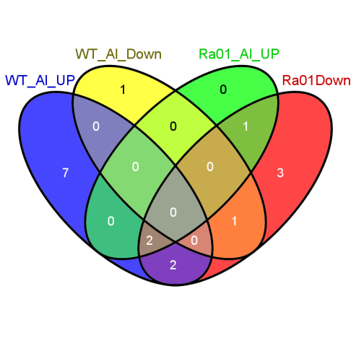
09g17600 | -1.6903192238 | membrane protein putative expressed
03g09900 | -1.4651608267 | membrane protein putative expressed
01g74110 | -2.7816264907 | metal cation transporter putative expressed
05g39560 | -2.7203688225 | metal cation transporter putative expressed
05g07210 | -1.5125092506 | metal cation transporter putative expressed
02g03900 | -1.6851512943 | metal transporter Nramp6 putative expressed
07g15370 | -1.4924654175 | metal transporter Nramp6 putative expressed
12g38300 | -3.7013857191 | metallothionein putative expressed
01g74300 | -2.0776908239 | metallothionein putative expressed
11g47809 | -1.7331356127 | metallothionein putative expressed
12g38051 | -0.92457286096 | metallothionein putative expressed
01g67360 | -1.295870994 | methyltransferase putative expressed
10g31856 | 1.1033176766 | midasin-related putative expressed
02g42040 | 1.0108091067 | MIF4G domain containing protein putative expressed
09g08890 | 6.0181457099 | mitochondrial 60S ribosomal protein L5 putative expressed
02g03860 | -0.9490977066 | mitochondrial ATP synthase precursor putative expressed
02g48720 | -1.153748436 | mitochondrial carrier protein putative expressed
12g34054 | 5.7594114415 | mitochondrial ribosomal protein S3 putative expressed
12g34124 | 5.8906559748 | mitochondrial ribosomal protein S3 putative expressed
12g34045 | 7.6745225439 | mitochondrial ribosomal protein S7 putative expressed
03g11410 | -1.1791880138 | mitochondrial-processing peptidase subunit mitochondrial precursor putative expressed
07g06590 | -1.0069050968 | ML domain protein putative expressed
11g11940 | 1.0663891949 | MLA10 putative expressed
02g35490 | -1.0352324288 | MLO domain containing protein putative expressed
11g11070 | 1.3702405741 | mRNA-capping enzyme putative expressed
01g16180 | -1.5073750992 | MT-A70 domain containing protein expressed
01g04630 | -2.2011897408 | muconate cycloisomerase putative expressed
01g03630 | -35.217867071 | multicopper oxidase domain containing protein expressed
01g03620 | -3.9387144108 | multicopper oxidase domain containing protein expressed
08g45030 | -1.6512845106 | multidrug resistance protein putative expressed
02g09720 | 0.94938733269 | multidrug resistance protein putative expressed
04g49890 | 1.5578977499 | multidrug resistance-associated protein putative expressed
09g36730 | -2.374236768 | MYB family transcription factor putative expressed
07g02800 | -1.1954310929 | MYB family transcription factor putative expressed
08g43550 | -1.1068371696 | MYB family transcription factor putative expressed
01g74410 | -0.85628418674 | MYB family transcription factor putative expressed
05g03550 | 0.71115292143 | MYB family transcription factor putative expressed
04g49450 | 3.0345186797 | MYB family transcription factor putative expressed
08g06110 | 3.1516414944 | MYB family transcription factor putative expressed
06g51260 | 3.3390796426 | MYB family transcription factor putative expressed
02g46030 | 6.8589471151 | MYB family transcription factor putative expressed
04g56990 | -1.1150576764 | Myb-like DNA-binding domain containing protein putative expressed
05g46030 | 1.8618587105 | myosin head family protein expressed
01g51634 | 3.3102481583 | myosin-2 heavy chain non muscle putative expressed
07g47700 | -1.2365211889 | NAD dependent epimerase dehydratase family domain containing protein expressed
01g21320 | -1.2234820884 | NAD dependent epimerase dehydratase family domain containing protein expressed
03g09210 | -1.6651048036 | NADH dehydrogenase 1 alpha subcomplex subunit 13 putative expressed
03g19890 | -2.0157630748 | NADH dehydrogenase 1 alpha subcomplex subunit 5 putative expressed
12g33958 | 5.7405944111 | NADH-ubiquinone oxidoreductase 49 kDa subunit putative expressed
07g45090 | -0.80037219209 | NADH-ubiquinone oxidoreductase 51 kDa subunit mitochondrial precursor putative expressed
12g33922 | 5.9520565195 | NADH-ubiquinone oxidoreductase chain 3 putative expressed
12g34094 | 5.4805696898 | NADH-ubiquinone oxidoreductase chain 4 putative expressed
12g34014 | 6.985479521 | NADH-ubiquinone oxidoreductase chain 6 putative expressed
01g09320 | 1.3108149849 | NADP-dependent malic enzyme chloroplast precursor putative expressed
01g52500 | -1.4612893302 | NADP-dependent malic enzyme putative expressed
12g12590 | -3.1459755635 | NADP-dependent oxidoreductase putative expressed
05g42190 | -2.2355704837 | NADPH-dependent FMN reductase domain containing protein expressed
01g57570 | -1.2027805486 | NADPH-dependent FMN reductase domain containing protein expressed
10g22050 | 1.28573562 | NADPH-dependent oxidoreductase putative expressed
10g21418 | 4.0675337369 | NADPH-dependent oxidoreductase putative expressed
01g58022 | 6.7069440216 | NADPH-dependent oxidoreductase putative expressed
01g58024 | 7.7849465336 | NADPH-dependent oxidoreductase putative expressed
04g49194 | -4.7894104669 | naringenin 2-oxoglutarate 3-dioxygenase putative expressed
05g15040 | 0.82477585543 | NB-ARC domain containing protein expressed
06g15750 | 3.8884913907 | NB-ARC domain containing protein expressed
11g39190 | 1.5723520933 | NB-ARC domain containing protein putative expressed
07g29820 | 1.0940755243 | NBS-LRR disease resistance protein putative expressed
02g02640 | 1.229590495 | NBS-LRR disease resistance protein putative expressed
04g52970 | 1.4378979738 | NBS-LRR disease resistance protein putative expressed
02g38392 | 2.5506939571 | NBS-LRR disease resistance protein putative expressed
11g44960 | 3.6590095446 | NBS-LRR disease resistance protein putative expressed
11g45050 | 5.0988979078 | NBS-LRR disease resistance protein putative expressed
11g45980 | -1.7244043357 | NBS-LRR type disease resistance protein putative expressed
11g12050 | 1.546800041 | NBS-LRR type disease resistance protein putative expressed
01g43520 | -0.76463667968 | neutral ceramidase precursor putative expressed
06g14190 | 1.3174526429 | NF-X1-type zinc finger protein putative expressed
03g19420 | -5.6601976729 | nicotianamine synthase putative expressed
03g19427 | -2.9026041174 | nicotianamine synthase putative expressed
03g30430 | -1.4271155273 | nitrilase-associated protein putative expressed
11g31890 | 0.95416726606 | NLI interacting factor-like phosphatase putative expressed
11g08210 | -1.1882647689 | no apical meristem protein putative expressed
05g35170 | -0.55201038684 | no apical meristem protein putative expressed
08g06140 | 0.83405931007 | no apical meristem protein putative expressed
01g15640 | 1.4716120242 | no apical meristem protein putative expressed
12g03040 | 1.9520565195 | no apical meristem protein putative expressed
09g36600 | -1.1687805619 | nodulin putative expressed
01g65880 | -2.9943624403 | nodulin MtN3 family protein putative expressed
09g07920 | -1.3317364465 | NOI protein nitrate-induced putative expressed
10g33420 | 1.2990297438 | non-lysosomal glucosylceramidase putative expressed
02g20676 | -2.2318617541 | Not found
04g42060 | -2.1772264975 | Not found
03g08060 | -0.53569286529 | Not found
06g14412 | 0.79603839262 | Not found
02g22280 | 1.743022481 | Not found
03g19360 | 6.6365546937 | Not found
01g36950 | -1.0983832191 | N-rich protein putative expressed
03g07880 | -0.99588545197 | nuclear transcription factor Y subunit putative expressed
08g42000 | -1.1470076081 | nuclear transport factor putative expressed
02g50799 | 2.2374587383 | nuclear-pore anchor putative expressed
04g55850 | -2.2514768746 | nuclease PA3 putative expressed
06g09570 | 0.75578131563 | nucleolar GTP-binding protein 1 putative expressed
07g30970 | -1.3572715386 | nucleoside diphosphate kinase putative expressed
10g41410 | -1.217868482 | nucleoside diphosphate kinase putative expressed
12g38750 | -32.831056125 | nucleotide pyrophosphatase phosphodiesterase putative expressed
03g54000 | -3.2145250389 | oligopeptide transporter putative expressed
11g20160 | -2.4542847808 | O-methyltransferase putative expressed
08g06100 | -0.84576594833 | O-methyltransferase putative expressed
07g26940 | -1.1177137588 | ORM1 putative expressed
05g43230 | -2.0314553577 | oryzain alpha chain precursor putative expressed
04g55650 | -0.91680989222 | oryzain alpha chain precursor putative expressed
09g27030 | -1.0648324942 | oryzain gamma chain precursor putative expressed
03g49600 | -1.2299161097 | Os3bglu7 - beta-glucosidase exo-beta-glucanse expressed
03g17690 | -1.499817748 | OsAPx1 - Cytosolic Ascorbate Peroxidase encoding gene 1-8 expressed
07g49400 | -1.2470991933 | OsAPx2 - Cytosolic Ascorbate Peroxidase encoding gene 4 5 6 8 expressed
03g20370 | -1.0470183795 | OsCam1-1 - Calmodulin expressed
05g41210 | -0.70185333497 | OsCam2 - Calmodulin expressed
01g17190 | -0.76736364513 | OsCam3 - Calmodulin expressed
06g39712 | 4.6074083481 | OsClp10 - Putative Clp protease homologue expressed
03g21380 | -3.1068371696 | OsCML27 - Calmodulin-related calcium sensor protein expressed
06g47640 | -3.9628268669 | OsCML29 - Calmodulin-related calcium sensor protein expressed

07g09870 | -1.1645300368 | OsFBA2 - F-box and FBA domain containing protein expressed
04g31120 | 0.61418688071 | OsFBK14 - F-box domain and kelch repeat containing protein expressed
06g39370 | -2.2355704837 | OsFBK16 - F-box domain and kelch repeat containing protein expressed
11g14140 | -1.362879799 | OsFBK25 - F-box domain and kelch repeat containing protein expressed
02g30210 | -1.076849357 | OsFBK7 - F-box domain and kelch repeat containing protein expressed
05g35110 | -1.592986971 | OsFBL22 - F-box domain and LRR containing protein expressed
05g37690 | -0.66242506818 | OsFBL23 - F-box domain and LRR containing protein expressed
07g06500 | -0.540070567 | OsFBL34 - F-box domain and LRR containing protein expressed
01g63420 | -0.9261023576 | OsFBL4 - F-box domain and LRR containing protein expressed
01g05970 | -1.0076507746 | OsFBO1 - F-box and other domain containing protein expressed
11g34460 | -2.6835320543 | OsFBO10 - F-box and other domain containing protein expressed
01g69270 | -2.222314387 | OsFBO2 - F-box and other domain containing protein expressed
03g64360 | -1.3289636318 | OsFBX113 - F-box domain containing protein expressed
01g59690 | 1.5370190202 | OsFBX28 - F-box domain containing protein expressed
12g03440 | 6.8150037675 | OsFBX436 - F-box domain containing protein expressed
01g55940 | -2.6205222568 | OsGH3.2 - Probable indole-3-acetic acid-amido synthetase expressed
02g07830 | 3.3995154964 | OsHKT1 3B3 - Na 2B transporter expressed
06g22870 | -1.8816002739 | OsIAA21 - Auxin-responsive Aux IAA gene family member expressed
04g37990 | -1.1146850314 | OsMADS61 - MADS-box family gene with MIKCc type-box expressed
12g38150 | -3.3818442171 | osmotin putative expressed
11g09280 | -1.0735410662 | OsPDIL1-1 protein disulfide isomerase PDIL1-1 expressed
10g28020 | 1.2689136248 | OsPOP21 - Putative Prolyl Oligopeptidase homologue expressed
01g57770 | -1.6907868973 | OsPOP4 - Putative Prolyl Oligopeptidase homologue expressed
04g01300 | -1.1264454542 | OsRhmbd10 - Putative Rhomboid homologue expressed
02g30810 | -0.95301134054 | OsSAUR10 - Auxin-responsive SAUR gene family member expressed
06g50040 | -1.5922639968 | OsSAUR29 - Auxin-responsive SAUR gene family member expressed
07g29620 | -1.7568946985 | OsSCP39 - Putative Serine Carboxypeptidase homologue expressed
08g40260 | 0.54904449589 | OsSPL15 - SBP-box gene family member expressed
02g53860 | -2.023313814 | OsSub22 - Putative Subtilisin homologue expressed
10g38080 | -34.336947054 | OsSub61 - Putative Subtilisin homologue expressed
01g04409 | 1.356081026 | OsWAK1 - OsWAK receptor-like cytoplasmic kinase OsWAK-RLCK expressed
01g49529 | 1.5194463907 | OsWAK10d - OsWAK receptor-like cytoplasmic kinase OsWAK-RLCK expressed
11g47140 | -2.6329059813 | OsWAK123 - OsWAK receptor-like protein kinase expressed
03g12470 | -2.9786808181 | OsWAK25 - OsWAK receptor-like protein kinase expressed
01g20880 | 1.8849423236 | OsWAK3 - OsWAK receptor-like cytoplasmic kinase OsWAK-RLCK expressed
09g38800 | -1.6076392226 | OsWAK88 - OsWAK pseudogene expressed
10g02284 | -32.887639653 | OsWAK97 - OsWAK receptor-like protein kinase expressed
03g15940 | -1.6428900698 | OsWLIM2 - LIM domain protein putative actin-binding protein and transcription factor expressed
03g10510 | -1.4606061726 | outer mitochondrial membrane porin putative expressed
10g40960 | -4.1772264975 | oxidoreductase 2OG-Fe oxygenase family protein putative expressed
07g07410 | -1.7698021823 | oxidoreductase 2OG-Fe oxygenase family protein putative expressed
08g32170 | -3.4025601941 | oxidoreductase 2OG-FeII oxygenase domain containing protein putative expressed
03g13390 | -3.849562033 | oxidoreductase aldo keto reductase family protein putative expressed
01g43090 | -3.2311653046 | oxidoreductase aldo keto reductase family protein putative expressed
04g40600 | -2.149481507 | oxidoreductase short chain dehydrogenase reductase family putative expressed
10g31780 | -2.9917606451 | oxidoreductase short chain dehydrogenase reductase family domain containing protein expressed
11g05240 | -4.0703112936 | PAN domain-containing protein At5g03700 precursor putative expressed
05g24550 | -1.3015749637 | Papain family cysteine protease domain containing protein expressed
...
Genes_LOC_OS | Expression Variation log-2 | Description
04g59160 | -3.5948379404 | peroxidase precursor putative expressed
07g44590 | -3.4287652645 | peroxidase precursor putative expressed
08g20730 | -3.1689588815 | peroxidase precursor putative expressed
09g29490 | -3.0098754397 | peroxidase precursor putative expressed
06g35520 | -2.9643021662 | peroxidase precursor putative expressed
05g04470 | -2.9548340761 | peroxidase precursor putative expressed
06g20150 | -2.9333009146 | peroxidase precursor putative expressed
10g02040 | -2.9079958257 | peroxidase precursor putative expressed
05g04410 | -2.7977331151 | peroxidase precursor putative expressed
04g59150 | -2.7504560367 | peroxidase precursor putative expressed

03g55410 | -2.5830748253 | peroxidase precursor putative expressed
01g19020 | -2.5557381207 | peroxidase precursor putative expressed
04g59260 | -2.5537550345 | peroxidase precursor putative expressed
01g22370 | -2.5433543963 | peroxidase precursor putative expressed
05g04440 | -2.4890432764 | peroxidase precursor putative expressed
07g47990 | -2.3942323723 | peroxidase precursor putative expressed
01g73170 | -2.3042832338 | peroxidase precursor putative expressed
05g04490 | -2.295870994 | peroxidase precursor putative expressed
01g16450 | -2.1408361176 | peroxidase precursor putative expressed
07g01410 | -2.1054115815 | peroxidase precursor putative expressed
07g48030 | -2.0131780624 | peroxidase precursor putative expressed
05g41990 | -1.9813062875 | peroxidase precursor putative expressed
03g36560 | -1.8166179344 | peroxidase precursor putative expressed
02g14160 | -1.6950021023 | peroxidase precursor putative expressed
05g06970 | -1.42832129 | peroxidase precursor putative expressed
03g13210 | -1.2986805276 | peroxidase precursor putative expressed
03g25330 | -1.2986805276 | peroxidase precursor putative expressed
01g15830 | -0.95396733233 | peroxidase precursor putative expressed
01g48420 | -1.0592410719 | peroxiredoxin putative expressed
04g52020 | 2.4679773758 | PHD-finger domain containing protein putative expressed
07g46690 | 0.85735209552 | PHD-finger family protein expressed
11g05130 | 1.0071980737 | PHD-finger family protein expressed
03g19020 | 1.5808733098 | PHD-finger family protein expressed
...
Genes_LOC_OS | Expression Variation log-2 | Description
04g01690 | -33.646631553 | pyridoxal-dependent decarboxylase protein putative expressed
06g04070 | -1.2997931397 | pyridoxal-dependent decarboxylase protein putative expressed
08g25720 | -0.78591059855 | pyrophosphate--fructose 6-phosphate 1-phosphotransferase subunit alpha putative expressed
03g18220 | -1.236288421 | pyruvate decarboxylase isozyme 2 putative expressed
08g40620 | 1.0973560726 | rabGAP TBC domain-containing protein putative expressed
01g67250 | 0.67375535698 | Rad21 Rec8 like protein putative expressed
11g26190 | -33.367109025 | RALFL23 - Rapid ALkalinization Factor RALF family protein precursor expressed
01g25560 | -4.0214016931 | RALFL7 - Rapid ALkalinization Factor RALF family protein precursor expressed
01g15320 | -2.1176170083 | RALFL9 - Rapid ALkalinization Factor RALF family protein precursor expressed
05g49890 | -0.68989595984 | ras-related protein putative expressed
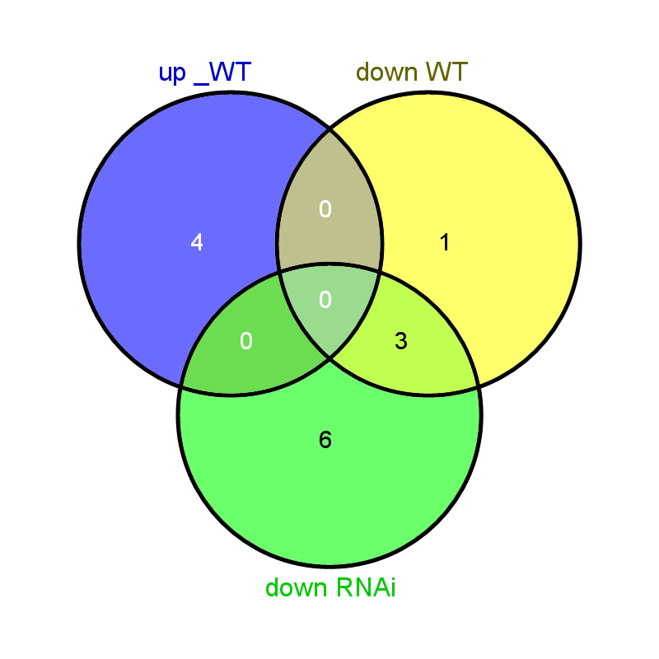
04g33520 | -33.816556555 | RCLEA6 - Root cap and Late embryogenesis related family protein precursor expressed
04g44910 | -2.1672424089 | receptor like protein kinase putative expressed
03g12730 | -1.657359025 | receptor protein kinase CLAVATA1 precursor putative expressed
08g38560 | -2.6756800049 | receptor-like protein kinase 2 precursor putative expressed
09g30190 | -2.5922639968 | receptor-like protein kinase 2 precursor putative expressed
04g04330 | -1.9813062875 | receptor-like protein kinase 2 precursor putative expressed
01g07560 | -1.9548340761 | receptor-like protein kinase 2 precursor putative expressed
05g07740 | -1.948407807 | receptor-like protein kinase 2 precursor putative expressed
02g13510 | -1.7126331737 | receptor-like protein kinase 5 precursor putative expressed
11g12530 | -1.1799718742 | receptor-like protein kinase 5 precursor putative expressed
01g65650 | 0.86990747811 | receptor-like protein kinase HAIKU2 precursor putative expressed
05g38270 | 1.875604459 | regulator of chromosome condensation putative expressed
01g62810 | 3.1855466497 | regulator of chromosome condensation putative expressed
02g52430 | -1.3818442171 | regulator of ribonuclease putative expressed
02g39970 | -1.0207973385 | regulatory subunit putative expressed
05g06940 | -34.588079371 | relA-SpoT like protein RSH4 putative expressed
03g59360 | -1.825736579 | remorin putative expressed
10g36000 | -4.872371916 | remorin C-terminal domain containing protein putative expressed
11g11920 | 1.2739846144 | resistance protein putative expressed
11g14380 | 3.8650732179 | resistance protein LR10 putative expressed
01g25820 | -0.81549739454 | respiratory burst oxidase putative expressed
02g40510 | -1.2751582853 | response regulator receiver domain containing protein expressed
06g30750 | -0.9719946273 | reticulon domain containing protein putative expressed
03g62314 | 3.5370190202 | retrotransposon protein putative LINE subclass expressed
...

