Sheet1
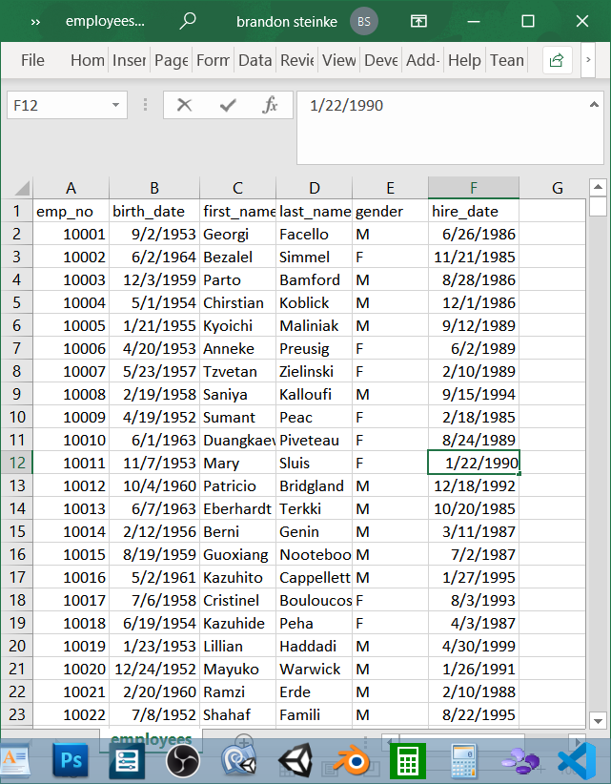
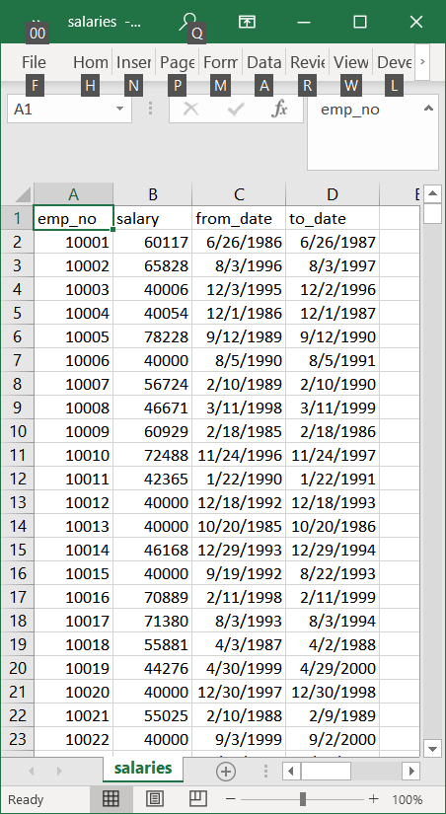
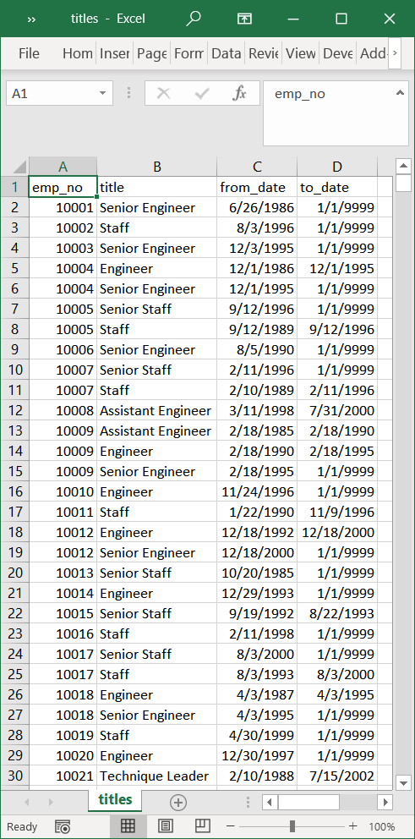
 |  |  |  |  |  | file name | columns | columns | columns | columns | columns | columns
 |  |  |  |  |  | departments | dept_no | dept_name
 |  |  |  |  |  | sample data | d001 | Marketing

 |  |  |  |  |  | dept_manager | dept_no | emp_no | from_date | to_date
 |  |  |  |  |  | sample data | d001 | 110022 | 1985-01-01 | 1991-10-01

 |  |  |  |  |  | dept_emp | emp_no | dept_no | from_date | to_date
 |  |  |  |  |  | sample data | 10001 | d005 | 1986-06-26 | 2958101

 |  |  |  |  |  | employees | emp_no | birth_date | first_name | last_name | gender | hire_date
 |  |  |  |  |  | sample data | 10001 | 1953-09-02 | Georgi | Facello | M | 1986-06-26

 |  |  |  |  |  | titles | emp_no | title | from_date | to_date
 |  |  |  |  |  | sample data | 10001 | Senior Engineer | 1986-06-26 | 2958101

 |  |  |  |  |  | salaries | emp_no | salary | from_date | to_date
 |  |  |  |  |  | sample data | 10001 | 60117 | 1986-06-26 | 1987-06-26

 |  |  |  |  |  | enity | deptartments | managers | dept emp | employees | salary | title
 |  |  |  |  |  | departments | n/a | many | many | many | many | one
 |  |  |  |  |  | departments | many | one to many | one to many | one to many | one to many | one to many
 |  |  |  |  |  | managers | many to one | many | many to one
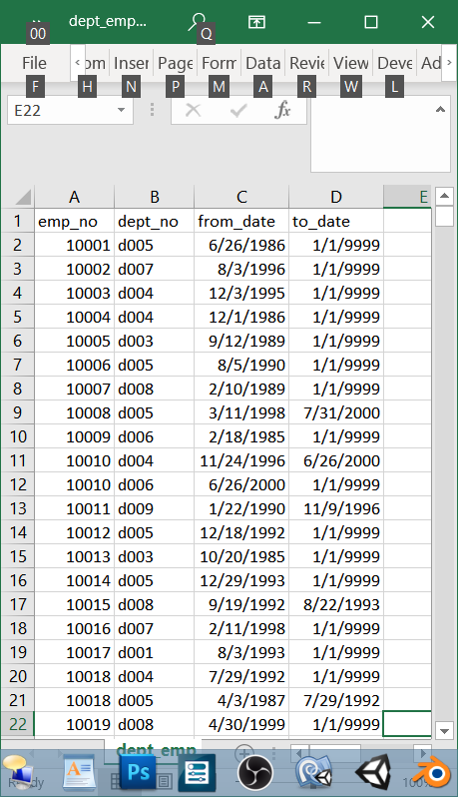
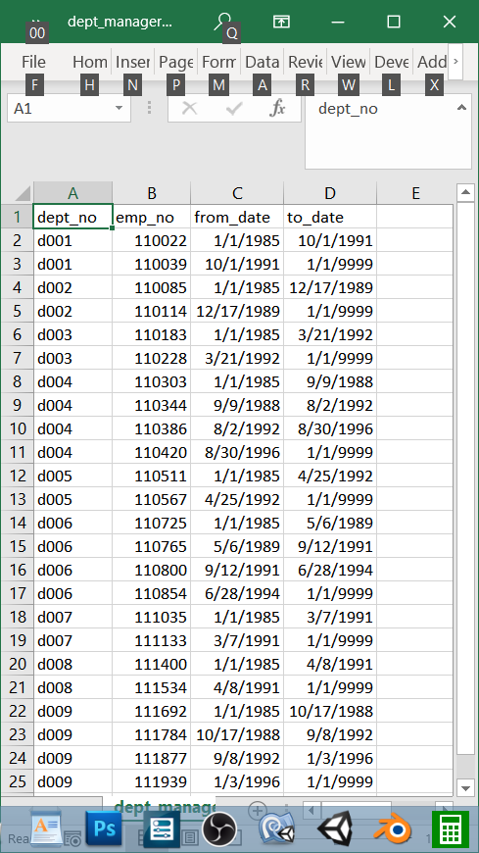
departments | dept_manager | dept_emp | employees | titles | salaries
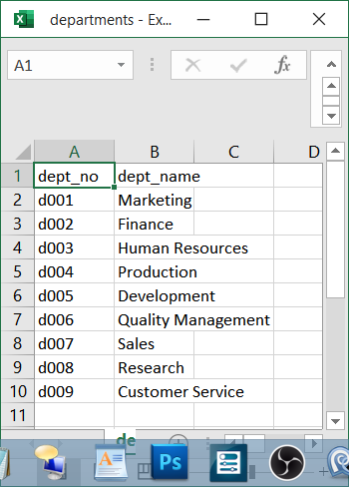
dept_no | dept_no | emp_no | emp_no | emp_no | emp_no
dept_name | emp_no | dept_no | birth_date | title | salary
 | from_date | from_date | first_name | from_date | from_date
 | to_date | to_date | last_name | to_date | to_date
 |  |  | gender
 |  |  | hire_date

