Bug report SauceDemo
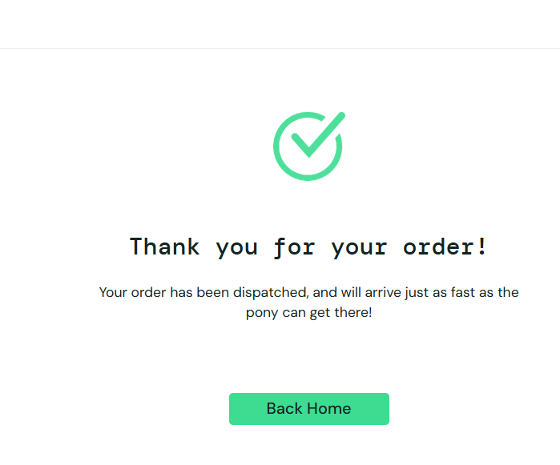
ID | BUG-SEC-1
Summary | Session timeout does not clear cart
Description | After session expiration and re-login, the shopping cart still contains previous items instead of being cleared.
Steps to reproduce | Expected result | Actual result | Priority | Screenshot
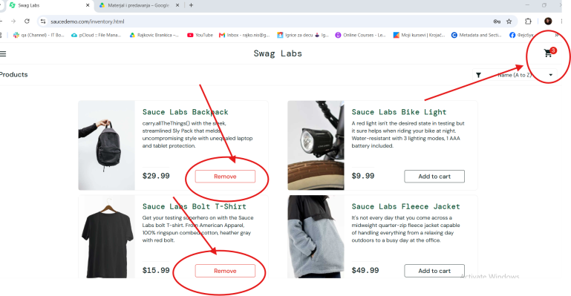
1. Log in with valid credentials | User is redirected to the inventory page | User is redirected to the inventory page | High
2. Stay inactive for more than 5 minutes | Message displayed: "Your session has timed out, please log in again" | Message is displayed
3. Log in again with valid credentials | User is redirected to the inventory page | Cart still contains previous items after re-login
4. Try to add a product to the cart | Cart remains empty after re-login

ID | BUG-CHECKOUT-1
Summary | Checkout proceeds without products in cart
Description | The system allows the user to continue with the checkout process even when the cart is empty.
Steps to reproduce | Expected result | Actual result | Priority | Screenshot
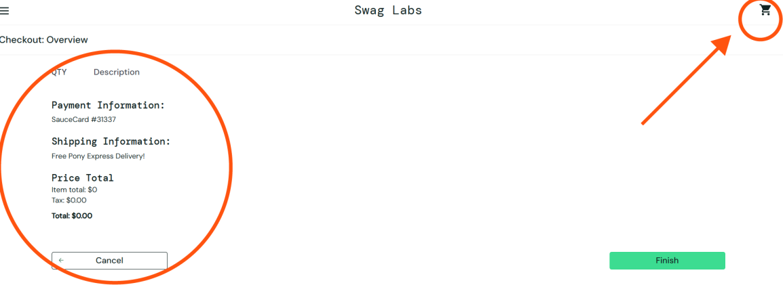
1. Log in with valid credentials | User is successfully logged in | Works as expected | High
2. Navigate to the checkout page with an empty cart | Checkout page loads correctly | Page loads, but system does not block continuation
3. Enter first name, last name, and zip code | First name field accepts input ( “Brankica”), Last name field accepts input (“Rajkovic”), Zip/Postal code field accepts valid format (“18000”) | Fields accept input correctly
4. Click "Continue" | System prevents user from proceeding to the checkout overview page, proper alert message is displayed: “Your cart is empty, please add products before checkout” | User is allowed to proceed to checkout overview page without products

