Predaj cigariet po MOP
Predaj cigariet po MOP

1201 | Danubia Bratislava

Dodávateľ | Artikl - Klíč | Artikl - Text | Krabičky | Kusy | Percento: | Celkom PC | Koncová cena | Dodávateľ | Krabičky | Kusy | Percento | Celkom
PHILIP MORRIS SLOVAKIA S.R.O. | S74975-58 | L&M Link Pink 100 SSL (5,60 Eur) K | 313 | 6260 | 0.78% | 1752.8 | 5.6 | PHILIP MORRIS SLOVAKIA S.R.O. | 10012 | 200240 | 24.81% | 57199.4
PHILIP MORRIS SLOVAKIA S.R.O. | S74976-58 | Marlboro Line Blue 100 20 SSL(6,00Eur) K | 204 | 4080 | 0.51% | 1224 | 6 | JT INTERNATIONAL | 13483 | 269660 | 33.41% | 74259.2
PHILIP MORRIS SLOVAKIA S.R.O. | S74977-58 | Marlboro Crafted Red 100 20 (5,50Eur) K | 405 | 8100 | 1.00% | 2227.5 | 5.5 | BRITISH AMERICAN TOBACCO | 1736 | 34720 | 4.30% | 9416.8
PHILIP MORRIS SLOVAKIA S.R.O. | S74978-58 | Marlboro Crafted Gold 100 20(5,50Eur) K | 175 | 3500 | 0.43% | 962.5 | 5.5 | IMPERIAL TOBACCO | 4669 | 93380 | 11.57% | 26455.2
PHILIP MORRIS SLOVAKIA S.R.O. | S74983-58 | Marlboro Core Touch FWD 20 (5,90Eur) K | 168 | 3360 | 0.42% | 991.2 | 5.9 | DANCZEK BRATISLAVA S.R.O | 2618 | 52360 | 6.49% | 13090
PHILIP MORRIS SLOVAKIA S.R.O. | S74984-58 | Marlboro 3.5 Touch KS BOX 20(5,90Eur) K | 370 | 7400 | 0.92% | 2183 | 5.9 | KT INTERNATIONAL SA | 5504 | 110080 | 13.64% | 27415.6
PHILIP MORRIS SLOVAKIA S.R.O. | S74985-58 | Marlboro Soft Red KS 20 (5,70 Eur) K | 652 | 13040 | 1.62% | 3716.4 | 5.7 | LANDEWYCK | 2330 | 46600 | 5.77% | 11563.4
PHILIP MORRIS SLOVAKIA S.R.O. | S74986-58 | Marlboro Soft Gold KS 20(5,70 Eur) K | 935 | 18700 | 2.32% | 5329.5 | 5.7 |  |  | Percento: | 100.00%
PHILIP MORRIS SLOVAKIA S.R.O. | S74989-58 | L&M Link Blue 100 SSL (5,60 Eur) K | 364 | 7280 | 0.90% | 2038.4 | 5.6
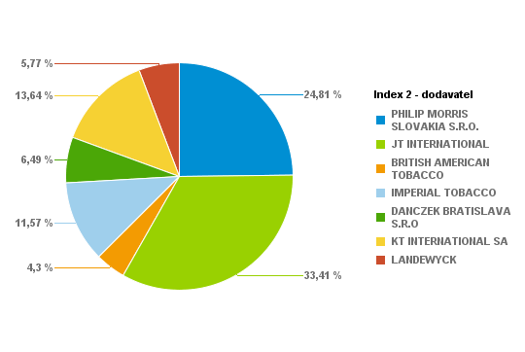
PHILIP MORRIS SLOVAKIA S.R.O. | S74998-58 | L&M Red KS Box 20 (5,60 Eur) K | 471 | 9420 | 1.17% | 2637.6 | 5.6
PHILIP MORRIS SLOVAKIA S.R.O. | S74999-58 | L&M Blue KS Box 20 (5,60 Eur) K | 768 | 15360 | 1.90% | 4300.8 | 5.6
PHILIP MORRIS SLOVAKIA S.R.O. | S75001-58 | Marlboro 100 FWD 20 (6,00 Eur) K | 345 | 6900 | 0.85% | 2070 | 6
PHILIP MORRIS SLOVAKIA S.R.O. | S75002-58 | Marlboro Gold Original 100 20(6,00Eur) K | 268 | 5360 | 0.66% | 1608 | 6
PHILIP MORRIS SLOVAKIA S.R.O. | S75003-58 | Marlboro Box FWD KS 20(6,00Eur) K | 845 | 16900 | 2.09% | 5070 | 6
PHILIP MORRIS SLOVAKIA S.R.O. | S75004-58 | Marlboro Gold Original KS 20(6,00Eur) K | 1125 | 22500 | 2.79% | 6750 | 6
PHILIP MORRIS SLOVAKIA S.R.O. | S75010-58 | L&M 100 Red 20 (5,60 Eur) K | 416 | 8320 | 1.03% | 2329.6 | 5.6
PHILIP MORRIS SLOVAKIA S.R.O. | S75011-58 | L&M 100 Blue 20 (5,60 Eur) K | 519 | 10380 | 1.29% | 2906.4 | 5.6
PHILIP MORRIS SLOVAKIA S.R.O. | S75014-58 | Marlboro Crafted Red KS 20(5,50 Eur) K | 114 | 2280 | 0.28% | 627 | 5.5
PHILIP MORRIS SLOVAKIA S.R.O. | S75017-58 | Marlboro Crafted Gold KS 20(5,50 Eur) K | 236 | 4720 | 0.58% | 1298 | 5.5
PHILIP MORRIS SLOVAKIA S.R.O. | S75019-60 | Petra Červená by RGD KS 20 (5,50 Eur) K | 200 | 4000 | 0.50% | 1100 | 5.5
PHILIP MORRIS SLOVAKIA S.R.O. | S75020-60 | Petra Modrá by RGD KS 20(5,50 Eur) K | 151 | 3020 | 0.37% | 830.5 | 5.5
PHILIP MORRIS SLOVAKIA S.R.O. | S75070-58 | L&M Loft Blue KS BOX Slim 20(5,40Eur) K | 352 | 7040 | 0.87% | 1900.8 | 5.4
PHILIP MORRIS SLOVAKIA S.R.O. | S75071-58 | L&M LOFT AQUA KS 20 SLI 20(5,40Eur) K | 83 | 1660 | 0.21% | 448.2 | 5.4
PHILIP MORRIS SLOVAKIA S.R.O. | S75076-58 | L&M Link Bright 100 SSL (5,60 Eur) K | 95 | 1900 | 0.24% | 532 | 5.6
PHILIP MORRIS SLOVAKIA S.R.O. | S75077-58 | Marlboro Crafted Compact KS 20(5,40Eur)K | 194 | 3880 | 0.48% | 1047.6 | 5.4
PHILIP MORRIS SLOVAKIA S.R.O. | S75078-58 | L&M Selection RED KS 20(5,40 Eur) K | 28 | 560 | 0.07% | 151.2 | 5.4
PHILIP MORRIS SLOVAKIA S.R.O. | S75079-58 | L&M Selection BLUE KS 20(5,40 Eur) K | 23 | 460 | 0.06% | 124.2 | 5.4
PHILIP MORRIS SLOVAKIA S.R.O. | S75081-58 | RGD Long Blue 20(5,40 Eur) K | 30 | 600 | 0.07% | 162 | 5.4
PHILIP MORRIS SLOVAKIA S.R.O. | S75082-57 | LM Loft Blue SSL 100 (5,40 Eur) K | 84 | 1680 | 0.21% | 453.6 | 5.4
PHILIP MORRIS SLOVAKIA S.R.O. | S75083-57 | LM Loft Pink SSL 100 (5,40 Eur) K | 79 | 1580 | 0.20% | 426.6 | 5.4
JT INTERNATIONAL | S10330-58 | Winston 100 Classic BOX 20(5,50Eur)K | 1101 | 22020 | 2.73% | 6055.5 | 5.5
JT INTERNATIONAL | S10340-58 | Winston 100 Blue BOX 20(5,50Eur)K | 2231 | 44620 | 5.53% | 12270.5 | 5.5
JT INTERNATIONAL | S10345-58 | Winston 100 Gold Red BOX 20(5,50Eur) K | 1144 | 22880 | 2.84% | 6292 | 5.5
JT INTERNATIONAL | S10346-58 | Winston Gold Red BOX (5,50Eur) K | 71 | 1420 | 0.18% | 390.5 | 5.5
JT INTERNATIONAL | S10350-58 | Winston SSL Blue BOX 20(5,50Eur) K | 1489 | 29780 | 3.69% | 8189.5 | 5.5
JT INTERNATIONAL | S10360-58 | Winston SSL Silver BOX 20(5,50Eur) K | 880 | 17600 | 2.18% | 4840 | 5.5
JT INTERNATIONAL | S10364-58 | Winston Slims Xpression BOX 20(5,40Eur)K | 136 | 2720 | 0.34% | 734.4 | 5.4
JT INTERNATIONAL | S10366-58 | Winston Xpression Long Slim 20(5,40Eur)K | 280 | 5600 | 0.69% | 1512 | 5.4
JT INTERNATIONAL | S10368-58 | Winston SSL Green BOX 20 (5,50 Eur) K | 215 | 4300 | 0.53% | 1182.5 | 5.5
JT INTERNATIONAL | S10369-58 | Winston Compact Long 20(5,40Eur) K | 321 | 6420 | 0.80% | 1733.4 | 5.4
JT INTERNATIONAL | S10372-57 | Winston SSL Pink BOX 20(5,50 Eur) K | 69 | 1380 | 0.17% | 379.5 | 5.5
JT INTERNATIONAL | S10380-58 | Camel Yellow BOX 20(5,80Eur) K | 352 | 7040 | 0.87% | 2041.6 | 5.8
JT INTERNATIONAL | S10390-58 | Camel Blue Box 20(5,80Eur) K | 333 | 6660 | 0.83% | 1931.4 | 5.8
JT INTERNATIONAL | S10411-58 | Camel Yellow Soft 20(5,50Eur) K | 719 | 14380 | 1.78% | 3954.5 | 5.5
JT INTERNATIONAL | S10412-58 | Camel Blue Soft 20(5,50Eur) K | 760 | 15200 | 1.88% | 4180 | 5.5
JT INTERNATIONAL | S10416-58 | Camel Compact Long Slims 20(5,40Eur) K | 166 | 3320 | 0.41% | 896.4 | 5.4
JT INTERNATIONAL | S10417-58 | Camel Compact Long GREEN 20(5,40Eur) K | 125 | 2500 | 0.31% | 675 | 5.4
JT INTERNATIONAL | S75047-58 | Winston Classic BOX KS 20(5,50Eur) K | 794 | 15880 | 1.97% | 4367 | 5.5
JT INTERNATIONAL | S75048-58 | Winston Blue BOX KS 20(5,50Eur) K | 2297 | 45940 | 5.69% | 12633.5 | 5.5
BRITISH AMERICAN TOBACCO | S10640-58 | Lucky Strike RED 20(5,40 Eur) K | 610 | 12200 | 1.51% | 3294 | 5.4
BRITISH AMERICAN TOBACCO | S10641-58 | Lucky Strike 100 RED 20(5,40 Eur) K | 178 | 3560 | 0.44% | 961.2 | 5.4
BRITISH AMERICAN TOBACCO | S10658-58 | Lucky Strike Comp.Flow Fil.20(5,40Eur) K | 329 | 6580 | 0.82% | 1776.6 | 5.4
BRITISH AMERICAN TOBACCO | S10683-58 | Lucky Strike Gold Sun 20(5,40 Eur) K | 160 | 3200 | 0.40% | 864 | 5.4
BRITISH AMERICAN TOBACCO | S10684-58 | Lucky Strike Compact Black (5,40Eur) K | 247 | 4940 | 0.61% | 1333.8 | 5.4
BRITISH AMERICAN TOBACCO | S10686-58 | Lucky Strike Blue Authentic (5,60Eur) K | 126 | 2520 | 0.31% | 705.6 | 5.6
BRITISH AMERICAN TOBACCO | S10687-58 | Lucky Strike Red Authentic (5,60Eur) K | 86 | 1720 | 0.21% | 481.6 | 5.6
IMPERIAL TOBACCO | S74970-58 | West 100 Red BOX 20 (5,50 Eur) K | 143 | 2860 | 0.35% | 786.5 | 5.5
IMPERIAL TOBACCO | S74971-58 | West 100 Silver 20 (5,50 Eur) K | 96 | 1920 | 0.24% | 528 | 5.5
IMPERIAL TOBACCO | S75029-58 | West Red KS BOX (5,50 Eur) K | 207 | 4140 | 0.51% | 1138.5 | 5.5
IMPERIAL TOBACCO | S75031-58 | West Silver KS 20 (5,50 Eur) K | 303 | 6060 | 0.75% | 1666.5 | 5.5
IMPERIAL TOBACCO | S75032-58 | Mars Soft KS 20 (5,60 Eur) K | 165 | 3300 | 0.41% | 924 | 5.6
IMPERIAL TOBACCO | S75033-58 | West Blue KS (5,50 Eur) K | 87 | 1740 | 0.22% | 478.5 | 5.5
IMPERIAL TOBACCO | S75043-58 | Davidoff Evolved 100 Red (5,50 Eur) K | 403 | 8060 | 1.00% | 2216.5 | 5.5
IMPERIAL TOBACCO | S75044-58 | Davidoff Evolved 100 Blue (5,50 Eur) K | 359 | 7180 | 0.89% | 1974.5 | 5.5
IMPERIAL TOBACCO | S75045-58 | Mars 70 Soft KS 20 (5,60 Eur) K | 37 | 740 | 0.09% | 207.2 | 5.6
IMPERIAL TOBACCO | S75064-58 | Jade BLUE by West SSL 20 (5,40 Eur) K | 17 | 340 | 0.04% | 91.8 | 5.4
IMPERIAL TOBACCO | S75065-58 | Jade ROSE by West SSL 20 (5,40 Eur) K | 219 | 4380 | 0.54% | 1182.6 | 5.4
IMPERIAL TOBACCO | S75089-58 | Davidoff Gold Slim 20(6,50 Eur) K | 262 | 5240 | 0.65% | 1703 | 6.5
IMPERIAL TOBACCO | S75096-58 | Davidoff Classic 20(6,50 Eur) K | 148 | 2960 | 0.37% | 962 | 6.5
IMPERIAL TOBACCO | S75097-58 | Davidoff Gold 20(6,50 Eur) K | 391 | 7820 | 0.97% | 2541.5 | 6.5
IMPERIAL TOBACCO | S75098-58 | Davidoff Reshape Black 20 (5,80 Eur) K | 34 | 680 | 0.08% | 197.2 | 5.8
IMPERIAL TOBACCO | S75099-58 | Davidoff Reshape White 20 (5,80 Eur) K | 91 | 1820 | 0.23% | 527.8 | 5.8
IMPERIAL TOBACCO | S76018-58 | Davidoff Reach Blue 20 (5,40Eur) K | 581 | 11620 | 1.44% | 3137.4 | 5.4
IMPERIAL TOBACCO | S76022-59 | Davidoff Evolved RED 20 (5,50 Eur) K | 222 | 4440 | 0.55% | 1221 | 5.5
IMPERIAL TOBACCO | S76023-59 | Davidoff Evolved BLUE 20 (5,50 Eur) K | 242 | 4840 | 0.60% | 1331 | 5.5
IMPERIAL TOBACCO | S76024-58 | Davidoff Evolved SSL Silver 20(5,50Eur)K | 60 | 1200 | 0.15% | 330 | 5.5
IMPERIAL TOBACCO | S76025-58 | Davidoff Evolved SSL Blue 20(5,50 Eur) K | 140 | 2800 | 0.35% | 770 | 5.5
IMPERIAL TOBACCO | S76028-58 | Davidoff Evolved Air Mist 20(5,50 Eur) K | 130 | 2600 | 0.32% | 715 | 5.5
IMPERIAL TOBACCO | S76029-58 | Davidoff Evolved Air Mist SSL (5,50Eur)K | 157 | 3140 | 0.39% | 863.5 | 5.5
IMPERIAL TOBACCO | S76031-59 | Davidoff Evo Amethyst KS 20(5,50 Eur) K | 65 | 1300 | 0.16% | 357.5 | 5.5
IMPERIAL TOBACCO | S76032-59 | Davidoff Evo Amethyst SSL 20(5,50 Eur) K | 97 | 1940 | 0.24% | 533.5 | 5.5
IMPERIAL TOBACCO | S76033-58 | Davidoff Reach Amethyst 20 (5,40 Eur) K | 6 | 120 | 0.01% | 32.4 | 5.4
IMPERIAL TOBACCO | S76034-58 | Davidoff Reach Air Mist 20(5,40 Eur) K | 7 | 140 | 0.02% | 37.8 | 5.4
DANCZEK BRATISLAVA S.R.O | S10930-59 | Karelia S 20(5,00 Eur) K | 862 | 17240 | 2.14% | 4310 | 5
DANCZEK BRATISLAVA S.R.O | S10940-59 | Karelia M 20(5,00 Eur) K | 230 | 4600 | 0.57% | 1150 | 5
DANCZEK BRATISLAVA S.R.O | S10950-59 | Karelia I 20(5,00 Eur) K | 513 | 10260 | 1.27% | 2565 | 5
DANCZEK BRATISLAVA S.R.O | S10960-59 | Karelia L 20(5,00 Eur) K | 567 | 11340 | 1.41% | 2835 | 5
DANCZEK BRATISLAVA S.R.O | S10961-58 | OME SSL SP 20(5,00 Eur) K | 62 | 1240 | 0.15% | 310 | 5
DANCZEK BRATISLAVA S.R.O | S10962-58 | OME Yellow SSL SP 20(5,00 Eur) K | 95 | 1900 | 0.24% | 475 | 5
DANCZEK BRATISLAVA S.R.O | S10963-58 | OME White SSL SP 20(5,00 Eur) K | 117 | 2340 | 0.29% | 585 | 5
DANCZEK BRATISLAVA S.R.O | S10970-58 | Mark 1 Red 100 20(5,00 Eur) K | 8 | 160 | 0.02% | 40 | 5
DANCZEK BRATISLAVA S.R.O | S10971-58 | Mark 1 Red KS 20(5,00 Eur) K | 42 | 840 | 0.10% | 210 | 5
DANCZEK BRATISLAVA S.R.O | S10972-58 | Mark 1 Gold 100 20(5,00 Eur) K | 114 | 2280 | 0.28% | 570 | 5
DANCZEK BRATISLAVA S.R.O | S10977-59 | Mark 1 Classic 100 20(5,00 Eur) K | 8 | 160 | 0.02% | 40 | 5
KT INTERNATIONAL SA | S10800-59 | King Red 20 (5,00 Eur) "K" | 314 | 6280 | 0.78% | 1570 | 5
KT INTERNATIONAL SA | S10801-59 | King Blue 20 (5,00Eur) "K" | 599 | 11980 | 1.48% | 2995 | 5
KT INTERNATIONAL SA | S10802-59 | King Red 100 20 (5,00Eur) "K" | 730 | 14600 | 1.81% | 3650 | 5
KT INTERNATIONAL SA | S10803-59 | King Blue 100 20 (5,00Eur) "K" | 1420 | 28400 | 3.52% | 7100 | 5
KT INTERNATIONAL SA | S10804-58 | Corset Mauve (5,00Eur) "K" | 2 | 40 | 0.00% | 10 | 5
KT INTERNATIONAL SA | S10804-59 | Corset Mauve (5,10 Eur) "K" | 98 | 1960 | 0.24% | 499.8 | 5.1
KT INTERNATIONAL SA | S10805-60 | Corset Pink (5,10 Eur) "K" | 318 | 6360 | 0.79% | 1621.8 | 5.1
KT INTERNATIONAL SA | S10811-59 | KING Compact NIMBO 20 (4,90 Eur) "K" | 673 | 13460 | 1.67% | 3297.7 | 4.9
KT INTERNATIONAL SA | S10812-59 | KING Compact STRATO 20 (4,90 Eur) "K" | 639 | 12780 | 1.58% | 3131.1 | 4.9
KT INTERNATIONAL SA | S10813-59 | KING Blue SSL (5,00 Eur) "K" | 336 | 6720 | 0.83% | 1680 | 5
KT INTERNATIONAL SA | S10814-59 | KING White SSL (5,00 Eur) "K" | 157 | 3140 | 0.39% | 785 | 5
KT INTERNATIONAL SA | S10815-59 | King Silver 100 20 (5,00Eur) "K" | 70 | 1400 | 0.17% | 350 | 5
KT INTERNATIONAL SA | S10816-59 | KING Compact STORM 20 (4,90 Eur) "K" | 148 | 2960 | 0.37% | 725.2 | 4.9
LANDEWYCK | S10821-59 | AUSTIN Red 20 (4,90 Eur) "K" | 375 | 7500 | 0.93% | 1837.5 | 4.9
LANDEWYCK | S10822-59 | AUSTIN Gold 20 (4,90 Eur) "K" | 330 | 6600 | 0.82% | 1617 | 4.9
LANDEWYCK | S10823-59 | AUSTIN Red 100 (5,00 Eur) "K" | 824 | 16480 | 2.04% | 4120 | 5
LANDEWYCK | S10824-59 | AUSTIN Gold 100 (5,00 Eur) "K" | 640 | 12800 | 1.59% | 3200 | 5
LANDEWYCK | S10825-59 | AUSTIN F-Type KS (4,90 Eur) "K" | 161 | 3220 | 0.40% | 788.9 | 4.9
 |  |  |  |  | 100.00%
 |  |  | Súčet: | 807040

1202 | Kaufland Trnava (Clementisa)

Dodávateľ | Artikl - Klíč | Artikl - Text | Krabičky | Kusy | Percento: | Celkom PC | Koncová cena | Dodávateľ | Krabičky | Kusy | Percento | Celkom
PHILIP MORRIS SLOVAKIA S.R.O. | S74975-58 | L&M Link Pink 100 SSL (5,60 Eur) K | 439 | 8780 | 1.63% | 2458.4 | 5.6 | PHILIP MORRIS SLOVAKIA S.R.O. | 8182 | 163640 | 30.41% | 46152.2
PHILIP MORRIS SLOVAKIA S.R.O. | S74976-58 | Marlboro Line Blue 100 20 SSL(6,00Eur) K | 226 | 4520 | 0.84% | 1356 | 6 | JT INTERNATIONAL | 7478 | 149560 | 27.80% | 41162.9
PHILIP MORRIS SLOVAKIA S.R.O. | S74977-58 | Marlboro Crafted Red 100 20 (5,50Eur) K | 136 | 2720 | 0.51% | 748 | 5.5 | BRITISH AMERICAN TOBACCO | 969 | 19380 | 3.60% | 5253.2
PHILIP MORRIS SLOVAKIA S.R.O. | S74978-58 | Marlboro Crafted Gold 100 20(5,50Eur) K | 154 | 3080 | 0.57% | 847 | 5.5 | IMPERIAL TOBACCO | 5141 | 102820 | 19.11% | 28444.1
PHILIP MORRIS SLOVAKIA S.R.O. | S74983-58 | Marlboro Core Touch FWD 20 (5,90Eur) K | 85 | 1700 | 0.32% | 501.5 | 5.9 | DANCZEK BRATISLAVA S.R.O | 1418 | 28360 | 5.27% | 7089.6
PHILIP MORRIS SLOVAKIA S.R.O. | S74984-58 | Marlboro 3.5 Touch KS BOX 20(5,90Eur) K | 188 | 3760 | 0.70% | 1109.2 | 5.9 | KT INTERNATIONAL SA | 2774 | 55480 | 10.31% | 13865.3
PHILIP MORRIS SLOVAKIA S.R.O. | S74985-58 | Marlboro Soft Red KS 20 (5,70 Eur) K | 308 | 6160 | 1.14% | 1755.6 | 5.7 | LANDEWYCK | 941 | 18820 | 3.50% | 4669.9
PHILIP MORRIS SLOVAKIA S.R.O. | S74986-58 | Marlboro Soft Gold KS 20(5,70 Eur) K | 671 | 13420 | 2.49% | 3824.7 | 5.7 |  |  | Percento: | 100.00%
PHILIP MORRIS SLOVAKIA S.R.O. | S74989-58 | L&M Link Blue 100 SSL (5,60 Eur) K | 432 | 8640 | 1.61% | 2419.2 | 5.6
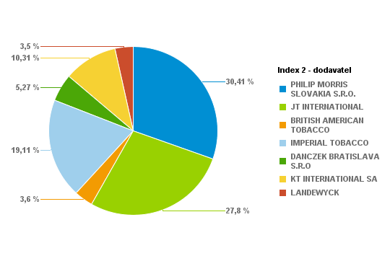
PHILIP MORRIS SLOVAKIA S.R.O. | S74998-58 | L&M Red KS Box 20 (5,60 Eur) K | 391 | 7820 | 1.45% | 2189.6 | 5.6
PHILIP MORRIS SLOVAKIA S.R.O. | S74999-58 | L&M Blue KS Box 20 (5,60 Eur) K | 715 | 14300 | 2.66% | 4004 | 5.6
PHILIP MORRIS SLOVAKIA S.R.O. | S75001-58 | Marlboro 100 FWD 20 (6,00 Eur) K | 207 | 4140 | 0.77% | 1242 | 6
PHILIP MORRIS SLOVAKIA S.R.O. | S75002-58 | Marlboro Gold Original 100 20(6,00Eur) K | 65 | 1300 | 0.24% | 390 | 6
PHILIP MORRIS SLOVAKIA S.R.O. | S75003-58 | Marlboro Box FWD KS 20(6,00Eur) K | 353 | 7060 | 1.31% | 2118 | 6
PHILIP MORRIS SLOVAKIA S.R.O. | S75004-58 | Marlboro Gold Original KS 20(6,00Eur) K | 487 | 9740 | 1.81% | 2922 | 6
PHILIP MORRIS SLOVAKIA S.R.O. | S75010-58 | L&M 100 Red 20 (5,60 Eur) K | 377 | 7540 | 1.40% | 2111.2 | 5.6
PHILIP MORRIS SLOVAKIA S.R.O. | S75011-58 | L&M 100 Blue 20 (5,60 Eur) K | 289 | 5780 | 1.07% | 1618.4 | 5.6
PHILIP MORRIS SLOVAKIA S.R.O. | S75014-58 | Marlboro Crafted Red KS 20(5,50 Eur) K | 35 | 700 | 0.13% | 192.5 | 5.5
PHILIP MORRIS SLOVAKIA S.R.O. | S75017-58 | Marlboro Crafted Gold KS 20(5,50 Eur) K | 161 | 3220 | 0.60% | 885.5 | 5.5
PHILIP MORRIS SLOVAKIA S.R.O. | S75019-60 | Petra Červená by RGD KS 20 (5,50 Eur) K | 618 | 12360 | 2.30% | 3399 | 5.5
PHILIP MORRIS SLOVAKIA S.R.O. | S75020-60 | Petra Modrá by RGD KS 20(5,50 Eur) K | 566 | 11320 | 2.10% | 3113 | 5.5
PHILIP MORRIS SLOVAKIA S.R.O. | S75070-58 | L&M Loft Blue KS BOX Slim 20(5,40Eur) K | 441 | 8820 | 1.64% | 2381.4 | 5.4
PHILIP MORRIS SLOVAKIA S.R.O. | S75071-58 | L&M LOFT AQUA KS 20 SLI 20(5,40Eur) K | 115 | 2300 | 0.43% | 621 | 5.4
PHILIP MORRIS SLOVAKIA S.R.O. | S75076-58 | L&M Link Bright 100 SSL (5,60 Eur) K | 280 | 5600 | 1.04% | 1568 | 5.6
PHILIP MORRIS SLOVAKIA S.R.O. | S75077-58 | Marlboro Crafted Compact KS 20(5,40Eur)K | 59 | 1180 | 0.22% | 318.6 | 5.4
PHILIP MORRIS SLOVAKIA S.R.O. | S75078-58 | L&M Selection RED KS 20(5,40 Eur) K | 72 | 1440 | 0.27% | 388.8 | 5.4
PHILIP MORRIS SLOVAKIA S.R.O. | S75078-59 | L&M Selection RED KS 20(5,00 Eur) K | 10 | 200 | 0.04% | 50 | 5
PHILIP MORRIS SLOVAKIA S.R.O. | S75079-58 | L&M Selection BLUE KS 20(5,40 Eur) K | 45 | 900 | 0.17% | 243 | 5.4
PHILIP MORRIS SLOVAKIA S.R.O. | S75079-59 | L&M Selection BLUE KS 20(5,00 Eur) K | 28 | 560 | 0.10% | 140 | 5
PHILIP MORRIS SLOVAKIA S.R.O. | S75080-58 | RGD Long Red 20(5,40 Eur) K | 26 | 520 | 0.10% | 140.4 | 5.4
PHILIP MORRIS SLOVAKIA S.R.O. | S75081-58 | RGD Long Blue 20(5,40 Eur) K | 104 | 2080 | 0.39% | 561.6 | 5.4
PHILIP MORRIS SLOVAKIA S.R.O. | S75082-57 | LM Loft Blue SSL 100 (5,40 Eur) K | 36 | 720 | 0.13% | 194.4 | 5.4
PHILIP MORRIS SLOVAKIA S.R.O. | S75083-57 | LM Loft Pink SSL 100 (5,40 Eur) K | 63 | 1260 | 0.23% | 340.2 | 5.4
JT INTERNATIONAL | S10330-58 | Winston 100 Classic BOX 20(5,50Eur)K | 757 | 15140 | 2.81% | 4163.5 | 5.5
JT INTERNATIONAL | S10340-58 | Winston 100 Blue BOX 20(5,50Eur)K | 1094 | 21880 | 4.07% | 6017 | 5.5
JT INTERNATIONAL | S10345-58 | Winston 100 Gold Red BOX 20(5,50Eur) K | 587 | 11740 | 2.18% | 3228.5 | 5.5
JT INTERNATIONAL | S10346-58 | Winston Gold Red BOX (5,50Eur) K | 4 | 80 | 0.01% | 22 | 5.5
JT INTERNATIONAL | S10350-58 | Winston SSL Blue BOX 20(5,50Eur) K | 577 | 11540 | 2.14% | 3173.5 | 5.5
JT INTERNATIONAL | S10360-58 | Winston SSL Silver BOX 20(5,50Eur) K | 623 | 12460 | 2.32% | 3426.5 | 5.5
JT INTERNATIONAL | S10364-58 | Winston Slims Xpression BOX 20(5,40Eur)K | 232 | 4640 | 0.86% | 1252.8 | 5.4
JT INTERNATIONAL | S10366-58 | Winston Xpression Long Slim 20(5,40Eur)K | 303 | 6060 | 1.13% | 1636.2 | 5.4
JT INTERNATIONAL | S10368-58 | Winston SSL Green BOX 20 (5,50 Eur) K | 99 | 1980 | 0.37% | 544.5 | 5.5
JT INTERNATIONAL | S10369-58 | Winston Compact Long 20(5,40Eur) K | 199 | 3980 | 0.74% | 1074.6 | 5.4
JT INTERNATIONAL | S10372-57 | Winston SSL Pink BOX 20(5,50 Eur) K | 18 | 360 | 0.07% | 99 | 5.5
JT INTERNATIONAL | S10380-58 | Camel Yellow BOX 20(5,80Eur) K | 233 | 4660 | 0.87% | 1351.4 | 5.8
JT INTERNATIONAL | S10390-58 | Camel Blue Box 20(5,80Eur) K | 189 | 3780 | 0.70% | 1096.2 | 5.8
JT INTERNATIONAL | S10411-58 | Camel Yellow Soft 20(5,50Eur) K | 378 | 7560 | 1.41% | 2079 | 5.5
JT INTERNATIONAL | S10412-58 | Camel Blue Soft 20(5,50Eur) K | 488 | 9760 | 1.81% | 2684 | 5.5
JT INTERNATIONAL | S10416-58 | Camel Compact Long Slims 20(5,40Eur) K | 113 | 2260 | 0.42% | 610.2 | 5.4
JT INTERNATIONAL | S10417-58 | Camel Compact Long GREEN 20(5,40Eur) K | 80 | 1600 | 0.30% | 432 | 5.4
JT INTERNATIONAL | S75047-58 | Winston Classic BOX KS 20(5,50Eur) K | 397 | 7940 | 1.48% | 2183.5 | 5.5
JT INTERNATIONAL | S75048-58 | Winston Blue BOX KS 20(5,50Eur) K | 1107 | 22140 | 4.11% | 6088.5 | 5.5
BRITISH AMERICAN TOBACCO | S10640-58 | Lucky Strike RED 20(5,40 Eur) K | 155 | 3100 | 0.58% | 837 | 5.4
BRITISH AMERICAN TOBACCO | S10641-58 | Lucky Strike 100 RED 20(5,40 Eur) K | 59 | 1180 | 0.22% | 318.6 | 5.4
BRITISH AMERICAN TOBACCO | S10658-58 | Lucky Strike Comp.Flow Fil.20(5,40Eur) K | 377 | 7540 | 1.40% | 2035.8 | 5.4
BRITISH AMERICAN TOBACCO | S10683-58 | Lucky Strike Gold Sun 20(5,40 Eur) K | 116 | 2320 | 0.43% | 626.4 | 5.4
BRITISH AMERICAN TOBACCO | S10684-58 | Lucky Strike Compact Black (5,40Eur) K | 159 | 3180 | 0.59% | 858.6 | 5.4
BRITISH AMERICAN TOBACCO | S10686-58 | Lucky Strike Blue Authentic (5,60Eur) K | 33 | 660 | 0.12% | 184.8 | 5.6
BRITISH AMERICAN TOBACCO | S10687-58 | Lucky Strike Red Authentic (5,60Eur) K | 70 | 1400 | 0.26% | 392 | 5.6
IMPERIAL TOBACCO | S74970-58 | West 100 Red BOX 20 (5,50 Eur) K | 196 | 3920 | 0.73% | 1078 | 5.5
IMPERIAL TOBACCO | S74971-58 | West 100 Silver 20 (5,50 Eur) K | 322 | 6440 | 1.20% | 1771 | 5.5
IMPERIAL TOBACCO | S75029-58 | West Red KS BOX (5,50 Eur) K | 326 | 6520 | 1.21% | 1793 | 5.5
IMPERIAL TOBACCO | S75031-58 | West Silver KS 20 (5,50 Eur) K | 431 | 8620 | 1.60% | 2370.5 | 5.5
IMPERIAL TOBACCO | S75032-58 | Mars Soft KS 20 (5,60 Eur) K | 381 | 7620 | 1.42% | 2133.6 | 5.6
IMPERIAL TOBACCO | S75033-58 | West Blue KS (5,50 Eur) K | 101 | 2020 | 0.38% | 555.5 | 5.5
IMPERIAL TOBACCO | S75043-58 | Davidoff Evolved 100 Red (5,50 Eur) K | 446 | 8920 | 1.66% | 2453 | 5.5
IMPERIAL TOBACCO | S75044-58 | Davidoff Evolved 100 Blue (5,50 Eur) K | 466 | 9320 | 1.73% | 2563 | 5.5
IMPERIAL TOBACCO | S75045-58 | Mars 70 Soft KS 20 (5,60 Eur) K | 23 | 460 | 0.09% | 128.8 | 5.6
IMPERIAL TOBACCO | S75064-58 | Jade BLUE by West SSL 20 (5,40 Eur) K | 83 | 1660 | 0.31% | 448.2 | 5.4
IMPERIAL TOBACCO | S75065-58 | Jade ROSE by West SSL 20 (5,40 Eur) K | 360 | 7200 | 1.34% | 1944 | 5.4
IMPERIAL TOBACCO | S75089-58 | Davidoff Gold Slim 20(6,50 Eur) K | 49 | 980 | 0.18% | 318.5 | 6.5
IMPERIAL TOBACCO | S75096-58 | Davidoff Classic 20(6,50 Eur) K | 63 | 1260 | 0.23% | 409.5 | 6.5
IMPERIAL TOBACCO | S75097-58 | Davidoff Gold 20(6,50 Eur) K | 80 | 1600 | 0.30% | 520 | 6.5
IMPERIAL TOBACCO | S75098-58 | Davidoff Reshape Black 20 (5,80 Eur) K | 33 | 660 | 0.12% | 191.4 | 5.8
IMPERIAL TOBACCO | S75099-58 | Davidoff Reshape White 20 (5,80 Eur) K | 34 | 680 | 0.13% | 197.2 | 5.8
IMPERIAL TOBACCO | S76018-58 | Davidoff Reach Blue 20 (5,40Eur) K | 369 | 7380 | 1.37% | 1992.6 | 5.4
IMPERIAL TOBACCO | S76022-59 | Davidoff Evolved RED 20 (5,50 Eur) K | 341 | 6820 | 1.27% | 1875.5 | 5.5
IMPERIAL TOBACCO | S76023-59 | Davidoff Evolved BLUE 20 (5,50 Eur) K | 309 | 6180 | 1.15% | 1699.5 | 5.5
IMPERIAL TOBACCO | S76024-58 | Davidoff Evolved SSL Silver 20(5,50Eur)K | 134 | 2680 | 0.50% | 737 | 5.5
IMPERIAL TOBACCO | S76025-58 | Davidoff Evolved SSL Blue 20(5,50 Eur) K | 211 | 4220 | 0.78% | 1160.5 | 5.5
IMPERIAL TOBACCO | S76028-58 | Davidoff Evolved Air Mist 20(5,50 Eur) K | 136 | 2720 | 0.51% | 748 | 5.5
IMPERIAL TOBACCO | S76029-58 | Davidoff Evolved Air Mist SSL (5,50Eur)K | 136 | 2720 | 0.51% | 748 | 5.5
IMPERIAL TOBACCO | S76031-59 | Davidoff Evo Amethyst KS 20(5,50 Eur) K | 54 | 1080 | 0.20% | 297 | 5.5
IMPERIAL TOBACCO | S76032-59 | Davidoff Evo Amethyst SSL 20(5,50 Eur) K | 30 | 600 | 0.11% | 165 | 5.5
IMPERIAL TOBACCO | S76033-58 | Davidoff Reach Amethyst 20 (5,40 Eur) K | 26 | 520 | 0.10% | 140.4 | 5.4
IMPERIAL TOBACCO | S76034-58 | Davidoff Reach Air Mist 20(5,40 Eur) K | 1 | 20 | 0.00% | 5.4 | 5.4
DANCZEK BRATISLAVA S.R.O | S10930-59 | Karelia S 20(5,00 Eur) K | 435 | 8700 | 1.62% | 2175 | 5
DANCZEK BRATISLAVA S.R.O | S10940-59 | Karelia M 20(5,00 Eur) K | 117 | 2340 | 0.43% | 585 | 5
DANCZEK BRATISLAVA S.R.O | S10950-59 | Karelia I 20(5,00 Eur) K | 482 | 9640 | 1.79% | 2410 | 5
DANCZEK BRATISLAVA S.R.O | S10960-59 | Karelia L 20(5,00 Eur) K | 102 | 2040 | 0.38% | 510 | 5
DANCZEK BRATISLAVA S.R.O | S10961-58 | OME SSL SP 20(5,00 Eur) K | 35 | 700 | 0.13% | 175 | 5
DANCZEK BRATISLAVA S.R.O | S10962-57 | OME Yellow SSL SP 20(4,80 Eur) K | 2 | 40 | 0.01% | 9.6 | 4.8
DANCZEK BRATISLAVA S.R.O | S10962-58 | OME Yellow SSL SP 20(5,00 Eur) K | 57 | 1140 | 0.21% | 285 | 5
DANCZEK BRATISLAVA S.R.O | S10963-58 | OME White SSL SP 20(5,00 Eur) K | 77 | 1540 | 0.29% | 385 | 5
DANCZEK BRATISLAVA S.R.O | S10970-58 | Mark 1 Red 100 20(5,00 Eur) K | 20 | 400 | 0.07% | 100 | 5
DANCZEK BRATISLAVA S.R.O | S10971-58 | Mark 1 Red KS 20(5,00 Eur) K | 1 | 20 | 0.00% | 5 | 5
DANCZEK BRATISLAVA S.R.O | S10972-58 | Mark 1 Gold 100 20(5,00 Eur) K | 33 | 660 | 0.12% | 165 | 5
DANCZEK BRATISLAVA S.R.O | S10977-59 | Mark 1 Classic 100 20(5,00 Eur) K | 57 | 1140 | 0.21% | 285 | 5
KT INTERNATIONAL SA | S10800-59 | King Red 20 (5,00 Eur) "K" | 146 | 2920 | 0.54% | 730 | 5
KT INTERNATIONAL SA | S10801-59 | King Blue 20 (5,00Eur) "K" | 470 | 9400 | 1.75% | 2350 | 5
KT INTERNATIONAL SA | S10802-59 | King Red 100 20 (5,00Eur) "K" | 491 | 9820 | 1.83% | 2455 | 5
KT INTERNATIONAL SA | S10803-59 | King Blue 100 20 (5,00Eur) "K" | 625 | 12500 | 2.32% | 3125 | 5
KT INTERNATIONAL SA | S10804-59 | Corset Mauve (5,10 Eur) "K" | 56 | 1120 | 0.21% | 285.6 | 5.1
KT INTERNATIONAL SA | S10804-60 | Corset Lilas (5,10 Eur) "K" | 72 | 1440 | 0.27% | 367.2 | 5.1
KT INTERNATIONAL SA | S10805-60 | Corset Pink (5,10 Eur) "K" | 282 | 5640 | 1.05% | 1438.2 | 5.1
KT INTERNATIONAL SA | S10811-59 | KING Compact NIMBO 20 (4,90 Eur) "K" | 250 | 5000 | 0.93% | 1225 | 4.9
KT INTERNATIONAL SA | S10812-59 | KING Compact STRATO 20 (4,90 Eur) "K" | 121 | 2420 | 0.45% | 592.9 | 4.9
KT INTERNATIONAL SA | S10813-59 | KING Blue SSL (5,00 Eur) "K" | 58 | 1160 | 0.22% | 290 | 5
KT INTERNATIONAL SA | S10814-59 | KING White SSL (5,00 Eur) "K" | 86 | 1720 | 0.32% | 430 | 5
KT INTERNATIONAL SA | S10815-59 | King Silver 100 20 (5,00Eur) "K" | 31 | 620 | 0.12% | 155 | 5
KT INTERNATIONAL SA | S10816-59 | KING Compact STORM 20 (4,90 Eur) "K" | 86 | 1720 | 0.32% | 421.4 | 4.9
LANDEWYCK | S10821-59 | AUSTIN Red 20 (4,90 Eur) "K" | 170 | 3400 | 0.63% | 833 | 4.9
LANDEWYCK | S10822-59 | AUSTIN Gold 20 (4,90 Eur) "K" | 133 | 2660 | 0.49% | 651.7 | 4.9
LANDEWYCK | S10823-59 | AUSTIN Red 100 (5,00 Eur) "K" | 263 | 5260 | 0.98% | 1315 | 5
LANDEWYCK | S10824-59 | AUSTIN Gold 100 (5,00 Eur) "K" | 327 | 6540 | 1.22% | 1635 | 5
LANDEWYCK | S10825-59 | AUSTIN F-Type KS (4,90 Eur) "K" | 48 | 960 | 0.18% | 235.2 | 4.9
 |  |  |  |  | 100.00%
 |  |  | Súčet: | 538060

1203 | Aupark Bratislava

Dodávateľ | Artikl - Klíč | Artikl - Text | Krabičky | Kusy | Percento: | Celkom PC | Koncová cena | Dodávateľ | Krabičky | Kusy | Percento | Celkom
PHILIP MORRIS SLOVAKIA S.R.O. | S74975-58 | L&M Link Pink 100 SSL (5,60 Eur) K | 65 | 1300 | 0.64% | 364 | 5.6 | PHILIP MORRIS SLOVAKIA S.R.O. | 2501 | 50020 | 24.50% | 14414.4
PHILIP MORRIS SLOVAKIA S.R.O. | S74976-58 | Marlboro Line Blue 100 20 SSL(6,00Eur) K | 131 | 2620 | 1.28% | 786 | 6 | JT INTERNATIONAL | 3398 | 67960 | 33.29% | 18727.4
PHILIP MORRIS SLOVAKIA S.R.O. | S74977-58 | Marlboro Crafted Red 100 20 (5,50Eur) K | 18 | 360 | 0.18% | 99 | 5.5 | BRITISH AMERICAN TOBACCO | 921 | 18420 | 9.02% | 5053.8
PHILIP MORRIS SLOVAKIA S.R.O. | S74978-58 | Marlboro Crafted Gold 100 20(5,50Eur) K | 89 | 1780 | 0.87% | 489.5 | 5.5 | IMPERIAL TOBACCO | 888 | 17760 | 8.70% | 5042.3
PHILIP MORRIS SLOVAKIA S.R.O. | S74983-58 | Marlboro Core Touch FWD 20 (5,90Eur) K | 82 | 1640 | 0.80% | 483.8 | 5.9 | DANCZEK BRATISLAVA S.R.O | 802 | 16040 | 7.86% | 4006.4
PHILIP MORRIS SLOVAKIA S.R.O. | S74984-58 | Marlboro 3.5 Touch KS BOX 20(5,90Eur) K | 193 | 3860 | 1.89% | 1138.7 | 5.9 | KT INTERNATIONAL SA | 997 | 19940 | 9.77% | 4990.7
PHILIP MORRIS SLOVAKIA S.R.O. | S74985-58 | Marlboro Soft Red KS 20 (5,70 Eur) K | 46 | 920 | 0.45% | 262.2 | 5.7 | LANDEWYCK | 701 | 14020 | 6.87% | 3475.3
PHILIP MORRIS SLOVAKIA S.R.O. | S74986-58 | Marlboro Soft Gold KS 20(5,70 Eur) K | 222 | 4440 | 2.17% | 1265.4 | 5.7 |  |  | Percento: | 100.00%
PHILIP MORRIS SLOVAKIA S.R.O. | S74989-58 | L&M Link Blue 100 SSL (5,60 Eur) K | 67 | 1340 | 0.66% | 375.2 | 5.6
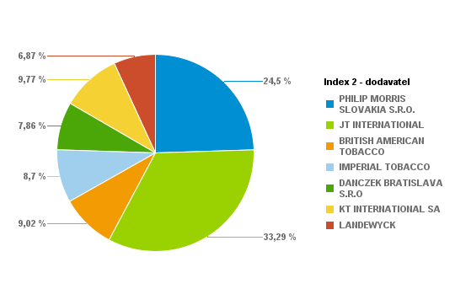
PHILIP MORRIS SLOVAKIA S.R.O. | S74998-58 | L&M Red KS Box 20 (5,60 Eur) K | 128 | 2560 | 1.25% | 716.8 | 5.6
PHILIP MORRIS SLOVAKIA S.R.O. | S74999-58 | L&M Blue KS Box 20 (5,60 Eur) K | 61 | 1220 | 0.60% | 341.6 | 5.6
PHILIP MORRIS SLOVAKIA S.R.O. | S75001-58 | Marlboro 100 FWD 20 (6,00 Eur) K | 20 | 400 | 0.20% | 120 | 6
PHILIP MORRIS SLOVAKIA S.R.O. | S75002-58 | Marlboro Gold Original 100 20(6,00Eur) K | 74 | 1480 | 0.72% | 444 | 6
PHILIP MORRIS SLOVAKIA S.R.O. | S75003-58 | Marlboro Box FWD KS 20(6,00Eur) K | 243 | 4860 | 2.38% | 1458 | 6
PHILIP MORRIS SLOVAKIA S.R.O. | S75004-58 | Marlboro Gold Original KS 20(6,00Eur) K | 538 | 10760 | 5.27% | 3228 | 6
PHILIP MORRIS SLOVAKIA S.R.O. | S75010-58 | L&M 100 Red 20 (5,60 Eur) K | 24 | 480 | 0.24% | 134.4 | 5.6
PHILIP MORRIS SLOVAKIA S.R.O. | S75011-58 | L&M 100 Blue 20 (5,60 Eur) K | 54 | 1080 | 0.53% | 302.4 | 5.6
PHILIP MORRIS SLOVAKIA S.R.O. | S75014-58 | Marlboro Crafted Red KS 20(5,50 Eur) K | 25 | 500 | 0.24% | 137.5 | 5.5
PHILIP MORRIS SLOVAKIA S.R.O. | S75017-58 | Marlboro Crafted Gold KS 20(5,50 Eur) K | 26 | 520 | 0.25% | 143 | 5.5
PHILIP MORRIS SLOVAKIA S.R.O. | S75019-60 | Petra Červená by RGD KS 20 (5,50 Eur) K | 16 | 320 | 0.16% | 88 | 5.5
PHILIP MORRIS SLOVAKIA S.R.O. | S75020-60 | Petra Modrá by RGD KS 20(5,50 Eur) K | 35 | 700 | 0.34% | 192.5 | 5.5
PHILIP MORRIS SLOVAKIA S.R.O. | S75070-58 | L&M Loft Blue KS BOX Slim 20(5,40Eur) K | 204 | 4080 | 2.00% | 1101.6 | 5.4
PHILIP MORRIS SLOVAKIA S.R.O. | S75071-58 | L&M LOFT AQUA KS 20 SLI 20(5,40Eur) K | 18 | 360 | 0.18% | 97.2 | 5.4
PHILIP MORRIS SLOVAKIA S.R.O. | S75076-58 | L&M Link Bright 100 SSL (5,60 Eur) K | 34 | 680 | 0.33% | 190.4 | 5.6
PHILIP MORRIS SLOVAKIA S.R.O. | S75077-58 | Marlboro Crafted Compact KS 20(5,40Eur)K | 6 | 120 | 0.06% | 32.4 | 5.4
PHILIP MORRIS SLOVAKIA S.R.O. | S75078-59 | L&M Selection RED KS 20(5,00 Eur) K | 20 | 400 | 0.20% | 100 | 5
PHILIP MORRIS SLOVAKIA S.R.O. | S75079-58 | L&M Selection BLUE KS 20(5,40 Eur) K | 4 | 80 | 0.04% | 21.6 | 5.4
PHILIP MORRIS SLOVAKIA S.R.O. | S75079-59 | L&M Selection BLUE KS 20(5,00 Eur) K | 30 | 600 | 0.29% | 150 | 5
PHILIP MORRIS SLOVAKIA S.R.O. | S75082-57 | LM Loft Blue SSL 100 (5,40 Eur) K | 14 | 280 | 0.14% | 75.6 | 5.4
PHILIP MORRIS SLOVAKIA S.R.O. | S75083-57 | LM Loft Pink SSL 100 (5,40 Eur) K | 14 | 280 | 0.14% | 75.6 | 5.4
JT INTERNATIONAL | S10330-58 | Winston 100 Classic BOX 20(5,50Eur)K | 398 | 7960 | 3.90% | 2189 | 5.5
JT INTERNATIONAL | S10340-58 | Winston 100 Blue BOX 20(5,50Eur)K | 562 | 11240 | 5.51% | 3091 | 5.5
JT INTERNATIONAL | S10345-58 | Winston 100 Gold Red BOX 20(5,50Eur) K | 82 | 1640 | 0.80% | 451 | 5.5
JT INTERNATIONAL | S10346-57 | Winston Gold Red BOX (5,20Eur)K | 1 | 20 | 0.01% | 5.2 | 5.2
JT INTERNATIONAL | S10350-58 | Winston SSL Blue BOX 20(5,50Eur) K | 162 | 3240 | 1.59% | 891 | 5.5
JT INTERNATIONAL | S10360-58 | Winston SSL Silver BOX 20(5,50Eur) K | 254 | 5080 | 2.49% | 1397 | 5.5
JT INTERNATIONAL | S10364-58 | Winston Slims Xpression BOX 20(5,40Eur)K | 40 | 800 | 0.39% | 216 | 5.4
JT INTERNATIONAL | S10366-58 | Winston Xpression Long Slim 20(5,40Eur)K | 89 | 1780 | 0.87% | 480.6 | 5.4
JT INTERNATIONAL | S10368-58 | Winston SSL Green BOX 20 (5,50 Eur) K | 184 | 3680 | 1.80% | 1012 | 5.5
JT INTERNATIONAL | S10369-58 | Winston Compact Long 20(5,40Eur) K | 75 | 1500 | 0.73% | 405 | 5.4
JT INTERNATIONAL | S10371-57 | Winston XS Blue KS SSL 20(5,10 Eur)K | 13 | 260 | 0.13% | 66.3 | 5.1
JT INTERNATIONAL | S10372-57 | Winston SSL Pink BOX 20(5,50 Eur) K | 7 | 140 | 0.07% | 38.5 | 5.5
JT INTERNATIONAL | S10380-58 | Camel Yellow BOX 20(5,80Eur) K | 116 | 2320 | 1.14% | 672.8 | 5.8
JT INTERNATIONAL | S10390-58 | Camel Blue Box 20(5,80Eur) K | 126 | 2520 | 1.23% | 730.8 | 5.8
JT INTERNATIONAL | S10411-58 | Camel Yellow Soft 20(5,50Eur) K | 124 | 2480 | 1.21% | 682 | 5.5
JT INTERNATIONAL | S10412-58 | Camel Blue Soft 20(5,50Eur) K | 189 | 3780 | 1.85% | 1039.5 | 5.5
JT INTERNATIONAL | S10416-58 | Camel Compact Long Slims 20(5,40Eur) K | 62 | 1240 | 0.61% | 334.8 | 5.4
JT INTERNATIONAL | S10417-58 | Camel Compact Long GREEN 20(5,40Eur) K | 21 | 420 | 0.21% | 113.4 | 5.4
JT INTERNATIONAL | S75047-58 | Winston Classic BOX KS 20(5,50Eur) K | 260 | 5200 | 2.55% | 1430 | 5.5
JT INTERNATIONAL | S75048-58 | Winston Blue BOX KS 20(5,50Eur) K | 633 | 12660 | 6.20% | 3481.5 | 5.5
BRITISH AMERICAN TOBACCO | S10640-58 | Lucky Strike RED 20(5,40 Eur) K | 201 | 4020 | 1.97% | 1085.4 | 5.4
BRITISH AMERICAN TOBACCO | S10641-58 | Lucky Strike 100 RED 20(5,40 Eur) K | 13 | 260 | 0.13% | 70.2 | 5.4
BRITISH AMERICAN TOBACCO | S10658-58 | Lucky Strike Comp.Flow Fil.20(5,40Eur) K | 145 | 2900 | 1.42% | 783 | 5.4
BRITISH AMERICAN TOBACCO | S10683-58 | Lucky Strike Gold Sun 20(5,40 Eur) K | 30 | 600 | 0.29% | 162 | 5.4
BRITISH AMERICAN TOBACCO | S10684-58 | Lucky Strike Compact Black (5,40Eur) K | 130 | 2600 | 1.27% | 702 | 5.4
BRITISH AMERICAN TOBACCO | S10686-58 | Lucky Strike Blue Authentic (5,60Eur) K | 402 | 8040 | 3.94% | 2251.2 | 5.6
IMPERIAL TOBACCO | S74970-58 | West 100 Red BOX 20 (5,50 Eur) K | 9 | 180 | 0.09% | 49.5 | 5.5
IMPERIAL TOBACCO | S74971-58 | West 100 Silver 20 (5,50 Eur) K | 11 | 220 | 0.11% | 60.5 | 5.5
IMPERIAL TOBACCO | S75029-58 | West Red KS BOX (5,50 Eur) K | 34 | 680 | 0.33% | 187 | 5.5
IMPERIAL TOBACCO | S75031-58 | West Silver KS 20 (5,50 Eur) K | 67 | 1340 | 0.66% | 368.5 | 5.5
IMPERIAL TOBACCO | S75032-58 | Mars Soft KS 20 (5,60 Eur) K | 4 | 80 | 0.04% | 22.4 | 5.6
IMPERIAL TOBACCO | S75033-58 | West Blue KS (5,50 Eur) K | 3 | 60 | 0.03% | 16.5 | 5.5
IMPERIAL TOBACCO | S75043-58 | Davidoff Evolved 100 Red (5,50 Eur) K | 167 | 3340 | 1.64% | 918.5 | 5.5
IMPERIAL TOBACCO | S75044-58 | Davidoff Evolved 100 Blue (5,50 Eur) K | 35 | 700 | 0.34% | 192.5 | 5.5
IMPERIAL TOBACCO | S75045-58 | Mars 70 Soft KS 20 (5,60 Eur) K | 2 | 40 | 0.02% | 11.2 | 5.6
IMPERIAL TOBACCO | S75064-58 | Jade BLUE by West SSL 20 (5,40 Eur) K | 4 | 80 | 0.04% | 21.6 | 5.4
IMPERIAL TOBACCO | S75065-58 | Jade ROSE by West SSL 20 (5,40 Eur) K | 25 | 500 | 0.24% | 135 | 5.4
IMPERIAL TOBACCO | S75089-58 | Davidoff Gold Slim 20(6,50 Eur) K | 44 | 880 | 0.43% | 286 | 6.5
IMPERIAL TOBACCO | S75096-58 | Davidoff Classic 20(6,50 Eur) K | 40 | 800 | 0.39% | 260 | 6.5
IMPERIAL TOBACCO | S75097-58 | Davidoff Gold 20(6,50 Eur) K | 57 | 1140 | 0.56% | 370.5 | 6.5
IMPERIAL TOBACCO | S75098-58 | Davidoff Reshape Black 20 (5,80 Eur) K | 33 | 660 | 0.32% | 191.4 | 5.8
IMPERIAL TOBACCO | S75099-58 | Davidoff Reshape White 20 (5,80 Eur) K | 50 | 1000 | 0.49% | 290 | 5.8
IMPERIAL TOBACCO | S76018-58 | Davidoff Reach Blue 20 (5,40Eur) K | 29 | 580 | 0.28% | 156.6 | 5.4
IMPERIAL TOBACCO | S76022-59 | Davidoff Evolved RED 20 (5,50 Eur) K | 16 | 320 | 0.16% | 88 | 5.5
IMPERIAL TOBACCO | S76023-59 | Davidoff Evolved BLUE 20 (5,50 Eur) K | 8 | 160 | 0.08% | 44 | 5.5
IMPERIAL TOBACCO | S76024-58 | Davidoff Evolved SSL Silver 20(5,50Eur)K | 44 | 880 | 0.43% | 242 | 5.5
IMPERIAL TOBACCO | S76025-58 | Davidoff Evolved SSL Blue 20(5,50 Eur) K | 64 | 1280 | 0.63% | 352 | 5.5
IMPERIAL TOBACCO | S76028-58 | Davidoff Evolved Air Mist 20(5,50 Eur) K | 44 | 880 | 0.43% | 242 | 5.5
IMPERIAL TOBACCO | S76029-58 | Davidoff Evolved Air Mist SSL (5,50Eur)K | 59 | 1180 | 0.58% | 324.5 | 5.5
IMPERIAL TOBACCO | S76031-59 | Davidoff Evo Amethyst KS 20(5,50 Eur) K | 2 | 40 | 0.02% | 11 | 5.5
IMPERIAL TOBACCO | S76032-59 | Davidoff Evo Amethyst SSL 20(5,50 Eur) K | 13 | 260 | 0.13% | 71.5 | 5.5
IMPERIAL TOBACCO | S76034-58 | Davidoff Reach Air Mist 20(5,40 Eur) K | 24 | 480 | 0.24% | 129.6 | 5.4
DANCZEK BRATISLAVA S.R.O | S10930-59 | Karelia S 20(5,00 Eur) K | 190 | 3800 | 1.86% | 950 | 5
DANCZEK BRATISLAVA S.R.O | S10940-59 | Karelia M 20(5,00 Eur) K | 53 | 1060 | 0.52% | 265 | 5
DANCZEK BRATISLAVA S.R.O | S10950-59 | Karelia I 20(5,00 Eur) K | 56 | 1120 | 0.55% | 280 | 5
DANCZEK BRATISLAVA S.R.O | S10960-59 | Karelia L 20(5,00 Eur) K | 146 | 2920 | 1.43% | 730 | 5
DANCZEK BRATISLAVA S.R.O | S10961-58 | OME SSL SP 20(5,00 Eur) K | 83 | 1660 | 0.81% | 415 | 5
DANCZEK BRATISLAVA S.R.O | S10962-58 | OME Yellow SSL SP 20(5,00 Eur) K | 133 | 2660 | 1.30% | 665 | 5
DANCZEK BRATISLAVA S.R.O | S10963-58 | OME White SSL SP 20(5,00 Eur) K | 102 | 2040 | 1.00% | 510 | 5
DANCZEK BRATISLAVA S.R.O | S10970-58 | Mark 1 Red 100 20(5,00 Eur) K | 22 | 440 | 0.22% | 110 | 5
DANCZEK BRATISLAVA S.R.O | S10977-59 | Mark 1 Classic 100 20(5,00 Eur) K | 5 | 100 | 0.05% | 25 | 5
DANCZEK BRATISLAVA S.R.O | S10979-57 | Bacco Spring SLI 20(4,70 Eur) K | 12 | 240 | 0.12% | 56.4 | 4.7
KT INTERNATIONAL SA | S10800-59 | King Red 20 (5,00 Eur) "K" | 131 | 2620 | 1.28% | 655 | 5
KT INTERNATIONAL SA | S10801-59 | King Blue 20 (5,00Eur) "K" | 244 | 4880 | 2.39% | 1220 | 5
KT INTERNATIONAL SA | S10802-59 | King Red 100 20 (5,00Eur) "K" | 16 | 320 | 0.16% | 80 | 5
KT INTERNATIONAL SA | S10803-59 | King Blue 100 20 (5,00Eur) "K" | 277 | 5540 | 2.71% | 1385 | 5
KT INTERNATIONAL SA | S10804-59 | Corset Mauve (5,10 Eur) "K" | 27 | 540 | 0.26% | 137.7 | 5.1
KT INTERNATIONAL SA | S10805-59 | Corset Pink (5,10 Eur) "K" | 57 | 1140 | 0.56% | 290.7 | 5.1
KT INTERNATIONAL SA | S10805-60 | Corset Pink (5,10 Eur) "K" | 40 | 800 | 0.39% | 204 | 5.1
KT INTERNATIONAL SA | S10811-59 | KING Compact NIMBO 20 (4,90 Eur) "K" | 18 | 360 | 0.18% | 88.2 | 4.9
KT INTERNATIONAL SA | S10812-59 | KING Compact STRATO 20 (4,90 Eur) "K" | 15 | 300 | 0.15% | 73.5 | 4.9
KT INTERNATIONAL SA | S10813-59 | KING Blue SSL (5,00 Eur) "K" | 96 | 1920 | 0.94% | 480 | 5
KT INTERNATIONAL SA | S10814-59 | KING White SSL (5,00 Eur) "K" | 15 | 300 | 0.15% | 75 | 5
KT INTERNATIONAL SA | S10815-59 | King Silver 100 20 (5,00Eur) "K" | 27 | 540 | 0.26% | 135 | 5
KT INTERNATIONAL SA | S10816-59 | KING Compact STORM 20 (4,90 Eur) "K" | 34 | 680 | 0.33% | 166.6 | 4.9
LANDEWYCK | S10821-59 | AUSTIN Red 20 (4,90 Eur) "K" | 239 | 4780 | 2.34% | 1171.1 | 4.9
LANDEWYCK | S10822-59 | AUSTIN Gold 20 (4,90 Eur) "K" | 22 | 440 | 0.22% | 107.8 | 4.9
LANDEWYCK | S10823-59 | AUSTIN Red 100 (5,00 Eur) "K" | 279 | 5580 | 2.73% | 1395 | 5
LANDEWYCK | S10824-59 | AUSTIN Gold 100 (5,00 Eur) "K" | 125 | 2500 | 1.22% | 625 | 5
LANDEWYCK | S10825-59 | AUSTIN F-Type KS (4,90 Eur) "K" | 36 | 720 | 0.35% | 176.4 | 4.9
 |  |  |  |  | 100.00%
 |  |  | Súčet: | 204160

1205 | Tesco Levice

Dodávateľ | Artikl - Klíč | Artikl - Text | Krabičky | Kusy | Percento: | Celkom PC | Koncová cena | Dodávateľ | Krabičky | Kusy | Percento | Celkom
PHILIP MORRIS SLOVAKIA S.R.O. | S74975-58 | L&M Link Pink 100 SSL (5,60 Eur) K | 330 | 6600 | 1.33% | 1848 | 5.6 | PHILIP MORRIS SLOVAKIA S.R.O. | 7931 | 158620 | 31.95% | 44819.1
PHILIP MORRIS SLOVAKIA S.R.O. | S74976-58 | Marlboro Line Blue 100 20 SSL(6,00Eur) K | 154 | 3080 | 0.62% | 924 | 6 | JT INTERNATIONAL | 7076 | 141520 | 28.50% | 38952
PHILIP MORRIS SLOVAKIA S.R.O. | S74977-58 | Marlboro Crafted Red 100 20 (5,50Eur) K | 91 | 1820 | 0.37% | 500.5 | 5.5 | BRITISH AMERICAN TOBACCO | 1270 | 25400 | 5.12% | 6870.6
PHILIP MORRIS SLOVAKIA S.R.O. | S74978-58 | Marlboro Crafted Gold 100 20(5,50Eur) K | 124 | 2480 | 0.50% | 682 | 5.5 | IMPERIAL TOBACCO | 4682 | 93640 | 18.86% | 26027.6
PHILIP MORRIS SLOVAKIA S.R.O. | S74983-58 | Marlboro Core Touch FWD 20 (5,90Eur) K | 329 | 6580 | 1.33% | 1941.1 | 5.9 | DANCZEK BRATISLAVA S.R.O | 327 | 6540 | 1.32% | 1635
PHILIP MORRIS SLOVAKIA S.R.O. | S74984-58 | Marlboro 3.5 Touch KS BOX 20(5,90Eur) K | 208 | 4160 | 0.84% | 1227.2 | 5.9 | KT INTERNATIONAL SA | 2052 | 41040 | 8.27% | 10227.4
PHILIP MORRIS SLOVAKIA S.R.O. | S74985-58 | Marlboro Soft Red KS 20 (5,70 Eur) K | 261 | 5220 | 1.05% | 1487.7 | 5.7 | LANDEWYCK | 1486 | 29720 | 5.99% | 7357.2
PHILIP MORRIS SLOVAKIA S.R.O. | S74986-58 | Marlboro Soft Gold KS 20(5,70 Eur) K | 408 | 8160 | 1.64% | 2325.6 | 5.7 |  |  | Percento: | 100.00%
PHILIP MORRIS SLOVAKIA S.R.O. | S74989-58 | L&M Link Blue 100 SSL (5,60 Eur) K | 450 | 9000 | 1.81% | 2520 | 5.6
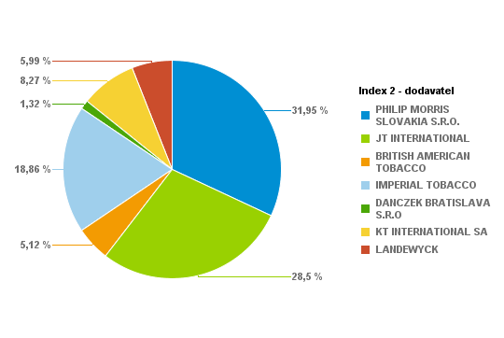
PHILIP MORRIS SLOVAKIA S.R.O. | S74998-58 | L&M Red KS Box 20 (5,60 Eur) K | 788 | 15760 | 3.17% | 4412.8 | 5.6
PHILIP MORRIS SLOVAKIA S.R.O. | S74999-58 | L&M Blue KS Box 20 (5,60 Eur) K | 943 | 18860 | 3.80% | 5280.8 | 5.6
PHILIP MORRIS SLOVAKIA S.R.O. | S75001-58 | Marlboro 100 FWD 20 (6,00 Eur) K | 106 | 2120 | 0.43% | 636 | 6
PHILIP MORRIS SLOVAKIA S.R.O. | S75002-58 | Marlboro Gold Original 100 20(6,00Eur) K | 43 | 860 | 0.17% | 258 | 6
PHILIP MORRIS SLOVAKIA S.R.O. | S75003-58 | Marlboro Box FWD KS 20(6,00Eur) K | 390 | 7800 | 1.57% | 2340 | 6
PHILIP MORRIS SLOVAKIA S.R.O. | S75004-58 | Marlboro Gold Original KS 20(6,00Eur) K | 575 | 11500 | 2.32% | 3450 | 6
PHILIP MORRIS SLOVAKIA S.R.O. | S75010-58 | L&M 100 Red 20 (5,60 Eur) K | 337 | 6740 | 1.36% | 1887.2 | 5.6
PHILIP MORRIS SLOVAKIA S.R.O. | S75011-58 | L&M 100 Blue 20 (5,60 Eur) K | 328 | 6560 | 1.32% | 1836.8 | 5.6
PHILIP MORRIS SLOVAKIA S.R.O. | S75014-58 | Marlboro Crafted Red KS 20(5,50 Eur) K | 70 | 1400 | 0.28% | 385 | 5.5
PHILIP MORRIS SLOVAKIA S.R.O. | S75017-58 | Marlboro Crafted Gold KS 20(5,50 Eur) K | 109 | 2180 | 0.44% | 599.5 | 5.5
PHILIP MORRIS SLOVAKIA S.R.O. | S75019-60 | Petra Červená by RGD KS 20 (5,50 Eur) K | 442 | 8840 | 1.78% | 2431 | 5.5
PHILIP MORRIS SLOVAKIA S.R.O. | S75020-60 | Petra Modrá by RGD KS 20(5,50 Eur) K | 253 | 5060 | 1.02% | 1391.5 | 5.5
PHILIP MORRIS SLOVAKIA S.R.O. | S75070-58 | L&M Loft Blue KS BOX Slim 20(5,40Eur) K | 505 | 10100 | 2.03% | 2727 | 5.4
PHILIP MORRIS SLOVAKIA S.R.O. | S75071-58 | L&M LOFT AQUA KS 20 SLI 20(5,40Eur) K | 185 | 3700 | 0.75% | 999 | 5.4
PHILIP MORRIS SLOVAKIA S.R.O. | S75076-58 | L&M Link Bright 100 SSL (5,60 Eur) K | 148 | 2960 | 0.60% | 828.8 | 5.6
PHILIP MORRIS SLOVAKIA S.R.O. | S75077-58 | Marlboro Crafted Compact KS 20(5,40Eur)K | 100 | 2000 | 0.40% | 540 | 5.4
PHILIP MORRIS SLOVAKIA S.R.O. | S75078-58 | L&M Selection RED KS 20(5,40 Eur) K | 61 | 1220 | 0.25% | 329.4 | 5.4
PHILIP MORRIS SLOVAKIA S.R.O. | S75078-59 | L&M Selection RED KS 20(5,00 Eur) K | 30 | 600 | 0.12% | 150 | 5
PHILIP MORRIS SLOVAKIA S.R.O. | S75079-58 | L&M Selection BLUE KS 20(5,40 Eur) K | 22 | 440 | 0.09% | 118.8 | 5.4
PHILIP MORRIS SLOVAKIA S.R.O. | S75080-58 | RGD Long Red 20(5,40 Eur) K | 17 | 340 | 0.07% | 91.8 | 5.4
PHILIP MORRIS SLOVAKIA S.R.O. | S75081-58 | RGD Long Blue 20(5,40 Eur) K | 24 | 480 | 0.10% | 129.6 | 5.4
PHILIP MORRIS SLOVAKIA S.R.O. | S75082-57 | LM Loft Blue SSL 100 (5,40 Eur) K | 35 | 700 | 0.14% | 189 | 5.4
PHILIP MORRIS SLOVAKIA S.R.O. | S75083-57 | LM Loft Pink SSL 100 (5,40 Eur) K | 65 | 1300 | 0.26% | 351 | 5.4
JT INTERNATIONAL | S10330-58 | Winston 100 Classic BOX 20(5,50Eur)K | 559 | 11180 | 2.25% | 3074.5 | 5.5
JT INTERNATIONAL | S10340-58 | Winston 100 Blue BOX 20(5,50Eur)K | 741 | 14820 | 2.99% | 4075.5 | 5.5
JT INTERNATIONAL | S10345-58 | Winston 100 Gold Red BOX 20(5,50Eur) K | 410 | 8200 | 1.65% | 2255 | 5.5
JT INTERNATIONAL | S10346-58 | Winston Gold Red BOX (5,50Eur) K | 27 | 540 | 0.11% | 148.5 | 5.5
JT INTERNATIONAL | S10350-58 | Winston SSL Blue BOX 20(5,50Eur) K | 607 | 12140 | 2.45% | 3338.5 | 5.5
JT INTERNATIONAL | S10360-58 | Winston SSL Silver BOX 20(5,50Eur) K | 531 | 10620 | 2.14% | 2920.5 | 5.5
JT INTERNATIONAL | S10364-58 | Winston Slims Xpression BOX 20(5,40Eur)K | 208 | 4160 | 0.84% | 1123.2 | 5.4
JT INTERNATIONAL | S10366-58 | Winston Xpression Long Slim 20(5,40Eur)K | 479 | 9580 | 1.93% | 2586.6 | 5.4
JT INTERNATIONAL | S10368-58 | Winston SSL Green BOX 20 (5,50 Eur) K | 109 | 2180 | 0.44% | 599.5 | 5.5
JT INTERNATIONAL | S10369-58 | Winston Compact Long 20(5,40Eur) K | 121 | 2420 | 0.49% | 653.4 | 5.4
JT INTERNATIONAL | S10372-57 | Winston SSL Pink BOX 20(5,50 Eur) K | 66 | 1320 | 0.27% | 363 | 5.5
JT INTERNATIONAL | S10380-58 | Camel Yellow BOX 20(5,80Eur) K | 320 | 6400 | 1.29% | 1856 | 5.8
JT INTERNATIONAL | S10390-58 | Camel Blue Box 20(5,80Eur) K | 169 | 3380 | 0.68% | 980.2 | 5.8
JT INTERNATIONAL | S10411-58 | Camel Yellow Soft 20(5,50Eur) K | 728 | 14560 | 2.93% | 4004 | 5.5
JT INTERNATIONAL | S10412-58 | Camel Blue Soft 20(5,50Eur) K | 458 | 9160 | 1.84% | 2519 | 5.5
JT INTERNATIONAL | S10416-58 | Camel Compact Long Slims 20(5,40Eur) K | 193 | 3860 | 0.78% | 1042.2 | 5.4
JT INTERNATIONAL | S10417-58 | Camel Compact Long GREEN 20(5,40Eur) K | 126 | 2520 | 0.51% | 680.4 | 5.4
JT INTERNATIONAL | S75047-58 | Winston Classic BOX KS 20(5,50Eur) K | 540 | 10800 | 2.18% | 2970 | 5.5
JT INTERNATIONAL | S75048-58 | Winston Blue BOX KS 20(5,50Eur) K | 684 | 13680 | 2.76% | 3762 | 5.5
BRITISH AMERICAN TOBACCO | S10640-58 | Lucky Strike RED 20(5,40 Eur) K | 483 | 9660 | 1.95% | 2608.2 | 5.4
BRITISH AMERICAN TOBACCO | S10641-58 | Lucky Strike 100 RED 20(5,40 Eur) K | 109 | 2180 | 0.44% | 588.6 | 5.4
BRITISH AMERICAN TOBACCO | S10658-58 | Lucky Strike Comp.Flow Fil.20(5,40Eur) K | 385 | 7700 | 1.55% | 2079 | 5.4
BRITISH AMERICAN TOBACCO | S10683-58 | Lucky Strike Gold Sun 20(5,40 Eur) K | 74 | 1480 | 0.30% | 399.6 | 5.4
BRITISH AMERICAN TOBACCO | S10684-58 | Lucky Strike Compact Black (5,40Eur) K | 156 | 3120 | 0.63% | 842.4 | 5.4
BRITISH AMERICAN TOBACCO | S10686-58 | Lucky Strike Blue Authentic (5,60Eur) K | 11 | 220 | 0.04% | 61.6 | 5.6
BRITISH AMERICAN TOBACCO | S10687-58 | Lucky Strike Red Authentic (5,60Eur) K | 52 | 1040 | 0.21% | 291.2 | 5.6
IMPERIAL TOBACCO | S74970-58 | West 100 Red BOX 20 (5,50 Eur) K | 257 | 5140 | 1.04% | 1413.5 | 5.5
IMPERIAL TOBACCO | S74971-58 | West 100 Silver 20 (5,50 Eur) K | 154 | 3080 | 0.62% | 847 | 5.5
IMPERIAL TOBACCO | S75029-58 | West Red KS BOX (5,50 Eur) K | 239 | 4780 | 0.96% | 1314.5 | 5.5
IMPERIAL TOBACCO | S75031-58 | West Silver KS 20 (5,50 Eur) K | 194 | 3880 | 0.78% | 1067 | 5.5
IMPERIAL TOBACCO | S75032-58 | Mars Soft KS 20 (5,60 Eur) K | 384 | 7680 | 1.55% | 2150.4 | 5.6
IMPERIAL TOBACCO | S75033-58 | West Blue KS (5,50 Eur) K | 85 | 1700 | 0.34% | 467.5 | 5.5
IMPERIAL TOBACCO | S75043-58 | Davidoff Evolved 100 Red (5,50 Eur) K | 674 | 13480 | 2.72% | 3707 | 5.5
IMPERIAL TOBACCO | S75044-58 | Davidoff Evolved 100 Blue (5,50 Eur) K | 329 | 6580 | 1.33% | 1809.5 | 5.5
IMPERIAL TOBACCO | S75045-58 | Mars 70 Soft KS 20 (5,60 Eur) K | 60 | 1200 | 0.24% | 336 | 5.6
IMPERIAL TOBACCO | S75064-58 | Jade BLUE by West SSL 20 (5,40 Eur) K | 106 | 2120 | 0.43% | 572.4 | 5.4
IMPERIAL TOBACCO | S75065-58 | Jade ROSE by West SSL 20 (5,40 Eur) K | 168 | 3360 | 0.68% | 907.2 | 5.4
IMPERIAL TOBACCO | S75089-58 | Davidoff Gold Slim 20(6,50 Eur) K | 71 | 1420 | 0.29% | 461.5 | 6.5
IMPERIAL TOBACCO | S75096-58 | Davidoff Classic 20(6,50 Eur) K | 21 | 420 | 0.08% | 136.5 | 6.5
IMPERIAL TOBACCO | S75097-58 | Davidoff Gold 20(6,50 Eur) K | 163 | 3260 | 0.66% | 1059.5 | 6.5
IMPERIAL TOBACCO | S75098-58 | Davidoff Reshape Black 20 (5,80 Eur) K | 82 | 1640 | 0.33% | 475.6 | 5.8
IMPERIAL TOBACCO | S75099-58 | Davidoff Reshape White 20 (5,80 Eur) K | 65 | 1300 | 0.26% | 377 | 5.8
IMPERIAL TOBACCO | S76018-58 | Davidoff Reach Blue 20 (5,40Eur) K | 357 | 7140 | 1.44% | 1927.8 | 5.4
IMPERIAL TOBACCO | S76022-59 | Davidoff Evolved RED 20 (5,50 Eur) K | 423 | 8460 | 1.70% | 2326.5 | 5.5
IMPERIAL TOBACCO | S76023-59 | Davidoff Evolved BLUE 20 (5,50 Eur) K | 337 | 6740 | 1.36% | 1853.5 | 5.5
IMPERIAL TOBACCO | S76024-58 | Davidoff Evolved SSL Silver 20(5,50Eur)K | 31 | 620 | 0.12% | 170.5 | 5.5
IMPERIAL TOBACCO | S76025-58 | Davidoff Evolved SSL Blue 20(5,50 Eur) K | 108 | 2160 | 0.44% | 594 | 5.5
IMPERIAL TOBACCO | S76028-58 | Davidoff Evolved Air Mist 20(5,50 Eur) K | 119 | 2380 | 0.48% | 654.5 | 5.5
IMPERIAL TOBACCO | S76029-58 | Davidoff Evolved Air Mist SSL (5,50Eur)K | 134 | 2680 | 0.54% | 737 | 5.5
IMPERIAL TOBACCO | S76031-59 | Davidoff Evo Amethyst KS 20(5,50 Eur) K | 28 | 560 | 0.11% | 154 | 5.5
IMPERIAL TOBACCO | S76032-59 | Davidoff Evo Amethyst SSL 20(5,50 Eur) K | 55 | 1100 | 0.22% | 302.5 | 5.5
IMPERIAL TOBACCO | S76033-58 | Davidoff Reach Amethyst 20 (5,40 Eur) K | 23 | 460 | 0.09% | 124.2 | 5.4
IMPERIAL TOBACCO | S76034-58 | Davidoff Reach Air Mist 20(5,40 Eur) K | 15 | 300 | 0.06% | 81 | 5.4
DANCZEK BRATISLAVA S.R.O | S10930-59 | Karelia S 20(5,00 Eur) K | 59 | 1180 | 0.24% | 295 | 5
DANCZEK BRATISLAVA S.R.O | S10940-59 | Karelia M 20(5,00 Eur) K | 62 | 1240 | 0.25% | 310 | 5
DANCZEK BRATISLAVA S.R.O | S10950-59 | Karelia I 20(5,00 Eur) K | 43 | 860 | 0.17% | 215 | 5
DANCZEK BRATISLAVA S.R.O | S10960-59 | Karelia L 20(5,00 Eur) K | 31 | 620 | 0.12% | 155 | 5
DANCZEK BRATISLAVA S.R.O | S10962-58 | OME Yellow SSL SP 20(5,00 Eur) K | 9 | 180 | 0.04% | 45 | 5
DANCZEK BRATISLAVA S.R.O | S10963-58 | OME White SSL SP 20(5,00 Eur) K | 72 | 1440 | 0.29% | 360 | 5
DANCZEK BRATISLAVA S.R.O | S10970-58 | Mark 1 Red 100 20(5,00 Eur) K | 33 | 660 | 0.13% | 165 | 5
DANCZEK BRATISLAVA S.R.O | S10972-58 | Mark 1 Gold 100 20(5,00 Eur) K | 7 | 140 | 0.03% | 35 | 5
DANCZEK BRATISLAVA S.R.O | S10977-59 | Mark 1 Classic 100 20(5,00 Eur) K | 11 | 220 | 0.04% | 55 | 5
KT INTERNATIONAL SA | S10800-59 | King Red 20 (5,00 Eur) "K" | 34 | 680 | 0.14% | 170 | 5
KT INTERNATIONAL SA | S10801-59 | King Blue 20 (5,00Eur) "K" | 222 | 4440 | 0.89% | 1110 | 5
KT INTERNATIONAL SA | S10802-59 | King Red 100 20 (5,00Eur) "K" | 373 | 7460 | 1.50% | 1865 | 5
KT INTERNATIONAL SA | S10803-59 | King Blue 100 20 (5,00Eur) "K" | 412 | 8240 | 1.66% | 2060 | 5
KT INTERNATIONAL SA | S10804-59 | Corset Mauve (5,10 Eur) "K" | 25 | 500 | 0.10% | 127.5 | 5.1
KT INTERNATIONAL SA | S10805-60 | Corset Pink (5,10 Eur) "K" | 227 | 4540 | 0.91% | 1157.7 | 5.1
KT INTERNATIONAL SA | S10811-59 | KING Compact NIMBO 20 (4,90 Eur) "K" | 323 | 6460 | 1.30% | 1582.7 | 4.9
KT INTERNATIONAL SA | S10812-59 | KING Compact STRATO 20 (4,90 Eur) "K" | 202 | 4040 | 0.81% | 989.8 | 4.9
KT INTERNATIONAL SA | S10813-59 | KING Blue SSL (5,00 Eur) "K" | 90 | 1800 | 0.36% | 450 | 5
KT INTERNATIONAL SA | S10814-59 | KING White SSL (5,00 Eur) "K" | 90 | 1800 | 0.36% | 450 | 5
KT INTERNATIONAL SA | S10815-59 | King Silver 100 20 (5,00Eur) "K" | 1 | 20 | 0.00% | 5 | 5
KT INTERNATIONAL SA | S10816-59 | KING Compact STORM 20 (4,90 Eur) "K" | 53 | 1060 | 0.21% | 259.7 | 4.9
LANDEWYCK | S10821-59 | AUSTIN Red 20 (4,90 Eur) "K" | 337 | 6740 | 1.36% | 1651.3 | 4.9
LANDEWYCK | S10822-59 | AUSTIN Gold 20 (4,90 Eur) "K" | 298 | 5960 | 1.20% | 1460.2 | 4.9
LANDEWYCK | S10823-59 | AUSTIN Red 100 (5,00 Eur) "K" | 490 | 9800 | 1.97% | 2450 | 5
LANDEWYCK | S10824-59 | AUSTIN Gold 100 (5,00 Eur) "K" | 268 | 5360 | 1.08% | 1340 | 5
LANDEWYCK | S10825-59 | AUSTIN F-Type KS (4,90 Eur) "K" | 93 | 1860 | 0.37% | 455.7 | 4.9
 |  |  |  |  | 100.00%
 |  |  | Súčet: | 496480

1206 | Tesco Nové Mesto nad Váhom

Dodávateľ | Artikl - Klíč | Artikl - Text | Krabičky | Kusy | Percento: | Celkom PC | Koncová cena | Dodávateľ | Krabičky | Kusy | Percento | Celkom
PHILIP MORRIS SLOVAKIA S.R.O. | S74975-58 | L&M Link Pink 100 SSL (5,60 Eur) K | 287 | 5740 | 1.40% | 1607.2 | 5.6 | PHILIP MORRIS SLOVAKIA S.R.O. | 6595 | 131900 | 32.09% | 37215.1
PHILIP MORRIS SLOVAKIA S.R.O. | S74976-58 | Marlboro Line Blue 100 20 SSL(6,00Eur) K | 70 | 1400 | 0.34% | 420 | 6 | JT INTERNATIONAL | 6623 | 132460 | 32.22% | 36482.7
PHILIP MORRIS SLOVAKIA S.R.O. | S74977-58 | Marlboro Crafted Red 100 20 (5,50Eur) K | 78 | 1560 | 0.38% | 429 | 5.5 | BRITISH AMERICAN TOBACCO | 713 | 14260 | 3.47% | 3855.8
PHILIP MORRIS SLOVAKIA S.R.O. | S74978-58 | Marlboro Crafted Gold 100 20(5,50Eur) K | 61 | 1220 | 0.30% | 335.5 | 5.5 | IMPERIAL TOBACCO | 4256 | 85120 | 20.71% | 23653.2
PHILIP MORRIS SLOVAKIA S.R.O. | S74983-58 | Marlboro Core Touch FWD 20 (5,90Eur) K | 102 | 2040 | 0.50% | 601.8 | 5.9 | DANCZEK BRATISLAVA S.R.O | 266 | 5320 | 1.29% | 1330
PHILIP MORRIS SLOVAKIA S.R.O. | S74984-58 | Marlboro 3.5 Touch KS BOX 20(5,90Eur) K | 159 | 3180 | 0.77% | 938.1 | 5.9 | KT INTERNATIONAL SA | 1212 | 24240 | 5.90% | 6044.7
PHILIP MORRIS SLOVAKIA S.R.O. | S74985-58 | Marlboro Soft Red KS 20 (5,70 Eur) K | 84 | 1680 | 0.41% | 478.8 | 5.7 | LANDEWYCK | 888 | 17760 | 4.32% | 4399.8
PHILIP MORRIS SLOVAKIA S.R.O. | S74986-58 | Marlboro Soft Gold KS 20(5,70 Eur) K | 393 | 7860 | 1.91% | 2240.1 | 5.7 |  |  | Percento: | 100.00%
PHILIP MORRIS SLOVAKIA S.R.O. | S74989-58 | L&M Link Blue 100 SSL (5,60 Eur) K | 399 | 7980 | 1.94% | 2234.4 | 5.6
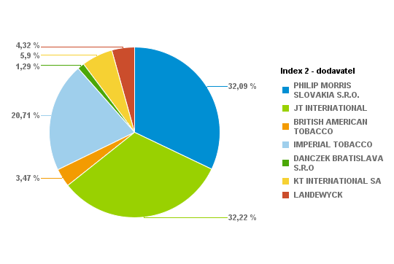
PHILIP MORRIS SLOVAKIA S.R.O. | S74998-58 | L&M Red KS Box 20 (5,60 Eur) K | 493 | 9860 | 2.40% | 2760.8 | 5.6
PHILIP MORRIS SLOVAKIA S.R.O. | S74999-58 | L&M Blue KS Box 20 (5,60 Eur) K | 895 | 17900 | 4.35% | 5012 | 5.6
PHILIP MORRIS SLOVAKIA S.R.O. | S75001-58 | Marlboro 100 FWD 20 (6,00 Eur) K | 44 | 880 | 0.21% | 264 | 6
PHILIP MORRIS SLOVAKIA S.R.O. | S75002-58 | Marlboro Gold Original 100 20(6,00Eur) K | 57 | 1140 | 0.28% | 342 | 6
PHILIP MORRIS SLOVAKIA S.R.O. | S75003-58 | Marlboro Box FWD KS 20(6,00Eur) K | 317 | 6340 | 1.54% | 1902 | 6
PHILIP MORRIS SLOVAKIA S.R.O. | S75004-58 | Marlboro Gold Original KS 20(6,00Eur) K | 657 | 13140 | 3.20% | 3942 | 6
PHILIP MORRIS SLOVAKIA S.R.O. | S75010-58 | L&M 100 Red 20 (5,60 Eur) K | 167 | 3340 | 0.81% | 935.2 | 5.6
PHILIP MORRIS SLOVAKIA S.R.O. | S75011-58 | L&M 100 Blue 20 (5,60 Eur) K | 218 | 4360 | 1.06% | 1220.8 | 5.6
PHILIP MORRIS SLOVAKIA S.R.O. | S75014-58 | Marlboro Crafted Red KS 20(5,50 Eur) K | 27 | 540 | 0.13% | 148.5 | 5.5
PHILIP MORRIS SLOVAKIA S.R.O. | S75017-58 | Marlboro Crafted Gold KS 20(5,50 Eur) K | 112 | 2240 | 0.54% | 616 | 5.5
PHILIP MORRIS SLOVAKIA S.R.O. | S75019-60 | Petra Červená by RGD KS 20 (5,50 Eur) K | 512 | 10240 | 2.49% | 2816 | 5.5
PHILIP MORRIS SLOVAKIA S.R.O. | S75020-60 | Petra Modrá by RGD KS 20(5,50 Eur) K | 445 | 8900 | 2.17% | 2447.5 | 5.5
PHILIP MORRIS SLOVAKIA S.R.O. | S75070-58 | L&M Loft Blue KS BOX Slim 20(5,40Eur) K | 439 | 8780 | 2.14% | 2370.6 | 5.4
PHILIP MORRIS SLOVAKIA S.R.O. | S75071-58 | L&M LOFT AQUA KS 20 SLI 20(5,40Eur) K | 129 | 2580 | 0.63% | 696.6 | 5.4
PHILIP MORRIS SLOVAKIA S.R.O. | S75076-58 | L&M Link Bright 100 SSL (5,60 Eur) K | 131 | 2620 | 0.64% | 733.6 | 5.6
PHILIP MORRIS SLOVAKIA S.R.O. | S75077-58 | Marlboro Crafted Compact KS 20(5,40Eur)K | 99 | 1980 | 0.48% | 534.6 | 5.4
PHILIP MORRIS SLOVAKIA S.R.O. | S75078-58 | L&M Selection RED KS 20(5,40 Eur) K | 26 | 520 | 0.13% | 140.4 | 5.4
PHILIP MORRIS SLOVAKIA S.R.O. | S75079-58 | L&M Selection BLUE KS 20(5,40 Eur) K | 29 | 580 | 0.14% | 156.6 | 5.4
PHILIP MORRIS SLOVAKIA S.R.O. | S75080-58 | RGD Long Red 20(5,40 Eur) K | 12 | 240 | 0.06% | 64.8 | 5.4
PHILIP MORRIS SLOVAKIA S.R.O. | S75081-58 | RGD Long Blue 20(5,40 Eur) K | 82 | 1640 | 0.40% | 442.8 | 5.4
PHILIP MORRIS SLOVAKIA S.R.O. | S75082-57 | LM Loft Blue SSL 100 (5,40 Eur) K | 24 | 480 | 0.12% | 129.6 | 5.4
PHILIP MORRIS SLOVAKIA S.R.O. | S75083-57 | LM Loft Pink SSL 100 (5,40 Eur) K | 47 | 940 | 0.23% | 253.8 | 5.4
JT INTERNATIONAL | S10330-58 | Winston 100 Classic BOX 20(5,50Eur)K | 405 | 8100 | 1.97% | 2227.5 | 5.5
JT INTERNATIONAL | S10340-58 | Winston 100 Blue BOX 20(5,50Eur)K | 776 | 15520 | 3.78% | 4268 | 5.5
JT INTERNATIONAL | S10345-58 | Winston 100 Gold Red BOX 20(5,50Eur) K | 279 | 5580 | 1.36% | 1534.5 | 5.5
JT INTERNATIONAL | S10346-58 | Winston Gold Red BOX (5,50Eur) K | 23 | 460 | 0.11% | 126.5 | 5.5
JT INTERNATIONAL | S10350-58 | Winston SSL Blue BOX 20(5,50Eur) K | 532 | 10640 | 2.59% | 2926 | 5.5
JT INTERNATIONAL | S10360-58 | Winston SSL Silver BOX 20(5,50Eur) K | 508 | 10160 | 2.47% | 2794 | 5.5
JT INTERNATIONAL | S10364-58 | Winston Slims Xpression BOX 20(5,40Eur)K | 153 | 3060 | 0.74% | 826.2 | 5.4
JT INTERNATIONAL | S10366-58 | Winston Xpression Long Slim 20(5,40Eur)K | 411 | 8220 | 2.00% | 2219.4 | 5.4
JT INTERNATIONAL | S10368-58 | Winston SSL Green BOX 20 (5,50 Eur) K | 215 | 4300 | 1.05% | 1182.5 | 5.5
JT INTERNATIONAL | S10369-58 | Winston Compact Long 20(5,40Eur) K | 280 | 5600 | 1.36% | 1512 | 5.4
JT INTERNATIONAL | S10372-57 | Winston SSL Pink BOX 20(5,50 Eur) K | 29 | 580 | 0.14% | 159.5 | 5.5
JT INTERNATIONAL | S10380-58 | Camel Yellow BOX 20(5,80Eur) K | 241 | 4820 | 1.17% | 1397.8 | 5.8
JT INTERNATIONAL | S10390-58 | Camel Blue Box 20(5,80Eur) K | 326 | 6520 | 1.59% | 1890.8 | 5.8
JT INTERNATIONAL | S10411-58 | Camel Yellow Soft 20(5,50Eur) K | 509 | 10180 | 2.48% | 2799.5 | 5.5
JT INTERNATIONAL | S10412-58 | Camel Blue Soft 20(5,50Eur) K | 646 | 12920 | 3.14% | 3553 | 5.5
JT INTERNATIONAL | S10416-58 | Camel Compact Long Slims 20(5,40Eur) K | 170 | 3400 | 0.83% | 918 | 5.4
JT INTERNATIONAL | S10417-58 | Camel Compact Long GREEN 20(5,40Eur) K | 125 | 2500 | 0.61% | 675 | 5.4
JT INTERNATIONAL | S75047-58 | Winston Classic BOX KS 20(5,50Eur) K | 438 | 8760 | 2.13% | 2409 | 5.5
JT INTERNATIONAL | S75048-58 | Winston Blue BOX KS 20(5,50Eur) K | 557 | 11140 | 2.71% | 3063.5 | 5.5
BRITISH AMERICAN TOBACCO | S10640-58 | Lucky Strike RED 20(5,40 Eur) K | 102 | 2040 | 0.50% | 550.8 | 5.4
BRITISH AMERICAN TOBACCO | S10641-58 | Lucky Strike 100 RED 20(5,40 Eur) K | 32 | 640 | 0.16% | 172.8 | 5.4
BRITISH AMERICAN TOBACCO | S10658-58 | Lucky Strike Comp.Flow Fil.20(5,40Eur) K | 293 | 5860 | 1.43% | 1582.2 | 5.4
BRITISH AMERICAN TOBACCO | S10683-58 | Lucky Strike Gold Sun 20(5,40 Eur) K | 115 | 2300 | 0.56% | 621 | 5.4
BRITISH AMERICAN TOBACCO | S10684-58 | Lucky Strike Compact Black (5,40Eur) K | 143 | 2860 | 0.70% | 772.2 | 5.4
BRITISH AMERICAN TOBACCO | S10686-58 | Lucky Strike Blue Authentic (5,60Eur) K | 5 | 100 | 0.02% | 28 | 5.6
BRITISH AMERICAN TOBACCO | S10687-58 | Lucky Strike Red Authentic (5,60Eur) K | 23 | 460 | 0.11% | 128.8 | 5.6
IMPERIAL TOBACCO | S74970-58 | West 100 Red BOX 20 (5,50 Eur) K | 87 | 1740 | 0.42% | 478.5 | 5.5
IMPERIAL TOBACCO | S74971-58 | West 100 Silver 20 (5,50 Eur) K | 88 | 1760 | 0.43% | 484 | 5.5
IMPERIAL TOBACCO | S75029-58 | West Red KS BOX (5,50 Eur) K | 85 | 1700 | 0.41% | 467.5 | 5.5
IMPERIAL TOBACCO | S75031-58 | West Silver KS 20 (5,50 Eur) K | 205 | 4100 | 1.00% | 1127.5 | 5.5
IMPERIAL TOBACCO | S75032-58 | Mars Soft KS 20 (5,60 Eur) K | 469 | 9380 | 2.28% | 2626.4 | 5.6
IMPERIAL TOBACCO | S75033-58 | West Blue KS (5,50 Eur) K | 94 | 1880 | 0.46% | 517 | 5.5
IMPERIAL TOBACCO | S75043-58 | Davidoff Evolved 100 Red (5,50 Eur) K | 268 | 5360 | 1.30% | 1474 | 5.5
IMPERIAL TOBACCO | S75044-58 | Davidoff Evolved 100 Blue (5,50 Eur) K | 303 | 6060 | 1.47% | 1666.5 | 5.5
IMPERIAL TOBACCO | S75045-58 | Mars 70 Soft KS 20 (5,60 Eur) K | 162 | 3240 | 0.79% | 907.2 | 5.6
IMPERIAL TOBACCO | S75064-58 | Jade BLUE by West SSL 20 (5,40 Eur) K | 52 | 1040 | 0.25% | 280.8 | 5.4
IMPERIAL TOBACCO | S75065-58 | Jade ROSE by West SSL 20 (5,40 Eur) K | 201 | 4020 | 0.98% | 1085.4 | 5.4
IMPERIAL TOBACCO | S75089-58 | Davidoff Gold Slim 20(6,50 Eur) K | 27 | 540 | 0.13% | 175.5 | 6.5
IMPERIAL TOBACCO | S75096-58 | Davidoff Classic 20(6,50 Eur) K | 79 | 1580 | 0.38% | 513.5 | 6.5
IMPERIAL TOBACCO | S75097-58 | Davidoff Gold 20(6,50 Eur) K | 84 | 1680 | 0.41% | 546 | 6.5
IMPERIAL TOBACCO | S75098-58 | Davidoff Reshape Black 20 (5,80 Eur) K | 51 | 1020 | 0.25% | 295.8 | 5.8
IMPERIAL TOBACCO | S75099-58 | Davidoff Reshape White 20 (5,80 Eur) K | 160 | 3200 | 0.78% | 928 | 5.8
IMPERIAL TOBACCO | S76018-58 | Davidoff Reach Blue 20 (5,40Eur) K | 439 | 8780 | 2.14% | 2370.6 | 5.4
IMPERIAL TOBACCO | S76022-59 | Davidoff Evolved RED 20 (5,50 Eur) K | 362 | 7240 | 1.76% | 1991 | 5.5
IMPERIAL TOBACCO | S76023-59 | Davidoff Evolved BLUE 20 (5,50 Eur) K | 468 | 9360 | 2.28% | 2574 | 5.5
IMPERIAL TOBACCO | S76024-58 | Davidoff Evolved SSL Silver 20(5,50Eur)K | 52 | 1040 | 0.25% | 286 | 5.5
IMPERIAL TOBACCO | S76025-58 | Davidoff Evolved SSL Blue 20(5,50 Eur) K | 141 | 2820 | 0.69% | 775.5 | 5.5
IMPERIAL TOBACCO | S76028-58 | Davidoff Evolved Air Mist 20(5,50 Eur) K | 97 | 1940 | 0.47% | 533.5 | 5.5
IMPERIAL TOBACCO | S76029-58 | Davidoff Evolved Air Mist SSL (5,50Eur)K | 182 | 3640 | 0.89% | 1001 | 5.5
IMPERIAL TOBACCO | S76031-59 | Davidoff Evo Amethyst KS 20(5,50 Eur) K | 18 | 360 | 0.09% | 99 | 5.5
IMPERIAL TOBACCO | S76032-59 | Davidoff Evo Amethyst SSL 20(5,50 Eur) K | 62 | 1240 | 0.30% | 341 | 5.5
IMPERIAL TOBACCO | S76033-58 | Davidoff Reach Amethyst 20 (5,40 Eur) K | 12 | 240 | 0.06% | 64.8 | 5.4
IMPERIAL TOBACCO | S76034-58 | Davidoff Reach Air Mist 20(5,40 Eur) K | 8 | 160 | 0.04% | 43.2 | 5.4
DANCZEK BRATISLAVA S.R.O | S10940-59 | Karelia M 20(5,00 Eur) K | 44 | 880 | 0.21% | 220 | 5
DANCZEK BRATISLAVA S.R.O | S10950-59 | Karelia I 20(5,00 Eur) K | 49 | 980 | 0.24% | 245 | 5
DANCZEK BRATISLAVA S.R.O | S10960-59 | Karelia L 20(5,00 Eur) K | 22 | 440 | 0.11% | 110 | 5
DANCZEK BRATISLAVA S.R.O | S10961-58 | OME SSL SP 20(5,00 Eur) K | 20 | 400 | 0.10% | 100 | 5
DANCZEK BRATISLAVA S.R.O | S10962-58 | OME Yellow SSL SP 20(5,00 Eur) K | 25 | 500 | 0.12% | 125 | 5
DANCZEK BRATISLAVA S.R.O | S10963-58 | OME White SSL SP 20(5,00 Eur) K | 63 | 1260 | 0.31% | 315 | 5
DANCZEK BRATISLAVA S.R.O | S10970-58 | Mark 1 Red 100 20(5,00 Eur) K | 29 | 580 | 0.14% | 145 | 5
DANCZEK BRATISLAVA S.R.O | S10971-58 | Mark 1 Red KS 20(5,00 Eur) K | 5 | 100 | 0.02% | 25 | 5
DANCZEK BRATISLAVA S.R.O | S10972-58 | Mark 1 Gold 100 20(5,00 Eur) K | 9 | 180 | 0.04% | 45 | 5
KT INTERNATIONAL SA | S10800-59 | King Red 20 (5,00 Eur) "K" | 90 | 1800 | 0.44% | 450 | 5
KT INTERNATIONAL SA | S10801-59 | King Blue 20 (5,00Eur) "K" | 56 | 1120 | 0.27% | 280 | 5
KT INTERNATIONAL SA | S10802-59 | King Red 100 20 (5,00Eur) "K" | 226 | 4520 | 1.10% | 1130 | 5
KT INTERNATIONAL SA | S10803-59 | King Blue 100 20 (5,00Eur) "K" | 211 | 4220 | 1.03% | 1055 | 5
KT INTERNATIONAL SA | S10804-59 | Corset Mauve (5,10 Eur) "K" | 78 | 1560 | 0.38% | 397.8 | 5.1
KT INTERNATIONAL SA | S10805-60 | Corset Pink (5,10 Eur) "K" | 147 | 2940 | 0.72% | 749.7 | 5.1
KT INTERNATIONAL SA | S10811-59 | KING Compact NIMBO 20 (4,90 Eur) "K" | 108 | 2160 | 0.53% | 529.2 | 4.9
KT INTERNATIONAL SA | S10812-59 | KING Compact STRATO 20 (4,90 Eur) "K" | 215 | 4300 | 1.05% | 1053.5 | 4.9
KT INTERNATIONAL SA | S10813-59 | KING Blue SSL (5,00 Eur) "K" | 17 | 340 | 0.08% | 85 | 5
KT INTERNATIONAL SA | S10814-59 | KING White SSL (5,00 Eur) "K" | 9 | 180 | 0.04% | 45 | 5
KT INTERNATIONAL SA | S10816-59 | KING Compact STORM 20 (4,90 Eur) "K" | 55 | 1100 | 0.27% | 269.5 | 4.9
LANDEWYCK | S10821-59 | AUSTIN Red 20 (4,90 Eur) "K" | 217 | 4340 | 1.06% | 1063.3 | 4.9
LANDEWYCK | S10822-59 | AUSTIN Gold 20 (4,90 Eur) "K" | 166 | 3320 | 0.81% | 813.4 | 4.9
LANDEWYCK | S10823-59 | AUSTIN Red 100 (5,00 Eur) "K" | 327 | 6540 | 1.59% | 1635 | 5
LANDEWYCK | S10824-59 | AUSTIN Gold 100 (5,00 Eur) "K" | 159 | 3180 | 0.77% | 795 | 5
LANDEWYCK | S10825-59 | AUSTIN F-Type KS (4,90 Eur) "K" | 19 | 380 | 0.09% | 93.1 | 4.9
 |  |  |  |  | 100.00%
 |  |  | Súčet: | 411060

1207 | Kaufland Šala (SNP)

Dodávateľ | Artikl - Klíč | Artikl - Text | Krabičky | Kusy | Percento: | Celkom PC | Koncová cena | Dodávateľ | Krabičky | Kusy | Percento | Celkom
PHILIP MORRIS SLOVAKIA S.R.O. | S74975-58 | L&M Link Pink 100 SSL (5,60 Eur) K | 365 | 7300 | 1.57% | 2044 | 5.6 | PHILIP MORRIS SLOVAKIA S.R.O. | 8109 | 162180 | 34.83% | 45737.9
PHILIP MORRIS SLOVAKIA S.R.O. | S74976-58 | Marlboro Line Blue 100 20 SSL(6,00Eur) K | 118 | 2360 | 0.51% | 708 | 6 | JT INTERNATIONAL | 6073 | 121460 | 26.08% | 33408.5
PHILIP MORRIS SLOVAKIA S.R.O. | S74977-58 | Marlboro Crafted Red 100 20 (5,50Eur) K | 231 | 4620 | 0.99% | 1270.5 | 5.5 | BRITISH AMERICAN TOBACCO | 672 | 13440 | 2.89% | 3657.8
PHILIP MORRIS SLOVAKIA S.R.O. | S74978-58 | Marlboro Crafted Gold 100 20(5,50Eur) K | 94 | 1880 | 0.40% | 517 | 5.5 | IMPERIAL TOBACCO | 4233 | 84660 | 18.18% | 23844.5
PHILIP MORRIS SLOVAKIA S.R.O. | S74983-58 | Marlboro Core Touch FWD 20 (5,90Eur) K | 107 | 2140 | 0.46% | 631.3 | 5.9 | DANCZEK BRATISLAVA S.R.O | 342 | 6840 | 1.47% | 1710
PHILIP MORRIS SLOVAKIA S.R.O. | S74984-58 | Marlboro 3.5 Touch KS BOX 20(5,90Eur) K | 135 | 2700 | 0.58% | 796.5 | 5.9 | KT INTERNATIONAL SA | 2611 | 52220 | 11.21% | 13032.4
PHILIP MORRIS SLOVAKIA S.R.O. | S74985-58 | Marlboro Soft Red KS 20 (5,70 Eur) K | 170 | 3400 | 0.73% | 969 | 5.7 | LANDEWYCK | 1244 | 24880 | 5.34% | 6183.1
PHILIP MORRIS SLOVAKIA S.R.O. | S74986-58 | Marlboro Soft Gold KS 20(5,70 Eur) K | 275 | 5500 | 1.18% | 1567.5 | 5.7 |  |  | Percento: | 100.00%
PHILIP MORRIS SLOVAKIA S.R.O. | S74989-58 | L&M Link Blue 100 SSL (5,60 Eur) K | 550 | 11000 | 2.36% | 3080 | 5.6
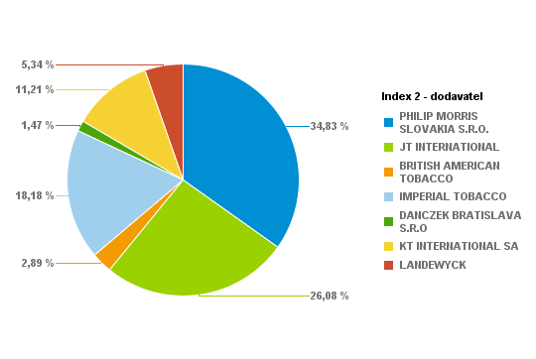
PHILIP MORRIS SLOVAKIA S.R.O. | S74998-58 | L&M Red KS Box 20 (5,60 Eur) K | 482 | 9640 | 2.07% | 2699.2 | 5.6
PHILIP MORRIS SLOVAKIA S.R.O. | S74999-58 | L&M Blue KS Box 20 (5,60 Eur) K | 751 | 15020 | 3.23% | 4205.6 | 5.6
PHILIP MORRIS SLOVAKIA S.R.O. | S75001-58 | Marlboro 100 FWD 20 (6,00 Eur) K | 78 | 1560 | 0.33% | 468 | 6
PHILIP MORRIS SLOVAKIA S.R.O. | S75002-58 | Marlboro Gold Original 100 20(6,00Eur) K | 170 | 3400 | 0.73% | 1020 | 6
PHILIP MORRIS SLOVAKIA S.R.O. | S75003-58 | Marlboro Box FWD KS 20(6,00Eur) K | 341 | 6820 | 1.46% | 2046 | 6
PHILIP MORRIS SLOVAKIA S.R.O. | S75004-58 | Marlboro Gold Original KS 20(6,00Eur) K | 706 | 14120 | 3.03% | 4236 | 6
PHILIP MORRIS SLOVAKIA S.R.O. | S75010-58 | L&M 100 Red 20 (5,60 Eur) K | 425 | 8500 | 1.83% | 2380 | 5.6
PHILIP MORRIS SLOVAKIA S.R.O. | S75011-58 | L&M 100 Blue 20 (5,60 Eur) K | 672 | 13440 | 2.89% | 3763.2 | 5.6
PHILIP MORRIS SLOVAKIA S.R.O. | S75014-58 | Marlboro Crafted Red KS 20(5,50 Eur) K | 137 | 2740 | 0.59% | 753.5 | 5.5
PHILIP MORRIS SLOVAKIA S.R.O. | S75017-58 | Marlboro Crafted Gold KS 20(5,50 Eur) K | 149 | 2980 | 0.64% | 819.5 | 5.5
PHILIP MORRIS SLOVAKIA S.R.O. | S75019-60 | Petra Červená by RGD KS 20 (5,50 Eur) K | 327 | 6540 | 1.40% | 1798.5 | 5.5
PHILIP MORRIS SLOVAKIA S.R.O. | S75020-60 | Petra Modrá by RGD KS 20(5,50 Eur) K | 680 | 13600 | 2.92% | 3740 | 5.5
PHILIP MORRIS SLOVAKIA S.R.O. | S75070-58 | L&M Loft Blue KS BOX Slim 20(5,40Eur) K | 430 | 8600 | 1.85% | 2322 | 5.4
PHILIP MORRIS SLOVAKIA S.R.O. | S75071-58 | L&M LOFT AQUA KS 20 SLI 20(5,40Eur) K | 136 | 2720 | 0.58% | 734.4 | 5.4
PHILIP MORRIS SLOVAKIA S.R.O. | S75076-58 | L&M Link Bright 100 SSL (5,60 Eur) K | 181 | 3620 | 0.78% | 1013.6 | 5.6
PHILIP MORRIS SLOVAKIA S.R.O. | S75077-58 | Marlboro Crafted Compact KS 20(5,40Eur)K | 76 | 1520 | 0.33% | 410.4 | 5.4
PHILIP MORRIS SLOVAKIA S.R.O. | S75078-58 | L&M Selection RED KS 20(5,40 Eur) K | 35 | 700 | 0.15% | 189 | 5.4
PHILIP MORRIS SLOVAKIA S.R.O. | S75079-58 | L&M Selection BLUE KS 20(5,40 Eur) K | 73 | 1460 | 0.31% | 394.2 | 5.4
PHILIP MORRIS SLOVAKIA S.R.O. | S75080-58 | RGD Long Red 20(5,40 Eur) K | 4 | 80 | 0.02% | 21.6 | 5.4
PHILIP MORRIS SLOVAKIA S.R.O. | S75081-58 | RGD Long Blue 20(5,40 Eur) K | 93 | 1860 | 0.40% | 502.2 | 5.4
PHILIP MORRIS SLOVAKIA S.R.O. | S75082-57 | LM Loft Blue SSL 100 (5,40 Eur) K | 39 | 780 | 0.17% | 210.6 | 5.4
PHILIP MORRIS SLOVAKIA S.R.O. | S75083-57 | LM Loft Pink SSL 100 (5,40 Eur) K | 79 | 1580 | 0.34% | 426.6 | 5.4
JT INTERNATIONAL | S10330-58 | Winston 100 Classic BOX 20(5,50Eur)K | 508 | 10160 | 2.18% | 2794 | 5.5
JT INTERNATIONAL | S10340-58 | Winston 100 Blue BOX 20(5,50Eur)K | 817 | 16340 | 3.51% | 4493.5 | 5.5
JT INTERNATIONAL | S10345-58 | Winston 100 Gold Red BOX 20(5,50Eur) K | 344 | 6880 | 1.48% | 1892 | 5.5
JT INTERNATIONAL | S10346-58 | Winston Gold Red BOX (5,50Eur) K | 10 | 200 | 0.04% | 55 | 5.5
JT INTERNATIONAL | S10350-58 | Winston SSL Blue BOX 20(5,50Eur) K | 772 | 15440 | 3.32% | 4246 | 5.5
JT INTERNATIONAL | S10360-58 | Winston SSL Silver BOX 20(5,50Eur) K | 385 | 7700 | 1.65% | 2117.5 | 5.5
JT INTERNATIONAL | S10364-58 | Winston Slims Xpression BOX 20(5,40Eur)K | 175 | 3500 | 0.75% | 945 | 5.4
JT INTERNATIONAL | S10366-58 | Winston Xpression Long Slim 20(5,40Eur)K | 363 | 7260 | 1.56% | 1960.2 | 5.4
JT INTERNATIONAL | S10368-58 | Winston SSL Green BOX 20 (5,50 Eur) K | 202 | 4040 | 0.87% | 1111 | 5.5
JT INTERNATIONAL | S10369-57 | Winston Compact Long 20(5,10Eur) K | 3 | 60 | 0.01% | 15.3 | 5.1
JT INTERNATIONAL | S10369-58 | Winston Compact Long 20(5,40Eur) K | 303 | 6060 | 1.30% | 1636.2 | 5.4
JT INTERNATIONAL | S10372-57 | Winston SSL Pink BOX 20(5,50 Eur) K | 32 | 640 | 0.14% | 176 | 5.5
JT INTERNATIONAL | S10380-58 | Camel Yellow BOX 20(5,80Eur) K | 235 | 4700 | 1.01% | 1363 | 5.8
JT INTERNATIONAL | S10390-58 | Camel Blue Box 20(5,80Eur) K | 149 | 2980 | 0.64% | 864.2 | 5.8
JT INTERNATIONAL | S10411-58 | Camel Yellow Soft 20(5,50Eur) K | 399 | 7980 | 1.71% | 2194.5 | 5.5
JT INTERNATIONAL | S10412-58 | Camel Blue Soft 20(5,50Eur) K | 212 | 4240 | 0.91% | 1166 | 5.5
JT INTERNATIONAL | S10416-58 | Camel Compact Long Slims 20(5,40Eur) K | 138 | 2760 | 0.59% | 745.2 | 5.4
JT INTERNATIONAL | S10417-58 | Camel Compact Long GREEN 20(5,40Eur) K | 91 | 1820 | 0.39% | 491.4 | 5.4
JT INTERNATIONAL | S75047-58 | Winston Classic BOX KS 20(5,50Eur) K | 286 | 5720 | 1.23% | 1573 | 5.5
JT INTERNATIONAL | S75048-58 | Winston Blue BOX KS 20(5,50Eur) K | 649 | 12980 | 2.79% | 3569.5 | 5.5
BRITISH AMERICAN TOBACCO | S10640-58 | Lucky Strike RED 20(5,40 Eur) K | 86 | 1720 | 0.37% | 464.4 | 5.4
BRITISH AMERICAN TOBACCO | S10641-58 | Lucky Strike 100 RED 20(5,40 Eur) K | 86 | 1720 | 0.37% | 464.4 | 5.4
BRITISH AMERICAN TOBACCO | S10658-58 | Lucky Strike Comp.Flow Fil.20(5,40Eur) K | 275 | 5500 | 1.18% | 1485 | 5.4
BRITISH AMERICAN TOBACCO | S10683-58 | Lucky Strike Gold Sun 20(5,40 Eur) K | 15 | 300 | 0.06% | 81 | 5.4
BRITISH AMERICAN TOBACCO | S10684-58 | Lucky Strike Compact Black (5,40Eur) K | 65 | 1300 | 0.28% | 351 | 5.4
BRITISH AMERICAN TOBACCO | S10686-58 | Lucky Strike Blue Authentic (5,60Eur) K | 104 | 2080 | 0.45% | 582.4 | 5.6
BRITISH AMERICAN TOBACCO | S10687-58 | Lucky Strike Red Authentic (5,60Eur) K | 41 | 820 | 0.18% | 229.6 | 5.6
IMPERIAL TOBACCO | S74970-58 | West 100 Red BOX 20 (5,50 Eur) K | 214 | 4280 | 0.92% | 1177 | 5.5
IMPERIAL TOBACCO | S74971-58 | West 100 Silver 20 (5,50 Eur) K | 164 | 3280 | 0.70% | 902 | 5.5
IMPERIAL TOBACCO | S75029-58 | West Red KS BOX (5,50 Eur) K | 189 | 3780 | 0.81% | 1039.5 | 5.5
IMPERIAL TOBACCO | S75031-58 | West Silver KS 20 (5,50 Eur) K | 166 | 3320 | 0.71% | 913 | 5.5
IMPERIAL TOBACCO | S75032-58 | Mars Soft KS 20 (5,60 Eur) K | 276 | 5520 | 1.19% | 1545.6 | 5.6
IMPERIAL TOBACCO | S75033-58 | West Blue KS (5,50 Eur) K | 166 | 3320 | 0.71% | 913 | 5.5
IMPERIAL TOBACCO | S75043-58 | Davidoff Evolved 100 Red (5,50 Eur) K | 402 | 8040 | 1.73% | 2211 | 5.5
IMPERIAL TOBACCO | S75044-58 | Davidoff Evolved 100 Blue (5,50 Eur) K | 402 | 8040 | 1.73% | 2211 | 5.5
IMPERIAL TOBACCO | S75045-58 | Mars 70 Soft KS 20 (5,60 Eur) K | 35 | 700 | 0.15% | 196 | 5.6
IMPERIAL TOBACCO | S75064-58 | Jade BLUE by West SSL 20 (5,40 Eur) K | 25 | 500 | 0.11% | 135 | 5.4
IMPERIAL TOBACCO | S75065-58 | Jade ROSE by West SSL 20 (5,40 Eur) K | 174 | 3480 | 0.75% | 939.6 | 5.4
IMPERIAL TOBACCO | S75089-58 | Davidoff Gold Slim 20(6,50 Eur) K | 183 | 3660 | 0.79% | 1189.5 | 6.5
IMPERIAL TOBACCO | S75096-58 | Davidoff Classic 20(6,50 Eur) K | 180 | 3600 | 0.77% | 1170 | 6.5
IMPERIAL TOBACCO | S75097-58 | Davidoff Gold 20(6,50 Eur) K | 183 | 3660 | 0.79% | 1189.5 | 6.5
IMPERIAL TOBACCO | S75098-58 | Davidoff Reshape Black 20 (5,80 Eur) K | 40 | 800 | 0.17% | 232 | 5.8
IMPERIAL TOBACCO | S75099-58 | Davidoff Reshape White 20 (5,80 Eur) K | 80 | 1600 | 0.34% | 464 | 5.8
IMPERIAL TOBACCO | S76018-58 | Davidoff Reach Blue 20 (5,40Eur) K | 240 | 4800 | 1.03% | 1296 | 5.4
IMPERIAL TOBACCO | S76022-59 | Davidoff Evolved RED 20 (5,50 Eur) K | 230 | 4600 | 0.99% | 1265 | 5.5
IMPERIAL TOBACCO | S76023-59 | Davidoff Evolved BLUE 20 (5,50 Eur) K | 361 | 7220 | 1.55% | 1985.5 | 5.5
IMPERIAL TOBACCO | S76024-58 | Davidoff Evolved SSL Silver 20(5,50Eur)K | 67 | 1340 | 0.29% | 368.5 | 5.5
IMPERIAL TOBACCO | S76025-58 | Davidoff Evolved SSL Blue 20(5,50 Eur) K | 163 | 3260 | 0.70% | 896.5 | 5.5
IMPERIAL TOBACCO | S76028-58 | Davidoff Evolved Air Mist 20(5,50 Eur) K | 74 | 1480 | 0.32% | 407 | 5.5
IMPERIAL TOBACCO | S76029-58 | Davidoff Evolved Air Mist SSL (5,50Eur)K | 135 | 2700 | 0.58% | 742.5 | 5.5
IMPERIAL TOBACCO | S76031-59 | Davidoff Evo Amethyst KS 20(5,50 Eur) K | 8 | 160 | 0.03% | 44 | 5.5
IMPERIAL TOBACCO | S76032-59 | Davidoff Evo Amethyst SSL 20(5,50 Eur) K | 14 | 280 | 0.06% | 77 | 5.5
IMPERIAL TOBACCO | S76033-58 | Davidoff Reach Amethyst 20 (5,40 Eur) K | 61 | 1220 | 0.26% | 329.4 | 5.4
IMPERIAL TOBACCO | S76034-58 | Davidoff Reach Air Mist 20(5,40 Eur) K | 1 | 20 | 0.00% | 5.4 | 5.4
DANCZEK BRATISLAVA S.R.O | S10930-59 | Karelia S 20(5,00 Eur) K | 24 | 480 | 0.10% | 120 | 5
DANCZEK BRATISLAVA S.R.O | S10940-59 | Karelia M 20(5,00 Eur) K | 88 | 1760 | 0.38% | 440 | 5
DANCZEK BRATISLAVA S.R.O | S10960-59 | Karelia L 20(5,00 Eur) K | 28 | 560 | 0.12% | 140 | 5
DANCZEK BRATISLAVA S.R.O | S10961-58 | OME SSL SP 20(5,00 Eur) K | 65 | 1300 | 0.28% | 325 | 5
DANCZEK BRATISLAVA S.R.O | S10962-58 | OME Yellow SSL SP 20(5,00 Eur) K | 55 | 1100 | 0.24% | 275 | 5
DANCZEK BRATISLAVA S.R.O | S10963-58 | OME White SSL SP 20(5,00 Eur) K | 44 | 880 | 0.19% | 220 | 5
DANCZEK BRATISLAVA S.R.O | S10970-58 | Mark 1 Red 100 20(5,00 Eur) K | 14 | 280 | 0.06% | 70 | 5
DANCZEK BRATISLAVA S.R.O | S10971-58 | Mark 1 Red KS 20(5,00 Eur) K | 8 | 160 | 0.03% | 40 | 5
DANCZEK BRATISLAVA S.R.O | S10972-58 | Mark 1 Gold 100 20(5,00 Eur) K | 8 | 160 | 0.03% | 40 | 5
DANCZEK BRATISLAVA S.R.O | S10977-59 | Mark 1 Classic 100 20(5,00 Eur) K | 8 | 160 | 0.03% | 40 | 5
KT INTERNATIONAL SA | S10800-59 | King Red 20 (5,00 Eur) "K" | 138 | 2760 | 0.59% | 690 | 5
KT INTERNATIONAL SA | S10801-59 | King Blue 20 (5,00Eur) "K" | 218 | 4360 | 0.94% | 1090 | 5
KT INTERNATIONAL SA | S10802-59 | King Red 100 20 (5,00Eur) "K" | 559 | 11180 | 2.40% | 2795 | 5
KT INTERNATIONAL SA | S10803-59 | King Blue 100 20 (5,00Eur) "K" | 650 | 13000 | 2.79% | 3250 | 5
KT INTERNATIONAL SA | S10804-59 | Corset Mauve (5,10 Eur) "K" | 82 | 1640 | 0.35% | 418.2 | 5.1
KT INTERNATIONAL SA | S10804-60 | Corset Lilas (5,10 Eur) "K" | 29 | 580 | 0.12% | 147.9 | 5.1
KT INTERNATIONAL SA | S10805-60 | Corset Pink (5,10 Eur) "K" | 143 | 2860 | 0.61% | 729.3 | 5.1
KT INTERNATIONAL SA | S10811-59 | KING Compact NIMBO 20 (4,90 Eur) "K" | 285 | 5700 | 1.22% | 1396.5 | 4.9
KT INTERNATIONAL SA | S10812-59 | KING Compact STRATO 20 (4,90 Eur) "K" | 69 | 1380 | 0.30% | 338.1 | 4.9
KT INTERNATIONAL SA | S10813-59 | KING Blue SSL (5,00 Eur) "K" | 128 | 2560 | 0.55% | 640 | 5
KT INTERNATIONAL SA | S10814-59 | KING White SSL (5,00 Eur) "K" | 161 | 3220 | 0.69% | 805 | 5
KT INTERNATIONAL SA | S10815-59 | King Silver 100 20 (5,00Eur) "K" | 23 | 460 | 0.10% | 115 | 5
KT INTERNATIONAL SA | S10816-59 | KING Compact STORM 20 (4,90 Eur) "K" | 126 | 2520 | 0.54% | 617.4 | 4.9
LANDEWYCK | S10821-59 | AUSTIN Red 20 (4,90 Eur) "K" | 256 | 5120 | 1.10% | 1254.4 | 4.9
LANDEWYCK | S10822-59 | AUSTIN Gold 20 (4,90 Eur) "K" | 72 | 1440 | 0.31% | 352.8 | 4.9
LANDEWYCK | S10823-59 | AUSTIN Red 100 (5,00 Eur) "K" | 610 | 12200 | 2.62% | 3050 | 5
LANDEWYCK | S10824-59 | AUSTIN Gold 100 (5,00 Eur) "K" | 265 | 5300 | 1.14% | 1325 | 5
LANDEWYCK | S10825-59 | AUSTIN F-Type KS (4,90 Eur) "K" | 41 | 820 | 0.18% | 200.9 | 4.9
 |  |  |  |  | 100.00%
 |  |  | Súčet: | 465680

1208 | OC MAX Nitra

Dodávateľ | Artikl - Klíč | Artikl - Text | Krabičky | Kusy | Percento: | Celkom PC | Koncová cena | Dodávateľ | Krabičky | Kusy | Percento | Celkom
PHILIP MORRIS SLOVAKIA S.R.O. | S74975-58 | L&M Link Pink 100 SSL (5,60 Eur) K | 186 | 3720 | 1.30% | 1041.6 | 5.6 | PHILIP MORRIS SLOVAKIA S.R.O. | 5145 | 102900 | 35.94% | 29263.1
PHILIP MORRIS SLOVAKIA S.R.O. | S74976-58 | Marlboro Line Blue 100 20 SSL(6,00Eur) K | 76 | 1520 | 0.53% | 456 | 6 | JT INTERNATIONAL | 3127 | 62540 | 21.84% | 17240
PHILIP MORRIS SLOVAKIA S.R.O. | S74977-58 | Marlboro Crafted Red 100 20 (5,50Eur) K | 47 | 940 | 0.33% | 258.5 | 5.5 | BRITISH AMERICAN TOBACCO | 610 | 12200 | 4.26% | 3322.8
PHILIP MORRIS SLOVAKIA S.R.O. | S74978-58 | Marlboro Crafted Gold 100 20(5,50Eur) K | 35 | 700 | 0.24% | 192.5 | 5.5 | IMPERIAL TOBACCO | 2580 | 51600 | 18.02% | 14503
PHILIP MORRIS SLOVAKIA S.R.O. | S74983-58 | Marlboro Core Touch FWD 20 (5,90Eur) K | 181 | 3620 | 1.26% | 1067.9 | 5.9 | DANCZEK BRATISLAVA S.R.O | 621 | 12420 | 4.34% | 3105
PHILIP MORRIS SLOVAKIA S.R.O. | S74984-58 | Marlboro 3.5 Touch KS BOX 20(5,90Eur) K | 118 | 2360 | 0.82% | 696.2 | 5.9 | KT INTERNATIONAL SA | 1599 | 31980 | 11.17% | 7966.7
PHILIP MORRIS SLOVAKIA S.R.O. | S74985-58 | Marlboro Soft Red KS 20 (5,70 Eur) K | 152 | 3040 | 1.06% | 866.4 | 5.7 | LANDEWYCK | 633 | 12660 | 4.42% | 3133.3
PHILIP MORRIS SLOVAKIA S.R.O. | S74986-58 | Marlboro Soft Gold KS 20(5,70 Eur) K | 217 | 4340 | 1.52% | 1236.9 | 5.7 |  |  | Percento: | 100.00%
PHILIP MORRIS SLOVAKIA S.R.O. | S74989-58 | L&M Link Blue 100 SSL (5,60 Eur) K | 251 | 5020 | 1.75% | 1405.6 | 5.6
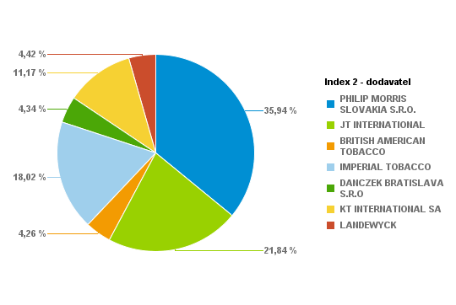
PHILIP MORRIS SLOVAKIA S.R.O. | S74998-58 | L&M Red KS Box 20 (5,60 Eur) K | 274 | 5480 | 1.91% | 1534.4 | 5.6
PHILIP MORRIS SLOVAKIA S.R.O. | S74999-58 | L&M Blue KS Box 20 (5,60 Eur) K | 499 | 9980 | 3.49% | 2794.4 | 5.6
PHILIP MORRIS SLOVAKIA S.R.O. | S75001-58 | Marlboro 100 FWD 20 (6,00 Eur) K | 77 | 1540 | 0.54% | 462 | 6
PHILIP MORRIS SLOVAKIA S.R.O. | S75002-58 | Marlboro Gold Original 100 20(6,00Eur) K | 58 | 1160 | 0.41% | 348 | 6
PHILIP MORRIS SLOVAKIA S.R.O. | S75003-58 | Marlboro Box FWD KS 20(6,00Eur) K | 432 | 8640 | 3.02% | 2592 | 6
PHILIP MORRIS SLOVAKIA S.R.O. | S75004-58 | Marlboro Gold Original KS 20(6,00Eur) K | 698 | 13960 | 4.88% | 4188 | 6
PHILIP MORRIS SLOVAKIA S.R.O. | S75010-58 | L&M 100 Red 20 (5,60 Eur) K | 196 | 3920 | 1.37% | 1097.6 | 5.6
PHILIP MORRIS SLOVAKIA S.R.O. | S75011-58 | L&M 100 Blue 20 (5,60 Eur) K | 213 | 4260 | 1.49% | 1192.8 | 5.6
PHILIP MORRIS SLOVAKIA S.R.O. | S75014-58 | Marlboro Crafted Red KS 20(5,50 Eur) K | 16 | 320 | 0.11% | 88 | 5.5
PHILIP MORRIS SLOVAKIA S.R.O. | S75017-58 | Marlboro Crafted Gold KS 20(5,50 Eur) K | 92 | 1840 | 0.64% | 506 | 5.5
PHILIP MORRIS SLOVAKIA S.R.O. | S75019-60 | Petra Červená by RGD KS 20 (5,50 Eur) K | 261 | 5220 | 1.82% | 1435.5 | 5.5
PHILIP MORRIS SLOVAKIA S.R.O. | S75020-60 | Petra Modrá by RGD KS 20(5,50 Eur) K | 266 | 5320 | 1.86% | 1463 | 5.5
PHILIP MORRIS SLOVAKIA S.R.O. | S75070-58 | L&M Loft Blue KS BOX Slim 20(5,40Eur) K | 332 | 6640 | 2.32% | 1792.8 | 5.4
PHILIP MORRIS SLOVAKIA S.R.O. | S75071-58 | L&M LOFT AQUA KS 20 SLI 20(5,40Eur) K | 110 | 2200 | 0.77% | 594 | 5.4
PHILIP MORRIS SLOVAKIA S.R.O. | S75076-58 | L&M Link Bright 100 SSL (5,60 Eur) K | 127 | 2540 | 0.89% | 711.2 | 5.6
PHILIP MORRIS SLOVAKIA S.R.O. | S75077-58 | Marlboro Crafted Compact KS 20(5,40Eur)K | 58 | 1160 | 0.41% | 313.2 | 5.4
PHILIP MORRIS SLOVAKIA S.R.O. | S75078-58 | L&M Selection RED KS 20(5,40 Eur) K | 15 | 300 | 0.10% | 81 | 5.4
PHILIP MORRIS SLOVAKIA S.R.O. | S75078-59 | L&M Selection RED KS 20(5,00 Eur) K | 14 | 280 | 0.10% | 70 | 5
PHILIP MORRIS SLOVAKIA S.R.O. | S75079-58 | L&M Selection BLUE KS 20(5,40 Eur) K | 15 | 300 | 0.10% | 81 | 5.4
PHILIP MORRIS SLOVAKIA S.R.O. | S75081-58 | RGD Long Blue 20(5,40 Eur) K | 49 | 980 | 0.34% | 264.6 | 5.4
PHILIP MORRIS SLOVAKIA S.R.O. | S75082-57 | LM Loft Blue SSL 100 (5,40 Eur) K | 17 | 340 | 0.12% | 91.8 | 5.4
PHILIP MORRIS SLOVAKIA S.R.O. | S75083-57 | LM Loft Pink SSL 100 (5,40 Eur) K | 63 | 1260 | 0.44% | 340.2 | 5.4
JT INTERNATIONAL | S10330-58 | Winston 100 Classic BOX 20(5,50Eur)K | 294 | 5880 | 2.05% | 1617 | 5.5
JT INTERNATIONAL | S10340-58 | Winston 100 Blue BOX 20(5,50Eur)K | 222 | 4440 | 1.55% | 1221 | 5.5
JT INTERNATIONAL | S10345-58 | Winston 100 Gold Red BOX 20(5,50Eur) K | 61 | 1220 | 0.43% | 335.5 | 5.5
JT INTERNATIONAL | S10346-58 | Winston Gold Red BOX (5,50Eur) K | 9 | 180 | 0.06% | 49.5 | 5.5
JT INTERNATIONAL | S10350-58 | Winston SSL Blue BOX 20(5,50Eur) K | 293 | 5860 | 2.05% | 1611.5 | 5.5
JT INTERNATIONAL | S10360-58 | Winston SSL Silver BOX 20(5,50Eur) K | 192 | 3840 | 1.34% | 1056 | 5.5
JT INTERNATIONAL | S10364-58 | Winston Slims Xpression BOX 20(5,40Eur)K | 124 | 2480 | 0.87% | 669.6 | 5.4
JT INTERNATIONAL | S10366-58 | Winston Xpression Long Slim 20(5,40Eur)K | 187 | 3740 | 1.31% | 1009.8 | 5.4
JT INTERNATIONAL | S10368-58 | Winston SSL Green BOX 20 (5,50 Eur) K | 138 | 2760 | 0.96% | 759 | 5.5
JT INTERNATIONAL | S10369-58 | Winston Compact Long 20(5,40Eur) K | 61 | 1220 | 0.43% | 329.4 | 5.4
JT INTERNATIONAL | S10372-57 | Winston SSL Pink BOX 20(5,50 Eur) K | 10 | 200 | 0.07% | 55 | 5.5
JT INTERNATIONAL | S10380-58 | Camel Yellow BOX 20(5,80Eur) K | 125 | 2500 | 0.87% | 725 | 5.8
JT INTERNATIONAL | S10390-58 | Camel Blue Box 20(5,80Eur) K | 183 | 3660 | 1.28% | 1061.4 | 5.8
JT INTERNATIONAL | S10411-58 | Camel Yellow Soft 20(5,50Eur) K | 151 | 3020 | 1.05% | 830.5 | 5.5
JT INTERNATIONAL | S10412-58 | Camel Blue Soft 20(5,50Eur) K | 191 | 3820 | 1.33% | 1050.5 | 5.5
JT INTERNATIONAL | S10416-58 | Camel Compact Long Slims 20(5,40Eur) K | 35 | 700 | 0.24% | 189 | 5.4
JT INTERNATIONAL | S10417-58 | Camel Compact Long GREEN 20(5,40Eur) K | 102 | 2040 | 0.71% | 550.8 | 5.4
JT INTERNATIONAL | S75047-58 | Winston Classic BOX KS 20(5,50Eur) K | 375 | 7500 | 2.62% | 2062.5 | 5.5
JT INTERNATIONAL | S75048-58 | Winston Blue BOX KS 20(5,50Eur) K | 374 | 7480 | 2.61% | 2057 | 5.5
BRITISH AMERICAN TOBACCO | S10640-58 | Lucky Strike RED 20(5,40 Eur) K | 138 | 2760 | 0.96% | 745.2 | 5.4
BRITISH AMERICAN TOBACCO | S10641-58 | Lucky Strike 100 RED 20(5,40 Eur) K | 63 | 1260 | 0.44% | 340.2 | 5.4
BRITISH AMERICAN TOBACCO | S10658-58 | Lucky Strike Comp.Flow Fil.20(5,40Eur) K | 213 | 4260 | 1.49% | 1150.2 | 5.4
BRITISH AMERICAN TOBACCO | S10683-58 | Lucky Strike Gold Sun 20(5,40 Eur) K | 13 | 260 | 0.09% | 70.2 | 5.4
BRITISH AMERICAN TOBACCO | S10684-58 | Lucky Strike Compact Black (5,40Eur) K | 39 | 780 | 0.27% | 210.6 | 5.4
BRITISH AMERICAN TOBACCO | S10686-58 | Lucky Strike Blue Authentic (5,60Eur) K | 125 | 2500 | 0.87% | 700 | 5.6
BRITISH AMERICAN TOBACCO | S10687-58 | Lucky Strike Red Authentic (5,60Eur) K | 19 | 380 | 0.13% | 106.4 | 5.6
IMPERIAL TOBACCO | S74970-58 | West 100 Red BOX 20 (5,50 Eur) K | 29 | 580 | 0.20% | 159.5 | 5.5
IMPERIAL TOBACCO | S74971-58 | West 100 Silver 20 (5,50 Eur) K | 98 | 1960 | 0.68% | 539 | 5.5
IMPERIAL TOBACCO | S75029-58 | West Red KS BOX (5,50 Eur) K | 123 | 2460 | 0.86% | 676.5 | 5.5
IMPERIAL TOBACCO | S75031-58 | West Silver KS 20 (5,50 Eur) K | 91 | 1820 | 0.64% | 500.5 | 5.5
IMPERIAL TOBACCO | S75032-58 | Mars Soft KS 20 (5,60 Eur) K | 303 | 6060 | 2.12% | 1696.8 | 5.6
IMPERIAL TOBACCO | S75033-58 | West Blue KS (5,50 Eur) K | 62 | 1240 | 0.43% | 341 | 5.5
IMPERIAL TOBACCO | S75043-58 | Davidoff Evolved 100 Red (5,50 Eur) K | 166 | 3320 | 1.16% | 913 | 5.5
IMPERIAL TOBACCO | S75044-58 | Davidoff Evolved 100 Blue (5,50 Eur) K | 165 | 3300 | 1.15% | 907.5 | 5.5
IMPERIAL TOBACCO | S75045-58 | Mars 70 Soft KS 20 (5,60 Eur) K | 55 | 1100 | 0.38% | 308 | 5.6
IMPERIAL TOBACCO | S75064-58 | Jade BLUE by West SSL 20 (5,40 Eur) K | 45 | 900 | 0.31% | 243 | 5.4
IMPERIAL TOBACCO | S75065-58 | Jade ROSE by West SSL 20 (5,40 Eur) K | 70 | 1400 | 0.49% | 378 | 5.4
IMPERIAL TOBACCO | S75089-58 | Davidoff Gold Slim 20(6,50 Eur) K | 127 | 2540 | 0.89% | 825.5 | 6.5
IMPERIAL TOBACCO | S75096-58 | Davidoff Classic 20(6,50 Eur) K | 51 | 1020 | 0.36% | 331.5 | 6.5
IMPERIAL TOBACCO | S75097-58 | Davidoff Gold 20(6,50 Eur) K | 113 | 2260 | 0.79% | 734.5 | 6.5
IMPERIAL TOBACCO | S75098-58 | Davidoff Reshape Black 20 (5,80 Eur) K | 31 | 620 | 0.22% | 179.8 | 5.8
IMPERIAL TOBACCO | S75099-58 | Davidoff Reshape White 20 (5,80 Eur) K | 35 | 700 | 0.24% | 203 | 5.8
IMPERIAL TOBACCO | S76018-58 | Davidoff Reach Blue 20 (5,40Eur) K | 209 | 4180 | 1.46% | 1128.6 | 5.4
IMPERIAL TOBACCO | S76022-59 | Davidoff Evolved RED 20 (5,50 Eur) K | 112 | 2240 | 0.78% | 616 | 5.5
IMPERIAL TOBACCO | S76023-59 | Davidoff Evolved BLUE 20 (5,50 Eur) K | 190 | 3800 | 1.33% | 1045 | 5.5
IMPERIAL TOBACCO | S76024-58 | Davidoff Evolved SSL Silver 20(5,50Eur)K | 53 | 1060 | 0.37% | 291.5 | 5.5
IMPERIAL TOBACCO | S76025-58 | Davidoff Evolved SSL Blue 20(5,50 Eur) K | 217 | 4340 | 1.52% | 1193.5 | 5.5
IMPERIAL TOBACCO | S76028-58 | Davidoff Evolved Air Mist 20(5,50 Eur) K | 47 | 940 | 0.33% | 258.5 | 5.5
IMPERIAL TOBACCO | S76029-58 | Davidoff Evolved Air Mist SSL (5,50Eur)K | 123 | 2460 | 0.86% | 676.5 | 5.5
IMPERIAL TOBACCO | S76031-59 | Davidoff Evo Amethyst KS 20(5,50 Eur) K | 31 | 620 | 0.22% | 170.5 | 5.5
IMPERIAL TOBACCO | S76032-59 | Davidoff Evo Amethyst SSL 20(5,50 Eur) K | 22 | 440 | 0.15% | 121 | 5.5
IMPERIAL TOBACCO | S76033-58 | Davidoff Reach Amethyst 20 (5,40 Eur) K | 2 | 40 | 0.01% | 10.8 | 5.4
IMPERIAL TOBACCO | S76034-58 | Davidoff Reach Air Mist 20(5,40 Eur) K | 10 | 200 | 0.07% | 54 | 5.4
DANCZEK BRATISLAVA S.R.O | S10930-59 | Karelia S 20(5,00 Eur) K | 184 | 3680 | 1.29% | 920 | 5
DANCZEK BRATISLAVA S.R.O | S10940-59 | Karelia M 20(5,00 Eur) K | 57 | 1140 | 0.40% | 285 | 5
DANCZEK BRATISLAVA S.R.O | S10950-59 | Karelia I 20(5,00 Eur) K | 178 | 3560 | 1.24% | 890 | 5
DANCZEK BRATISLAVA S.R.O | S10960-59 | Karelia L 20(5,00 Eur) K | 36 | 720 | 0.25% | 180 | 5
DANCZEK BRATISLAVA S.R.O | S10961-58 | OME SSL SP 20(5,00 Eur) K | 13 | 260 | 0.09% | 65 | 5
DANCZEK BRATISLAVA S.R.O | S10962-58 | OME Yellow SSL SP 20(5,00 Eur) K | 12 | 240 | 0.08% | 60 | 5
DANCZEK BRATISLAVA S.R.O | S10963-58 | OME White SSL SP 20(5,00 Eur) K | 74 | 1480 | 0.52% | 370 | 5
DANCZEK BRATISLAVA S.R.O | S10970-58 | Mark 1 Red 100 20(5,00 Eur) K | 10 | 200 | 0.07% | 50 | 5
DANCZEK BRATISLAVA S.R.O | S10971-58 | Mark 1 Red KS 20(5,00 Eur) K | 13 | 260 | 0.09% | 65 | 5
DANCZEK BRATISLAVA S.R.O | S10972-58 | Mark 1 Gold 100 20(5,00 Eur) K | 44 | 880 | 0.31% | 220 | 5
KT INTERNATIONAL SA | S10800-59 | King Red 20 (5,00 Eur) "K" | 132 | 2640 | 0.92% | 660 | 5
KT INTERNATIONAL SA | S10801-59 | King Blue 20 (5,00Eur) "K" | 245 | 4900 | 1.71% | 1225 | 5
KT INTERNATIONAL SA | S10802-59 | King Red 100 20 (5,00Eur) "K" | 176 | 3520 | 1.23% | 880 | 5
KT INTERNATIONAL SA | S10803-59 | King Blue 100 20 (5,00Eur) "K" | 129 | 2580 | 0.90% | 645 | 5
KT INTERNATIONAL SA | S10804-59 | Corset Mauve (5,10 Eur) "K" | 37 | 740 | 0.26% | 188.7 | 5.1
KT INTERNATIONAL SA | S10804-60 | Corset Lilas (5,10 Eur) "K" | 5 | 100 | 0.03% | 25.5 | 5.1
KT INTERNATIONAL SA | S10805-60 | Corset Pink (5,10 Eur) "K" | 121 | 2420 | 0.85% | 617.1 | 5.1
KT INTERNATIONAL SA | S10811-59 | KING Compact NIMBO 20 (4,90 Eur) "K" | 217 | 4340 | 1.52% | 1063.3 | 4.9
KT INTERNATIONAL SA | S10812-59 | KING Compact STRATO 20 (4,90 Eur) "K" | 145 | 2900 | 1.01% | 710.5 | 4.9
KT INTERNATIONAL SA | S10813-59 | KING Blue SSL (5,00 Eur) "K" | 152 | 3040 | 1.06% | 760 | 5
KT INTERNATIONAL SA | S10814-59 | KING White SSL (5,00 Eur) "K" | 138 | 2760 | 0.96% | 690 | 5
KT INTERNATIONAL SA | S10815-59 | King Silver 100 20 (5,00Eur) "K" | 18 | 360 | 0.13% | 90 | 5
KT INTERNATIONAL SA | S10816-59 | KING Compact STORM 20 (4,90 Eur) "K" | 84 | 1680 | 0.59% | 411.6 | 4.9
LANDEWYCK | S10821-59 | AUSTIN Red 20 (4,90 Eur) "K" | 71 | 1420 | 0.50% | 347.9 | 4.9
LANDEWYCK | S10822-59 | AUSTIN Gold 20 (4,90 Eur) "K" | 198 | 3960 | 1.38% | 970.2 | 4.9
LANDEWYCK | S10823-59 | AUSTIN Red 100 (5,00 Eur) "K" | 205 | 4100 | 1.43% | 1025 | 5
LANDEWYCK | S10824-59 | AUSTIN Gold 100 (5,00 Eur) "K" | 111 | 2220 | 0.78% | 555 | 5
LANDEWYCK | S10825-59 | AUSTIN F-Type KS (4,90 Eur) "K" | 48 | 960 | 0.34% | 235.2 | 4.9
 |  |  |  |  | 100.00%
 |  |  | Súčet: | 286300

1209 | Tesco Skalica

Dodávateľ | Artikl - Klíč | Artikl - Text | Krabičky | Kusy | Percento: | Celkom PC | Koncová cena | Dodávateľ | Krabičky | Kusy | Percento | Celkom
PHILIP MORRIS SLOVAKIA S.R.O. | S74975-58 | L&M Link Pink 100 SSL (5,60 Eur) K | 171 | 3420 | 0.77% | 957.6 | 5.6 | PHILIP MORRIS SLOVAKIA S.R.O. | 6582 | 131640 | 29.82% | 37099.4
PHILIP MORRIS SLOVAKIA S.R.O. | S74976-58 | Marlboro Line Blue 100 20 SSL(6,00Eur) K | 82 | 1640 | 0.37% | 492 | 6 | JT INTERNATIONAL | 6932 | 138640 | 31.40% | 38124.8
PHILIP MORRIS SLOVAKIA S.R.O. | S74977-58 | Marlboro Crafted Red 100 20 (5,50Eur) K | 227 | 4540 | 1.03% | 1248.5 | 5.5 | BRITISH AMERICAN TOBACCO | 774 | 15480 | 3.51% | 4185.8
PHILIP MORRIS SLOVAKIA S.R.O. | S74978-58 | Marlboro Crafted Gold 100 20(5,50Eur) K | 139 | 2780 | 0.63% | 764.5 | 5.5 | IMPERIAL TOBACCO | 2305 | 46100 | 10.44% | 12899.1
PHILIP MORRIS SLOVAKIA S.R.O. | S74983-58 | Marlboro Core Touch FWD 20 (5,90Eur) K | 85 | 1700 | 0.39% | 501.5 | 5.9 | DANCZEK BRATISLAVA S.R.O | 555 | 11100 | 2.51% | 2775
PHILIP MORRIS SLOVAKIA S.R.O. | S74984-58 | Marlboro 3.5 Touch KS BOX 20(5,90Eur) K | 129 | 2580 | 0.58% | 761.1 | 5.9 | KT INTERNATIONAL SA | 2713 | 54260 | 12.29% | 13488.2
PHILIP MORRIS SLOVAKIA S.R.O. | S74985-58 | Marlboro Soft Red KS 20 (5,70 Eur) K | 143 | 2860 | 0.65% | 815.1 | 5.7 | LANDEWYCK | 2215 | 44300 | 10.03% | 10956.5
PHILIP MORRIS SLOVAKIA S.R.O. | S74986-58 | Marlboro Soft Gold KS 20(5,70 Eur) K | 288 | 5760 | 1.30% | 1641.6 | 5.7 |  |  | Percento: | 100.00%
PHILIP MORRIS SLOVAKIA S.R.O. | S74989-58 | L&M Link Blue 100 SSL (5,60 Eur) K | 282 | 5640 | 1.28% | 1579.2 | 5.6
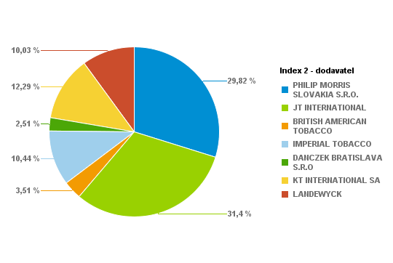
PHILIP MORRIS SLOVAKIA S.R.O. | S74998-58 | L&M Red KS Box 20 (5,60 Eur) K | 554 | 11080 | 2.51% | 3102.4 | 5.6
PHILIP MORRIS SLOVAKIA S.R.O. | S74999-58 | L&M Blue KS Box 20 (5,60 Eur) K | 1179 | 23580 | 5.34% | 6602.4 | 5.6
PHILIP MORRIS SLOVAKIA S.R.O. | S75001-58 | Marlboro 100 FWD 20 (6,00 Eur) K | 38 | 760 | 0.17% | 228 | 6
PHILIP MORRIS SLOVAKIA S.R.O. | S75002-58 | Marlboro Gold Original 100 20(6,00Eur) K | 125 | 2500 | 0.57% | 750 | 6
PHILIP MORRIS SLOVAKIA S.R.O. | S75003-58 | Marlboro Box FWD KS 20(6,00Eur) K | 379 | 7580 | 1.72% | 2274 | 6
PHILIP MORRIS SLOVAKIA S.R.O. | S75004-58 | Marlboro Gold Original KS 20(6,00Eur) K | 397 | 7940 | 1.80% | 2382 | 6
PHILIP MORRIS SLOVAKIA S.R.O. | S75010-58 | L&M 100 Red 20 (5,60 Eur) K | 419 | 8380 | 1.90% | 2346.4 | 5.6
PHILIP MORRIS SLOVAKIA S.R.O. | S75011-58 | L&M 100 Blue 20 (5,60 Eur) K | 384 | 7680 | 1.74% | 2150.4 | 5.6
PHILIP MORRIS SLOVAKIA S.R.O. | S75014-58 | Marlboro Crafted Red KS 20(5,50 Eur) K | 134 | 2680 | 0.61% | 737 | 5.5
PHILIP MORRIS SLOVAKIA S.R.O. | S75017-58 | Marlboro Crafted Gold KS 20(5,50 Eur) K | 74 | 1480 | 0.34% | 407 | 5.5
PHILIP MORRIS SLOVAKIA S.R.O. | S75019-60 | Petra Červená by RGD KS 20 (5,50 Eur) K | 244 | 4880 | 1.11% | 1342 | 5.5
PHILIP MORRIS SLOVAKIA S.R.O. | S75020-60 | Petra Modrá by RGD KS 20(5,50 Eur) K | 205 | 4100 | 0.93% | 1127.5 | 5.5
PHILIP MORRIS SLOVAKIA S.R.O. | S75070-58 | L&M Loft Blue KS BOX Slim 20(5,40Eur) K | 441 | 8820 | 2.00% | 2381.4 | 5.4
PHILIP MORRIS SLOVAKIA S.R.O. | S75071-58 | L&M LOFT AQUA KS 20 SLI 20(5,40Eur) K | 45 | 900 | 0.20% | 243 | 5.4
PHILIP MORRIS SLOVAKIA S.R.O. | S75076-58 | L&M Link Bright 100 SSL (5,60 Eur) K | 58 | 1160 | 0.26% | 324.8 | 5.6
PHILIP MORRIS SLOVAKIA S.R.O. | S75077-58 | Marlboro Crafted Compact KS 20(5,40Eur)K | 38 | 760 | 0.17% | 205.2 | 5.4
PHILIP MORRIS SLOVAKIA S.R.O. | S75078-58 | L&M Selection RED KS 20(5,40 Eur) K | 49 | 980 | 0.22% | 264.6 | 5.4
PHILIP MORRIS SLOVAKIA S.R.O. | S75078-59 | L&M Selection RED KS 20(5,00 Eur) K | 10 | 200 | 0.05% | 50 | 5
PHILIP MORRIS SLOVAKIA S.R.O. | S75079-58 | L&M Selection BLUE KS 20(5,40 Eur) K | 39 | 780 | 0.18% | 210.6 | 5.4
PHILIP MORRIS SLOVAKIA S.R.O. | S75080-58 | RGD Long Red 20(5,40 Eur) K | 23 | 460 | 0.10% | 124.2 | 5.4
PHILIP MORRIS SLOVAKIA S.R.O. | S75081-58 | RGD Long Blue 20(5,40 Eur) K | 86 | 1720 | 0.39% | 464.4 | 5.4
PHILIP MORRIS SLOVAKIA S.R.O. | S75082-57 | LM Loft Blue SSL 100 (5,40 Eur) K | 73 | 1460 | 0.33% | 394.2 | 5.4
PHILIP MORRIS SLOVAKIA S.R.O. | S75083-57 | LM Loft Pink SSL 100 (5,40 Eur) K | 42 | 840 | 0.19% | 226.8 | 5.4
JT INTERNATIONAL | S10330-58 | Winston 100 Classic BOX 20(5,50Eur)K | 644 | 12880 | 2.92% | 3542 | 5.5
JT INTERNATIONAL | S10340-58 | Winston 100 Blue BOX 20(5,50Eur)K | 934 | 18680 | 4.23% | 5137 | 5.5
JT INTERNATIONAL | S10345-58 | Winston 100 Gold Red BOX 20(5,50Eur) K | 439 | 8780 | 1.99% | 2414.5 | 5.5
JT INTERNATIONAL | S10346-58 | Winston Gold Red BOX (5,50Eur) K | 14 | 280 | 0.06% | 77 | 5.5
JT INTERNATIONAL | S10350-58 | Winston SSL Blue BOX 20(5,50Eur) K | 642 | 12840 | 2.91% | 3531 | 5.5
JT INTERNATIONAL | S10360-58 | Winston SSL Silver BOX 20(5,50Eur) K | 392 | 7840 | 1.78% | 2156 | 5.5
JT INTERNATIONAL | S10364-58 | Winston Slims Xpression BOX 20(5,40Eur)K | 277 | 5540 | 1.25% | 1495.8 | 5.4
JT INTERNATIONAL | S10366-58 | Winston Xpression Long Slim 20(5,40Eur)K | 283 | 5660 | 1.28% | 1528.2 | 5.4
JT INTERNATIONAL | S10368-58 | Winston SSL Green BOX 20 (5,50 Eur) K | 113 | 2260 | 0.51% | 621.5 | 5.5
JT INTERNATIONAL | S10369-58 | Winston Compact Long 20(5,40Eur) K | 169 | 3380 | 0.77% | 912.6 | 5.4
JT INTERNATIONAL | S10371-57 | Winston XS Blue KS SSL 20(5,10 Eur)K | 3 | 60 | 0.01% | 15.3 | 5.1
JT INTERNATIONAL | S10372-57 | Winston SSL Pink BOX 20(5,50 Eur) K | 41 | 820 | 0.19% | 225.5 | 5.5
JT INTERNATIONAL | S10380-58 | Camel Yellow BOX 20(5,80Eur) K | 149 | 2980 | 0.67% | 864.2 | 5.8
JT INTERNATIONAL | S10390-58 | Camel Blue Box 20(5,80Eur) K | 149 | 2980 | 0.67% | 864.2 | 5.8
JT INTERNATIONAL | S10411-58 | Camel Yellow Soft 20(5,50Eur) K | 651 | 13020 | 2.95% | 3580.5 | 5.5
JT INTERNATIONAL | S10412-58 | Camel Blue Soft 20(5,50Eur) K | 353 | 7060 | 1.60% | 1941.5 | 5.5
JT INTERNATIONAL | S10416-58 | Camel Compact Long Slims 20(5,40Eur) K | 72 | 1440 | 0.33% | 388.8 | 5.4
JT INTERNATIONAL | S10417-58 | Camel Compact Long GREEN 20(5,40Eur) K | 93 | 1860 | 0.42% | 502.2 | 5.4
JT INTERNATIONAL | S75047-58 | Winston Classic BOX KS 20(5,50Eur) K | 613 | 12260 | 2.78% | 3371.5 | 5.5
JT INTERNATIONAL | S75048-58 | Winston Blue BOX KS 20(5,50Eur) K | 901 | 18020 | 4.08% | 4955.5 | 5.5
BRITISH AMERICAN TOBACCO | S10640-58 | Lucky Strike RED 20(5,40 Eur) K | 293 | 5860 | 1.33% | 1582.2 | 5.4
BRITISH AMERICAN TOBACCO | S10641-58 | Lucky Strike 100 RED 20(5,40 Eur) K | 160 | 3200 | 0.72% | 864 | 5.4
BRITISH AMERICAN TOBACCO | S10658-58 | Lucky Strike Comp.Flow Fil.20(5,40Eur) K | 203 | 4060 | 0.92% | 1096.2 | 5.4
BRITISH AMERICAN TOBACCO | S10683-58 | Lucky Strike Gold Sun 20(5,40 Eur) K | 17 | 340 | 0.08% | 91.8 | 5.4
BRITISH AMERICAN TOBACCO | S10684-58 | Lucky Strike Compact Black (5,40Eur) K | 70 | 1400 | 0.32% | 378 | 5.4
BRITISH AMERICAN TOBACCO | S10686-58 | Lucky Strike Blue Authentic (5,60Eur) K | 25 | 500 | 0.11% | 140 | 5.6
BRITISH AMERICAN TOBACCO | S10687-58 | Lucky Strike Red Authentic (5,60Eur) K | 6 | 120 | 0.03% | 33.6 | 5.6
IMPERIAL TOBACCO | S74970-58 | West 100 Red BOX 20 (5,50 Eur) K | 43 | 860 | 0.19% | 236.5 | 5.5
IMPERIAL TOBACCO | S74971-58 | West 100 Silver 20 (5,50 Eur) K | 33 | 660 | 0.15% | 181.5 | 5.5
IMPERIAL TOBACCO | S75029-58 | West Red KS BOX (5,50 Eur) K | 91 | 1820 | 0.41% | 500.5 | 5.5
IMPERIAL TOBACCO | S75031-58 | West Silver KS 20 (5,50 Eur) K | 37 | 740 | 0.17% | 203.5 | 5.5
IMPERIAL TOBACCO | S75032-58 | Mars Soft KS 20 (5,60 Eur) K | 154 | 3080 | 0.70% | 862.4 | 5.6
IMPERIAL TOBACCO | S75033-58 | West Blue KS (5,50 Eur) K | 50 | 1000 | 0.23% | 275 | 5.5
IMPERIAL TOBACCO | S75043-58 | Davidoff Evolved 100 Red (5,50 Eur) K | 165 | 3300 | 0.75% | 907.5 | 5.5
IMPERIAL TOBACCO | S75044-58 | Davidoff Evolved 100 Blue (5,50 Eur) K | 108 | 2160 | 0.49% | 594 | 5.5
IMPERIAL TOBACCO | S75045-58 | Mars 70 Soft KS 20 (5,60 Eur) K | 96 | 1920 | 0.43% | 537.6 | 5.6
IMPERIAL TOBACCO | S75064-58 | Jade BLUE by West SSL 20 (5,40 Eur) K | 15 | 300 | 0.07% | 81 | 5.4
IMPERIAL TOBACCO | S75065-58 | Jade ROSE by West SSL 20 (5,40 Eur) K | 114 | 2280 | 0.52% | 615.6 | 5.4
IMPERIAL TOBACCO | S75089-58 | Davidoff Gold Slim 20(6,50 Eur) K | 53 | 1060 | 0.24% | 344.5 | 6.5
IMPERIAL TOBACCO | S75096-58 | Davidoff Classic 20(6,50 Eur) K | 22 | 440 | 0.10% | 143 | 6.5
IMPERIAL TOBACCO | S75097-58 | Davidoff Gold 20(6,50 Eur) K | 131 | 2620 | 0.59% | 851.5 | 6.5
IMPERIAL TOBACCO | S75098-58 | Davidoff Reshape Black 20 (5,80 Eur) K | 39 | 780 | 0.18% | 226.2 | 5.8
...
 |  |  |  | Kusy | Percento: | Celkom PC | Koncová cena | Dodávateľ | Krabičky | Kusy | Percento | Celkom
 |  |  |  | 5140 | 1.03% | 1439.2 | 5.6 | PHILIP MORRIS SLOVAKIA S.R.O. | 8802 | 176040 | 35.19% | 49983.7
 |  |  |  | 4320 | 0.86% | 1296 | 6 | JT INTERNATIONAL | 7287 | 145740 | 29.13% | 40070.8
 |  |  |  | 1040 | 0.21% | 286 | 5.5 | BRITISH AMERICAN TOBACCO | 849 | 16980 | 3.39% | 4611.4
 |  |  |  | 1600 | 0.32% | 440 | 5.5 | IMPERIAL TOBACCO | 4522 | 90440 | 18.08% | 25343.2
 |  |  |  | 3660 | 0.73% | 1079.7 | 5.9 | DANCZEK BRATISLAVA S.R.O | 450 | 9000 | 1.80% | 2248.8
 |  |  |  | 1980 | 0.40% | 584.1 | 5.9 | KT INTERNATIONAL SA | 2157 | 43140 | 8.62% | 10761.3
 |  |  |  | 3560 | 0.71% | 1014.6 | 5.7 | LANDEWYCK | 949 | 18980 | 3.79% | 4720.4
 |  |  |  | 11460 | 2.29% | 3266.1 | 5.7 |  |  | Percento: | 100.00%
 |  |  |  | 13240 | 2.65% | 3707.2 | 5.6
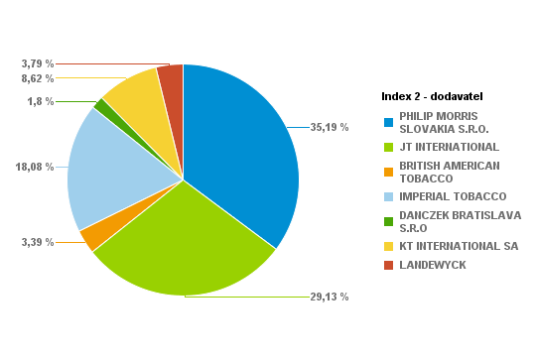
 |  |  |  | 12700 | 2.54% | 3556 | 5.6
 |  |  |  | 15000 | 3.00% | 4200 | 5.6
 |  |  |  | 2640 | 0.53% | 792 | 6
 |  |  |  | 3480 | 0.70% | 1044 | 6
 |  |  |  | 12320 | 2.46% | 3696 | 6
 |  |  |  | 23580 | 4.71% | 7074 | 6
 |  |  |  | 4420 | 0.88% | 1237.6 | 5.6
 |  |  |  | 8320 | 1.66% | 2329.6 | 5.6
 |  |  |  | 720 | 0.14% | 198 | 5.5
 |  |  |  | 1780 | 0.36% | 489.5 | 5.5
 |  |  |  | 7080 | 1.42% | 1947 | 5.5
 |  |  |  | 10980 | 2.19% | 3019.5 | 5.5
 |  |  |  | 13140 | 2.63% | 3547.8 | 5.4
 |  |  |  | 4640 | 0.93% | 1252.8 | 5.4
 |  |  |  | 1460 | 0.29% | 408.8 | 5.6
 |  |  |  | 2060 | 0.41% | 556.2 | 5.4
 |  |  |  | 1120 | 0.22% | 280 | 5
 |  |  |  | 560 | 0.11% | 151.2 | 5.4
 |  |  |  | 180 | 0.04% | 48.6 | 5.4
 |  |  |  | 1580 | 0.32% | 426.6 | 5.4
 |  |  |  | 2000 | 0.40% | 540 | 5.4
 |  |  |  | 280 | 0.06% | 75.6 | 5.4
 |  |  |  | 14280 | 2.85% | 3927 | 5.5
 |  |  |  | 19200 | 3.84% | 5280 | 5.5
 |  |  |  | 10720 | 2.14% | 2948 | 5.5
...
 |  |  |  | Kusy | Percento: | Celkom PC | Koncová cena | Dodávateľ | Krabičky | Kusy | Percento | Celkom
 |  |  |  | 7360 | 1.32% | 2060.8 | 5.6 | PHILIP MORRIS SLOVAKIA S.R.O. | 7930 | 158600 | 28.35% | 45080.1
 |  |  |  | 3060 | 0.55% | 918 | 6 | JT INTERNATIONAL | 9933 | 198660 | 35.52% | 54672.1
 |  |  |  | 3100 | 0.55% | 852.5 | 5.5 | BRITISH AMERICAN TOBACCO | 979 | 19580 | 3.50% | 5310.2
 |  |  |  | 1580 | 0.28% | 434.5 | 5.5 | IMPERIAL TOBACCO | 4232 | 84640 | 15.13% | 23699.6
 |  |  |  | 2560 | 0.46% | 755.2 | 5.9 | DANCZEK BRATISLAVA S.R.O | 556 | 11120 | 1.99% | 2780
 |  |  |  | 2960 | 0.53% | 873.2 | 5.9 | KT INTERNATIONAL SA | 2941 | 58820 | 10.52% | 14663.1
 |  |  |  | 6680 | 1.19% | 1903.8 | 5.7 | LANDEWYCK | 1397 | 27940 | 4.99% | 6914.2
 |  |  |  | 9460 | 1.69% | 2696.1 | 5.7 |  |  | Percento: | 100.00%
 |  |  |  | 12140 | 2.17% | 3399.2 | 5.6
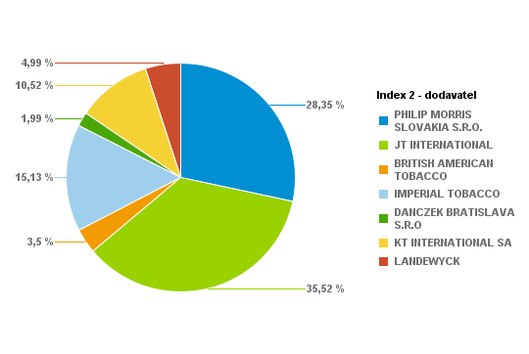
 |  |  |  | 10420 | 1.86% | 2917.6 | 5.6
 |  |  |  | 14380 | 2.57% | 4026.4 | 5.6
 |  |  |  | 4740 | 0.85% | 1422 | 6
 |  |  |  | 2680 | 0.48% | 804 | 6
 |  |  |  | 8640 | 1.54% | 2592 | 6
 |  |  |  | 18660 | 3.34% | 5598 | 6
 |  |  |  | 8220 | 1.47% | 2301.6 | 5.6
 |  |  |  | 9760 | 1.74% | 2732.8 | 5.6
 |  |  |  | 500 | 0.09% | 137.5 | 5.5
 |  |  |  | 1280 | 0.23% | 352 | 5.5
 |  |  |  | 6740 | 1.20% | 1853.5 | 5.5
 |  |  |  | 6080 | 1.09% | 1672 | 5.5
 |  |  |  | 8480 | 1.52% | 2289.6 | 5.4
 |  |  |  | 1720 | 0.31% | 464.4 | 5.4
 |  |  |  | 2540 | 0.45% | 711.2 | 5.6
 |  |  |  | 2260 | 0.40% | 610.2 | 5.4
 |  |  |  | 820 | 0.15% | 221.4 | 5.4
 |  |  |  | 680 | 0.12% | 183.6 | 5.4
 |  |  |  | 60 | 0.01% | 16.2 | 5.4
 |  |  |  | 20 | 0.00% | 5.4 | 5.4
 |  |  |  | 440 | 0.08% | 118.8 | 5.4
 |  |  |  | 580 | 0.10% | 156.6 | 5.4
 |  |  |  | 25580 | 4.57% | 7034.5 | 5.5
 |  |  |  | 26340 | 4.71% | 7243.5 | 5.5
 |  |  |  | 14560 | 2.60% | 4004 | 5.5
...
 |  |  |  | Kusy | Percento: | Celkom PC | Koncová cena | Dodávateľ | Krabičky | Kusy | Percento | Celkom
 |  |  |  | 780 | 0.72% | 218.4 | 5.6 | PHILIP MORRIS SLOVAKIA S.R.O. | 1700 | 34000 | 31.34% | 9799.5
 |  |  |  | 1840 | 1.70% | 552 | 6 | JT INTERNATIONAL | 1528 | 30560 | 28.17% | 8431.5
 |  |  |  | 1260 | 1.16% | 346.5 | 5.5 | BRITISH AMERICAN TOBACCO | 259 | 5180 | 4.78% | 1415.2
 |  |  |  | 680 | 0.63% | 187 | 5.5 | IMPERIAL TOBACCO | 796 | 15920 | 14.68% | 4617.4
 |  |  |  | 280 | 0.26% | 82.6 | 5.9 | DANCZEK BRATISLAVA S.R.O | 492 | 9840 | 9.07% | 2460
 |  |  |  | 1600 | 1.47% | 472 | 5.9 | KT INTERNATIONAL SA | 439 | 8780 | 8.09% | 2206.5
 |  |  |  | 1800 | 1.66% | 513 | 5.7 | LANDEWYCK | 210 | 4200 | 3.87% | 1042.9
 |  |  |  | 4160 | 3.83% | 1185.6 | 5.7 |  |  | Percento: | 100.00%
 |  |  |  | 1640 | 1.51% | 459.2 | 5.6
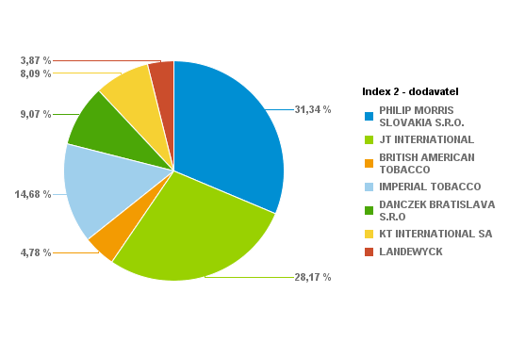
 |  |  |  | 440 | 0.41% | 123.2 | 5.6
 |  |  |  | 980 | 0.90% | 274.4 | 5.6
 |  |  |  | 960 | 0.88% | 288 | 6
 |  |  |  | 260 | 0.24% | 78 | 6
 |  |  |  | 4520 | 4.17% | 1356 | 6
 |  |  |  | 5660 | 5.22% | 1698 | 6
 |  |  |  | 1460 | 1.35% | 408.8 | 5.6
 |  |  |  | 860 | 0.79% | 240.8 | 5.6
 |  |  |  | 180 | 0.17% | 49.5 | 5.5
 |  |  |  | 340 | 0.31% | 93.5 | 5.5
 |  |  |  | 980 | 0.90% | 269.5 | 5.5
 |  |  |  | 980 | 0.90% | 269.5 | 5.5
 |  |  |  | 660 | 0.61% | 178.2 | 5.4
 |  |  |  | 360 | 0.33% | 97.2 | 5.4
 |  |  |  | 380 | 0.35% | 106.4 | 5.6
 |  |  |  | 360 | 0.33% | 97.2 | 5.4
 |  |  |  | 80 | 0.07% | 20 | 5
 |  |  |  | 280 | 0.26% | 75.6 | 5.4
 |  |  |  | 220 | 0.20% | 59.4 | 5.4
 |  |  |  | 2320 | 2.14% | 638 | 5.5
 |  |  |  | 4360 | 4.02% | 1199 | 5.5
 |  |  |  | 2440 | 2.25% | 671 | 5.5
 |  |  |  | 40 | 0.04% | 11 | 5.5
 |  |  |  | 2540 | 2.34% | 698.5 | 5.5
 |  |  |  | 2460 | 2.27% | 676.5 | 5.5
...
 |  |  |  | Kusy | Percento: | Celkom PC | Koncová cena | Dodávateľ | Krabičky | Kusy | Percento | Celkom
 |  |  |  | 6060 | 1.54% | 1696.8 | 5.6 | PHILIP MORRIS SLOVAKIA S.R.O. | 5823 | 116460 | 29.67% | 33482.7
 |  |  |  | 5980 | 1.52% | 1794 | 6 | JT INTERNATIONAL | 5533 | 110660 | 28.19% | 30574.6
 |  |  |  | 1780 | 0.45% | 489.5 | 5.5 | BRITISH AMERICAN TOBACCO | 1231 | 24620 | 6.27% | 6706
 |  |  |  | 1540 | 0.39% | 423.5 | 5.5 | IMPERIAL TOBACCO | 2504 | 50080 | 12.76% | 14194.4
 |  |  |  | 3000 | 0.76% | 885 | 5.9 | DANCZEK BRATISLAVA S.R.O | 1481 | 29620 | 7.54% | 7405
 |  |  |  | 4820 | 1.23% | 1421.9 | 5.9 | KT INTERNATIONAL SA | 2236 | 44720 | 11.39% | 11192.7
 |  |  |  | 2680 | 0.68% | 763.8 | 5.7 | LANDEWYCK | 821 | 16420 | 4.18% | 4066.3
 |  |  |  | 12820 | 3.27% | 3653.7 | 5.7 |  |  | Percento: | 100.00%
 |  |  |  | 7040 | 1.79% | 1971.2 | 5.6
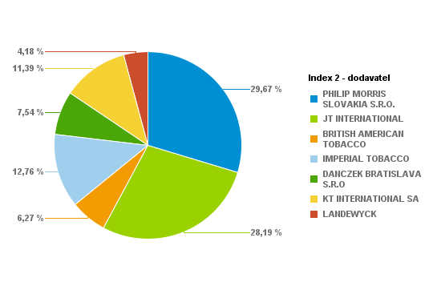
 |  |  |  | 3440 | 0.88% | 963.2 | 5.6
 |  |  |  | 7740 | 1.97% | 2167.2 | 5.6
 |  |  |  | 4840 | 1.23% | 1452 | 6
 |  |  |  | 1800 | 0.46% | 540 | 6
 |  |  |  | 8260 | 2.10% | 2478 | 6
 |  |  |  | 20620 | 5.25% | 6186 | 6
 |  |  |  | 2000 | 0.51% | 560 | 5.6
 |  |  |  | 3120 | 0.79% | 873.6 | 5.6
 |  |  |  | 420 | 0.11% | 115.5 | 5.5
 |  |  |  | 2680 | 0.68% | 737 | 5.5
 |  |  |  | 1480 | 0.38% | 407 | 5.5
 |  |  |  | 2280 | 0.58% | 627 | 5.5
 |  |  |  | 4560 | 1.16% | 1231.2 | 5.4
 |  |  |  | 1840 | 0.47% | 496.8 | 5.4
 |  |  |  | 2060 | 0.52% | 576.8 | 5.6
 |  |  |  | 1120 | 0.29% | 302.4 | 5.4
 |  |  |  | 380 | 0.10% | 102.6 | 5.4
 |  |  |  | 340 | 0.09% | 91.8 | 5.4
 |  |  |  | 320 | 0.08% | 86.4 | 5.4
 |  |  |  | 520 | 0.13% | 140.4 | 5.4
 |  |  |  | 660 | 0.17% | 178.2 | 5.4
 |  |  |  | 260 | 0.07% | 70.2 | 5.4
 |  |  |  | 6060 | 1.54% | 1666.5 | 5.5
 |  |  |  | 15840 | 4.03% | 4356 | 5.5
 |  |  |  | 6280 | 1.60% | 1727 | 5.5
...
 |  |  |  | Kusy | Percento: | Celkom PC | Koncová cena | Dodávateľ | Krabičky | Kusy | Percento | Celkom
 |  |  |  | 1880 | 0.55% | 526.4 | 5.6 | PHILIP MORRIS SLOVAKIA S.R.O. | 5250 | 105000 | 30.77% | 30038.7
 |  |  |  | 2740 | 0.80% | 822 | 6 | JT INTERNATIONAL | 5034 | 100680 | 29.51% | 27743.7
 |  |  |  | 680 | 0.20% | 187 | 5.5 | BRITISH AMERICAN TOBACCO | 836 | 16720 | 4.90% | 4561.4
 |  |  |  | 3840 | 1.13% | 1056 | 5.5 | IMPERIAL TOBACCO | 2466 | 49320 | 14.45% | 13986
 |  |  |  | 1700 | 0.50% | 501.5 | 5.9 | DANCZEK BRATISLAVA S.R.O | 1112 | 22240 | 6.52% | 5560
 |  |  |  | 2000 | 0.59% | 590 | 5.9 | KT INTERNATIONAL SA | 1358 | 27160 | 7.96% | 6798.3
 |  |  |  | 8920 | 2.61% | 2542.2 | 5.7 | LANDEWYCK | 1005 | 20100 | 5.89% | 4976.8
 |  |  |  | 10540 | 3.09% | 3003.9 | 5.7 |  |  | Percento: | 100.00%
 |  |  |  | 3420 | 1.00% | 957.6 | 5.6
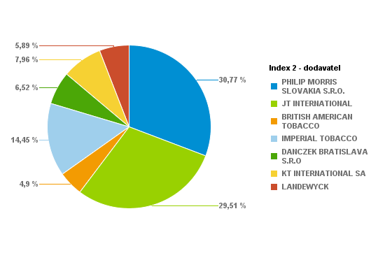
 |  |  |  | 2380 | 0.70% | 666.4 | 5.6
 |  |  |  | 11140 | 3.26% | 3119.2 | 5.6
 |  |  |  | 2680 | 0.79% | 804 | 6
 |  |  |  | 2160 | 0.63% | 648 | 6
 |  |  |  | 10380 | 3.04% | 3114 | 6
 |  |  |  | 12720 | 3.73% | 3816 | 6
 |  |  |  | 2800 | 0.82% | 784 | 5.6
 |  |  |  | 6240 | 1.83% | 1747.2 | 5.6
 |  |  |  | 760 | 0.22% | 209 | 5.5
 |  |  |  | 680 | 0.20% | 187 | 5.5
 |  |  |  | 3720 | 1.09% | 1023 | 5.5
 |  |  |  | 5860 | 1.72% | 1611.5 | 5.5
 |  |  |  | 1400 | 0.41% | 378 | 5.4
 |  |  |  | 660 | 0.19% | 178.2 | 5.4
 |  |  |  | 2760 | 0.81% | 772.8 | 5.6
 |  |  |  | 680 | 0.20% | 183.6 | 5.4
 |  |  |  | 380 | 0.11% | 102.6 | 5.4
 |  |  |  | 580 | 0.17% | 156.6 | 5.4
 |  |  |  | 320 | 0.09% | 86.4 | 5.4
 |  |  |  | 380 | 0.11% | 102.6 | 5.4
 |  |  |  | 600 | 0.18% | 162 | 5.4
 |  |  |  | 8180 | 2.40% | 2249.5 | 5.5
 |  |  |  | 10420 | 3.05% | 2865.5 | 5.5
 |  |  |  | 4260 | 1.25% | 1171.5 | 5.5
 |  |  |  | 1000 | 0.29% | 275 | 5.5
...
 |  |  |  | Kusy | Percento: | Celkom PC | Koncová cena | Dodávateľ | Krabičky | Kusy | Percento | Celkom
 |  |  |  | 4580 | 1.10% | 1282.4 | 5.6 | PHILIP MORRIS SLOVAKIA S.R.O. | 6778 | 135560 | 32.61% | 38567.3
 |  |  |  | 3960 | 0.95% | 1188 | 6 | JT INTERNATIONAL | 5971 | 119420 | 28.73% | 32866.8
 |  |  |  | 1640 | 0.39% | 451 | 5.5 | BRITISH AMERICAN TOBACCO | 644 | 12880 | 3.10% | 3485.8
 |  |  |  | 2400 | 0.58% | 660 | 5.5 | IMPERIAL TOBACCO | 3559 | 71180 | 17.12% | 19856.1
 |  |  |  | 1980 | 0.48% | 584.1 | 5.9 | DANCZEK BRATISLAVA S.R.O | 875 | 17500 | 4.21% | 4375
 |  |  |  | 3180 | 0.77% | 938.1 | 5.9 | KT INTERNATIONAL SA | 1786 | 35720 | 8.59% | 8908.2
 |  |  |  | 5400 | 1.30% | 1539 | 5.7 | LANDEWYCK | 1171 | 23420 | 5.63% | 5813.5
 |  |  |  | 9760 | 2.35% | 2781.6 | 5.7 |  |  | Percento: | 100.00%
 |  |  |  | 6480 | 1.56% | 1814.4 | 5.6
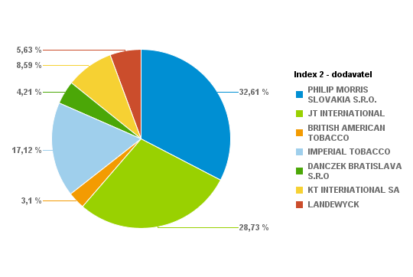
 |  |  |  | 6960 | 1.67% | 1948.8 | 5.6
 |  |  |  | 15520 | 3.73% | 4345.6 | 5.6
 |  |  |  | 3820 | 0.92% | 1146 | 6
 |  |  |  | 3040 | 0.73% | 912 | 6
 |  |  |  | 7880 | 1.90% | 2364 | 6
 |  |  |  | 17140 | 4.12% | 5142 | 6
 |  |  |  | 6420 | 1.54% | 1797.6 | 5.6
 |  |  |  | 6100 | 1.47% | 1708 | 5.6
 |  |  |  | 1280 | 0.31% | 352 | 5.5
 |  |  |  | 2540 | 0.61% | 698.5 | 5.5
 |  |  |  | 3320 | 0.80% | 913 | 5.5
 |  |  |  | 3120 | 0.75% | 858 | 5.5
 |  |  |  | 10640 | 2.56% | 2872.8 | 5.4
 |  |  |  | 1100 | 0.26% | 297 | 5.4
 |  |  |  | 1080 | 0.26% | 302.4 | 5.6
 |  |  |  | 1600 | 0.38% | 432 | 5.4
 |  |  |  | 200 | 0.05% | 54 | 5.4
 |  |  |  | 360 | 0.09% | 90 | 5
 |  |  |  | 1120 | 0.27% | 302.4 | 5.4
 |  |  |  | 120 | 0.03% | 31.2 | 5.2
 |  |  |  | 400 | 0.10% | 108 | 5.4
 |  |  |  | 200 | 0.05% | 54 | 5.4
 |  |  |  | 1080 | 0.26% | 291.6 | 5.4
 |  |  |  | 1140 | 0.27% | 307.8 | 5.4
 |  |  |  | 9840 | 2.37% | 2706 | 5.5
...
 |  |  |  | Kusy | Percento: | Celkom PC | Koncová cena | Dodávateľ | Krabičky | Kusy | Percento | Celkom
 |  |  |  | 2900 | 1.05% | 812 | 5.6 | PHILIP MORRIS SLOVAKIA S.R.O. | 4256 | 85120 | 30.71% | 24088.9
 |  |  |  | 1600 | 0.58% | 480 | 6 | JT INTERNATIONAL | 3773 | 75460 | 27.22% | 20777.3
 |  |  |  | 1500 | 0.54% | 412.5 | 5.5 | BRITISH AMERICAN TOBACCO | 602 | 12040 | 4.34% | 3258.6
 |  |  |  | 2040 | 0.74% | 561 | 5.5 | IMPERIAL TOBACCO | 2621 | 52420 | 18.91% | 14681.9
 |  |  |  | 2440 | 0.88% | 719.8 | 5.9 | DANCZEK BRATISLAVA S.R.O | 468 | 9360 | 3.38% | 2340
 |  |  |  | 1260 | 0.45% | 371.7 | 5.9 | KT INTERNATIONAL SA | 1295 | 25900 | 9.34% | 6456.8
 |  |  |  | 2820 | 1.02% | 803.7 | 5.7 | LANDEWYCK | 844 | 16880 | 6.09% | 4185.4
 |  |  |  | 4820 | 1.74% | 1373.7 | 5.7 |  |  | Percento: | 100.00%
 |  |  |  | 7540 | 2.72% | 2111.2 | 5.6
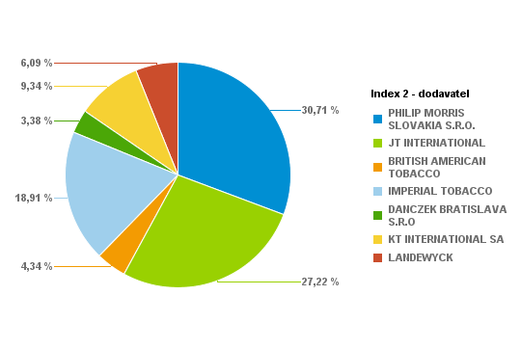
 |  |  |  | 5200 | 1.88% | 1456 | 5.6
 |  |  |  | 8520 | 3.07% | 2385.6 | 5.6
 |  |  |  | 2100 | 0.76% | 630 | 6
 |  |  |  | 840 | 0.30% | 252 | 6
 |  |  |  | 5360 | 1.93% | 1608 | 6
 |  |  |  | 7340 | 2.65% | 2202 | 6
 |  |  |  | 2140 | 0.77% | 599.2 | 5.6
 |  |  |  | 4940 | 1.78% | 1383.2 | 5.6
 |  |  |  | 280 | 0.10% | 77 | 5.5
 |  |  |  | 2740 | 0.99% | 753.5 | 5.5
 |  |  |  | 3260 | 1.18% | 896.5 | 5.5
 |  |  |  | 1500 | 0.54% | 412.5 | 5.5
 |  |  |  | 5560 | 2.01% | 1501.2 | 5.4
 |  |  |  | 2600 | 0.94% | 702 | 5.4
 |  |  |  | 1880 | 0.68% | 526.4 | 5.6
 |  |  |  | 1260 | 0.45% | 340.2 | 5.4
 |  |  |  | 40 | 0.01% | 10.8 | 5.4
 |  |  |  | 200 | 0.07% | 50 | 5
 |  |  |  | 440 | 0.16% | 118.8 | 5.4
 |  |  |  | 80 | 0.03% | 20 | 5
 |  |  |  | 220 | 0.08% | 59.4 | 5.4
 |  |  |  | 420 | 0.15% | 113.4 | 5.4
 |  |  |  | 720 | 0.26% | 194.4 | 5.4
 |  |  |  | 560 | 0.20% | 151.2 | 5.4
 |  |  |  | 7800 | 2.81% | 2145 | 5.5
...
 |  |  |  | Kusy | Percento: | Celkom PC | Koncová cena | Dodávateľ | Krabičky | Kusy | Percento | Celkom
 |  |  |  | 4300 | 0.83% | 1204 | 5.6 | PHILIP MORRIS SLOVAKIA S.R.O. | 7730 | 154600 | 29.78% | 43675.8
 |  |  |  | 2680 | 0.52% | 804 | 6 | JT INTERNATIONAL | 7140 | 142800 | 27.51% | 39234.2
 |  |  |  | 5960 | 1.15% | 1639 | 5.5 | BRITISH AMERICAN TOBACCO | 972 | 19440 | 3.75% | 5254.4
 |  |  |  | 2940 | 0.57% | 808.5 | 5.5 | IMPERIAL TOBACCO | 5170 | 103400 | 19.92% | 28645.3
 |  |  |  | 3400 | 0.66% | 1003 | 5.9 | DANCZEK BRATISLAVA S.R.O | 895 | 17900 | 3.45% | 4475
 |  |  |  | 2440 | 0.47% | 719.8 | 5.9 | KT INTERNATIONAL SA | 1910 | 38200 | 7.36% | 9545.2
 |  |  |  | 4200 | 0.81% | 1197 | 5.7 | LANDEWYCK | 2136 | 42720 | 8.23% | 10579.6
 |  |  |  | 10020 | 1.93% | 2855.7 | 5.7 |  |  | Percento: | 100.00%
 |  |  |  | 9940 | 1.92% | 2783.2 | 5.6
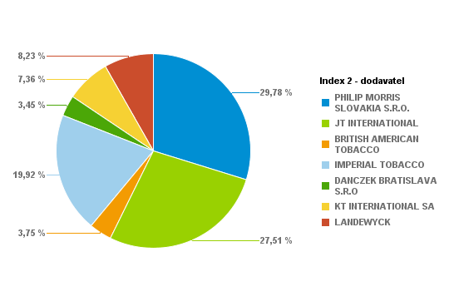
 |  |  |  | 10520 | 2.03% | 2945.6 | 5.6
 |  |  |  | 11080 | 2.13% | 3102.4 | 5.6
 |  |  |  | 4200 | 0.81% | 1260 | 6
 |  |  |  | 3680 | 0.71% | 1104 | 6
 |  |  |  | 7780 | 1.50% | 2334 | 6
 |  |  |  | 12260 | 2.36% | 3678 | 6
 |  |  |  | 5920 | 1.14% | 1657.6 | 5.6
 |  |  |  | 7640 | 1.47% | 2139.2 | 5.6
 |  |  |  | 880 | 0.17% | 242 | 5.5
 |  |  |  | 3300 | 0.64% | 907.5 | 5.5
 |  |  |  | 6500 | 1.25% | 1787.5 | 5.5
 |  |  |  | 10160 | 1.96% | 2794 | 5.5
 |  |  |  | 12660 | 2.44% | 3418.2 | 5.4
 |  |  |  | 3800 | 0.73% | 1026 | 5.4
 |  |  |  | 2900 | 0.56% | 812 | 5.6
 |  |  |  | 1620 | 0.31% | 437.4 | 5.4
 |  |  |  | 60 | 0.01% | 16.2 | 5.4
 |  |  |  | 760 | 0.15% | 190 | 5
 |  |  |  | 260 | 0.05% | 70.2 | 5.4
 |  |  |  | 100 | 0.02% | 27 | 5.4
 |  |  |  | 580 | 0.11% | 156.6 | 5.4
 |  |  |  | 1620 | 0.31% | 437.4 | 5.4
 |  |  |  | 440 | 0.08% | 118.8 | 5.4
 |  |  |  | 12480 | 2.40% | 3432 | 5.5
 |  |  |  | 19200 | 3.70% | 5280 | 5.5
...
 |  |  |  | Kusy | Percento: | Celkom PC | Koncová cena | Dodávateľ | Krabičky | Kusy | Percento | Celkom
 |  |  |  | 1800 | 0.47% | 504 | 5.6 | PHILIP MORRIS SLOVAKIA S.R.O. | 5564 | 111280 | 29.32% | 31739.2
 |  |  |  | 3620 | 0.95% | 1086 | 6 | JT INTERNATIONAL | 4718 | 94360 | 24.86% | 25945
 |  |  |  | 1760 | 0.46% | 484 | 5.5 | BRITISH AMERICAN TOBACCO | 687 | 13740 | 3.62% | 3730.2
 |  |  |  | 3960 | 1.04% | 1089 | 5.5 | IMPERIAL TOBACCO | 3274 | 65480 | 17.25% | 18614.8
 |  |  |  | 1080 | 0.28% | 318.6 | 5.9 | DANCZEK BRATISLAVA S.R.O | 334 | 6680 | 1.76% | 1670
 |  |  |  | 8100 | 2.13% | 2389.5 | 5.9 | KT INTERNATIONAL SA | 2614 | 52280 | 13.78% | 13075.7
 |  |  |  | 6800 | 1.79% | 1938 | 5.7 | LANDEWYCK | 1785 | 35700 | 9.41% | 8798.7
 |  |  |  | 6280 | 1.65% | 1789.8 | 5.7 |  |  | Percento: | 100.00%
 |  |  |  | 3020 | 0.80% | 845.6 | 5.6
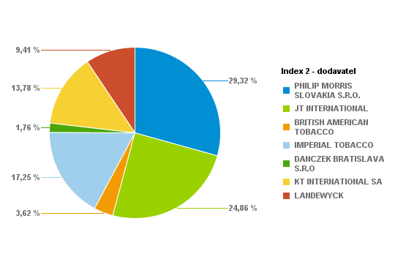
 |  |  |  | 5740 | 1.51% | 1607.2 | 5.6
 |  |  |  | 10780 | 2.84% | 3018.4 | 5.6
 |  |  |  | 6260 | 1.65% | 1878 | 6
 |  |  |  | 2680 | 0.71% | 804 | 6
 |  |  |  | 4520 | 1.19% | 1356 | 6
 |  |  |  | 13140 | 3.46% | 3942 | 6
 |  |  |  | 2860 | 0.75% | 800.8 | 5.6
 |  |  |  | 2800 | 0.74% | 784 | 5.6
 |  |  |  | 1780 | 0.47% | 489.5 | 5.5
 |  |  |  | 1440 | 0.38% | 396 | 5.5
 |  |  |  | 4560 | 1.20% | 1254 | 5.5
 |  |  |  | 4320 | 1.14% | 1188 | 5.5
 |  |  |  | 3960 | 1.04% | 1069.2 | 5.4
 |  |  |  | 1260 | 0.33% | 340.2 | 5.4
 |  |  |  | 1180 | 0.31% | 330.4 | 5.6
 |  |  |  | 4900 | 1.29% | 1323 | 5.4
 |  |  |  | 480 | 0.13% | 120 | 5
 |  |  |  | 840 | 0.22% | 226.8 | 5.4
 |  |  |  | 60 | 0.02% | 16.2 | 5.4
 |  |  |  | 520 | 0.14% | 140.4 | 5.4
 |  |  |  | 700 | 0.18% | 189 | 5.4
 |  |  |  | 80 | 0.02% | 21.6 | 5.4
 |  |  |  | 3440 | 0.91% | 946 | 5.5
 |  |  |  | 10480 | 2.76% | 2882 | 5.5
 |  |  |  | 3020 | 0.80% | 830.5 | 5.5
...
 |  |  |  | Kusy | Percento: | Celkom PC | Koncová cena | Dodávateľ | Krabičky | Kusy | Percento | Celkom
 |  |  |  | 1620 | 0.75% | 453.6 | 5.6 | PHILIP MORRIS SLOVAKIA S.R.O. | 2999 | 59980 | 27.78% | 16967.6
 |  |  |  | 360 | 0.17% | 108 | 6 | JT INTERNATIONAL | 3332 | 66640 | 30.86% | 18373.7
 |  |  |  | 1340 | 0.62% | 368.5 | 5.5 | BRITISH AMERICAN TOBACCO | 423 | 8460 | 3.92% | 2292.2
 |  |  |  | 900 | 0.42% | 247.5 | 5.5 | IMPERIAL TOBACCO | 1949 | 38980 | 18.05% | 10842.2
 |  |  |  | 500 | 0.23% | 147.5 | 5.9 | DANCZEK BRATISLAVA S.R.O | 642 | 12840 | 5.95% | 3210
 |  |  |  | 1340 | 0.62% | 395.3 | 5.9 | KT INTERNATIONAL SA | 754 | 15080 | 6.98% | 3759
 |  |  |  | 2340 | 1.08% | 666.9 | 5.7 | LANDEWYCK | 698 | 13960 | 6.46% | 3466.8
 |  |  |  | 4900 | 2.27% | 1396.5 | 5.7 |  |  | Percento: | 100.00%
 |  |  |  | 3420 | 1.58% | 957.6 | 5.6
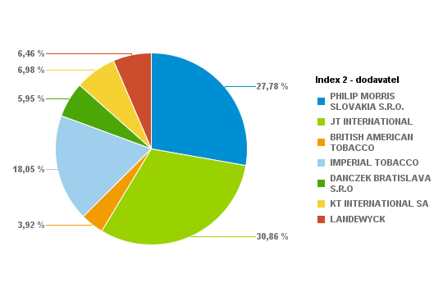
 |  |  |  | 4360 | 2.02% | 1220.8 | 5.6
 |  |  |  | 4760 | 2.20% | 1332.8 | 5.6
 |  |  |  | 1100 | 0.51% | 330 | 6
 |  |  |  | 700 | 0.32% | 210 | 6
 |  |  |  | 4720 | 2.19% | 1416 | 6
 |  |  |  | 6280 | 2.91% | 1884 | 6
 |  |  |  | 2780 | 1.29% | 778.4 | 5.6
 |  |  |  | 2300 | 1.07% | 644 | 5.6
 |  |  |  | 300 | 0.14% | 82.5 | 5.5
 |  |  |  | 340 | 0.16% | 93.5 | 5.5
 |  |  |  | 1200 | 0.56% | 330 | 5.5
 |  |  |  | 2760 | 1.28% | 759 | 5.5
 |  |  |  | 5620 | 2.60% | 1517.4 | 5.4
 |  |  |  | 440 | 0.20% | 118.8 | 5.4
 |  |  |  | 1060 | 0.49% | 296.8 | 5.6
 |  |  |  | 660 | 0.31% | 178.2 | 5.4
 |  |  |  | 400 | 0.19% | 100 | 5
 |  |  |  | 720 | 0.33% | 194.4 | 5.4
 |  |  |  | 280 | 0.13% | 70 | 5
 |  |  |  | 260 | 0.12% | 70.2 | 5.4
 |  |  |  | 400 | 0.19% | 108 | 5.4
 |  |  |  | 320 | 0.15% | 86.4 | 5.4
 |  |  |  | 1500 | 0.69% | 405 | 5.4
 |  |  |  | 4960 | 2.30% | 1364 | 5.5
 |  |  |  | 5960 | 2.76% | 1639 | 5.5
...
 |  |  |  | Kusy | Percento: | Celkom PC | Koncová cena | Dodávateľ | Krabičky | Kusy | Percento | Celkom
 |  |  |  | 6720 | 1.25% | 1881.6 | 5.6 | PHILIP MORRIS SLOVAKIA S.R.O. | 7578 | 151560 | 28.18% | 43124.5
 |  |  |  | 4460 | 0.83% | 1338 | 6 | JT INTERNATIONAL | 9137 | 182740 | 33.98% | 50264.6
 |  |  |  | 1840 | 0.34% | 506 | 5.5 | BRITISH AMERICAN TOBACCO | 925 | 18500 | 3.44% | 5026.6
 |  |  |  | 2780 | 0.52% | 764.5 | 5.5 | IMPERIAL TOBACCO | 3610 | 72200 | 13.42% | 20099.3
 |  |  |  | 2120 | 0.39% | 625.4 | 5.9 | DANCZEK BRATISLAVA S.R.O | 982 | 19640 | 3.65% | 4910
 |  |  |  | 4300 | 0.80% | 1268.5 | 5.9 | KT INTERNATIONAL SA | 2923 | 58460 | 10.87% | 14542.7
 |  |  |  | 4820 | 0.90% | 1373.7 | 5.7 | LANDEWYCK | 1738 | 34760 | 6.46% | 8616.4
 |  |  |  | 12540 | 2.33% | 3573.9 | 5.7 |  |  | Percento: | 100.00%
 |  |  |  | 9340 | 1.74% | 2615.2 | 5.6
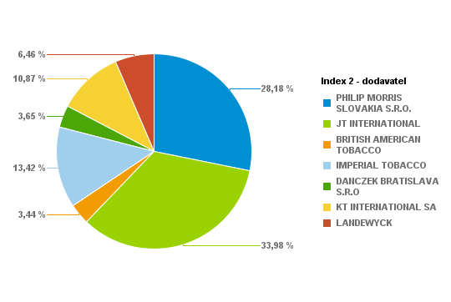
 |  |  |  | 8220 | 1.53% | 2301.6 | 5.6
 |  |  |  | 16660 | 3.10% | 4664.8 | 5.6
 |  |  |  | 2040 | 0.38% | 612 | 6
 |  |  |  | 2600 | 0.48% | 780 | 6
 |  |  |  | 12340 | 2.29% | 3702 | 6
 |  |  |  | 16000 | 2.97% | 4800 | 6
 |  |  |  | 8780 | 1.63% | 2458.4 | 5.6
 |  |  |  | 7560 | 1.41% | 2116.8 | 5.6
 |  |  |  | 1920 | 0.36% | 528 | 5.5
 |  |  |  | 2380 | 0.44% | 654.5 | 5.5
 |  |  |  | 3900 | 0.73% | 1072.5 | 5.5
 |  |  |  | 2700 | 0.50% | 742.5 | 5.5
 |  |  |  | 9300 | 1.73% | 2511 | 5.4
 |  |  |  | 2720 | 0.51% | 734.4 | 5.4
 |  |  |  | 880 | 0.16% | 246.4 | 5.6
 |  |  |  | 1100 | 0.20% | 297 | 5.4
 |  |  |  | 800 | 0.15% | 216 | 5.4
 |  |  |  | 560 | 0.10% | 151.2 | 5.4
 |  |  |  | 520 | 0.10% | 140.4 | 5.4
 |  |  |  | 180 | 0.03% | 48.6 | 5.4
 |  |  |  | 1480 | 0.28% | 399.6 | 5.4
 |  |  |  | 17780 | 3.31% | 4889.5 | 5.5
 |  |  |  | 25980 | 4.83% | 7144.5 | 5.5
 |  |  |  | 16800 | 3.12% | 4620 | 5.5
 |  |  |  | 120 | 0.02% | 33 | 5.5
...
 |  |  |  | Kusy | Percento: | Celkom PC | Koncová cena | Dodávateľ | Krabičky | Kusy | Percento | Celkom
 |  |  |  | 520 | 0.41% | 145.6 | 5.6 | PHILIP MORRIS SLOVAKIA S.R.O. | 2080 | 41600 | 32.94% | 11764.1
 |  |  |  | 900 | 0.71% | 270 | 6 | JT INTERNATIONAL | 1425 | 28500 | 22.57% | 7827.7
 |  |  |  | 740 | 0.59% | 203.5 | 5.5 | BRITISH AMERICAN TOBACCO | 232 | 4640 | 3.67% | 1260.2
 |  |  |  | 800 | 0.63% | 220 | 5.5 | IMPERIAL TOBACCO | 1041 | 20820 | 16.49% | 5740.5
 |  |  |  | 1140 | 0.90% | 336.3 | 5.9 | DANCZEK BRATISLAVA S.R.O | 190 | 3800 | 3.01% | 950
 |  |  |  | 1820 | 1.44% | 536.9 | 5.9 | KT INTERNATIONAL SA | 725 | 14500 | 11.48% | 3609.2
 |  |  |  | 2200 | 1.74% | 627 | 5.7 | LANDEWYCK | 621 | 12420 | 9.84% | 3061.8
 |  |  |  | 2500 | 1.98% | 712.5 | 5.7 |  |  | Percento: | 100.00%
 |  |  |  | 1240 | 0.98% | 347.2 | 5.6
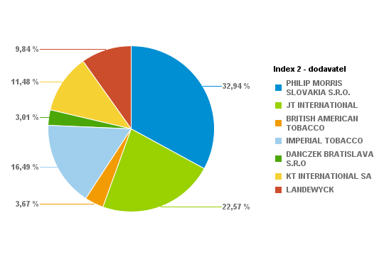
 |  |  |  | 2100 | 1.66% | 588 | 5.6
 |  |  |  | 3240 | 2.57% | 907.2 | 5.6
 |  |  |  | 380 | 0.30% | 114 | 6
 |  |  |  | 240 | 0.19% | 72 | 6
 |  |  |  | 2020 | 1.60% | 606 | 6
 |  |  |  | 3880 | 3.07% | 1164 | 6
 |  |  |  | 1580 | 1.25% | 442.4 | 5.6
 |  |  |  | 4500 | 3.56% | 1260 | 5.6
 |  |  |  | 300 | 0.24% | 82.5 | 5.5
 |  |  |  | 1180 | 0.93% | 324.5 | 5.5
 |  |  |  | 2860 | 2.26% | 786.5 | 5.5
 |  |  |  | 1920 | 1.52% | 528 | 5.5
 |  |  |  | 2480 | 1.96% | 669.6 | 5.4
 |  |  |  | 640 | 0.51% | 172.8 | 5.4
 |  |  |  | 340 | 0.27% | 95.2 | 5.6
 |  |  |  | 1180 | 0.93% | 318.6 | 5.4
 |  |  |  | 20 | 0.02% | 5.4 | 5.4
 |  |  |  | 400 | 0.32% | 100 | 5
 |  |  |  | 80 | 0.06% | 20.4 | 5.1
 |  |  |  | 80 | 0.06% | 21.6 | 5.4
 |  |  |  | 260 | 0.21% | 70.2 | 5.4
 |  |  |  | 60 | 0.05% | 16.2 | 5.4
 |  |  |  | 1400 | 1.11% | 385 | 5.5
 |  |  |  | 2840 | 2.25% | 781 | 5.5
 |  |  |  | 2180 | 1.73% | 599.5 | 5.5
...
 |  |  |  | Kusy | Percento: | Celkom PC | Koncová cena | Dodávateľ | Krabičky | Kusy | Percento | Celkom
 |  |  |  | 1520 | 0.45% | 425.6 | 5.6 | PHILIP MORRIS SLOVAKIA S.R.O. | 5690 | 113800 | 33.80% | 32227.2
 |  |  |  | 1100 | 0.33% | 330 | 6 | JT INTERNATIONAL | 3249 | 64980 | 19.30% | 17877
 |  |  |  | 4720 | 1.40% | 1298 | 5.5 | BRITISH AMERICAN TOBACCO | 716 | 14320 | 4.25% | 3875.2
 |  |  |  | 3500 | 1.04% | 962.5 | 5.5 | IMPERIAL TOBACCO | 3321 | 66420 | 19.73% | 18403.2
 |  |  |  | 2220 | 0.66% | 654.9 | 5.9 | DANCZEK BRATISLAVA S.R.O | 406 | 8120 | 2.41% | 2030
 |  |  |  | 6860 | 2.04% | 2023.7 | 5.9 | KT INTERNATIONAL SA | 2146 | 42920 | 12.75% | 10702.8
 |  |  |  | 2540 | 0.75% | 723.9 | 5.7 | LANDEWYCK | 1307 | 26140 | 7.76% | 6456.9
 |  |  |  | 9560 | 2.84% | 2724.6 | 5.7 |  |  | Percento: | 100.00%
 |  |  |  | 4220 | 1.25% | 1181.6 | 5.6
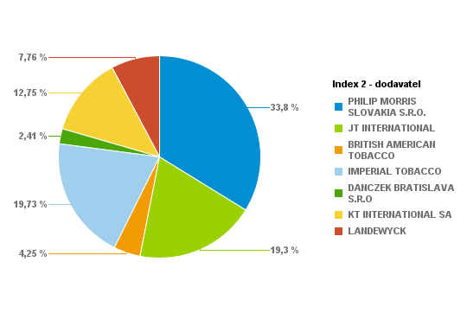
 |  |  |  | 3780 | 1.12% | 1058.4 | 5.6
 |  |  |  | 10080 | 2.99% | 2822.4 | 5.6
 |  |  |  | 1920 | 0.57% | 576 | 6
 |  |  |  | 2940 | 0.87% | 882 | 6
 |  |  |  | 5880 | 1.75% | 1764 | 6
 |  |  |  | 10800 | 3.21% | 3240 | 6
 |  |  |  | 3380 | 1.00% | 946.4 | 5.6
 |  |  |  | 7220 | 2.14% | 2021.6 | 5.6
 |  |  |  | 1100 | 0.33% | 302.5 | 5.5
 |  |  |  | 1320 | 0.39% | 363 | 5.5
 |  |  |  | 2680 | 0.80% | 737 | 5.5
 |  |  |  | 5180 | 1.54% | 1424.5 | 5.5
 |  |  |  | 7660 | 2.28% | 2068.2 | 5.4
 |  |  |  | 4680 | 1.39% | 1263.6 | 5.4
 |  |  |  | 2620 | 0.78% | 733.6 | 5.6
 |  |  |  | 3640 | 1.08% | 982.8 | 5.4
 |  |  |  | 280 | 0.08% | 75.6 | 5.4
 |  |  |  | 360 | 0.11% | 90 | 5
 |  |  |  | 620 | 0.18% | 167.4 | 5.4
 |  |  |  | 260 | 0.08% | 70.2 | 5.4
 |  |  |  | 920 | 0.27% | 248.4 | 5.4
 |  |  |  | 240 | 0.07% | 64.8 | 5.4
 |  |  |  | 5460 | 1.62% | 1501.5 | 5.5
 |  |  |  | 5080 | 1.51% | 1397 | 5.5
 |  |  |  | 2720 | 0.81% | 748 | 5.5
...
 |  |  |  | Kusy | Percento: | Celkom PC | Koncová cena | Dodávateľ | Krabičky | Kusy | Percento | Celkom
 |  |  |  | 1920 | 0.99% | 537.6 | 5.6 | PHILIP MORRIS SLOVAKIA S.R.O. | 2320 | 46400 | 23.92% | 13229.2
 |  |  |  | 1700 | 0.88% | 510 | 6 | JT INTERNATIONAL | 2601 | 52020 | 26.82% | 14320.1
 |  |  |  | 1420 | 0.73% | 390.5 | 5.5 | BRITISH AMERICAN TOBACCO | 400 | 8000 | 4.12% | 2167
 |  |  |  | 720 | 0.37% | 198 | 5.5 | IMPERIAL TOBACCO | 1472 | 29440 | 15.18% | 8357.4
 |  |  |  | 980 | 0.51% | 289.1 | 5.9 | DANCZEK BRATISLAVA S.R.O | 836 | 16720 | 8.62% | 4180
 |  |  |  | 1840 | 0.95% | 542.8 | 5.9 | KT INTERNATIONAL SA | 1123 | 22460 | 11.58% | 5625.9
 |  |  |  | 2520 | 1.30% | 718.2 | 5.7 | LANDEWYCK | 946 | 18920 | 9.75% | 4682.8
 |  |  |  | 4400 | 2.27% | 1254 | 5.7 |  |  | Percento: | 100.00%
 |  |  |  | 2080 | 1.07% | 582.4 | 5.6
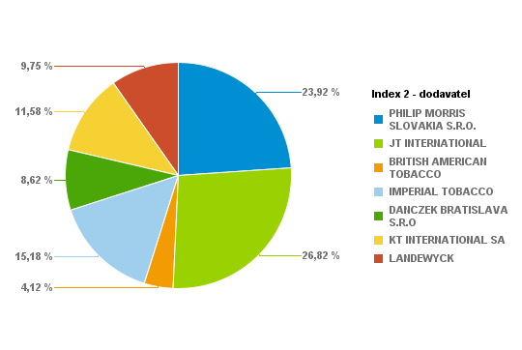
 |  |  |  | 2140 | 1.10% | 599.2 | 5.6
 |  |  |  | 3840 | 1.98% | 1075.2 | 5.6
 |  |  |  | 620 | 0.32% | 186 | 6
 |  |  |  | 600 | 0.31% | 180 | 6
 |  |  |  | 3240 | 1.67% | 972 | 6
 |  |  |  | 6400 | 3.30% | 1920 | 6
 |  |  |  | 1140 | 0.59% | 319.2 | 5.6
 |  |  |  | 1660 | 0.86% | 464.8 | 5.6
 |  |  |  | 300 | 0.15% | 82.5 | 5.5
 |  |  |  | 340 | 0.18% | 93.5 | 5.5
 |  |  |  | 500 | 0.26% | 137.5 | 5.5
 |  |  |  | 1020 | 0.53% | 280.5 | 5.5
 |  |  |  | 1600 | 0.82% | 432 | 5.4
 |  |  |  | 1260 | 0.65% | 340.2 | 5.4
 |  |  |  | 1520 | 0.78% | 425.6 | 5.6
 |  |  |  | 660 | 0.34% | 178.2 | 5.4
 |  |  |  | 240 | 0.12% | 60 | 5
 |  |  |  | 480 | 0.25% | 120 | 5
 |  |  |  | 260 | 0.13% | 70.2 | 5.4
 |  |  |  | 460 | 0.24% | 124.2 | 5.4
 |  |  |  | 120 | 0.06% | 32.4 | 5.4
 |  |  |  | 420 | 0.22% | 113.4 | 5.4
 |  |  |  | 1520 | 0.78% | 418 | 5.5
 |  |  |  | 4960 | 2.56% | 1364 | 5.5
 |  |  |  | 5000 | 2.58% | 1375 | 5.5
...
 |  |  |  | Kusy | Percento: | Celkom PC | Koncová cena | Dodávateľ | Krabičky | Kusy | Percento | Celkom
 |  |  |  | 2380 | 1.41% | 666.4 | 5.6 | PHILIP MORRIS SLOVAKIA S.R.O. | 2605 | 52100 | 30.89% | 14734.7
 |  |  |  | 980 | 0.58% | 294 | 6 | JT INTERNATIONAL | 2741 | 54820 | 32.51% | 15079.7
 |  |  |  | 2040 | 1.21% | 561 | 5.5 | BRITISH AMERICAN TOBACCO | 470 | 9400 | 5.57% | 2544
 |  |  |  | 700 | 0.42% | 192.5 | 5.5 | IMPERIAL TOBACCO | 1457 | 29140 | 17.28% | 8088.2
 |  |  |  | 480 | 0.28% | 141.6 | 5.9 | DANCZEK BRATISLAVA S.R.O | 417 | 8340 | 4.95% | 2085
 |  |  |  | 2260 | 1.34% | 666.7 | 5.9 | KT INTERNATIONAL SA | 459 | 9180 | 5.44% | 2294.8
 |  |  |  | 1140 | 0.68% | 324.9 | 5.7 | LANDEWYCK | 283 | 5660 | 3.36% | 1398.5
 |  |  |  | 3180 | 1.89% | 906.3 | 5.7 |  |  | Percento: | 100.00%
 |  |  |  | 4120 | 2.44% | 1153.6 | 5.6
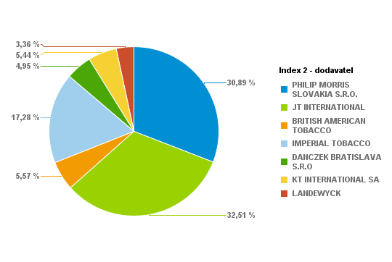
 |  |  |  | 3300 | 1.96% | 924 | 5.6
 |  |  |  | 4980 | 2.95% | 1394.4 | 5.6
 |  |  |  | 820 | 0.49% | 246 | 6
 |  |  |  | 280 | 0.17% | 84 | 6
 |  |  |  | 2580 | 1.53% | 774 | 6
 |  |  |  | 4780 | 2.83% | 1434 | 6
 |  |  |  | 1420 | 0.84% | 397.6 | 5.6
 |  |  |  | 4600 | 2.73% | 1288 | 5.6
 |  |  |  | 260 | 0.15% | 71.5 | 5.5
 |  |  |  | 780 | 0.46% | 214.5 | 5.5
 |  |  |  | 1720 | 1.02% | 473 | 5.5
 |  |  |  | 2060 | 1.22% | 566.5 | 5.5
 |  |  |  | 3360 | 1.99% | 907.2 | 5.4
 |  |  |  | 1580 | 0.94% | 426.6 | 5.4
 |  |  |  | 540 | 0.32% | 151.2 | 5.6
 |  |  |  | 620 | 0.37% | 167.4 | 5.4
 |  |  |  | 60 | 0.04% | 16.2 | 5.4
 |  |  |  | 100 | 0.06% | 27 | 5.4
 |  |  |  | 340 | 0.20% | 91.8 | 5.4
 |  |  |  | 40 | 0.02% | 10.8 | 5.4
 |  |  |  | 260 | 0.15% | 70.2 | 5.4
 |  |  |  | 340 | 0.20% | 91.8 | 5.4
 |  |  |  | 3900 | 2.31% | 1072.5 | 5.5
 |  |  |  | 5880 | 3.49% | 1617 | 5.5
 |  |  |  | 5560 | 3.30% | 1529 | 5.5
...
 |  |  |  | Kusy | Percento: | Celkom PC | Koncová cena | Dodávateľ | Krabičky | Kusy | Percento | Celkom
 |  |  |  | 320 | 0.41% | 89.6 | 5.6 | PHILIP MORRIS SLOVAKIA S.R.O. | 1411 | 28220 | 35.76% | 8054.7
 |  |  |  | 560 | 0.71% | 168 | 6 | JT INTERNATIONAL | 1043 | 20860 | 26.43% | 5752.4
 |  |  |  | 880 | 1.12% | 242 | 5.5 | BRITISH AMERICAN TOBACCO | 174 | 3480 | 4.41% | 942.6
 |  |  |  | 160 | 0.20% | 44 | 5.5 | IMPERIAL TOBACCO | 729 | 14580 | 18.47% | 4089.2
 |  |  |  | 180 | 0.23% | 53.1 | 5.9 | DANCZEK BRATISLAVA S.R.O | 253 | 5060 | 6.41% | 1265
 |  |  |  | 760 | 0.96% | 224.2 | 5.9 | KT INTERNATIONAL SA | 151 | 3020 | 3.83% | 750.7
 |  |  |  | 1300 | 1.65% | 370.5 | 5.7 | LANDEWYCK | 185 | 3700 | 4.69% | 918.7
 |  |  |  | 1800 | 2.28% | 513 | 5.7 |  |  | Percento: | 100.00%
 |  |  |  | 1740 | 2.20% | 487.2 | 5.6
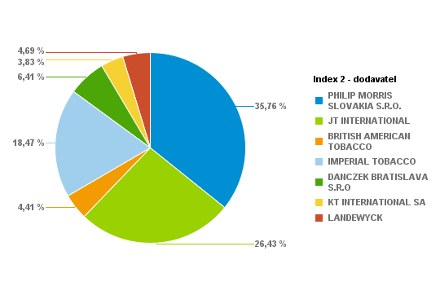
 |  |  |  | 1280 | 1.62% | 358.4 | 5.6
 |  |  |  | 3520 | 4.46% | 985.6 | 5.6
 |  |  |  | 480 | 0.61% | 144 | 6
 |  |  |  | 860 | 1.09% | 258 | 6
 |  |  |  | 2000 | 2.53% | 600 | 6
 |  |  |  | 5180 | 6.56% | 1554 | 6
 |  |  |  | 280 | 0.35% | 78.4 | 5.6
 |  |  |  | 900 | 1.14% | 252 | 5.6
 |  |  |  | 600 | 0.76% | 165 | 5.5
 |  |  |  | 680 | 0.86% | 187 | 5.5
 |  |  |  | 1180 | 1.50% | 324.5 | 5.5
 |  |  |  | 1140 | 1.44% | 307.8 | 5.4
 |  |  |  | 680 | 0.86% | 183.6 | 5.4
 |  |  |  | 460 | 0.58% | 128.8 | 5.6
 |  |  |  | 240 | 0.30% | 64.8 | 5.4
 |  |  |  | 480 | 0.61% | 120 | 5
 |  |  |  | 300 | 0.38% | 81 | 5.4
 |  |  |  | 100 | 0.13% | 27 | 5.4
 |  |  |  | 160 | 0.20% | 43.2 | 5.4
 |  |  |  | 800 | 1.01% | 220 | 5.5
 |  |  |  | 2160 | 2.74% | 594 | 5.5
 |  |  |  | 1120 | 1.42% | 308 | 5.5
 |  |  |  | 2840 | 3.60% | 781 | 5.5
 |  |  |  | 2280 | 2.89% | 627 | 5.5
 |  |  |  | 100 | 0.13% | 27 | 5.4
...
 |  |  |  | Kusy | Percento: | Celkom PC | Koncová cena | Dodávateľ | Krabičky | Kusy | Percento | Celkom
 |  |  |  | 3420 | 0.77% | 957.6 | 5.6 | PHILIP MORRIS SLOVAKIA S.R.O. | 6296 | 125920 | 28.26% | 35707.6
 |  |  |  | 2020 | 0.45% | 606 | 6 | JT INTERNATIONAL | 7366 | 147320 | 33.06% | 40491.2
 |  |  |  | 3900 | 0.88% | 1072.5 | 5.5 | BRITISH AMERICAN TOBACCO | 724 | 14480 | 3.25% | 3920.6
 |  |  |  | 2160 | 0.48% | 594 | 5.5 | IMPERIAL TOBACCO | 3885 | 77700 | 17.44% | 21655.5
 |  |  |  | 4140 | 0.93% | 1221.3 | 5.9 | DANCZEK BRATISLAVA S.R.O | 546 | 10920 | 2.45% | 2730
 |  |  |  | 2720 | 0.61% | 802.4 | 5.9 | KT INTERNATIONAL SA | 2330 | 46600 | 10.46% | 11598.1
 |  |  |  | 4380 | 0.98% | 1248.3 | 5.7 | LANDEWYCK | 1135 | 22700 | 5.09% | 5616.5
 |  |  |  | 8660 | 1.94% | 2468.1 | 5.7 |  |  | Percento: | 100.00%
 |  |  |  | 5240 | 1.18% | 1467.2 | 5.6
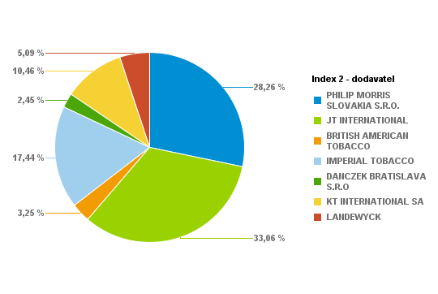
 |  |  |  | 10580 | 2.37% | 2962.4 | 5.6
 |  |  |  | 10800 | 2.42% | 3024 | 5.6
 |  |  |  | 2840 | 0.64% | 852 | 6
 |  |  |  | 1660 | 0.37% | 498 | 6
 |  |  |  | 9780 | 2.19% | 2934 | 6
 |  |  |  | 10320 | 2.32% | 3096 | 6
 |  |  |  | 6640 | 1.49% | 1859.2 | 5.6
 |  |  |  | 4820 | 1.08% | 1349.6 | 5.6
 |  |  |  | 1160 | 0.26% | 319 | 5.5
 |  |  |  | 1940 | 0.44% | 533.5 | 5.5
 |  |  |  | 7720 | 1.73% | 2123 | 5.5
 |  |  |  | 5460 | 1.23% | 1501.5 | 5.5
 |  |  |  | 7040 | 1.58% | 1900.8 | 5.4
 |  |  |  | 1180 | 0.26% | 318.6 | 5.4
 |  |  |  | 2960 | 0.66% | 828.8 | 5.6
 |  |  |  | 1040 | 0.23% | 280.8 | 5.4
 |  |  |  | 200 | 0.04% | 54 | 5.4
 |  |  |  | 480 | 0.11% | 120 | 5
 |  |  |  | 720 | 0.16% | 194.4 | 5.4
 |  |  |  | 160 | 0.04% | 40 | 5
 |  |  |  | 140 | 0.03% | 37.8 | 5.4
 |  |  |  | 400 | 0.09% | 108 | 5.4
 |  |  |  | 900 | 0.20% | 243 | 5.4
 |  |  |  | 340 | 0.08% | 91.8 | 5.4
 |  |  |  | 18980 | 4.26% | 5219.5 | 5.5
...
 |  |  |  | Kusy | Percento: | Celkom PC | Koncová cena | Dodávateľ | Krabičky | Kusy | Percento | Celkom
 |  |  |  | 1860 | 0.55% | 520.8 | 5.6 | PHILIP MORRIS SLOVAKIA S.R.O. | 5223 | 104460 | 31.16% | 29544.7
 |  |  |  | 1420 | 0.42% | 426 | 6 | JT INTERNATIONAL | 5299 | 105980 | 31.61% | 29162.4
 |  |  |  | 620 | 0.18% | 170.5 | 5.5 | BRITISH AMERICAN TOBACCO | 535 | 10700 | 3.19% | 2907.6
 |  |  |  | 1420 | 0.42% | 390.5 | 5.5 | IMPERIAL TOBACCO | 2497 | 49940 | 14.90% | 13893.7
 |  |  |  | 1480 | 0.44% | 436.6 | 5.9 | DANCZEK BRATISLAVA S.R.O | 396 | 7920 | 2.36% | 1980
 |  |  |  | 2180 | 0.65% | 643.1 | 5.9 | KT INTERNATIONAL SA | 1041 | 20820 | 6.21% | 5186.7
 |  |  |  | 2140 | 0.64% | 609.9 | 5.7 | LANDEWYCK | 1773 | 35460 | 10.58% | 8801.9
 |  |  |  | 9240 | 2.76% | 2633.4 | 5.7 |  |  | Percento: | 100.00%
 |  |  |  | 7400 | 2.21% | 2072 | 5.6
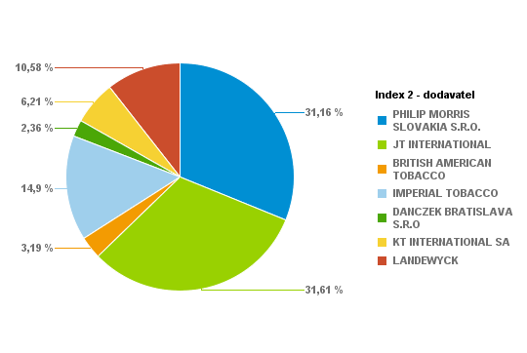
 |  |  |  | 7480 | 2.23% | 2094.4 | 5.6
 |  |  |  | 12060 | 3.60% | 3376.8 | 5.6
 |  |  |  | 960 | 0.29% | 288 | 6
 |  |  |  | 1060 | 0.32% | 318 | 6
 |  |  |  | 6160 | 1.84% | 1848 | 6
 |  |  |  | 11680 | 3.48% | 3504 | 6
 |  |  |  | 2940 | 0.88% | 823.2 | 5.6
 |  |  |  | 4960 | 1.48% | 1388.8 | 5.6
 |  |  |  | 460 | 0.14% | 126.5 | 5.5
 |  |  |  | 1020 | 0.30% | 280.5 | 5.5
 |  |  |  | 3400 | 1.01% | 935 | 5.5
 |  |  |  | 3900 | 1.16% | 1072.5 | 5.5
 |  |  |  | 11240 | 3.35% | 3034.8 | 5.4
 |  |  |  | 2040 | 0.61% | 550.8 | 5.4
 |  |  |  | 1880 | 0.56% | 526.4 | 5.6
 |  |  |  | 1340 | 0.40% | 361.8 | 5.4
 |  |  |  | 640 | 0.19% | 172.8 | 5.4
 |  |  |  | 700 | 0.21% | 189 | 5.4
 |  |  |  | 1180 | 0.35% | 318.6 | 5.4
 |  |  |  | 500 | 0.15% | 135 | 5.4
 |  |  |  | 320 | 0.10% | 86.4 | 5.4
 |  |  |  | 780 | 0.23% | 210.6 | 5.4
 |  |  |  | 16500 | 4.92% | 4537.5 | 5.5
 |  |  |  | 7780 | 2.32% | 2139.5 | 5.5
 |  |  |  | 5000 | 1.49% | 1375 | 5.5
...
 |  |  |  | Kusy | Percento: | Celkom PC | Koncová cena | Dodávateľ | Krabičky | Kusy | Percento | Celkom
 |  |  |  | 3160 | 0.84% | 884.8 | 5.6 | PHILIP MORRIS SLOVAKIA S.R.O. | 4863 | 97260 | 25.84% | 27349.2
 |  |  |  | 1240 | 0.33% | 372 | 6 | JT INTERNATIONAL | 5420 | 108400 | 28.80% | 29804.3
 |  |  |  | 1300 | 0.35% | 357.5 | 5.5 | BRITISH AMERICAN TOBACCO | 587 | 11740 | 3.12% | 3187
 |  |  |  | 720 | 0.19% | 198 | 5.5 | IMPERIAL TOBACCO | 3314 | 66280 | 17.61% | 18393.5
 |  |  |  | 920 | 0.24% | 271.4 | 5.9 | DANCZEK BRATISLAVA S.R.O | 166 | 3320 | 0.88% | 830
 |  |  |  | 660 | 0.18% | 194.7 | 5.9 | KT INTERNATIONAL SA | 2239 | 44780 | 11.90% | 11182.3
 |  |  |  | 1980 | 0.53% | 564.3 | 5.7 | LANDEWYCK | 2229 | 44580 | 11.85% | 11038
 |  |  |  | 4980 | 1.32% | 1419.3 | 5.7 |  |  | Percento: | 100.00%
 |  |  |  | 8800 | 2.34% | 2464 | 5.6
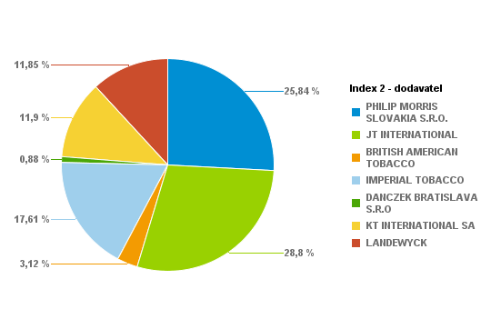
 |  |  |  | 9800 | 2.60% | 2744 | 5.6
 |  |  |  | 10680 | 2.84% | 2990.4 | 5.6
 |  |  |  | 1640 | 0.44% | 492 | 6
 |  |  |  | 140 | 0.04% | 42 | 6
 |  |  |  | 3860 | 1.03% | 1158 | 6
 |  |  |  | 8660 | 2.30% | 2598 | 6
 |  |  |  | 3340 | 0.89% | 935.2 | 5.6
 |  |  |  | 3720 | 0.99% | 1041.6 | 5.6
 |  |  |  | 580 | 0.15% | 159.5 | 5.5
 |  |  |  | 1100 | 0.29% | 302.5 | 5.5
 |  |  |  | 7320 | 1.94% | 2013 | 5.5
 |  |  |  | 3480 | 0.92% | 957 | 5.5
 |  |  |  | 11060 | 2.94% | 2986.2 | 5.4
 |  |  |  | 1520 | 0.40% | 410.4 | 5.4
 |  |  |  | 1140 | 0.30% | 319.2 | 5.6
 |  |  |  | 700 | 0.19% | 189 | 5.4
 |  |  |  | 1080 | 0.29% | 291.6 | 5.4
 |  |  |  | 600 | 0.16% | 162 | 5.4
 |  |  |  | 400 | 0.11% | 108 | 5.4
 |  |  |  | 1840 | 0.49% | 496.8 | 5.4
 |  |  |  | 840 | 0.22% | 226.8 | 5.4
 |  |  |  | 9300 | 2.47% | 2557.5 | 5.5
 |  |  |  | 12560 | 3.34% | 3454 | 5.5
 |  |  |  | 4900 | 1.30% | 1347.5 | 5.5
 |  |  |  | 1400 | 0.37% | 385 | 5.5
...
 |  |  |  | Kusy | Percento: | Celkom PC | Koncová cena | Dodávateľ | Krabičky | Kusy | Percento | Celkom
 |  |  |  | 1640 | 0.68% | 459.2 | 5.6 | PHILIP MORRIS SLOVAKIA S.R.O. | 2913 | 58260 | 24.30% | 16398.9
 |  |  |  | 840 | 0.35% | 252 | 6 | JT INTERNATIONAL | 3621 | 72420 | 30.21% | 19919.4
 |  |  |  | 740 | 0.31% | 203.5 | 5.5 | BRITISH AMERICAN TOBACCO | 366 | 7320 | 3.05% | 1994.8
 |  |  |  | 180 | 0.08% | 49.5 | 5.5 | IMPERIAL TOBACCO | 1667 | 33340 | 13.91% | 9282.9
 |  |  |  | 480 | 0.20% | 141.6 | 5.9 | DANCZEK BRATISLAVA S.R.O | 63 | 1260 | 0.53% | 315
 |  |  |  | 920 | 0.38% | 271.4 | 5.9 | KT INTERNATIONAL SA | 1722 | 34440 | 14.37% | 8594.8
 |  |  |  | 1740 | 0.73% | 495.9 | 5.7 | LANDEWYCK | 1635 | 32700 | 13.64% | 8074.6
 |  |  |  | 3040 | 1.27% | 866.4 | 5.7 |  |  | Percento: | 100.00%
 |  |  |  | 4040 | 1.69% | 1131.2 | 5.6
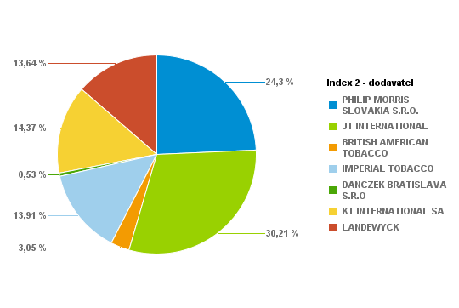
 |  |  |  | 4720 | 1.97% | 1321.6 | 5.6
 |  |  |  | 7000 | 2.92% | 1960 | 5.6
 |  |  |  | 1180 | 0.49% | 354 | 6
 |  |  |  | 1000 | 0.42% | 300 | 6
 |  |  |  | 2420 | 1.01% | 726 | 6
 |  |  |  | 4080 | 1.70% | 1224 | 6
 |  |  |  | 1020 | 0.43% | 285.6 | 5.6
 |  |  |  | 2580 | 1.08% | 722.4 | 5.6
 |  |  |  | 300 | 0.13% | 82.5 | 5.5
 |  |  |  | 380 | 0.16% | 104.5 | 5.5
 |  |  |  | 4340 | 1.81% | 1193.5 | 5.5
 |  |  |  | 4420 | 1.84% | 1215.5 | 5.5
 |  |  |  | 5260 | 2.19% | 1420.2 | 5.4
 |  |  |  | 1420 | 0.59% | 383.4 | 5.4
 |  |  |  | 1460 | 0.61% | 408.8 | 5.6
 |  |  |  | 560 | 0.23% | 151.2 | 5.4
 |  |  |  | 240 | 0.10% | 64.8 | 5.4
 |  |  |  | 220 | 0.09% | 59.4 | 5.4
 |  |  |  | 360 | 0.15% | 97.2 | 5.4
 |  |  |  | 580 | 0.24% | 156.6 | 5.4
 |  |  |  | 880 | 0.37% | 237.6 | 5.4
 |  |  |  | 220 | 0.09%
...
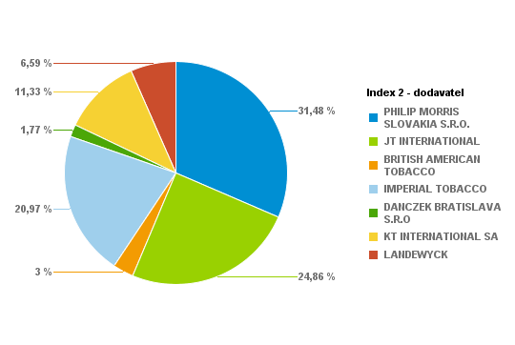
...
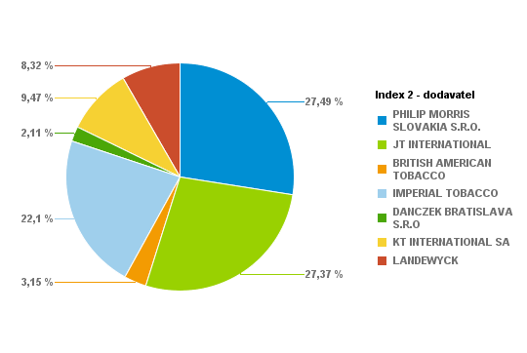
...

...
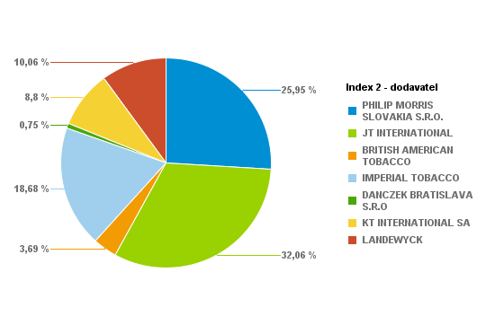
...
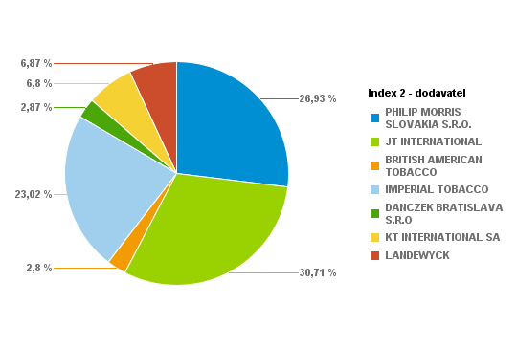
...
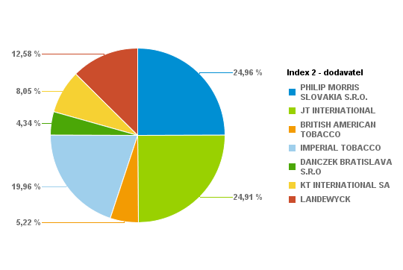
...
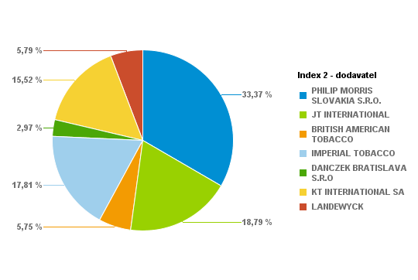
...
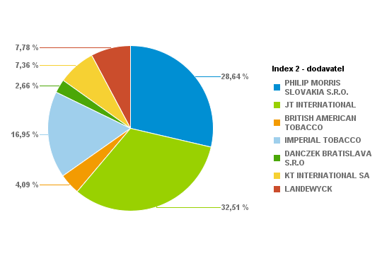
...
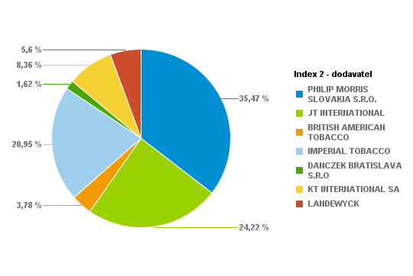
...
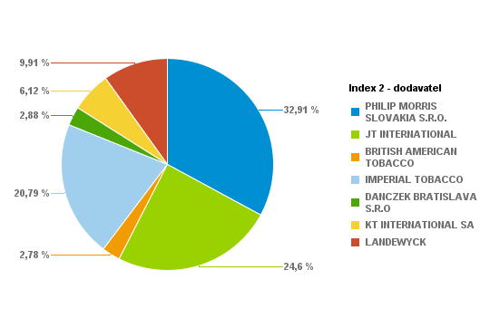
...
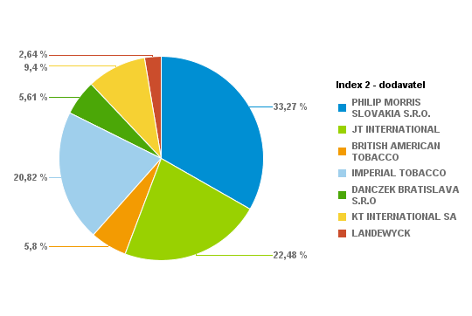
...
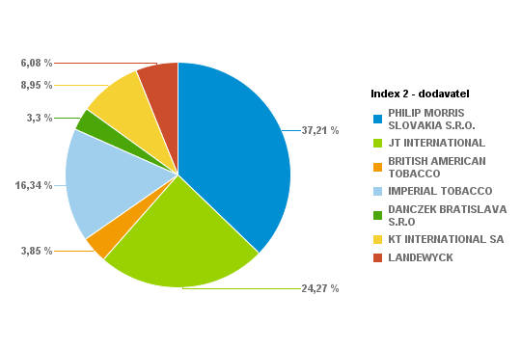
...
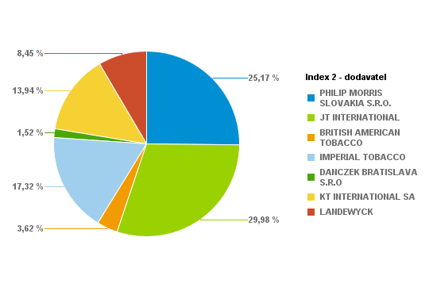
...
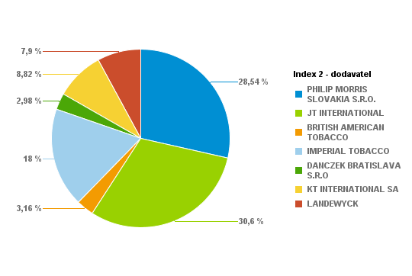
...
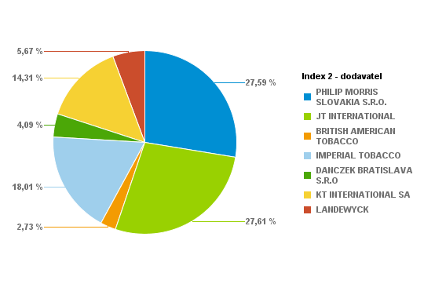
...

...

...
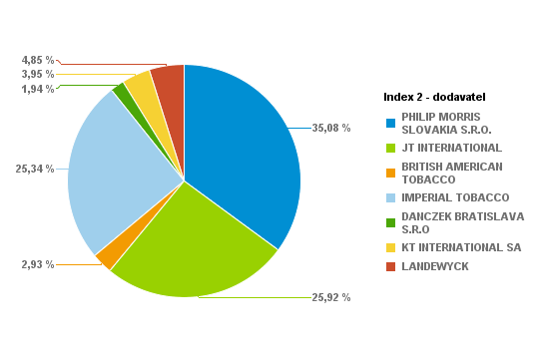
...
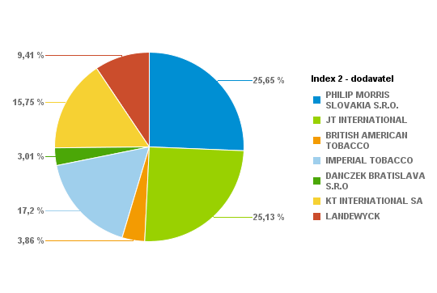
...
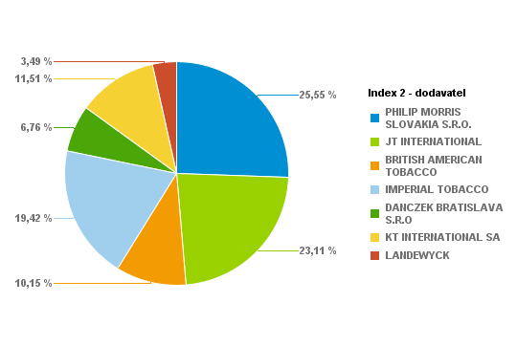
...
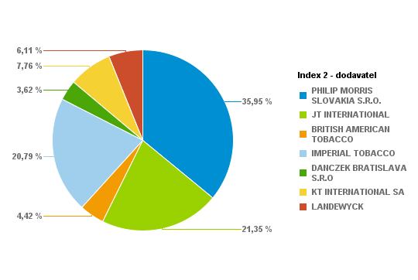
...
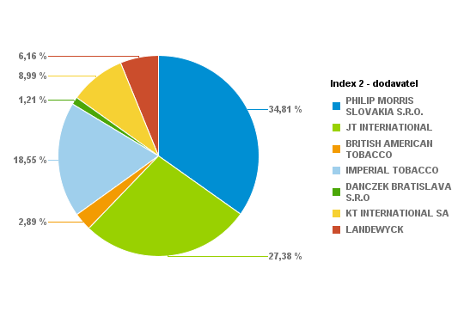
...

...

...
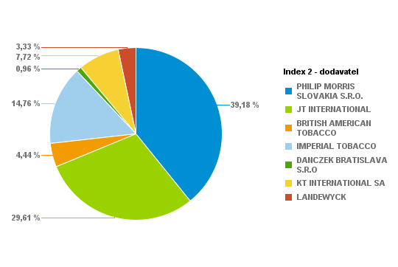
...
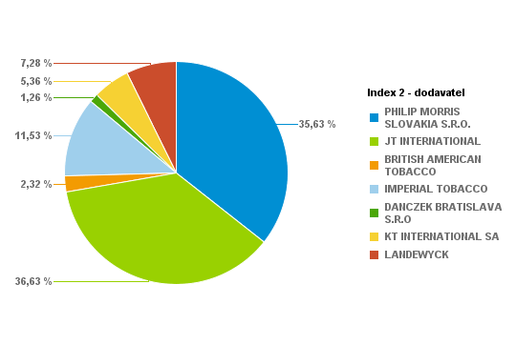
...
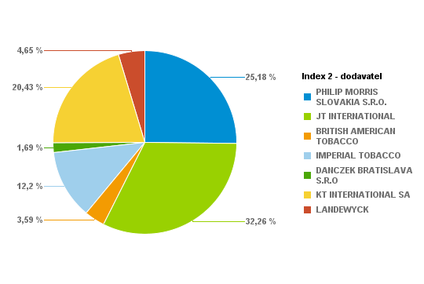
...

...

...

...

...

...

...

...

...

...

...

...

...

...

Predaj cigariet sumár
...
Krabičky | Kusy | Percento: | Celkom PC | PC | Index 2 - dodavatel | Krabičky | Kusy | Percento: | Celkom PC
16565 | 331300 | 1.37% | 92764 | 5.6 | PHILIP MORRIS SLOVAKIA S.R.O. | 372477 | 7449540 | 30.83% | 2104845.9
13215 | 264300 | 1.09% | 74004 | 5.6 | JT INTERNATIONAL | 353365 | 7067300 | 29.25% | 1944122.8
41772 | 835440 | 3.46% | 233923.2 | 5.6 | BRITISH AMERICAN TOBACCO | 44312 | 886240 | 3.67% | 240475.6
23459 | 469180 | 1.94% | 131370.4 | 5.6 | IMPERIAL TOBACCO | 204566 | 4091320 | 16.93% | 1140542.9
7091 | 141820 | 0.59% | 39709.6 | 5.6 | DANCZEK BRATISLAVA S.R.O | 34113 | 682260 | 2.82% | 170557.6
14398 | 287960 | 1.19% | 80628.8 | 5.6 | KT INTERNATIONAL SA | 118745 | 2374900 | 9.83% | 592556.5
6851 | 137020 | 0.57% | 36995.4 | 5.4 | LANDEWYCK | 80680 | 1613600 | 6.68% | 399346.9
30063 | 601260 | 2.49% | 162340.2 | 5.4 |  |  | Percento: | 100.00%
2247 | 44940 | 0.19% | 12133.8 | 5.4 |  | Súčet: | 24165160
2182 | 43640 | 0.18% | 11782.8 | 5.4

25684 | 513680 | 2.13% | 143830.4 | 5.6
200 | 4000 | 0.02% | 1000 | 5
4 | 80 | 0.00% | 20.4 | 5.1
2153 | 43060 | 0.18% | 11626.2 | 5.4
814 | 16280 | 0.07% | 4070 | 5
2121 | 42420 | 0.18% | 11453.4 | 5.4
6106 | 122120 | 0.51% | 36636 | 6
7722 | 154440 | 0.64% | 45559.8 | 5.9
18884 | 377680 | 1.56% | 113304 | 6
6246 | 124920 | 0.52% | 36851.4 | 5.9
4367 | 87340 | 0.36% | 23581.8 | 5.4
4914 | 98280 | 0.41% | 27027 | 5.5
4413 | 88260 | 0.37% | 24271.5 | 5.5
5621 | 112420 | 0.47% | 30915.5 | 5.5
2986 | 59720 | 0.25% | 16423 | 5.5
4607 | 92140 | 0.38% | 27642 | 6
33184 | 663680 | 2.75% | 199104 | 6
6925 | 138500 | 0.57% | 41550 | 6
25052 | 501040 | 2.07% | 142796.4 | 5.7
11847 | 236940 | 0.98% | 67527.9 | 5.7
18051 | 361020 | 1.49% | 99280.5 | 5.5
19667 | 393340 | 1.63% | 108168.5 | 5.5
5 | 100 | 0.00% | 28 | 5.6
1936 | 38720 | 0.16% | 10454.4 | 5.4
17 | 340 | 0.00% | 88.4 | 5.2
...

