black_vols
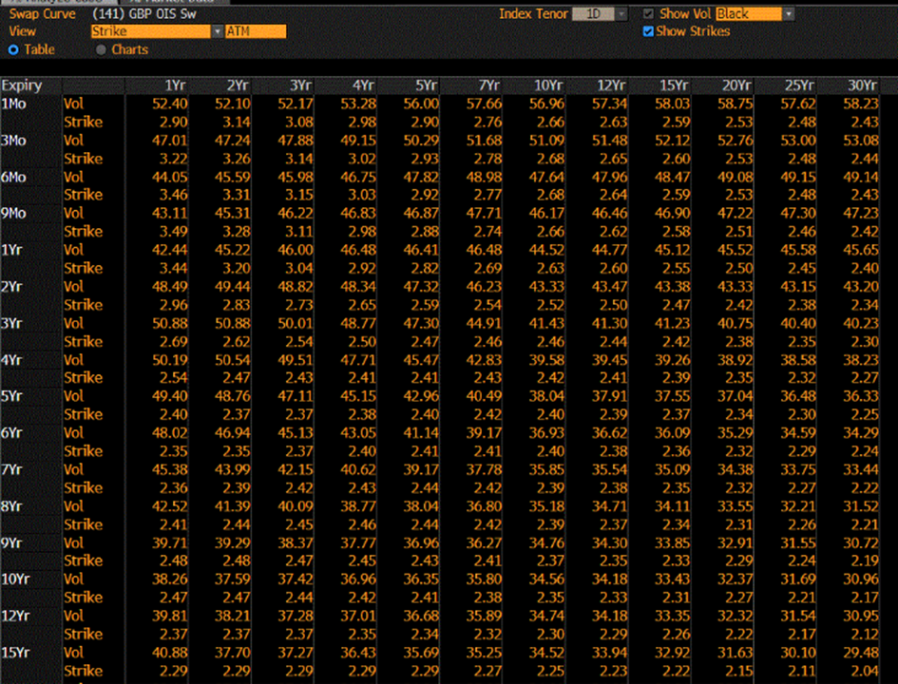
Expiry | 1 | 2 | 3 | 4 | 5 | 7 | 10 | 12 | 15 | 20 | 25 | 30
0.08 | 52.4 | 52.1 | 52.17 | 53.28 | 56 | 57.66 | 56.96 | 57.34 | 58.03 | 58.75 | 57.62 | 58.23
0.25 | 47.01 | 47.24 | 47.88 | 49.15 | 50.29 | 51.68 | 51.09 | 51.48 | 52.12 | 52.76 | 53 | 53.08
0.50 | 44.05 | 45.59 | 45.98 | 46.75 | 47.82 | 48.98 | 47.64 | 47.96 | 48.47 | 49.08 | 49.15 | 49.14
0.75 | 43.11 | 45.31 | 46.22 | 46.83 | 46.87 | 47.71 | 46.17 | 46.46 | 46.9 | 47.22 | 47.3 | 47.23
1.00 | 42.44 | 45.22 | 46 | 46.48 | 46.41 | 46.48 | 44.52 | 44.77 | 45.12 | 45.52 | 45.58 | 45.65
2.00 | 48.49 | 49.44 | 48.82 | 48.34 | 47.32 | 46.23 | 43.33 | 43.47 | 43.38 | 43.33 | 43.15 | 43.2
3.00 | 50.88 | 50.88 | 50.01 | 48.77 | 47.3 | 44.91 | 41.43 | 41.3 | 41.23 | 40.75 | 40.4 | 40.23
4.00 | 50.19 | 50.54 | 49.51 | 47.71 | 45.47 | 42.83 | 39.58 | 39.45 | 39.26 | 38.92 | 38.58 | 38.23
5.00 | 49.4 | 48.76 | 47.11 | 45.15 | 42.96 | 40.49 | 38.04 | 37.91 | 37.55 | 37.04 | 36.48 | 36.33
6.00 | 48.02 | 46.94 | 45.13 | 43.05 | 41.14 | 39.17 | 36.93 | 36.62 | 36.09 | 35.29 | 34.59 | 34.29
7.00 | 45.38 | 43.99 | 42.15 | 40.62 | 39.17 | 37.78 | 35.85 | 35.54 | 35.09 | 34.38 | 33.75 | 33.44
8.00 | 42.52 | 41.39 | 40.09 | 38.77 | 38.04 | 36.8 | 35.18 | 34.71 | 34.11 | 33.55 | 32.21 | 31.52
9.00 | 39.71 | 39.29 | 38.37 | 37.77 | 36.96 | 36.27 | 34.76 | 34.3 | 33.85 | 32.91 | 31.55 | 30.72
10.00 | 38.26 | 37.59 | 37.42 | 36.96 | 36.35 | 35.8 | 34.56 | 34.18 | 33.43 | 32.37 | 31.69 | 30.96
12.00 | 39.81 | 38.21 | 37.28 | 37.01 | 36.68 | 35.89 | 34.74 | 34.18 | 33.35 | 32.32 | 31.54 | 30.95
15.00 | 40.88 | 37.7 | 37.27 | 36.43 | 35.69 | 35.25 | 34.52 | 33.94 | 32.92 | 31.63 | 30.1 | 29.48

normal_vols
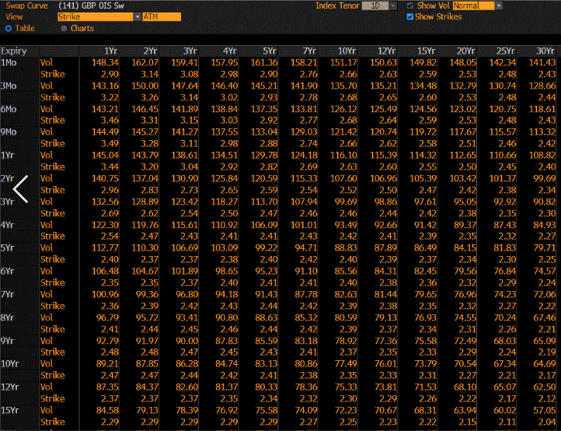

black220_vols
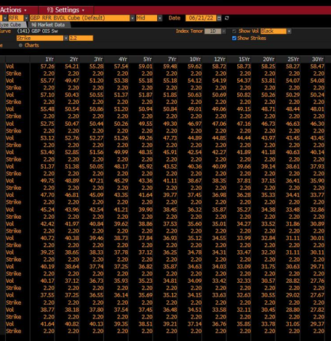
Expiry | 1 | 2 | 3 | 4 | 5 | 7 | 10 | 12 | 15 | 20 | 25 | 30
0.08 | 57.26 | 54.21 | 55.28 | 57.54 | 59.01 | 59.48 | 59.62 | 58.72 | 58.73 | 58.25 | 58.27 | 58.47
0.25 | 55.77 | 49.47 | 51.2 | 53.38 | 55.18 | 55.18 | 54.12 | 54.19 | 54.37 | 53.81 | 54.07 | 54.08
0.50 | 57.1 | 50.43 | 50.55 | 51.37 | 51.87 | 51.85 | 50.63 | 50.69 | 50.82 | 50.26 | 50.29 | 50.24
0.75 | 55.48 | 50.54 | 50.86 | 51.2 | 50.94 | 50.84 | 49.01 | 49.06 | 49.15 | 48.71 | 48.44 | 48.01
1.00 | 52.75 | 50.47 | 50.44 | 50.26 | 49.55 | 49.3 | 46.97 | 47.06 | 47.16 | 46.73 | 46.63 | 46.3
2.00 | 53.12 | 52.76 | 52.27 | 51.26 | 49.26 | 47.73 | 44.89 | 44.85 | 44.44 | 43.97 | 43.45 | 43.45
3.00 | 53.4 | 52.85 | 51.56 | 49.99 | 48.35 | 45.91 | 42.54 | 42.47 | 41.89 | 41.18 | 40.63 | 40.14
4.00 | 51.37 | 51.38 | 50.05 | 48.17 | 45.92 | 43.52 | 40.36 | 40.09 | 39.66 | 39.14 | 38.61 | 37.93
5.00 | 49.75 | 48.89 | 47.21 | 45.29 | 43.36 | 41.11 | 38.67 | 38.35 | 37.81 | 37.15 | 36.41 | 35.9
6.00 | 47.7 | 46.81 | 45.09 | 43.35 | 41.64 | 39.77 | 37.45 | 36.98 | 36.28 | 35.33 | 34.41 | 33.77
7.00 | 45.24 | 43.96 | 42.54 | 41.21 | 39.9 | 38.45 | 36.32 | 35.87 | 35.27 | 34.38 | 33.48 | 32.86
8.00 | 42.42 | 41.97 | 40.84 | 39.62 | 38.86 | 37.53 | 35.6 | 35.01 | 34.27 | 33.52 | 31.86 | 30.89
9.00 | 40.72 | 40.38 | 39.46 | 38.73 | 37.84 | 36.93 | 35.12 | 34.55 | 33.99 | 32.84 | 31.11 | 30.01
10.00 | 39.25 | 38.65 | 38.33 | 37.78 | 37.12 | 36.25 | 34.78 | 34.31 | 33.47 | 32.2 | 31.11 | 30.11
12.00 | 40.19 | 38.64 | 37.74 | 37.25 | 36.82 | 35.87 | 34.63 | 34.03 | 33.09 | 31.75 | 30.63 | 29.71
15.00 | 40.17 | 37.12 | 36.73 | 35.93 | 35.23 | 34.81 | 34.09 | 33.42 | 32.33 | 30.57 | 28.82 | 27.76

