black_vols
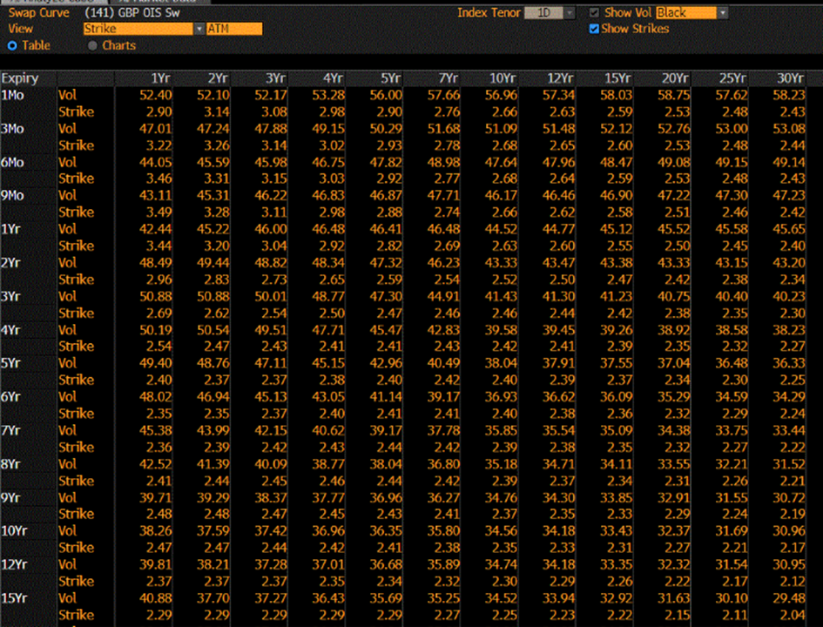
Expiry | 1 | 2 | 3 | 4 | 5 | 7 | 10 | 12 | 15 | 20 | 25 | 30
0.08 | 52.4 | 52.1 | 52.17 | 53.28 | 56 | 57.66 | 56.96 | 57.34 | 58.03 | 58.75 | 57.62 | 58.23
0.25 | 47.01 | 47.24 | 47.88 | 49.15 | 50.29 | 51.68 | 51.09 | 51.48 | 52.12 | 52.76 | 53 | 53.08
0.50 | 44.05 | 45.59 | 45.98 | 46.75 | 47.82 | 48.98 | 47.64 | 47.96 | 48.47 | 49.08 | 49.15 | 49.14
0.75 | 43.11 | 45.31 | 46.22 | 46.83 | 46.87 | 47.71 | 46.17 | 46.46 | 46.9 | 47.22 | 47.3 | 47.23
1.00 | 42.44 | 45.22 | 46 | 46.48 | 46.41 | 46.48 | 44.52 | 44.77 | 45.12 | 45.52 | 45.58 | 45.65
2.00 | 48.49 | 49.44 | 48.82 | 48.34 | 47.32 | 46.23 | 43.33 | 43.47 | 43.38 | 43.33 | 43.15 | 43.2
3.00 | 50.88 | 50.88 | 50.01 | 48.77 | 47.3 | 44.91 | 41.43 | 41.3 | 41.23 | 40.75 | 40.4 | 40.23
4.00 | 50.19 | 50.54 | 49.51 | 47.71 | 45.47 | 42.83 | 39.58 | 39.45 | 39.26 | 38.92 | 38.58 | 38.23
5.00 | 49.4 | 48.76 | 47.11 | 45.15 | 42.96 | 40.49 | 38.04 | 37.91 | 37.55 | 37.04 | 36.48 | 36.33
6.00 | 48.02 | 46.94 | 45.13 | 43.05 | 41.14 | 39.17 | 36.93 | 36.62 | 36.09 | 35.29 | 34.59 | 34.29
7.00 | 45.38 | 43.99 | 42.15 | 40.62 | 39.17 | 37.78 | 35.85 | 35.54 | 35.09 | 34.38 | 33.75 | 33.44
8.00 | 42.52 | 41.39 | 40.09 | 38.77 | 38.04 | 36.8 | 35.18 | 34.71 | 34.11 | 33.55 | 32.21 | 31.52
9.00 | 39.71 | 39.29 | 38.37 | 37.77 | 36.96 | 36.27 | 34.76 | 34.3 | 33.85 | 32.91 | 31.55 | 30.72
10.00 | 38.26 | 37.59 | 37.42 | 36.96 | 36.35 | 35.8 | 34.56 | 34.18 | 33.43 | 32.37 | 31.69 | 30.96
12.00 | 39.81 | 38.21 | 37.28 | 37.01 | 36.68 | 35.89 | 34.74 | 34.18 | 33.35 | 32.32 | 31.54 | 30.95
15.00 | 40.88 | 37.7 | 37.27 | 36.43 | 35.69 | 35.25 | 34.52 | 33.94 | 32.92 | 31.63 | 30.1 | 29.48

normal_vols
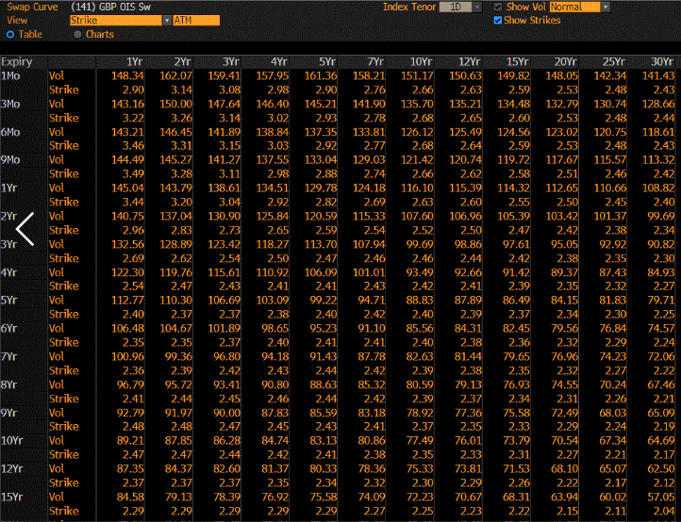

normal225
