Sign Groups
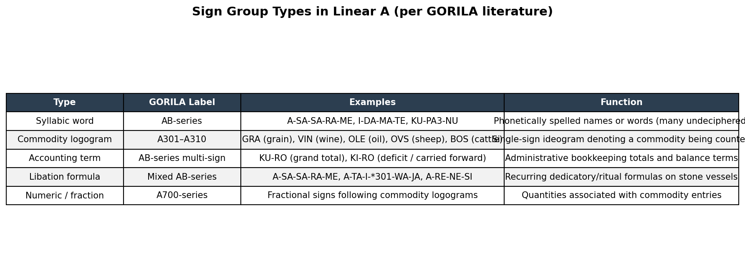
Sign Group Types in Linear A (per GORILA literature)

Catalog Pie
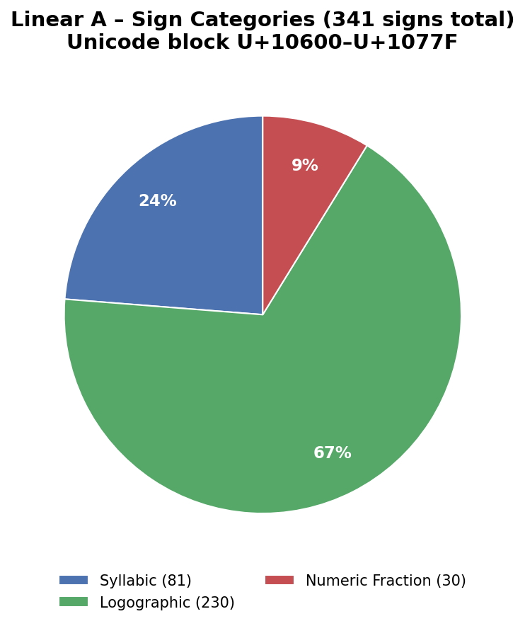
Linear A – Sign Categories

Sign Groups1
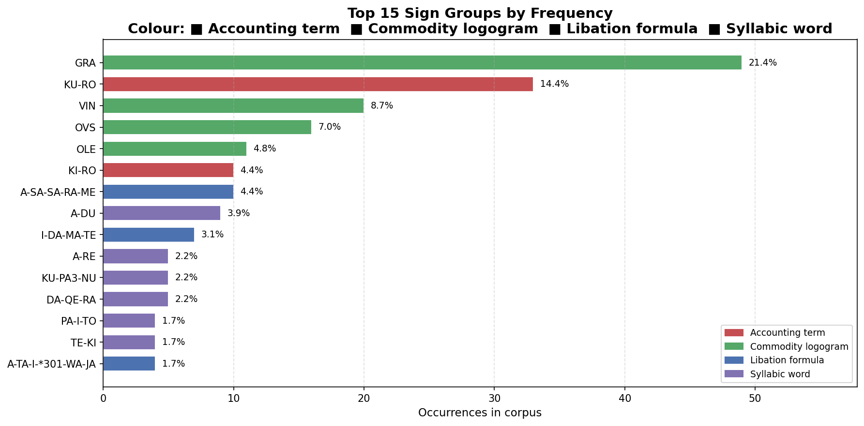
Top 15 Sign Groups by Frequency

Corpus Stats
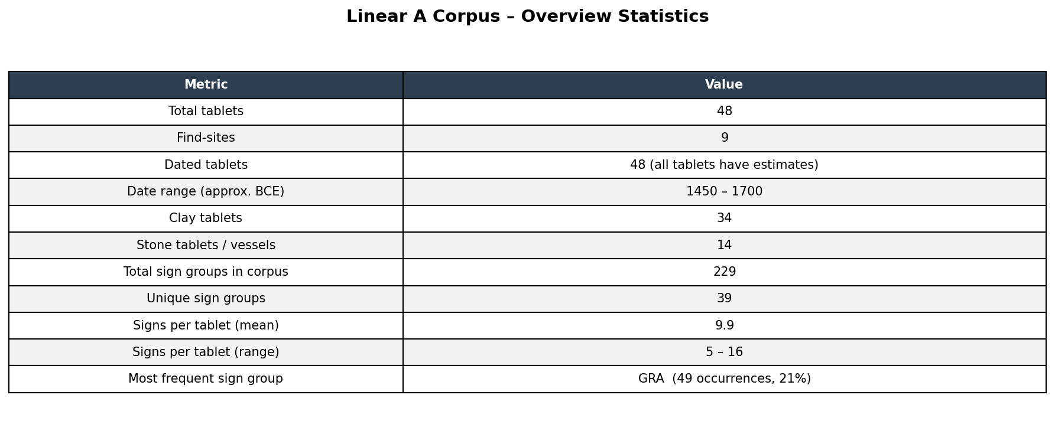
Linear A Corpus – Overview Statistics

Site Breakdown
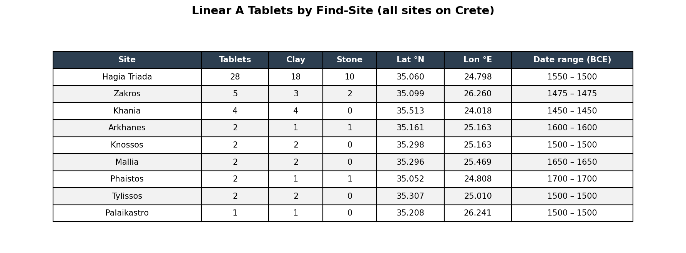
Linear A Tablets by Find-Site (all sites on Crete)

Map
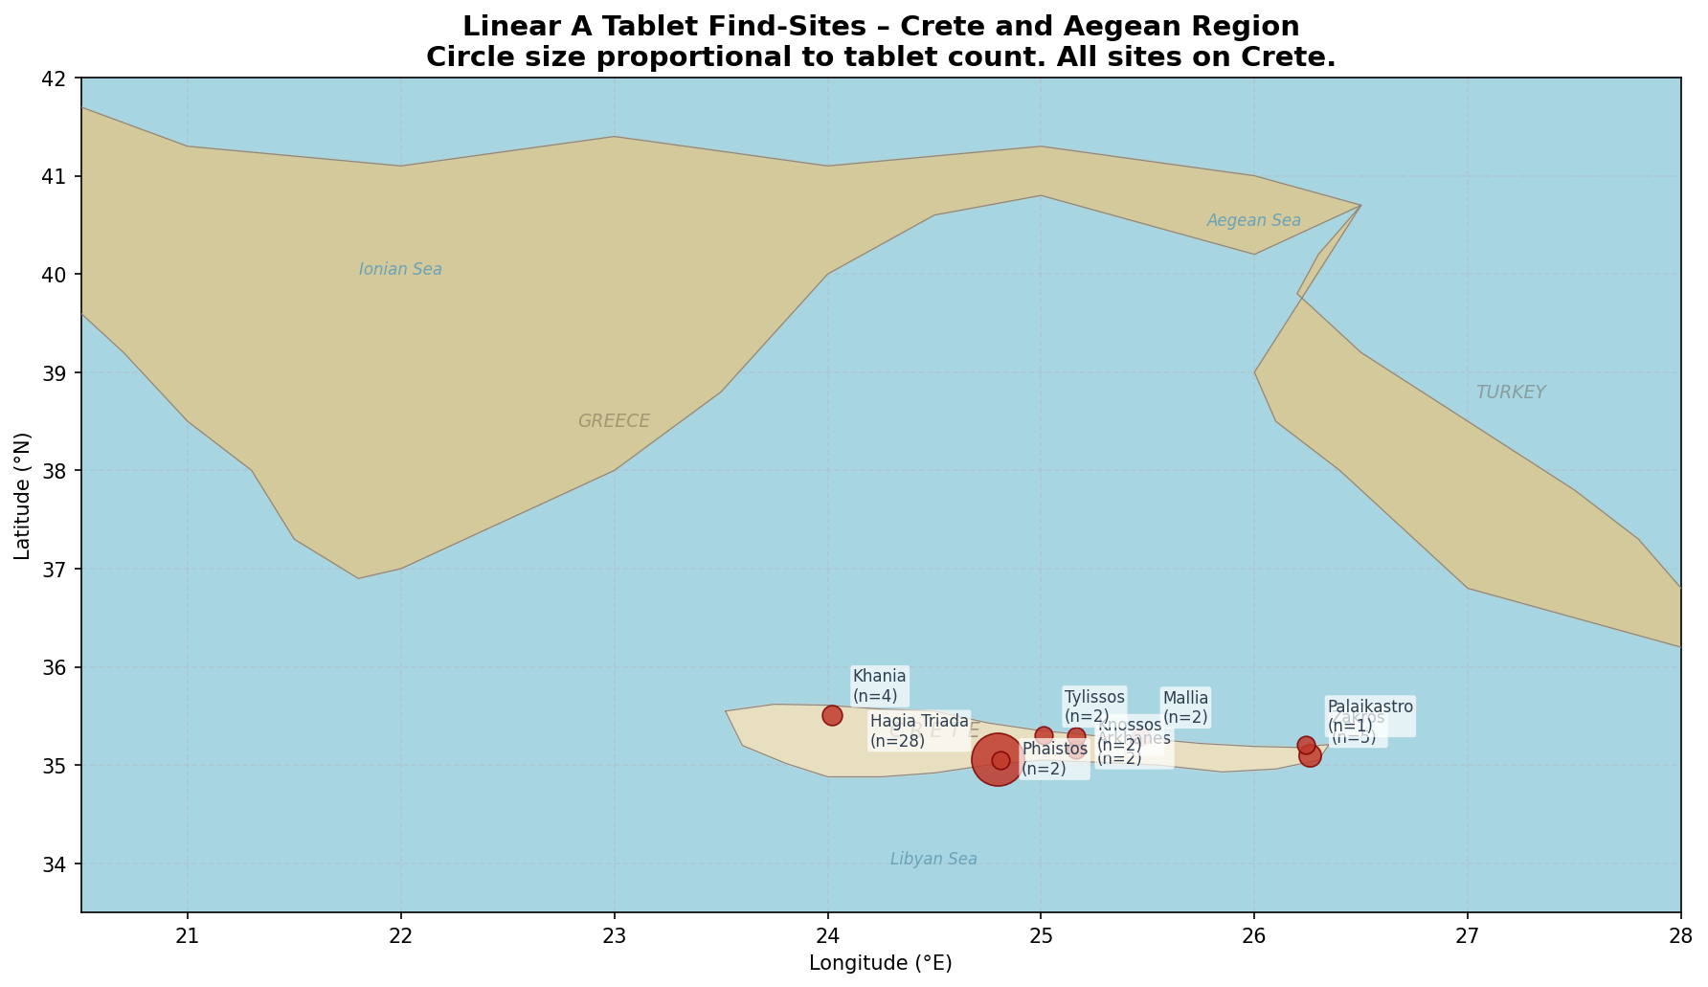
Tablet Find-Sites – Aegean Region

Timeline
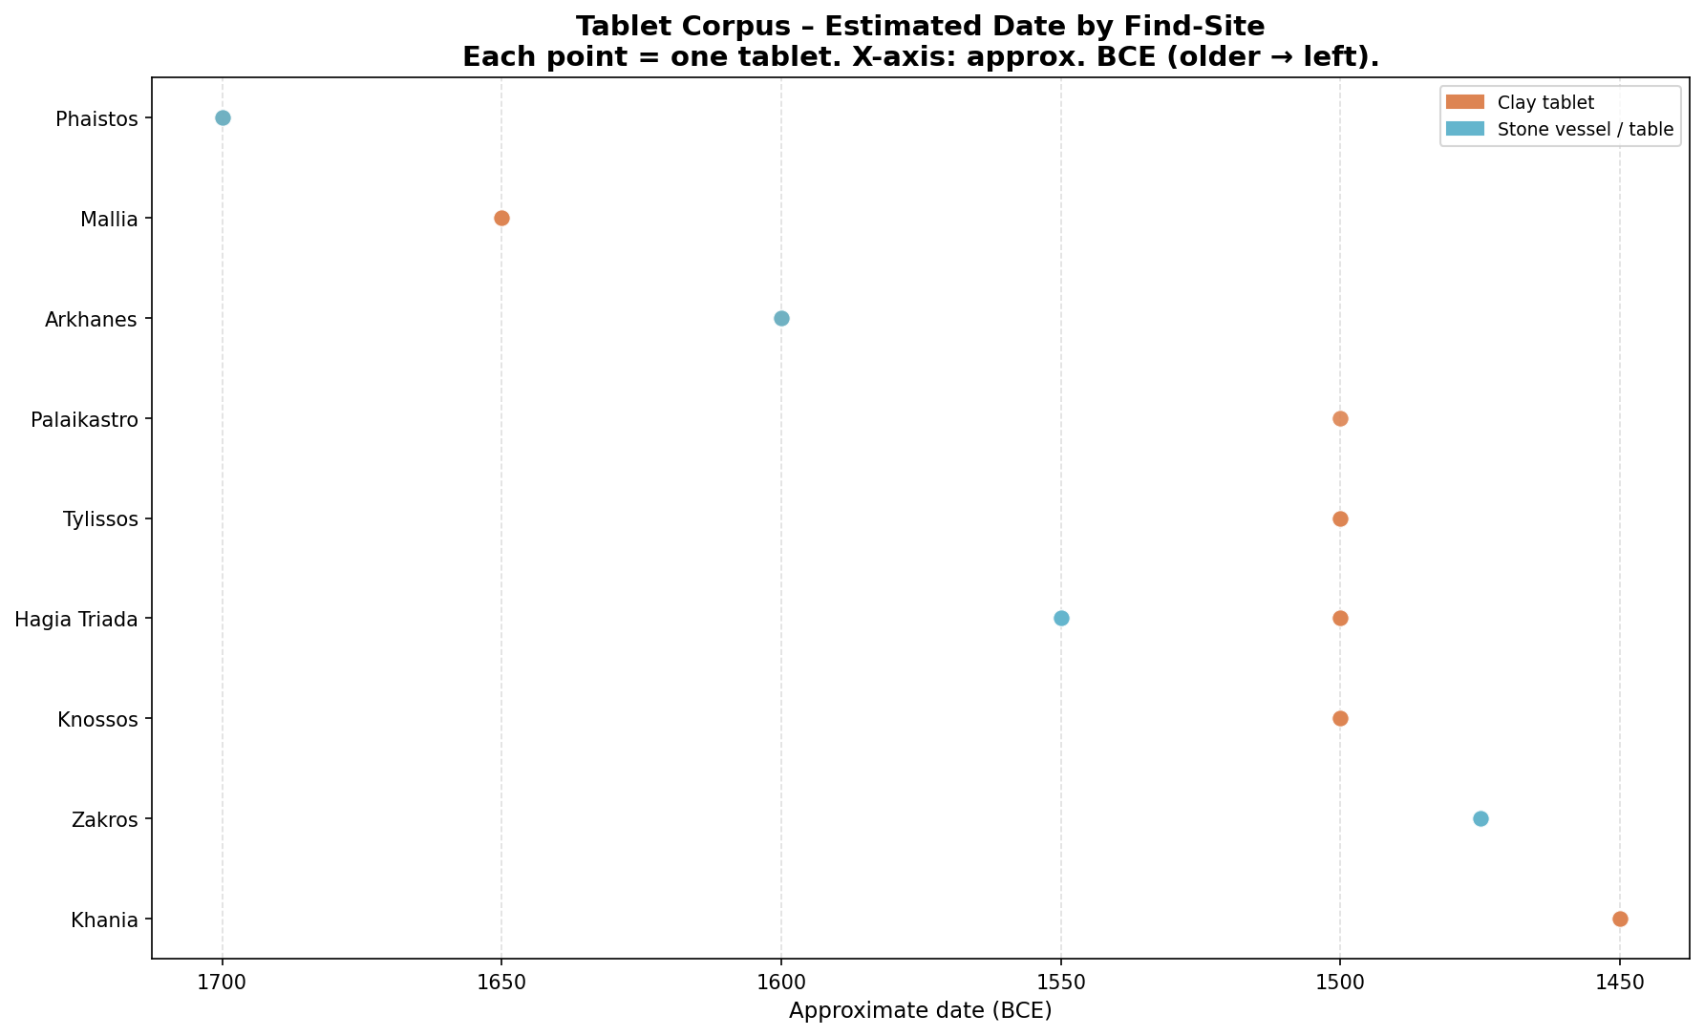
Tablet Distribution by Estimated Date

Signs per Tablet
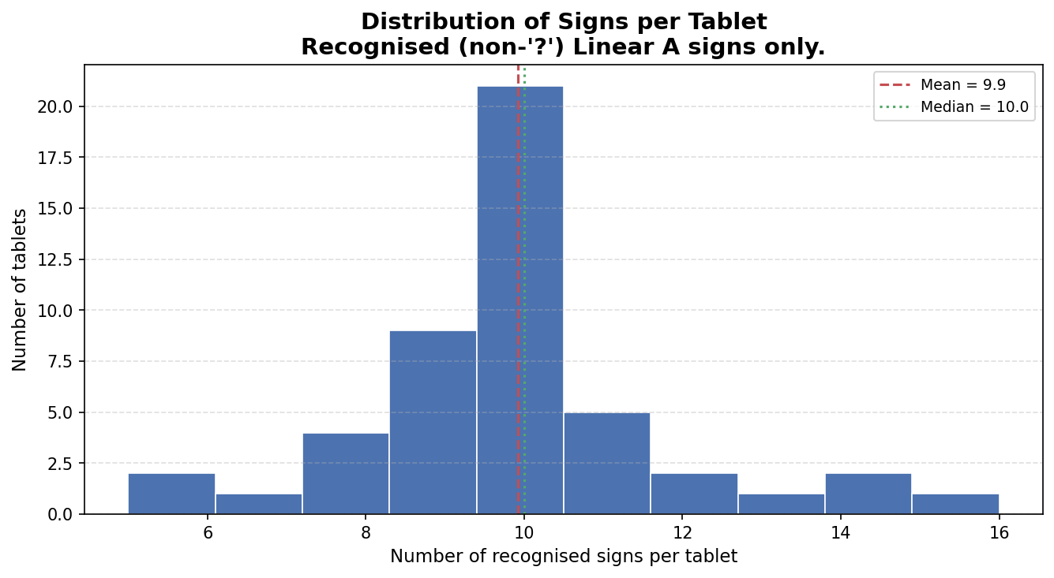
Distribution of Signs per Tablet

