IT Risk Assessment Matrix
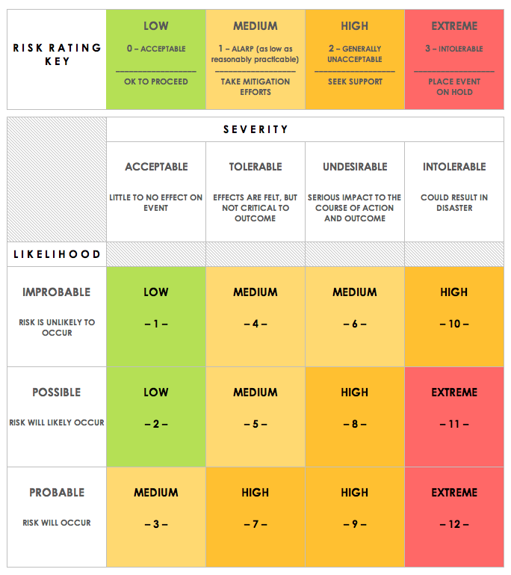
IT RISK ASSESSMENT MATRIX TEMPLATE
REF/ID | RISK TYPE | ASSET | RISK DESCRIPTION | RISK SEVERITY | RISK LIKELIHOOD | INTERNAL IMPACT | USER IMPACT | TRIGGER | MITIGATIONS / REMEDIES | ASSET | RISK SEVERITY KEY | RISK LIKELIHOOD KEY | RISK LEVEL KEY
9 | Tools | EXTERNAL | No access to programming tools | UNDESIRABLE | IMPROBABLE | MEDIUM | LOW | Unprepared workforce | Help download the software | EXTERNAL | ACCEPTABLE | IMPROBABLE | LOW
8 | Technology | EXTERNAL | No access to programming language | UNDESIRABLE | IMPROBABLE | MEDIUM | LOW | Unprepared Workforce | Help download the programming language | INSIDER | TOLERABLE | POSSIBLE | MEDIUM
6 | People | INSIDER | Improperly divided types of task | UNDESIRABLE | POSSIBLE | LOW | MEDIUM | Unorganized Organizer | Reorganize the organization | TRUSTED INSIDER | UNDESIRABLE | PROBABLE | HIGH
7 | Requirements | INSIDER | No reaching the goal of the module | INTOLERABLE | POSSIBLE | EXTREME | EXTREME | Mismanaged workforce | Reevaluate the goal and redistribute tasks |  | INTOLERABLE |  | EXTREME
5 | People | TRUSTED INSIDER | Uncooperative work force | UNDESIRABLE | POSSIBLE | EXTREME | HIGH | Unwilling Workforce | Redistribute tasks
1 | Estimation | INSIDER | No time to complete task | INTOLERABLE | PROBABLE | EXTREME | EXTREME | Mismanaged Workforce | add help to the task
2 | Estimation | TRUSTED INSIDER | Improper estimation of work | TOLERABLE | PROBABLE | LOW | LOW | Unorganized Organizer | Reevaluate goals
4 | Organizational | INSIDER | Poorly divided work on work force | TOLERABLE | PROBABLE | LOW | LOW | Unorganized Organizer | Redistribute tasks
3 | Organizational | INSIDER | Hard to understand documentation | TOLERABLE | PROBABLE | LOW | MEDIUM | Rushed Documentation | Spend more time on the documentaiton

CLICK HERE TO CREATE IN SMARTSHEET

