PASMain
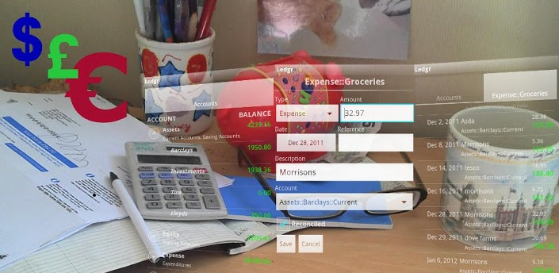
Consulting Group Personal Accounting System
PAS Main Controls - IS ₆₂₈ - Spring ₂₀₁₃
DESIGN TEAM: Elias Hassen, Sunny (Hwasoon) Yun, and Gina Zosa

THE PERSONAL ACCOUNTING SYSTEM PERFORMS THE FOLLOWING FUNCTIONS
1. Main Control Page:
a. Go to PAS Input;
b. Go to PAS Output;
c. Print PAS Input;
d. Print PAS Output;
e. Go to PAS Chart;
f. Exit.
2. PAS Input Page:
a. Expenditure Input;
b. New Account/New Bank Issuer Input;
c. New Category Input;
d. Category Drop-Down Menu;
e. Account Drop-Down Menu.
3. PAS Output Page:
a. Sort by Reference;
b. Sort by Dollar;
c. Sort by Description;
d. Sort by Date;
e. Sort by Payee;
f. Sort by Category;
g. Sort by Account;
h. Sort by Bank
i. Category Drop-Down Menu;
j. Account Drop-Down Menu.
k. Print PAS Output.
4. PAS Chart Page:
a. Self-Updating PAS Pie Chart;
b. Print PAS Chart.

PASInput
Personal Accounting System (PAS)
DESIGN TEAM: Elias Hassen, Sunny (Hwasoon) Yun, and Gina Zosa

 | For Negative No./Enter (-)
Reference | Dollar Amount | Description | Date | Payee/Payer | Category | Account | Bank/Issuer

Enter Account # | Enter Bank/Issuer |  |  | Enter Category

Account | Bank/Issuer | Payee/Payer |  | Categories
056-59-0372 | Bank of America | Alexander S. James |  | Auto Insurance
100-25-9879 | Bank of the Caymans | Allstate Insurance Co. |  | Auto Lease
123-55-2395 | Chase | Andrew E. Castillo |  | AVCO Loan
200-25-2487 | Citibank | Avco Loan Co. |  | Education
222-35-0595 | Union Bank of California | Cal State, Northridge |  | Entertainment
345-67-0292 | Union Bank of California | Chateau Marmont |  | Gasoline
456-59-9922 | Union Bank of Switzerland | Chevron/GECRB |  | Home Mortgage
550-06-9345 | Wells Fargo | Mercedes Benz Leasing Corp.
 |  | PJ Travel Agency
 |  | SunTrust Mortgage Co.

PASOutput
Personal Accounting System (PAS)
DESIGN TEAM: Elias Hassen, Sunny (Hwasoon) Yun, and Gina Zosa

Reference | Dollar Amount | Description | Date | Payee/Payer | Category | Account | Bank/Issuer | Auto Insurance | Auto Lease | AVCO Loan | Education | Entertainment | Gasoline | Home Mortgage
234r | $2.00 | Candy | 2012-05-06 | Andrew E. Castillo | Entertainment | 200-25-2487 | Citibank | FALSE | FALSE | FALSE | FALSE | 2 | FALSE | FALSE
12 | $33.00 | test | 2012-01-01 | Allstate Insurance Co. | Entertainment | 200-25-2487 | Citibank | FALSE | FALSE | FALSE | FALSE | 33 | FALSE | FALSE
DJ/Hernan Cattaneo (3) | $1,000.00 | Entertainment | 2013-03-05 | Alexander S. James | Entertainment | 456-59-9922 | Union Bank of Switzerland | FALSE | FALSE | FALSE | FALSE | 1000 | FALSE | FALSE
Auto Insurance (8) | $446.00 | April, 2013 | 2013-04-12 | Allstate Insurance Co. | Auto Insurance | 100-25-9879 | Bank of the Caymans | 446 | FALSE | FALSE | FALSE | FALSE | FALSE | FALSE
Lawry's Dinner (6) | $120.00 | Santa Monica | 2013-04-25 | Andrew E. Castillo | Entertainment | 456-59-9922 | Union Bank of Switzerland | FALSE | FALSE | FALSE | FALSE | 120 | FALSE | FALSE
Install. Loan (9) | $525.00 | April, 2013 | 2013-04-07 | Avco Loan Co. | AVCO Loan | 345-67-0292 | Union Bank of California | FALSE | FALSE | 525 | FALSE | FALSE | FALSE | FALSE
Tuition Fees (10) | $2,366.00 | Summer, 2013 | 2013-04-14 | Cal State, Northridge | Education | 550-06-9345 | Wells Fargo | FALSE | FALSE | FALSE | 2366 | FALSE | FALSE | FALSE
Dinner (5) | $260.00 | Beverly Hills | 2013-03-05 | Chateau Marmont | Entertainment | 222-35-0595 | Union Bank of California | FALSE | FALSE | FALSE | FALSE | 260 | FALSE | FALSE
Gasoline (4) | $646.00 | April Bill | 2013-04-27 | Chevron/GECRB | Gasoline | 222-35-0595 | Union Bank of California | FALSE | FALSE | FALSE | FALSE | FALSE | 646 | FALSE
GBZ-SL65 (2) | $1,747.00 | Lease Payment | 2013-04-06 | Mercedes Benz Leasing Corp. | Auto Lease | 100-25-9879 | Bank of the Caymans | FALSE | 1747 | FALSE | FALSE | FALSE | FALSE | FALSE
Bahamas (1) | $4,646.00 | Vacation | 2013-01-25 | PJ Travel Agency | Entertainment | 222-35-0595 | Union Bank of California | FALSE | FALSE | FALSE | FALSE | 4646 | FALSE | FALSE
April, 2013 (7) | $9,790.00 | Mortgage | 2013-04-01 | SunTrust Mortgage Co. | Home Mortgage | 123-55-2395 | Chase | FALSE | FALSE | FALSE | FALSE | FALSE | FALSE | 9790

 | $21,581.00 |  |  |  |  |  |  | $446.00 | $1,747.00 | $525.00 | $2,366.00 | $6,061.00 | $646.00 | $9,790.00

 |  | `

PASChart
Personal Accounting System (PAS)
DESIGN TEAM: Elias Hassen, Sunny (Hwasoon) Yun, and Gina Zosa

Personal Accounting System (PAS)
 | Auto Insurance Auto Lease AVCO Loan Education Entertainment Gasoline Home Mortgage
Auto Insurance | $446.00
Auto Lease | $1,747.00
AVCO Loan | $525.00
Education | $2,366.00
Entertainment | $6,061.00
Gasoline | $646.00
Home Mortgage | $9,790.00

