Test Method
Test Item: | 1. Dynamic Start address 2. Kernel Hard Fault Error 3. Load Process Error 4. Region Violation 5. Padding apps

Step 1. By using tockloader, load apps following the initial alignment of each test case sheet
Step 2. By using 'ota_app' and tool, load app1, app2, app3 that are specified in each test case sheet
Step 3. Compare the expected data of test item and the result data of one. Below picture shows the start address of an app after loading the app by 'ota_app'
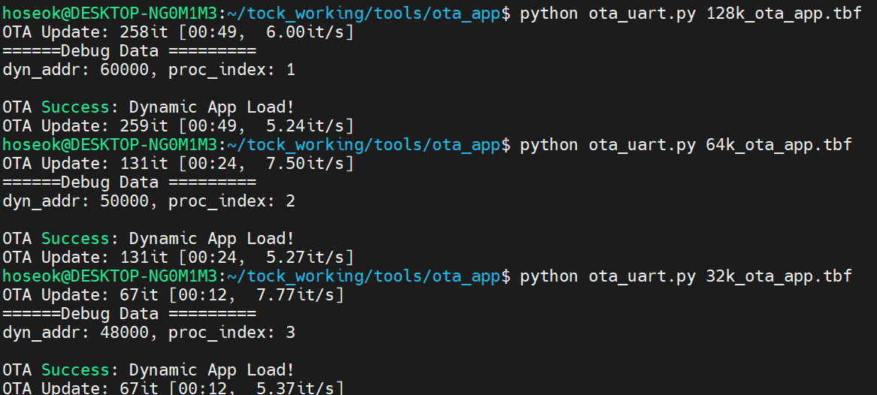

Step 4. Some test apps print a couple of strings. In this case, 8k_exit_app.tbf at the below picture.
It interrupts the communication protocol between the external tool and ota_app. When receiving debug data (start address and index)
But it's okay, if you try to load an app again, the prompt shows the received debug data
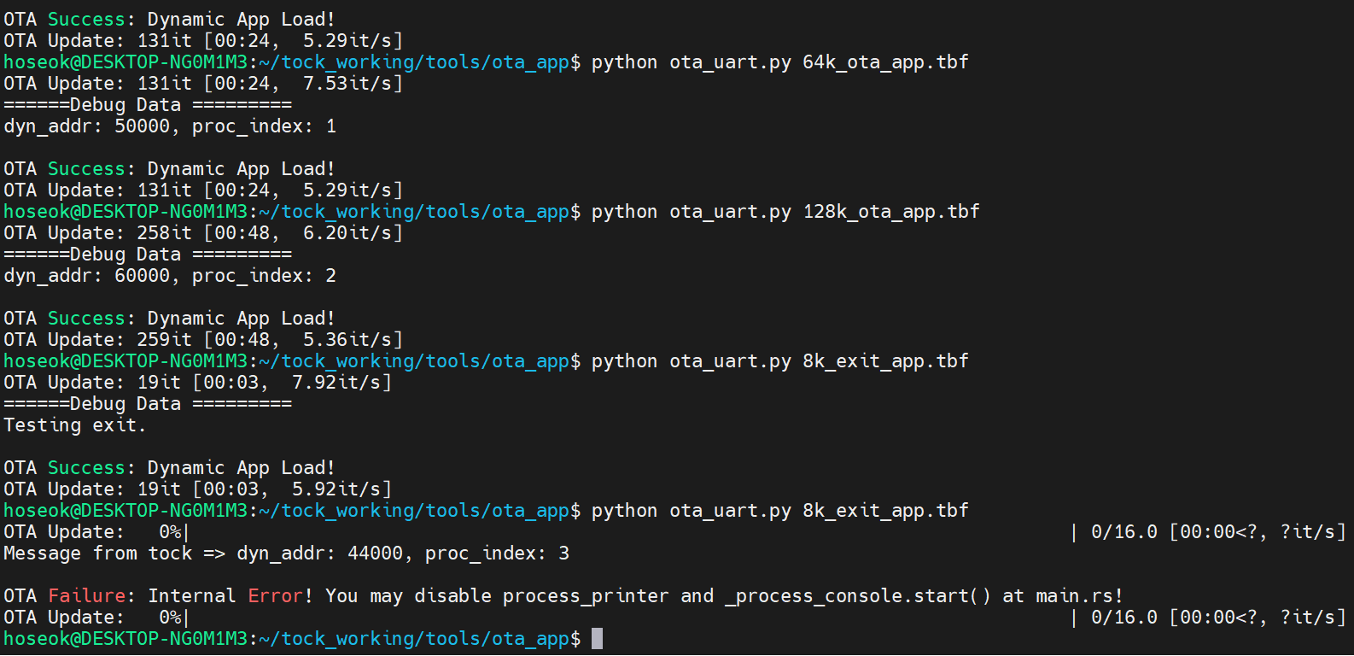

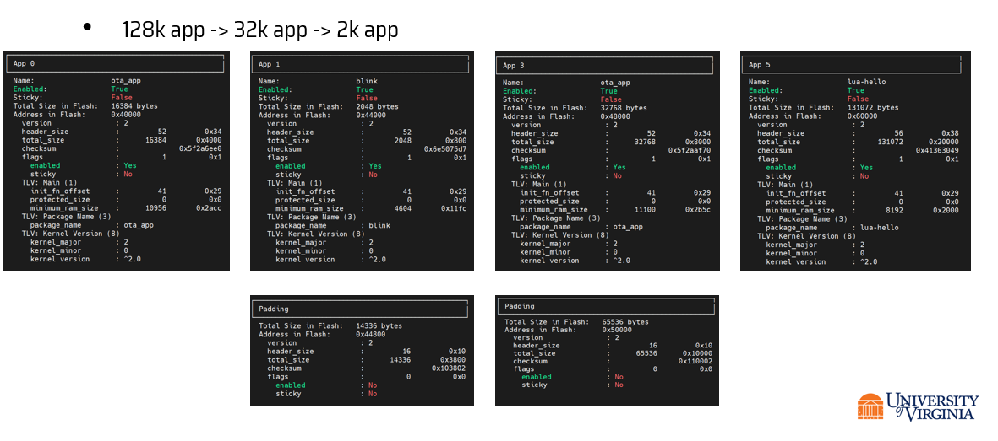
Step 5. Check test Item
Step 6. By using tockloader list --verbose, we can check the padding apps are attached correctly.

Step 7. By using tockloader read [address] [size], check whether or not a loaded app by 'ota_app' minupulates another app's region
We can check this with the start address of the debug data.

Test apps
App name | Size | Header Information
256k_lvg_app | 256K | 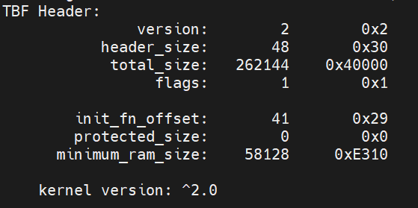
128k_lua_app | 128K | 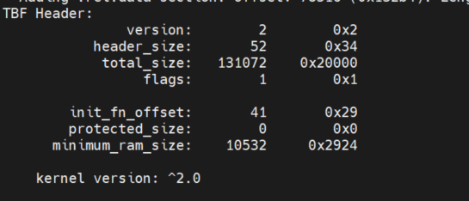
64k_ble_app | 64K | 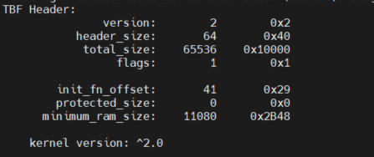 | hail_app_64k 1 time load => ok 2 time load => write stuck! / callback is not fired / System Stuck
32k_ota_app | 32K | 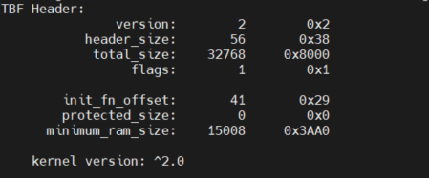 | wit_app_32k 1 time load => ok 2 time load => write stuck! / callback is not fired / System Stuck
16k_find_north_app | 16K | 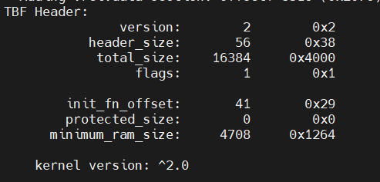
8k_exit_app | 8K | 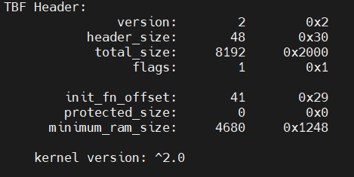
4k_hello_app | 4K | 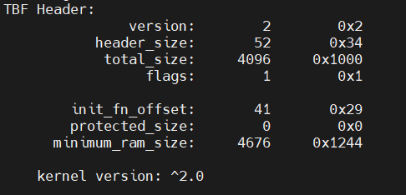
2k_blink_app | 2K | 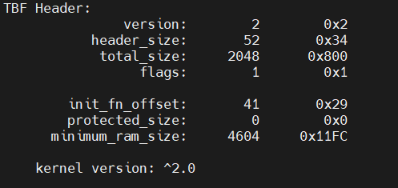
1k_btn_app | 1k | 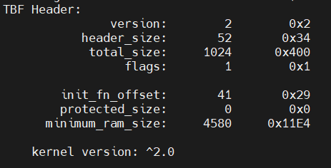
512_bare_app | 512 | 