Sheet1
Crop production for selected Food Crops, 2015-2021 (MT)
Crop | 2015 | 2016 | 2017 | 2018 | 2019 | 2020 | 2021**
Plantain Bananas(All Types) | 4,623,367 | 3,395,875 | 4,616,978 | 6,494,057 | 9,400,000 | 9,756,000 | 11,176,675
Cereals
Millet | 236,484 | 193,461 | 185,517 | 141,982 | 72, 000 | 70,000 | 89773
Maize | 2,812,919 | 2,482,795 | 2,814,490 | 3,442,430 | 2,760,000 | 4,560,000 | 6164663
 | 2015 | 2016 | 2017 | 2018 | 2019 | 2020 | 2021**
Plantain Bananas(All Types) | 4623367 | 3395875 | 4616978 | 6494057 | 9400000 | 9756000 | 11176675
Cereals
Millet | 236484 | 193461 | 185517 | 141982 | 0 | 70000 | 89773
Maize | 2812919 | 2482795 | 2814490 | 3442430 | 2760000 | 4560000 | 6164663
Sorghum | 410720 | 365622 | 202135 | 268493 | 97000 | 162000 | 222449
Rice | 238193 | 214910 | 188674 | 199266 | 166000 | 373000 | 727120
Root Crops
S/Potatoes | 2045153 | 1910718 | 1094632 | 1484163 | 1072000 | 1167000 | 1207617
Irish | 173093 | 171271 | 299338 | 327332 | 260000 | 250000 | 241230
Cassava | 2727487 | 2728988 | 1858666 | 4390231 | 2660000 | 2084000 | 2257790
Pulses
Beans | 1079943 | 809640 | 746683 | 727652 | 437000 | 786000 | 1414574
Other
Gnuts | 295897 | 274844 | 129046 | 253279 | 133000 | 183000 | 251877
Soya Beans | 28013 | 25730 | 28097 | 107624 | 126000 | 160000 | 265870
Sorghum | 410,720 | 365,622 | 202,135 | 268,493 | 97,000 | 162,000 | 222,449
Rice | 238,193 | 214,910 | 188,674 | 199,266 | 166,000 | 373,000 | 727,120
Root Crops
S/Potatoes | 2,045,153 | 1,910,718 | 1,094,632 | 1,484,163 | 1,072,000 | 1,167,000 | 1,207,617
Irish | 173,093 | 171,271 | 299,338 | 327,332 | 260,000 | 250,000 | 241230
Cassava | 2,727,487 | 2,728,988 | 1,858,666 | 4,390,231 | 2,660,000 | 2,084,000 | 2,257,790
Pulses
Beans | 1,079,943 | 809,640 | 746,683 | 727,652 | 437,000 | 786,000 | 1,414,574
Other
Gnuts | 295,897 | 274,844 | 129,046 | 253,279 | 133,000 | 183,000 | 251,877
Soya Beans | 28,013 | 25,730 | 28,097 | 107,624 | 126,000 | 160,000 | 265,870
Source: MAAIF and UBOS ** 2021 estimates

Sheet3
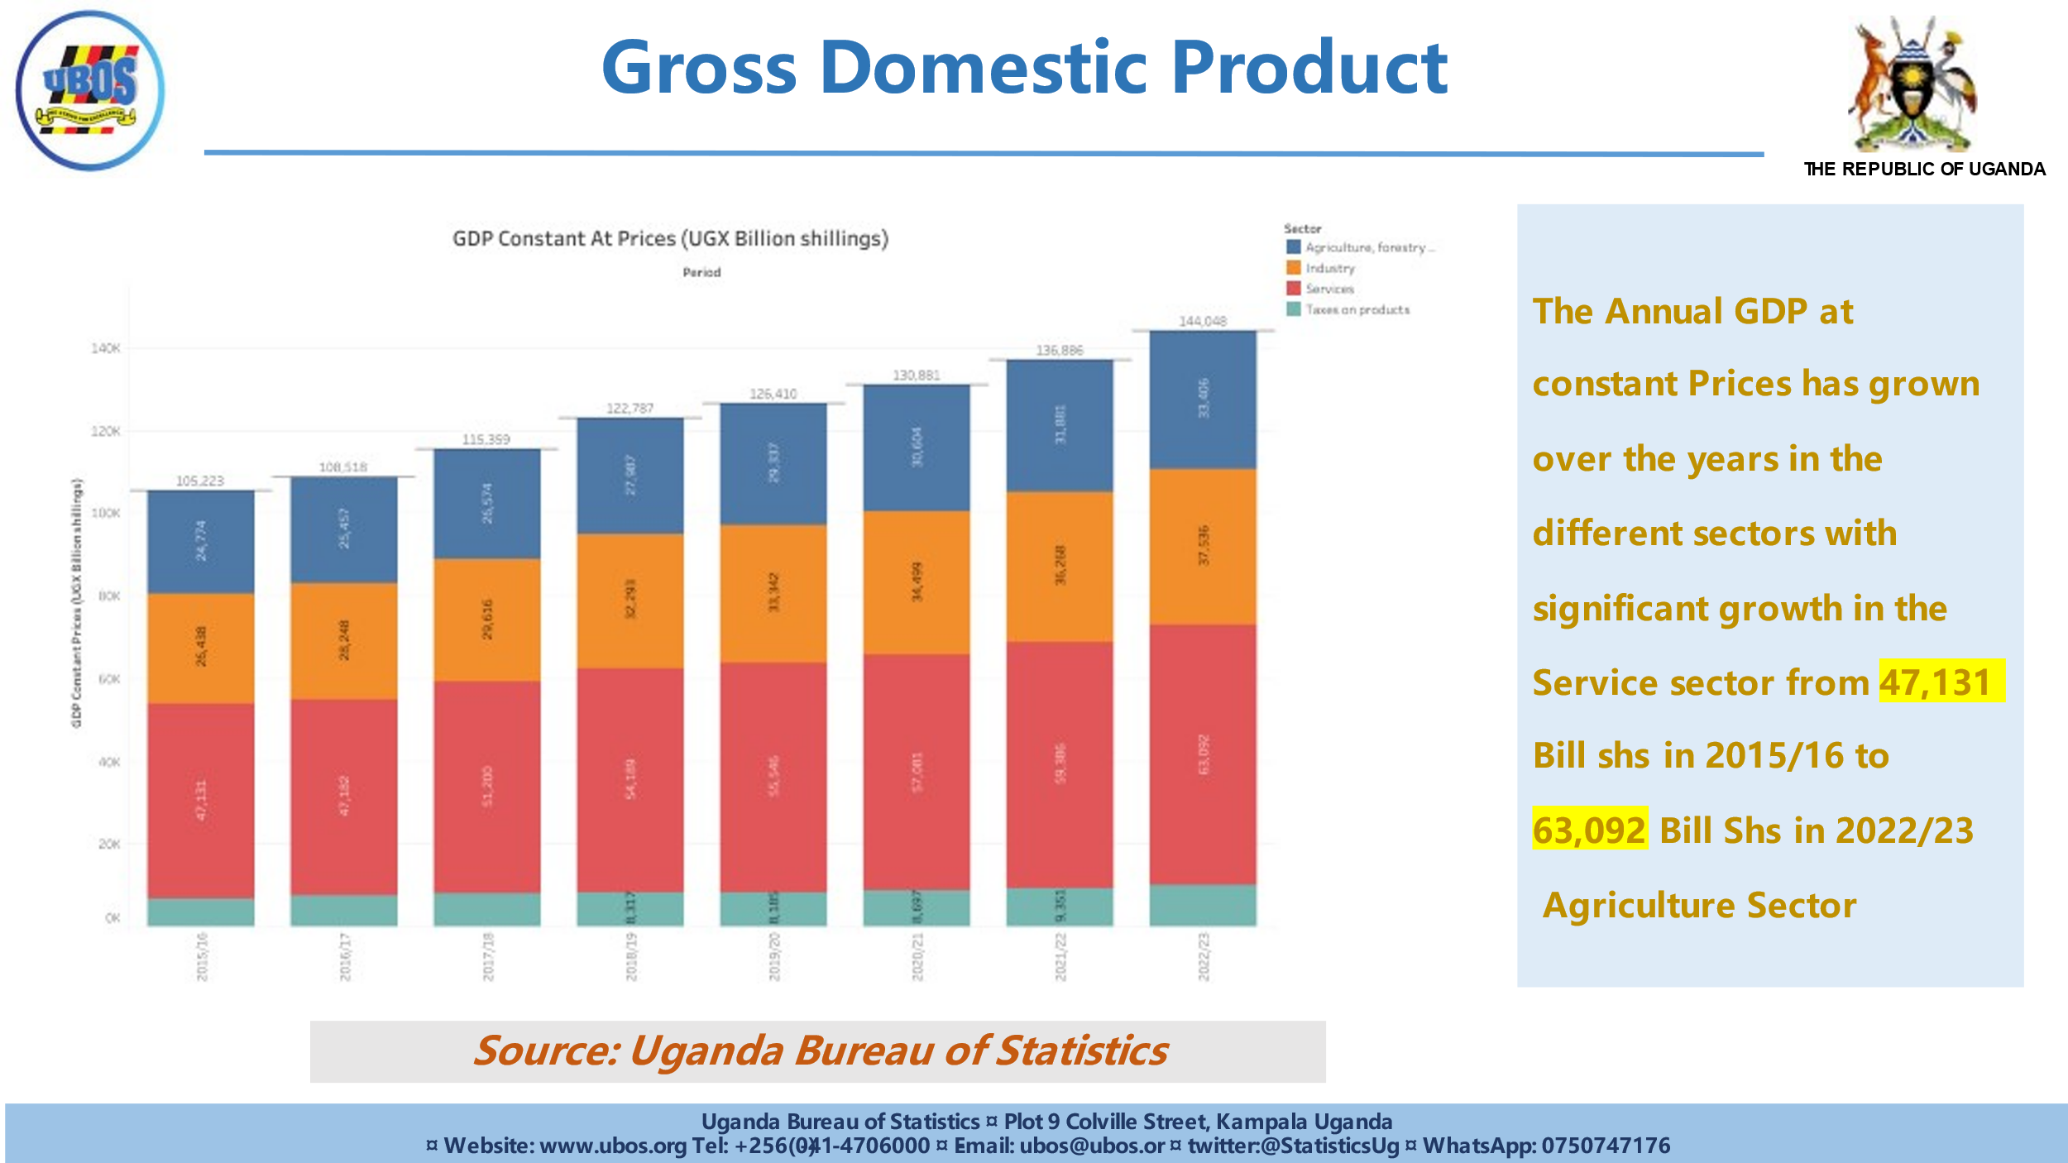

2015/16 | 2016/17 | 2017/18 | 2018/19 | 2019/20 | 2020/21 | 2018/20 | 2016/20 | 2015/20

