Sheet1
Requirement ID | Test Case ID | Title | Module | Defect ID | Defect status | Severity | Priority | Attachment | Created On | Closed On | Result | Tester
O1-2 | O1-8 | User should be able to navigate to the Opencart site home page by using the URL only on Chrome Browser | URL | O1-25 | Open | High | High | 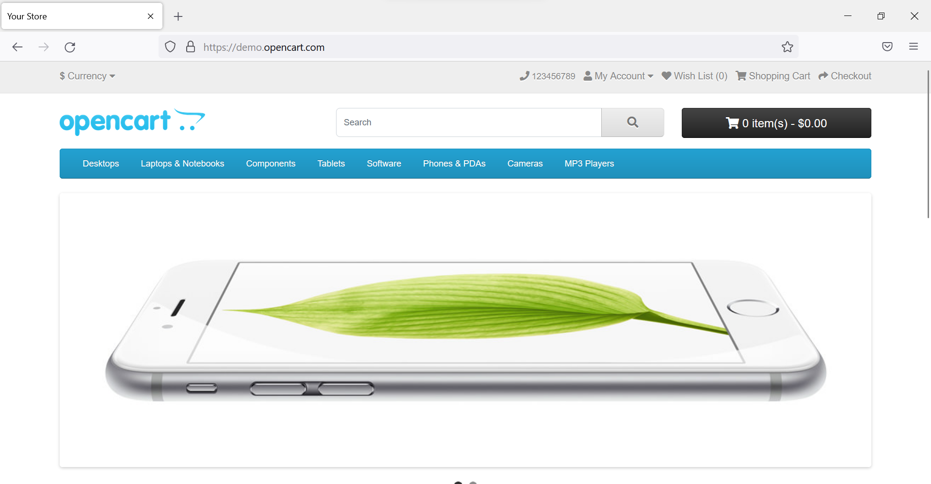 | 2022-06-10 | N/A | FAILED | Brayan
O1-4 | O1-12 | Verification of search based on desktops only for users | Home Page | O1-26 | Open | Medium | Medium | 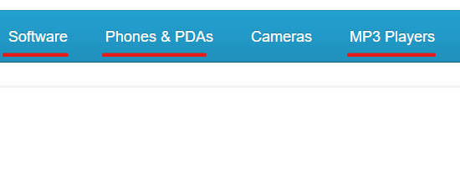 | 2022-06-10 | N/A | FAILED | Brayan
 | O1-13 | Verification of search based on Laptops and notebooks only for users |  | O1-27 | Open | Medium | Medium |  | 2022-06-10 | N/A | FAILED | Brayan
 | O1-14 | Verification of search based on Cameras only |  | O1-28 | Open | Medium | Medium |  | 2022-06-10 | N/A | FAILED | Brayan
O1-5 | O1-15 | Verification of User should not add items to cart before logging in. | Home page | O1-29 | Open | High | High | 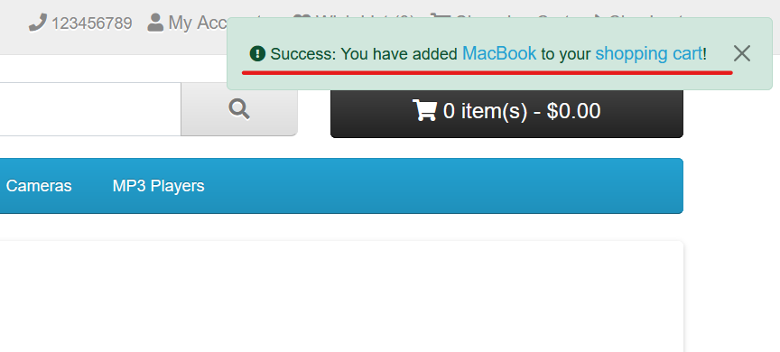 | 2022-06-10 | N/A | FAILED | Brayan
O1-6 | O1-18 | Verification of the email field is present in the Registration page | Registration Page | O1-30 | Open | High | Low | 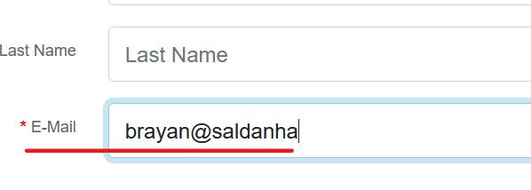 | 2022-06-10 | N/A | FAILED | Brayan
 | O1-20 | Verification of the confirm password field is present in the Registration page |  | O1-32 | Open | Low | Medium |  | 2022-06-10 | N/A | FAILED | Brayan
 | O1-21 | Verification of Subscribe with option yes/no check box is present on the Registration page |  | O1-33 | Open | Low | Low |  | 2022-06-10 | N/A | FAILED | Brayan

