Model
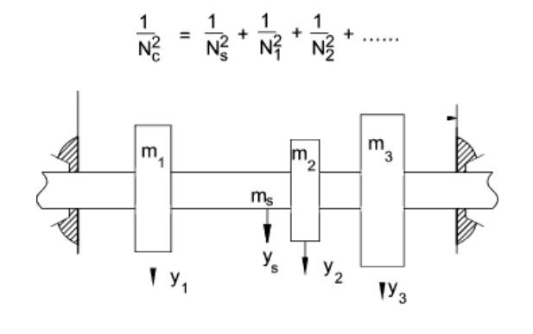
https://roymech.org/Useful_Tables/Drive/Shaft_Critical_Speed.html
Inputs |  |  |  |  | Outputs
Operating speed | 2094.4 | rad/s | 20,000 | rpm | 1st critical (Dunkerley combined) | 491 | Hz | 29,467 | rpm
Total bearing span (pump-to-pump) | 1.500 | m |  |  | 2nd critical (approx, per span) | 1964.5 | Hz | 117,870 | rpm
Number of intermediate bearings | 3 | -
Shaft outer diameter | 0.0508 | m | 50.8 | mm
Shaft inner diameter (0 = solid) | 0.05 | m | 50.0 | mm

Young's modulus E | 1.93E+11 | Pa
Material density | 7,900 | kg/m3
Shaft section area A | 6.333E-05 | m2
Second moment of area I | 2.011E-08 | m4
Shaft mass per length | 0.500 | kg/m

Shaft Segments
Segment Length | 0.375 | m
Segment Critical | 983 | Hz | 59,000 | rpm
Full Shaft Critical | 492 | Hz | 29,500 | rpm

Fuel Cantilever
L | 0.03 | L
m | 0.1 | kg
Critical | 10451.92 | Hz | 627,115 | rpm

Ox Cantilever
L | 0.01 | L
m | 0.00001 | kg
Critical | 5430975.18 | Hz | 325,858,511 | rpm

