Mark 2
Vehicle
burn time | 10.00 | s
impulse | 222410 | N-s | 50000 | lbf-s

TCA
thrust | 22241 | N | 5000 | lbf
chamber pressure | 5000000 | Pa | 50 | bar
c star | 1700 | m/s
c tau | 1.5
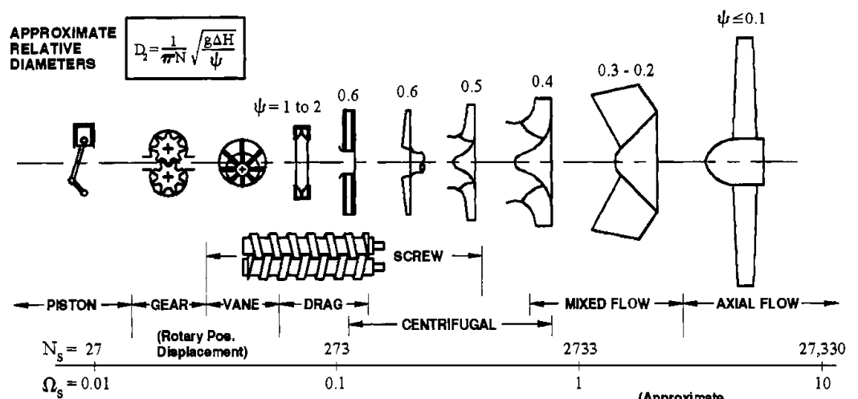
mcc mass flow | 8.722 | kg/s
gg guess | 0.843 | kg/s |  |  | error | 0.000 | kg/s
OF ratio | 2.500
injector stiffness | 1.200

ox pump |  |  |  |  | fuel pump
shaft speed | 2094.4 | rad/s | 20000 | rpm | 2094.4 | rad/s | 20000 | rpm
inlet pressure | 500000 | Pa | 5 | bar | 500000 | Pa | 5 | bar
discharge pressure | 6000000 | Pa | 60 | bar | 6500000 | Pa | 65 | bar
density | 1141 | kg/m3 |  |  | 800 | kg/m3
head | 491 | m |  |  | 765 | m
mass flow | 6.83 | kg/s |  |  | 2.73 | kg/s
volumetric flow | 0.0060 | m3/s |  |  | 0.0034 | m3/s
specific speed | 0.280 |  | 765 | Ns | 0.152 |  | 415 | Ns
head coefficient | 0.540 |  |  |  | 0.569

impeller OD | 0.0903 | m | 3.55 | in | 0.11 | m | 4.32 | in
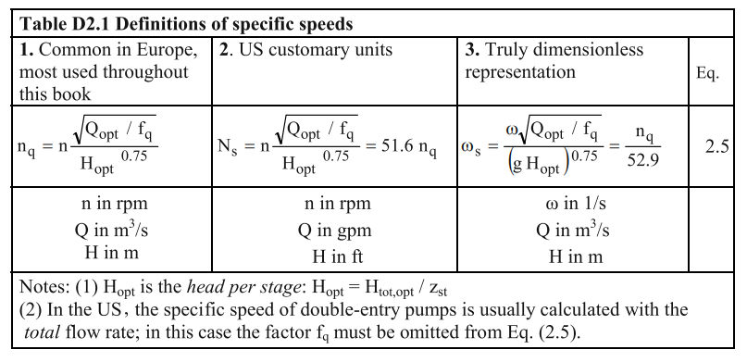
pump efficiency | 0.5 |  |  |  | 0.5
pump power | 65865 | W | 65.9 | kW | 40992 | W | 41.0 | kW

turbine |  |  |  |  | gas generator
shaft power | 106857 | W |  |  | mass flow fraction | 0.088117568115
turbine efficiency | 0.7
turbine power | 152653 | W
turbine torque | 72.9 | N*m
wheel pitchline radius | 0.203 | m | 8 | in
pitchline speed | 425.6 | m/s
gas flow | 0.843 | kg/s

velocity ratio | 0.41
spouting velocity | 1038.0 | m/s
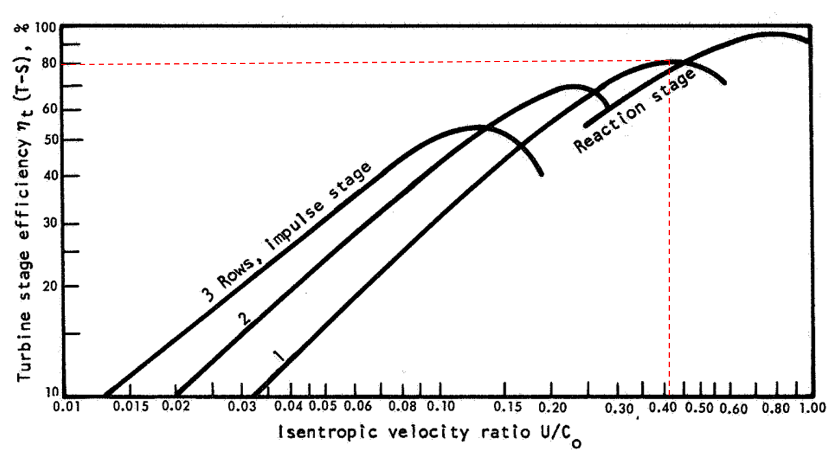
ox tank |  |  |  |  | fuel tank
inner diameter | 0.2032 | m | 8 | in | 0.2032 | m | 8 | in
prop mass | 68.3 | kg | 150.3 | lbm | 27.3 | kg | 60.1 | lbm
prop volume | 0.060 | m3 | 15.8 | gal | 0.034 | m3 | 9.0 | gal
approx length | 1.85 | m | 72.7 | in | 1.05 | m | 41.5 | in

References
