Komparator mit Hysterese
 | low | val | high |  | low | val | high
V_supply | 17.5 |  | 18 | R_H
Hysteresis |  | 0.5 |  | R_T + R_B | 1.75E+05 |  | 1.80E+05
V_T |  | 8.2 |  | R_B | 8.20E+04 |  | 8.20E+04
I_Bias+ |  | 0.0001 |  | R_T | 9.30E+04 |  | 9.80E+04
R_H |  | 1000000 |  | V_THR-off | 18.2626

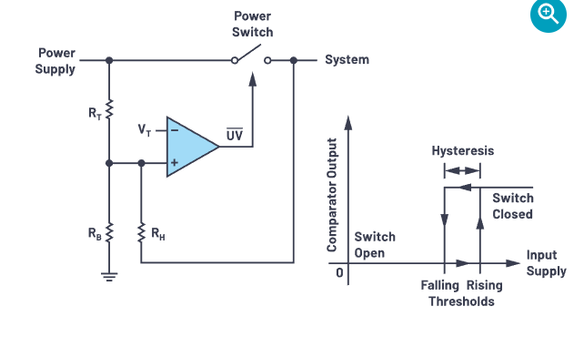

nach: | https://www.analog.com/en/analog-dialogue/articles/adding-hysteresis-for-smooth-undervoltage-and-overvoltage-lockout.html

