THOMPSON_RETROSPECTIVES
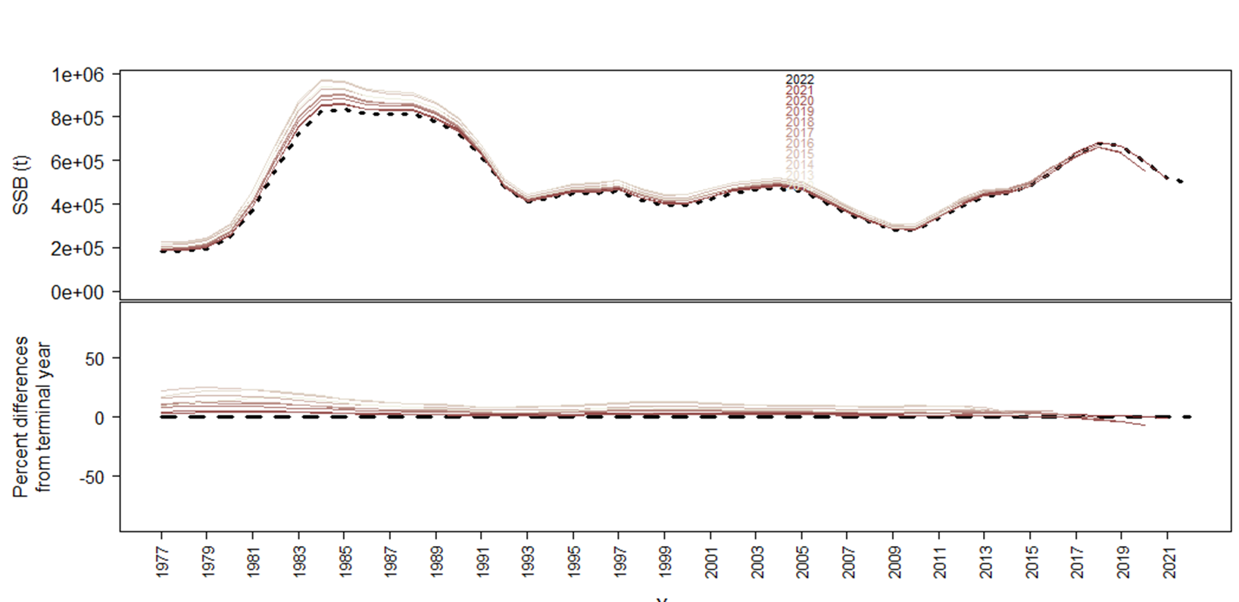
Thompson | Model 19.12 | Model 19.12A | Model 21.1 | Model 21.2 | Ensemble
SSB | 0.055 | 0.042 | 0.018 | 0.079 | 0.045
R | 0.120 | 0.099 | 0.093 | 0.181 | 0.134
F | -0.060 | -0.045 | -0.043 | -0.074 | -0.054
BR | 0.094 | 0.053 | 0.056 | 0.085 | -0.054

SSB_SS3diags
Mohn's | 0.02 | 0.02 | 0.01 | 0.04
Predictive | 0.01 | 0.02 | 0 | 0.04
MASE
Fishery Index |  |  |  | 0.41
Survey index | 0.19 | 0.44 | 0.44 | 0.47
Fishery Length | 0.31 | 0.33 | 0.34 | 0.42
Survey Length | 1.23 | 1.22 | 1.21 | 1.28
Survey Age | 0.71 | 0.71 | 0.68 | 0.71

Retrospective plot for SSB Ensemble

NEW_RETROSPECTIVES
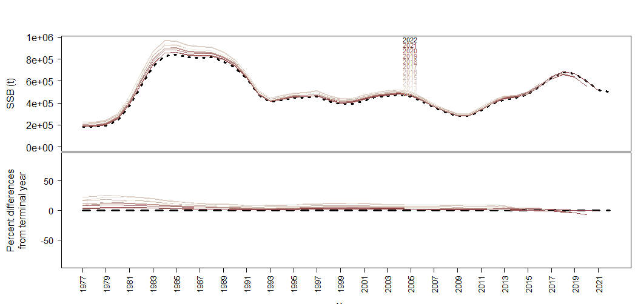
NEW | Model 22.1 (19.12) | Model 22.2 (19.12A) | Model 22.3 (21.1) | Model 22.4 (21.2) | Ensemble
SSB | 0.069 | 0.066 | 0.040 | 0.079 | 0.063
R | 0.145 | 0.133 | 0.098 | 0.184 | 0.151
F | -0.071 | -0.077 | -0.050 | -0.067 | -0.067
BR | 0.108 | 0.083 | 0.057 | 0.085 | 0.084

SSB_SS3diags
Mohn's | 0.04 | 0.05 | 0.02 | 0.04
Predictive | 0.03 | 0.04 | 0.02 | 0.04
MASE
Fishery Index |  |  |  | 0.42
Survey index | 0.2 | 0.45 | 0.45 | 0.47
Fishery Length | 0.31 | 0.32 | 1.4 | 0.42
Survey Length | 1.22 | 1.2 | 1.19 | 1.28
Survey Age | 0.76 | 0.76 | 0.75 | 0.77

Retrospective plot for SSB Ensemble

