1h
Market/Asset Class | Strategies | Weights (%)
US | Value | 1.98 | 0.019753901295
 | Momentum | 3.46 | 0.03463391838
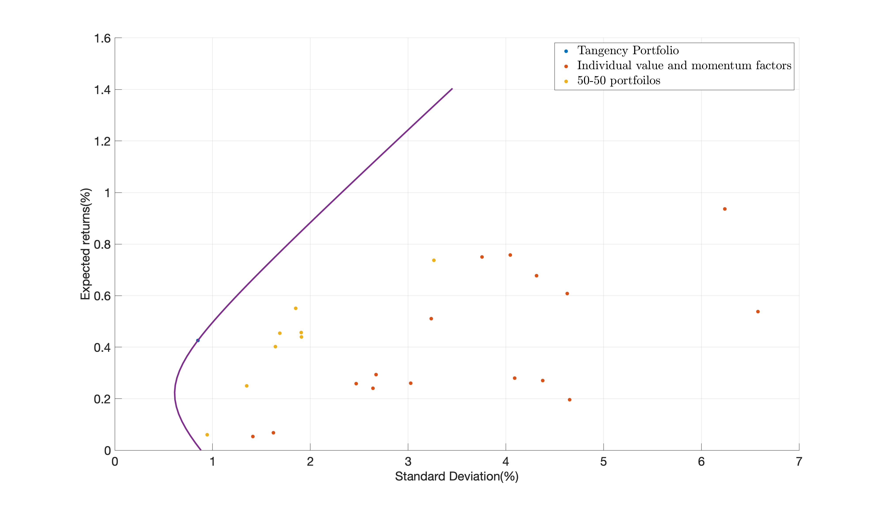
UK | Value | 1.10 | 0.011010626395
 | Momentum | 1.73 | 0.017346873624
EU | Value | 5.26 | 0.052640861626
 | Momentum | 5.48 | 0.054835405073
JP | Value | 10.90 | 0.10896878285
 | Momentum | 5.05 | 0.050508710831
EQ | Value | 14.78 | 0.14775547811
 | Momentum | 8.83 | 0.088285452183
FX | Value | 9.81 | 0.098105837784
 | Momentum | 7.09 | 0.070921818796
FI | Value | 9.07 | 0.090700413736
 | Momentum | 2.09 | 0.020887362126
CM | Value | 6.44 | 0.064440618077
 | Momentum | 6.92 | 0.06920393912
Tangency Portfolio | Expected Return | 0.4262 | 0.00
 | Standard Deviation | 0.8501 | 0.008501163551
 | Sharpe Ratio | 0.5013

1i
Market/Asset Class | Strategies | Weights for even months (%) | Weights for odd months (%)
US | Value | -2.31 | 10.90 | -0.023109591114 | 0.10895547551
 | Momentum | 7.60 | 1.48 | 0.07599010702 | 0.014776487413
UK | Value | -1.40 | 1.86 | -0.01399220232 | 0.01860367817
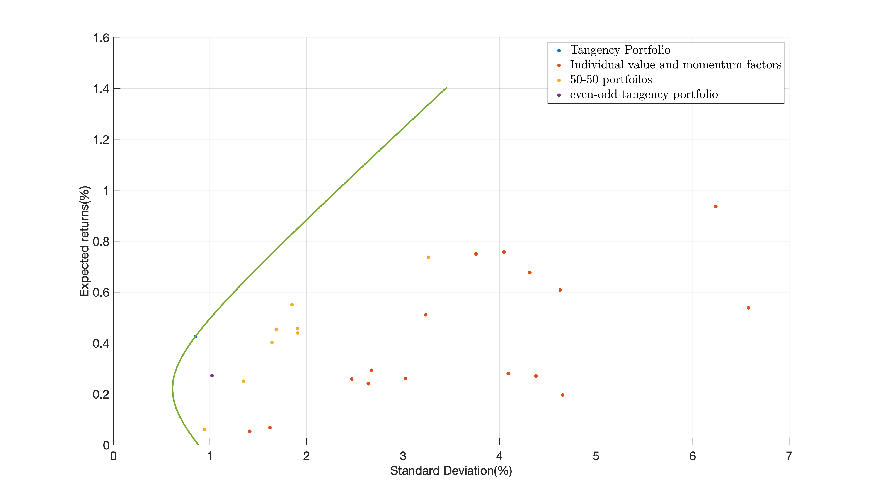
 | Momentum | -6.26 | 5.23 | -0.062592285224 | 0.052308960085
EU | Value | 9.49 | 0.64 | 0.09487624472 | 0.0064357394454
 | Momentum | 6.56 | 7.48 | 0.065556993229 | 0.074807370944
JP | Value | 15.65 | 1.50 | 0.15645678739 | 0.015032540934
 | Momentum | 6.15 | -0.16 | 0.061484148682 | -0.0016007484967
EQ | Value | 7.60 | 17.14 | 0.076018500103 | 0.17136795464
 | Momentum | 1.35 | 13.38 | 0.013490918017 | 0.13378511755
FX | Value | 8.52 | 10.98 | 0.085199623849 | 0.10981011135
 | Momentum | 16.18 | 0.50 | 0.16184887971 | 0.0050309383798
FI | Value | 0.05 | 14.48 | 0.00052966177163 | 0.14477570567
 | Momentum | 12.59 | 5.02 | 0.12593371075 | 0.050199011612
CM | Value | 6.44 | 6.59 | 0.064357761661 | 0.065853734707
 | Momentum | 11.80 | 2.99 | 0.11795074176 | 0.029857922087
Tangency Portfolio | Expected Return | 0.2718 |  | 0.0027183883624
 | Standard Deviation | 1.0215 |  | 0.010214850574
 | Sharpe Ratio | 0.2661

1k
Market/Asset Class | Strategies | Predicted Expected Returns (%) | Average Actual Returns (%)
US | Value | 0.21 | 0.27 | 0.002140617118 | 0.002706487807
 | Momentum | 0.47 | 0.61 | 0.0046832485454 | 0.0060802901408
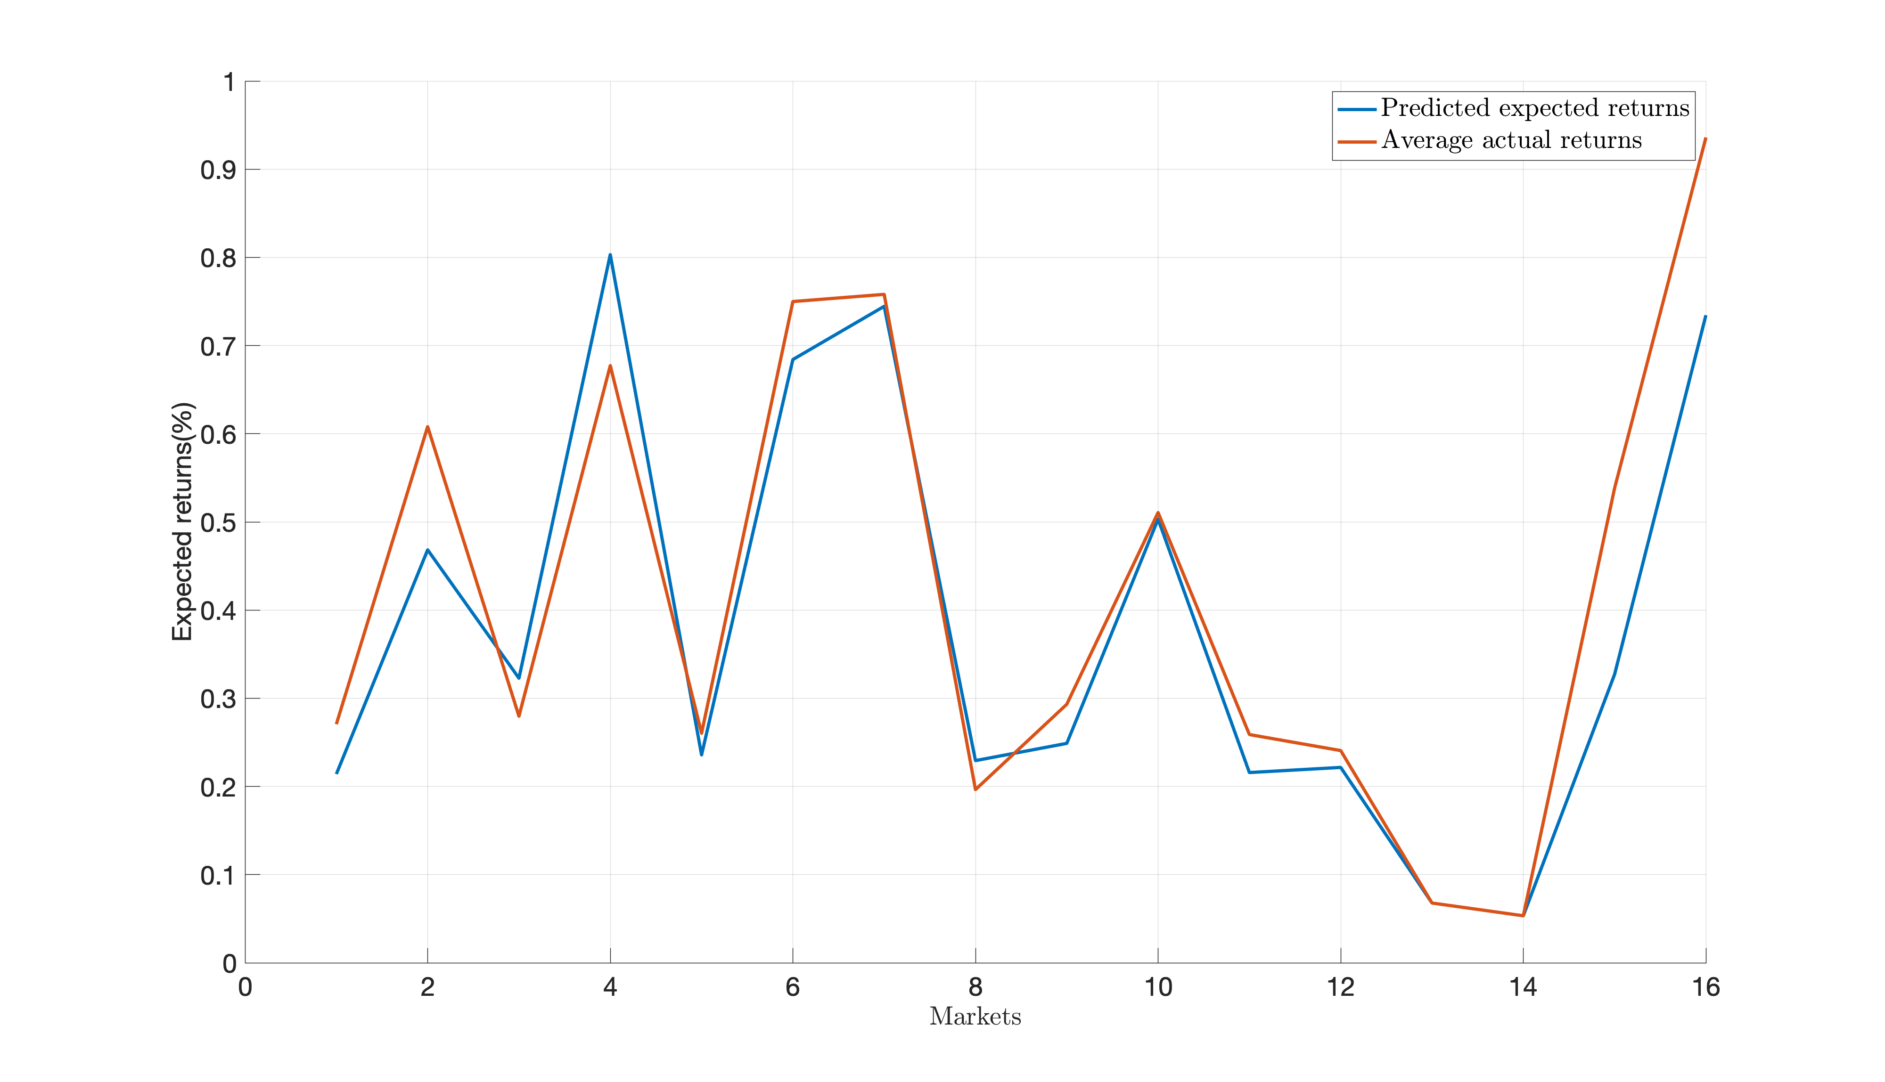
UK | Value | 0.32 | 0.28 | 0.0032276028025 | 0.0027964806028
 | Momentum | 0.80 | 0.68 | 0.0080311421175 | 0.0067725832252
EU | Value | 0.24 | 0.26 | 0.0023575441762 | 0.0026037918017
 | Momentum | 0.68 | 0.75 | 0.0068415834079 | 0.007499095908
JP | Value | 0.74 | 0.76 | 0.0074449883996 | 0.0075806965711
 | Momentum | 0.23 | 0.20 | 0.0022932793659 | 0.0019645616048
EQ | Value | 0.25 | 0.29 | 0.002488552123 | 0.002932159483
 | Momentum | 0.50 | 0.51 | 0.0050313520549 | 0.0051062186639
FX | Value | 0.22 | 0.26 | 0.0021577947127 | 0.0025886089301
 | Momentum | 0.22 | 0.24 | 0.002215975321 | 0.0024071026926
FI | Value | 0.07 | 0.07 | 0.00066955745947 | 0.00067814960873
 | Momentum | 0.05 | 0.05 | 0.00053076071517 | 0.00053357711544
CM | Value | 0.33 | 0.54 | 0.0032719124539 | 0.0053838742822
 | Momentum | 0.73 | 0.94 | 0.0073444428975 | 0.0093600052477

Market/Asset Class | Strategies | Alpha (%) | tstat | R-sqaure (%)
US | Value | -0.17 | -0.82 | 29.83 | -0.0017063638466 | -0.82435478611 | 0.29829500004
 | Momentum | 0.12 | 0.56 | 39.60 | 0.001167989438 | 0.56390665429 | 0.39603557963
UK | Value | -0.04 | -0.25 | 40.53 | -0.00042475329293 | -0.24772224678 | 0.40532046162
 | Momentum | 0.44 | 2.38 | 47.81 | 0.004354504072 | 2.3788394723 | 0.47807441712
EU | Value | 0.03 | 0.27 | 47.38 | 0.00032290421257 | 0.26858673688 | 0.47383276326
 | Momentum | 0.17 | 1.15 | 53.11 | 0.001695368456 | 1.1512613486 | 0.53110050175
JP | Value | 0.44 | 2.21 | 18.36 | 0.0044053232458 | 2.2081575008 | 0.18363048466
 | Momentum | 0.05 | 0.21 | 14.58 | 0.00051763266256 | 0.21340386648 | 0.14579026292
EQ | Value | 0.26 | 1.92 | 7.44 | 0.002567592383 | 1.9213378324 | 0.074351851535
 | Momentum | 0.21 | 1.37 | 23.40 | 0.0020582298719 | 1.3654157081 | 0.23396545594
FX | Value | 0.29 | 2.22 | 3.42 | 0.00292082162 | 2.2239420298 | 0.034215488319
 | Momentum | 0.03 | 0.24 | 7.25 | 0.0003237927716 | 0.23870261556 | 0.072492356242
FI | Value | 0.12 | 1.39 | 0.68 | 0.0012322384807 | 1.3919648347 | 0.0068006772766
 | Momentum | 0.00 | -0.05 | 2.29 | -3.50E-05 | -0.045798832587 | 0.022857236209
CM | Value | 0.50 | 1.59 | 2.08 | 0.0049992933966 | 1.5908405849 | 0.020788251685
 | Momentum | 0.46 | 1.61 | 5.70 | 0.0046230155633 | 1.6145333708 | 0.057045640361

4o
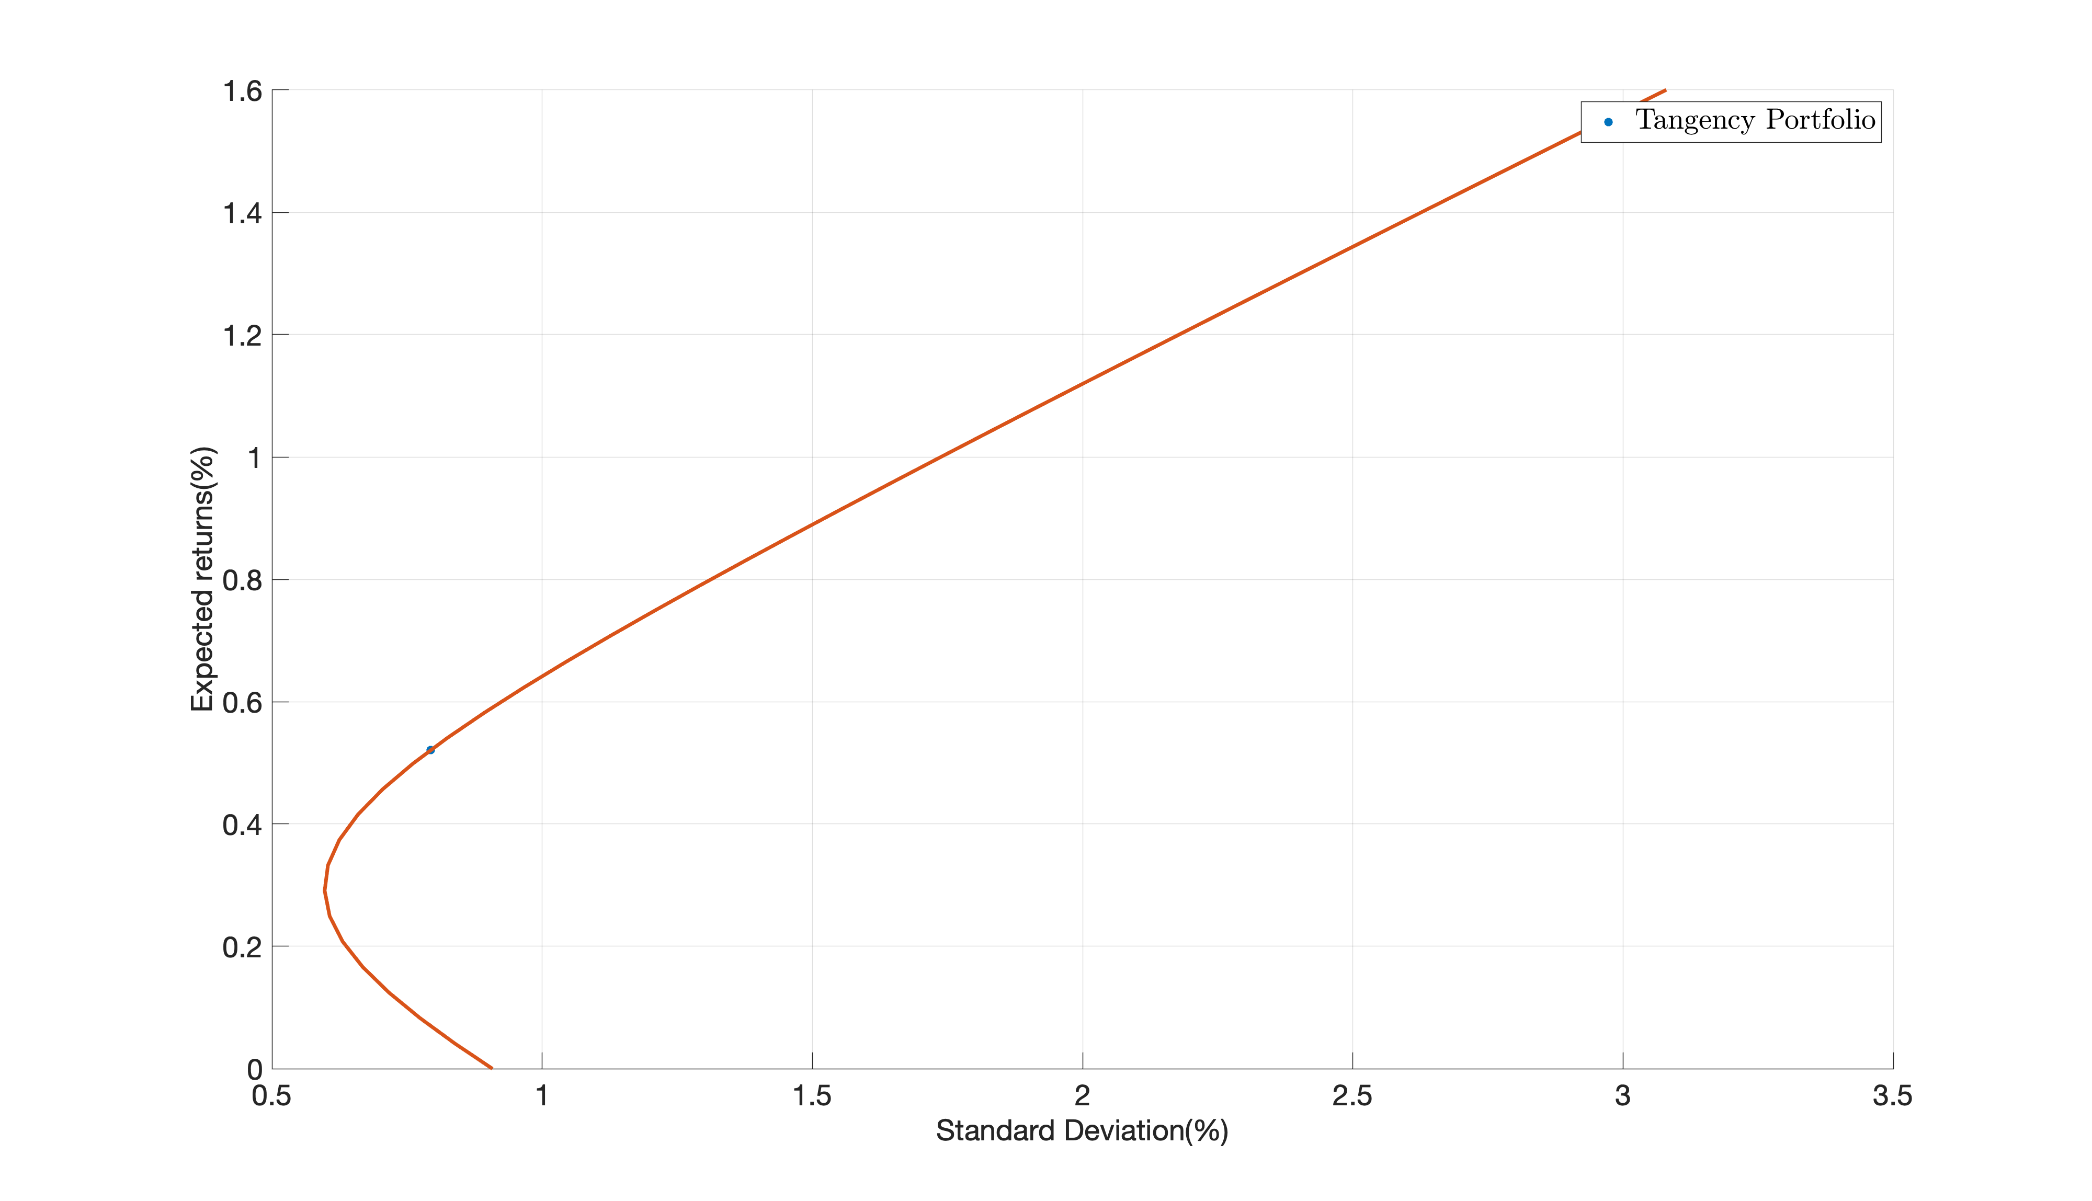
 |  | Weights (%)
Factors | RMRF | 1.36 | 0.013584945243
 | SMB | 7.24 | 0.072356764117
 | VAL(ew) | 42.13 | 0.42127229563
 | MOM(ew) | 28.08 | 0.28075390875
 | BAB | -2.91 | -0.029062795001
 | Qual/Defensive | 11.09 | 0.11092647042
 | Carry | 12.68 | 0.12681733532
 | STREV | 3.18 | 0.031792539727
 | LTREV | -2.84 | -0.028441464208
Tangency Portfolio | Expected Return | 0.5207 | 0.0052071477854
 | Standard Deviation | 0.7933 | 0.0079333753469
 | Sharpe Ratio | 0.6564

4p
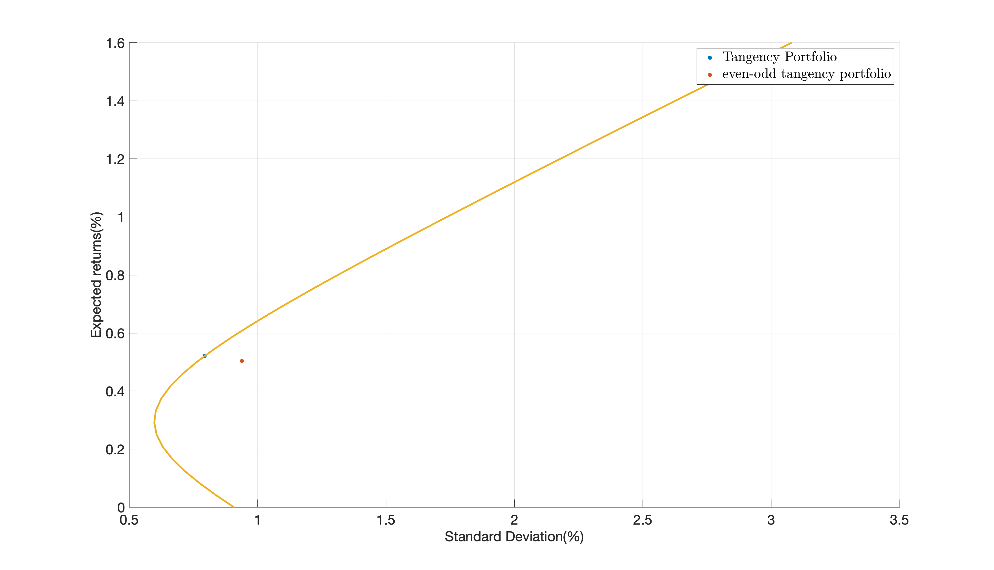
 |  | Weights for even months (%) | Weights for odd months (%)
Factors | RMRF | 3.26 | -1.87 | 0.032618871951 | -0.018710808033
 | SMB | 3.15 | 9.64 | 0.03152614327 | 0.096404087798
 | VAL(ew) | 41.36 | 42.75 | 0.4135986024 | 0.42751088733
 | MOM(ew) | 37.21 | 20.48 | 0.37207285432 | 0.20478104057
 | BAB | -5.69 | -0.35 | -0.056889046313 | -0.0035381297607
 | Qual/Defensive | 11.11 | 11.07 | 0.11106530515 | 0.11074663773
 | Carry | 16.54 | 10.46 | 0.16535279881 | 0.10458347667
 | STREV | -0.43 | 7.94 | -0.0042629814227 | 0.079444657323
 | LTREV | -6.51 | -0.12 | -0.065082548167 | -0.0012218496209
Tangency Portfolio | Expected Return | 0.5043 |  | 0.0050427344863
 | Standard Deviation | 0.9389 |  | 0.0093893458168
 | Sharpe Ratio | 0.5371

