1. Title Page
[Instacart Analysis]

Project Name: Instacart Grocery Basket Analysis
Date:10/21/2023
Analyst Name: Brian Avila
Analyst Name:

Contents:
Population Flow
Consistency checks
Wrangling steps
Column derivations
Visualizations
Recommendations

Reference:
The Instacart Online Grocery Shopping Dataset 2017”, Accessed from www.instacart.com/datasets/grocery-shopping-2017 via Kaggle on 5/21/2023 .

2. Population Flow
Title page

Population flow

Exclusion flag
Condition: max_order < 5
Obervations to be removed: 1,440,295
Final total count of order_products_all: 30,964,564

Orders_products_combined
Orders_products_merged
Orders_products_all

Total: 32,404,859
Total: 32,434,489
Total: 32,404,859

1.) The initial grey boxes in the first row of the population flow represent the original datasets as they were when downloaded. In the "Total" fields, add the count of rows when importing the dataset into Jupyter.
2.) The second row of colored boxes represents the datasets after manipulation, such as removing missing values and duplicates. In the "Total" fields, include the count of rows after performing these operations, providing a visual overview of data flow during data consistency checks.
3.) The third row, marked with colored arrows, reflects the merges between datasets. In the "Total" fields, include the count of rows in the merged datasets to arrive at the final dataset (in the red box). Ensure the final dataset has no exclusions based on the exclusion flag.

3. Consistency checks
 |  |  |  | Title page
Consistency checks

Dataset | Missing values | Missing values treatment | Duplicates
products | 16 NULL values found in prooduct_name column | Rows with NULL values were removed | 5 duplicate rows found. Duplicates removed
orders | 206,209 NULL values in days_since_prior_order column | Keep NULL values. Create new column to flag user's first order | No duplicates
orders_products_prior
customers | No missing values |  | No duplicates
states/regions | No missing values |  | No duplicates
departments | No missing values |  | No duplicates

4. Wrangling steps
 |  |  |  | Title page
Wrangling steps

Columns dropped | Columns renamed | Columns' type changed | Comment/Reason
 | 'order_dow' to 'orders_day_of_week' |  | To clarify column name
 |  | 'order_id' datatype changed from int64 to object | To ignore order_id column when calculating descriptive statistics
'eval_set' |  |  | To drop column that is irrelevant to analysis
Transposed df_dep to df_dep_t_new and added new header |  |  | To change df from wide format into long format
 |  | 'user_id' datatype changed from int64 to object | To ignore order_id column when calculating descriptive statistics
 | Rename 'First Name' column to 'first_name' |  | To clarify column name
 | Rename 'Surnam' column to 'last_name' |  | To clarify column name
 | Rename 'Gender' column to 'customer_gender' |  | To clarify column name
 | Rename 'STATE' column to 'customer_state' |  | To clarify column name
 | Rename 'Age' column to 'customer_age' |  | To clarify column name
 | Rename 'n_dependants' column to 'customer_number_of_dependents' |  | To clarify column name
 | Rename 'family_status' column to 'customer_family_status' |  | To clarify column name
 | Rename 'income' column to 'customer_income' |  | To clarify column name
 |  | 'first_name' datatype changed to object | Column 'first_name' contained mixed datatypes. Needed cleaning
'first_name' |  |  | Ensure data privacy and security of PII data
'last_name' |  |  | Ensure data privacy and security of PII data
 | Rename 'State' column to 'customer_state' |  | To clarify column name and be able to merge on column
 | Rename 'Region' column to 'customer_region' |  | To clarify column name

5. Column derivations
 |  |  |  | Title page

Column derivations and aggregations

Dataset | New column | Column/s it was derived from | Conditions
orders_products_merged | price_range | price | If the price falls below 5, the product is considered low-range. If the price ranges between 5 and 15, it is classified as a mid-range product. If the price exceeds 15, it is categorized as a high-range product.
orders_products_merged | busiest_days | orders_day_of_week | If orders made on a day with an order_day_of_week of 0 or 1 are considered very busy. If orders made on days with an order_day_of_week of 3 or 4 are considered not busy. For all other days with different order_day_of_week values, the status is deemed regularly busy.
orders_products_merged | busiest_period_of_day | order_hour_of_day | if the order_hour_of_day falls within 10-15, it signifies the highest order volume. If the order_hour_of_day falls within 0-5, it indicates the lowest order volume. For order_hour_of_day falling within 6-9 or 16-23, it represents an average order volume.
orders_products_merged | max_order | order_number user_id | Returned max order_number for each user_id
orders_products_merged | loyalty_flag | max_order | If the user's max_order exceeds 40, they are classified as a "Loyal customer." If the user's max_order is over 10 but not greater than 40, they are designated as a "Regular customer." If the user's max_order is 10 or less, they are categorized as a "New customer."
orders_products_merged | avg_item_price | prices user_id | Returned average purchased item price for each user_id
orders_products_merged | spending_flag | avg_item_price | If the average item price for the user with user_id is below 10, they are categorized as a "Low spender." If the average item price for the user with user_id is 10 or higher, they are classified as a "High spender."
orders_products_merged | median_days_since_prior_order | days_since_prior_order user_id | Returned median amount of days_since_prior_order for each user_id
orders_products_merged | frequency_flag | median_days_since_prior_order | If the median_days_since_prior_order exceeds 20, assign the label "Non-frequent customer." If the median_days_since_prior_order falls between 10 and 20, assign the label "Regular customer." If the median_days_since_prior_order is 10 or less, assign the label "Frequent customer."
customers_orders_products | customer_activity | max_order | If 'max_order' is 5 or greater, the value in 'customer_activity' will be 'normal.' If 'max_order' is less than 5, the value in 'customer_activity' will be 'low.'
customers_orders_products | age_group | customer_age | If the customer's age falls within 18-33, assign the 'young' value to the age group. If the customer's age falls within 34-65, assign the 'middle-aged' value to the age group. If the customer's age falls within 66-81, assign the 'old' value to the age group.
customers_orders_products | income_group | customer_income | If the customer's income is 67,292 or lower, assign the 'low' value to the income group. If the customer's income is more than 67,292 but less than 128,102, assign the 'moderate' value to the income group. If the customer's income is 128,102 or higher, assign the 'high' value to the income group.
customers_orders_products | customer_dependents | customer_number_of_dependents | If customers have no dependents, assign the value 'no dependents.' If customers have one or more dependents, assign the value '1 or more dependents.'
customers_orders_products | customer_diet | user_id department | The default value is 'none.' If the customer has no prior purchases from the 'meat seafood' department, mark them as 'vegetarian.' If the customer has no previous purchases from the 'meat seafood' or 'dairy eggs' department, designate them as 'vegan.'
customers_orders_products | customer_profile | customer_gender age_group customer_dependents | Create 12 distinct customer profile labels by combining information from the customer_gender, age_group, and customer_dependents columns.

6. Visualizations
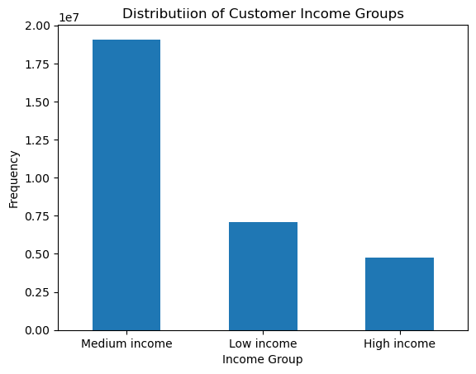
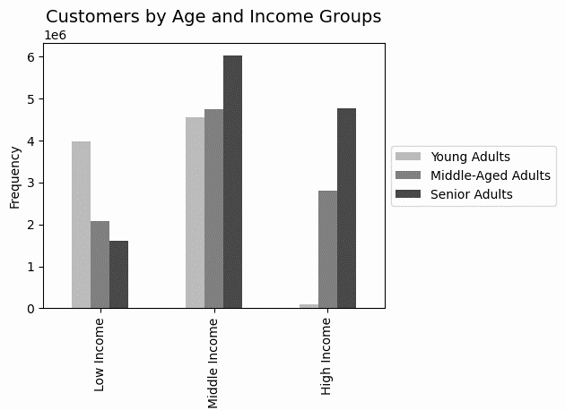
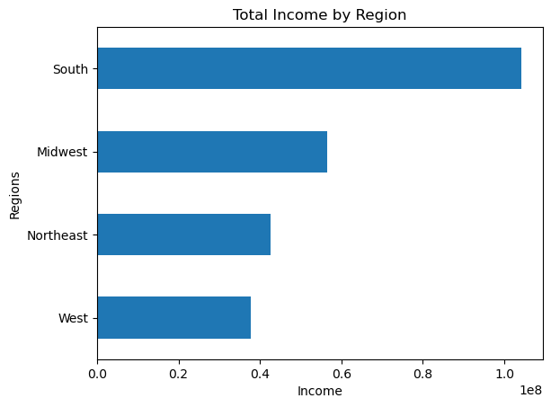
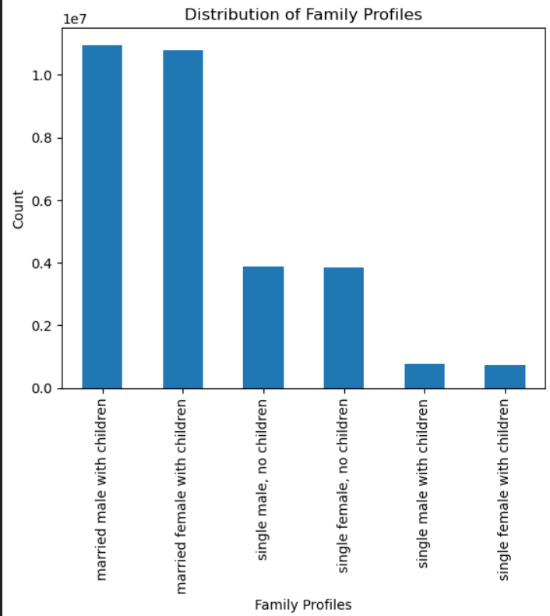
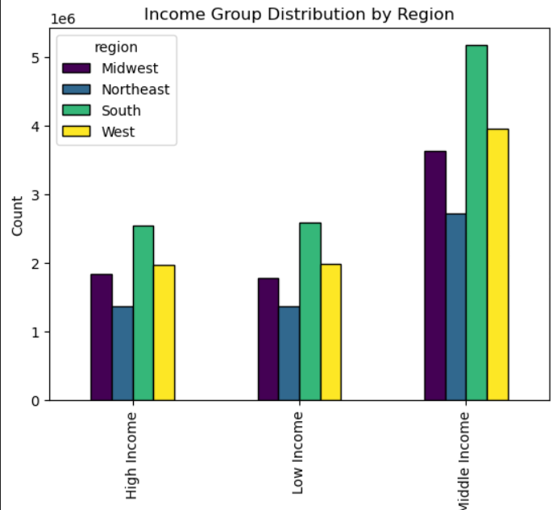
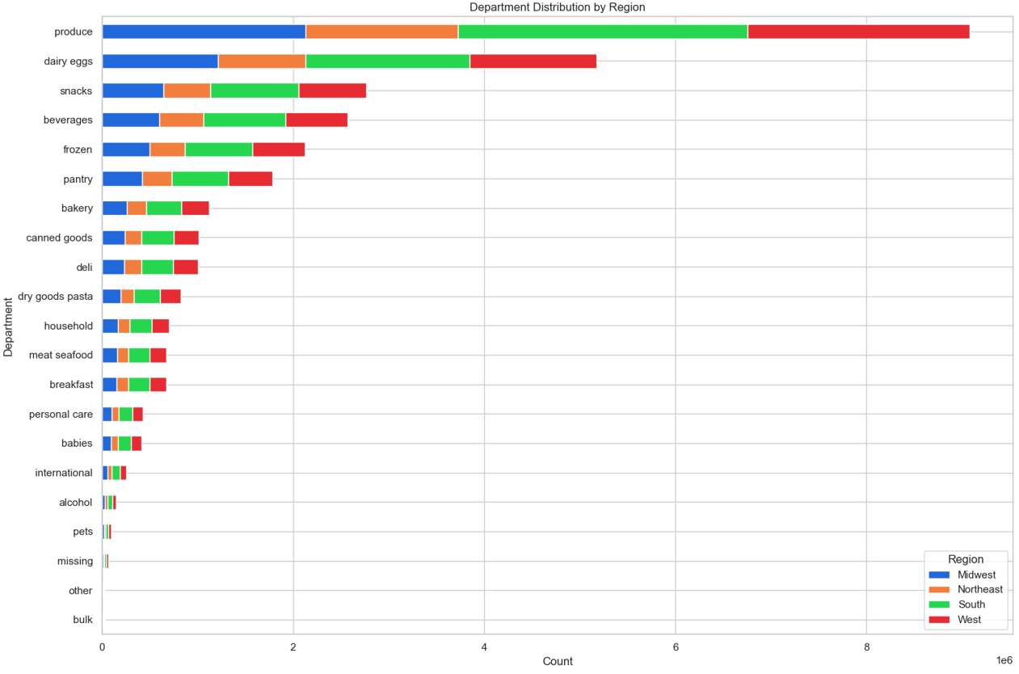
 | Title page

Visualisations

what are the busiest days of the week and hours of the day?


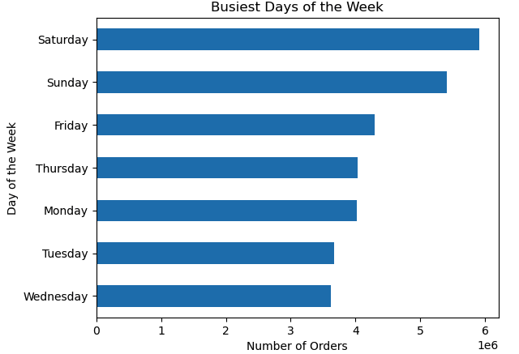

What times of the day people spend the most money?
Q2
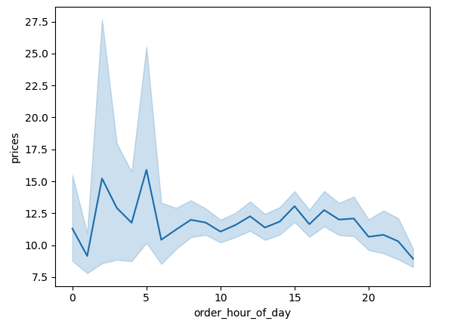
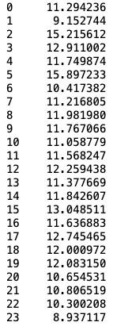
Hourly Expenditure

What price range groupings are customers purchasing?

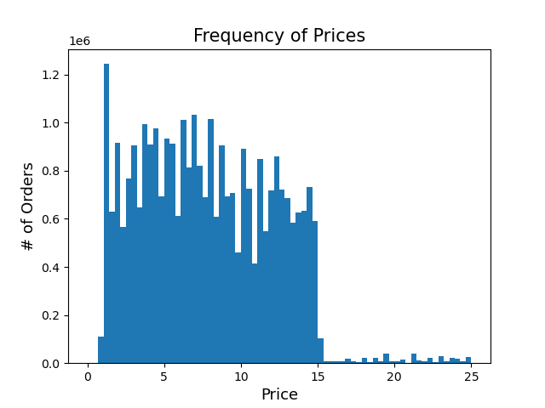

Are certain products more favored than others? The marketing and sales teams are interested in identifying which departments see the most frequent product orders.

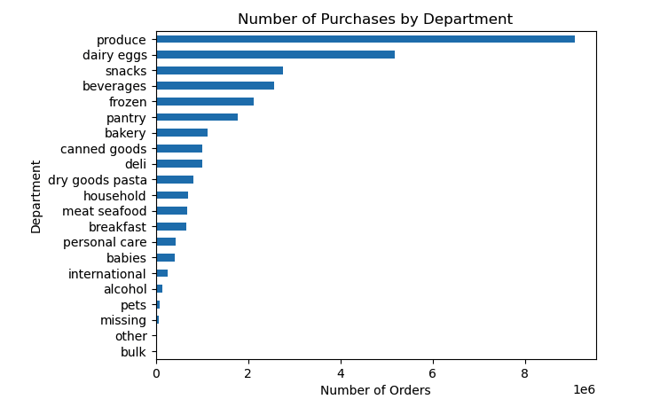

How is the distribution of user loyalty in terms of their frequency of returning to Instacart?

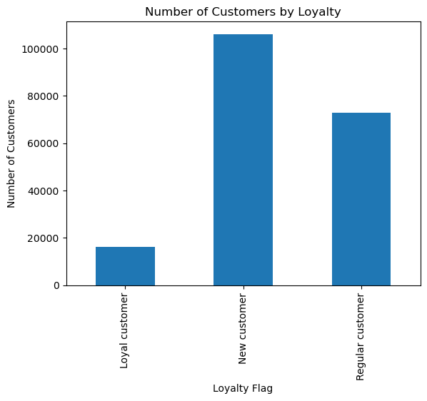

What variances exist in the ordering habits of diverse customer profiles such as relationship between age and income?

7. Recommendations
 |  |  | Title page

Recommendations

 | Question | Answer
Key Question 1 | what are the busiest days of the week and hours of the day ? | Most orders occur from 9 AM to 4 PM, indicating the need to focus ads during these hours. Furthermore, the bar chart reveals that Saturdays and Sundays have the highest order volumes, indicating a preference for weekend shopping. With this insight, the sales team can schedule ads during off-peak hours to make the most impact when orders are fewer, optimizing resource allocation and outreach effectiveness.
Key Question 2 | What times of the day people spend the most money? | Expensive items are mainly bought at 3 a.m., offering a special opportunity for high-value transactions. Apart from these exceptional cases, customer spending remains steady throughout the day. In the early morning, it's recommended to promote premium products with targeted ads. By matching products with customer spending patterns, the sales team can create focused campaigns, optimizing revenue during these specific time slots.
Key Question 3 | What price range groupings are customers purchasing? | Instacart offers a wide array of products, accommodating customers with different budget preferences. The histogram analysis shows a noteworthy pattern: most products are priced between $2 and $15. This data is a valuable reference for marketing and sales teams, highlighting a strong preference among customers for affordable and moderately priced items.
Key Question 4 | Are certain products more favored than others? The marketing and sales teams are interested in identifying which departments see the most frequent product orders. | Acknowledging the evident customer preferences, retailers can seize a distinctive chance to enhance their marketing strategies. Focusing promotional efforts on high-demand departments like Produce, Dairy & Eggs, Snacks, and Frozen products enables businesses to craft effective marketing campaigns that align with customer needs.
Key Question 5 | How is the distribution of user loyalty in terms of their frequency of returning to Instacart? | Fostering loyalty among our existing customers is crucial. We suggest introducing personalized initiatives to attract new customers, enticing them with appealing offers to make their initial purchases and introduce them to the benefits of our loyalty program. For our regular customers, building and reinforcing their loyalty is paramount. This involves providing exclusive offers, personalized product suggestions, and a multi-tiered loyalty program to acknowledge their ongoing support. Loyal customers merit special attention, and we consistently enhance their experience with exclusive rewards and early access to promotions, ensuring they feel valued and appreciated.
Key Question 6 | What variances exist in the ordering behaviors of diverse customer profiles such as relationship between age and income? | There are patterns and differences on spending between different profiles. We need to create marketing strategies designed for distinct age groups. Generate messages and promotions that resonate with each age group's financial capabilities and preferences. Emphasize products and services that cater to their unique requirements and interests.
Key Question 7 | Are there differences in ordering habits based on a customer’s region? | There are no distinguishable differences in the ordering habits from different regions. Customers ordering patterns closely resemble the odering patterns of customers from other regions for all department products.

