NOTES
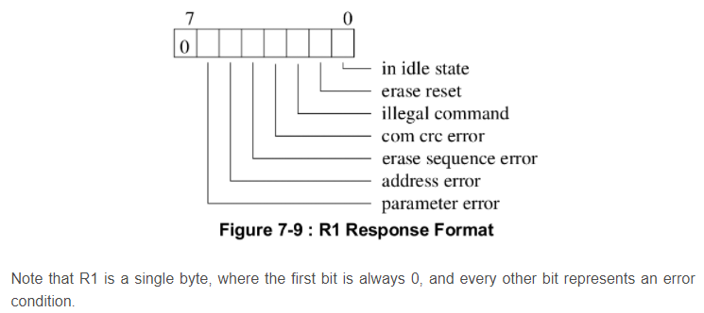
SD Setup & Information |  |  | 242 | 243 / 244 | 245 / 249
FUNCTION |  | REGISTER | ADDRESS | COMMAND | ARGUMENT | NOTES | RESPONSE? |  |  |  |  |  |  |  |  |  |  |  |  |  |  |  |  | COMMAND INDEX | ARGUMENT | RESPONSE | DATA | DESCRIPTION
Set timeout |  | OCSDC_TIMEOUT | 0x20 | 0 | 0x7FFF |  |  |  |  |  |  |  |  |  |  |  |  |  |  |  |  |  |  | CMD0 | None | R1 | No | Software Reset
Disable interrupts |  | OCSDC_CMD_INT_ENABLE | 0x38 | 0 | 0 |  |  |  |  |  |  |  |  |  |  |  |  |  |  |  |  |  |  | CMD1 | None | R1 | No | Start initialisation.
 |  | OCSDC_DAT_INT_ENABLE | 0x40 | 0 | 0 |  |  |  |  |  |  |  |  |  |  |  |  |  |  |  |  |  |  | ACMD41 | 0x40300000 | R1 | No | SDC only. Start initialisation.
Clear interrupts |  | OCSDC_CMD_INT_STATUS | 0x34 | 0 | 0 |  |  |  |  |  |  |  |  |  |  |  |  |  |  |  |  |  |  | CMD8 | 0x1AA | R7 | No | SDC only. Check voltage range.
 |  | OCSDC_DAT_INT_STATUS | 0x3C | 0 | 0 | INTERFACE SETUP |  |  |  |  |  |  |  |  |  |  |  |  |  |  |  |  |  | CMD9 | None | R1 | Yes | Read CSD register.
Set clock divider |  | OCSDC_SOFTWARE_RESET | 0x28 | 0 | 1 |  |  |  |  |  |  |  |  |  |  |  |  |  |  |  |  |  |  | CMD10 | None | R1 | Yes | Read CID register.
 |  | OCSDC_CLOCK_DIVIDER | 0x24 | 0 | 2 |  |  |  |  |  |  |  |  |  |  |  |  |  |  |  |  |  |  | CMD11 | None | R1 | No | Voltage Switch to 1.8V
 |  | OCSDC_SOFTWARE_RESET | 0x28 | 0 | 0 |  |  |  |  |  |  |  |  |  |  |  |  |  |  |  |  |  |  | CMD12 | None | R1b | No | Stop to read data.
Set bus width = 1 |  | OCSDC_CONTROL | 0x1C | 0 | 0 |  |  |  |  |  |  |  |  |  |  |  |  |  |  |  |  |  |  | CMD16 | Block Length[31:0] | R1 | No | Change R/W block size.
 |  |  |  |  |  |  |  |  |  |  |  |  |  |  |  |  |  |  |  |  |  |  |  | CMD17 | Address[31:0] | R1 | Yes | Read block.
Go idle | CMD0 | MMC_CMD_GO_IDLE_STATE | 0x04 | 0x0000 | 0 |  |  |  |  |  |  |  |  |  |  |  |  |  |  |  |  |  |  | CMD18 | Address[31:0] | R1 | Yes | Read multiple blocks.
MMC send if cond | CMD8 | SD_CMD_SEND_IF_COND | 0x04 | 0x0815 | 0x00 00 01 AA | RESPONSE[0] = 0x01AA | YES |  |  |  |  |  |  |  |  |  |  |  |  |  |  |  |  | CMD23 | Number of blocks[15:0] | R1 | No | MMC only. Define block count for next multi-block R/W command.
sd_send_op_cond | CMD55 | MMC_CMD_APP_CMD | 0x04 | 0x3715 | 0 | RESPONSE[0] = 0x0120 | YES | Indicates 'app_cmd' flag is set |  |  |  |  |  |  |  |  |  |  |  |  |  |  |  | ACMD23 | Number of blocks[22:0] | R1 | No | SDC only. Set pre-erase block count for next multi-block write command.
 | ACMD41 | SD_CMD_APP_SEND_OP_COND | 0x04 | 0x2901 | 0x00 30 00 00 | 0x40 30 00 00 | 2nd ARG for SD_VERSION_2 | YES | Loop until RESPONSE[0] != OCR_BUSY or timeout. RESONSE will also have OCR_HCS set or not. |  |  |  |  |  |  |  |  |  |  |  |  |  |  |  | CMD24 | Address[31:0] | R1 | Yes | Set single block write address.
If err, MMC send op cond | CMD0 | MMC_CMD_GO_IDLE_STATE | 0x04 | 0x0000 | 0 |  |  |  |  |  |  |  |  |  |  |  |  |  |  |  |  |  |  | CMD25 | Address[31:0] | R1 | Yes | Set multiple block write address.
otherwise, go to next | CMD1 | MMC_CMD_SEND_OP_COND | 0x04 | 0x0101 | 0 |  |  |  |  |  |  |  |  |  |  |  |  |  |  |  |  |  |  | CMD55 | None | R1 | No | Leading command for ACMD<n>.
step below. |  | Wait a second |  |  |  |  |  |  |  |  |  |  |  |  |  |  |  |  |  |  |  |  |  | CMD58 | None | R3 | No | Read OCR.
 | CMD1 | MMC_CMD_SEND_OP_COND | 0x04 | 0x0101 |  | See lines 225-231 in mmc.c |  | Loop until RESPONSE[0] != OCR_BUSY or timeout. RESONSE will also have OCR_HCS set or not.
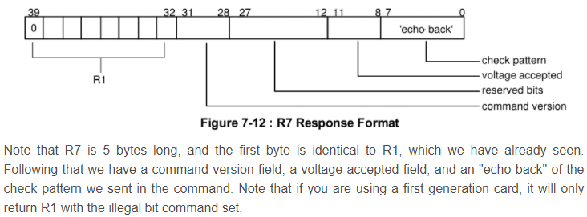
mmc_startup |  | MMC_CMD_ALL_SEND_CID | 0x04 | 0x0207 | 0
 |  | SD_CMD_SEND_RELATIVE_ADDR | 0x04 | 0x0315 | 0 |  |  |  |  |  |  |  |  |  |  |  |  |  |  |  |  |  |  | Alternative setup routine:
 | CMD9 | MMC_CMD_SEND_CSD | 0x04 | 0x0907 | 0 |  |  |  |  |  |  |  |  |  |  |  |  |  |  |  |  |  |  | Command | Argument
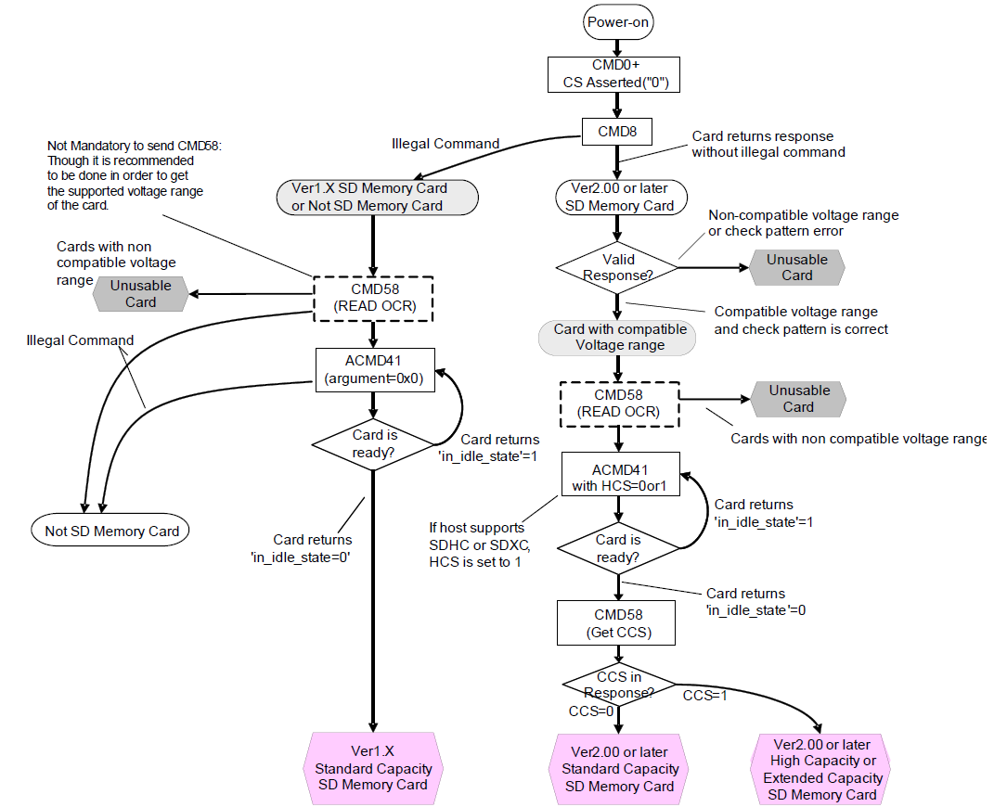
 |  |  |  |  |  |  |  |  |  |  |  |  |  |  |  |  |  |  |  |  |  |  |  | CMD0 | 0
 |  |  |  |  |  |  |  |  |  |  |  |  |  |  |  |  |  |  |  |  |  |  |  | CMD8 | 0x00 00 01 AA
 |  |  |  |  |  |  |  |  |  |  |  |  |  |  |  |  |  |  |  |  |  |  |  | CMD55 | 0
 |  |  |  |  |  |  |  |  |  |  |  |  |  |  |  |  |  |  |  |  |  |  |  | ACMD41 | 0
 |  |  |  |  |  |  |  |  |  |  |  |  |  |  |  |  |  |  |  |  |  |  |  | CMD2
 |  |  |  |  |  |  |  |  |  |  |  |  |  |  |  |  |  |  |  |  |  |  |  | CMD3 |  | rca = response[31:16]
 |  |  |  |  |  |  |  |  |  |  |  |  |  |  |  |  |  |  |  |  |  |  |  | CMD7 | { rca, 16h00 }
 |  |  |  |  |  |  |  |  |  |  |  |  |  |  |  |  |  |  |  |  |  |  |  | CMD16 | 0x00000200
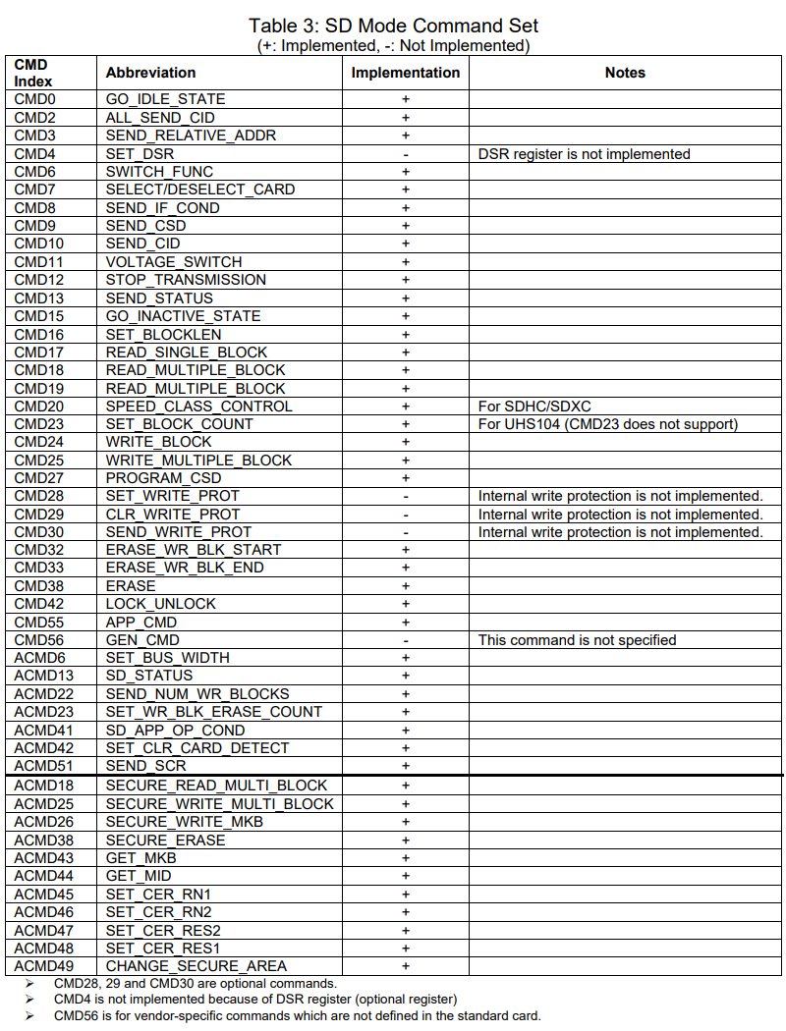
 |  |  |  |  |  |  |  | COMMAND INDEX |  |  |  |  |  |  | WR | RD | CHK CMD INDEX | CHK RESP CRC | CHK RESP BUSY | CHK CFG |  | RESPONSE TYPE | VALUE
 |  |  |  |  |  |  |  | 13 | 12 | 11 | 10 | 9 | 8 | 7 | 6 | 5 | 4 | 3 | 2 | 1 | 0
mmc_send_status |  | MMC_CMD_SEND_STATUS |  | 0x0D15 | mmc->rca << 16 |  |  |  |  |  |  |  |  | 0 | 0 | 0 | 1 | 0 | 1 | 0 | 1 | MMC_RSP_R7 | 0x15
 |  |  |  |  |  |  |  |  |  |  |  |  |  | 0 | 0 | 0 | 1 | 0 | 1 | 0 | 1 | MMC_RSP_R6 | 0x15
 |  |  |  |  |  |  |  |  |  |  |  |  |  | 0 | 0 | 0 | 1 | 0 | 1 | 0 | 1 | MMC_RSP_R5 | 0x15
 |  |  |  |  |  |  |  |  |  |  |  |  |  | 0 | 0 | 0 | 0 | 0 | 0 | 0 | 1 | MMC_RSP_R4 | 0x1
 |  |  |  |  |  |  |  |  |  |  |  |  |  | 0 | 0 | 0 | 0 | 0 | 0 | 0 | 1 | MMC_RSP_R3 | 0x1
 |  |  |  |  |  |  |  |  |  |  |  |  |  | 0 | 0 | 0 | 0 | 0 | 1 | 1 | 1 | MMC_RSP_R2 | 0x7
 |  |  |  |  |  |  |  |  |  |  |  |  |  | 0 | 0 | 0 | 1 | 1 | 1 | 0 | 1 | MMC_RSP_R1b | 0x1D
 |  |  |  |  |  |  |  |  |  |  |  |  |  | 0 | 0 | 0 | 1 | 0 | 1 | 0 | 1 | MMC_RSP_R1 | 0x15
 |  |  |  |  |  |  |  |  |  |  |  |  |  | 0 | 0 | 0 | 0 | 0 | 0 | 0 | 0 | MMC_RSP_NONE | 0x0
 |  |  |  |  |  |  |  |  |  |  |  |  |  |  |  |  |  | 1 |  | 1 | 1 |  | 0xB
 |  |  |  |  |  |  |  |  |  |  |  |  |  |  |  |  |  | 1 |  |  | 1 |  | 0x9
 |  |  |  |  |  |  |  |  |  |  |  |  |  |  |  |  |  |  | 1 |  | 1 |  | 0x5
 |  |  |  |  |  |  |  |  |  |  |  |  |  |  | 1 |  |  |  |  |  | 1 |  | 0x41
 |  |  |  |  |  |  |  |  |  |  |  |  |  |  |  | 1 |  |  |  |  | 1 |  | 0x21
 |  |  |  |  |  |  |  |  |  |  |  |  |  |  | 1 |  |  |  |  | 1 |  |  | 0x42

Initialisation
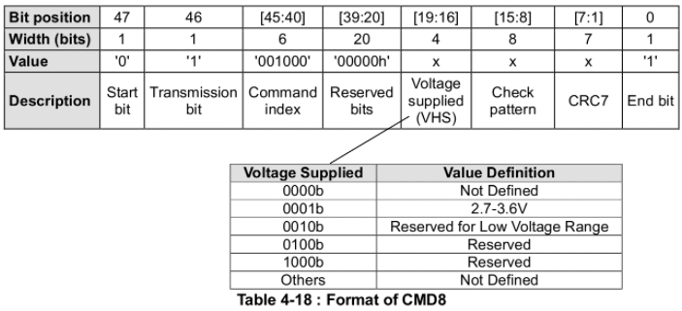
SD Setup & Information |  | 242 | 243 / 244 | 245 / 249
FUNCTION | REGISTER | ADDRESS | COMMAND | ARGUMENT | RESPONSE TYPE | NOTES
Set timeout | OCSDC_TIMEOUT | 0x20 | 0 | 0x7FFF
Disable interrupts | OCSDC_CMD_INT_ENABLE | 0x38 | 0 | 0
 | OCSDC_DAT_INT_ENABLE | 0x40 | 0 | 0
Clear interrupts | OCSDC_CMD_INT_STATUS | 0x34 | 0 | 0
 | OCSDC_DAT_INT_STATUS | 0x3C | 0 | 0 |  | INTERFACE SETUP
Set clock divider | OCSDC_SOFTWARE_RESET | 0x28 | 0 | 1
 | OCSDC_CLOCK_DIVIDER | 0x24 | 0 | 2
 | OCSDC_SOFTWARE_RESET | 0x28 | 0 | 0
Set bus width = 1 | OCSDC_CONTROL | 0x1C | 0 | 0
 |  |  |  |  |  | Responses
 | CMD0 | 0x04 | 0 | 0 | SD_RESPONSE_NONE
 | CMD8 | 0x04 | 08 09 | 0x01 AA | SD_RESPONSE_CRC | SD_RESPONSE_PRESENT | resp[0] = 27:12 reserved (0x00000), 11:8 supply voltage (0x1 = 2.7 - 3.6V), 7:0 check pattern (0xAA)
if (CMD8) ok |  |  |  |  |  | Response should match given command arg.
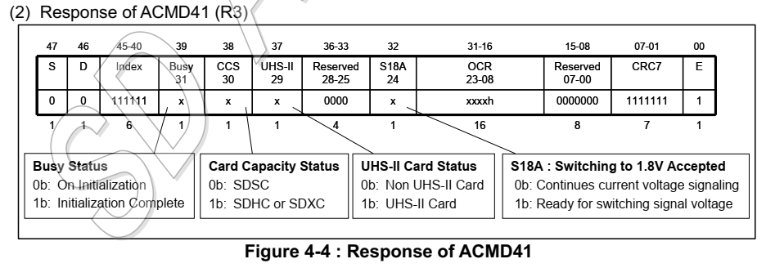
 | CMD55 | 0x04 | 55 09 | 0x00 00 00 00 | SD_RESPONSE_CRC | SD_RESPONSE_PRESENT | 0x0120 indicates SD is in ACMD mode.
 | CMD41 | 0x04 | 41 03 | 0x40 FF 80 00 | SD_RESPONSE_CRC | SD_RESPONSE_136 | SD_RESPONSE_PRESENT | (response[3] & 0x80 00 00 00) = 0 means still busy initialising
Loop until bit 31 = 1 (not busy)
 |  |  |  |  |  | (response[3] & 0x40 00 00 00) = 1 - TYPE_SD_HIGH (SDHC card), = 0 - TYPE_SD_LOW (SDSC card)
 |  |  |  |  |  | response[0] = 00 FF 80 00
 |  |  |  |  |  | response[1] = FF FF FF FF |  |  |  |  |  |  | x
 |  |  |  |  |  | response[2] = FF FF FF FF
 |  |  |  |  |  | response[3] = FF FF FF 00 = done initialising, SDHC card detected
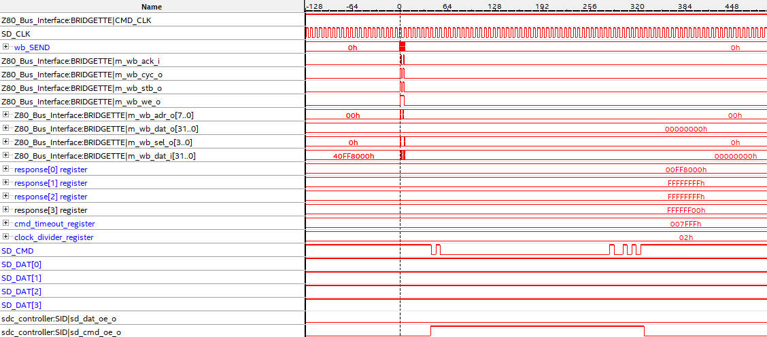

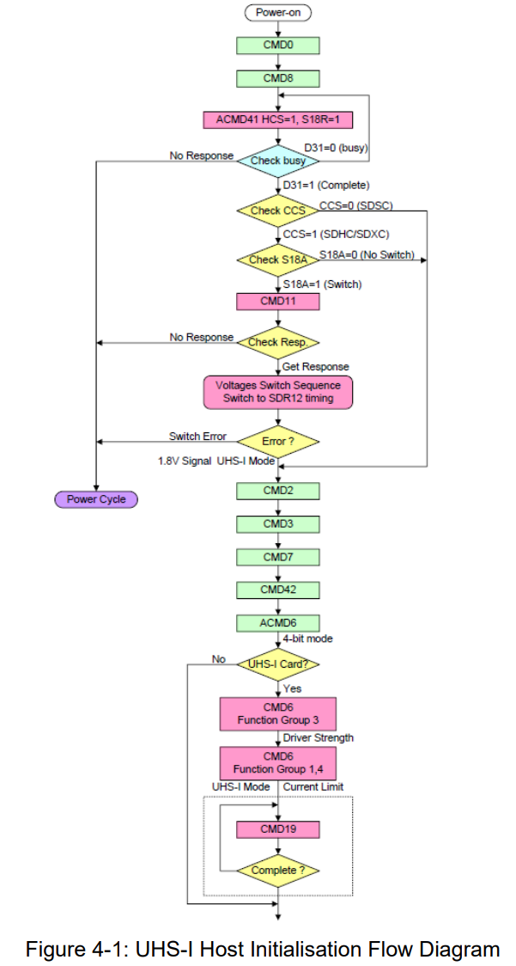

if all OK
 | CMD2 | 0x04 | 02 03 | 0 | SD_RESPONSE_CRC | SD_RESPONSE_136 | SD_RESPONSE_PRESENT | Send get CID numbers command to the card. Response[3-0] returns with numbers. | response[0] | 03534453h | cardcid[0] | MFID=3
 |  |  |  |  |  | 53 55 30 38 47 = SU08G, Serial = 0x93 | response[1] | 55303847h | cardcid[1]
 |  |  |  |  |  |  | response[2] | 80A03205h | cardcid[2]
 |  |  |  |  |  |  | response[3] | 93009100h | cardcid[3]

 | CMD3 | 0x04 | 03 03 | 0 | SD_RESPONSE_CRC | SD_RESPONSE_136 | SD_RESPONSE_PRESENT | Send publish Relative Card Address command to the card. Response[0] returns with RCA value. | response[0] | D5550520h | cardrca
 |  |  |  |  |  |  | response[1] | 07FFFFFFh
 |  |  |  |  |  |  | response[2] | FFFFFFFFh
 |  |  |  |  |  |  | response[3] | FFFFFF00h

 | CMD9 | 0x04 | 09 03 | cardrca | SD_RESPONSE_136 | SD_RESPONSE_PRESENT | Send get card specific data command | response[0] | 400E0032h | cardcsd[0]
 |  |  |  |  |  |  | response[1] | 5B590000h | cardcsd[1]
 |  |  |  |  |  |  | response[2] | 3CDC7F80h | cardcsd[2] | 8GB card= | 15,954,944 | sectors
 |  |  |  |  |  |  | response[3] | 0A404000h | cardcsd[3]

 | CMD7 | 0x04 | 07 01 | cardrca | SD_RESPONSE_PRESENT | Send select card command | response[0] | 00000700h

 | CMD55 | 0x04 | 55 09 | cardrca | SD_RESPONSE_CRC | SD_RESPONSE_PRESENT | Send application-specific command follows command | response[0] | 00000920h
 | BLOCKS=1, BLOCKSIZE=8, SD_DATA_READ, DMA ADDRESS SET
 | CMD51 | 0x04 | 51 09 | 0 | SD_RESPONSE_CRC | SD_RESPONSE_PRESENT | Send read SD configuration register command

 | CMD55 | 0x04 | 55 09 | cardrca | SD_RESPONSE_CRC | SD_RESPONSE_PRESENT | Send application-specific command follows command
 | CMD6 | 0x04 | 06 01 | 2 | SD_RESPONSE_PRESENT | Set bus width to 4-bit

SD INIT gets this far:
 | CMD16 | 0x04 | 16 01 | 1 |  | Set block count
 | CMD17 | 0x04 | 17 33 (21h) | block addr |  | Read block
 | CMD24 | 0x04 | 24 65 (41h) | block addr |  | Write block

SignalTap trace showing two writes to DDR3 Wishbone interface.

