PIVOT TABLE
country | (All)
 | successful | failed | canceled | live
film & video | 300 | 180 | 40
food | 34 | 140 | 20 | 6
games | 80 | 140
journalism |  |  | 24
music | 540 | 120 | 20 | 20
photography | 103 | 117
publishing | 80 | 127 | 30
technology | 209 | 213 | 178
theater | 839 | 493 | 37 | 24
Count of outcome | Column Labels
Row Labels | successful | failed | canceled | live | Grand Total
film & video | 300 | 180 | 40 |  | 520
food | 34 | 140 | 20 | 6 | 200
games | 80 | 140 |  |  | 220
journalism |  |  | 24 |  | 24
music | 540 | 120 | 20 | 20 | 700
photography | 103 | 117 |  |  | 220
publishing | 80 | 127 | 30 |  | 237
technology | 209 | 213 | 178 |  | 600
theater | 839 | 493 | 37 | 24 | 1393
Grand Total | 2185 | 1530 | 349 | 50 | 4114

PIVOT TABLE 2
country | (All)
Parent Category | (All)

 | successful | failed | canceled | live
animation |  | 100
art books |  |  | 20
audio |  |  | 24
children's books |  | 40
classical music | 40
documentary | 180
drama |  | 80
electronic music | 40
faith |  | 40 |  | 20
fiction |  | 40
food trucks |  | 120 | 20
gadgets |  | 20
hardware | 140
indie rock | 140 | 20
jazz |  | 60
makerspaces | 9 | 11
metal | 20
mobile games |  | 40
musical | 60 | 60 | 20
nature |  | 20
nonfiction | 60
people |  | 20
photobooks | 103 | 57
places |  | 20
plays | 694 | 353 |  | 19
pop | 40
radio & podcasts | 20
restaurants |  | 20
rock | 260
science fiction |  |  | 40
shorts | 60
small batch | 34 |  |  | 6
space exploration | 40 | 2 | 18
spaces | 85 | 80 | 17 | 5
tabletop games | 80
television | 60
translations |  | 47 | 10
video games |  | 100
wearables | 20 | 120 | 60
web |  | 60 | 100
world music |  |  | 20
Count of outcome | Column Labels
Row Labels | successful | failed | canceled | live | Grand Total
animation |  | 100 |  |  | 100
art books |  |  | 20 |  | 20
audio |  |  | 24 |  | 24
children's books |  | 40 |  |  | 40
classical music | 40 |  |  |  | 40
documentary | 180 |  |  |  | 180
drama |  | 80 |  |  | 80
electronic music | 40 |  |  |  | 40
faith |  | 40 |  | 20 | 60
fiction |  | 40 |  |  | 40
food trucks |  | 120 | 20 |  | 140
gadgets |  | 20 |  |  | 20
hardware | 140 |  |  |  | 140
indie rock | 140 | 20 |  |  | 160
jazz |  | 60 |  |  | 60
makerspaces | 9 | 11 |  |  | 20
metal | 20 |  |  |  | 20
mobile games |  | 40 |  |  | 40
musical | 60 | 60 | 20 |  | 140
nature |  | 20 |  |  | 20
nonfiction | 60 |  |  |  | 60
people |  | 20 |  |  | 20
photobooks | 103 | 57 |  |  | 160
places |  | 20 |  |  | 20
plays | 694 | 353 |  | 19 | 1066
pop | 40 |  |  |  | 40
radio & podcasts | 20 |  |  |  | 20
restaurants |  | 20 |  |  | 20
rock | 260 |  |  |  | 260
science fiction |  |  | 40 |  | 40
shorts | 60 |  |  |  | 60
small batch | 34 |  |  | 6 | 40
space exploration | 40 | 2 | 18 |  | 60
spaces | 85 | 80 | 17 | 5 | 187
tabletop games | 80 |  |  |  | 80
television | 60 |  |  |  | 60
translations |  | 47 | 10 |  | 57
video games |  | 100 |  |  | 100
wearables | 20 | 120 | 60 |  | 200
web |  | 60 | 100 |  | 160
world music |  |  | 20 |  | 20
Grand Total | 2185 | 1530 | 349 | 50 | 4114

PIVOT TABLE 3
Parent Category | (All)
Years | (All)

Count of outcome | Column Labels
Row Labels | successful | failed | canceled | Grand Total
Jan | 182 | 149 | 34 | 365
Feb | 202 | 106 | 27 | 335
Mar | 180 | 108 | 28 | 316
Apr | 192 | 102 | 27 | 321
May | 234 | 126 | 26 | 386
Jun | 211 | 147 | 27 | 385
Jul | 194 | 150 | 43 | 387
Aug | 166 | 134 | 33 | 333
Sep | 147 | 127 | 24 | 298
Oct | 183 | 149 | 20 | 352
Nov | 183 | 114 | 37 | 334
Dec | 111 | 118 | 23 | 252
Grand Total | 2185 | 1530 | 349 | 4064

BONUS
Goal | Number Successful | Number Failed | Number Canceled | Total Projects | Percentage Successful | Percentage Failed | Percentage Canceled
Less than 1000 | 322 | 113 | 18 | 453 | 71% | 25% | 4%
1000 to 4999 | 932 | 420 | 60 | 1412 | 66% | 30% | 4%
5000 to 9999 | 381 | 283 | 52 | 716 | 53% | 40% | 7%
10000 to 14999 | 168 | 144 | 40 | 352 | 48% | 41% | 11%
15000 to 19999 | 94 | 90 | 17 | 201 | 47% | 45% | 8%
20000 to 24999 | 62 | 72 | 14 | 148 | 42% | 49% | 9%
25000 to 29999 | 55 | 64 | 18 | 137 | 40% | 47% | 13%
30000 to 34999 | 32 | 37 | 13 | 82 | 39% | 45% | 16%
35000 to 39999 | 26 | 22 | 7 | 55 | 47% | 40% | 13%
40000 to 44999 | 21 | 16 | 6 | 43 | 49% | 37% | 14%
45000 to 49999 | 6 | 11 | 4 | 21 | 29% | 52% | 19%
Greater than or equal to 50000 | 86 | 258 | 100 | 444 | 19% | 58% | 23%

Outcome Based on Goal

PLEASE NOTE
PIVOT TABLE: Screenshot in homework utilizies a count of outcome I did not have said column in the spreadsheet I used ID as a count column and relabeled ID to outcome
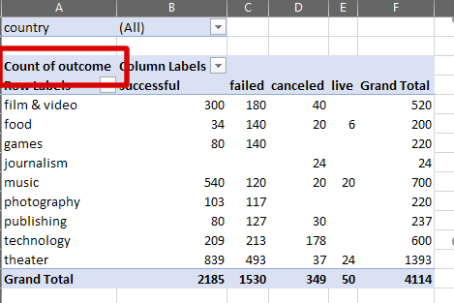

=MROUND(((((J2/60)/60)/24)+DATE(1970,1,1)+(-6/24)),0.5) function has been used against Date Created Conversion ( launched_at ) to mirror sample screenshot. This formula round any time stamp of beyond a half day, IE 6pm )
=MROUND(((((I2/60)/60)/24)+DATE(1970,1,1)+(-6/24)),0.5) function has been used against Date Ended Conversion ( deadline ) to mirror sample screenshot. This formula round any time stamp of beyond a half day, IE 6pm )

Scratch Pad
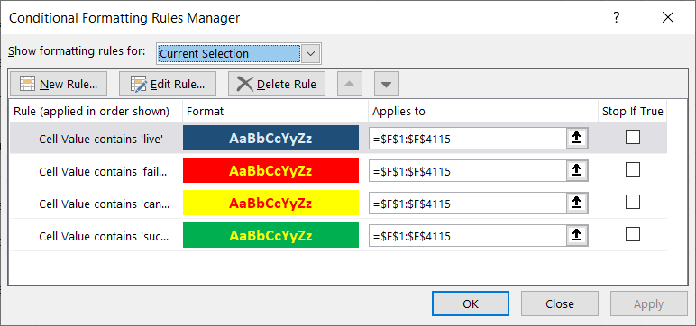
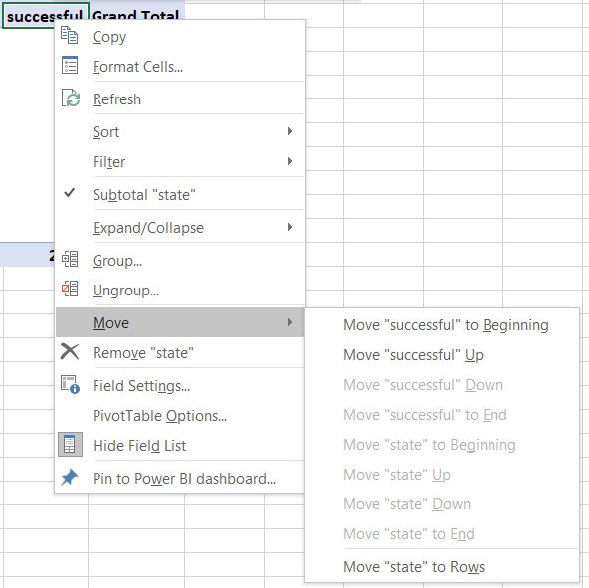
state | Colour Conditioning
successful | Green
canceled | Yellow
failed | Red
live | Blue

 |  | Formula: =ROUND(+E2/D2*100,0)
 |  | Parse Out Category ( LEFT ) : =LEFT(N2,FIND("/",N2)-1)
 |  | Parse Out Sub Category ( RIGHT ) : =RIGHT(N2,LEN(N2)-FIND("/",N2))
 |  | Help Link: https://exceljet.net/formula/split-text-string-at-specific-character |  |  | Move Pivot Table Columns into proper position based on homework screenshot

Unit 1 Homework: Kickstart My Chart
 | https://rice.bootcampcontent.com/Rice-Coding-Bootcamp/RICEHOU201906DATA1/tree/master/HW/01-Excel/Instructions

 | Column Labels
 | successful | canceled | failed | live | (blank) | Grand Total
Sum of pledged | $40,595,733.37 | $2,542,931.51 | $2,838,967.40 | $196,109.38 |  | $46,173,741.66

 |  |  |  |  | Total KickStarter ~ | $2,000,000,000.00 | Projects | 4000
 |  |  |  |  | Total $$$ analysed | 2.31% | Total Projects | 300000
 |  |  |  |  |  |  | Total Projects Analysed | 1.33%

