Summary
Analyses from "CatchDataJoin.R"

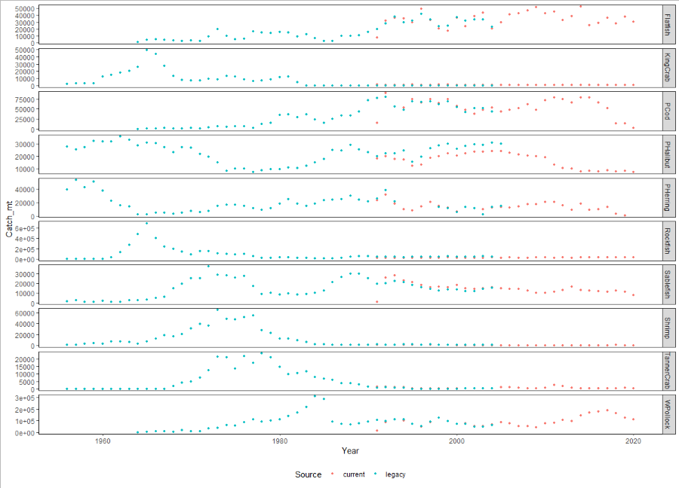
Conclude:
No differences in slope & intercept: Flatfish, cod, pollock, herring
Differences in intercept only: rockfish, sablefish, halibut, Tanner crab
Differences in intercept and slope: King crab, Shrimp

Table 1. summary of analyses of overlapping years (1991-2004) of "Legacy" and "Current" commercial catch datasets
 | Intercept | Slope | AIC | Other notes
Rockfish | 3.68e-14 *** | 0.141365 | year+source
Sablefish | 0.00398 ** | 0.59061 | year+source | removed 1991 due to vast differences
Flatfish | 0.84 | 0.778 | year | removed 1991 due to vast differences
Pacific cod | 0.613 | 0.7427 | year | removed 1991 due to vast differences
Walleye pollock | 0.95998 | 0.74278 | year | removed 1991 due to vast differences
Pacific halibut | 0.000279 *** | 0.758193 | year+source
Pacific herring | 0.67863 | 0.45047 | year | removed 1994-1997 (NAs in Legacy)
King crab | <2e-16 *** | 0.0246 * | year*source | Legacy overlap data all zeros
Tanner crab | 0.010 * | 0.95 | year+source
Shrimp | 2.64e-05 *** | 0.0324 * | year*source

Signif. codes: 0 ‘***’ 0.001 ‘**’ 0.01 ‘*’ 0.05 ‘.’ 0.1 ‘ ’ 1

#note best fit model for AIC is lowest AIC by >2 or if tied, most parsimoneous
#source in model = data set (current or legacy)

 |  |  |  |  | Figure. Time series of the "Legacy" (blue) and "Current" (red) commercial catch datasets (mt) for ten species or groups of species. The time series overlap from 1991-2005.

Rockfish
Rockfish | #Rockfish - diff intercepts (source) but not slopes (year:slope)

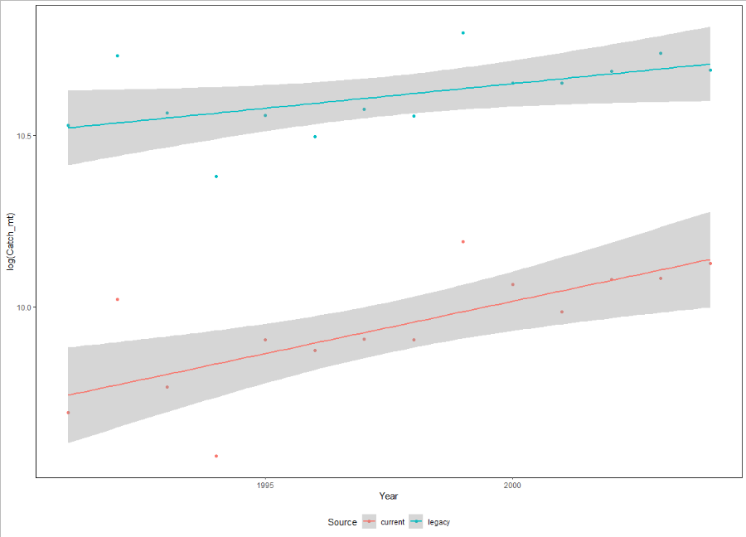
#analyze for differences in slope and intercept by AIC and aov
> RKlm1= lm(log(Catch_mt) ~ Year, data = RKov2)
> RKlm2= lm(log(Catch_mt) ~ Year + Source, data = RKov2)
> RKlm3= lm(log(Catch_mt) ~ Year*Source, data = RKov2)
> AIC(RKlm1,RKlm2,RKlm3)
df AIC
RKlm1 3 27.46120
RKlm2 4 -36.21977
RKlm3 5 -36.79600
>
> RKlm4=aov(log(Catch_mt) ~ Year*Source, data = RKov2)
> summary(RKlm4) #different intercepts not slopes
Df Sum Sq Mean Sq F value Pr(>F)
Year 1 0.228 0.228 17.773 0.000305 ***
Source 1 3.190 3.190 248.423 3.68e-14 ***
Year:Source 1 0.030 0.030 2.313 0.141365
Residuals 24 0.308 0.013
---
Signif. codes: 0 ‘***’ 0.001 ‘**’ 0.01 ‘*’ 0.05 ‘.’ 0.1 ‘ ’ 1

> RKov
Year Catch_mt Col Source Species
1 1991 16172.05 red current Rockfish
2 1992 22484.28 red current Rockfish
3 1993 17416.50 red current Rockfish
4 1994 14240.47 red current Rockfish
5 1995 20007.91 red current Rockfish
6 1996 19392.33 red current Rockfish
7 1997 20030.43 red current Rockfish
8 1998 19994.07 red current Rockfish
9 1999 26634.88 red current Rockfish
10 2000 23502.40 red current Rockfish
11 2001 21698.74 red current Rockfish
12 2002 23832.81 red current Rockfish
13 2003 23905.97 red current Rockfish
14 2004 25007.65 red current Rockfish
15 2005 21793.57 red current Rockfish
36 1991 37354.00 blue legacy Rockfish
37 1992 45762.00 blue legacy Rockfish
38 1993 38720.00 blue legacy Rockfish
39 1994 32232.00 blue legacy Rockfish
40 1995 38492.00 blue legacy Rockfish
41 1996 36182.00 blue legacy Rockfish
42 1997 39158.00 blue legacy Rockfish
43 1998 38402.00 blue legacy Rockfish
44 1999 48924.00 blue legacy Rockfish
45 2000 42252.00 blue legacy Rockfish
46 2001 42254.00 blue legacy Rockfish
47 2002 43726.00 blue legacy Rockfish
48 2003 46082.00 blue legacy Rockfish
49 2004 43892.00 blue legacy Rockfish
50 2005 NA blue legacy Rockfish

Sablefish
sablefish | > #Sablefish - remove 2005,1991, diff intercepts same slopes

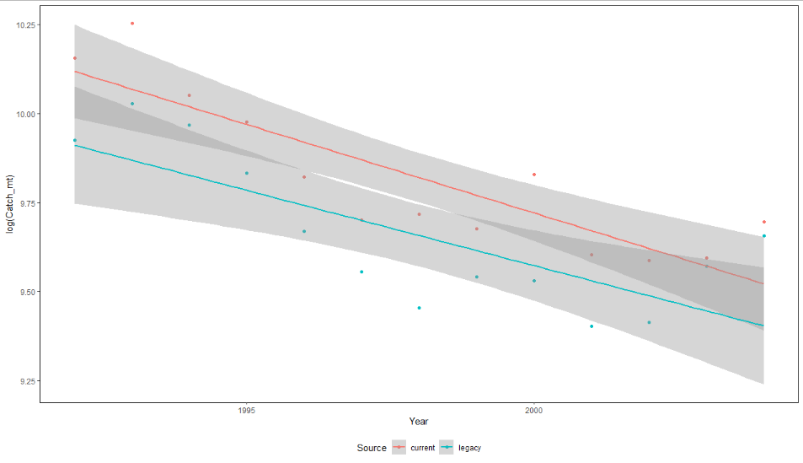
> SBlm1= lm(log(Catch_mt) ~ Year, data = SBov3 )
> SBlm2= lm(log(Catch_mt) ~ Year + Source, data = SBov3 )
> SBlm3= lm(log(Catch_mt) ~ Year*Source, data = SBov3 )
> AIC(SBlm1,SBlm2,SBlm3) #SBlm1 (but look at plot - )
df AIC
SBlm1 3 -20.76485
SBlm2 4 -28.67049
SBlm3 5 -27.02036
>
> ##
> SBlm4=aov(log(Catch_mt) ~ Year*Source, data = SBov3)
> summary(SBlm4) #different intercepts not slopes
Df Sum Sq Mean Sq F value Pr(>F)
Year 1 0.7708 0.7708 46.263 7.81e-07 ***
Source 1 0.1723 0.1723 10.340 0.00398 **
Year:Source 1 0.0050 0.0050 0.298 0.59061
Residuals 22 0.3665 0.0167
---
Signif. codes: 0 ‘***’ 0.001 ‘**’ 0.01 ‘*’ 0.05 ‘.’ 0.1 ‘ ’ 1

> SBov
Year Catch_mt Col Source Species
1 1991 1002.69 red current Sablefish
2 1992 25741.17 red current Sablefish
3 1993 28385.02 red current Sablefish
4 1994 23209.03 red current Sablefish
5 1995 21522.41 red current Sablefish
6 1996 18448.57 red current Sablefish
7 1997 16344.16 red current Sablefish
8 1998 16604.15 red current Sablefish
9 1999 15930.36 red current Sablefish
10 2000 18570.86 red current Sablefish
11 2001 14816.09 red current Sablefish
12 2002 14593.55 red current Sablefish
13 2003 14679.79 red current Sablefish
14 2004 16244.74 red current Sablefish
15 2005 14763.49 red current Sablefish
36 1991 19580.00 blue legacy Sablefish
37 1992 20451.00 blue legacy Sablefish
38 1993 22671.00 blue legacy Sablefish
39 1994 21338.00 blue legacy Sablefish
40 1995 18631.00 blue legacy Sablefish
41 1996 15826.00 blue legacy Sablefish
42 1997 14129.00 blue legacy Sablefish
43 1998 12758.00 blue legacy Sablefish
44 1999 13918.00 blue legacy Sablefish
45 2000 13779.00 blue legacy Sablefish
46 2001 12127.00 blue legacy Sablefish
47 2002 12246.00 blue legacy Sablefish
48 2003 14345.00 blue legacy Sablefish
49 2004 15630.00 blue legacy Sablefish
50 2005 NA blue legacy Sablefish
>

Flatfish
Flatfish | #Flatfish no difference if remove 1991, 2005

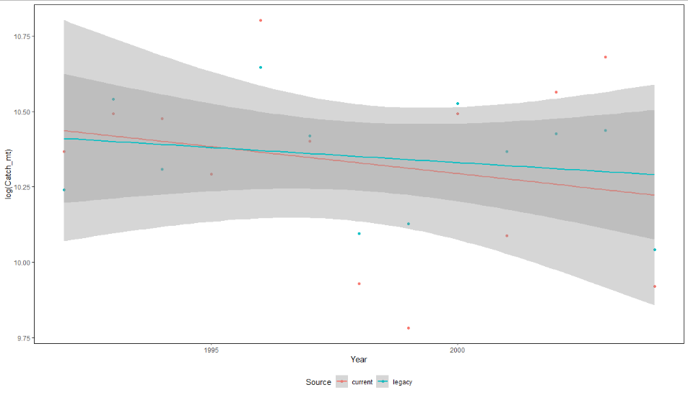
> FFlm1= lm(log(Catch_mt) ~ Year, data = FFov3 )
> FFlm2= lm(log(Catch_mt) ~ Year + Source, data = FFov3 )
> FFlm3= lm(log(Catch_mt) ~ Year*Source, data = FFov3 )
> AIC(FFlm1,FFlm2,FFlm3) #FFlm1
df AIC
FFlm1 3 5.653132
FFlm2 4 7.604224
FFlm3 5 9.507950

> FFlm4=aov(log(Catch_mt) ~ Year*Source, data = FFov3)
> summary(FFlm4) #different intercepts not slopes
Df Sum Sq Mean Sq F value Pr(>F)
Year 1 0.0706 0.07055 1.039 0.319
Source 1 0.0028 0.00282 0.042 0.840
Year:Source 1 0.0055 0.00554 0.082 0.778
Residuals 22 1.4938 0.06790

> FFov
Year Catch_mt Col Source Species
1 1991 7340.00 red current Flatfish
2 1992 31777.07 red current Flatfish
3 1993 36038.49 red current Flatfish
4 1994 35476.28 red current Flatfish
5 1995 29495.77 red current Flatfish
6 1996 49100.67 red current Flatfish
7 1997 32920.51 red current Flatfish
8 1998 20518.12 red current Flatfish
9 1999 17695.64 red current Flatfish
10 2000 36074.24 red current Flatfish
11 2001 24057.36 red current Flatfish
12 2002 38715.86 red current Flatfish
13 2003 43475.40 red current Flatfish
14 2004 20320.19 red current Flatfish
15 2005 29760.12 red current Flatfish
36 1991 20068.00 blue legacy Flatfish
37 1992 28009.00 blue legacy Flatfish
38 1993 37853.00 blue legacy Flatfish
39 1994 29958.00 blue legacy Flatfish
40 1995 32273.00 blue legacy Flatfish
41 1996 42021.00 blue legacy Flatfish
42 1997 33498.00 blue legacy Flatfish
43 1998 24237.00 blue legacy Flatfish
44 1999 25030.00 blue legacy Flatfish
45 2000 37304.00 blue legacy Flatfish
46 2001 31781.00 blue legacy Flatfish
47 2002 33750.00 blue legacy Flatfish
48 2003 34070.00 blue legacy Flatfish
49 2004 22938.00 blue legacy Flatfish
50 2005 NA blue legacy Flatfish

Cod
#Pacific cod no difference slope or intercept if remove 1991, 2005

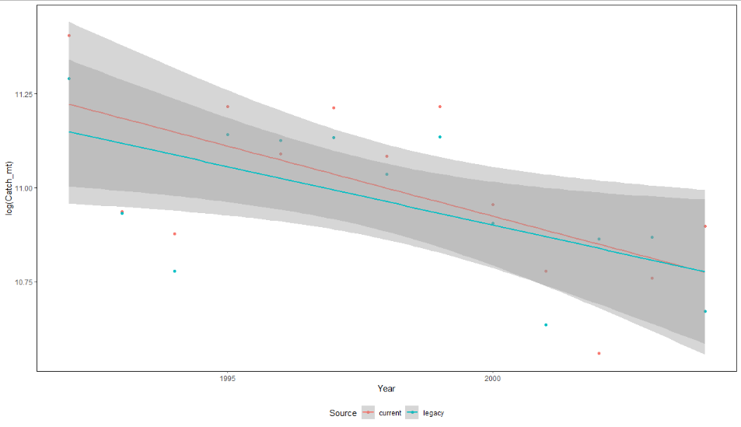
>
>
> CDlm1= lm(log(Catch_mt) ~ Year, data = CDov3 )
> CDlm2= lm(log(Catch_mt) ~ Year + Source, data = CDov3 )
> CDlm3= lm(log(Catch_mt) ~ Year*Source, data = CDov3 )
> AIC(CDlm1,CDlm2,CDlm3) #CDlm1
df AIC
CDlm1 3 -13.68313
CDlm2 4 -11.99091
CDlm3 5 -10.12117
>
> CDlm4=aov(log(Catch_mt) ~ Year*Source, data = CDov3)
> summary(CDlm4) #
Df Sum Sq Mean Sq F value Pr(>F)
Year 1 0.4256 0.4256 13.337 0.0014 **
Source 1 0.0084 0.0084 0.263 0.6130
Year:Source 1 0.0035 0.0035 0.110 0.7427
Residuals 22 0.7021 0.0319
---
Signif. codes: 0 ‘***’ 0.001 ‘**’ 0.01 ‘*’ 0.05 ‘.’ 0.1 ‘ ’ 1

> CDov
Year Catch_mt Col Source Species
1 1991 14514.50 red current PCod
2 1992 89814.00 red current PCod
3 1993 56237.37 red current PCod
4 1994 52978.18 red current PCod
5 1995 74347.51 red current PCod
6 1996 65565.13 red current PCod
7 1997 74144.96 red current PCod
8 1998 65159.34 red current PCod
9 1999 74301.00 red current PCod
10 2000 57232.23 red current PCod
11 2001 47983.27 red current PCod
12 2002 38531.44 red current PCod
13 2003 47115.95 red current PCod
14 2004 54039.23 red current PCod
15 2005 43329.99 red current PCod
36 1991 76997.00 blue legacy PCod
37 1992 80100.00 blue legacy PCod
38 1993 55994.00 blue legacy PCod
39 1994 47985.00 blue legacy PCod
40 1995 69053.00 blue legacy PCod
41 1996 67966.00 blue legacy PCod
42 1997 68474.00 blue legacy PCod
43 1998 62101.00 blue legacy PCod
44 1999 68613.00 blue legacy PCod
45 2000 54492.00 blue legacy PCod
46 2001 41614.00 blue legacy PCod
47 2002 52270.00 blue legacy PCod
48 2003 52500.00 blue legacy PCod
49 2004 43104.00 blue legacy PCod
50 2005 NA blue legacy PCod

Pollock
Pollock | # pollock - No difference slope (Year*Source) or intercept (Source) if remove 1991 (big difference in that year)

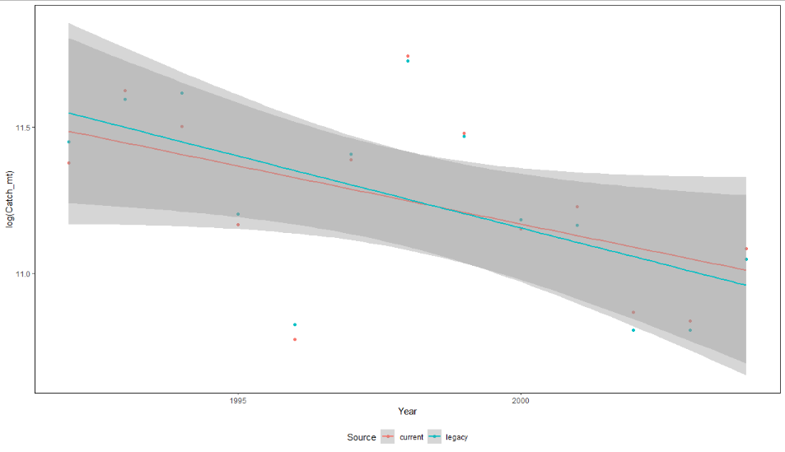
> PLlm1= lm(log(Catch_mt) ~ Year, data = PLov4 )
> PLlm2= lm(log(Catch_mt) ~ Year + Source, data = PLov4 )
> PLlm3= lm(log(Catch_mt) ~ Year*Source, data = PLov4 )
> AIC(PLlm1,PLlm2,PLlm3) #PLlm1
df AIC
PLlm1 3 7.794596
PLlm2 4 9.791566
PLlm3 5 11.661368
>
> PLlm4=aov(log(Catch_mt) ~ Year*Source, data = PLov3)
> summary(PLlm4) # No difference slope or intercept
Df Sum Sq Mean Sq F value Pr(>F)
Year 1 0.7169 0.7169 9.719 0.00501 **
Source 1 0.0002 0.0002 0.003 0.95998
Year:Source 1 0.0081 0.0081 0.110 0.74278
Residuals 22 1.6227 0.0738
---
Signif. codes: 0 ‘***’ 0.001 ‘**’ 0.01 ‘*’ 0.05 ‘.’ 0.1 ‘ ’ 1
1 observation deleted due to missingness

> PLov
Year Catch_mt Col Source Species
1 1991 13490.68 red current WPollock
2 1992 87354.45 red current WPollock
3 1993 111819.65 red current WPollock
4 1994 98995.12 red current WPollock
5 1995 70729.71 red current WPollock
6 1996 47776.56 red current WPollock
7 1997 88283.72 red current WPollock
8 1998 125918.59 red current WPollock
9 1999 96688.64 red current WPollock
10 2000 69628.86 red current WPollock
11 2001 75102.66 red current WPollock
12 2002 52353.90 red current WPollock
13 2003 50901.12 red current WPollock
14 2004 65178.89 red current WPollock
15 2005 84115.20 red current WPollock
36 1991 107500.00 blue legacy WPollock
37 1992 93904.00 blue legacy WPollock
38 1993 108591.00 blue legacy WPollock
39 1994 110891.00 blue legacy WPollock
40 1995 73248.00 blue legacy WPollock
41 1996 50206.00 blue legacy WPollock
42 1997 89892.00 blue legacy WPollock
43 1998 123751.00 blue legacy WPollock
44 1999 95637.00 blue legacy WPollock
45 2000 71876.00 blue legacy WPollock
46 2001 70485.00 blue legacy WPollock
47 2002 49300.00 blue legacy WPollock
48 2003 49300.00 blue legacy WPollock
49 2004 62826.00 blue legacy WPollock
50 2005 NA blue legacy WPollock
>

Halibut
Pacific Halibut | different intercept, not different slope (remove 2005)
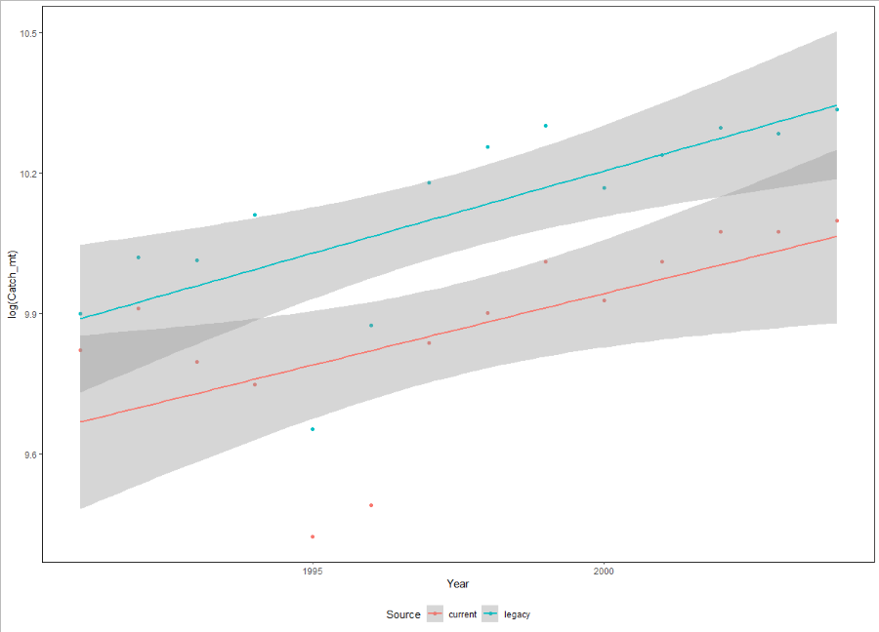
#analyze for differences in slope and intercept by AIC and aov
> HLlm1= lm(log(Catch_mt) ~ Year, data = HLov2)
> HLlm2= lm(log(Catch_mt) ~ Year + Source, data = HLov2)
> HLlm3= lm(log(Catch_mt) ~ Year*Source, data = HLov2)
> AIC(HLlm1,HLlm2,HLlm3)
df AIC
HLlm1 3 -7.145838
HLlm2 4 -20.812146
HLlm3 5 -18.925042
>
> HLlm4=aov(log(Catch_mt) ~ Year*Source, data = HLov2)
> summary(HLlm4) #different intercept (source) not different slope (year:source)
Df Sum Sq Mean Sq F value Pr(>F)
Year 1 0.4900 0.4900 20.153 0.000152 ***
Source 1 0.4393 0.4393 18.068 0.000279 ***
Year:Source 1 0.0024 0.0024 0.097 0.758193
Residuals 24 0.5835 0.0243
---
Signif. codes: 0 ‘***’ 0.001 ‘**’ 0.01 ‘*’ 0.05 ‘.’ 0.1 ‘ ’ 1

HLov
Year Catch_mt Col Source Species
1 1991 18437.84 red current PHalibut
2 1992 20165.79 red current PHalibut
3 1993 17975.02 red current PHalibut
4 1994 17136.89 red current PHalibut
5 1995 12366.78 red current PHalibut
6 1996 13225.92 red current PHalibut
7 1997 18722.02 red current PHalibut
8 1998 19975.85 red current PHalibut
9 1999 22281.42 red current PHalibut
10 2000 20498.67 red current PHalibut
11 2001 22279.29 red current PHalibut
12 2002 23752.64 red current PHalibut
13 2003 23734.86 red current PHalibut
14 2004 24323.30 red current PHalibut
15 2005 23953.30 red current PHalibut
36 1991 19920.00 blue legacy PHalibut
37 1992 22477.00 blue legacy PHalibut
38 1993 22334.23 blue legacy PHalibut
39 1994 24629.97 blue legacy PHalibut
40 1995 15565.34 blue legacy PHalibut
41 1996 19445.85 blue legacy PHalibut
42 1997 26380.93 blue legacy PHalibut
43 1998 28458.38 blue legacy PHalibut
44 1999 29812.51 blue legacy PHalibut
45 2000 26094.26 blue legacy PHalibut
46 2001 27989.67 blue legacy PHalibut
47 2002 29662.52 blue legacy PHalibut
48 2003 29265.00 blue legacy PHalibut
49 2004 30820.69 blue legacy PHalibut
50 2005 30113.69 blue legacy PHalibut

Herring
Herring | #no different intercept (source) not different slope (year:source); keep 1991 ; remove 1994,1995,1996,1997 -missing from Legacy
 | #note if keep 1994, 1995,1996, 1997 (uneven datasets) then results don't change (no difference slopes and no difference intercepts, although diverge a littl more)
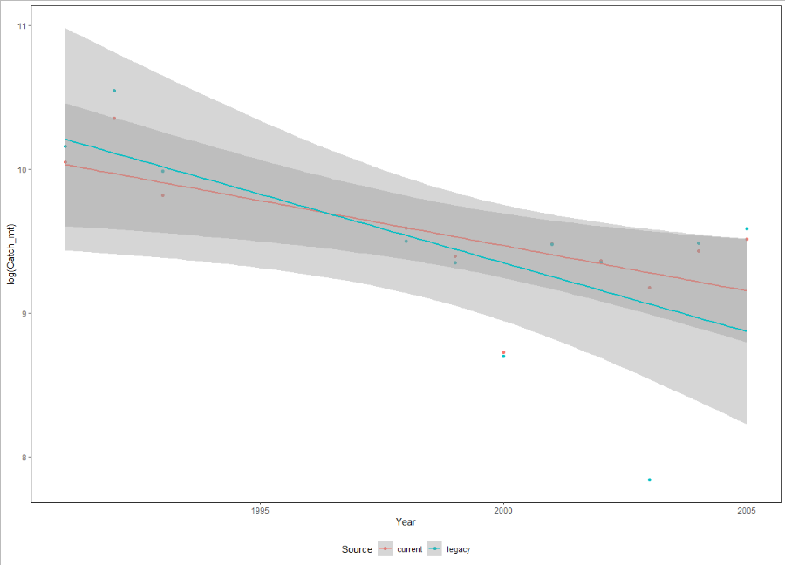

> HRlm1= lm(log(Catch_mt) ~ Year, data = HRov2)
> HRlm2= lm(log(Catch_mt) ~ Year + Source, data = HRov2)
> HRlm3= lm(log(Catch_mt) ~ Year*Source, data = HRov2)
> AIC(HRlm1,HRlm2,HRlm3) #HRlm1 (but look at plot - )
df AIC
HRlm1 3 31.34193
HRlm2 4 33.13307
HRlm3 5 34.41752
>
> ##
> HRlm4=aov(log(Catch_mt) ~ Year*Source, data = HRov2)
> summary(HRlm4) #different intercept (source) not different slope (year:source)
Df Sum Sq Mean Sq F value Pr(>F)
Year 1 3.015 3.0151 13.887 0.00154 **
Source 1 0.039 0.0385 0.177 0.67863
Year:Source 1 0.129 0.1292 0.595 0.45047
Residuals 18 3.908 0.2171
---
Signif. codes: 0 ‘***’ 0.001 ‘**’ 0.01 ‘*’ 0.05 ‘.’ 0.1 ‘ ’ 1

#Pacific Herring
> HRov
Year Catch_mt Col Source Species
1 1991 23105.127 red current PHerring
2 1992 31395.653 red current PHerring
3 1993 18324.123 red current PHerring
4 1994 10155.436 red current PHerring
5 1995 8282.804 red current PHerring
6 1996 13938.595 red current PHerring
7 1997 20711.222 red current PHerring
8 1998 14635.255 red current PHerring
9 1999 12012.144 red current PHerring
10 2000 6155.531 red current PHerring
11 2001 13102.678 red current PHerring
12 2002 11619.043 red current PHerring
13 2003 9664.519 red current PHerring
14 2004 12481.645 red current PHerring
15 2005 13517.578 red current PHerring
36 1991 25729.000 blue legacy PHerring
37 1992 37948.000 blue legacy PHerring
38 1993 21701.000 blue legacy PHerring
39 1994 NA blue legacy PHerring
40 1995 NA blue legacy PHerring
41 1996 NA blue legacy PHerring
42 1997 NA blue legacy PHerring
43 1998 13339.000 blue legacy PHerring
44 1999 11501.000 blue legacy PHerring
45 2000 5990.000 blue legacy PHerring
46 2001 13040.000 blue legacy PHerring
47 2002 11505.000 blue legacy PHerring
48 2003 2536.000 blue legacy PHerring
49 2004 13184.000 blue legacy PHerring
50 2005 14564.000 blue legacy PHerring

King Crab
King Crab | #different intercept (source) and slope (year:slope)
 | #note Legacy dataset is all zeros in the overlap period ; remove 2005 as NA in Legacy
 | #use log(catch+1)
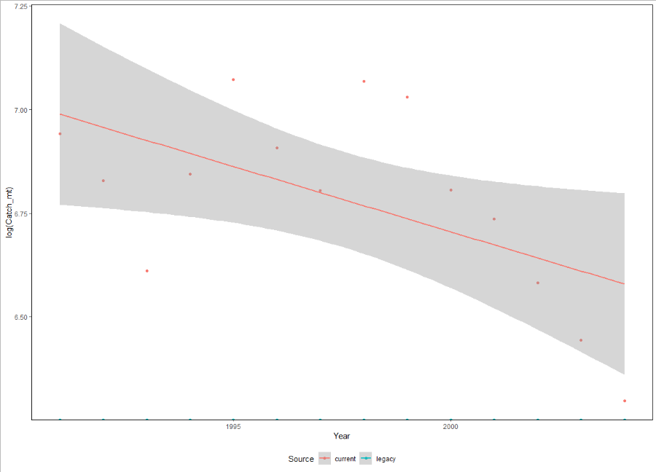
>
>
> KClm1= lm(log(Catch_mt+1) ~ Year, data = KCov2)
> KClm2= lm(log(Catch_mt+1) ~ Year + Source, data = KCov2)
> KClm3= lm(log(Catch_mt+1) ~ Year*Source, data = KCov2)
> AIC(KClm1,KClm2,KClm3) #KClm1 (but look at plot - )
df AIC
KClm1 3 153.92046
KClm2 4 -20.97850
KClm3 5 -24.99132
>
> ##
> KClm4=aov(log(Catch_mt+1) ~ Year*Source, data = KCov2)
> summary(KClm4) #no different intercept (source) not different slope (year:source)
Df Sum Sq Mean Sq F value Pr(>F)
Year 1 0.1 0.1 5.749 0.0246 *
Source 1 322.3 322.3 16462.034 <2e-16 ***
Year:Source 1 0.1 0.1 5.749 0.0246 *
Residuals 24 0.5 0.0
---
Signif. codes: 0 ‘***’ 0.001 ‘**’ 0.01 ‘*’ 0.05 ‘.’ 0.1 ‘ ’ 1

>
#King Crab #different intercept (source) different slope (year:source); Legacy data all zeros
> KCov
Year Catch_mt Col Source Species
1 1991 1035.3832 red current KingCrab
2 1992 923.7850 red current KingCrab
3 1993 743.5979 red current KingCrab
4 1994 938.4705 red current KingCrab
5 1995 1179.4889 red current KingCrab
6 1996 999.7367 red current KingCrab
7 1997 901.6588 red current KingCrab
8 1998 1173.6434 red current KingCrab
9 1999 1130.4592 red current KingCrab
10 2000 903.5884 red current KingCrab
11 2001 842.6465 red current KingCrab
12 2002 722.4804 red current KingCrab
13 2003 628.9266 red current KingCrab
14 2004 543.0766 red current KingCrab
15 2005 615.9825 red current KingCrab
36 1991 0.0000 blue legacy KingCrab
37 1992 0.0000 blue legacy KingCrab
38 1993 0.0000 blue legacy KingCrab
39 1994 0.0000 blue legacy KingCrab
40 1995 0.0000 blue legacy KingCrab
41 1996 0.0000 blue legacy KingCrab
42 1997 0.0000 blue legacy KingCrab
43 1998 0.0000 blue legacy KingCrab
44 1999 0.0000 blue legacy KingCrab
45 2000 0.0000 blue legacy KingCrab
46 2001 0.0000 blue legacy KingCrab
47 2002 0.0000 blue legacy KingCrab
48 2003 0.0000 blue legacy KingCrab
49 2004 0.0000 blue legacy KingCrab
50 2005 NA blue legacy KingCrab

Tanner crab
Tanner Crab | #different intercept, not different slope
 | # note zeros in Leegacy 1995-2000; use log(catch+1)

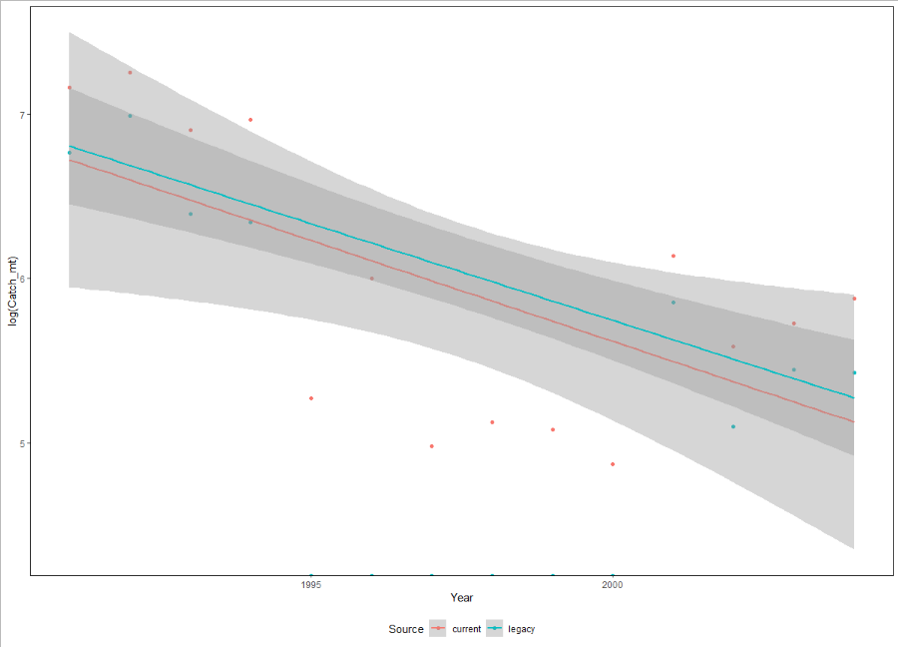
>
>
> TClm1= lm(log(Catch_mt+1) ~ Year, data = TCov2)
> TClm2= lm(log(Catch_mt+1) ~ Year + Source, data = TCov2)
> TClm3= lm(log(Catch_mt+1) ~ Year*Source, data = TCov2)
> AIC(TClm1,TClm2,TClm3) #TClm1 (but look at plot - )
df AIC
TClm1 3 136.7171
TClm2 4 130.8247
TClm3 5 132.8199
>
> ##
> TClm4=aov(log(Catch_mt+1) ~ Year*Source, data = TCov2)
> summary(TClm4) #no different intercept (source) not different slope (year:source)
Df Sum Sq Mean Sq F value Pr(>F)
Year 1 6.08 6.08 1.108 0.303
Source 1 42.90 42.90 7.816 0.010 *
Year:Source 1 0.02 0.02 0.004 0.950
Residuals 24 131.73 5.49
---
Signif. codes: 0 ‘***’ 0.001 ‘**’ 0.01 ‘*’ 0.05 ‘.’ 0.1 ‘ ’ 1

> TCov
Year Catch_mt Col Source Species
1 1991 1293.2997 red current TannerCrab
2 1992 1418.7319 red current TannerCrab
3 1993 998.5642 red current TannerCrab
4 1994 1064.3813 red current TannerCrab
5 1995 194.9044 red current TannerCrab
6 1996 404.7533 red current TannerCrab
7 1997 145.3681 red current TannerCrab
8 1998 168.3098 red current TannerCrab
9 1999 160.4994 red current TannerCrab
10 2000 130.1133 red current TannerCrab
11 2001 463.7856 red current TannerCrab
12 2002 266.3978 red current TannerCrab
13 2003 307.3939 red current TannerCrab
14 2004 357.1706 red current TannerCrab
15 2005 1236.7109 red current TannerCrab
36 1991 870.0000 blue legacy TannerCrab
37 1992 1089.0000 blue legacy TannerCrab
38 1993 598.0000 blue legacy TannerCrab
39 1994 569.0000 blue legacy TannerCrab
40 1995 0.0000 blue legacy TannerCrab
41 1996 0.0000 blue legacy TannerCrab
42 1997 0.0000 blue legacy TannerCrab
43 1998 0.0000 blue legacy TannerCrab
44 1999 0.0000 blue legacy TannerCrab
45 2000 0.0000 blue legacy TannerCrab
46 2001 349.0000 blue legacy TannerCrab
47 2002 164.0000 blue legacy TannerCrab
48 2003 232.0000 blue legacy TannerCrab
49 2004 227.0000 blue legacy TannerCrab
50 2005 NA blue legacy TannerCrab

Shrimp
Shrimp | #different slope (source) and different intercept (slope:year)

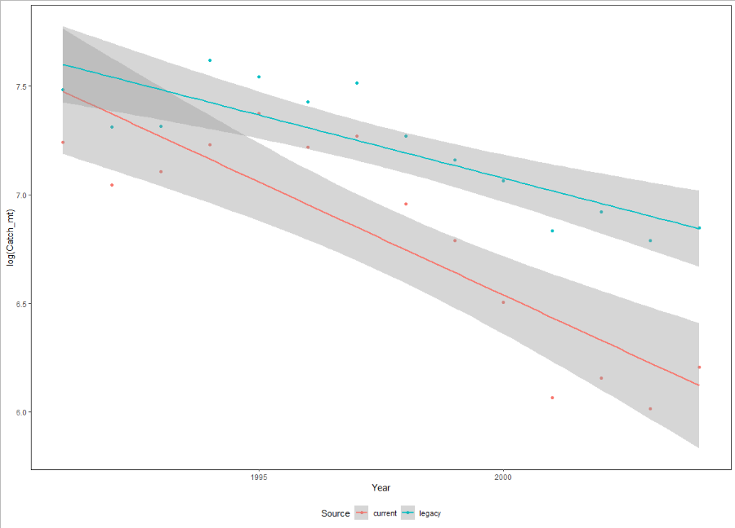
>
> SHlm1= lm(log(Catch_mt+1) ~ Year, data = SHov2)
> SHlm2= lm(log(Catch_mt+1) ~ Year + Source, data = SHov2)
> SHlm3= lm(log(Catch_mt+1) ~ Year*Source, data = SHov2)
> AIC(SHlm1,SHlm2,SHlm3) #SHlm1 (but look at plot - )
df AIC
SHlm1 3 18.9881749
SHlm2 4 2.7224708
SHlm3 5 -0.7274967
>
> ##
> SHlm4=aov(log(Catch_mt+1) ~ Year*Source, data = SHov2)
> summary(SHlm4) #no different intercept (source) not different slope (year:source)
Df Sum Sq Mean Sq F value Pr(>F)
Year 1 2.9931 2.9931 64.275 3.04e-08 ***
Source 1 1.2492 1.2492 26.826 2.64e-05 ***
Year:Source 1 0.2401 0.2401 5.157 0.0324 *
Residuals 24 1.1176 0.0466
---
Signif. codes: 0 ‘***’ 0.001 ‘**’ 0.01 ‘*’ 0.05 ‘.’ 0.1 ‘ ’ 1

SHov
Year Catch_mt Col Source Species
1 1991 1396.6261 red current Shrimp
2 1992 1145.2481 red current Shrimp
3 1993 1219.5687 red current Shrimp
4 1994 1381.1269 red current Shrimp
5 1995 1593.4660 red current Shrimp
6 1996 1365.0634 red current Shrimp
7 1997 1434.1767 red current Shrimp
8 1998 1050.0614 red current Shrimp
9 1999 887.2418 red current Shrimp
10 2000 667.6058 red current Shrimp
11 2001 431.4513 red current Shrimp
12 2002 472.0450 red current Shrimp
13 2003 409.2230 red current Shrimp
14 2004 496.0092 red current Shrimp
15 2005 315.2800 red current Shrimp
36 1991 1780.0000 blue legacy Shrimp
37 1992 1498.0000 blue legacy Shrimp
38 1993 1500.0000 blue legacy Shrimp
39 1994 2034.0000 blue legacy Shrimp
40 1995 1885.0000 blue legacy Shrimp
41 1996 1682.0000 blue legacy Shrimp
42 1997 1835.0000 blue legacy Shrimp
43 1998 1437.0000 blue legacy Shrimp
44 1999 1285.0000 blue legacy Shrimp
45 2000 1170.0000 blue legacy Shrimp
46 2001 929.0000 blue legacy Shrimp
47 2002 1014.0000 blue legacy Shrimp
48 2003 888.0000 blue legacy Shrimp
49 2004 942.0000 blue legacy Shrimp
50 2005 NA blue legacy Shrimp

