Example | Part 1
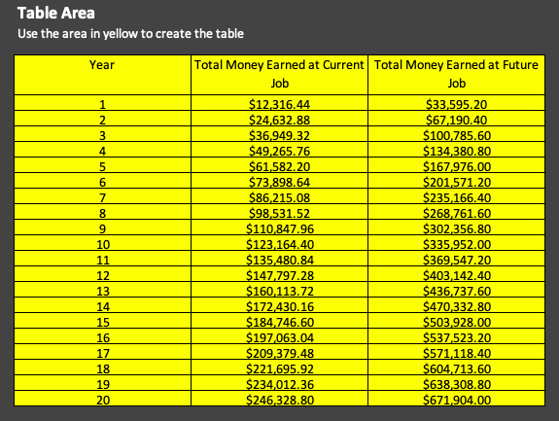
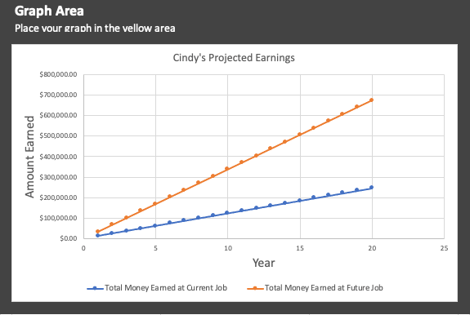
Example Table And Chart

The following table and chart are examples of what your table and chart should look similar to in part 1. Do not copy the numbers in this chart. Your numbers will be different based on the values in the monthly wages cells associated with your name.

Part 3 - Value of a Degree
Part 3 - Calculate the Value of a Degree

Student's Name: Name | (Your name will automatically appear to the left if you entered it properly at the top of Part 1.)

The two largest income boosts BYU Pathway students usually see are after they complete their first professional certificate and again after they earn their bachelor's degree as the chart below demonstrates. To better appreciate the financial benefits of earning a degree you need to study your local job market and evaluate how much more you could earn if you had a degree. This exercise is worthwhile even if you already have a degree or if you are not taking PathwayConnect to eventually earn a bachelor’s degree from BYU-Idaho online. It will still help reinforce the value of earning a degree.
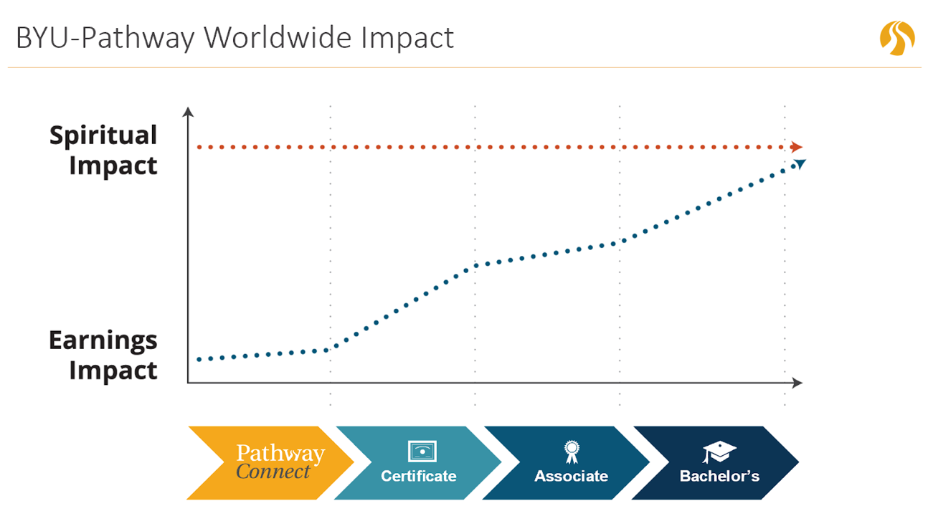

Assignment Instructions: To better appreciate the financial benefits of earning a degree you need to study your local job market and evaluate how much more you could earn if you had a degree. 1. Fill in the yellow cells with your informaton (use numbers only). • After you type in a number, press the enter or return key. If you make a mistake, you can erase your numbers and start over. • If you are on a mobile device, you may need to double tab to enable the keyboard. • The graph below is created using the numbers you entered in to the yellow cells. It helps you visualize the data. 2. Answer the reflection question below the graph.

Place your information in the yellow cells below
Current Age
Age I expect to retire
Total years I plan to work | 0 | This will automatically calculate for you.
Current monthly wages
Future monthly wages after degree
Years until I finish my degree |  | Do you see how the higher this number gets, the less you earn?

Amount at current rate over next 0 years | Additional amount earned at new job with degree until retirement | Total amount earned over 0 years with degree
0.00 | 0.00 | 0.00

Lifetime Earnings Before and After Degree
Amount at current rate over next 0 years | 0.00
Total amount earned over 0 years with degree | 0.00

Reflection Question: What information from this sheet helps you to decide how fast you want to finish your degree? Why? Place your answer in text box below.

[Enter your answer here.]

Complete! You have now completed all three parts of this assignment. Go to the Grader | Help tab to see how you scored. If you have missed something, go back and fix it and then check the score again. When you are satisfied with your work, save the file one last time and submit it to the assignment.

