Projection
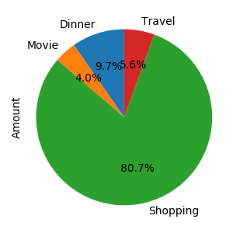
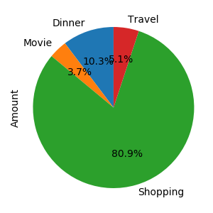
Date | Type | Amount
12/03/2020 | Dinner | 60
 | Movie | 50
 | Shopping | 500
 | Travel | 69
13/03/2020 | Dinner | 80
 | Shopping | 600
Total |  | 1359

