SelectedTable.php
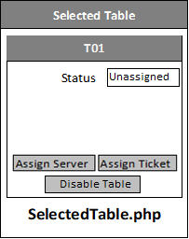
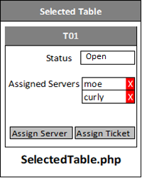
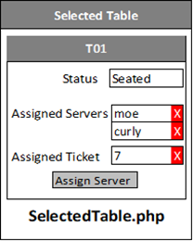
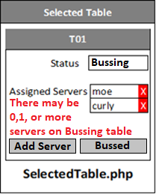
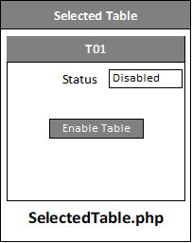

 |  |  |  |  |  | <<<<<<< Ⓒ Layout PHP Logic: Depends on table's status
 |  |  |  |  |  |  | In <form>...</form>

 |  |  |  |  |  |  | Note: You need to store the employee IDs for servers assigned to the table.
 |  |  |  |  |  |  | in your html structure somewhere

 |  |  |  |  | Do not show assigned servers
 |  |  |  |  | if none assigned to the table
Ⓐ PHP Logic for Inserting into TableLog |  |  | Ⓑ JavaScript Logic |  |  |  | CodeRepo/DisplayTemplate/displayTemplate.php Copy the contents of this file. It contains everything you need to use display.php and displayInterface.js
At the very top of the PHP File |  |  | In <head><script>….</script></head>
if isset($_POST['verboseAction'])
 | $columns="authorizationId, tableId" |  |  | You'll need event listeners for the buttons and Xs. Use 'pointerdown' instead of any click method
 | $values="$_POST['authorizationId'], $_POST['tableId'] |  |  | We are desigining this to be touch friendly
 | If verboseAction = addServer |  | Pressing Assign Server Button should:
 |  | columns += ", action, employeeId" |  | setVar("action", "add");
 |  | values += ",'Add', $_POST['employeeId']" |  | setVar("verboseAction","addServer");
 |  |  |  | updateDisplay();
 |  |  |  | NOTE: the employeeId will be injected into your form by HostView.php
 | if verboseAction = addTicket |  | Pressing Assign Ticket Button should:
 |  | columns += ", action, ticketId" |  | setVar("action", "add");
 |  | values += ",'Add', $_POST['ticketId']" |  | setVar("verboseAction","addTicket");
 |  |  |  | updateDisplay();
 |  |  |  | NOTE: the ticketId will be injected into your form by HostView.php
 | if verboseAction = removeServer |  | Pressing the X button beside a server should:
 |  | columns += ", action, employeeId" |  | setVar("action", "remove");
 |  | values += ",'Remove', $_POST['employeeId']" |  | setVar("verboseAction","removeEmployee");
 |  |  |  | setVar("employeeId", id of the employee you clicked);
 |  |  |  | updateDisplay();
 |  |  |  | NOTE: If there's only 1 server and a ticket, there should be no X beside the server
 |  |  |  | The ticket must be removed first before removing the only server
 | if verboseAction=removeTicket |  | Pressing the X beside the ticket should:
 |  | columns += ", action, ticketId" |  | setVar("action", "remove");
 |  | values += ",'Remove', $_POST['ticketId']" |  | setVar("verboseAction", "removeTicket");
 |  |  |  | updateDisplay();
 | if verboseAction = setBussed |  | Pressing the Bussing Complete Button should:
 |  | columns += ", action" |  | setVar("verboseAction", "setBussed");
 |  | values += ", 'SetBussed'" |  | updateDisplay();
 | if verboseAction = disableTable |  | Pressing the Disable Button should:
 |  | columns += ", action" |  | setVar("verboseAction", "disableTable");
 |  | values += ", 'disable'" |  | updateDisplay();
 | if verboseAction=enableTable |  | Pressing the Enable Table Button should:
 |  | columns += ", action" |  | setVar("verboseAction", "enableTable");
 |  | values += ", 'disable'" |  | updateDisplay();
 | sql = "INSERT INTO TableLog ($columns) VALUES ($values);"
 | try
 |  | execute sql
 | catch
 |  | You aren't supposed to be doing what you're doing.
 |  | My sql code throws a human readable error
 |  | Display this error as is
 | unset(verboseAction); This PHP function will prevent a refresh from
 | attempting to insert into TableLog again

